Sheet1
ITEM NO | ITEM PHOTO | DESCRIPTION | SIZE | WEIGHT | STOCK QUANTITY | COLOR/DESIGN | FOB PRICE | CBM | PACKING
HL-12 | 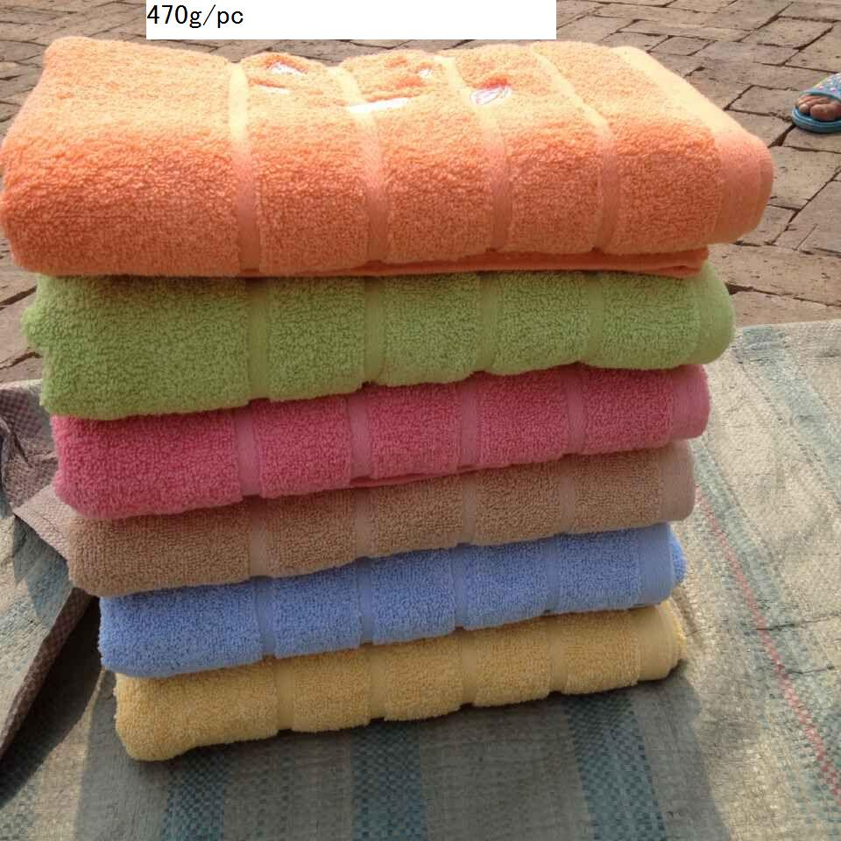 | 14 WEAK TWOSTS 80%COTTON,20%Polyester | 27X54" | 470g/pc | 5000pc | 6COLOR | USD 1.55/pc | 15M3
HL-13 | 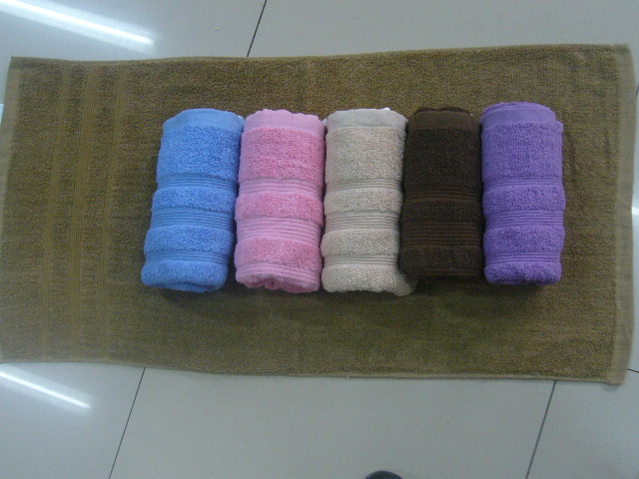 | 14 WEAK TWOSTS 80%COTTON,20%Polyester | 27X54" | 470g/pc | 5000pc | 5COLOR | uSD 1.55/pc | 15M3
hL-14 | 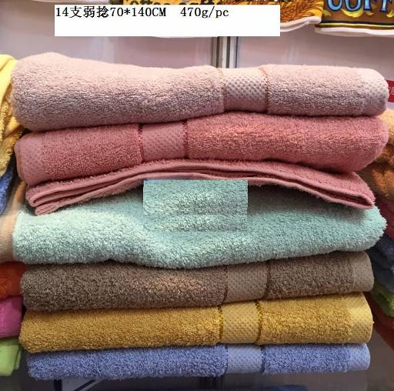 | 14 WEAK TWOSTS 80%COTTON,20%Polyester | 27X54" | 470g/pc | 5000pc | 6COLOR | USD 1.55/pc | 15M3
hL-15 | 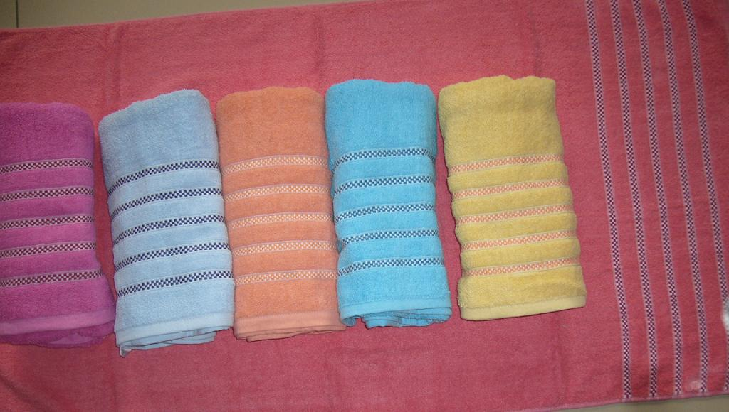 | 14 WEAK TWOSTS 80%COTTON,20%Polyester | 27X54" | 470g/pc | 5000pc | 6COLOR | USD 1.55/pc | 15M3
HL-16 | 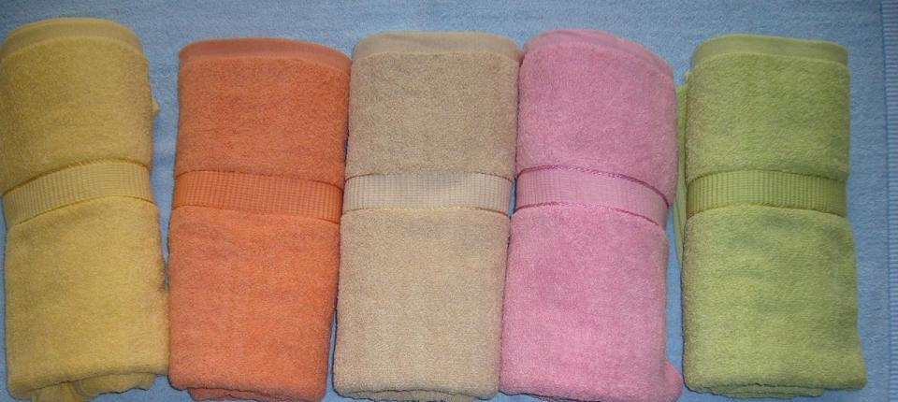 | 14 WEAK TWOSTS 80%COTTON,20%Polyester | 27X54" | 470g/pc | 5000pc | 6COLOR | USD 1.55/pc | 15M3
hL-17 | 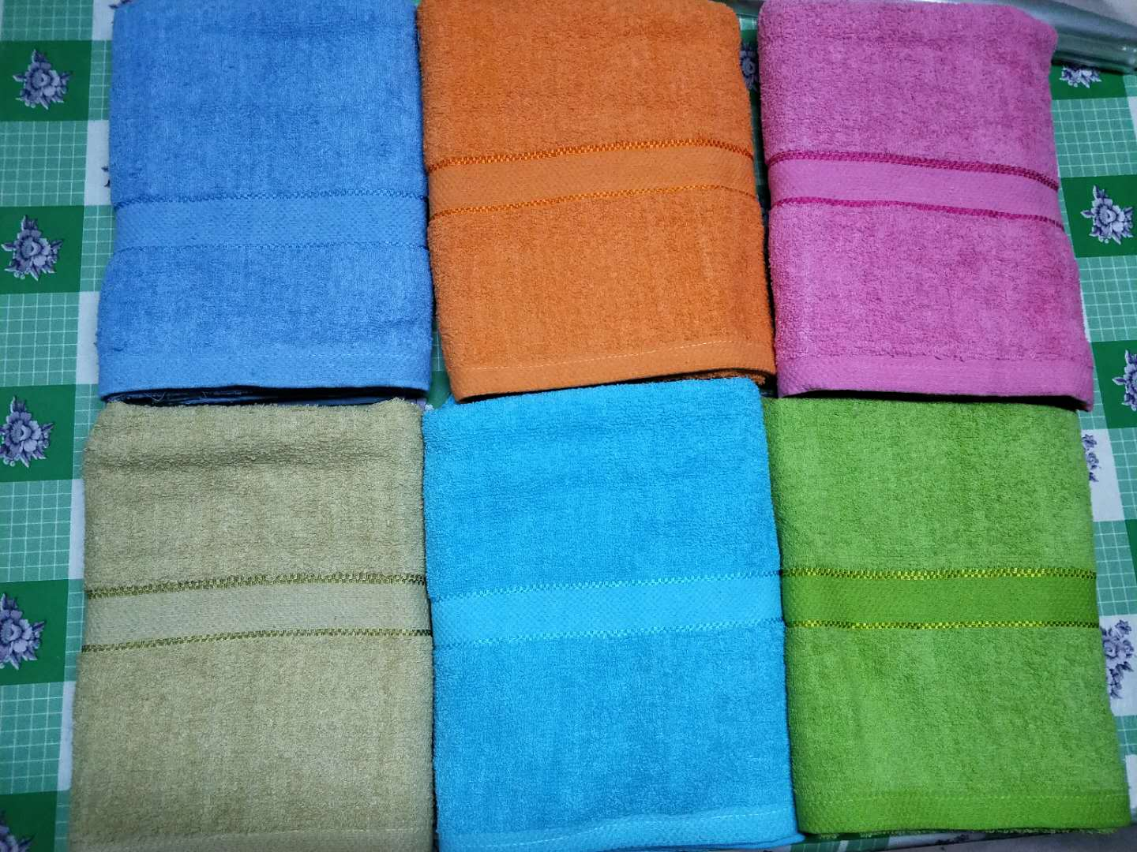 | 14 WEAK TWOSTS 80%COTTON,20%Polyester | 27X52" | 380g/pc | 10000pc | 6COLOR | USD 1.25/pc | 15M3
hL-18 | 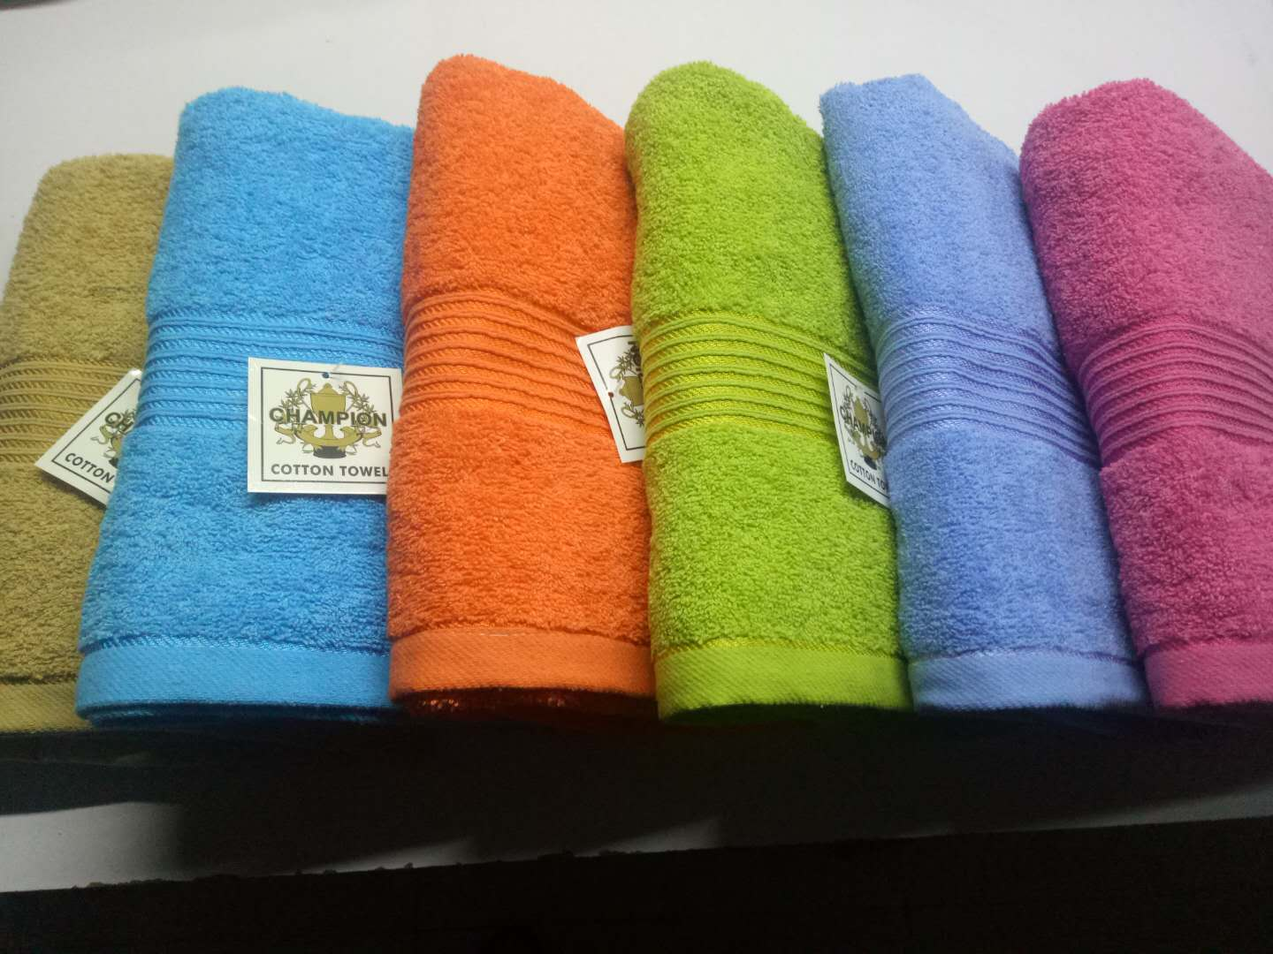 | 14 WEAK TWOSTS 80%COTTON,20%Polyester | 27X52" | 380g/pc | 6000pc | 6COLOR | USD1.25/pc | 15.5M3
L-21 | 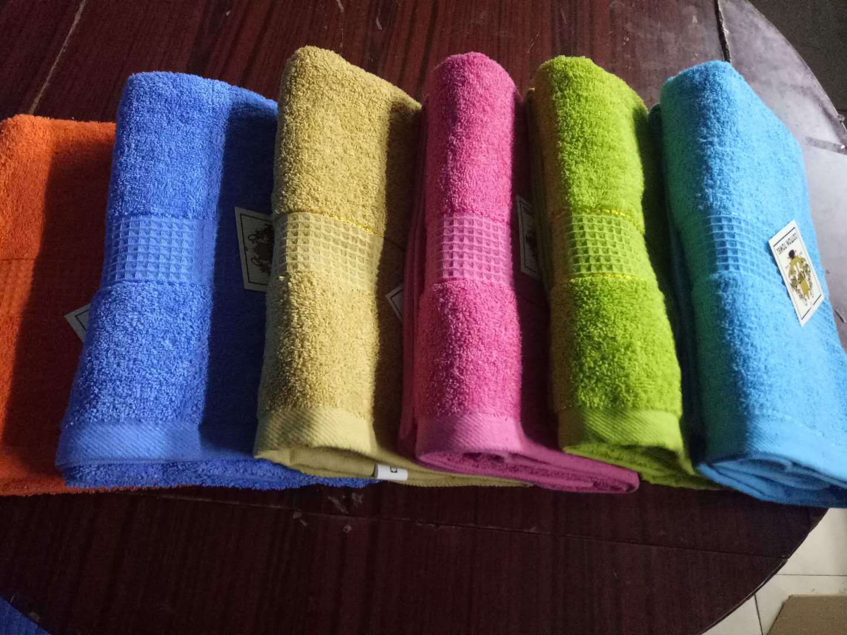 | 14 WEAK TWOSTS 80%COTTON,20%Polyester | 27X52" | 380g/pc | 12000pc | 6COLOR | USD 1.25/pc
 | 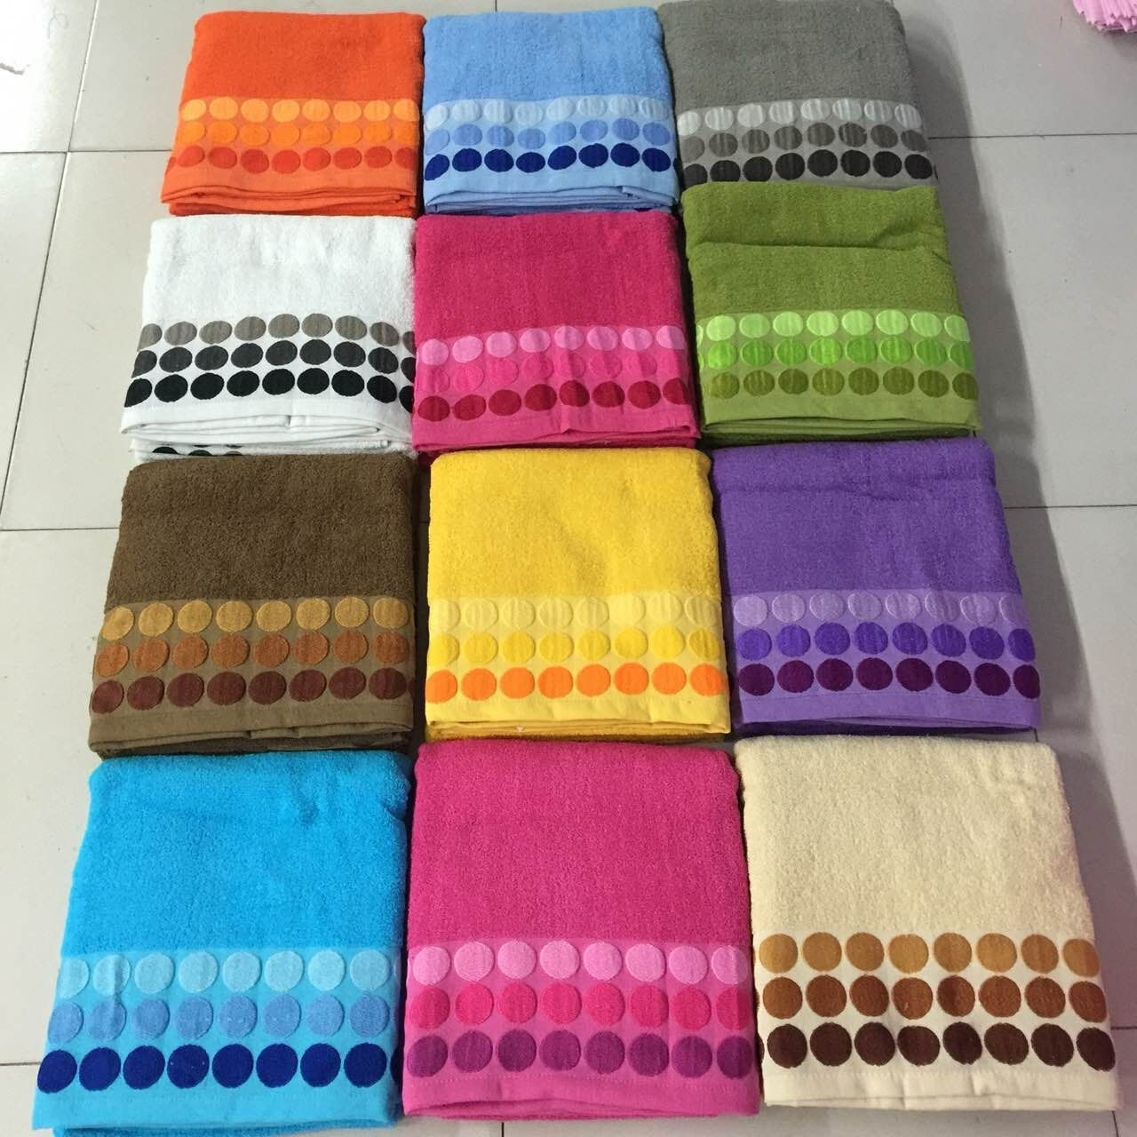 | 14 WEAK TWOSTS 80%COTTON,20%Polyester | 35*70" | 750g/pc |  |  | USD 2.98/pc
 | 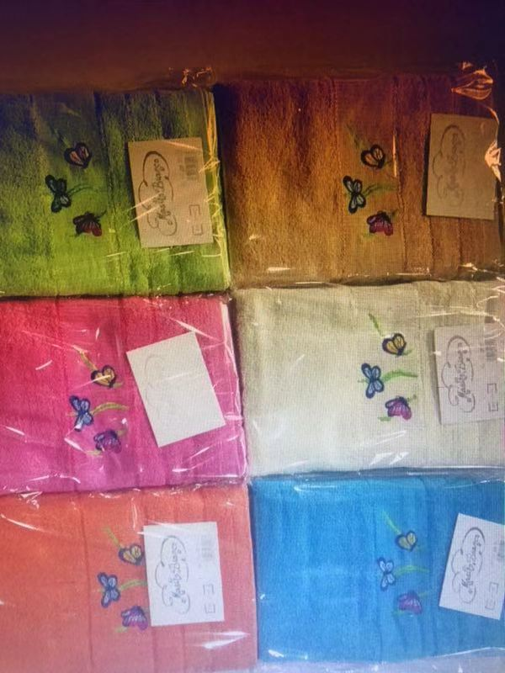 | 14 WEAK TWOSTS 80%COTTON,20%Polyester | 15*24"/20*40" | 260g/SET |  |  | USD 0.98/SET
 | 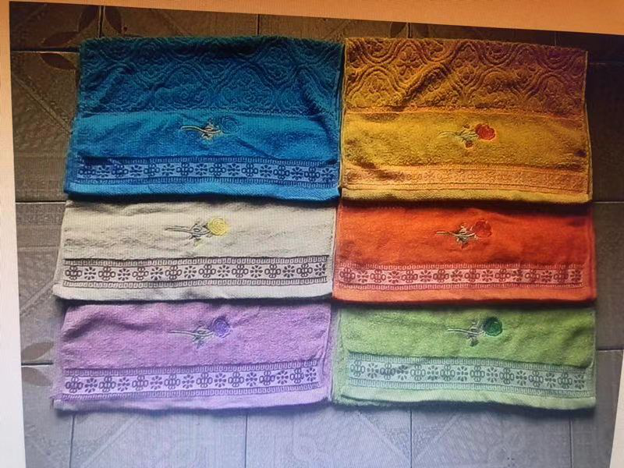 | 14 WEAK TWOSTS 80%COTTON,20%Polyester | 15*24"/20*40" | 260g/SET |  |  | USD 0.98/SET
 | 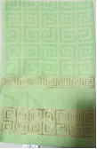 | 14 WEAK TWOSTS 80%COTTON,20%Polyester | 15*24"/20*40" | 260g/SET |  |  | USD 0.98/SET
 | 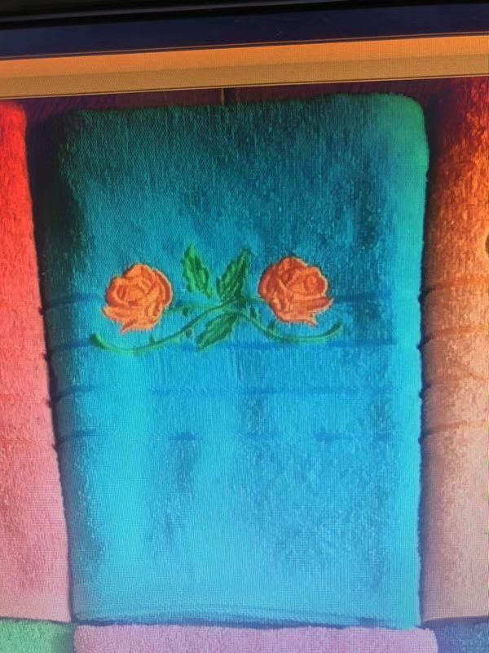 | 14 WEAK TWOSTS 80%COTTON,20%Polyester | 15*24"/20*40" | 260g/SET |  |  | USD 0.98/SET

