Sheet1
DEREK NEW PRODUCT

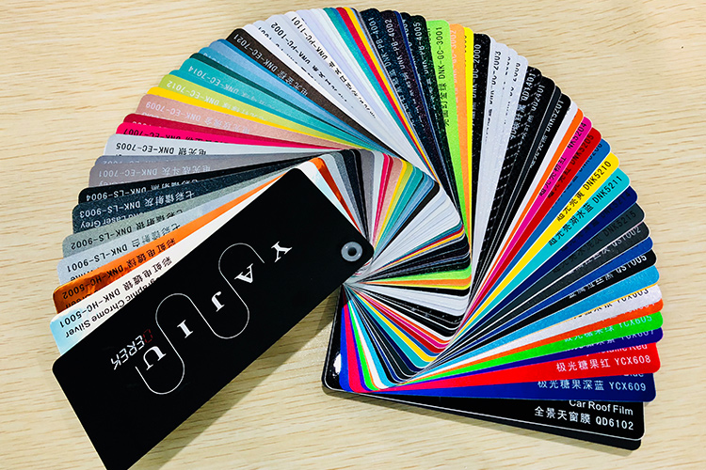

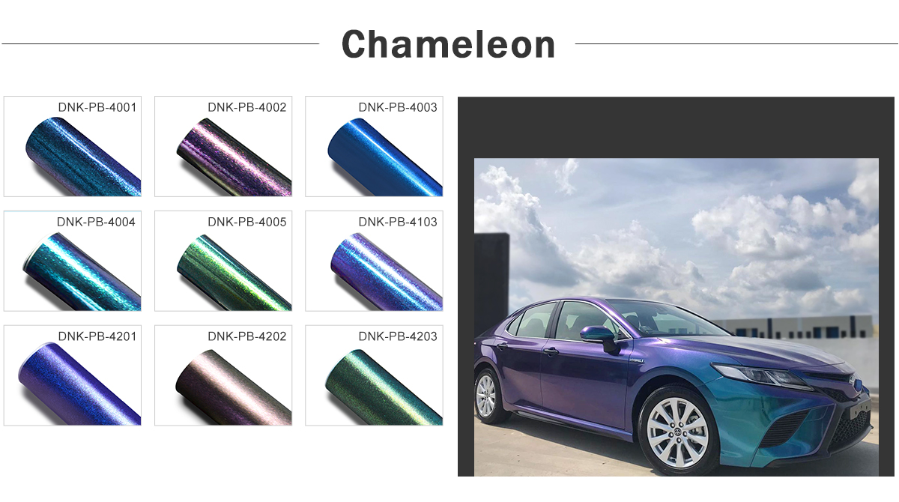 |  |  |  | Premiun double casting polymeric Durability: 3/5 years Air Release//Bubble free Size: 1.52*18meter//5*59ft Color：11 colors available

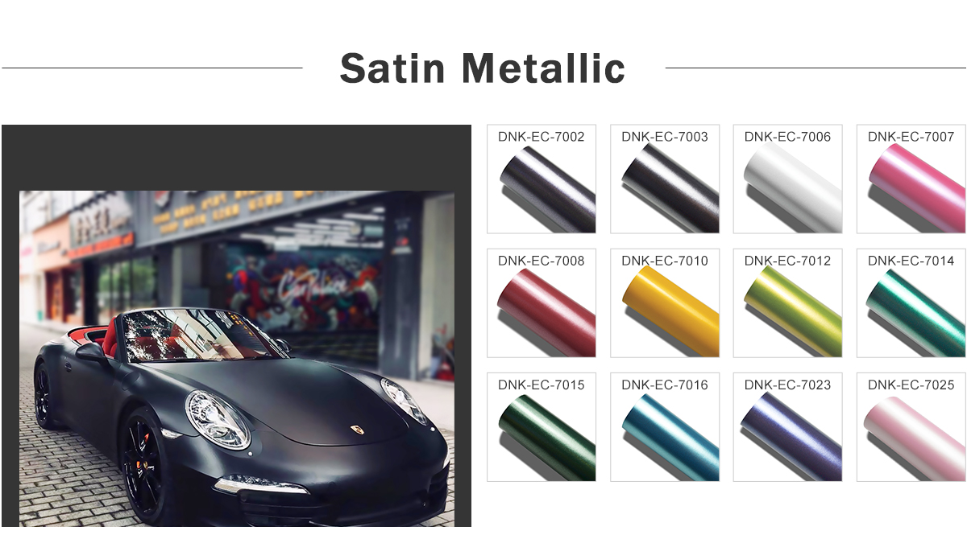
 |  |  |  | Premiun double casting polymeric Durability: 3/5 years Air Release//Bubble free Size: 1.52*18meter//5*59ft Color:24 colors available

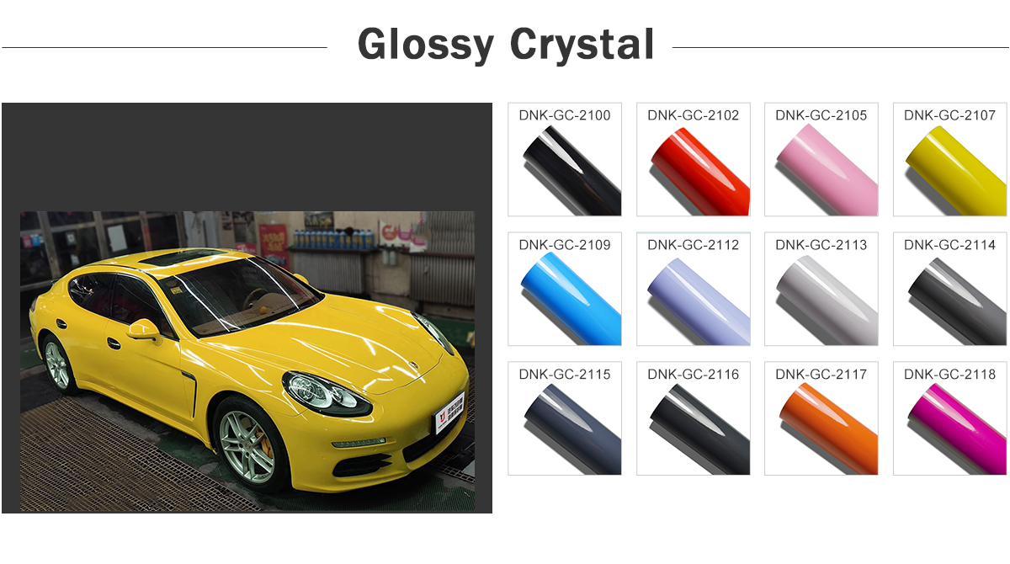

 |  |  |  | Premiun double casting polymeric Durability: 3/5 years Air Release//Bubble free Size: 1.52*18meter//5*59ft Color: 20colors available

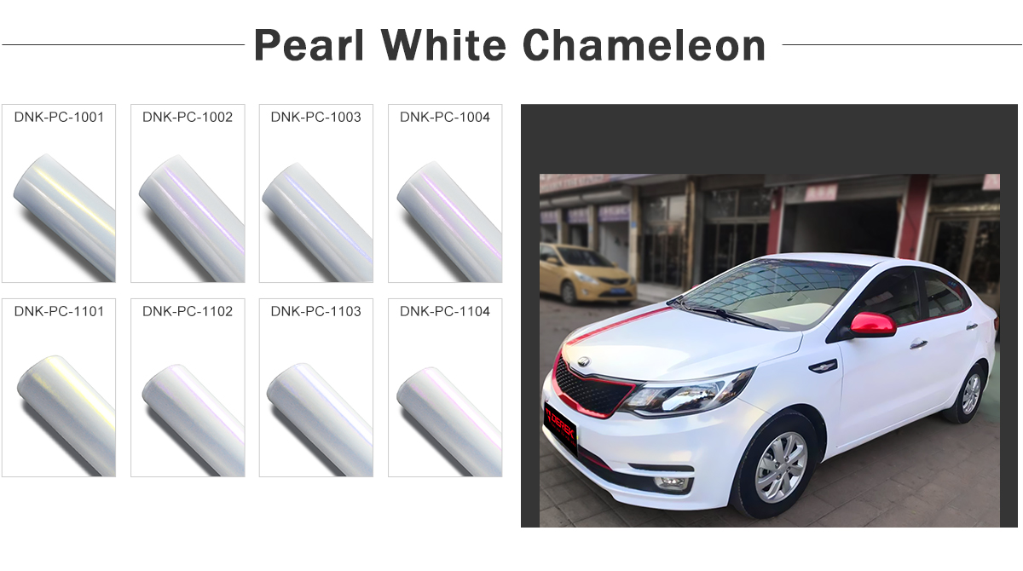

 |  |  |  | Premiun double casting polymeric Durability: 3/5 years Air Release//Bubble free Size: 1.52*18meter//5*59ft Color：11 colors available

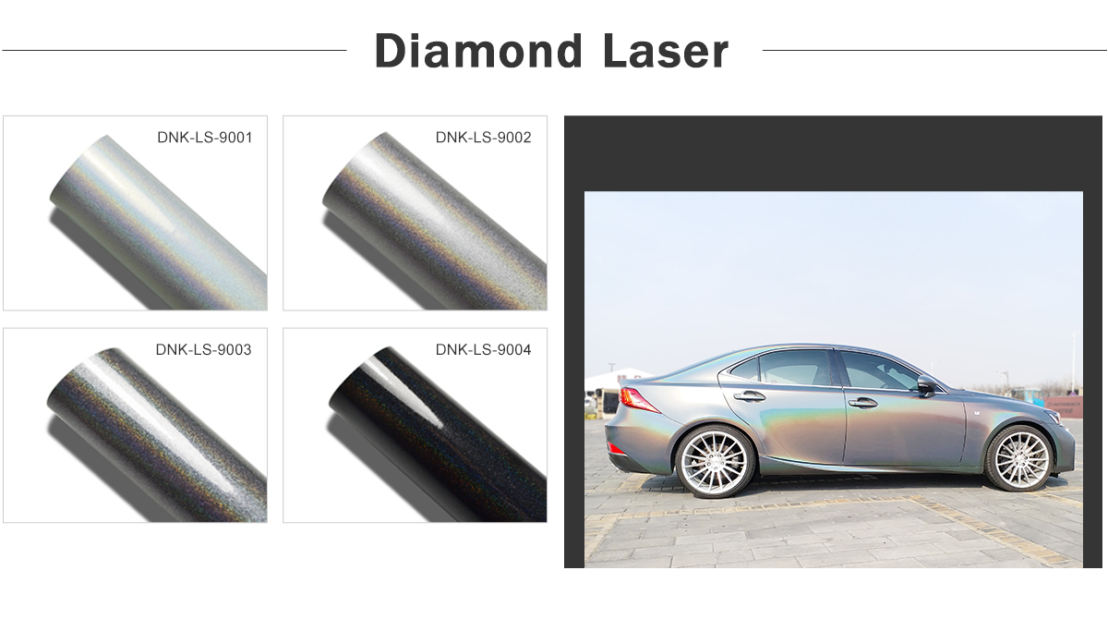 |  |  |  | Premiun double casting polymeric Durability: 3/5 years Air Release//Bubble free Size: 1.52*18meter//5*59ft Color:4colors available

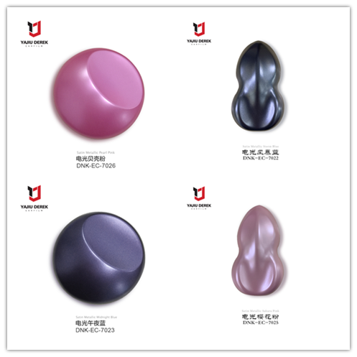
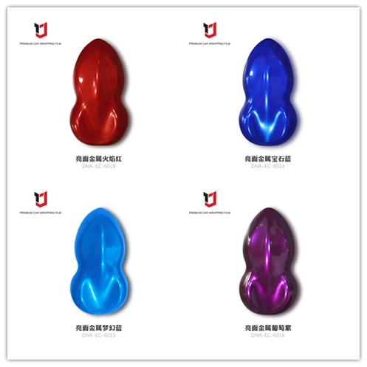
 | Satin Metallic |  |  |  | Glossy Metallic

Premiun double casting polymeric Durability: 3/5 years Air Release//Bubble free Size: 1.52*18meter//5*59ft Colors: 24colors available |  |  | Premiun double casting polymeric Durability: 3/5 years Air Release//Bubble free Size: 1.52*18meter//5*59ft Color: 16 colors available

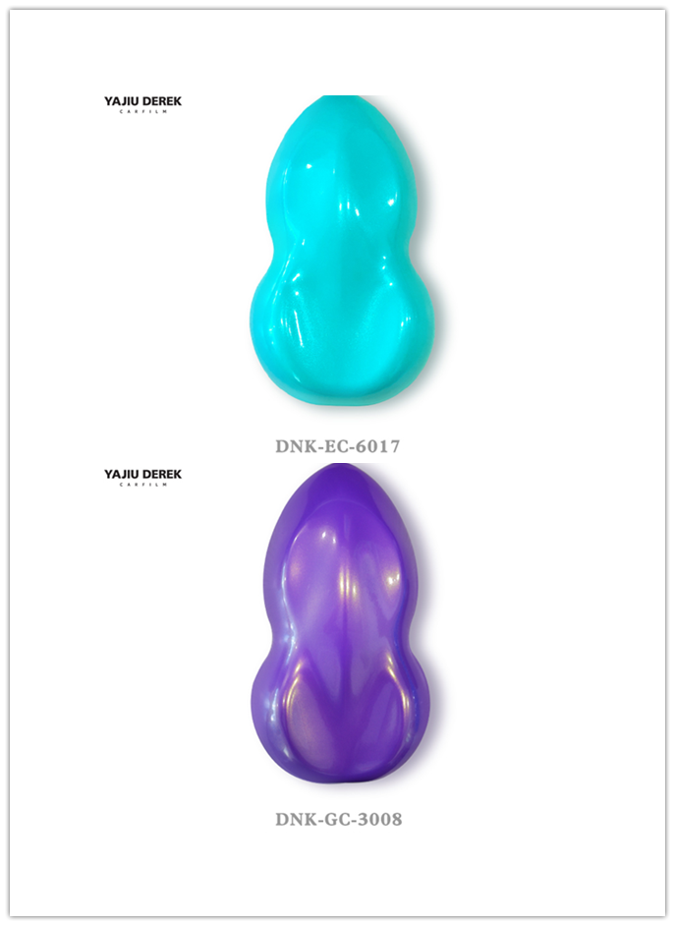 |  | Magic Gold | 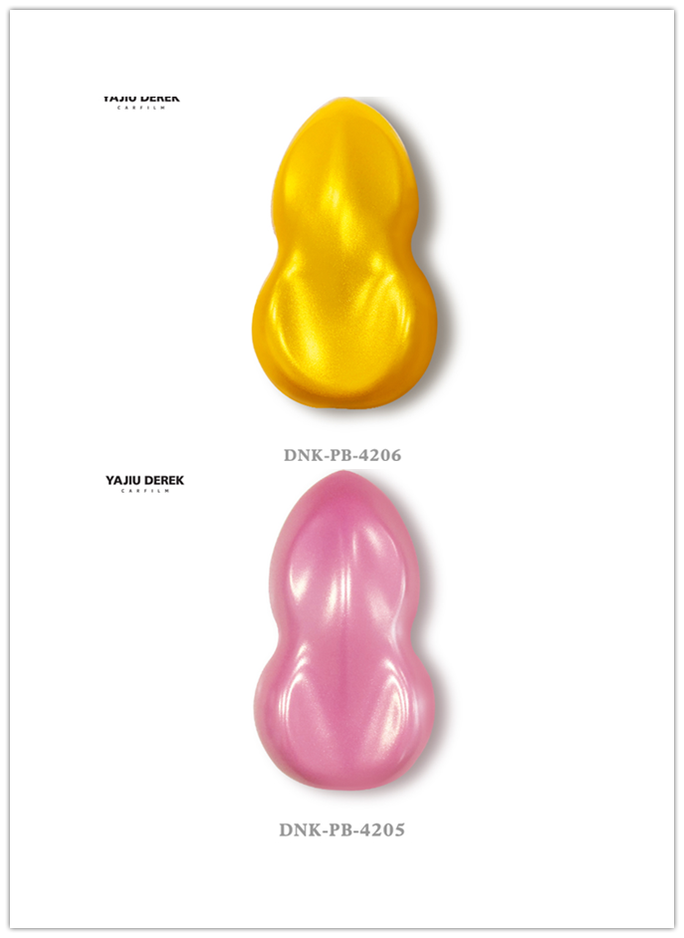 |  |  | Matte Chameleon

Premiun double casting polymeric Durability: 3/5 years Air Release//Bubble free Size: 1.52*18meter//5*59ft Color:10 colors available |  |  | Premiun double casting polymeric Durability: 3/5 years Air Release//Bubble free Size: 1.52*18meter//5*59ft Color:11 colors available

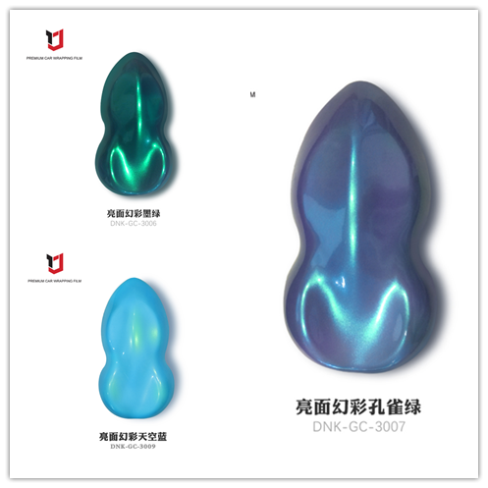 |  | Magic Glod | Premiun double casting polymeric Durability: 3/5 years Air Release//Bubble free Size: 1.52*18meter//5*59ft Color:10 colors available

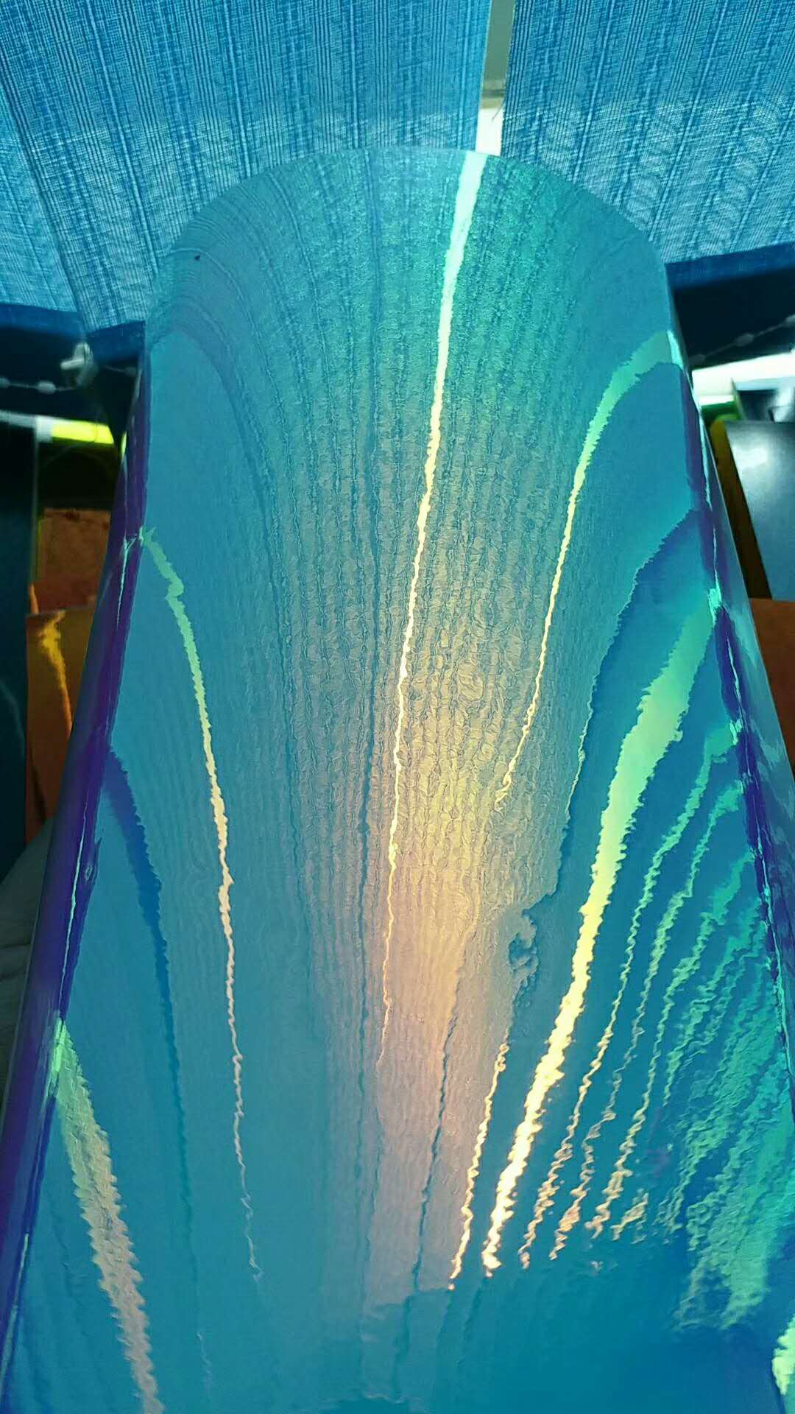


 |  |  | Premiun double casting polymeric Durability: 3/5 years Air Release//Bubble free Size: 1.52*18meter//5*59ft Color:10 colors available

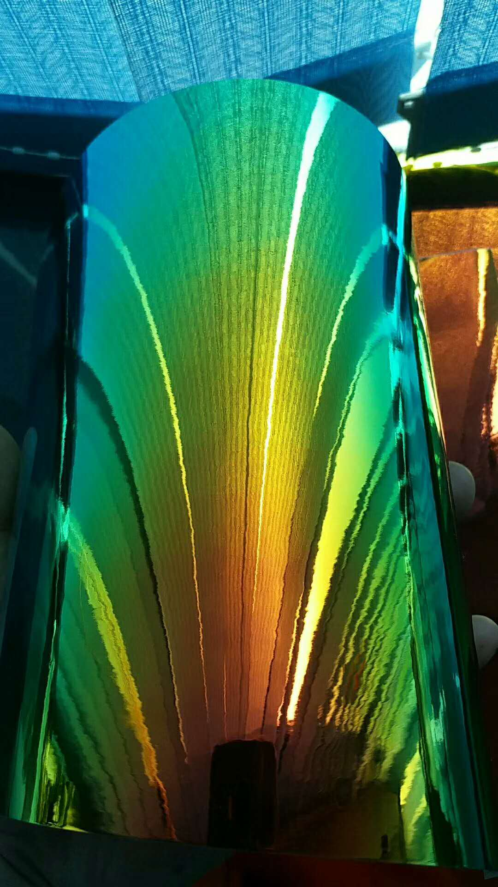
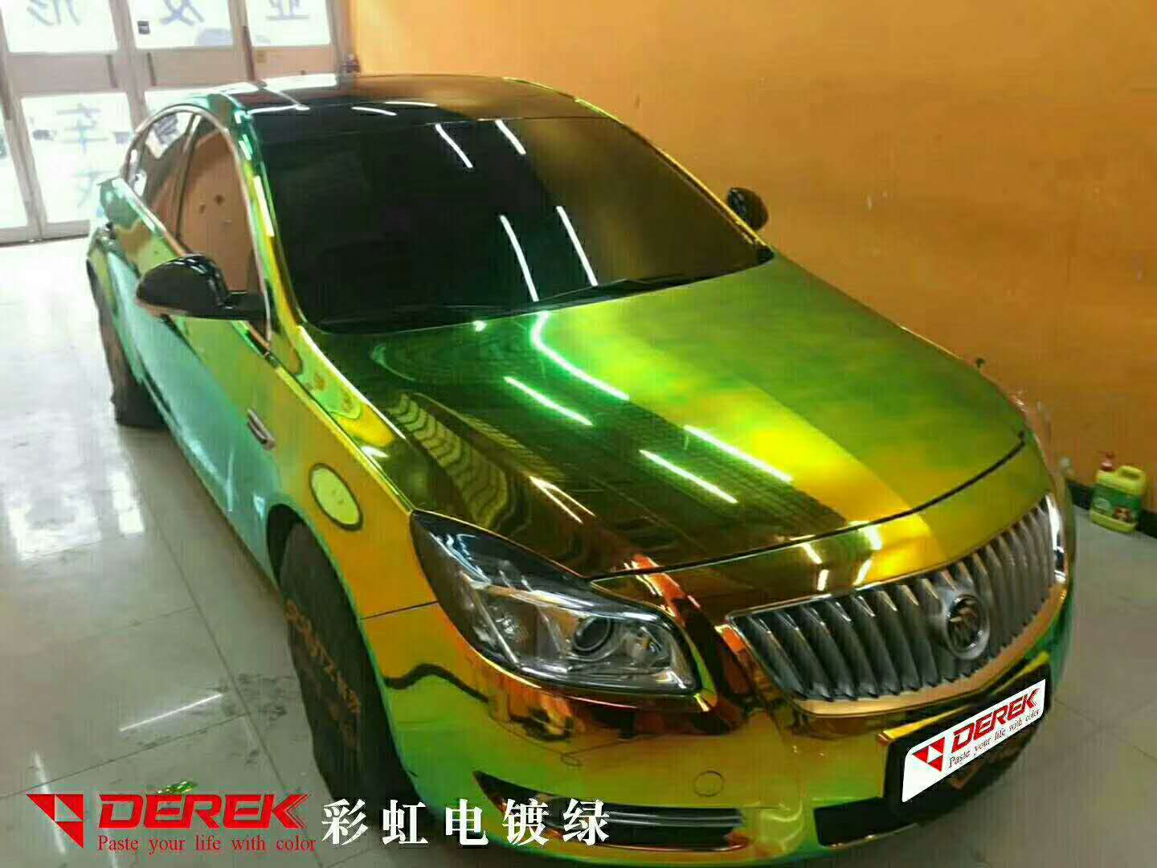

 |  |  | Premiun double casting polymeric Durability: 3/5 years Air Release//Bubble free Size: 1.52*18meter//5*59ft Color:10 colors available

