Sheet1
Pictures/图片 | trade name/品名 | package/包装 | RMB/人民币
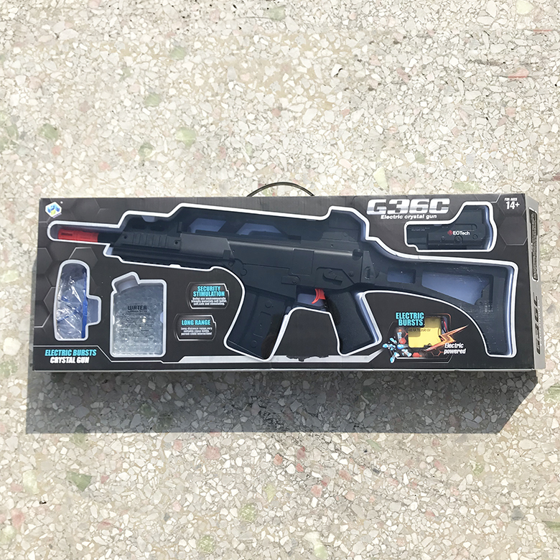 | electric G36 Shotgun Toys | Color Box | 58.5
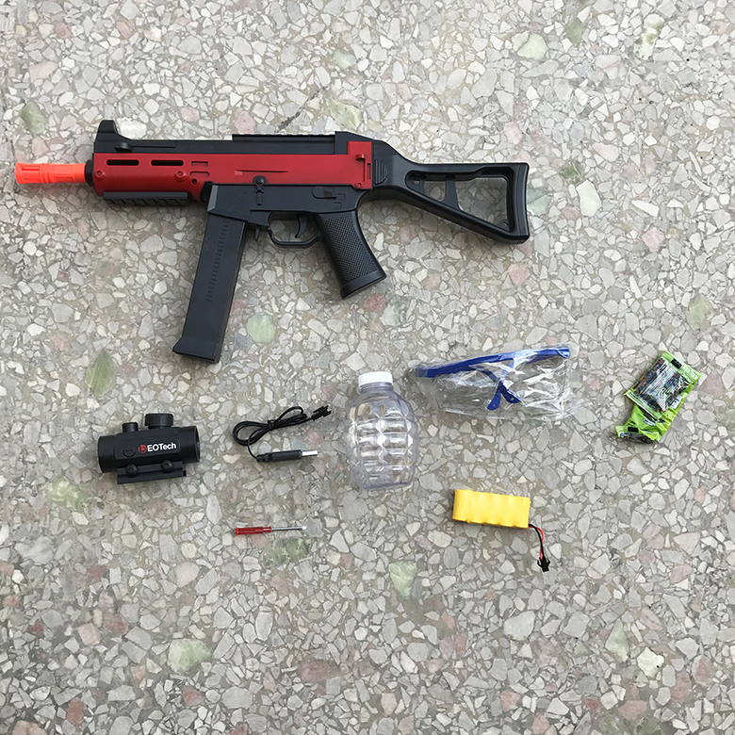 | electric UMP squirt gun toy | Cowhide packaging | 48.5
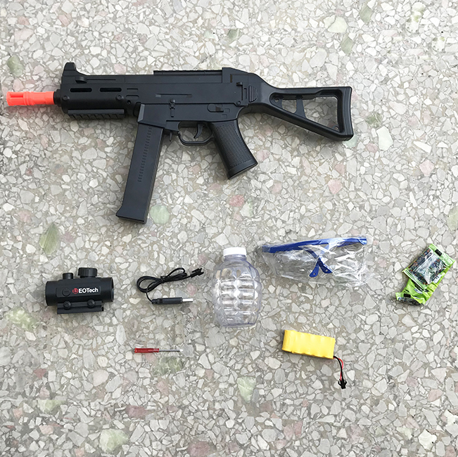 | electric UMP squirt gun toy | Cowhide packaging | 46.5
 | electric UMP squirt gun toy | Cowhide packaging | 48.5
 | 98K Sniper Toy | Cowhide packaging | 33.5
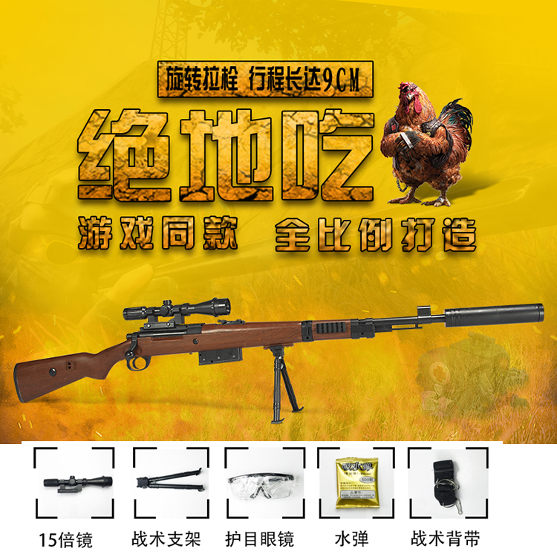 | 98K Sniper Toy | Cowhide packaging | 56.8
 | 98K Sniper Toy | Cowhide packaging | 58.8
 | M416 gun Toy | Cowhide packaging | 312
 | 98K Sniper Toy | Cowhide packaging | 48
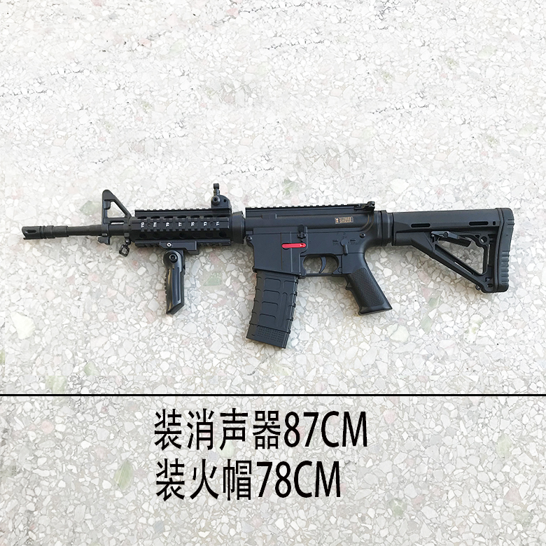 | M4 gun Toy | Cowhide packaging | 115
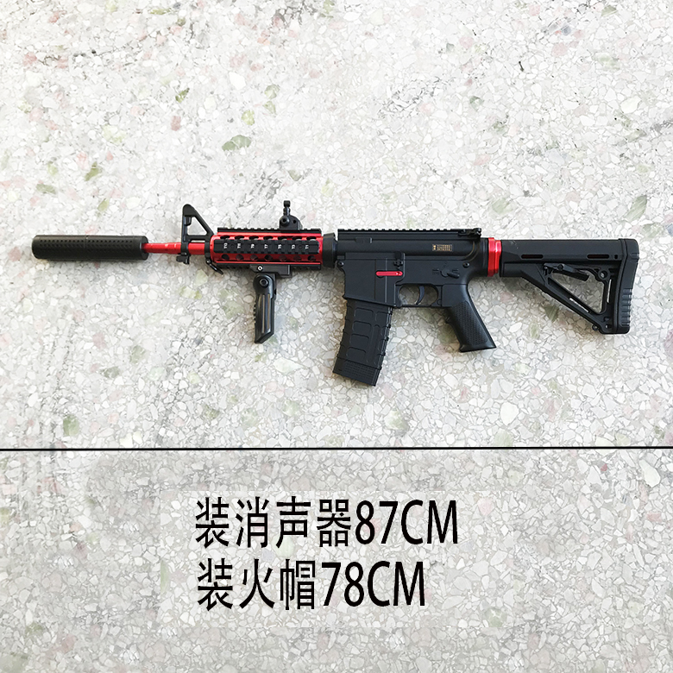 | M4 gun Toy | Cowhide packaging | 115
 | M4 gun Toy | Cowhide packaging | 120
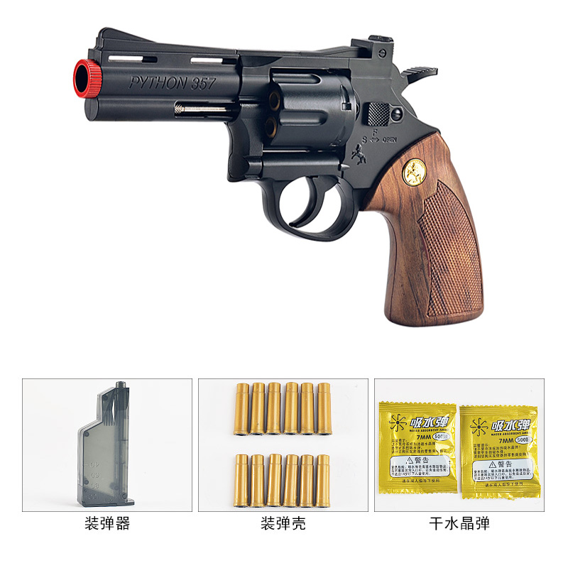 | Left wheel water bomb toy | Cowhide packaging | 58
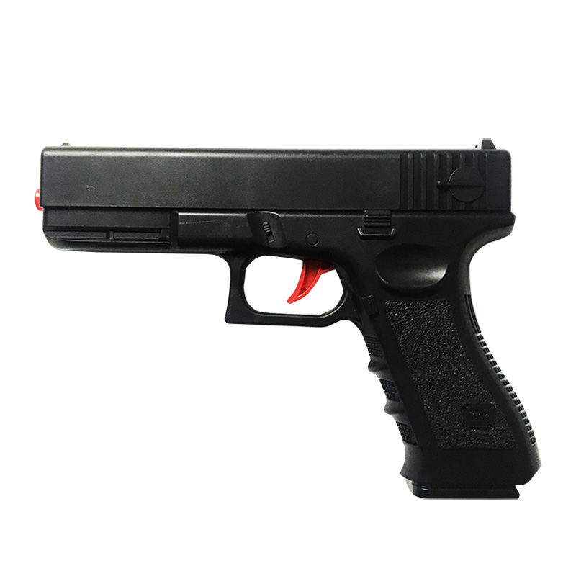 | Glock water bomb toy gun | Bare gun packaging | 8

