Лист1
商品描述 | SKU/Model Number | TITLE / Product name | Picture
PowerCore Fusion 10000mAh USBC+USBA 2Ports | A1623 | Anker PowerCore Fusion 10000mAh 3A（1Port Output）；USBC+USBA 2Ports；2-in-1 Wall Charger & Power Bank (Black) | 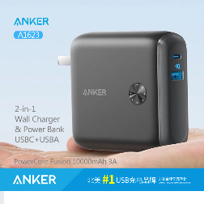
PowerCore+ II 20000mAh 27W PD | A1362 | ANKER PowerCore+ II 20000mAh 27W PD 2-in-1 Power Bank & 2Ports HUB PD PIQ2.0 52W | 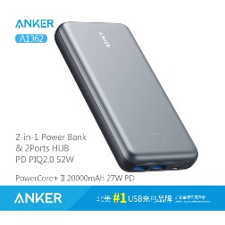
PowerCore Lite 10000 | A1232 | Anker PowerCore Lite 10000 The Light and Compact 10000mAh Portable Charger (Black) | 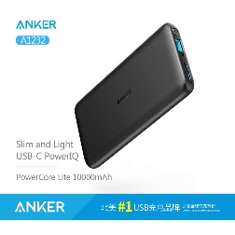
PowerCore II Slim 10000 | A1261 | Anker PowerCore II Slim 10000 Ultra Slim Power Bank, Upgraded PowerIQ 2.0 (up to 18W Output)(Black) | 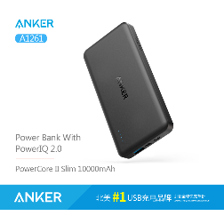
PowerCore II 6700 | A1220 | Anker PowerCore II 6700 (Black) | 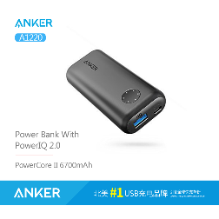
PowerCore II 10000 | A1230 | Anker PowerCore II 10000 Ultra-Compact 10000mAh Portable Charger, Upgraded PowerIQ 2.0 (up to 18W Output) (Black) | 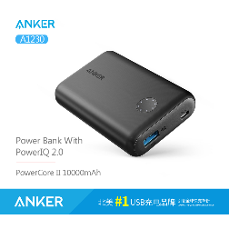
PowerCore II 20000 | A1260 | Anker PowerCore II 20000 The Ultra-High Capacity Portable Charger with Upgraded Compatibility，High-Speed Charging with PowerIQ 2.0 (Black) | 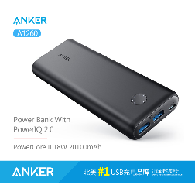
PowerCore PD 20000 | A1275 | Anker PowerCore PD 20000 30W The Official 20100mAh Portable Charger for Switch, for use with iPhone X / 8, MacBook Pro, and More.(Black) | 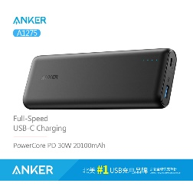
PowerCore Elite 20000 | A1273 | Anker PowerCore Elite 20000 20000mAh Power Bank with 3 PowerIQ, 6A Output, Dual Input and 4A Fast Recharging (Black) | 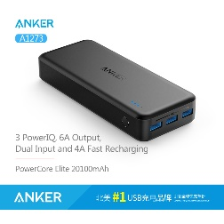
PowerCore Fusion 5000 | A1621 | Anker PowerCore Fusion 5000 Super Charger 2 In 1（Portable Charger&Wall Charger） | 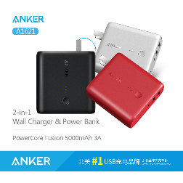
PowerCore Speed 10000 | A1266 | Anker PowerCore Speed 10000 [Upgraded with PowerIQ] Qualcomm Quick Charge 3.0 Portable Charger with Power IQ (Black) | 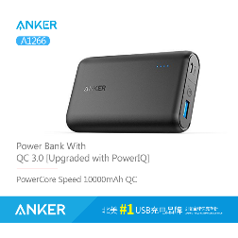
PowerCore Speed 20000 | A1278 | Anker PowerCore Speed 20000 *Upgraded Qualcomm Quick Charge 3.0 Portable Charger, Backwards Compatible With Quick Charge 1 & 2, with PowerIQ (Black) | 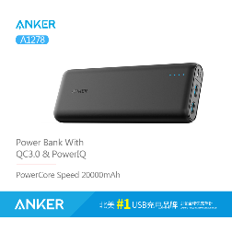
Anker PowerCore 10000mAh 移动电源 黑色 | A1263011 | PowerCore 10000mAh Portable Charger (Black) | 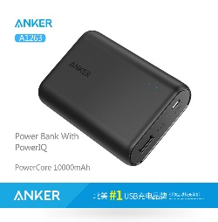
Anker PowerCore 10400mAh 移动电源 黑色 | A1214011 | PowerCore 10400mAh 2-Port 3A Portable Charger (Black) | 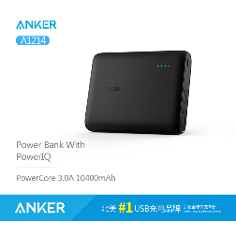
Anker PowerCore 13000mAh 移动电源 黑色 | A1215011 | PowerCore 13000mAh 2-Port 3A Portable Charger (Black) | 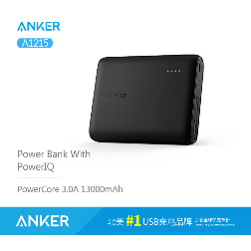
Anker PowerCore 15600mAh 移动电源 黑色 | A1252011 | [Super High-Capacity Fast-Charging] PowerCore 15600mAh 2-Port 4.8A Portable Charger (Black) | 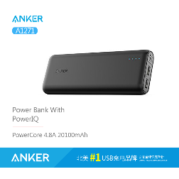
Anker PowerCore 20100mAh 移动电源 黑色 | A1271H11 | [Most Compact 20000mAh Portable Charger] PowerCore 20100mAh 2-Port 4.8A Portable Charger (Black)
QC3.0 快充移动电源 10050mAh 黑色 | A1311 | [QC2.0] [Quick Charge] Anker PowerCore+ 10050mAh（Black）
USB-C 快充移动电源 6A 2USB口 20100mAh 黑色 | A1371H12 | [USB-C] Anker PowerCore+ 20100mAh 2-Port USB-C (6A Output)（Black）

