Лист1
商品描述 | SKU/Model Number | TITLE / Product name | Picture
PowerDrive II PD with 1 PD and 1 PIQ 49.5W | A2229 | Anker USB-C Car Charger, PowerDrive II PD with 1 PD and 1 PIQ 49.5W（Black） | 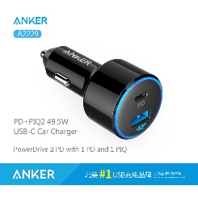
PowerDrive PD+QC 33W | A2721 | Anker USB-C Car Charger, PowerDrive PD+QC 33W（Black） | 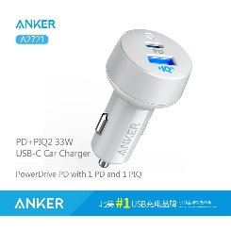
24W PowerIQ 双USB口车充 黑色 | A2310 | Anker PowerDrive 2 24W / 4.8A 2-Port USB Car Charger （Black） | 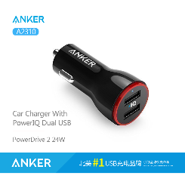
PowerDrive+ 1 Port 单USB口车充 黑色 | A2210 | Anker PowerDrive+ 1 Port Quick Charge 3.0 24W USB Car Charge （Black） | 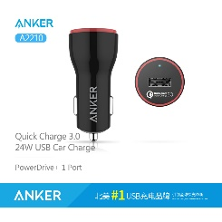
PowerDrive Elite 2 Ports with Lightning Connector | A2214 | Anker PowerDrive Elite 2 Ports with Lightning Connector | 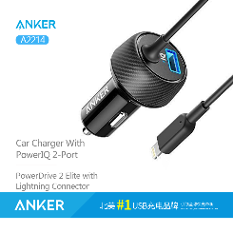
PowerDrive Speed 2 Ports | A2228 | Anker PowerDrive Speed 2 Ports Quick Charge 3.0 39W Dual USB Car Charger | 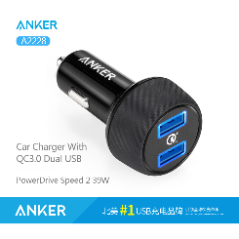
PowerDrive+ 2 With Quick Charge 3.0 | A2224 | Anker PowerDrive+ 2 With Quick Charge 3.0 2-Port USB Car Charger （Black） | 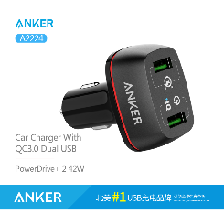
PowerDrive+ 3 The Premium 3-Port USB Car Charger | A2223 | Anker 36W 3-Port USB Car Charger PowerDrive+ 3 for iPhone 6/6 Plus/6s/6s Plus, iPad Air 2/mini 3, Galaxy S7/S6/S6 Edge and More | 