Magna Blocks
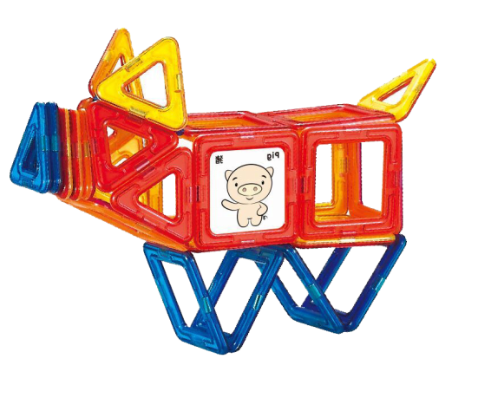
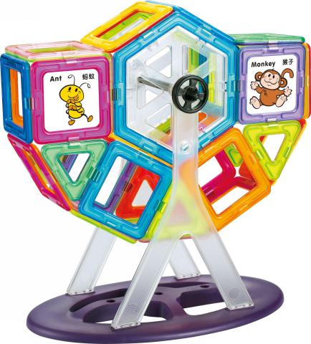
 |  | Tongxiang Kebo Toys Co., Ltd.
 |  | Address：No. 519, Jingwei Street, Huxiao, Chongfu Town, Tongxiang, Zhejiang, China Mobile/Whatsapp/Weichat： 008618957337769 Ctc： Adam Skype： txkebo Email：txkebo@outlook.com

Pricelist（Available for 3 month）

Serias | Item No. | Picture | mixed purchase of USD1000.00-USD4999.00 | mixed purchase of USD5000.00-USD9999.00 | mixed purchase of USD10000.00-USD29999.00 | mixed purchase of USD30000.00-USD49999.00 | mixed purchase of USD50000.00 | Box Size(CM) | Ctn Size(CM) | Qty | N.W.(KGS) | G.W.(KGS)
磁力片Mag-wisdom | KBS-55 | 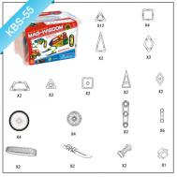 | $10.24 | $9.83 | $9.42 | $9.01 | $8.70 | 22.5*17.5*14.5 | 55*47*49 | 18 | 18 | 19
 | KBS-91 | 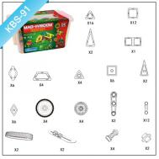 | $16.14 | $15.50 | $14.85 | $14.21 | $13.72 | 31*21.5*17 | 63*45*54 | 12 | 19.2 | 20.2
 | KBS-123 | 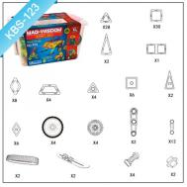 | $24.25 | $23.28 | $22.31 | $21.34 | $20.62 | 34.5*25.5*19.5 | 70*52*44 | 8 | 16 | 17
 | KBS-160 | 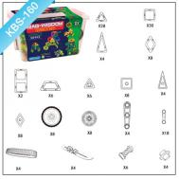 | $28.51 | $27.37 | $26.23 | $25.09 | $24.23 | 34.5*25.5*19.5 | 70*52*44 | 8 | 20.8 | 21.8
 | KBS-200 | 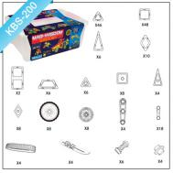 | $39.32 | $37.74 | $36.17 | $34.60 | $33.42 | 42*29*15.5 | 62*45*52.5 | 6 | 20.4 | 21.4
 | KBS-250 | 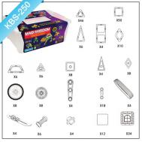 | $41.38 | $39.73 | $38.07 | $36.42 | $35.17 | 42*29*15.5 | 62*45*52.5 | 6 | 23.4 | 24.4
 | KBT-56 | 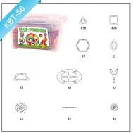 | $17.13 | $16.44 | $15.76 | $15.07 | $14.56 | 31*21.5*17 | 63*45*54 | 12 | 14.4 | 15.4
 | KBT-88 | 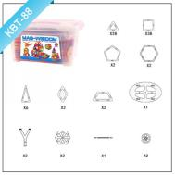 | $26.02 | $24.98 | $23.93 | $22.89 | $22.11 | 34.5*25.5*19.5 | 70*52*44 | 8 | 13.6 | 14.6
 | KBT-92 | 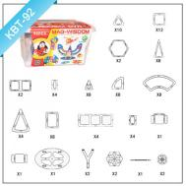 | $31.13 | $29.88 | $28.64 | $27.39 | $26.46 | 34.5*25.5*19.5 | 70*52*44 | 8 | 18 | 19
 | KBT-108 | 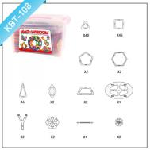 | $31.30 | $30.05 | $28.80 | $27.55 | $26.61 | 34.5*25.5*19.5 | 70*52*44 | 8 | 15.2 | 16.2
 | KBT-118 |  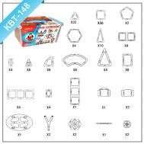 | $39.13 | $37.56 | $36.00 | $34.43 | $33.26 | 42*29*15.5 | 62*45*52.5 | 6 | 16.8 | 17.8
 | KBT-148 |  | $49.06 | $47.10 | $45.14 | $43.18 | $41.70 | 41*30*22 | 63*43*48 | 4 | 14.2 | 15.2
 | KBT-155 | 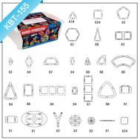 | $44.35 | $42.58 | $40.80 | $39.03 | $37.70 | 42*29*15.5 | 62*45*52.5 | 6 | 19.2 | 20.2
 | KBT-188 | 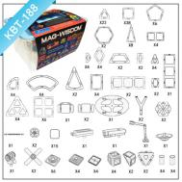 | $53.08 | $50.96 | $48.83 | $46.71 | $45.12 | 43.5*33*26 | 69*45*56 | 4 | 18 | 19
 | KBT-218 | 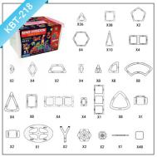 | $57.19 | $54.90 | $52.62 | $50.33 | $48.61 | 43.5*33*26 | 69*45*56 | 4 | 19.2 | 20.2
 | KBT-258 | 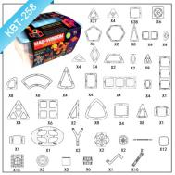 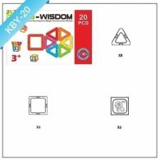 | $69.78 | $66.99 | $64.20 | $61.40 | $59.31 | 43.5*33*26 | 69*45*56 | 4 | 19.2 | 20.9
 | KBY-20 | 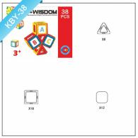 | $5.70 | $5.47 | $5.24 | $5.01 | $4.84 | 39*24.5*8.5 | 80*52*45 | 20 | 15 | 16
 | KBY-38 |  | $8.51 | $8.17 | $7.83 | $7.49 | $7.23 | 29.8*23*5.8 | 61.5*48*48.5 | 32 | 20.8 | 21.8
 | KBY-40 停产 | 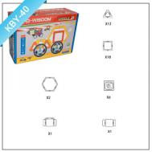 | $12.40 | $11.90 | $11.41 | $10.91 | $10.54 | 35.8*24.5*13 | 74*50.5*58 | 16 | 20 | 21
 | KBY-71 | 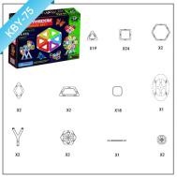 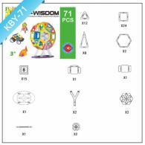 | $19.67 | $18.88 | $18.09 | $17.31 | $16.72 | 55*39*13 | 81*57.5*42.5 | 6 | 14.1 | 15.1
 | KBY-75 |  | $16.54 | $15.88 | $15.22 | $14.55 | $14.06 | 41*34*6.4 | 69.5*42.5*53.5 | 16 | 21.6 | 22.6
 | KBY-77 | 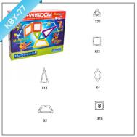 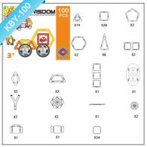 | $20.25 | $19.44 | $18.63 | $17.82 | $17.22 | 45*35.5*10 | 72.5*46.5*52 | 10 | 17 | 18
 | KBY-100 |  | $23.78 | $22.83 | $21.88 | $20.92 | $20.21 | 47.5*38.5*8.4 | 79*49*53.5 | 12 | 26.4 | 27.4
 | KBY-120 | 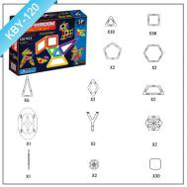 | $25.76 | $24.73 | $23.70 | $22.67 | $21.90 | 48.5*36*6.5 | 73.5*50*42.5 | 12 | 26.4 | 27.4
 | KBY-150 | 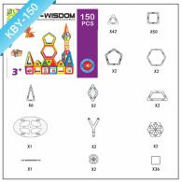 | $31.41 | $30.16 | $28.90 | $27.64 | $26.70 | 48*36.7*9.5 | 75*50*49.5 | 10 | 25 | 26
 | KBY-168 |  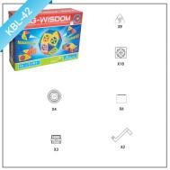 | $42.83 | $41.11 | $39.40 | $37.69 | $36.40 | 63*45*13 | 66*48*55.5 | 4 | 14.8 | 15.8
 | KBL-42 |  | $9.57 | $9.19 | $8.81 | $8.42 | $8.14 | 38*26*10 | 77.5*54*43 | 16 | 16.6 | 17.6
 | KBL-64 | 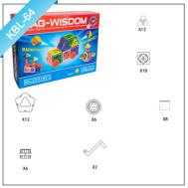 | $15.25 | $14.64 | $14.03 | $13.42 | $12.97 | 44*31*10 | 64.5*45.5*52.5 | 10 | 15.6 | 16.6

Magna blocks accessories
TONGXIANG KEBO TOYS CO. LTD
PRICE LIST
This quotation is based on FOB Shanghai Port , it is available for one month We also accept OEM and ODM , like packaging ,shape redesign ,please contact me for further quotation at txkebo@outlook.com I am also working as Toys designer , please contact me on whatsapp: 008618957337759

Serias | Item No. | Picture | mixed purchase of USD1000.00-USD4999.00 | mixed purchase of USD5000.00-USD9999.00 | mixed purchase of USD10000.00-USD29999.00 | mixed purchase of USD30000.00-USD49999.00 | mixed purchase of USD50000.00
Magna blocks | New Triangle | 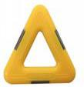 | $0.211 | $0.203 | $0.194 | $0.186 | $0.179
 | New Sqaure | 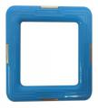 | $0.273 | $0.262 | $0.251 | $0.240 | $0.232
 | New Pentagon | 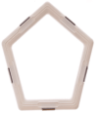 | $0.354 | $0.340 | $0.326 | $0.311 | $0.301
 | New Hexagon | 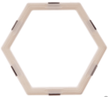 | $0.410 | $0.393 | $0.377 | $0.360 | $0.348
 | New Isoseles Triangle |  | $0.351 | $0.337 | $0.323 | $0.309 | $0.298
 | New Rectangle |  | $0.422 | $0.405 | $0.388 | $0.372 | $0.359
 | New rhombus |  | $0.279 | $0.268 | $0.257 | $0.246 | $0.237
 | New Trapezoid |  | $0.371 | $0.357 | $0.342 | $0.327 | $0.316
 | Triangle |  | $0.211 | $0.203 | $0.194 | $0.186 | $0.179
 | sqaure |  | $0.273 | $0.262 | $0.251 | $0.240 | $0.232
 | Pentagon |  | $0.354 | $0.340 | $0.326 | $0.311 | $0.301
 | Hexagon |  | $0.410 | $0.393 | $0.377 | $0.360 | $0.348
 | Isoseles Triangle |  | $0.351 | $0.337 | $0.323 | $0.309 | $0.298
 | Double square |  | $0.422 | $0.405 | $0.388 | $0.372 | $0.359
 | Half circle |  | $0.137 | $0.131 | $0.126 | $0.120 | $0.116
 | right triangle |  | $0.252 | $0.242 | $0.232 | $0.222 | $0.215
 | rhombus |  | $0.279 | $0.268 | $0.257 | $0.246 | $0.237
 | Trapezoid | 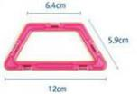 | $0.371 | $0.357 | $0.342 | $0.327 | $0.316
 | Right trapezoid |  | $0.402 | $0.386 | $0.369 | $0.353 | $0.341
 | Large parallel quadrilateral |  | $0.459 | $0.440 | $0.422 | $0.404 | $0.390
 | big right triangle |  | $0.449 | $0.431 | $0.413 | $0.395 | $0.382
 | small rectangle | 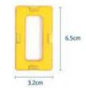 | $0.289 | $0.277 | $0.266 | $0.254 | $0.246
 | Small Sector | 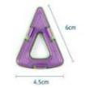 | $0.219 | $0.210 | $0.202 | $0.193 | $0.186
 | big Sector | 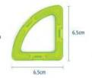 | $0.233 | $0.224 | $0.215 | $0.205 | $0.198
 | Arc |  | $0.349 | $0.335 | $0.321 | $0.307 | $0.297
 | 1/4cone |  | $0.371 | $0.357 | $0.342 | $0.327 | $0.316
 | Arch | 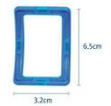 | $0.325 | $0.312 | $0.299 | $0.286 | $0.277
 | Big Arch |  | $0.440 | $0.422 | $0.405 | $0.387 | $0.374
 | Triple Squares |  | $0.562 | $0.539 | $0.517 | $0.494 | $0.478
 | Fourfold triangle |  | $0.437 | $0.419 | $0.402 | $0.384 | $0.371
 | Fourfold Squares | 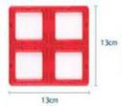 | $0.584 | $0.561 | $0.537 | $0.514 | $0.497
 | Long right triangle |  | $0.346 | $0.332 | $0.318 | $0.305 | $0.294
 | 1/4arch |  | $0.394 | $0.378 | $0.362 | $0.346 | $0.335
 | 1/8Ball |  | $0.529 | $0.507 | $0.486 | $0.465 | $0.449
 | 1/2cylinder |  | $0.511 | $0.491 | $0.470 | $0.450 | $0.434
 | 1/8 Ring |  | $0.508 | $0.488 | $0.467 | $0.447 | $0.432
 | circle |  | $0.273 | $0.262 | $0.251 | $0.240 | $0.232
 | 1/2 circle |  | $0.211 | $0.203 | $0.194 | $0.186 | $0.179
 | Boxed RC wheel |  | $5.841 | $5.608 | $5.374 | $5.140 | $4.965
 | shrink pack RC Wheel |  | $5.333 | $5.120 | $4.907 | $4.693 | $4.533
 | Boxed Wheel |  | $1.375 | $1.320 | $1.265 | $1.210 | $1.168
 | shrink pack wheel |  | $1.370 | $1.315 | $1.260 | $1.205 | $1.164
 | Front wheel |  | $0.683 | $0.655 | $0.628 | $0.601 | $0.580
 | back wheel |  | $0.637 | $0.611 | $0.586 | $0.560 | $0.541
 | Ferris wheel |  | $0.965 | $0.926 | $0.888 | $0.849 | $0.820
 | castle blocks |  | $0.051 | $0.049 | $0.047 | $0.045 | $0.043
 | one side Printed clickin |  | $0.038 | $0.037 | $0.035 | $0.034 | $0.032
 | Blank clickin + 2stickers |  | $0.038 | $0.037 | $0.035 | $0.034 | $0.032
 | Blank clickin + 1stickers |  | $0.025 | $0.024 | $0.023 | $0.022 | $0.022
 | Small Gun |  | $0.238 | $0.229 | $0.219 | $0.210 | $0.202
 | big Gun | 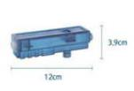 | $0.406 | $0.390 | $0.374 | $0.358 | $0.345
 | Crane | 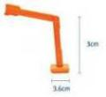 | $0.532 | $0.510 | $0.489 | $0.468 | $0.452
 | Radar |  | $0.163 | $0.157 | $0.150 | $0.144 | $0.139
 | Rope pulley | 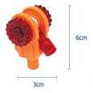 | $0.321 | $0.308 | $0.295 | $0.282 | $0.273
 | Propeller |  | $0.371 | $0.357 | $0.342 | $0.327 | $0.316
 | cup dolly | 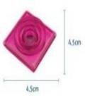 | $0.105 | $0.101 | $0.096 | $0.092 | $0.089
 | Four corner base |  | $0.071 | $0.069 | $0.066 | $0.063 | $0.061
 | window | 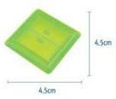 | $0.063 | $0.061 | $0.058 | $0.056 | $0.054
 | Accessories |  | $0.298 | $0.286 | $0.275 | $0.263 | $0.254
 | Accessories |  | $0.205 | $0.197 | $0.188 | $0.180 | $0.174
 | Accessories |  | $0.198 | $0.190 | $0.183 | $0.175 | $0.169
 | Accessories |  | $0.110 | $0.105 | $0.101 | $0.096 | $0.093
 | Accessories |  | $0.114 | $0.110 | $0.105 | $0.101 | $0.097
 | 新三角内置塑料片 |  | $0.038 | $0.037 | $0.035 | $0.034 | $0.032
 | 新四角内置塑料片 |  | $0.057 | $0.055 | $0.053 | $0.050 | $0.049
 | 新长三角内置塑料片 |  | $0.076 | $0.073 | $0.070 | $0.067 | $0.065
 | 小菱形内置塑料片 |  | $0.052 | $0.050 | $0.048 | $0.046 | $0.045
 | 橡胶轮胎 |  | $0.194 | $0.186 | $0.178 | $0.170 | $0.165
 | 履带轮胎轮毂 |  | $0.125 | $0.120 | $0.115 | $0.110 | $0.107
 | 磁力片 大画册(红） |  | $0.635 | $0.610 | $0.584 | $0.559 | $0.540
 | KBR小三角形 |  | $0.349 | $0.335 | $0.321 | $0.307 | $0.297
 | KBR小正方形 |  | $0.444 | $0.427 | $0.409 | $0.391 | $0.378
 | KBR轮胎卡板 |  | $0.463 | $0.445 | $0.426 | $0.408 | $0.394
 | KBR轮胎 |  | $0.371 | $0.357 | $0.342 | $0.327 | $0.316
 | KBR大三角形 |  | $0.635 | $0.610 | $0.584 | $0.559 | $0.540
 | KBR大正方形 |  | $0.840 | $0.806 | $0.773 | $0.739 | $0.714

Tiles Access
TONGXIANG KEBO TOYS CO. LTD
PRICE LIST
Add: No. 519 Jingwei Street, Chongfu Town, Tongxiang City, Zhejiang Province, China Postal code:314511This quotation is based on FOB Shanghai Port , it is available for one month We also accept OEM and ODM , like packaging ,shape redesign ,please contact me for further quotation at txkebo@outlook.com I am also working as Toys designer , please contact me on whatsapp: 008618957337759

Serias | Item No. | Picture | mixed purchase of USD1000.00-USD4999.00 | mixed purchase of USD5000.00-USD9999.00 | mixed purchase of USD10000.00-USD29999.00 | mixed purchase of USD30000.00-USD49999.00 | mixed purchase of USD50000.00 | Magnetic Size | Rivet
Stronger magnetic tiles | 铆钉单面等边三角形 （大磁钢） |  | $0.190 | $0.183 | $0.175 | $0.168 | $0.162 | 22*5*4mm | Yes
 | 铆钉单面直角三角形 （大磁钢） |  | $0.190 | $0.183 | $0.175 | $0.168 | $0.162 | 22*5*4mm | Yes
 | 铆钉单面等腰三角形 （大磁钢） |  | $0.324 | $0.311 | $0.298 | $0.285 | $0.275 | 22*5*4mm | Yes
 | 铆钉单面小正方形 （大磁钢） | 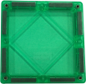 | $0.267 | $0.256 | $0.245 | $0.235 | $0.227 | 22*5*4mm | Yes
 | 铆钉单面大正方形 （大磁钢） | 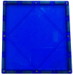 | $0.914 | $0.878 | $0.841 | $0.805 | $0.777 | 22*5*4mm | Yes
 | 铆钉单面1/2小正方形 （大磁钢） |  | $0.229 | $0.219 | $0.210 | $0.201 | $0.194 | 22*5*4mm | Yes
 | 铆钉单面等腰梯形 （大磁钢） |  | $0.381 | $0.366 | $0.350 | $0.335 | $0.324 | 22*5*4mm | Yes
 | 铆钉单面创意小正方形 （大磁钢） |  | $0.267 | $0.256 | $0.245 | $0.235 | $0.227 | 22*5*4mm | Yes
 | 铆钉单面台阶形 （大磁钢） | 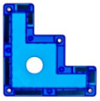 | $0.229 | $0.219 | $0.210 | $0.201 | $0.194 | 22*5*4mm | Yes
 | 铆钉单面3/4小正方形 （大磁钢） | 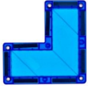 | $0.229 | $0.219 | $0.210 | $0.201 | $0.194 | 22*5*4mm | Yes
 | 铆钉单面围栏 （大磁钢） | 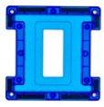 | $0.229 | $0.219 | $0.210 | $0.201 | $0.194 | 22*5*4mm | Yes
 | 铆钉单面火焰形 （大磁钢） |  | $0.229 | $0.219 | $0.210 | $0.201 | $0.194 | 22*5*4mm | Yes
 | 铆钉单面菱形 （大磁钢） |  | $0.229 | $0.219 | $0.210 | $0.201 | $0.194 | 22*5*4mm | Yes
 | 铆钉单面皇冠形 （大磁钢） |  | $0.229 | $0.219 | $0.210 | $0.201 | $0.194 | 22*5*4mm | Yes
 | 铆钉单面凹字形 （大磁钢） |  | $0.229 | $0.219 | $0.210 | $0.201 | $0.194 | 22*5*4mm | Yes
 | 铆钉单面凸字形 （大磁钢） |  | $0.229 | $0.219 | $0.210 | $0.201 | $0.194 | 22*5*4mm | Yes
Magnetic tiles | 等边三角形 |  | $0.175 | $0.168 | $0.161 | $0.154 | $0.148 | 20*5*3mm | NO
 | 直角三角形 |  | $0.184 | $0.177 | $0.169 | $0.162 | $0.157 | 20*5*3mm | NO
 | 等腰三角形 |  | $0.308 | $0.296 | $0.283 | $0.271 | $0.262 | 20*5*3mm | NO
 | 小正方形 |  | $0.252 | $0.242 | $0.232 | $0.222 | $0.215 | 20*5*3mm | NO
 | 大正方形 |  | $0.822 | $0.789 | $0.756 | $0.724 | $0.699 | 20*5*3mm | NO
 | 车 |  | $1.052 | $1.010 | $0.968 | $0.926 | $0.895 | 20*5*3mm | NO
 | 田字窗户 |  | $0.249 | $0.239 | $0.229 | $0.219 | $0.212 | 20*5*3mm | NO
 | 日字窗户 |  | $0.254 | $0.244 | $0.234 | $0.223 | $0.216 | 20*5*3mm | NO
 | 口字窗户 |  | $0.246 | $0.236 | $0.226 | $0.217 | $0.209 | 20*5*3mm | NO
 | 1/2小正方形 |  | $0.211 | $0.203 | $0.194 | $0.186 | $0.179 | 20*5*3mm | NO
 | 拱门窗户 |  | $0.246 | $0.236 | $0.226 | $0.217 | $0.209 | 20*5*3mm | NO
 | 3/4小正方形 |  | $0.256 | $0.245 | $0.235 | $0.225 | $0.217 | 20*5*3mm | NO
 | 城墙 |  | $0.205 | $0.197 | $0.188 | $0.180 | $0.174 | 20*5*3mm | NO
 | 围栏 |  | $0.260 | $0.250 | $0.239 | $0.229 | $0.221 | 20*5*3mm | NO
 | 1/4圆锥 |  | $0.444 | $0.427 | $0.409 | $0.391 | $0.378 | 20*5*3mm | NO
 | 1/4圆柱 |  | $0.794 | $0.762 | $0.730 | $0.698 | $0.675 | 20*5*3mm | NO
Tiles With Rivet | 铆钉等边三角形 |  | $0.189 | $0.181 | $0.174 | $0.166 | $0.161 | 20*5*3mm | Yes
 | 铆钉直角三角形 |  | $0.198 | $0.190 | $0.183 | $0.175 | $0.169 | 20*5*3mm | Yes
 | 铆钉等腰三角形 |  | $0.322 | $0.309 | $0.296 | $0.284 | $0.274 | 20*5*3mm | Yes
 | 铆钉小正方形 |  | $0.271 | $0.261 | $0.250 | $0.239 | $0.231 | 20*5*3mm | Yes
 | 铆钉大正方形 |  | $0.860 | $0.826 | $0.791 | $0.757 | $0.731 | 20*5*3mm | Yes
 | 铆钉田字窗户 |  | $0.268 | $0.258 | $0.247 | $0.236 | $0.228 | 20*5*3mm | Yes
 | 铆钉日字窗户 |  | $0.273 | $0.262 | $0.251 | $0.240 | $0.232 | 20*5*3mm | Yes
 | 铆钉口字窗户 |  | $0.265 | $0.254 | $0.244 | $0.233 | $0.225 | 20*5*3mm | Yes
 | 铆钉拱门窗户 |  | $0.265 | $0.254 | $0.244 | $0.233 | $0.225 | 20*5*3mm | Yes
 | 铆钉城墙 |  | $0.224 | $0.215 | $0.206 | $0.197 | $0.190 | 20*5*3mm | Yes
 | 铆钉围栏 |  | $0.279 | $0.268 | $0.257 | $0.246 | $0.237 | 20*5*3mm | Yes
 | 铆钉3/4小正方形 |  | $0.279 | $0.268 | $0.257 | $0.246 | $0.237 | 20*5*3mm | Yes
 | 铆钉1/2小正方形 |  | $0.230 | $0.221 | $0.212 | $0.203 | $0.196 | 20*5*3mm | Yes
 | 铆钉12倍长方形 |  | $3.998 | $3.838 | $3.679 | $3.519 | $3.399 | 20*5*3mm | Yes
 | 铆钉16倍正方形 |  | $4.819 | $4.626 | $4.434 | $4.241 | $4.096 | 20*5*3mm | Yes
 | Castle Clickins |  | $0.052 | $0.050 | $0.048 | $0.046 | $0.045
 | Blank clickins + 2 stickers |  | $0.052 | $0.050 | $0.048 | $0.046 | $0.045
 | Magnetic figures |  | $0.381 | $0.366 | $0.350 | $0.335 | $0.324
 | Booklet 12 pages |  | $0.206 | $0.198 | $0.190 | $0.182 | $0.175
 | New Triangle |  | $0.175 | $0.168 | $0.161 | $0.154 | $0.148
 | New Square |  | $0.222 | $0.213 | $0.204 | $0.196 | $0.189

