Sheet1
 | Product Name | Color | One set includes | Size | Material | Picture
1 | B05 Thin Portuguese Cutlery Set | Silver/gold/rose gold/rainbow/black/blue Black&gold/white&gold/red&gold/pink&gold/blue&gold/dark green&gold Black&silver/white&silver/red&silver/pink&silver/blue&silver/dark green&silver | 24pcs： Knife*6，fork*6，spoon*6，tea spoon*6 | As shown | Stainless steel 410 Mirror material | 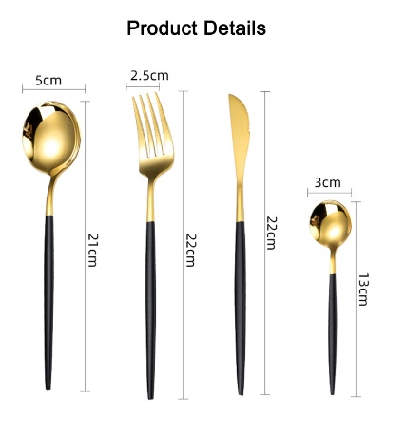 | 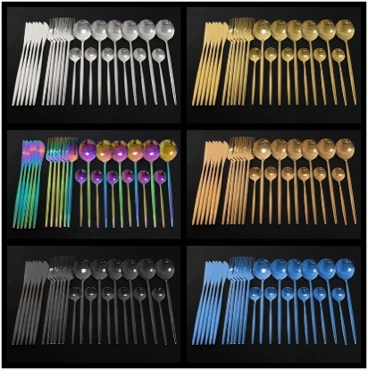 |  | 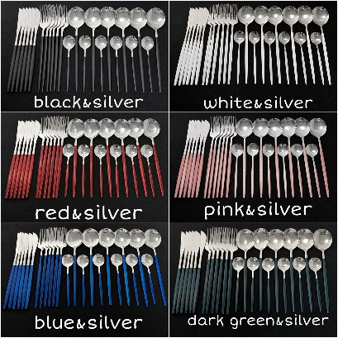 |  |  | 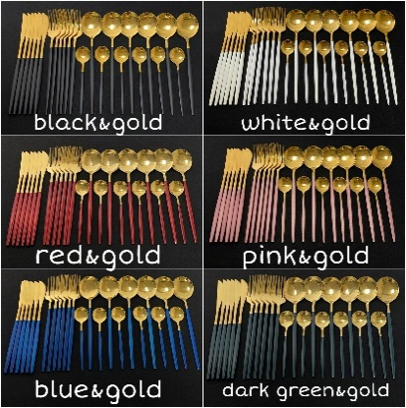
2 | 6pcs cutlery set | Silver/gold/rose gold/rainbow/black/Black&gold/white&gold/Black&silver/white&silver… (If you want one color,which I didn't write, also can ask me.) | 6pcs： Knife*1，fork*1，spoon*1，medium fork*1,medium spoon*1，small spoon*1 | As shown | Stainless steel 410 Mirror material | 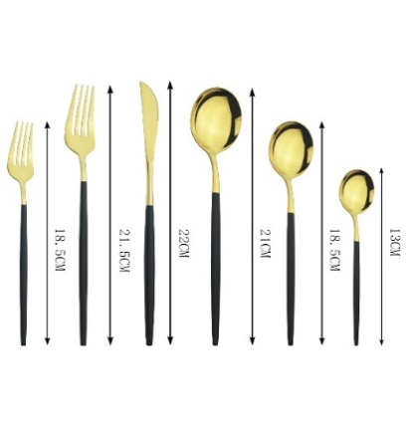 | 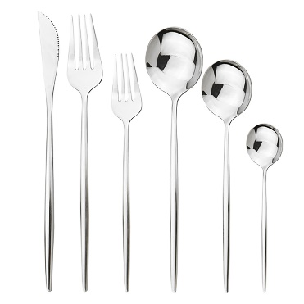 |  | 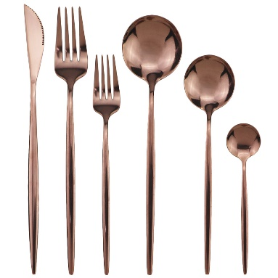 |  | 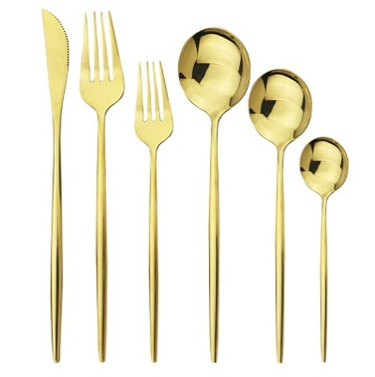 |  |  | 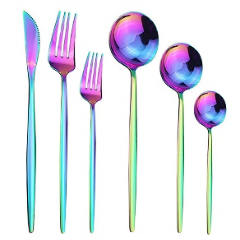 |  |  | 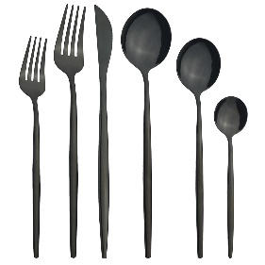 |  |  | 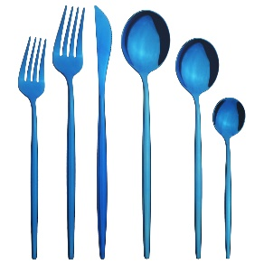
3 | 1010 cutlery set | Silver/gold/rose gold/rainbow/black/ Black&gold/white&gold/red&gold/pink&gold/blue&gold/dark green&gold Black&silver/white&silver/red&silver/pink&silver/blue&silver/dark green&silver (If you need any color, please contact me in advance, I need to check if it is in stock.If you want one color,which I didn't write, also can ask me.) | 24pcs： Knife*6，fork*6，spoon*6，tea spoon*6 | As shown | Stainless steel 410 Mirror material | 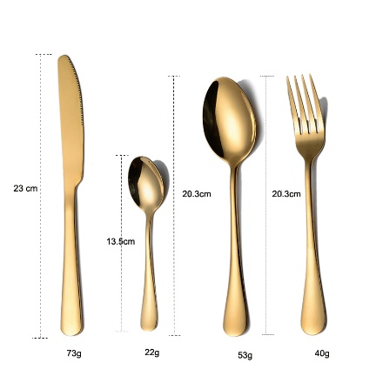 | 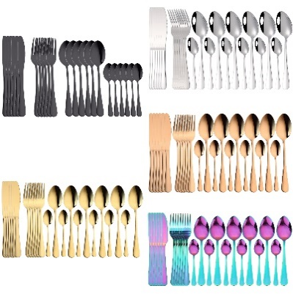 |  | 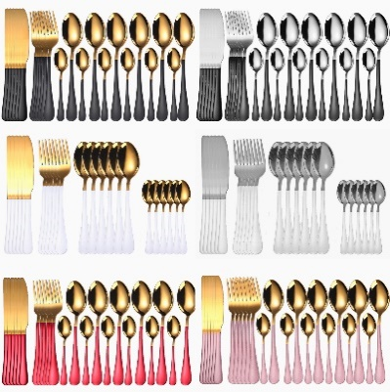
4 | B06 Knight Cutlery Set | Silver/gold/rose gold/rainbow/black/blue Black&gold/white&gold/purple&gold/pink&gold Black&silver/white&silver/purple&silver/pink&silver (If you need any color, please contact me in advance, I need to check if it is in stock.If you want one color,which I didn't write, also can ask me.) | 24pcs： Knife*6，fork*6，spoon*6，tea spoon*6 | As shown | Stainless steel 410 Mirror material |  | 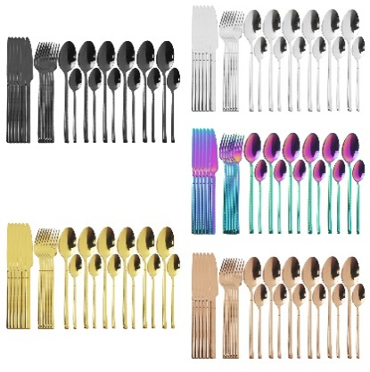 |  | 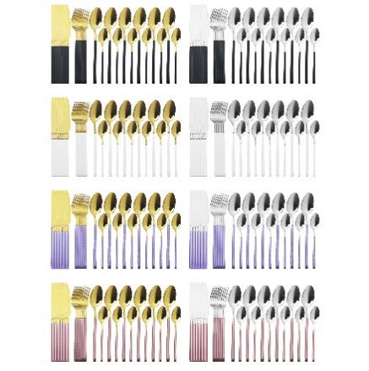 |  |  | 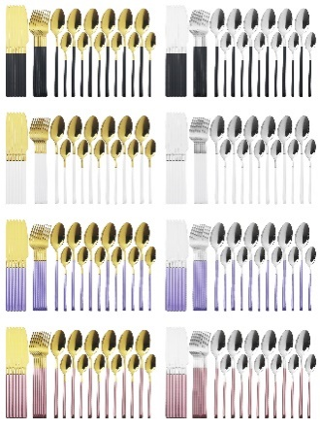
5 | Hanging cutlery set | Silver/gold/rose gold/rainbow/black/blue | 24pcs： Knife*6，fork*6，spoon*6，tea spoon*6 | As shown | Stainless steel 410 Mirror material | 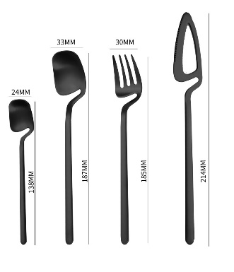 | 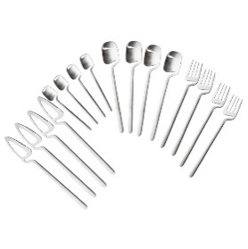 | 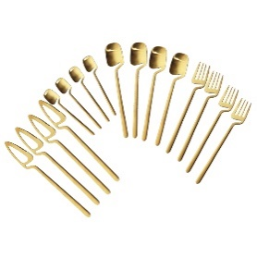 |  | 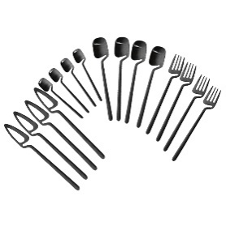 |  | 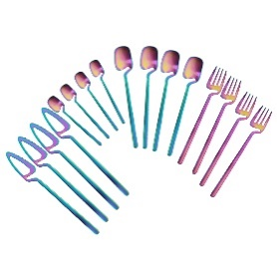 | 
6 | Small waist cutlery set | Silver/gold/rose gold/rainbow/black/blue | 24pcs： Knife*6，fork*6，spoon*6，tea spoon*6 | As shown | Stainless steel 304 Mirror material | 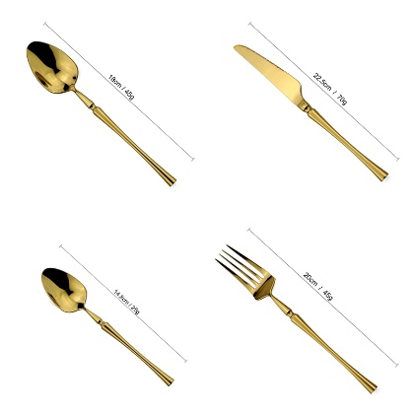 | 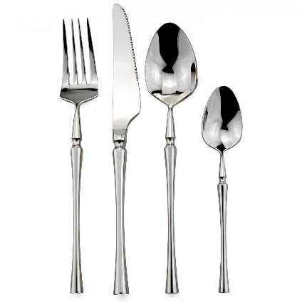 |  | 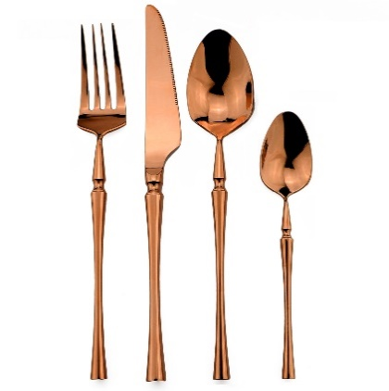 |  |  | 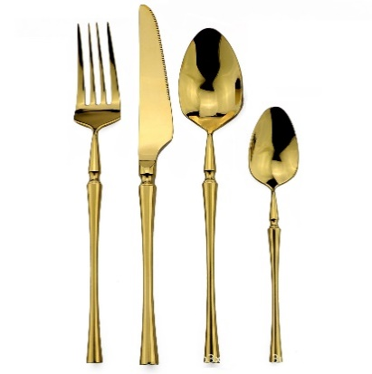 |  | 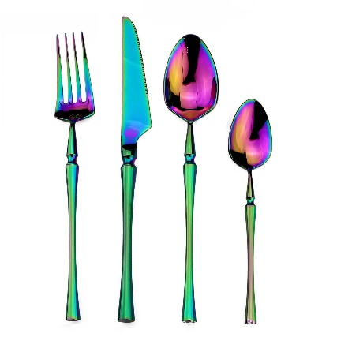 |  |  | 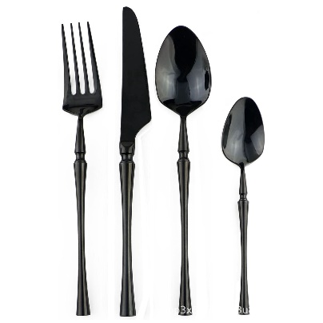
7 | Stainless steel imitation wooden handle cutlery set | Silver/gold | 4pcs： Knife*1，fork*1，spoon*1，tea spoon*1 | As shown | Stainless steel Mirror material |  | 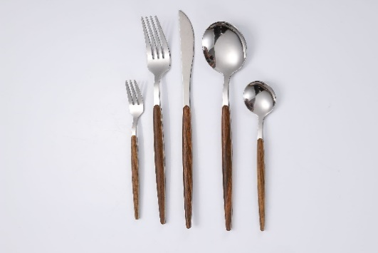 |  |  | 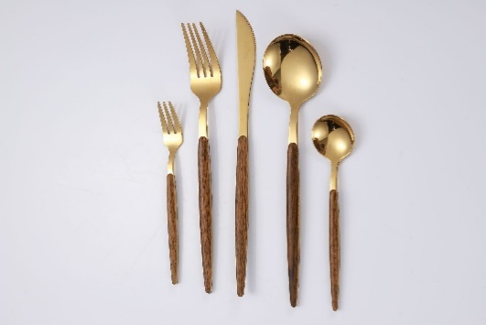
8 | Wheat portable tableware set | Silver/gold/pink&gold/Blue&gold/orange&gold | 4pcs： Knife*1，fork*1，spoon*1，Chopsticks*1, straws*1 | As shown | Stainless steel 410 Mirror material | 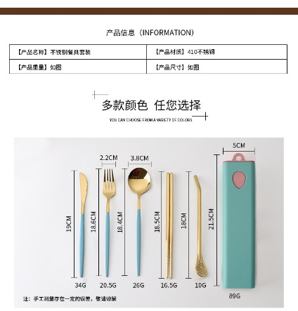 | 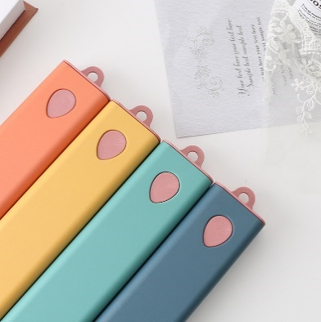 |  | 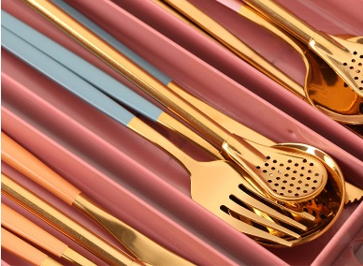 |  |  | 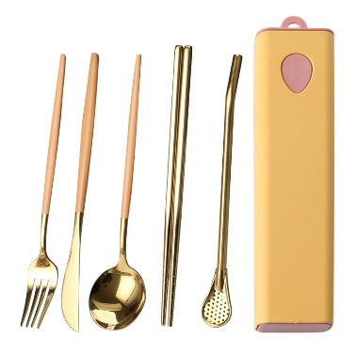 |  | 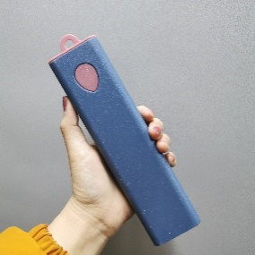 |  | 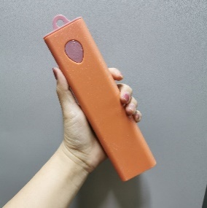 |  | 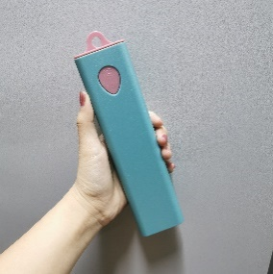 |  | 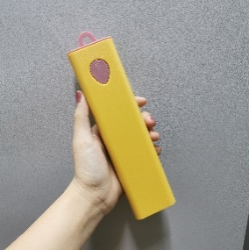
9 | Two-line cutlery set | Silver/gold/rose gold/rainbow/black | 5pcs： Knife*1，fork*1，spoon*1，tea spoon*1，small fork*1 | As shown | Stainless steel 410 Mirror material
10 | Thick Portuguese Cutlery Set | Silver/gold/rose gold/rainbow/black (If you want one color,which I didn't write, also can ask me.) | 4pcs： Knife*1，fork*1，spoon*1，tea spoon*1 | As shown | Stainless steel 304 Matte material
11 | Palace cutlery set | Silver/gold/rose gold/rainbow/black (If you want one color,which I didn't write, also can ask me.) | 4pcs： Knife*1，fork*1，spoon*1，tea spoon*1 | As shown | Stainless steel 304/410 Mirror material | 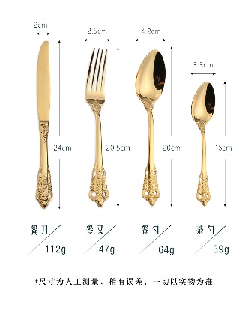 | 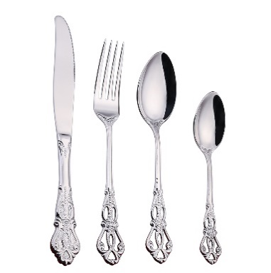 |  | 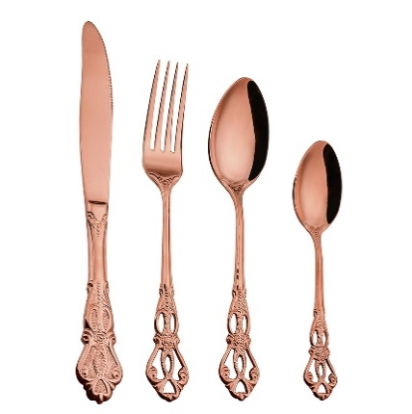 |  |  | 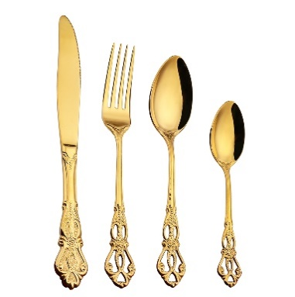 |  | 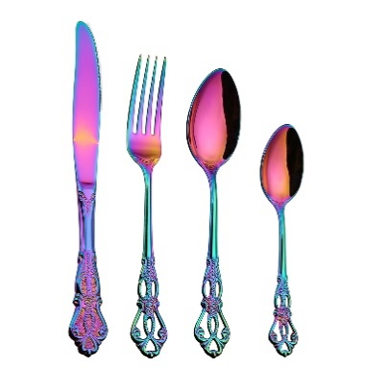 |  |  | 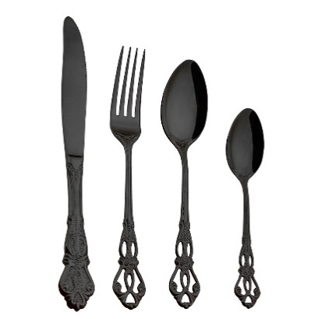
12 | Boxed portable cutlery set | pink/blue/green (If you want one color,which I didn't write, also can ask me.) | 4pcs： Knife*1，fork*1，spoon*1，tea spoon*1 | As shown | Stainless steel 304 Mirror material | 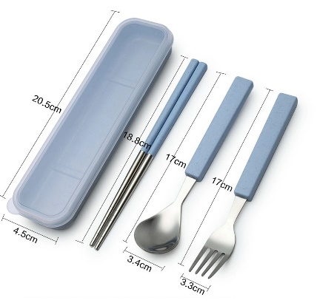
13 | 7-piece set of portable cutlery in wheat box | Silver/gold/rose gold/rainbow/black | 7pcs： 1*box, 1*knife, 1*fork, 1*spoon, 1*chopsticks, 1*straight straw, 1*bend straw, 1*brush | As shown | Stainless steel 410 Mirror material
14 | 7-piece set of portable cutlery in wheat box | Silver/gold/rose gold/rainbow/black | 7pcs： 1*bag, 1*knife, 1*fork, 1*spoon, 1*chopsticks, 1*straight straw, 1*bend straw, 1*brush | As shown | Stainless steel 410 Mirror material | 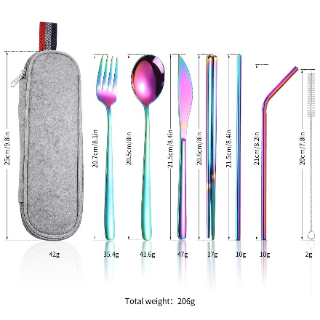 | 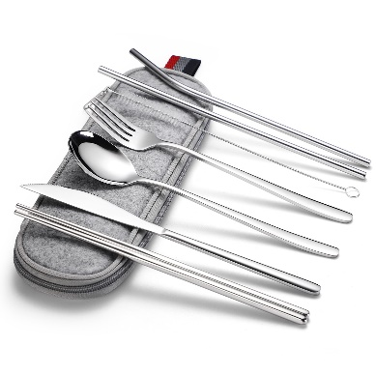 |  | 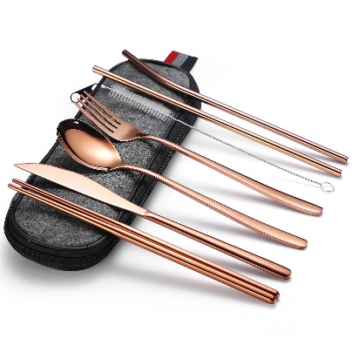 |  |  |  |  | 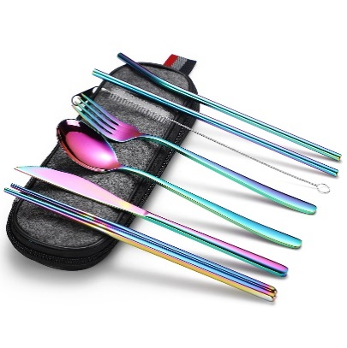 |  |  | 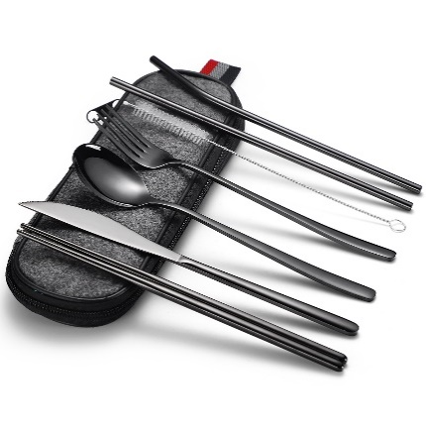
15 | coffee spoon | as shown | / | As shown | Stainless steel 410 Mirror material |   |  |  |  |  |  |   |  |  |  |  |  |  | 
16 | Roman column cutlery set | Silver/gold/rose gold/rainbow/black | 6pcs： as shown | As shown | Stainless steel 304 Mirror material |  |  |  |  |  |  |  |  |  |  |  |  |  |  |  | 
17 | wheat ears pattern cutlery set | Silver/gold/Partially gilded | 4pcs： as shown | As shown | Stainless steel Mirror material |  |  |  |  |  |  | 
18 | Stainless steel hammer point cup | Silver/gold/black | as shown | As shown | Stainless steel Mirror material |  |  |  |  |  |  |  |  |  |  |  |  |  |  | 
19 | Cube stainless steel quick frozen ice cube | Silver | 4pcs/6pcs/8pcs | As shown | Stainless steel 304 (Inside: a mixture of ethanol and purified water) |  |  |  |  |  |  |  |  |  |  |  | 
20 | Football-shaped quick-frozen ice cubes | Silver | 4pcs/6pcs/8pcs | As shown | Stainless steel 304 (Inside: a mixture of ethanol and purified water) |  |  |  |  |  |  |  |  |  |  |  | 
21 | Sumflower napkin ring | Silver/gold | MOQ：12pcs | As shown | Stainless steel |  |  |  |  |  |  |  |  | 
22 | Instant noodle bowl | red/blue/green | / | As shown | / |  |  |  |  |  |  |  |  | 
23 | Wheat straw detachable tableware set | Orange, yellow, blue, green, beige, pink, light green, light blue | 1*color box,1*diner knife,1*dinner fork,1*dinner spoon,1*chopsticks | As shown | Wheat straw |  |  |  |  |  |  | 
24 | Stainless steel straw set | Silver/gold/rose gold/rainbow/black | 1*bag, 4*straight straw, 4*bend straw, 2*brush | As shown | Stainless steel |  |  |  |  |  |  |  |  |  |  |  | 
25 | Stainless steel straw set (love shape) | Silver/gold/rose gold/rainbow/black | 1*bag, 4*straight straw, 4*bend straw, 2*brush | As shown | Stainless steel |  |  |  |  |  |  |  |  | 
26 | Stainless steel 304 Long handle spoon | Silver/gold/rose gold/rainbow/black | 1pc | Length of handle: 24 cm, handle: 21 cm, spoon width: 3 cm | Stainless steel 304
27 | Square head mixing spoon | Silver/gold/rose gold/black | 1pc | 17.6*1.5cm | Stainless steel 304
28 | ss304 Korean coffee spoon | Silver/gold/rose gold/black | 1pc | 20.2*3.2cm | Stainless steel 304 |  |  |  | 
29 | 24pcs tableware + shelf | Silver/gold/rose gold/rainbow/black/blue Black&gold/white&gold/red&gold/pink&gold/blue&gold/dark green&gold Black&silver/white&silver/red&silver/pink&silver/blue&silver/dark green&silver | 1 box + 6 * knife, fork, spoon, tea spoon + 1 shelf | As shown | Stainless steel 410 |  |  |  |  |  |  |  |  |  |  |  | 
30 | Placemat | GOLD/SILVER | 1PC | As shown | PVC |  |  |  |  |  |  |  |  |  |  |  |  |  |  |  |  | 
31 | Placemat | GOLD/SILVER | 1PC | As shown | PVC |  |  |  |  |  |  |  |  |  |  |  |  |  |  | 
32
33
34
35
36
37
38
39
40
41
42
43
44
45
46
47
48

