Sheet1
Shenzhen iWord Technology Co., Ltd.
Tel: 0086-755-29666486 Fax:+86-755-29666452 Moblie&WhatsApp&Wechat: +86 13823289470
Iris Lei E-mail: Irislei@sziword.com Skype:emmalei88 http://www.sziword.com
Add: 3F, Huiyida Science Park, The third industrial Zone Tangxiachong, Songgang Street, Bao'an District, Shenzhen, China
Catalogue of roll up piano&electronic drum
Roll Up Piano * Invention patent No. ZL200310101210.1 * Appearance patent No. ZL201430311505.0 Date: April 20th,2018
Code | Name | Model | Picture | Specification | Including | Packing Details
1 | 37 Keys Roll Up Piano for kids | S2037 | 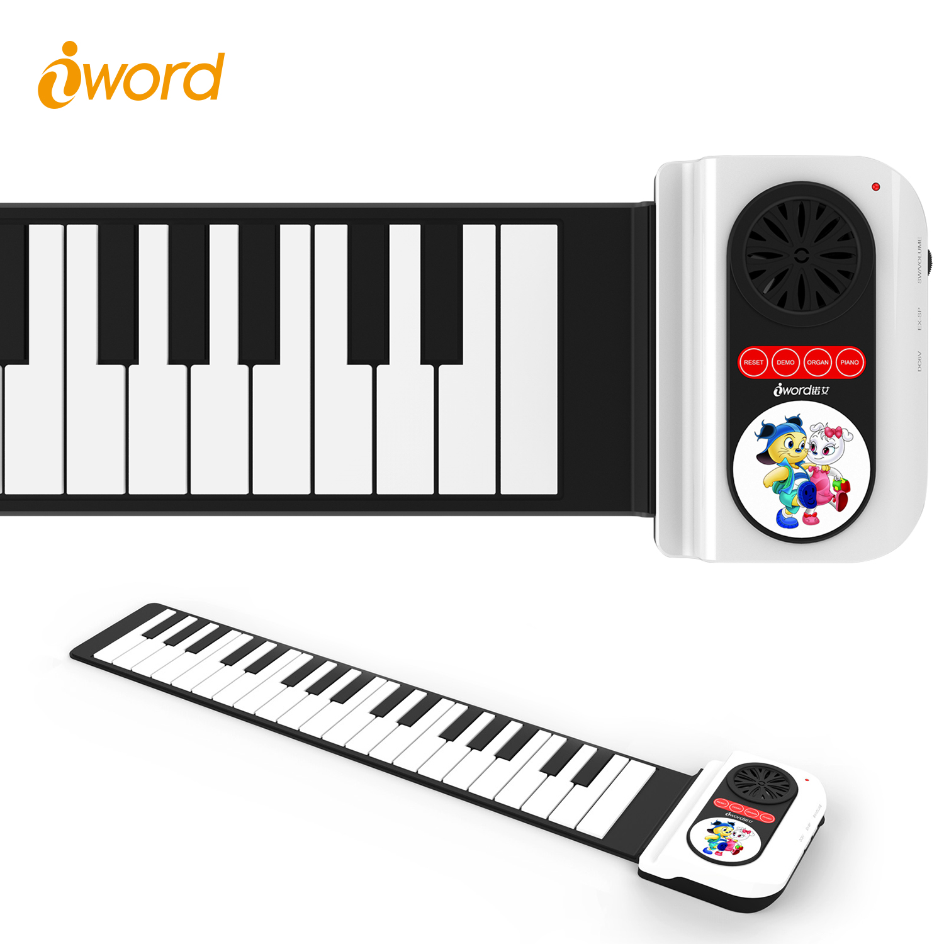 | * Material：harmless waterproof silicone * Color: pink,blue Or OEM color * 6 demo songs, 8 tones * 1K1N function * USB charging DC 6V * Without built-in battery * Can be supported by AA battery (4pcs) * With built-in speakers, can connect to external speakers too | 1*Roll Up Piano, 1*manual, 1*plastic bag, 1*pouch, 1*USB Charging Cable | * NW:480g;GW:680g * Silicone Keyboard: 560*120*9mm * Control Box:145*95*30mm * Gift Box Size:185*163*80mm * 20Pcs/Carton;14Kg/Carton * Carton Size:400*350*435mm

2 | 37 Keys rainbow color Roll Up Piano | S2037C | 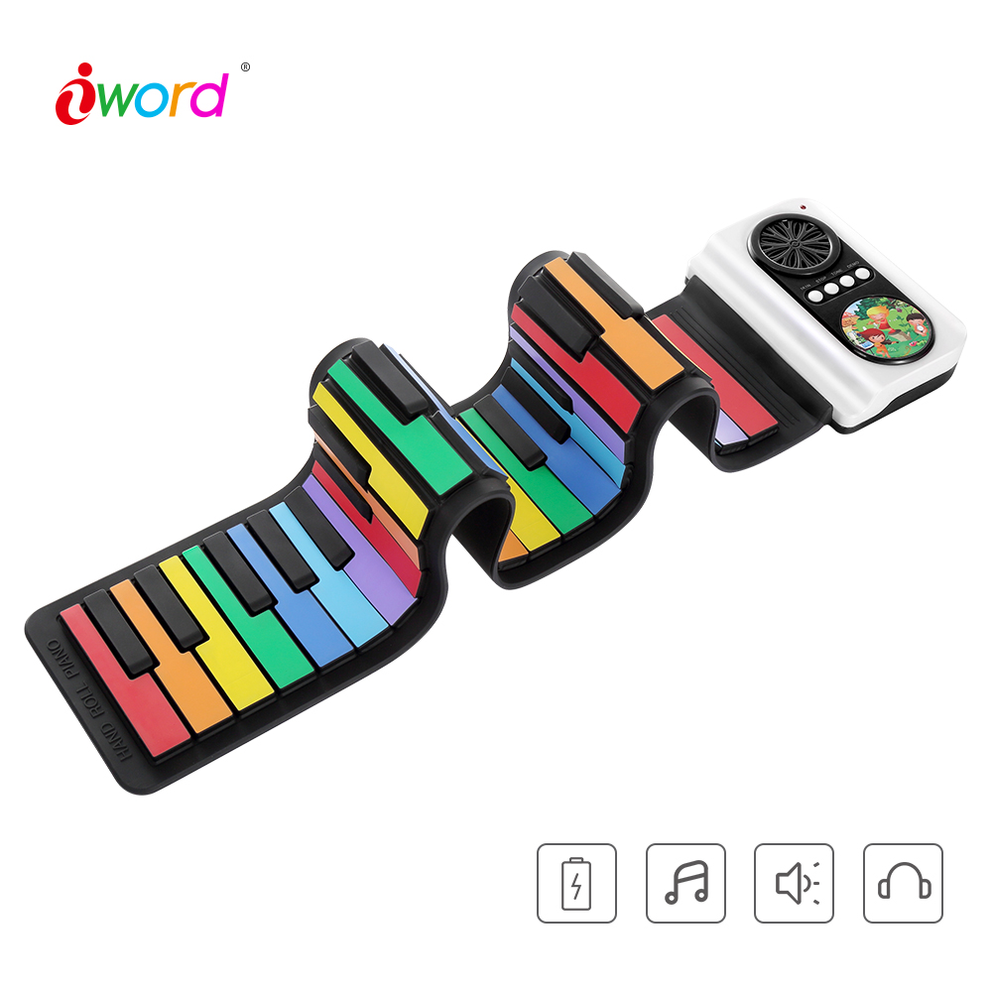 | * Material：harmless waterproof silicone * Color: pink,blue Or OEM color * 6 demo songs, 8 tones * 1K1N function * USB charging DC 6V * Without built-in battery * Can be supported by AA battery (4pcs) * With built-in speakers, can connect to external speakers too | 1* rainbow color Roll Up Piano, 1*manual, 1*plastic bag, 1*pouch, 1*USB Charging Cable | * NW:480g;GW:680g * Silicone Keyboard: 560*120*9mm * Control Box:145*95*30mm * Gift Box Size:185*163*80mm * 20Pcs/Carton;14Kg/Carton * Carton Size:400*350*435mm

3 | 49 Keys Bluetooth Roll Up Piano | N2049 | 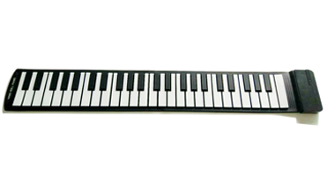 | * Material：harmless waterproof silicone * USB Charging, with battery * Without speakers * 3 exclusive Apps with 11 languages options * Bluetooth function for games and learning | 1*Roll Up Piano, 1*manual, 1*plastic bag, 1*pouch, 1*USB Charging Cable | * Nw:520g; GW:700g * Control Box: 126*48*18mm * Silicone Keyboard: 700*125*9mm * Gift Box Size: 180*160*75mm * 20Pcs/Carton;14Kg/Carton * Carton Size:400*350*435mm

4 | 61 Keys Roll Up Piano With Midi Plug | S2018 -61keys | 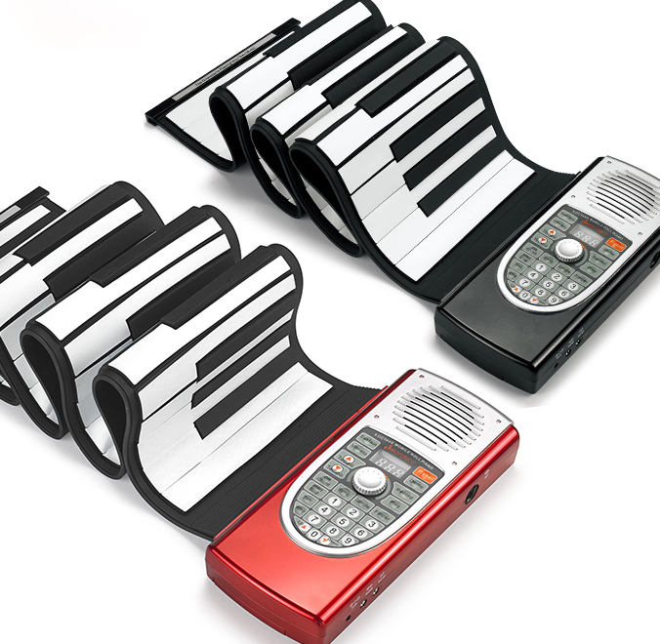 | * Material：harmless waterproof silicone * Color:Red, Black Or OEM color * USB charging DC 6V * Without built-in battery * Can be supported by AA battery (4pcs) * With built-in speakers, can connect to external speakers too * 30 demo songs, 128 tones, 128 rhythms * Recording function * MIDI function with MIDI Port * Chord: Singler finger, Fingered, Sync * Sound effect: vibrato, sustain pedal portamento | 1*Roll Up Piano, 1*manual, 1*plastic bag, 1*pouch, 1*USB Charging Cable | * NW:950g;GW:1520g * Silicone Keyboard: 910*170*9mm * Control Box:220*95*35mm * Gift Box Size: 280*230*90mm * 12Pcs/Carton;21Kg/Carton * Carton Size:585*482*315mm

5 | 61 Keys Roll Up Piano With Midi Plug | S2027 -61keys |  | * Material：harmless waterproof silicone * Color:gold Or OEM color * USB charging DC 6V * Without built-in battery * Can be supported by AA battery (4pcs) * With built-in speakers, can connect to external speakers too * 6 demo songs, 8 tones, 10 rhythms * Recording function | 1*Roll Up Piano, 1*manual, 1*plastic bag, 1*pouch, | * NW:950g;GW:1520g * Silicone Keyboard: 910*170*9mm * Control Box:220*95*35mm * Gift Box Size: 280*230*90mm * 12Pcs/Carton;21Kg/Carton * Carton Size:585*482*315mm

6 | 61 Keys Roll Up Piano With Dual Speakers( professional level) | S3061 |  | * Material：harmless waterproof silicone * Color:white, black or OEM color * USB charging DC 5V * Built-in Li 2000mAh batteries, working lasting for 24 hours * Built-in two speakers, can connect to headphone/external speakers too * 14 demo songs, 128 tones, 128 rhythms * Recording function * USB MIDI function * With pedal * Chord: Singler finger, Fingered, Sync * Sound effect: vibrato, sustain pedal portamento | 1*Roll Up Piano, 1*manual, 1*plastic bag, 1*pouch, 1*USB Charging Cable | * NW:1000g; GW:1800g; * Silicone Keyboard: 910*170*11mm; * Control Box: 200*160*30mm * Gift Box Size: 280*230*90mm * 12Pcs/Carton;23Kg/Carton * Carton Size:585*482*315mm

7 | 88 Keys Roll Up Piano With Dual Speakers( professional level) | S3088 | 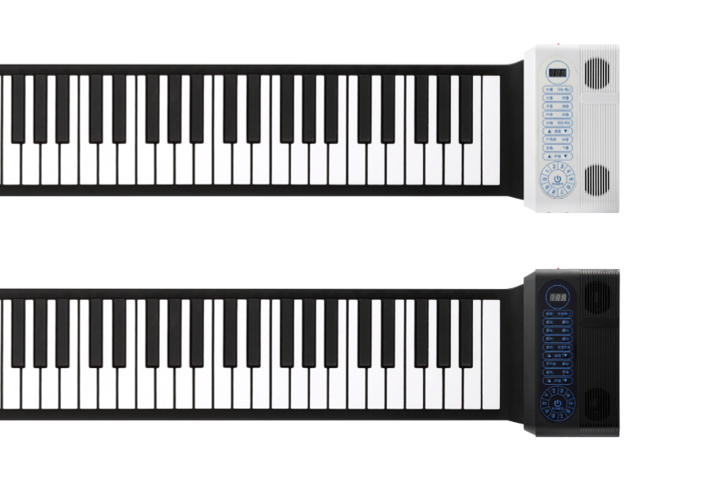 | * Material：harmless waterproof silicone * Color:white, black or OEM color * USB charging DC 5V * Built-in Li 2000mAh batteries, working lasting for 24 hours * Built-in two speakers, can connect to headphone/external speakers too * 14 demo songs, 128 tones, 128 rhythms * Recording function * USB MIDI function * With pedal * Chord: Singler finger, Fingered, Sync * Sound effect: vibrato, sustain pedal portamento | 1*Roll Up Piano, 1*manual, 1*plastic bag, 1*pouch, 1*USB Charging Cable | * NW:1320g; GW:1920g; * Silicone Keyboard: 1245*160*11mm; * Control Box: 200*160*30mm * Gift Box Size: 290*230*105mm * 10pcs/Carton;21kg/Carton * Carton Size:585*482*315mm

Electronic Drum * Appearance patent No.: ZL201430311477.2
Code | Name | Model | Picture | Specification | Including
1 | Hand Roll Drum Built-in Speakers | G3001 | 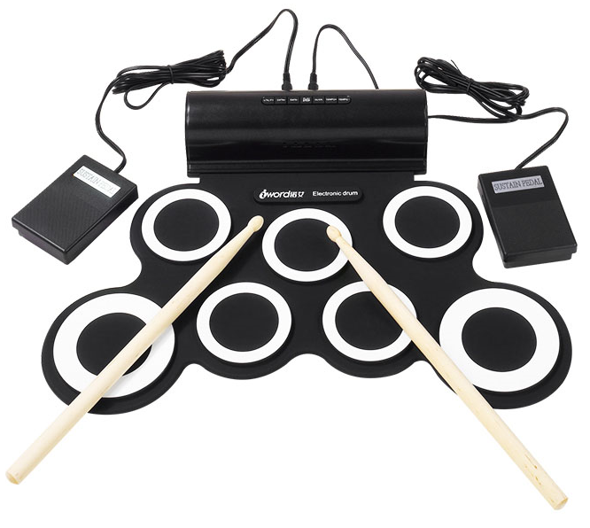 | * Material：harmless waterproof silicone * Color:White,Green Or OEM color * USB charging DC5V, without battery * With built-in 2speakers, can connect to external speakers * With pedal, with sticks * SNARE/HI-HAT position can be exchanged * 8 demo songs, 5 tones, 3 metronome rhythm * USB Output | 1*Hand Roll Drum, 1*Specification, 1*Plastic bag, 1*Pedal, 2*Drum Sticks, 1*USB Charging Cable | * NW:700g;GW:1300g * Dimension:430*310*60mm * Gift Box Size: 465*190*90mm * 10Pcs/Carton;15.5kg/Carton * Carton Size:470*480*410mm

2 | Hand Roll Drum Built-in Speakers &2000mah battery | G3001L -- The same appearance with G3001 | 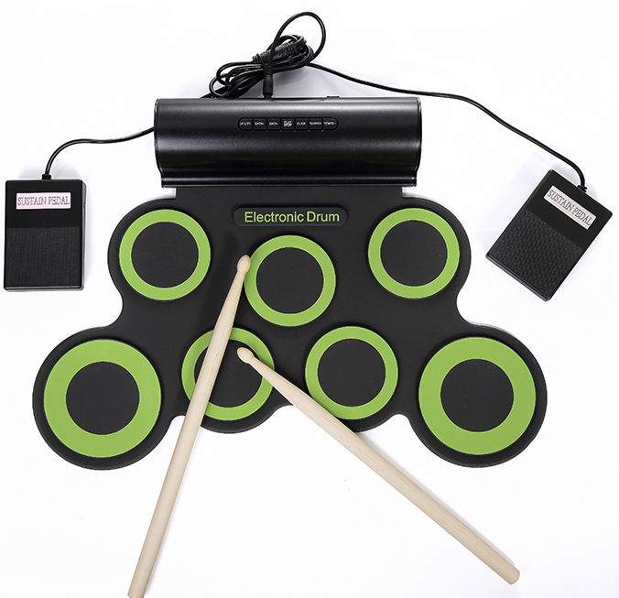 | * Material：harmless waterproof silicone * Color:White,Green Or OEM color * USB charging DC5V * With built-in Li battery * With built-in 2speakers, can connect to external speakers too * With pedal, with sticks * SNARE/HI-HAT position can be exchanged * 8 demo songs, 5 tones, 3 metronome rhythm | 1*Hand Roll Drum, 1*Specification, 1*Plastic bag, 1*Pedal, 2*Drum Sticks, 1*Audio cable 1*USB Charging Cable | * NW:700g;GW:1300g * Dimension:430*310*60mm * Gift Box Size: 465*190*90mm * 10Pcs/Carton;15.5kg/Carton * Carton Size:470*480*410mm

3 | Hand Roll Drum Built-in Speakers &Bluetooth Function | G3001B -- The same appearance with G3001 | 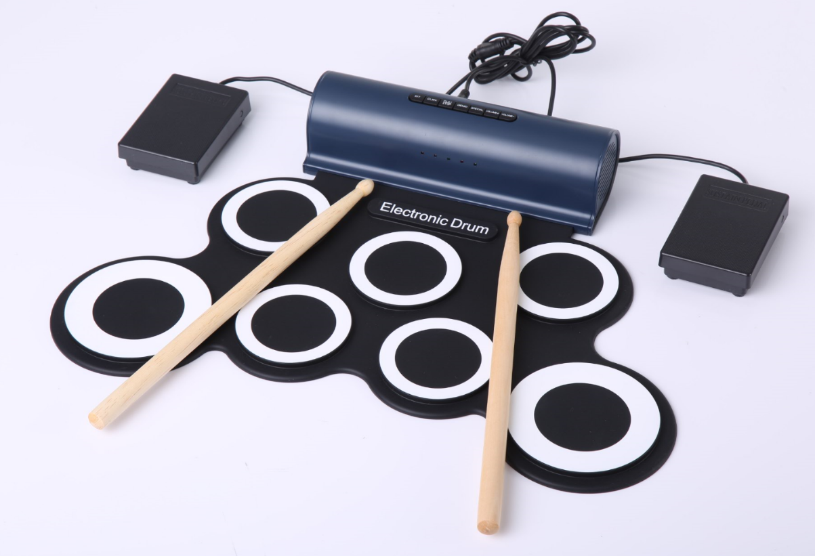 | * Material：harmless waterproof silicone * Color:White,Green Or OEM color * USB charging DC5V * With built-in 2speakers, can connect to external speakers too * With pedal, with sticks * SNARE/HI-HAT position can be exchanged * 8 demo songs, 5 tones, 3 metronome rhythm * Bluetooth Function, play game and learn via app | 1*Hand Roll Drum, 1*Specification, 1*Plastic bag, 1*Pedal, 2*Drum Sticks, 1*Audio cable 1*USB Charging Cable | * NW:700g;GW:1300g * Dimension:430*310*60mm * Gift Box Size: 465*190*90mm * 10Pcs/Carton;15.5kg/Carton * Carton Size:470*480*410mm

4 | 9 pads Hand Roll Drum (without speaker) | G4002 | 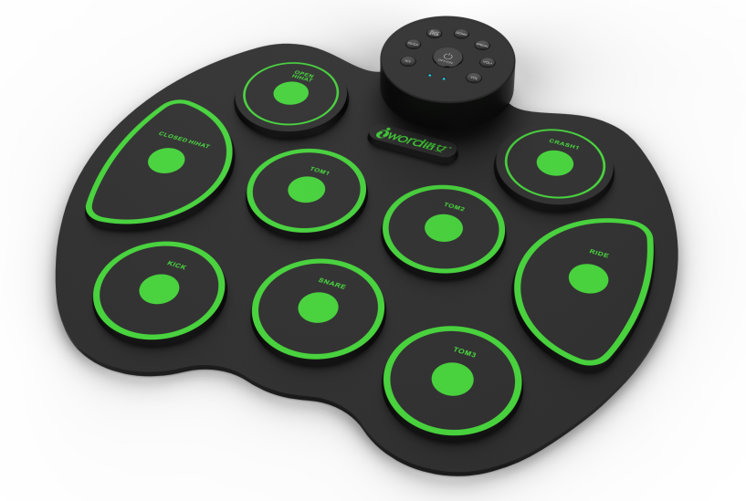 | * Harmless waterproof silicone as material, can be rolled up * Color:White,Green Or OEM color * USB charging DC5V, without battery * Can be supported by 2pcs AAA battery(not included) * Without speakers, but can connect to headphone/external speakers * With pedal, with sticks * SNARE/HI-HAT position can be exchanged * 8 demo songs, 5 tones, 3 metronome rhythm | 1*Hand Roll Drum, 1*Specification, 1*Plastic bag, 2*Pedals, 2*Drum Sticks, 1*Audio cable 1*USB Charging Cable | * NW:510g;GW:1200g * Dimension:380*330*30mm * Gift Box Size: 475*326*51mm * 6Pcs/Carton;10Kg/Carton * Carton Size:465*430*560cm

5 | Hand Roll Drum (without speaker) | G3002 | 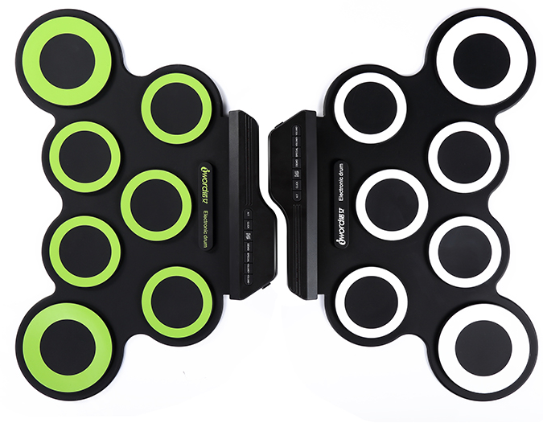 | * Material：harmless waterproof silicone * Color:White,Green Or OEM color * USB charging DC5V, without battery * Can be supported by AAA battery(2pcs) * Without speakers, but can connect to external speakers * With pedal, with sticks * SNARE/HI-HAT position can be exchanged * 8 demo songs, 5 tones, 3 metronome rhythm * USB MIDI Output | 1*Hand Roll Drum, 1*Specification, 1*Plastic bag, 1*Pedal, 2*Drum Sticks, 1*USB Charging Cable | * NW:510g;GW:1200g * Dimension:430*310*30mm * Gift Box Size: 475*326*51mm * 10Pcs/Carton;13Kg/Carton * Carton Size:465*430*560Mm

6 | 9 pads Hand Roll Drum (without speaker) | G4009 | 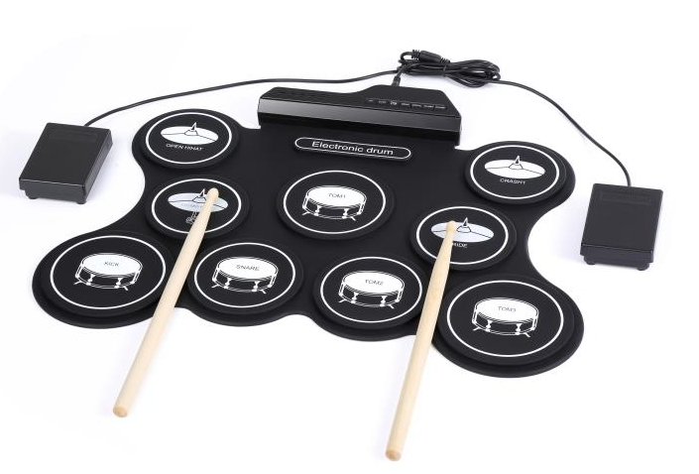 | * Material：harmless waterproof silicone * Color:White,Green Or OEM color * USB charging DC5V, without battery * Can be supported by 2pcs AAA battery(not included) * Without speakers, but can connect to external speakers * With pedal, with sticks * SNARE/HI-HAT position can be exchanged * 8 demo songs, 5 tones, 3 metronome rhythm | 1*Hand Roll Drum, 1*Specification, 1*Plastic bag, 1*Pedal, 2*Drum Sticks, 1*Audio cable 1*USB Charging Cable | * NW:700g;GW:1300g * Dimension:500*382*27mm * Gift Box Size: 536*216*82mm * 6Pcs/Carton;10Kg/Carton * Carton Size:560*455*285mm

7 | 9 Pad Hand Roll Drum | G3009 | 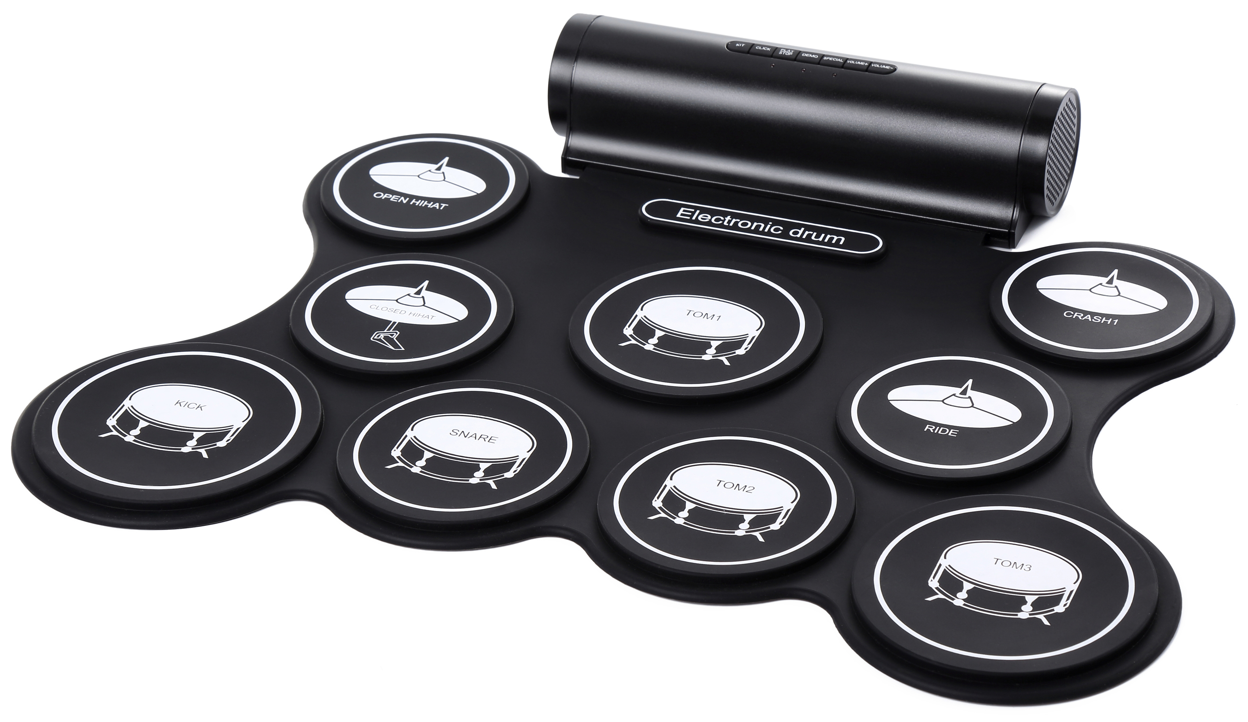 | * Material：harmless waterproof silicone * Color:White, black, red Or OEM color * USB charging DC5V, without battery * With built-in 2speakers, can connect to external speakers too * With pedal, with sticks * SNARE/HI-HAT position can be exchanged * 8 demo songs, 5 tones, 3 metronome rhythm * USB MIDI Output | 1*Hand Roll Drum, 1*Specification, 1*Plastic bag, 1*Pedal, 2*Drum Sticks, 1*USB Charging Cable | * NW:1100g, GW:1700g * Dimension:500*390*60mm * Gift Box Size: 536*216*82mm * 6Pcs/Carton;12Kg/Carton * Carton Size:560*455*285mm

8 | 9 Pad Hand Roll Drum | G3009L |  | * Material：harmless waterproof silicone * Color:White, black, red Or OEM color * USB charging DC5V, without battery * With built-in 2speakers, can connect to external speakers too * With pedal, with sticks * SNARE/HI-HAT position can be exchanged * 8 demo songs, 5 tones, 3 metronome rhythm * USB MIDI Output | 1*Hand Roll Drum, 1*Specification, 1*Plastic bag, 1*Pedal, 2*Drum Sticks, 1*USB Charging Cable | * NW:1100g, GW:1700g * Dimension:500*390*60mm * Gift Box Size: 536*216*82mm * 6Pcs/Carton;12Kg/Carton * Carton Size:560*455*285mm

9 | Hand Roll Drum ( Prefessional level) | G3003 | 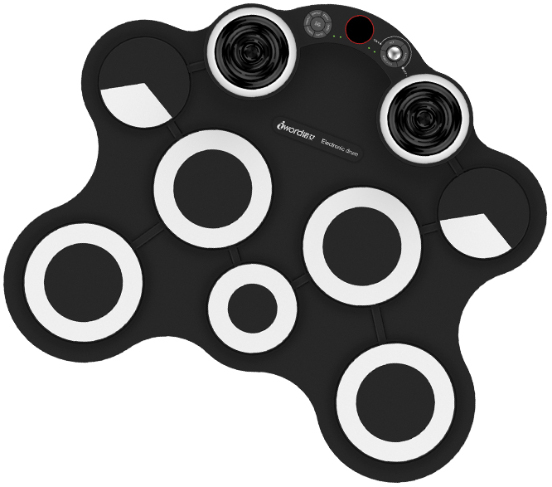 | * Material:harmless silicone, 100% waterproof * Color:White,Red Or OEM color * DC9V charging with adapter, without battery * With built-in 2speakers, can connect to external speakers too * With pedal, with sticks * SNARE/HI-HAT position can be exchanged * 8 demo songs, 5 tones, 3 metronome rhythm * USB MIDI Output | 1*Hand Roll Drum, 1*Specification, 1*Plastic bag, 1*Pedal, 2*Drum Sticks, 1*Charging cable with DC 9V Adapter | * NW:2800g; GW:3000g * Dimension:455*325*60mm * Gift Box Size: 545*340*67mm * 5pcs/carton;15Kg/Carton * Carton Size:560*365*360mm

Attention:
*The items which are marked with yellow may worth your more attention. *With the invention patent, iWord is the first and only legal factory who can produce and export roll up piano in China. We have right to ask China Customs to detain the infringing products. Invention Patent No. : ZL200310101210.1 Customs Registration No. : CH201267899
Terms and Conditions:
The Quotation valid for 30 days,FOB shenzhen
MOQ for each item is 100pcs. If OEM order, MOQ is 1000pcs; if special craft, MOQ may increase.
The above prices don't include adapter except G3003
If need do products testing in third party testing organization,unit price in this quotation will be increased by 1 USD
Payment: 30% deposit after confirm order and 70% balance before shippment
Lead Time: 1-3 days for sample order;3-7 working days for mass order.
Warranty: 12 months

