Sheet1
DEYI Umbrella Catalogue
Company Name:Yiwu Deyi Trading Co., Ltd Contact:Deree Lee Tel:086 187 5751 0188 Mail : deree@ideyi888.com Address : 1/F, Unit 2, Building 12, Lingyun Third District, Beiyuan Street, Yiwu City,Zhejiang Province,China. Zip Code:322099
Item | Picture | Unit Price | QTY/CTN | CTN Volume | N.W/CTN
Umbrella 001 | 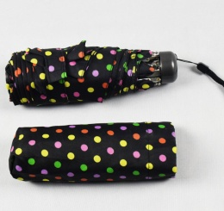 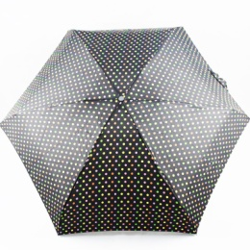 | 2.78 usd | 80 pcs | 40*20*47 cm | 16.5kg
Umbrella 002 | 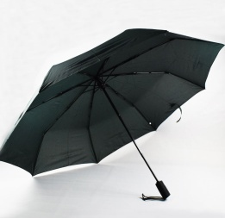 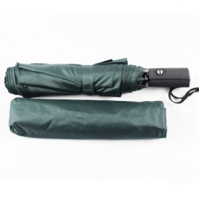 | 4.25 usd | 50 pcs | 35*30*47 cm | 28kg
Umbrella 003 | 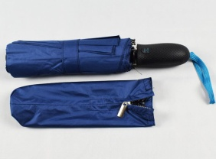 | 4.75 usd | 50 pcs | 35*30*47 cm | 30.5kg
Umbrella 004 | 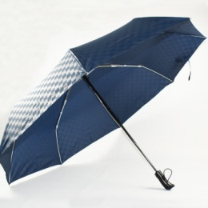 | 4.70 usd | 50 pcs | 35*30*47 cm | 24kg
Umbrella 005 | 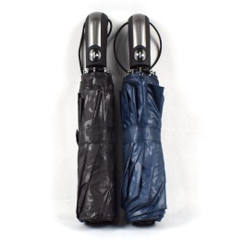 | 4.75 usd | 60 pcs | 35*30*47 cm | 30.5kg
Umbrella 006 | 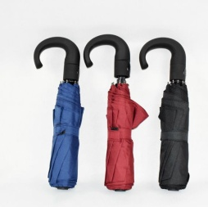 | 3.30 usd | 50 pcs | 35*30*47 cm | 23kg
Umbrella 007 | 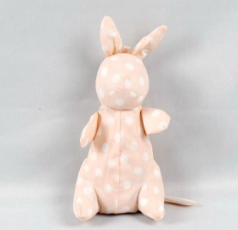 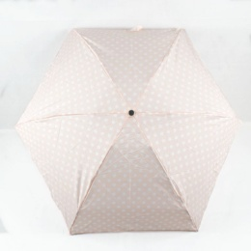 | 3.75 usd | 60 pcs | 32*30*47 cm | 12.5kg
Umbrella 008 | 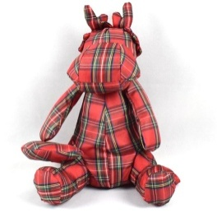 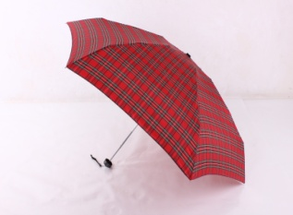 | 3.88 usd | 60 pcs | 35*30*47 cm | 13kg
Umbrella 009 | 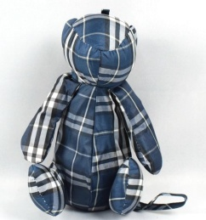 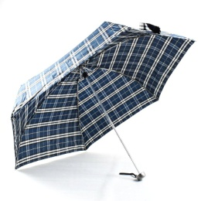 | 3.88 usd | 60 pcs | 32*30*47 cm | 12.5kg
Umbrella 010 | 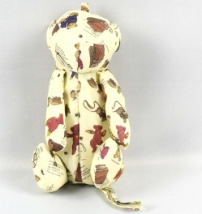 | 3.88 usd | 60 pcs | 32*30*47 cm | 12.5kg
Umbrella 011 | 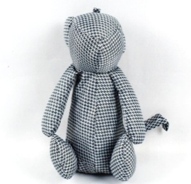 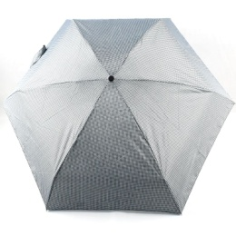 | 3.83 usd | 60 pcs | 32*30*47 cm | 12.5kg
Umbrella 012 | 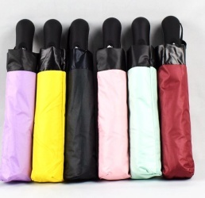 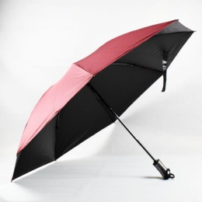 | 4.60 usd | 60 pcs | 32*30*47 cm | 28.5kg
Umbrella 013 | 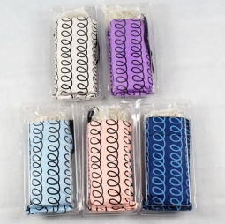 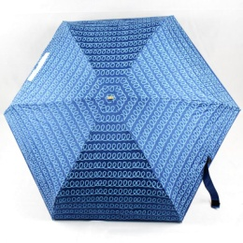 | 4.15 usd | 60 pcs | 64*23*42 cm | 16kg
Umbrella 014 | 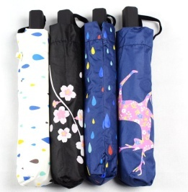 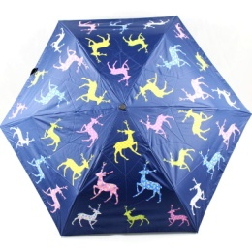 | 2.96 usd | 72 pcs | 29*26*43 cm | 15kg
Umbrella 015 |  | 3.38 usd | 80 pcs | 40*20*47 cm | 17.5kg
Umbrella 016 | 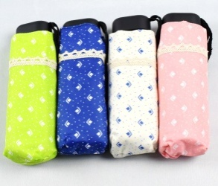 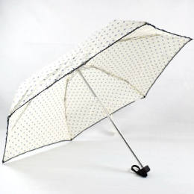 | 2.70 usd | 80 pcs | 40*20*47 cm | 17kg
Umbrella 017 |  | 3.40 usd | 80 pcs | 40*20*47 cm | 17kg
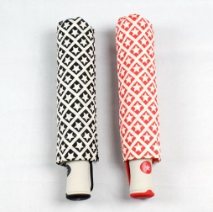 Umbrella 018 |  | 3.55 usd | 60 pcs | 32*30*47 cm | 21.5kg
Umbrella 019 |  | 3.45 usd | 60 pcs | 32*30*47 cm | 21.5kg
Umbrella 020 | 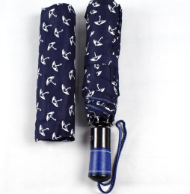 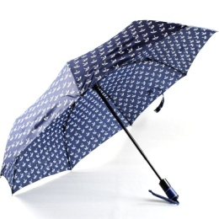 | 4.03 usd | 60 pcs | 32*30*47 cm | 22kg
Umbrella 021 | 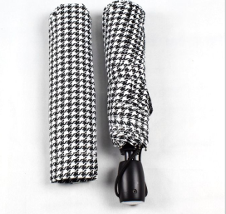 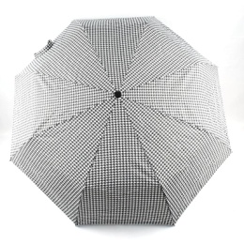 | 3.72 usd | 60 pcs | 32*30*47 cm | 22kg
Umbrella 022 Color change | 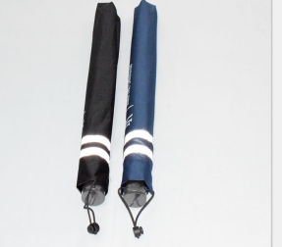 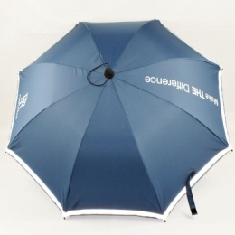 | 3.35 usd | 56 pcs | 70*30*30 cm | 15kg
Umbrella 023 | 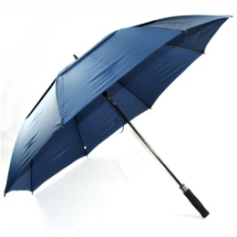 | 3.48 usd | 40 pcs | 101*26*26 cm | 26kg
Umbrella 024 |  | 6.18 usd | 50 pcs | 35*30*47 cm | 35kg
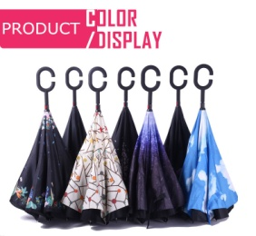 Umbrella 025 | 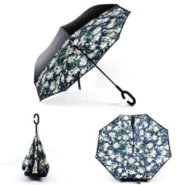 | 2.92 usd | 50 pcs | 88*25*25 cm | 18kg

The shipping charge by express is about this:
Delivery time is about 8-9 workdays.

