电磁阀solenoid
广州市比特亿汽车零部件有限公司 Guangzhou Bityee Auto Parts Co.,Ltd

电话(Phone)/微信(Wechat)：17063095276 QQ:508274973 Phone/WhatsApp: +86 17765272853
(Chinese)Website：https://bitautoparts.1688.com (English)Website：https://bitautoparts.en.alibaba.com
Image(图片) | Transmission Model(变速箱型号)

 | 6T40E/6T45E
 | gen 2

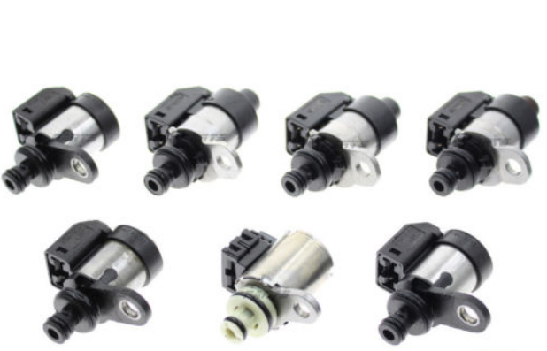

 | RE5R05A/JR507E

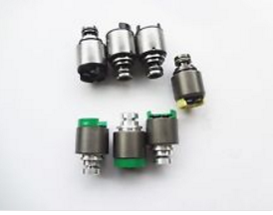

 | ZF5HP19

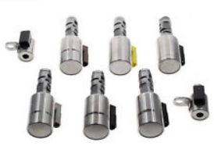

 | TF-60SN /09G

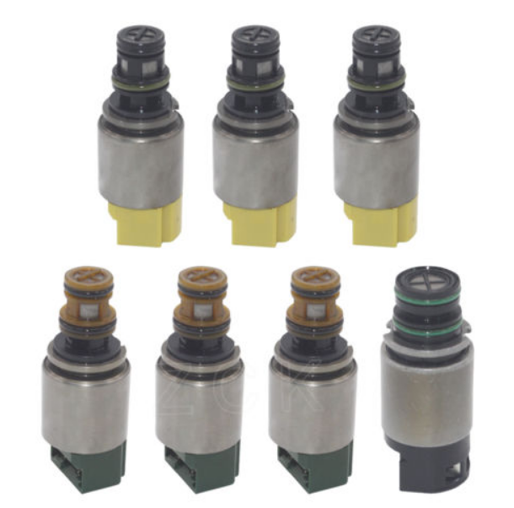

 | 6HP26/28/32/34
 | GEN 1

 | 722.6

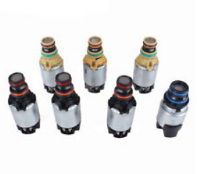

 | 6T40E/6T45E
 | gen 1

 | 6T30/40/45/50

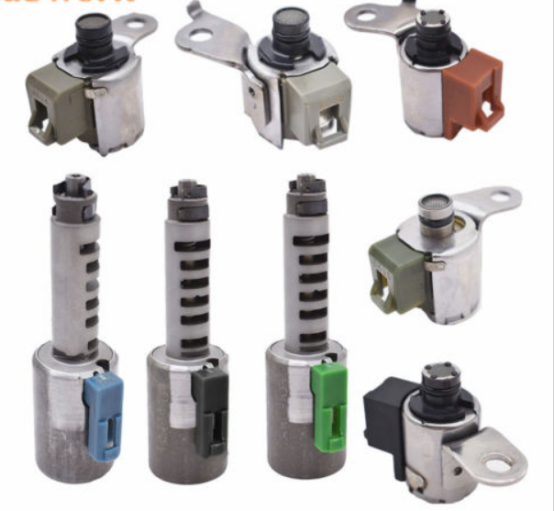

 | AW55-50SN/51SN

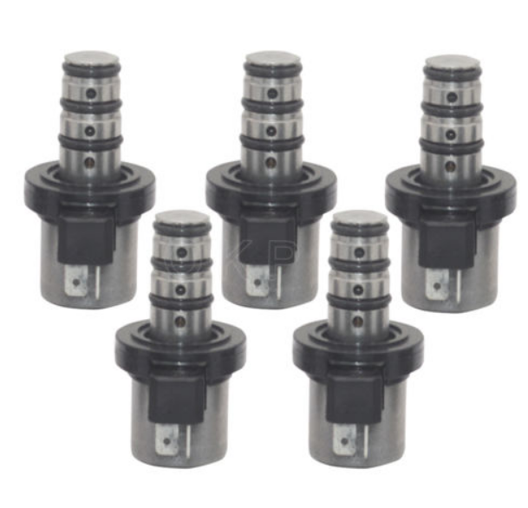

 | F4A41 F4A42 F4A51

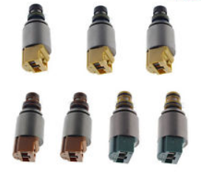

 | 6HP19/21
 | GEN 2

 | JF506E

 | AW55-50SN/51SN

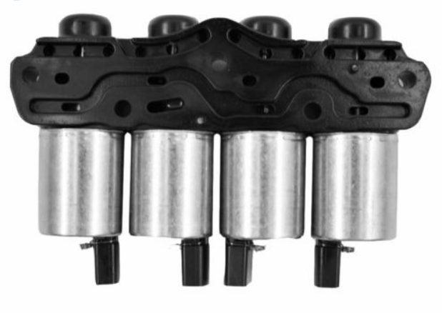

 | DQ200/0AM

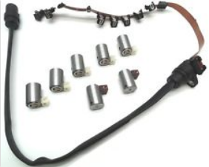

 | 01M

 | AL4 DPO

 | A6MF1/2

 | 4T65E

 | 5R55S/5R55W

 | A604/41TE

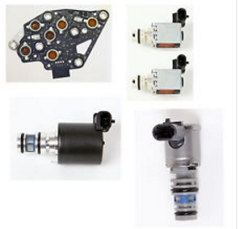

 | 4T65E

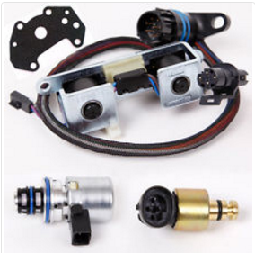

 | A500/A518/42RE/44RE

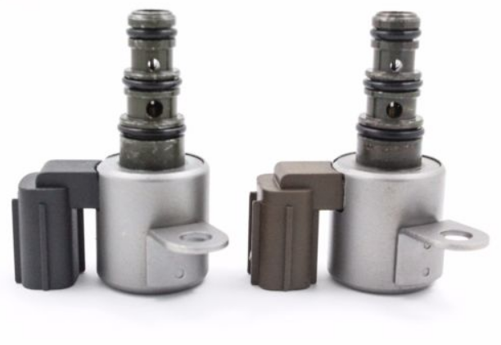

 | 28500-P6H-003 28500-P6H-013

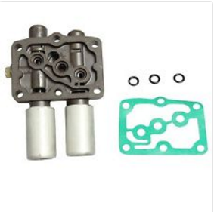

 | 28250-P6H-024

 | 28200-P0Z-003

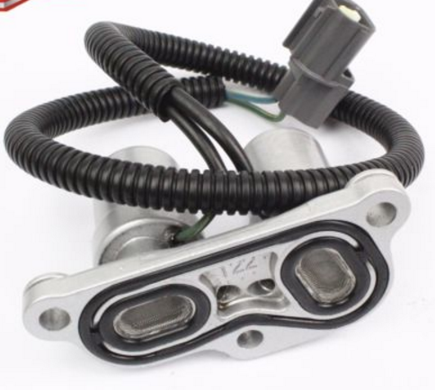

 | 28200-P4R-003

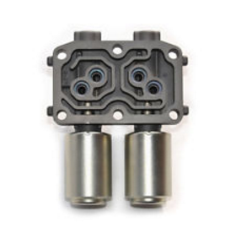

 | 28260-PRP-014

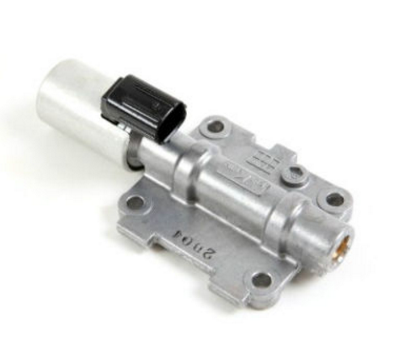

 | 28250-P7W-003

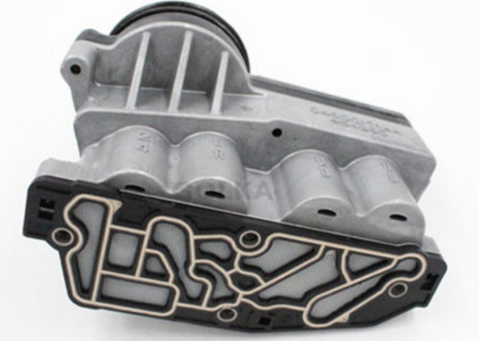

 | A606/42LE

 | A4CF1 A4CF2

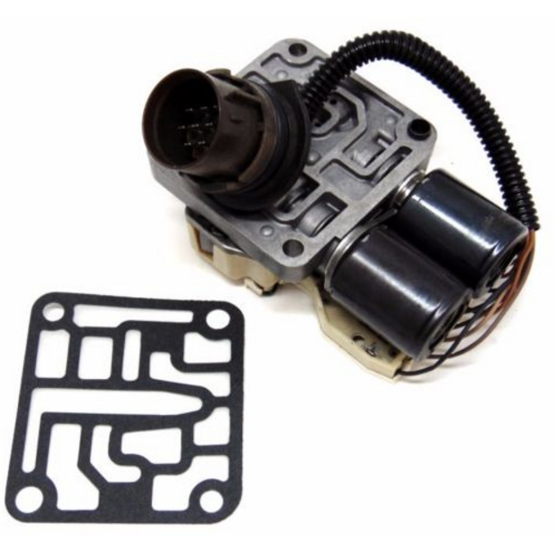

 | CD4E

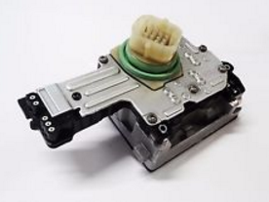

 | 545RFE 45RFE 2010-On

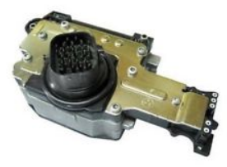

 | 545RFE 45RFE 1993-2003

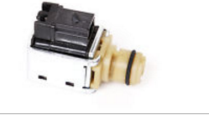

 | 4L60E

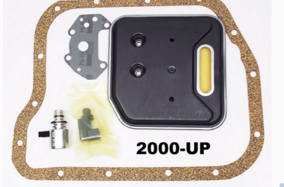

 | A500/A58/42RE

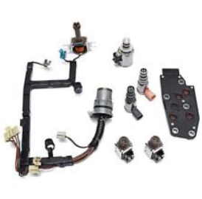

 | 4L60E gen. 1

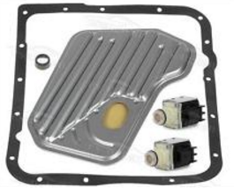

 | 4L60E

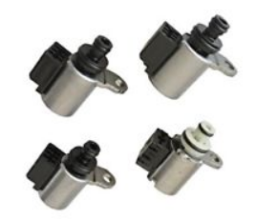

 | JF011E/RE0F10A/F1C1A

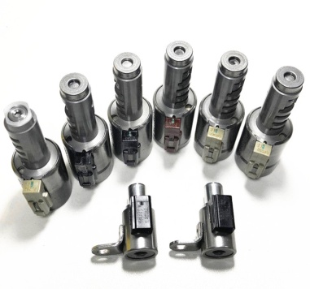

 | TF81-SC/TF80-SC

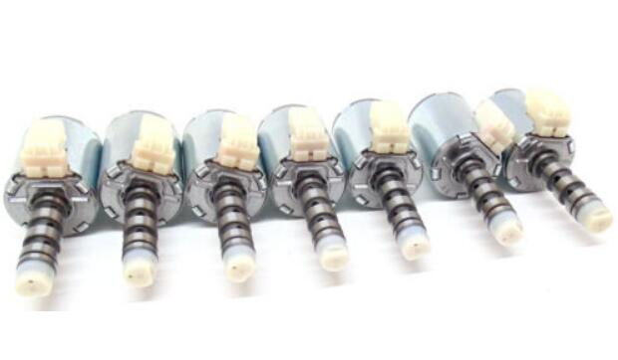

 | 5R110W

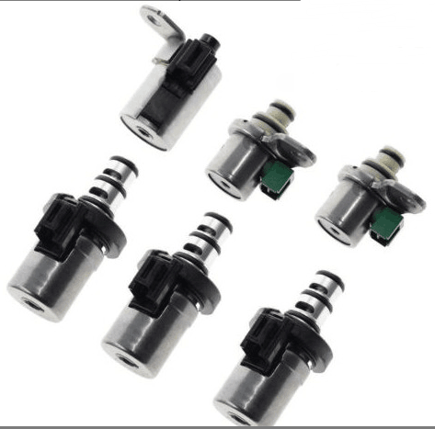

 | 4F27E FNR5 FS5A-EL

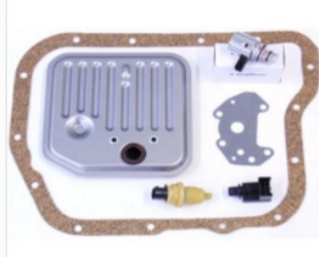

 | A500 A518 A618 42RE 44RE 46RE

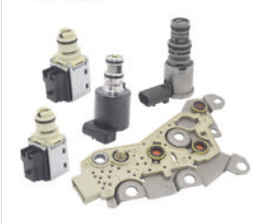

 | 4T45 4T40

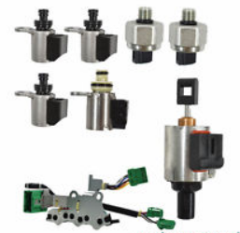

 | JF011E/RE0F10A/F1C1A

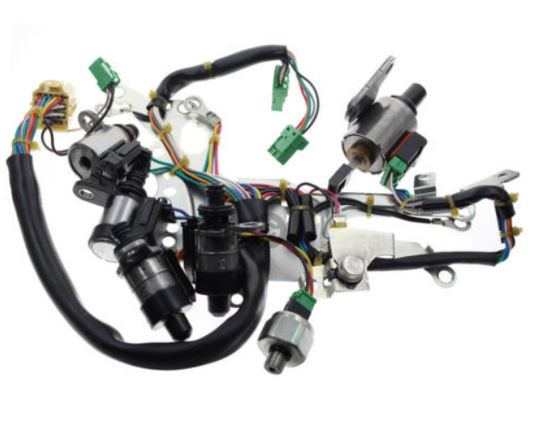

 | JF010E/RE0F09A/B

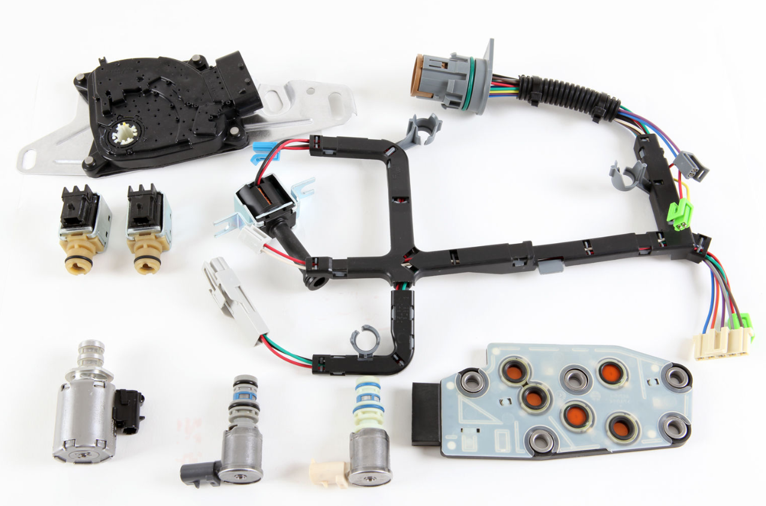

 | 4L60E new gen.

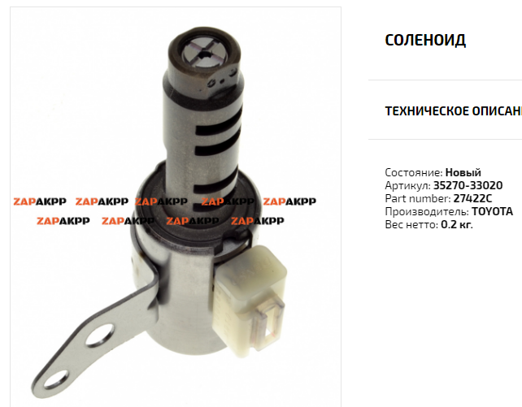

 | 35270-33020
 | U150E/250E

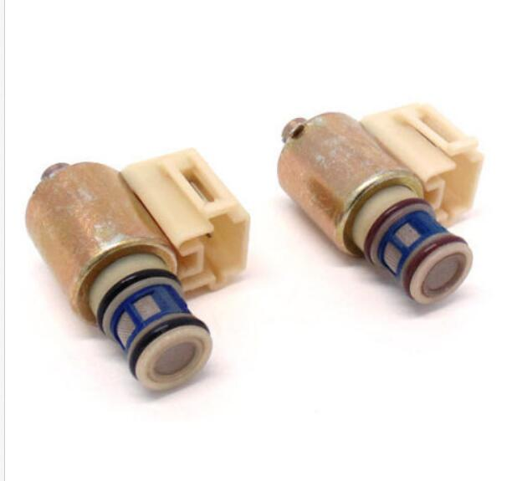

 | 4L30E

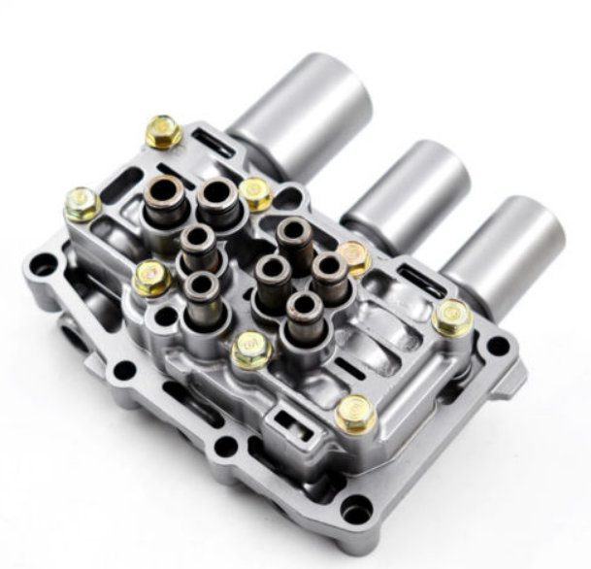

 | 27200-PWR-013

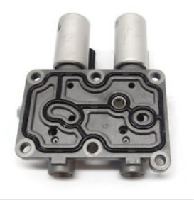

 | 28015-PLX-305

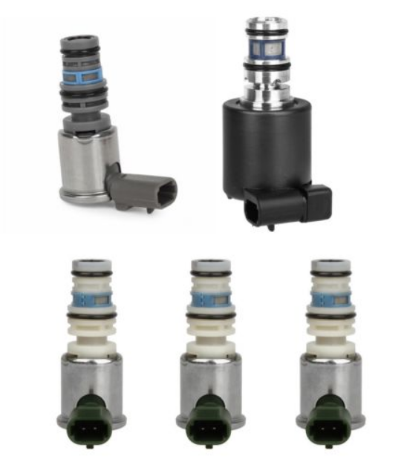

 | 5L40E
 | 1999-2003

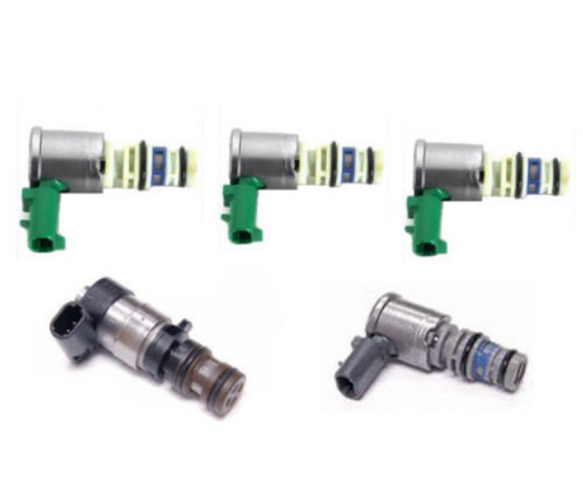

 | 5L40E
 | 2004

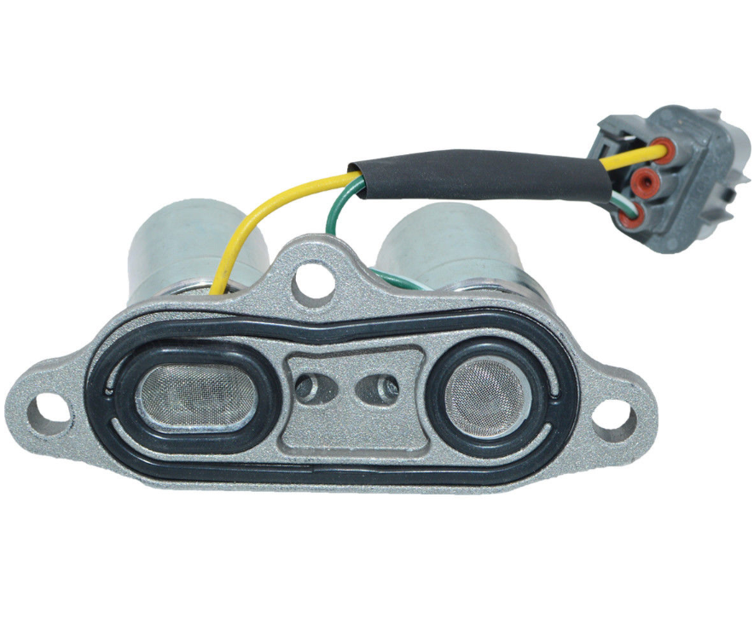

 | 28200-P0Z-003

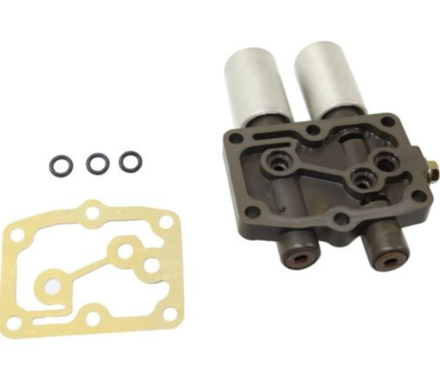

 | 28250-RDK-014
 | 新款小插头(New gen small plug)
 | 老款大插头(Old gen big plug)

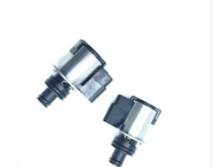

 | TR580 TR690

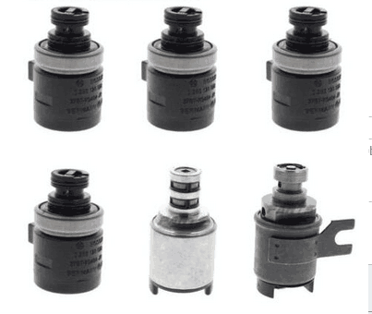

 | 4R44E 4R55E

 | 28200-PX4-014
 | 28300-PX4-003

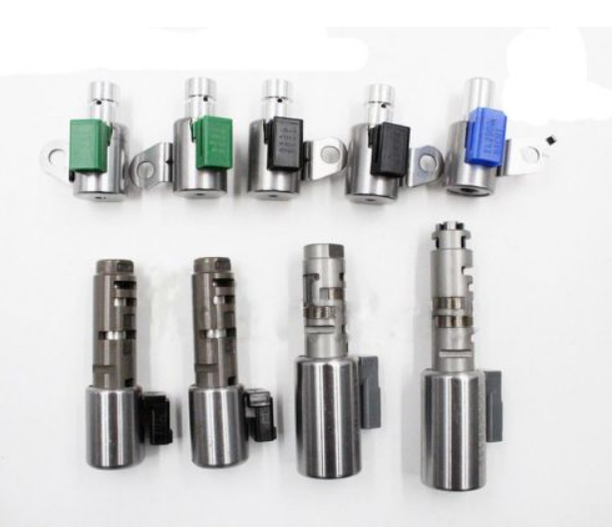

 | A960E

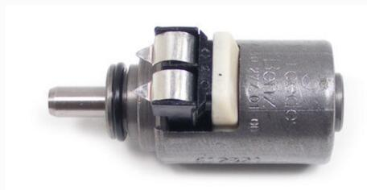

 | 722.6
 | 1402770435

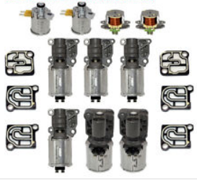

 | 0B5 DL501

 | 28260-PRP-014

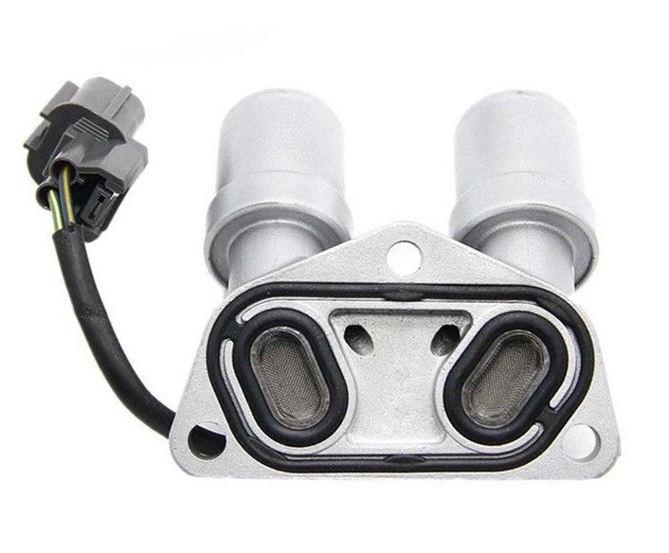

 | 28200-PLX-003

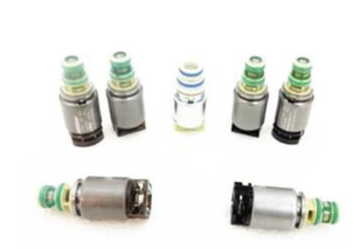

 | 6R60 6HP26

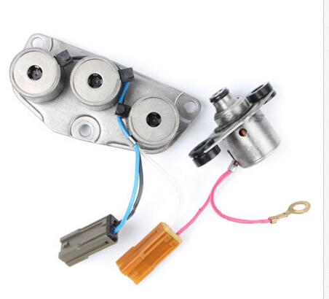

 | RE4R01A



 | 4F27E FN4A-EL



 | A340E A340F



 | RE4F04B RE4F03B
 | 31940-85X01



 | JF506E 09A



 | 02E DQ250



 | 4R70W 4R75W
 | 2005-2008



 | 4R70W 4R75W
 | 2009-ON



 | 4R70W 4R75W
 | 1998-2004

 | 6F35



 | 4F27E



 | 4L60E



 | 4L80E
 | 24230288, 10478147



 | 4R70W 4R75W



 | A500 A518 A618 42RE 44RE 46RE



 | A500 A518 A618 42RE 44RE 46RE



 | U140E U150E



 | 722.9



 | 722.8



 | 4T45 4T40

 | 1996-1999 A500,A518,A618



 | 2000-UP A500,A518,A618



 | 2000-On 4L30E



 | 1990-1999 4L30E



 | 62TE 05078709AB



 | 31939AA190,31939AA160



 | A650E 35230-30010

链条cvt chain
Image(图片) | Transmission Model(变速箱型号) | Chain No.
 | JF009E REOF08A | 901064
 | JF010E RE0F09A RE0F09B | 901063
 | JF011E RE0F10A | 901066
 | JF015E RE0F11A | 901068
 | RE0F21A SPEEDGEAR | 901057
 | MINI VT1F VT2 | 901086
 | F1C1 F1C1A | 901064
 | SZCA | 901068
 | VT20-E/VT25-E/QRO19CHA | 901067
 | WFC280 | 901082
 | JF017E RE0F10E | 901074
 | W164 X164 W251 transfer case chain
 | A2512800800 / A2512800900 Transfer case chain

马达stepper motor
Image(图片) | Transmission Model(变速箱型号)


 | JF011E RE0F10A

 | JF006E RE0F06A



 | JF010E RE0F09A/JF009E RE0F08A

 | DQ200/0AM325583E



 | CFT25/VT1

修包repair kit
Image(图片) | Transmission Model(变速箱型号)


 | 4L60E



 | 0AM DQ200 VALVE BODY GASTKET



 | 0AM DQ200 VALVE BODY GASTKET

阀体valve body

Image(图片) | Transmission Model(变速箱型号)

 | 0B5 DL501



 | JF015E RE0F11A

 | AW55-51SN/50SN RE5F22A

 | 6HP26

 | 6HP21



 | 6HP19

 | 01M, 01N, 01P /095 096 097 098



 | JF010E



 | JF506E 09A

 | 4F27E FN4A-EL

 | JF011E

 | RE5R05A



 | TAAT
 | SATURN



 | 02E/DQ250



 | TF80-SC



 | 6T40 6T45



 | RE5R01A/RRE5R05A/JR507

 | 0AM DQ200



 | 4EAT
 | subaru

 | TF81-SC/AW6A-EL/AF21



 | JF011E



 | TF-60SN/09G/09M/09K

 | 722.8

 | RE4R01A/JR403E

 | RE4F04A/B



 | RE4F02A



 | RL4R01A

 | A540H

 | A540E/A541E

 | A750 Series A750E/F
 | 5-Speed, 7 Solenoids



 | A760 Series A760E/F A960E
 | 6-Speed, 9 Solenoids

 | U140E/F, U240E, U241E
 | 00-05year

 | U140E/F, U240E, U241E
 | 06-12year



 | U151E, U151F, U250E

 | 6L45



 | CD4E/LA4A-EL

 | 4R70W/75W AODE
 | 98-00YEAR



 | AXODE, AX4S
 | 93-98YEAR



 | 6R60/75/80 ZF6HP26



 | 4F50N, AX4N
 | 98-03year

 | 4F50N, AX4N
 | 04-later



 | 722.6

 | F4A41/F4A42/F4A51
 | 5 solenoids

 | F4A41/F4A42/F4A51
 | 6 solenoids



 | R4V51/V4A51/R5A51/V5A51

 | F5A51
 | 6 solenoids

 | F5A51
 | 7 Solenoids

 | TR-60SN/09D



 | CFT25/VT1



 | 5L40E



 | 46RE 47RE 48RE



 | AL4 DPO



 | A6MF1/2

 | TR580



 | TR690

 | 0AM325065S/N/L

 | 0AM927769D 0AM325065S

电脑板conductor plate
Image(图片) | Transmission Model(变速箱型号)


 | 722.9
 | 7G

 | 722.9/A0002701752



 | DQ200/0AM927769D



 | DQ250/02E927770AE



 | 722.6

 | 722.8



 | RE7R01A/JR710E

 | DQ500
 | 0B5 927 156 E
 | 0B5 927 156 K
 | 0B5 927 256 B
 | 0B5 927 156 D

 | 722.7



 | A2C30743100/AE8Z-7Z369-F
 | 6DCT250 DPS6



 | RE5R05A



 | 0AW
 | AUDI



 | 6HP19 6HP26
 | 电子挡
 | 区分
 | 手动档


 | A 164 900 54 01
 | Mercedes SAM Contrl Unit



 | 0DE927711B



 | 01J
 | 01J927156HT
 | 01J927156JG


 | 0CK927156AA



 | 8HP45/55/65/70/75



 | A0002703900
 | A0054463710
 | 724.0
 | 7G-DCT



 | 6T70 6T75



 | JR507E RE5R05A



 | 34436850289

线束wire harness
Image(图片) | Transmission Model(变速箱型号)

 | 0B5/DL501

 | 0B5/DL501
 | 0B5927321L



 | A4CF1/A4CF2



 | 01M/095/096



 | 01N/097

 | 5HP19/01V971661B



 | 09G/TF-60SN(8pin)



 | 09G/TF-60SN(14pin)

 | 09G/TF-60SN(6pin)



 | A6MF1/2



 | 4L60E



 | 02E/DQ250
 | 6-SP



 | 5R110W/3C3Z7G276AA
 | 5-SP

 | 4R70E/W 4R75E/W
 | 4-SP

 | 4L80E/24230344



 | JF506E/09A

其他other
Image(图片) | Transmission Model(变速箱型号)


 | Fork Slip Beads
 | 0AM DQ200
 | 02E DQ250
 | 0BH DQ500

 | 24152333903



 | JF506E 09A



 | 6HP26 6R60 6R80



 | 5R55W 5R55S



 | 4L60E 700R4 4L65E



 | A518 46RE A618 47RE A727



 | 722.9
 | Y3/8N1 Y3/8N2 sensor



 | 722.8
 | Y3/9b4 Y3/9b5 sensor



 | 89615-12090

 | F02 /6HP21



 | 13517573436
 | BMW N14



 | 13517592429
 | BMW N18



 | 13517616446
 | BMW N55



 | 5HP19
 | 1060 410 017
 | 1060 210 047
 | Audi/BMW



 | 0AM325587F



 | 28600-P7W-003 28600-P7Z-003



 | 0AM325579D



 | 0AM198142G



 | AE8Z-7C604-A



 | 6T30 6T40 6T45



 | JF011E/RE0F10A



 | 0AM311562K

 | A2721402401/700246330



 | 6HP26 6R60 6R80



 | 6HP26 6R60 6R80



 | 6HP19/21

车系变速箱分类表transmission




















向右(Move Right)→

