Sheet1
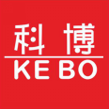 | Tongxiang Kebo Toys Co., Ltd.
 | Address：No. 519, Jingwei Street, Huxiao, Chongfu Town, Tongxiang, Zhejiang, China Mobile/Whatsapp/Weichat： 008618957337769 Ctc： Adam Skype： txkebo Email：txkebo@outlook.com

Pricelist（Available for 3 month）
Magnetic Puzzle Blocks 6pcs set
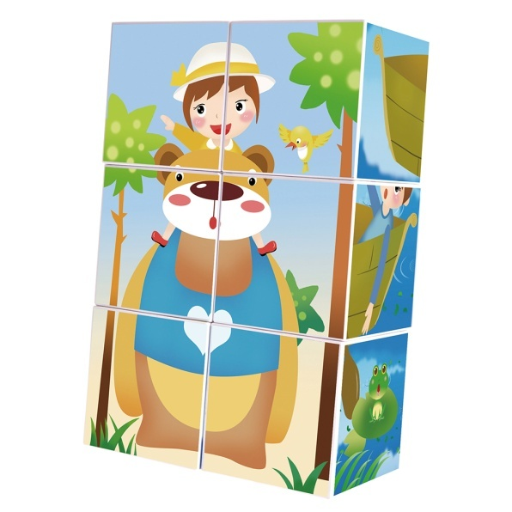 螺纹长棒6+螺纹短棒14+球10 |  | Price FOB shanghai(USD) |  |  |  | Item No. | KBLD-6 | Brand | Mag-Wisdom
 |  | 1K-5K | 1K-10K | 10K-30K | Above30K | Box Size(cm) | 24.6*24.6*6 | Ctn Size(cm) | 76*51*50.5
 |  | $4.20 | $4.00 | Negotiate | Negotiate | Packaging | ColorBox | Qty/Ctn | 48
 |  |  |  |  |  | N.W.(kgs) | 15 | G.W.(kgs) | 16
 |  |  |  |  |  | Materials | plastic&magnet | Age | 3+
 |  |  |  |  |  | Lead Time | 20-30 days | MOQ | 100
 |  |  |  |  |  | Origin | Zhejiang China | OEM/ODM | Available
Accessories Included
 | 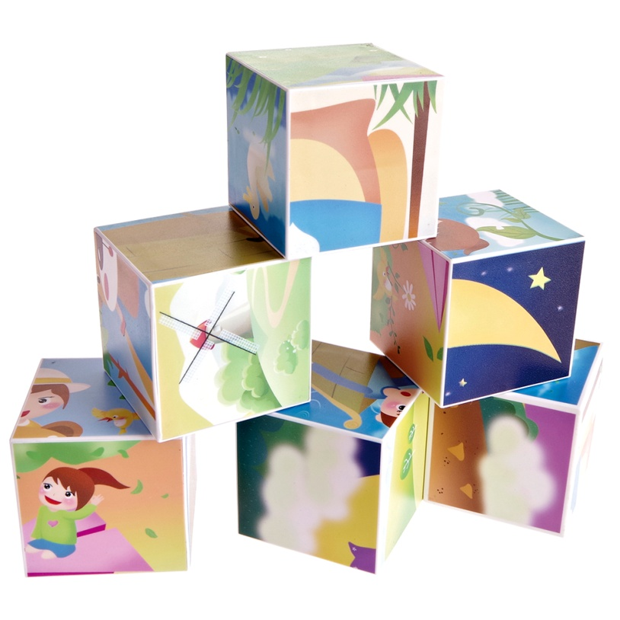

Magnetic Puzzle Blocks 6pcs set
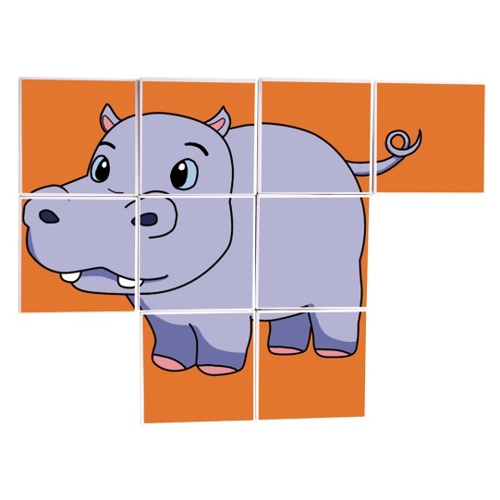 |  | Price FOB shanghai(USD) |  |  |  | Item No. | KBLD-6 | Brand | Mag-Wisdom
 |  | 1K-5K | 1K-10K | 10K-30K | Above30K | Box Size(cm) | 24.6*24.6*6 | Ctn Size(cm) | 76*51*50.5
 |  | $5.67 | $5.40 | Negotiate | Negotiate | Packaging | ColorBox | Qty/Ctn | 48
 |  |  |  |  |  | N.W.(kgs) | 19 | G.W.(kgs) | 20
 |  |  |  |  |  | Materials | plastic&magnet | Age | 3+
 |  |  |  |  |  | Lead Time | 20-30 days | MOQ | 100
 |  |  |  |  |  | Origin | Zhejiang China | OEM/ODM | Available
Accessories Included
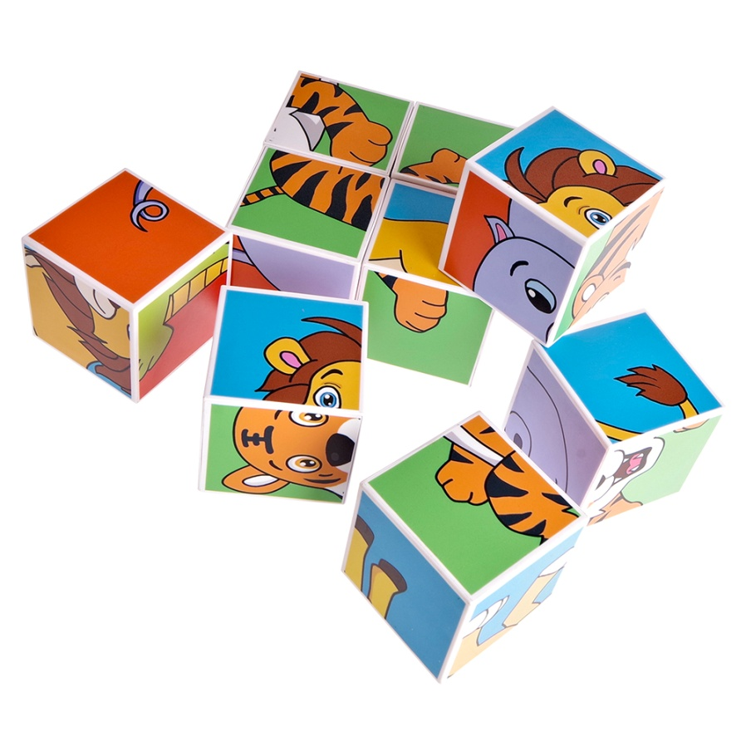

OEM Service
 |  | Price FOB shanghai(USD) |  |  |  | Item No. |  | Brand | Your Own Brand
 |  | 1K-5K | 1K-10K | 10K-30K | Above30K | Box Size(cm) |  | Ctn Size(cm)
 |  |  |  |  |  | Packaging | Customization | Qty/Ctn
 |  |  |  |  |  | N.W.(kgs) |  | G.W.(kgs)
 |  |  |  |  |  | Materials | plastic&magnet | Age | 3+
 |  |  |  |  |  | Lead Time | 30 Days | MOQ | 500sets
 |  |  |  |  |  | Origin | Zhejiang China | OEM/ODM | Available
Select the shapes below and input the number you want , we will quote you individually
 | 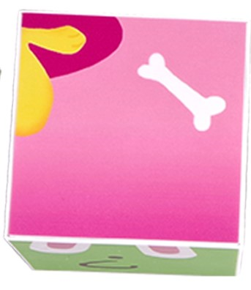 | we accept Pattern Design , Packaging Design OEM service

 | 50*50mm

