fuel filter IFOB
Fuel Filter Contact Person: Diamond Email: lando@b2bautopart.com
OEM | OEM Material | Pic | Chassis No | Engine No | Year | Fits For |  | Price
23300-31100 | Filter paper、iron | 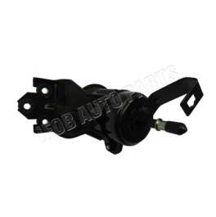 | TRJ120 | 2TRFE | 2004-2009 | Toyota | Prado
23300-31160 | Filter paper、iron | 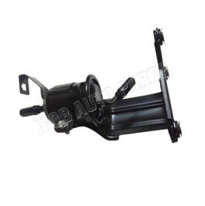 | TRJ150 | 2TRFE | 2009-2010 | Toyota | Prado
77024-60260 | Filter paper、iron | 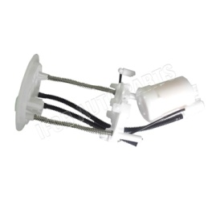 | GRJ150 | 1GRFE | 2010 | Toyota | Prado
23300-31100 | Filter paper、iron |  | GRJ120 | 1GRFE | 2002-2010 | Toyota | Prado
23300-31100 | Filter paper、iron |  | RZJ120 | 3RZFE | 2002-2004 | Toyota | Prado
23300-50110 | Filter paper、iron | 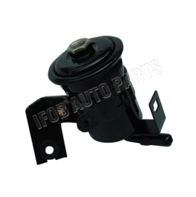 | UZJ100 | 2UZFE | 1998-2007 | Toyota | Land Cruiser
23390-64480 | Filter paper、iron | 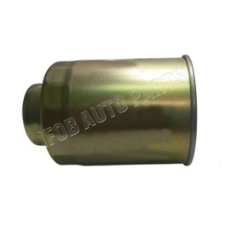 | HZJ105 | 1HZ | 1998-2007 | Toyota | Land Cruiser
23300-50110 | Filter paper、iron |  | FZJ100 | 1FZFE | 1998-2006 | Toyota | Land Cruiser
23390-64480 | Filter paper、iron |  | HDJ100 | 1HDT | 1998-2005 | Toyota | Land Cruiser
23300-66030 | Filter paper、iron | 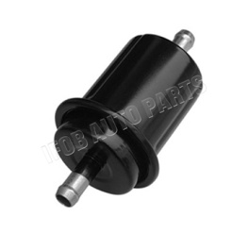 | FZJ80 | 1FZF | 1992-2004 | Toyota | Land Cruiser
23390-64480 | Filter paper、iron |  | LJ95 | 3L | 1996-2002 | Toyota | Land Cruiser
23303-56040 | Filter paper、iron | 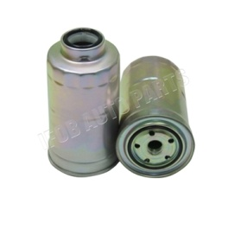 | HZJ80 | 1HZ | 1990-2001 | Toyota | Land Cruiser
23390-64480 | Filter paper、iron |  | HZJ79 | 1HZ | 1990-2001 | Toyota | Land Cruiser
23303-56040 | Filter paper、iron |  | HDJ80 | 1HDT | 1990-2001 | Toyota | Land Cruiser
23390-0L041 | Filter paper、iron | 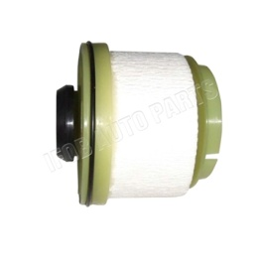 | KUN15 | 2KDFTV | 2004-2012 | Toyota | HILUX
23300-62060 | Filter paper、iron | 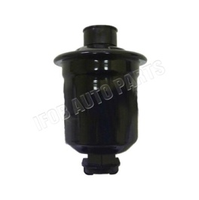 | VZN16# | 5VZFE | 2002-2005 | Toyota | HILUX
23300-62060 | Filter paper、iron |  | VZN17# | 5VZFE | 2002-2005 | Toyota | HILUX
23390-64480 | Filter paper、iron |  | KZN165 | 1KZTE | 1997-2006 | Toyota | HILUX
23390-64480 | Filter paper、iron |  | KZN205 | 1KZTE | 2001-2004 | Toyota | HILUX
23303-54071 | Filter paper、iron | 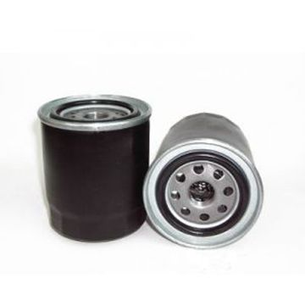 | LN51/56/65 | 2L | 1983-1998 | Toyota | HILUX
23300-31120 | Filter paper、iron | 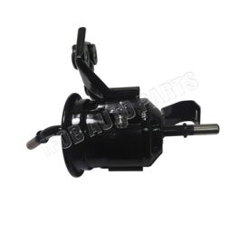 | GGN35 | 1GRFE | 2008-2011 | Toyota | HILUX
23300-31120 | Filter paper、iron |  | GGN15 | 1GRFE | 2009-2011 | Toyota | HILUX
23300-31120 | Filter paper、iron |  | GGN25 | 1GRFE | 2008-2011 | Toyota | HILUX
23300-75140 | Filter paper、iron | 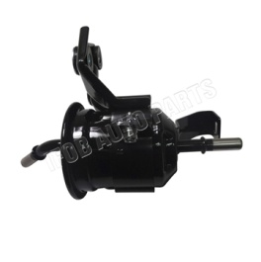 | TGN26 | 2TRFE | 2005-2011 | Toyota | HILUX
23300-75140 | Filter paper、iron |  | TGN16 | 2TRFE | 2005-2011 | Toyota | HILUX
23390-0L010 | Filter paper、iron | 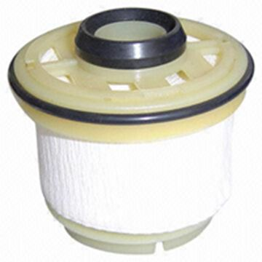 | LAN35 | 5LE | 2005-2010 | Toyota | HILUX
23390-0L010 | Filter paper、iron |  | LAN25 | 5LE | 2005-2010 | Toyota | HILUX
23300-0L041 23390-0L041 | Filter paper、iron |  | LAN15 | 5LE | 2005-2010 | Toyota | HILUX
23390-64480 | Filter paper、iron |  | KDN 145 150 151 155 165 166 190 | 2KDFTV | 2005-2010 | Toyota | HILUX
23300-75100 | Filter paper、iron | 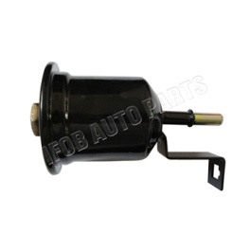 | RZN 142 144 147 148 149 154 168 | 1RZ/1RZE/2RZFE/3RZFE | 1997-2005 | Toyota | HILUX
23300-34100 | Filter paper、iron | 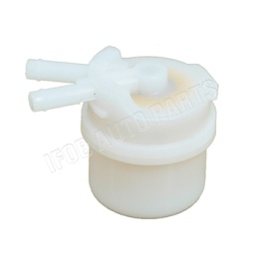 | RN85 | 22R | 1988-2004 | Toyota | HILUX
23300-65010 | Filter paper、iron | 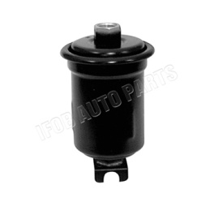 | VZN13# | 3VZE | 1988-2004 | Toyota | HILUX
23300-23040 | Filter paper、iron | 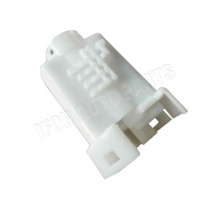 | NCP61 | 1NZFE | 2003-2006 | Toyota | YARIS
77024-0D070 | Filter paper、iron | 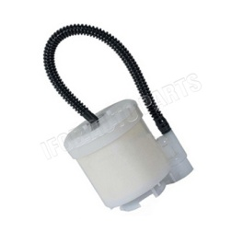 | ZSP91 | 1ZR | 2008-2010 | Toyota | YARIS
77020-52420 | Filter paper、iron | 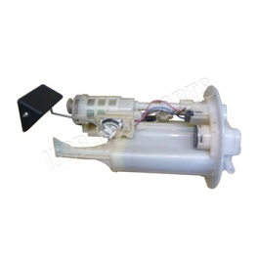 | NCP130/NCP131 | 2NZFE | 2011- | Toyota | YARIS
77024-52120 | Filter paper、iron | 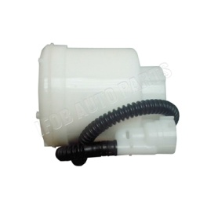 | NCP92 | 2NZFE | 2006-2010 | Toyota | YARIS
23300-0D030 | Filter paper、iron | 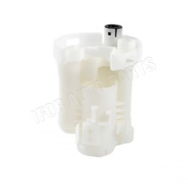 | GSV40 | 2GRFE | 2011-2012 | Toyota | CAMRY
77024-06090 | Filter paper、iron | 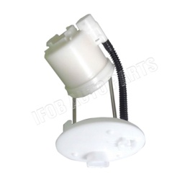 | ACV40 | 2AZFE | 2006-2011 | Toyota | CAMRY
77024-06130 | Filter paper、iron | 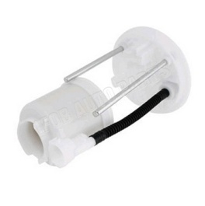 | AHV40 | 3AZFXE | 2009- | Toyota | CAMRY
23300-21010 | Filter paper、iron | 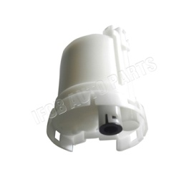 | ACV30 | 2AZFE | 2002-2006 | Toyota | CAMRY
23300-21010 | Filter paper、iron |  | ACV31 | 1AZFE | 2002-2006 | Toyota | CAMRY
23300-21010 | Filter paper、iron |  | MCV36 | 1MZFE | 2002-2006 | Toyota | CAMRY
23300-79305 | Filter paper、iron | 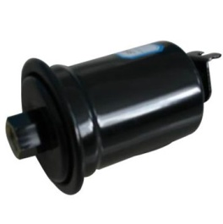 | SXV10 | 5SFE | 1992-2001 | Toyota | CAMRY
77024-30120 | Filter paper、iron | 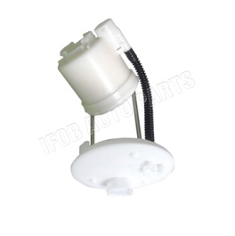 | GRS182 | 3GRFE | 2005-2009 | Toyota | CROWN
77024-42080 | Filter paper、iron | 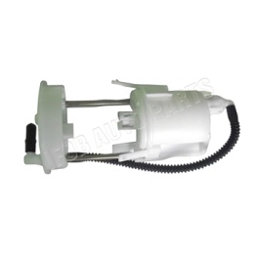 | ZSA3# | 3ZRFAE | 2008-2011 | Toyota | RAV4
77024-42061 | Filter paper、iron | 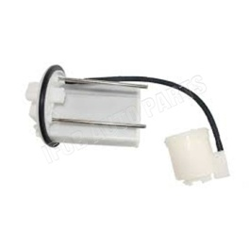 | GSA33 | 2GRFE | 2007-2008 | Toyota | RAV4
77024-42060 | Filter paper、iron | 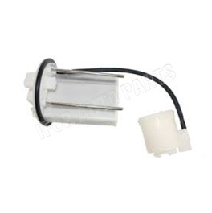 | ACA3# | 1AZFE | 2005-2008 | Toyota | RAV4
23300-28030 | Filter paper、iron | 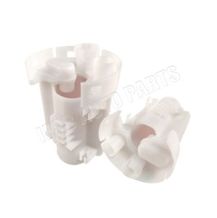 | ACA2# | 1AZFE | 2000-2005 | Toyota | RAV4
23300-79455 | Filter paper、iron | 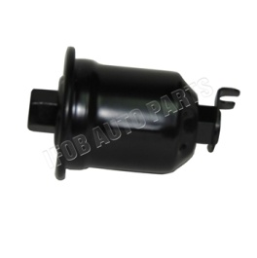 | SXV1# | 3SFE | 1992-2001 | Toyota | RAV4
23300-31120 | Filter paper、iron |  | GGN50 | 1GRFE | 2008-2012 | Toyota | FORTUNER
23300-75140 | Filter paper、iron |  | TGN51 | 2TRFE | 2005-2011 | Toyota | FORTUNER
23300-75140 | Filter paper、iron |  | TGN61 | 2TRFE | 2005-2011 | Toyota | FORTUNER
23300-31120 | Filter paper、iron |  | GGN60 | 1GRFE | 2008-2010 | Toyota | FORTUNER
23390-0L010 | Filter paper、iron |  | KUN6# | 2KDFTV | 2008-2010 | Toyota | FORTUNER
23390-0L010 | Filter paper、iron |  | LAN50 | 5LE | 2006-2008 | Toyota | FORTUNER
23390-0L010 | Filter paper、iron |  | KUN5# | 2KDFTV | 2005-2008 | Toyota | FORTUNER
77024-26010 | Filter paper、iron | 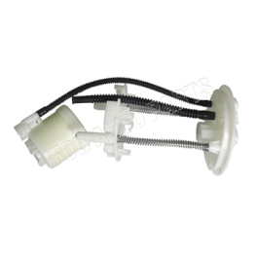 | TRH201,203,213,221,223 | 2TRFE | 2005-2011 | Toyota | HIACE
23300-75020 | Filter paper、iron | 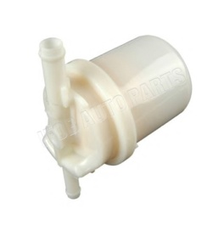 | RZH1# | 1RZ/1RZE/2RZ/2RZE | 1995-2001 | Toyota | HIACE
23300-75170 | Filter paper、iron | 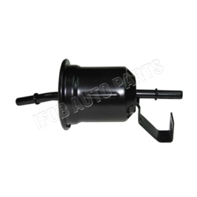 | TRB50 | 2TRFE | 2007-2010 | Toyota | COASTER
23300-75170 | Filter paper、iron |  | TRB40 | 2TRFE | 2007-2010 | Toyota | COASTER
23300-79615 | Filter paper、iron | 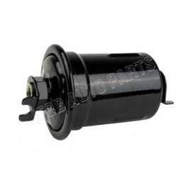 | RZB40 | 3RZFE | 1993-2007 | Toyota | COASTER
23300-79615 | Filter paper、iron |  | RZB50 | 3RZFE | 1993-2007 | Toyota | COASTER
23390-56040 | Filter paper、iron | 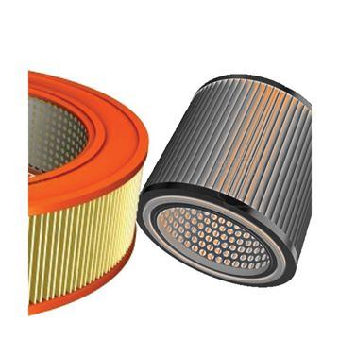 | HZB50 | 1HZ | 1993-2004 | Toyota | COASTER
23390-64480 | Filter paper、iron |  | BB50 | 15BFT | 1996-2006 | Toyota | COASTER
77024-12081 | Filter paper、iron | 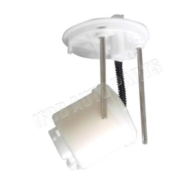 | NZE141 | 1NZFE | 2007-2010 | Toyota | COROLLA
23390-26140 | Filter paper、iron | 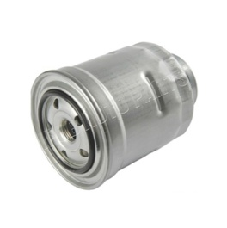 | CE140 | 2C | 2007-2010 | Toyota | COROLLA
77024-02100 | Filter paper、iron | 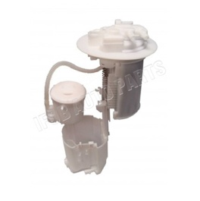 | ZZE150 | 4ZZFE | 2007-2009 | Toyota | COROLLA
23300-28040 | Filter paper、iron | 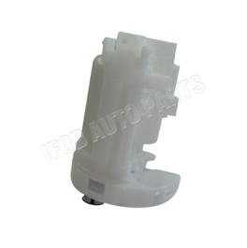 | ZZE12# | 1ZZFE/3ZZFE | 2001-2008 | Toyota | COROLLA
77024-12081 | Filter paper、iron |  | ZZE142 | 1ZZFE | 2007-2008 | Toyota | COROLLA
23390-64450 | Filter paper、iron | 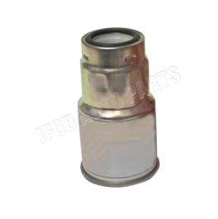 | CDE | 1CDFTV | 2002-2008 | Toyota | COROLLA
23300-21010 | Filter paper、iron |  | NZE121 | 2NZFE | 2000-2007 | Toyota | COROLLA
23300-28040 | Filter paper、iron |  | ZZE120 | 4ZZFE | 2004-2007 | Toyota | COROLLA
23300-28040 | Filter paper、iron |  | ZZE121 | 3ZZFE | 2002-2007 | Toyota | COROLLA
23300-21010 | Filter paper、iron |  | NZE120 | 2NZFE | 2000-2004 | Toyota | COROLLA
23300-0D060 | Filter paper、iron | 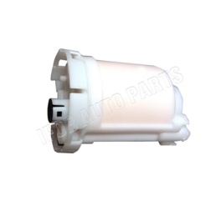 | ZRE12# | 1ZRFE | 2007- | Toyota | COROLLA
23300-22030 | Filter paper、iron | 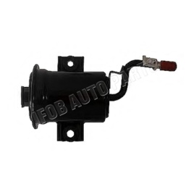 | ZZE111 | 4ZZFE | 2000-2002 | Toyota | COROLLA
23300-22030 | Filter paper、iron |  | ZZE112 | 3ZZFE | 2000-2002 | Toyota | COROLLA
23300-19285 | Filter paper、iron | 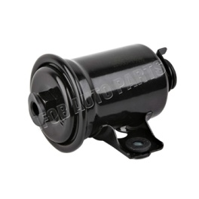 | AE11# | 4AFE | 1995-2001 | Toyota | COROLLA
23303-64010 | Filter paper、iron | 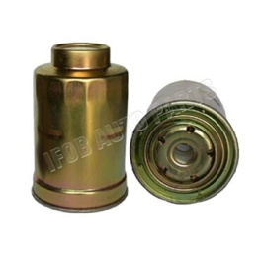 | CE110 | 2C | 1998-2001 | Toyota | COROLLA
23300-15010 | Filter paper、iron | 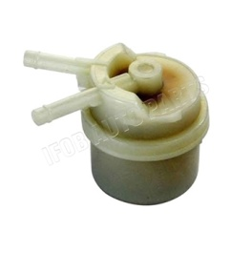 | EE11# | 2E/ 4EFE | 1997-2001 | Toyota | COROLLA
77024-12050 | Filter paper、iron | 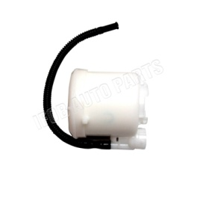 | ZRE152 | 2ZRFE | 2007-2010 | Toyota | COROLLA
77024-02132 | Filter paper、iron | 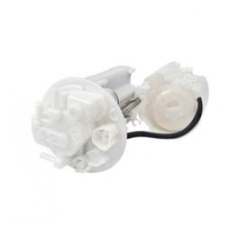 | ZRE143 | 3ZRFE | 2008-2010 | Toyota | COROLLA
23300-21010 | Filter paper、iron |  | ZZE122 | 1ZZFE | 2000-2008 | Toyota | COROLLA
77024-02132 | Filter paper、iron |  | ZZE141 | 3ZZFE | 2007-2008 | Toyota | COROLLA
23300-74330 | Filter paper、iron | 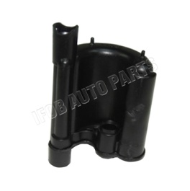 | NHW11 | 1NZFXE | 2000-2003 | Toyota | PRIUS
23300-20130 | Filter paper、iron | 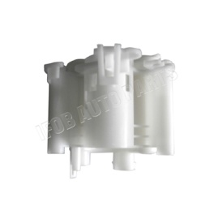 | NHW20 | 1NZFXE | 2005-2009 | Toyota | PRIUS
23300-19535 | Filter paper、iron |  | AT22# | 4AFE | 1997-2003 | Toyota | AVENSIS
23300-21010 | Filter paper、iron |  | ACR30 | 2AZFE | 2000-2006 | Toyota | PREVIA
23300-79285 | Filter paper、iron |  | TCR20 | 2TZFE | 1990-1999 | Toyota | PREVIA
23303-64010 | Filter paper、iron |  | KZN185 | 1KZT | 1995-2000 | Toyota | 4RUNNER
23300-79525 | Filter paper、iron |  | RZN18# | 3RZFE | 1998 | Toyota | 4RUNNER
23300-31100 | Filter paper、iron |  | GRN21 | 1GRFE | 2002-2009 | Toyota | 4RUNNER
23390-30150 | Filter paper、iron |  | KZN215 | 1KZTE | 2002-2005 | Toyota | 4RUNNER
77024-60260 | Filter paper、iron |  | GRN28# | 1GRFE | 2009-2010 | Toyota | 4RUNNER
 | Filter paper、iron
77024-47040 | Filter paper、iron |  | ZWA10 | 2ZRFXE | 2010- | Lexus | LEXUS CT200H
23300-21010 | Filter paper、iron |  | GXE10 | 1GFE | 1999-2005 | Lexus | LEXUS IS200/250
77024-53030 | Filter paper、iron |  | GSE2# | 3GRFE | 2006- | Lexus | LEXUS IS250/300
23300-79545 | Filter paper、iron |  | MCV30 | 1MAFE | 2001-2006 | Lexus | LEXUS ES300
23300-21010 | Filter paper、iron |  | ACV40/GSV40 | 2GRFE | 2006-2012 | Lexus | LEXUS ES240/ES350
23300-20040 | Filter paper、iron |  | MCV20 | 1MZFE | 1996-2001 | Lexus | LEXUS ES300
23300-74330 | Filter paper、iron |  | JZS160 | 2JZGE | 1997-2005 | Lexus | LEXUS GS300/GS430
77024-30120 | Filter paper、iron |  | GRS19# | 3GRFE | 2005-2011 | Lexus | LEXUS GS300/GS430
23300-50070 | Filter paper、iron |  | UCF20 | 1UZFE | 1994-2000 | Lexus | LEXUS LS400
77024-50020 | Filter paper、iron |  | USF4# | 1URFSE | 2006-2012 | Lexus | LEXUS LS460
77024-60260 | Filter paper、iron |  | GRJ158/UZJ150 | 1URFE | 2009- | Lexus | LEXUS GX400/460
23300-12862 | Filter paper、iron |  | URJ20# | 1URFE | 2007- | Lexus | LEXUS LX460/570
 | Filter paper、iron
17040-1HM0A | Filter paper、iron |  | K13Z |  | 2010- | Nissan | MARCH
17040-1HM0A | Filter paper、iron |  | K13W |  | 2011- | Nissan | MARCH
16400-2Y921 | Filter paper、iron |  | B15X |  | 2000-2006 | Nissan | SENTRA
17040-9AB0A | Filter paper、iron |  | B16X |  | 2006- | Nissan | SENTRA
16400-0M200 | Filter paper、iron |  | B14X |  | 1995-2000 | Nissan | SENTRA
17040-1HJ0A | Filter paper、iron |  | N17K |  | 2011- | Nissan | SUNNY
17040-1HJ0A | Filter paper、iron |  | N17G |  | 2012- | Nissan | SUNNY
17040-1HM0A | Filter paper、iron |  | N17Z |  | 2010- | Nissan | SUNNY
17040-5M300 | Filter paper、iron |  | N16E |  | 2001-2005 | Nissan | ALMERA
17040-1HM0A | Filter paper、iron |  | N17P |  | 2012 | Nissan | ALMERA
16400-41B05 | Filter paper、iron |  | P11 |  | 1996-2001 | Nissan | PRIMERA
17040-9N00A | Filter paper、iron |  | A35 |  | 2008- | Nissan | MAXIMA
16400-4M405 | Filter paper、iron |  | CA33 |  | 1999-2008 | Nissan | MAXIMA
17040-JN00C | Filter paper、iron |  | J32 |  | 2008-2013 | Nissan | TEANA
17040-JN00C | Filter paper、iron |  | J32Z |  | 2008-2012 | Nissan | TEANA
16400-0W005 | Filter paper、iron |  | D22B |  | 2002-2008 | Nissan | FRONTIER
16400-41B1A | Filter paper、iron |  | D22X |  | 2008- | Nissan | NP300 PICKUP
16400-ES60A | Filter paper、iron |  | E25 |  | 2001-2012 | Nissan | URVAN
16400-3XN1A | Filter paper、iron |  | E26 |  | 2012- | Nissan | NV350 URVAN
16400-0W000 | Filter paper、iron |  | R50 |  | 1995-2005 | Nissan | PATHFINDER
17040-3KA1A | Filter paper、iron |  | R52 |  | 2012- | Nissan | PATHFINDER
16400-2Y505 | Filter paper、iron |  | T30 |  | 2001- | Nissan | X-TRAIL
17040-JE60A | Filter paper、iron |  | T31Z |  | 2010- | Nissan | X-TRAIL
17040-9N00A | Filter paper、iron |  | L32 |  | 2003-2013 | Nissan | ALTIMA
16400-00Q0K | Filter paper、iron |  | C11X |  | 2006-2013 | Nissan | TIIDA
17040-ED800 | Filter paper、iron |  | C11Z |  | 2005-2011 | Nissan | TIIDA
17040-ED80A | Filter paper、iron |  | G11Z |  | 2006- | Nissan | BLUEBIRD SYLPHY
16400-ZT50A | Filter paper、iron |  | L10B |  | 2009- | Nissan | LIVINA
17040-ED80A | Filter paper、iron |  | L10Z |  | 2006- | Nissan | LIVINA GENISS
17041-ZP00A | Filter paper、iron |  | D40 |  | 2009- | Nissan | FRONTIER
17040-JR40D | Filter paper、iron |  | D40TT |  | 2012- | Nissan | NAVARA
17040-1KC0B | Filter paper、iron |  | F15E |  | 2012- | Nissan | JUKE
16400-41B05 | Filter paper、iron |  | F50 |  | 2001-2008 | INFINITI | INFINITI Q45
16400-0W010 | Filter paper、iron |  | FGY33 |  | 1996-2001 | INFINITI | INFINITI Q45
16400-OW010 | Filter paper、iron |  | JR50 |  | 2001-2003 | INFINITI | INFINITI QX40
17040-1CA0A | Filter paper、iron |  | S51 |  | 2008- | INFINITI | INFINITI QX70
17040-1BA0D | Filter paper、iron |  | J50 |  | 2007- | INFINITI | INFINITI QX50
17040-3KA1C | Filter paper、iron |  | L50 |  | 2012- | INFINITI | INFINITI QX60
42021-AE000 | Filter paper、iron |  | B12 | EJ201 | 1998-2003 | Subaru | LEGACY
42072-AG140 | Filter paper、iron |  | B13 | 204 | 2003-2009 | Subaru | LEGACY
42072-AJ020 | Filter paper、iron |  | B14 | 204 | 2009- | Subaru | LEGACY
42072-AA011 | Filter paper、iron |  | G10 | EJ16E | 1992-2002 | Subaru | IMPREZA
42072-SA000 | Filter paper、iron |  | G11 |  | 2000-2007 | Subaru | IMPREZA
42072-AG140 | Filter paper、iron |  | G12 |  | 2007-2011 | Subaru | IMPREZA
42072-AJ060 | Filter paper、iron |  | G13/G23 |  | 2011- | Subaru | IMPREZA
42072-AG140 | Filter paper、iron |  | G22 |  | 2007- | Subaru | IMPREZA
42072-AJ060 | Filter paper、iron |  | G33 |  | 2011- | Subaru | IMPREZA
42021-FA310 | Filter paper、iron |  | S10 | EJ20J | 1997-2002 | Subaru | FORESTER
42072-FE020 | Filter paper、iron |  | S11 |  | 2002-2007 | Subaru | FORESTER
42072-AG140 | Filter paper、iron |  | S12 |  | 2007- | Subaru | FORESTER
42072-AG16A | Filter paper、iron |  | W10 |  | 2006- | Subaru | TRIBECA
13327811401 | Filter paper、iron |  | E81 |  |  | BMW | 1series
16117170090 | Filter paper、iron |  | E87 |  |  | BMW | 1series
16127233840 | Filter paper、iron |  | E87 LCI |  |  | BMW | 1series
16117163295 | Filter paper、iron |  | E82 |  |  | BMW | 1series
16127233840 | Filter paper、iron |  | E88 |  |  | BMW | 1series
16117297777 | Filter paper、iron |  | F21 |  |  | BMW | 1series
16127233840 | Filter paper、iron |  | F22 |  |  | BMW | 2series
13321740985 | Filter paper、iron |  | E36 |  |  | BMW | 3series
16117163295 | Filter paper、iron |  | E90 |  |  | BMW | 3series
16117163295 | Filter paper、iron |  | E90 LCI |  |  | BMW | 3series
16117163295 | Filter paper、iron |  | E91 |  |  | BMW | 3series
16117163295 | Filter paper、iron |  | E91 LCI |  |  | BMW | 3series
16117170090 | Filter paper、iron |  | E92 |  |  | BMW | 3series
16117170090 | Filter paper、iron |  | E92 LCI |  |  | BMW | 3series
16117163295 | Filter paper、iron |  | E93 |  |  | BMW | 3series
16117163295 | Filter paper、iron |  | E93 LCI |  |  | BMW | 3series
16127233840 | Filter paper、iron |  | F34 GT |  |  | BMW | 3series
16127233840 | Filter paper、iron |  | F35 |  |  | BMW | 3series
16127233840 | Filter paper、iron |  | F32 |  |  | BMW | 4series
16127233840 | Filter paper、iron |  | F33 |  |  | BMW | 4series
16146752368 | Filter paper、iron |  | E39 |  |  | BMW | 5series
16146766152 | Filter paper、iron |  | E60/E60LCI |  |  | BMW | 5series
16146766152 | Filter paper、iron |  | E61 |  |  | BMW | 5series
16146766152 | Filter paper、iron |  | E61 LCI |  |  | BMW | 5series
16146766152 | Filter paper、iron |  | F07 GT |  |  | BMW | 5series
13328517894 | Filter paper、iron |  | F10 LCI |  |  | BMW | 5series
13328517894 | Filter paper、iron |  | F11 |  |  | BMW | 5series
16117260644 | Filter paper、iron |  | F11 LCI |  |  | BMW | 5series
16117260644 | Filter paper、iron |  | F18 |  |  | BMW | 5series
16127233840 | Filter paper、iron |  | F18 LCI |  |  | BMW | 5series
16127233840 | Filter paper、iron |  | E63 |  |  | BMW | 6series
16117373470 | Filter paper、iron |  | E63 LCI |  |  | BMW | 6series
16117373470 | Filter paper、iron |  | E64 |  |  | BMW | 6series
16117373470 | Filter paper、iron |  | E64 LCI |  |  | BMW | 6series
16117373470 | Filter paper、iron |  | F06 GC |  |  | BMW | 6series
16127233840 | Filter paper、iron |  | F12 |  |  | BMW | 6series
16127233840 | Filter paper、iron |  | F13 |  |  | BMW | 6series
16127233840 | Filter paper、iron |  | E38 |  |  | BMW | 7series
13321702632 | Filter paper、iron |  | E65 |  |  | BMW | 7series
16126754017 | Filter paper、iron |  | E66 |  |  | BMW | 7series
16127233840 | Filter paper、iron |  | F01 |  |  | BMW | 7series
16127233840 | Filter paper、iron |  | F01 LCI |  |  | BMW | 7series
16127233840 | Filter paper、iron |  | F02 |  |  | BMW | 7series
16127233840 | Filter paper、iron |  | F02 LCI |  |  | BMW | 7series
16127233840 | Filter paper、iron |  | E84 |  |  | BMW | X1
16127233840 | Filter paper、iron |  | E83 |  |  | BMW | X3
16127233840 | Filter paper、iron |  | E83 LCI |  |  | BMW | X3
16127233840 | Filter paper、iron |  | F25 |  |  | BMW | X3
16126754016 | Filter paper、iron |  | E53 |  |  | BMW | X5
16126754016 | Filter paper、iron |  | E70 |  |  | BMW | X5
16126754016 | Filter paper、iron |  | E70 LCI |  |  | BMW | X5
16117212585 | Filter paper、iron |  | F15 |  |  | BMW | X5
16126754016 | Filter paper、iron |  | E71 |  |  | BMW | X6
16127236934 | Filter paper、iron |  | E72 |  |  | BMW | X6
16117168284 | Filter paper、iron |  | E85 |  |  | BMW | Z4
16117168284 | Filter paper、iron |  | E86 |  |  | BMW | Z5
16117168284 | Filter paper、iron |  | E89 |  |  | BMW | Z6
16146757196 | Filter paper、iron |  | R50 |  |  | BMWMINI | MINI
16146765124 | Filter paper、iron |  | R53 |  |  | BMWMINI | MINI
11252754870 | Filter paper、iron |  | R56 |  |  | BMWMINI | MINI
11252754870 | Filter paper、iron |  | R56 LCI |  |  | BMWMINI | MINI
11252754870 | Filter paper、iron |  | F56 |  |  | BMWMINI | MINI
11252754870 | Filter paper、iron |  | R55 |  |  | BMWMINI | Clubman
11252754870 | Filter paper、iron |  | R55 LCI |  |  | BMWMINI | Clubman
16146757196 | Filter paper、iron |  | R52 |  |  | BMWMINI | Cabrio
11252754870 | Filter paper、iron |  | R57 |  |  | BMWMINI | Cabrio
11252754870 | Filter paper、iron |  | R57 LCI |  |  | BMWMINI | Cabrio
11252754870 | Filter paper、iron |  | R58 |  |  | BMWMINI | Coupe
11252754870 | Filter paper、iron |  | R59 |  |  | BMWMINI | Roadster
13328511053 | Filter paper、iron |  | R60 |  |  | BMWMINI | Countryman
13328511053 | Filter paper、iron |  | R61 |  |  | BMWMINI | Paceman
1760A282 | Filter paper、iron |  | CV2W | 4J11 | 2007- | Mitsubishi | DELICA
1760A282 | Filter paper、iron |  | CV4W | 4B11 | 2007- | Mitsubishi | DELICA
1760A282 | Filter paper、iron |  | CV5W | 4B12 | 2007- | Mitsubishi | DELICA
MR239580 | Filter paper、iron |  | K89W | 6G74 | 2002-2007 | Mitsubishi | MONTERO SPORT
1760A318 | Filter paper、iron |  | KG6W | 6B31 | 2008- | Mitsubishi | MONTERO SPORT
1760A318 | Filter paper、iron |  | KH6W | 6B31 | 2008- | Mitsubishi | MONTERO SPORT
1760A318 | Filter paper、iron |  | KH9W | 6G74 | 2008- | Mitsubishi | MONTERO SPORT
MR239580 | Filter paper、iron |  | K86W | 6G72 | 1999-2006 | Mitsubishi | PAJERO SPORT
MR239580 | Filter paper、iron |  | K96W | 6G72 | 1999-2006 | Mitsubishi | PAJERO SPORT
1770A267 | Filter paper、iron |  | KH6W | 6B31 | 2011-2012 | Mitsubishi | PAJERO SPORT
1760A221 | Filter paper、iron |  | KA5T | 4G64 | 2007- | Mitsubishi | L200
MB868456 | Filter paper、iron |  | K62T | 4G63 | 1996-2007 | Mitsubishi | L200
MB868456 | Filter paper、iron |  | K65T | 4G64 | 1996-2007 | Mitsubishi | L200
MB868456 | Filter paper、iron |  | K66T | 6G72 | 1996-2007 | Mitsubishi | L200
MB433774 | Filter paper、iron |  | K72T | 4G63 | 1996-2007 | Mitsubishi | L200
MB868456 | Filter paper、iron |  | K75T | 4G64 | 1996-2007 | Mitsubishi | L200
MB868456 | Filter paper、iron |  | K76T | 6G72 | 1996-2007 | Mitsubishi | L200
1760A221 | Filter paper、iron |  | KA5T | 4G64 | 2005- | Mitsubishi | L200 SPORTERO
MN163201 | Filter paper、iron |  | KB5T | 4G64 | 2005- | Mitsubishi | L200 SPORTERO
MN163201 | Filter paper、iron |  | KB9T | 6G74 | 2005- | Mitsubishi | L200 SPORTERO
MR526974 | Filter paper、iron |  | V77W | 6G75 | 2002-2006 | Mitsubishi | MONTERO
MR529135 | Filter paper、iron |  | V97W | 6G75 | 2007- | Mitsubishi | MONTERO
MR526974 | Filter paper、iron |  | V63W | 6G72 | 2000-2006 | Mitsubishi | PAJERO/MONTERO
MR526974 | Filter paper、iron |  | V65W | 6G74 | 2000-2006 | Mitsubishi | PAJERO/MONTERO
MR526974 | Filter paper、iron |  | V67W | 6G75 | 2000-2006 | Mitsubishi | PAJERO/MONTERO
MR529135 | Filter paper、iron |  | V83W | 6G72 | 2006- | Mitsubishi | PAJERO/MONTERO
MR529135 | Filter paper、iron |  | V85W | 6G74 | 2006- | Mitsubishi | PAJERO/MONTERO
MR529135 | Filter paper、iron |  | V87W | 6G75 | 2006- | Mitsubishi | PAJERO/MONTERO
MR529135 | Filter paper、iron |  | V93W | 6G72 | 2006- | Mitsubishi | PAJERO/MONTERO
MR529135 | Filter paper、iron |  | V95W | 6G74 | 2006- | Mitsubishi | PAJERO/MONTERO
MN135454 | Filter paper、iron |  | CS6A | 4G94 | 2003-2007 | Mitsubishi | LANCER
MN135454 | Filter paper、iron |  | CS7A | 4G69 | 2003-2007 | Mitsubishi | LANCER
MR571545 | Filter paper、iron |  | CT9A | 4G63 | 2003-2007 | Mitsubishi | LANCER
MR514676 | Filter paper、iron |  | CU5W | 4G69 | 2003-2006 | Mitsubishi | OUTLANDER
MR514676 | Filter paper、iron |  | CU2W | 4G63 | 2001-2008 | Mitsubishi | OUTLANDER
MR514676 | Filter paper、iron |  | CU4W | 4G64 | 2001-2008 | Mitsubishi | OUTLANDER
MR266494 | Filter paper、iron |  | EA3A | 4G64 | 1996-2006 | Mitsubishi | GALANT
MR212200 | Filter paper、iron |  | EA4A | 6A12 | 1996-2006 | Mitsubishi | GALANT
MR212200 | Filter paper、iron |  | EA5A | 6A13 | 1996-2006 | Mitsubishi | GALANT
MR266494 | Filter paper、iron |  | EA7A | 4G94 | 1996-2006 | Mitsubishi | GALANT
MR529135 | Filter paper、iron |  | Z21A | 4A90 | 2003-2011 | Mitsubishi | COLT
MR529135 | Filter paper、iron |  | Z23A | 4A91 | 2003-2011 | Mitsubishi | COLT
MR529135 | Filter paper、iron |  | Z25A | 4G19 | 2003-2011 | Mitsubishi | COLT
MR529135 | Filter paper、iron |  | Z27A | 4G15 | 2003-2011 | Mitsubishi | COLT
MR526974 | Filter paper、iron |  | Z27W | 4G15 | 2003-2011 | Mitsubishi | COLT
A 642 090 53 52 | Filter paper、iron |  | W245 | 266960 | 2008- | Benz | B200
A 002 477 30 01 | Filter paper、iron |  | W203 | 271946 | 2005- | Benz | C180
A 002 477 64 01 | Filter paper、iron |  | W203 | 271940 | 2005- | Benz | C200K
A 002 477 30 01 | Filter paper、iron |  | W203 | 112912 | 2005- | Benz | C240
A 002 477 30 01 | Filter paper、iron |  | W203 | 112946 | 2005- | Benz | C320
A 002 477 30 01 | Filter paper、iron |  | W203 | 272920 | 2005- | Benz | C230
A 002 477 30 01 | Filter paper、iron |  | W203 | 272940 | 2005- | Benz | C280
A 002 477 30 01 | Filter paper、iron |  | W203 | 272960 | 2005- | Benz | C350
A 002 477 64 01 | Filter paper、iron |  | W203 | 271946 | 2005- | Benz | C180K
A 204 470 04 94 | Filter paper、iron |  | W204 | 271952 | 2010- | Benz | C180K
A 002 477 28 01 | Filter paper、iron |  | W210 | 111942 | 1997- | Benz | E200
A 002 477 28 01 | Filter paper、iron |  | W210 | 111947 | 1997- | Benz | E200K
A 002 477 64 01 | Filter paper、iron |  | W210 | 112921 | 1997- | Benz | E280
A 002 477 28 01 | Filter paper、iron |  | W210 | 119985 | 1997- | Benz | E420
A 002 477 28 01 | Filter paper、iron |  | W210 | 111970 | 1997- | Benz | E230
A 002 477 30 01 | Filter paper、iron |  | W210 | 112914 | 1997- | Benz | E240
A 211 470 41 94 | Filter paper、iron |  | W211 | 271956 | 2006- | Benz | E200K
A 211 470 41 94 | Filter paper、iron |  | W211 | 272922 | 2006- | Benz | E230
A 002 477 28 01 | Filter paper、iron |  | W140 | 104990 | 1993- | Benz | 300SEL
A 002 477 28 01 | Filter paper、iron |  | W140 | 119970 | 1993- | Benz | 500SEL
A 002 477 28 01 | Filter paper、iron |  | W140 | 120980 | 1993- | Benz | 600SEL
A 002 477 28 01 | Filter paper、iron |  | W140 | 104944 | 1993- | Benz | S280
A 002 477 28 01 | Filter paper、iron |  | W140 | 104994 | 1993- | Benz | S320
A 002 477 28 01 | Filter paper、iron |  | W140 | 119980 | 1993- | Benz | S500
A 002 477 28 01 | Filter paper、iron |  | W140 | 120982 | 1993- | Benz | S600
A 002 477 30 01 | Filter paper、iron |  | W220 | 112944 | 2002- | Benz | S320
A 002 477 30 01 | Filter paper、iron |  | W220 | 113960 | 2002- | Benz | S500
A 002 477 30 01 | Filter paper、iron |  | W220 | 112922 | 2002- | Benz | S280
A 002 477 30 01 | Filter paper、iron |  | W220 | 112972 | 2002- | Benz | S350
A 211 470 41 94 | Filter paper、iron |  | C219 | 272964 | 2008- | Benz | CLS350
A 211 470 41 94 | Filter paper、iron |  | C219 | 113967 | 2008- | Benz | CLS500
A 211 470 41 94 | Filter paper、iron |  | C219 | 272943 | 2008- | Benz | CLS300
A 002 477 64 01 | Filter paper、iron |  | R170 | 111958 | 2004- | Benz | SLK200K
A 171 470 09 90 | Filter paper、iron |  | R171 | 271944 | 2008- | Benz | SLK200K
A 171 470 09 90 | Filter paper、iron |  | R171 | 272942 | 2008- | Benz | SLK280
A 171 470 09 90 | Filter paper、iron |  | R171 | 272963 | 2008- | Benz | SLK350
A 002 477 30 01 | Filter paper、iron |  | R230 | 272966 | 2006- | Benz | SL350
A 002 477 30 01 | Filter paper、iron |  | R230 | 113963 | 2006- | Benz | SL500
A 002 477 30 01 | Filter paper、iron |  | R230 | 272949 | 2008- | Benz | SL300
A 163 477 05 01 | Filter paper、iron |  | W163 | 111977 | 2002- | Benz | ML230
A 163 477 05 01 | Filter paper、iron |  | W163 | 112942 | 2002- | Benz | ML320
A 163 477 04 01 | Filter paper、iron |  | W163 | 112970 | 2002- | Benz | ML350
A 164 470 02 90 | Filter paper、iron |  | W164 | 272967 | 2009- | Benz | ML350
A 164 470 02 90 | Filter paper、iron |  | W164 | 273963 | 2009- | Benz | ML500
A 164 470 02 90 | Filter paper、iron |  | X164 | 273923 | 2010- | Benz | GL450
A 251 470 00 90 | Filter paper、iron |  | V251 | 113971 | 2010- | Benz | R500
A 164 470 02 90 | Filter paper、iron |  | V251 | 272967 | 2010- | Benz | R350
A 164 470 02 90 | Filter paper、iron |  | V251 | 272945 | 2010- | Benz | R280
A 164 470 02 90 | Filter paper、iron |  | V251 | 272945 | 2010- | Benz | R300
A 204 470 20 94 | Filter paper、iron |  | C207 | 272982 | 2009- | Benz | E350
A 204 470 20 94 | Filter paper、iron |  | A207 | 272982 | 2009- | Benz | E350
A 002 477 30 01 | Filter paper、iron |  | C209 | 271955 | 2005- | Benz | CLK200K
A 002 477 30 01 | Filter paper、iron |  | C209 | 112912 | 2005- | Benz | CLK240
A 002 477 30 01 | Filter paper、iron |  | C209 | 112955 | 2005- | Benz | CLK320
A 002 477 30 01 | Filter paper、iron |  | C209 | 272940 | 2005- | Benz | CLK280
A 002 477 30 01 | Filter paper、iron |  | C209 | 272960 | 2005- | Benz | CLK350
A 002 477 30 01 | Filter paper、iron |  | A209 | 271955 | 2005- | Benz | CLK200K
A 002 477 30 01 | Filter paper、iron |  | A209 | 112912 | 2005- | Benz | CLK240
A 002 477 30 01 | Filter paper、iron |  | A209 | 112955 | 2005- | Benz | CLK320
A 002 477 30 01 | Filter paper、iron |  | A209 | 272940 | 2005- | Benz | CLK280
A 002 477 30 01 | Filter paper、iron |  | A209 | 272960 | 2005- | Benz | CLK350
L33L-13-ZE0 | Filter paper、iron |  | AUES01 | ER | 2006- | Mazda | Mazda CX-7
L33L-13-ZE0 | Filter paper、iron |  | AEES01 | ER | 2007- | Mazda | Mazda CX-7
L33L-13-ZE0 | Filter paper、iron |  | AEES02 | ER | 2009- | Mazda | Mazda CX-7
CY03-13-ZE0 | Filter paper、iron |  | ALTV01 | TB | 2007- | Mazda | Mazda CX-9
CY03-13-ZE0 | Filter paper、iron |  | AETV01 | TB | 2008- | Mazda | Mazda CX-9
ZJ38-13-ZE0 | Filter paper、iron |  | AEDM03 | BY | 2003- | Mazda | MAZDA 2
ZJ38-13-ZE0 | Filter paper、iron |  | AEDM04 | BY | 2005- | Mazda | MAZDA 2
ZJ38-13-ZE0 | Filter paper、iron |  | ALDM02 | DE | 2007- | Mazda | MAZDA 2
ZJ38-13-ZE0 | Filter paper、iron |  | AEDM05 | DE | 2007- | Mazda | MAZDA 2
ZJ38-13-ZE0 | Filter paper、iron |  | ALDM03 | DE | 2009- | Mazda | MAZDA 2
ZJ38-13-ZE0 | Filter paper、iron |  | ALDMN1 | DE | 2010- | Mazda | MAZDA 2
ZJ38-13-ZE0 | Filter paper、iron |  | AEDM06 | DE | 2010- | Mazda | MAZDA 2
Z605-13-35XA | Filter paper、iron |  | ALBA11 | BK | 2003- | Mazda | MAZDA 3
Z605-13-35XA | Filter paper、iron |  | AEBA10 | BK | 2003- | Mazda | MAZDA 3
ZY08-13-35XF | Filter paper、iron |  | AEBA11 | BK | 2006- | Mazda | MAZDA 3
LF3T-13-35XD | Filter paper、iron |  | AEBA13 | BL | 2011- | Mazda | MAZDA 3
LF3T-13-35XD | Filter paper、iron |  | ALBA14 | BL | 2011- | Mazda | MAZDA 3
LFB6-13-ZE0 | Filter paper、iron |  | AECV04 | CR | 2005- | Mazda | MAZDA 5
LF5W-13-ZE0 | Filter paper、iron |  | AECV05 | CR | 2007- | Mazda | MAZDA 5
LF2L-13-ZE0 | Filter paper、iron |  | AECV06 | CW | 2010- | Mazda | MAZDA 5
LFY7-13-ZE0 | Filter paper、iron |  | AEGA08 | GG | 2002- | Mazda | MAZDA 6
LFY7-13-ZE0 | Filter paper、iron |  | ALGA08 | GG | 2002- | Mazda | MAZDA 6
LFY7-13-ZE0 | Filter paper、iron |  | AEGA09 | GG | 2005- | Mazda | MAZDA 6
L509-13-ZE0 | Filter paper、iron |  | ALGA10 | GH | 2007- | Mazda | MAZDA 6
L509-13-ZE0 | Filter paper、iron |  | AEGA10 | GH | 2007- | Mazda | MAZDA 6
L509-13-ZE0 | Filter paper、iron |  | AEGA11 | GH | 2009- | Mazda | MAZDA 6
L509-13-ZE0 | Filter paper、iron |  | ALGA11 | GH | 2010- | Mazda | MAZDA 6
LFY7-13-ZE0 | Filter paper、iron |  | AEGV06 | GY | 2002- | Mazda | MAZDA 6 WAGON
L509-13-ZE0 | Filter paper、iron |  | ALGV08 | GH | 2007- | Mazda | MAZDA 6 WAGON
L509-13-ZE0 | Filter paper、iron |  | AEGV08 | GH | 2007- | Mazda | MAZDA 6 WAGON
L509-13-ZE0 | Filter paper、iron |  | AEGV09 | GH | 2009- | Mazda | MAZDA 6 WAGON
LD47-60-960 | Filter paper、iron |  | AELV04 | LW | 2002- | Mazda | MPV
6Q0 127 401 F | Filter paper、iron |  | 1.2TFSI(8X) | CBZA | 2010- | Audi | AUDI A1（8X）
6Q0 127 401 F | Filter paper、iron |  | 1.4TFSI(8X) | CAXA | 2011- | Audi | AUDI A1（8X）
1J0 201 511 A | Filter paper、iron |  | 1.6 | AEH/AKL/APF | 1996-2003 | Audi | AUDI A3（8L）
1J0 201 511 A | Filter paper、iron |  | 1.8T | AGU/AQA | 1996-2003 | Audi | AUDI A3（8L）
1J0 201 511 A | Filter paper、iron |  | 1.8 20V | AGU/AQA/ARZ/AUM | 1996-2003 | Audi | AUDI A3（8L）
6Q0 201 051 C | Filter paper、iron |  | 2.0FSI | AXW/BLR/X/Y/MB/VY/VZZ | 2003- | Audi | AUDI A3（8L）
1K0 127 434 A | Filter paper、iron |  | 1.8TFSI | BYT/BZB/CDAA | 2006- | Audi | AUDI A3（8PA）
6Q0 201 051 C | Filter paper、iron |  | 3.2 V6 | BDB/BMJ/BUB | 2003- | Audi | AUDI A3（8PA）
1H0 201 511 A | Filter paper、iron |  | 1.6（B6/8EC/8ED) | ALZ | 2000-2008 | Audi | AUDI A4 (B6/8ED/8EC)
1J0 201 511 J | Filter paper、iron |  | 1.8T(B6/8EC/8ED) | BFB | 2002-2004 | Audi | AUDI A4 (B6/8ED/8EC)
1J0 201 511 J | Filter paper、iron |  | 1.8T(B6) | BEX | 2002-2004 | Audi | AUDI A4 (B6/8ED/8EC)
1J0 201 511 J | Filter paper、iron |  | 2.0(B6/8EC/8ED) | ALT | 2000- | Audi | AUDI A4 (B6/8ED/8EC)
1J0 201 511 J | Filter paper、iron |  | 2.0FSI(B6) | AWA | 2002-2004 | Audi | AUDI A4 (B6/8ED/8EC)
1J0 201 511 A | Filter paper、iron |  | 2.0TFSI(8EC/8ED) | BGB/BWE | 2004- | Audi | AUDI A4 (B6/8ED/8EC)
1J0 201 511 A | Filter paper、iron |  | 2.0TFSI(8EC/8ED) | BUL | 2005- | Audi | AUDI A4 (B6/8ED/8EC)
1J0 201 511 A | Filter paper、iron |  | 2.4 V6(B6) | BDV | 2008- | Audi | AUDI A4 (B6/8ED/8EC)
1J0 201 511 A | Filter paper、iron |  | 2.4 V6(B6) | AMM | 2004 | Audi | AUDI A4 (B6/8ED/8EC)
1J0 201 511 A | Filter paper、iron |  | 3.0 V6(B6) |  | 2000-2004 | Audi | AUDI A4 (B6/8ED/8EC)
1J0 201 511 A | Filter paper、iron |  | 3.0 V6(B6/8ED/8EC) | ASN/AVK/BBJ | 2001-2006 | Audi | AUDI A4 (B6/8ED/8EC)
4F0 201 511 D | Filter paper、iron |  | 3.2FSI(8ED/8EC) | AUK | 2005- | Audi | AUDI A4 (B6/8ED/8EC)
8K0 127 400 A | Filter paper、iron |  | 1.8TFSI(8T) | CABD | 2007- | Audi | AUDI A5 (8T)
8K0 127 400 A | Filter paper、iron |  | 2.0TFSI(8T) | CAEA/CAEB/CDNB | 2008- | Audi | AUDI A5 (8T)
8K0 127 400 A | Filter paper、iron |  | 2.0TFSI(8T) | CDNC | 2008- | Audi | AUDI A5 (8T)
8K0 127 400 A | Filter paper、iron |  | 3.2FSI(8T) | CALA | 2007- | Audi | AUDI A5 (8T)
4F0 201 511 D | Filter paper、iron |  | 2.0TFSI(4F2/4F5) | BPJ/BYK | 2005- | Audi | AUDI A6(4F2/4F5)
4F0 201 511 D | Filter paper、iron |  | 2.4 V6(4F2/4F5) | BDW | 2004-2008 | Audi | AUDI A6(4F2/4F5)
4F0 201 511 D | Filter paper、iron |  | 2.8FSI V6(4F2) | BDX | 2006-2008 | Audi | AUDI A6(4F2/4F5)
4F0 201 511 D | Filter paper、iron |  | 3.0 V6（4F2/4F5) | BBJ | 2004-2006 | Audi | AUDI A6(4F2/4F5)
4F0 201 511 D | Filter paper、iron |  | 3.2FSI V6(4F2/4F50 | AUK/BKH/BYU | 2004-2008 | Audi | AUDI A6(4F2/4F5)
4F0 201 511 D | Filter paper、iron |  | 4.2 V8(4F2/4F5) | BAT | 2004- | Audi | AUDI A6(4F2/4F5)
4F0 201 511 D | Filter paper、iron |  | 4.2 V8FSI(4F2) | BVJ | 2006- | Audi | AUDI A6(4F2/4F5)
1J0 201 511 A | Filter paper、iron |  | 2.8FSI(4GA) | BDX | 2007- | Audi | AUDI A8(4E)
1J0 201 511 A | Filter paper、iron |  | 3.0L |  | 2003-2006 | Audi | AUDI A8(4E)
1J0 201 511 A | Filter paper、iron |  | 3.0L |  | 2003- | Audi | AUDI A8(4E)
1J0 201 511 A | Filter paper、iron |  | 3.2FSI | BPK | 2005- | Audi | AUDI A8(4E)
1J0 201 511 A | Filter paper、iron |  | 3.7 | BFL | 2002- | Audi | AUDI A8(4E)
1J0 201 511 A | Filter paper、iron |  | 4.2 | BFM | 2002- | Audi | AUDI A8(4E)
1J0 201 511 A | Filter paper、iron |  | 4.2FSI | BVJ | 2006- | Audi | AUDI A8(4E)
1J0 201 511 A | Filter paper、iron |  | 5.2 V10(S8) | BSM | 2006- | Audi | AUDI A8(4E)
1J0 201 511 A | Filter paper、iron |  | 6.0 W12 | BHT/BTE/BSB | 2003- | Audi | AUDI A8(4E)
4H0 201 511 A | Filter paper、iron |  | 3.0TFSI(4H) | CGWA/CGWX/CGXA | 2010- | Audi | AUDI A8(4H)
4H0 201 511 A | Filter paper、iron |  | 3.0TFSI(4H) | CGWD | 2011- | Audi | AUDI A8(4H)
4H0 201 511 A | Filter paper、iron |  | 3.0TFSI(4H) | CMDA | 2010- | Audi | AUDI A8(4H)
4H0 201 511 A | Filter paper、iron |  | 4.2FSI(4H) | CDRA | 2010- | Audi | AUDI A8(4H)
8K0 127 400A | Filter paper、iron |  | 2.0TFSI(8R) | CDNA | 2009- | Audi | AUDI Q5(8R)
8K0 127 400A | Filter paper、iron |  | 2.0TFSI(8R) | CDNA/CHJA | 2008- | Audi | AUDI Q5(8R)
8K0 127 400A | Filter paper、iron |  | 3.2FSI(8R) | CALB | 2008- | Audi | AUDI Q5(8R)
1K0 201 051 C | Filter paper、iron |  | 1.8TFSI(8J3/8J9) | CDAA | 2008- | Audi | AUDI TT/TTS(8J)
1K0 201 051 C | Filter paper、iron |  | 2.0TFSI(8J3/8J9) | BWA/BPY/CCZA | 2006- | Audi | AUDI TT/TTS(8J)
1K0 201 051 K | Filter paper、iron |  | 2.0TFSI | CESA/CETA | 2010- | Audi | AUDI TT/TTS(8J)
1K0 201 051 C | Filter paper、iron |  | 2.0TFSI | CDLA/CDMA | 2008- | Audi | AUDI TT/TTS(8J)
1K0 201 051 C | Filter paper、iron |  | 2.0TFSI(8J3/8J9) | CDLB | 2008- | Audi | AUDI TT/TTS(8J)
1K0 201 051 C | Filter paper、iron |  | 3.2 V6(8J3/8J9) | BUB | 2006- | Audi | AUDI TT/TTS(8J)
ESR4686 | Filter paper、iron |  | 2.5L |  | 1998-2004 | land rover | Discovery Series II
LR016845 | Filter paper、iron |  | 4.0L |  | 2005-2009 | land rover | LR3/Discovery 3
WGS500050 | Filter paper、iron |  | 4.4L |  | 2005-2009 | land rover | LR3/Discovery 3
LR042973 | Filter paper、iron |  | 4.0L |  | 2010- | land rover | LR4/Discovery 4
LR013750 | Filter paper、iron |  | 5.0L |  | 2010- | land rover | LR4/Discovery 4
WFX000110 | Filter paper、iron |  | 1.8L |  | 1996-2006 | land rover | Freelander
WFX100980 | Filter paper、iron |  | 2.0L 8V |  | 1996-2006 | land rover | Freelander
WFX106480 | Filter paper、iron |  | 2.0L 16V |  | 1996-2006 | land rover | Freelander
WFX000190 | Filter paper、iron |  | 2.5L |  | 1996-2006 | land rover | Freelander
WGC500092 | Filter paper、iron |  | 4.2L V8 |  | 2002-2009 | land rover | Range Rover
WGC500102 | Filter paper、iron |  | 4.4L V8 |  | 2002-2009 | land rover | Range Rover
LR014995 | Filter paper、iron |  | 5.0L V8 |  | 2010-2012 | land rover | Range Rover
LR014998 | Filter paper、iron |  | 2.7L V6 |  | 2005-2009 | land rover | Range Rover Sport
LR014998 | Filter paper、iron |  | 3.6L V8 |  | 2005-2009 | land rover | Range Rover Sport
LR014997 | Filter paper、iron |  | 4.2L V8 |  | 2005-2009 | land rover | Range Rover Sport
LR016845 | Filter paper、iron |  | 4.4L V8 |  | 2005-2009 | land rover | Range Rover Sport
LR026197 | Filter paper、iron |  | 2.0L 16V |  | 2012- | land rover | Range Rover Evoque
LR029098 | Filter paper、iron |  | 4.4L V8 |  | 2013- | land rover | Range Rover
LR026195 | Filter paper、iron |  | 5.0L V8 |  | 2013- | land rover | Range Rover
23390-BZ010 | Filter paper、iron |  | F700/F710 | 3SZVE | 2006-2010 | Daihatsu | Terios
23390-BZ010 | Filter paper、iron |  | F700/F710 | 3SZVE | 2010- | Daihatsu | Terios
23300-87402 | Filter paper、iron |  | J100/102/122 | HCEJ | 1997-2000 | Daihatsu | Terios
23300-87403 | Filter paper、iron |  | J100/102/122 | HCEJ | 1997-2003 | Daihatsu | Terios
23300-87403 | Filter paper、iron |  | J100/102/122 | K3VE | 2003-2005 | Daihatsu | Terios
23908-B1010 | Filter paper、iron |  | J200/J210/J211 | 3SZVE | 2006-2008 | Daihatsu | Terios
23908-B1010 | Filter paper、iron |  | J200/J210/J211 | 3SZVE | 2008- | Daihatsu | Terios
15410-84301 | Filter paper、iron |  | SB308 |  | 2000- | Suzuki | Alto
15410-72B00 | Filter paper、iron |  | SD306 |  | 2002-2008 | Suzuki | Alto
15410-63B01 | Filter paper、iron |  | SH410 |  | 2002-2008 | Suzuki | Alto
15410-72B00 | Filter paper、iron |  | SR306 |  | 2002-2008 | Suzuki | Alto
15410M79F01 | Filter paper、iron |  | AMF310 | E06 | 2009- | Suzuki | Celerio
15410M79F01 | Filter paper、iron |  | AMF310 | E05 | 2009- | Suzuki | Celerio
15410-62G00 | Filter paper、iron |  | SY413 |  | 1999- | Suzuki | Baleno
15410-62G00 | Filter paper、iron |  | SY415 |  | 2000- | Suzuki | Baleno
15410-62G00 | Filter paper、iron |  | SY416 |  | 2000- | Suzuki | Baleno
15410-62G00 | Filter paper、iron |  | SY418 |  | 2002- | Suzuki | Baleno
15100-65842 | Filter paper、iron |  | JB420 |  | 2005- | Suzuki | Grand Vitara
15100-65842 | Filter paper、iron |  | JB627 |  | 1998- | Suzuki | Grand Vitara
15410-65D10 | Filter paper、iron |  | SQ416 |  | 1998- | Suzuki | Grand Vitara
15410-65D00 | Filter paper、iron |  | SQ420 |  | 1998- | Suzuki | Grand Vitara
15410-65D10 | Filter paper、iron |  | SQ625 |  | 1998- | Suzuki | Grand Vitara
15410-52D20 | Filter paper、iron |  | JA627 |  |  | Suzuki | Grand Vitara XL-7
15310-81A02 | Filter paper、iron |  | SN413 |  |  | Suzuki | Jimny
15410-84A00 | Filter paper、iron |  | SN415 |  |  | Suzuki | Jimny
15310-54G00 | Filter paper、iron |  | RH413 |  |  | Suzuki | Liana
15310-54G00 | Filter paper、iron |  | RH416 |  |  | Suzuki | Liana
15310-54G01 | Filter paper、iron |  | RH418 |  |  | Suzuki | Liana
15310-54G01 | Filter paper、iron |  | RH423 |  |  | Suzuki | Liana
15100-79J00 | Filter paper、iron |  | RW415 |  |  | Suzuki | SX4
15100-79J00 | Filter paper、iron |  | RW416 |  |  | Suzuki | SX4
15100-62J01 | Filter paper、iron |  | RS415 |  |  | Suzuki | Swift
15100-62J01 | Filter paper、iron |  | RS416 |  |  | Suzuki | Swift
15410-82000 | Filter paper、iron |  | SA310 |  |  | Suzuki | Swift
15410-82000 | Filter paper、iron |  | SA413 |  |  | Suzuki | Swift
15410-63B01 | Filter paper、iron |  | SF310 |  |  | Suzuki | Swift
15410-63B01 | Filter paper、iron |  | SF416 |  |  | Suzuki | Swift
15410-65D00 | Filter paper、iron |  | SQ416 |  |  | Suzuki | Vitara
15410-65D00 | Filter paper、iron |  | SQ420 |  |  | Suzuki | Vitara
15410-65D10 | Filter paper、iron |  | SQ625 |  |  | Suzuki | Vitara
1K0 201 051 C | Filter paper、iron |  | 1.6 | BSE | 2006-2008 | VW | Jetta
1K0 201 051 C | Filter paper、iron |  | 2.0 | CCTA | 2006-2008 | VW | Jetta
1K0 201 051 C | Filter paper、iron |  | 2.5 | BTK | 2006-2008 | VW | Jetta
1K0 201 051 C | Filter paper、iron |  | 2.5 | CCCA | 2006-2008 | VW | Jetta
1K0 201 051 C | Filter paper、iron |  | 1.4 | CAVD | 2009-2011 | VW | Jetta
1K0 201 051 C | Filter paper、iron |  | 1.4 | CAXA | 2009-2011 | VW | Jetta
6Q0 201 051 J | Filter paper、iron |  | 1.4 | CNLA | 2012- | VW | Jetta
6Q0 201 051 J | Filter paper、iron |  | 1.4 | CAVD | 2012- | VW | Jetta
6Q0 201 051 J | Filter paper、iron |  | 1.2 | CBZB | 2012- | VW | Jetta
6Q0 201 051 J | Filter paper、iron |  | 2.0 | CPLA | 2012- | VW | Jetta
6Q0 201 051 J | Filter paper、iron |  | 2.0 | CCZA | 2012- | VW | Jetta
6X0 201 511 B | Filter paper、iron |  | 1.6 | BAH | 2004-2005 | VW | Polo
6X0 201 511 B | Filter paper、iron |  | 1.4 | BLM | 2004-2005 | VW | Polo
6X0 201 511 B | Filter paper、iron |  | 2.0 | BBX | 2004-2005 | VW | Polo
6X0 201 511 B | Filter paper、iron |  | 1.2 | AWY | 2004-2005 | VW | Polo
6X0 201 511 B | Filter paper、iron |  | 1.2 | BMD | 2004-2005 | VW | Polo
6X0 201 511 B | Filter paper、iron |  | 1.6 | BAH | 2006-2008 | VW | Polo
6X0 201 511 B | Filter paper、iron |  | 1.2 | BMD | 2006-2008 | VW | Polo
6X0 201 511 B | Filter paper、iron |  | 1.4 | BKY | 2006-2008 | VW | Polo
6X0 201 511 B | Filter paper、iron |  | 1.4 | BLM | 2006-2008 | VW | Polo
6X0 201 511 B | Filter paper、iron |  | 1.6 | BBM | 2009-2010 | VW | Polo
6X0 201 511 B | Filter paper、iron |  | 1.4 | BUD | 2009-2010 | VW | Polo
6X0 201 511 B | Filter paper、iron |  | 1.9 | BAH | 2009-2010 | VW | Polo
6X0 201 511 B | Filter paper、iron |  | 1.2 | BJX | 2009-2010 | VW | Polo
6X0 201 511 B | Filter paper、iron |  | 1.4 | BBX | 2009-2010 | VW | Polo
6X0 201 511 B | Filter paper、iron |  | 1.9 | BZG | 2009-2010 | VW | Polo
6Q0 201 051 J | Filter paper、iron |  | 1.2 | CBZB | 2012- | VW | Polo
6Q0 201 051 J | Filter paper、iron |  | 1.4 | CLPA | 2012- | VW | Polo
6Q0 201 051 J | Filter paper、iron |  | 1.6 | CLSA | 2012- | VW | Polo
1K0 201 051 C | Filter paper、iron |  | 1.4 | CDGA | 2009-2011 | VW | Passat
1J0 201 511 A | Filter paper、iron |  | 1.6 | BAD | 2004-2006 | VW | Golf
1J0 201 511 A | Filter paper、iron |  | 1.6 | AEH | 2004-2006 | VW | Golf
1J0 201 511 A | Filter paper、iron |  | 1.8 | AUM | 2004-2006 | VW | Golf
1J0 201 511 A | Filter paper、iron |  | 2.0 | APK | 2004-2006 | VW | Golf
1J0 201 511 A | Filter paper、iron |  | 2.3 | AQN | 2004-2006 | VW | Golf
1K0 201 051 C | Filter paper、iron |  | 2.0 | CCTA | 2007-2008 | VW | Golf
1K0 201 051 C | Filter paper、iron |  | 1.4 | BMY | 2007-2008 | VW | Golf
1K0 201 051 C | Filter paper、iron |  | 1.4 | CAXA | 2007-2008 | VW | Golf
1K0 201 051 C | Filter paper、iron |  | 1.4 | BUD | 2007-2008 | VW | Golf
1K0 201 051 C | Filter paper、iron |  | 1.6 | BSF | 2007-2008 | VW | Golf
1K0 201 051 C | Filter paper、iron |  | 2.0 | CAWB | 2007-2008 | VW | Golf
6Q0 201 051 C | Filter paper、iron |  | 1.2 | CBZA | 2009-2011 | VW | Golf
6Q0 201 051 C | Filter paper、iron |  | 1.4 | CGGA | 2009-2011 | VW | Golf
6Q0 201 051 C | Filter paper、iron |  | 1.6 | BSE | 2009-2011 | VW | Golf
6Q0 201 051 C | Filter paper、iron |  | 2.0 | CCZB | 2009-2011 | VW | Golf
6Q0 201 051 C | Filter paper、iron |  | 2.0 | CDLC | 2009-2011 | VW | Golf
6Q0 201 051 C | Filter paper、iron |  | 2.5 | CBTA | 2009-2011 | VW | Golf
1K0 201 051 K | Filter paper、iron |  | 2.0 | CFHB | 2012- | VW | Golf
1K0 201 051 K | Filter paper、iron |  | 2.0 | CNWA | 2012- | VW | Golf
1K0 201 051 K | Filter paper、iron |  | 2.5 | CBUA | 2012- | VW | Golf
1K0 201 051 K | Filter paper、iron |  | 1.4 | CGGA | 2012- | VW | Golf
1K0 201 051 K | Filter paper、iron |  | 1.2 | CBZA | 2012- | VW | Golf
1J0 201 511 A | Filter paper、iron |  | 1.4 | AHW | 2004-2005 | VW | Bora
1J0 201 511 A | Filter paper、iron |  | 1.6 | BAD | 2004-2005 | VW | Bora
1J0 201 511 A | Filter paper、iron |  | 1.6 | AEH | 2004-2005 | VW | Bora
1J0 201 511 A | Filter paper、iron |  | 1.8 | AUM | 2004-2005 | VW | Bora
1J0 201 511 A | Filter paper、iron |  | 2.0 | APK | 2004-2005 | VW | Bora
7L6 919 087 F | Filter paper、iron |  | 3.2 | BMV | 2006-2007 | VW | Touareg
7L6 919 087 F | Filter paper、iron |  | 4.2 | AXQ | 2006-2007 | VW | Touareg
7L6 919 087 F | Filter paper、iron |  | 3.6 | BHK | 2006-2007 | VW | Touareg
7L6 919 087 F | Filter paper、iron |  | 6.0 | BJN | 2008-2010 | VW | Touareg
7L6 919 087 F | Filter paper、iron |  | 4.2 | BAR | 2008-2010 | VW | Touareg
6Q0 201 511 | Filter paper、iron |  | 1.6 | BGU | 2004-2005 | VW | Touran
6Q0 201 511 | Filter paper、iron |  | 1.6 | BAG | 2004-2005 | VW | Touran
6Q0 201 511 | Filter paper、iron |  | 2.0 | AXW | 2004-2005 | VW | Touran
1K0 201 051 C | Filter paper、iron |  | 1.4 | BMY | 2006-2008 | VW | Touran
1K0 201 051 C | Filter paper、iron |  | 1.6 | BSE | 2006-2008 | VW | Touran
1K0 201 051 C | Filter paper、iron |  | 2.0 | BSX | 2006-2008 | VW | Touran
1K0 201 051 C | Filter paper、iron |  | 2.0 | BVZ | 2006-2008 | VW | Touran
1K0 201 051 C | Filter paper、iron |  | 1.4 | BLG | 2006-2008 | VW | Touran
6Q0 201 051 C | Filter paper、iron |  | 1.4 | BMY | 2009-2010 | VW | Touran
6Q0 201 051 C | Filter paper、iron |  | 1.4 | BLG | 2009-2010 | VW | Touran
6Q0 201 051 C | Filter paper、iron |  | 1.6 | BSE | 2009-2010 | VW | Touran
6Q0 201 051 C | Filter paper、iron |  | 2.0 | BSX | 2009-2010 | VW | Touran
1K0 919 051 DB | Filter paper、iron |  | 1.2 | CBZB | 2011- | VW | Touran
1K0 919 051 DB | Filter paper、iron |  | 1.4 | CAVC | 2011- | VW | Touran
5N0 919 087 H | Filter paper、iron |  | 1.4 | CAVD | 2012- | VW | Tiguan
5N0 919 087 H | Filter paper、iron |  | 2.0 | CAWA | 2012- | VW | Tiguan
5N0 919 087 H | Filter paper、iron |  | 1.4 | CTHD | 2012- | VW | Tiguan
31112-3R000 | Filter paper、iron |  |  |  | 2010- | KIA | CADENZA
31910-2H000 | Filter paper、iron |  |  |  | 2006- | KIA | CEED 06MY
31090-2F000 | Filter paper、iron |  |  |  | 2004-2006 | KIA | CERATO
31911-2F000 | Filter paper、iron |  |  |  | 2006- | KIA | CERATO
31911-2F000 | Filter paper、iron |  |  |  | 2009- | KIA | CERATO
31112-3R000 | Filter paper、iron |  |  |  | 2012- | KIA | CERATO
31910-2H000 | Filter paper、iron |  |  |  | 2008- | KIA | CERATO
31112-1G000 | Filter paper、iron |  |  |  | 2005- | KIA | RIO
31112-1G000 | Filter paper、iron |  |  |  | 2006- | KIA | RIO
31911-38204 | Filter paper、iron |  |  |  | 2000-2005 | KIA | OPTIMA
31911-2G000 | Filter paper、iron |  |  |  | 2005 | KIA | OPTIMA
31911-2G000 | Filter paper、iron |  |  |  | 2009 | KIA | OPTIMA
KB35920490A | Filter paper、iron |  |  |  | 2000-2001 | KIA | PRIDE
31911-2G000 | Filter paper、iron |  |  |  | 2008- | KIA | BORREGO
31911-4D600 | Filter paper、iron |  |  |  | 2005- | KIA | CARNIVAL FMC
0K558-20490 | Filter paper、iron |  |  |  | 1998-2005 | KIA | CARNIVAL
31911-3E200 | Filter paper、iron |  |  |  | 2002- | KIA | SORENTO
31911-3E700 | Filter paper、iron |  |  |  | 2006- | KIA | SORENTO
31315-M2002 | Filter paper、iron |  |  |  | 1999-2003 | KIA | JOICE DS
0K08A20490A | Filter paper、iron |  |  |  | 1998-2003 | KIA | SPORTAGE
31911-2E000 | Filter paper、iron |  |  |  | 2006- | KIA | SPORTAGE
31112-1R000 | Filter paper、iron |  |  |  | 2013-2014 | KIA | SPORTAGE
31112-3Q500 | Filter paper、iron |  |  |  | 2010- | KIA | SL 10
31911-22000 | Filter paper、iron |  |  |  | 1995-1999 | HYUNDAI | ACCENT
31112-1G000 | Filter paper、iron |  |  |  | 2006- | HYUNDAI | ACCENT
31112-1R000 | Filter paper、iron |  |  |  | 2011- | HYUNDAI | ACCENT
31911-02100 | Filter paper、iron |  |  |  | 1997-2000 | HYUNDAI | ATOS
31911-02100 | Filter paper、iron |  |  |  | 1999-2000 | HYUNDAI | ATOS
31911-02100 | Filter paper、iron |  |  |  | 2001- | HYUNDAI | ATOS PRIME
31911-05000 | Filter paper、iron |  |  |  | 2006- | HYUNDAI | ATOS PRIME
31911-3L000 | Filter paper、iron |  |  |  | 2005-2006 | HYUNDAI | AZERA
31112-3R000 | Filter paper、iron |  |  |  | 2011 | HYUNDAI | AZERA
31911-29000 | Filter paper、iron |  |  |  | 1996-2000 | HYUNDAI | ELANTRA
31911-2D000 | Filter paper、iron |  |  |  | 2000- | HYUNDAI | ELANTRA
31910-2H000 | Filter paper、iron |  |  |  | 2006- | HYUNDAI | ELANTRA
31112-3R000 | Filter paper、iron |  |  |  | 2011- | HYUNDAI | ELANTRA 11
31112-3R000 | Filter paper、iron |  |  |  | 2012- | HYUNDAI | ELANTRA 13
31910-3M000 | Filter paper、iron |  |  |  | 2008- | HYUNDAI | GENESIS
31112-1R100 | Filter paper、iron |  |  |  | 2011 | HYUNDAI | GENESIS
31112-1C000 | Filter paper、iron |  |  |  | 2002- | HYUNDAI | GETZ
31911-3L000 | Filter paper、iron |  |  |  | 2005 | HYUNDAI | GRANDEUR TG
31910-2H000 | Filter paper、iron |  |  |  | 2007- | HYUNDAI | I10
31910-2H000 | Filter paper、iron |  |  |  | 2010- | HYUNDAI | I10
31910-2H000 | Filter paper、iron |  |  |  | 2011- | HYUNDAI | I10
31910-2H000 | Filter paper、iron |  |  |  | 2008- | HYUNDAI | I20
31910-2H000 | Filter paper、iron |  |  |  | 2012- | HYUNDAI | I20
31910-2H000 | Filter paper、iron |  |  |  | 2008- | HYUNDAI | I30
31112-3R000 | Filter paper、iron |  |  |  | 2012- | HYUNDAI | I30
31911-05000 | Filter paper、iron |  |  |  | 2000-2005 | HYUNDAI | SANTRO
31911-34000 | Filter paper、iron |  |  |  | 1994-1998 | HYUNDAI | SONATA
31911-34000 | Filter paper、iron |  |  |  | 1999-2001 | HYUNDAI | SONATA
31911-38202 | Filter paper、iron |  |  |  | 2002- | HYUNDAI | SONATA
31911-09000 | Filter paper、iron |  |  |  | 2004- | HYUNDAI | SONATA
31911-09000 | Filter paper、iron |  |  |  | 2007- | HYUNDAI | SONATA
31112-3R000 | Filter paper、iron |  |  |  | 2010- | HYUNDAI | SONATA
31910-2H000 | Filter paper、iron |  |  |  | 2007 | HYUNDAI | H-1
31112-17000 | Filter paper、iron |  |  |  | 2001- | HYUNDAI | MATRIX
31112-26000 | Filter paper、iron |  |  |  | 2000 | HYUNDAI | SANTA FE
31112-2B000 | Filter paper、iron |  |  |  | 2006 | HYUNDAI | SANTA FE
31110-1U000 | Filter paper、iron |  |  |  | 2010- | HYUNDAI | SANTA FE
31112-1R100 | Filter paper、iron |  |  |  | 2012- | HYUNDAI | SANTA FE
31911-H1800 | Filter paper、iron |  |  |  | 2001- | HYUNDAI | TERRACAN
31911-2E000 | Filter paper、iron |  |  |  | 2004- | HYUNDAI | TUCSON
31112-3Q500 | Filter paper、iron |  |  |  | 2010- | HYUNDAI | TUCSON
31112-1R000 | Filter paper、iron |  |  |  | 2011- | HYUNDAI | TUCSON(IX35)
31112-3J500 | Filter paper、iron |  |  |  | 2007- | HYUNDAI | VERACRUZ
16010-ST5-932 | Filter paper、iron |  |  |  | 1995-1998 | Honda | 2.5TL
16010-S84-A01 | Filter paper、iron |  |  |  | 1996-2003 | Honda | 3.2TL
16010-ST5-933 | Filter paper、iron |  |  |  | 1996-2004 | Honda | 3.5RL
17045-SNV-020 | Filter paper、iron |  |  |  | 2012- | Honda | CIIMO
17048-TF0-J00 | Filter paper、iron |  |  |  | 2007-2014 | Honda | CITY
16010-S5A-932 | Filter paper、iron |  |  |  | 2000-2003 | Honda | CIVIC
17048-SNA-010 | Filter paper、iron |  |  |  | 2004-2007 | Honda | CIVIC
17048-SNA-010 | Filter paper、iron |  |  |  | 2008-2011 | Honda | CIVIC
17048-TR0-G00 | Filter paper、iron |  |  |  | 2012- | Honda | CIVIC
16010-ST5-933 | Filter paper、iron |  |  |  | 1997-2000 | Honda | CR-V
16010-S9A-000 | Filter paper、iron |  |  |  | 2001-2003 | Honda | CR-V
17048-SWE-T00 | Filter paper、iron |  |  |  | 2004-2007 | Honda | CR-V
17048-SWE-T00 | Filter paper、iron |  |  |  | 2008-2011 | Honda | CR-V
17048-T0A-000 | Filter paper、iron |  |  |  | 2012- | Honda | CR-V
17048-TF0-J00 | Filter paper、iron |  |  |  | 2014- | Honda | CRIDER
17048-TA0-000 | Filter paper、iron |  |  | 2.4 | 2011-2014 | Honda | CR0SSTOUR
17048-TF0-000 | Filter paper、iron |  |  |  | 2013-2014 | Honda | JAZZ
17048-SFE-010 | Filter paper、iron |  |  |  | 1998-2004 | Honda | 0DYSSEY
17048-SFE-010 | Filter paper、iron |  |  |  | 2005-2007 | Honda | ODYSSEY
17048-SLG-000 | Filter paper、iron |  |  |  | 2008-2014 | Honda | ODYSSEY
17048-T6A-000 | Filter paper、iron |  |  |  | 2015- | Honda | ODYSSEY
17048-TA0-000 | Filter paper、iron |  |  | 2.0L | 2010-2012 | Honda | SPIRIOR
17048-TA0-000 | Filter paper、iron |  |  | 2.4L | 2013- | Honda | SPIRIOR
17045-S3V-A00 | Filter paper、iron |  | YD1 | J35A3 | 2001-2002 | Acura | MDX
17048STX-A00 | Filter paper、iron |  | YD2 | J37A1 | 2007-2013 | Acura | MDX
17048-T0A-000 | Filter paper、iron |  | TB4 | J35Z2 | 2014- | Acura | RDX
17048-TA0-000 | Filter paper、iron |  |  |  | 2006-2011 | Acura | TL
17048-TA0-000 | Filter paper、iron |  |  |  | 2012- | Acura | TL
17048-T2A-A00 | Filter paper、iron |  |  |  | 2015- | Acura | TLX
17048-STX-A00 | Filter paper、iron |  |  |  | 2012- | Acura | ZDX

