Sheet1
 | Type | Weight
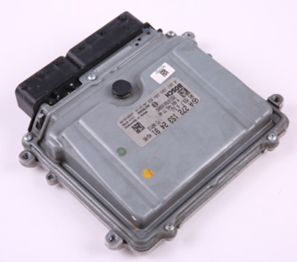 | Mercedes272 273 engine control unit | 480g
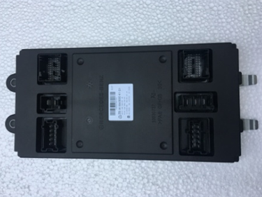 | Mercedes W164 front SAM | 400g
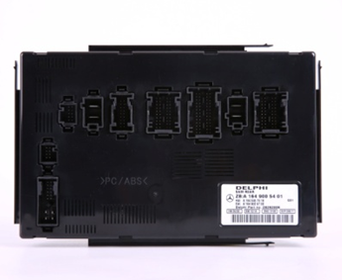 | Mercedes W164 rear SAM | 450g
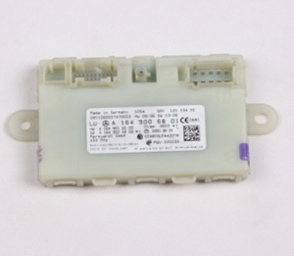 | Mercedes W164 221 remote start control unit 434 frequency | 200g
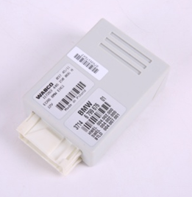 | BMW F02 shock absorber control unit | 100g
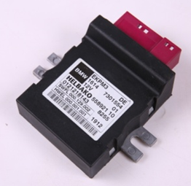 | BMW F02 fuel pump control unit | 200g
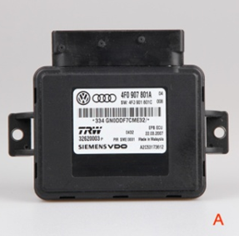 | Audi A6L electric parking brake control unit | 200g
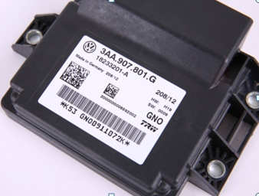 | VW tiguan CC passat magotan electric parking brake control unit | 250g
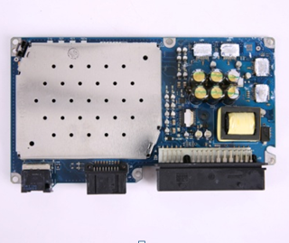 | Q7 2G/3G Q6 2G/3G | 400g | A6L 2G 4F0 035 223 A A6L 2G 4F0 035 223 D G A6L 3G 4F0 035 223P Q7 2G 4L0 035 223 D G Q7 3G 4L0 035 223 P E
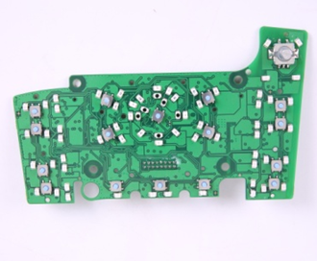 | Audi A6LQ7 MMI circuit board | 100g
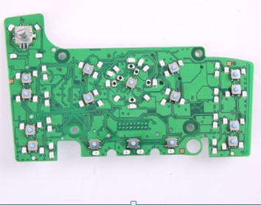 | Audi right driving A6LQ7 MMI circuit board | 100g
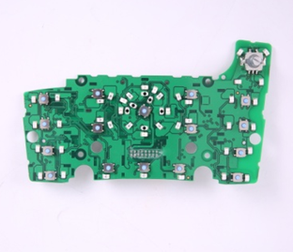 | Audi new gen. Q7 MMI circuit board | 100g
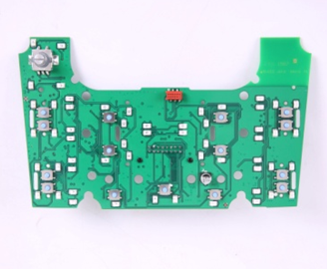 | Audi A8 non navigation MMI circuit board | 100g
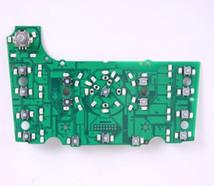 | Audi A8 navigation MMI circuit board | 100g
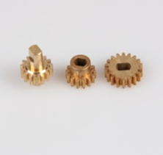 | Audi A8 D3 MMI mount gear | 40g
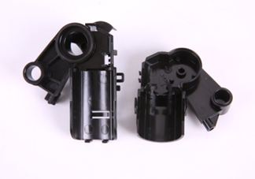 | Audi A8 D4 MMI lift motor cover | 30g
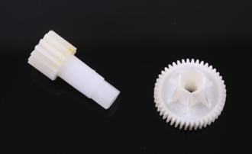 | Audi A8D4 MMI lift mount gear | 20g
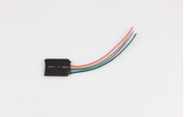 | BMW CAS4 universal can filter | 10g
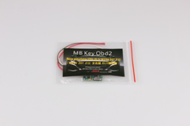 | Mercedes204 207 emulator ESI ELV W204 207 212 | 10g
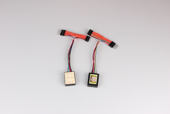 | Mercedes222 CAN instrument universal can filter | 20g
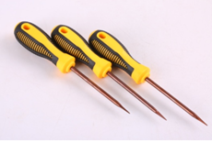 | Mercedes ELV tool | 150g
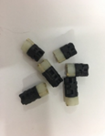 | Mercedes722.9 Y1 Y2 solenoid | 15g
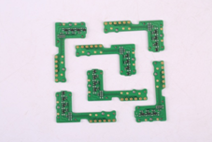 | BMW F02 6HP21 transmission control unit sensor | 20g
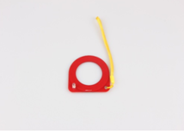 | theft proof induction coil | 10g
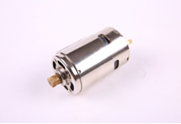 | BMW electric parking brake motor | 30g
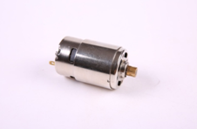 | Mercedes electric parking brake motor | 30g
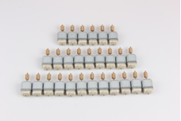 | Mercedes ELV motor | 15g
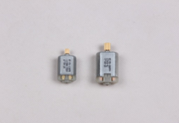 | Audi A6L C6 door lock latch motor | 20g
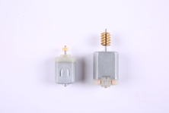 | Land rover door lock latch motor | 20g
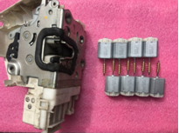 | Mercedes door lock latch motor | 15g
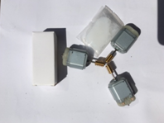 | Nissan steering lock motor | 15g
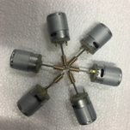 | Audi A6L J518 steering lock motor | 20g
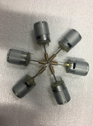 | VW Touareg Phaeton Porsche cayenne steering lock motor | 20g
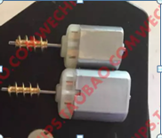 | BMW F02 5 series 7 series door lock latch motor | 20g
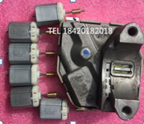 | Nissan new gen. Maxima steering lock motor | 20
 | BMW F02 7 series 868 frequency key | 20g
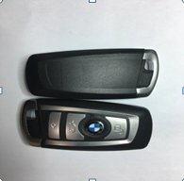 | BMW 7 series 315 frequency | 20g
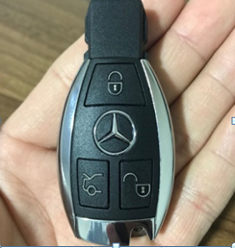 | MercedesBE 315 434 key | 20g

