open Crotch tips
style No and Description | Price | photos | style Number
6171 wholesale drop shipping mesh sexy erotic open crotch bare breast sexy sleepwear lingerie | 2.49-2.87 | 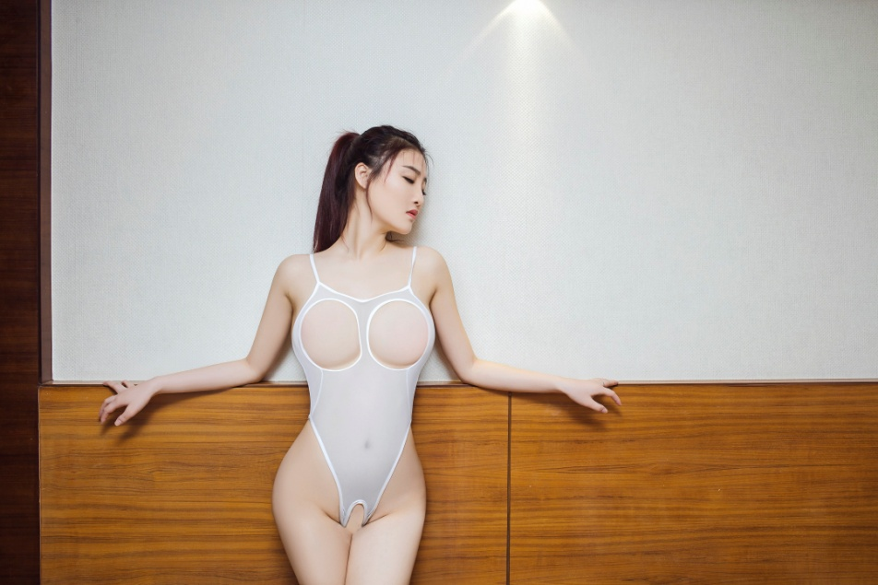 | 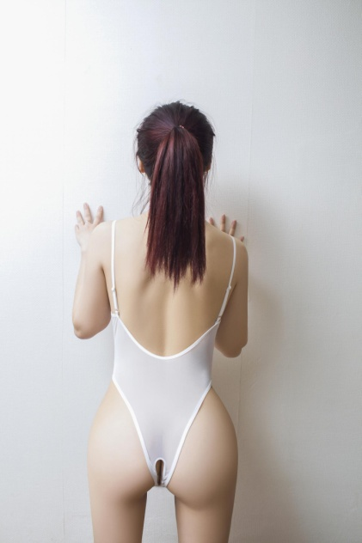 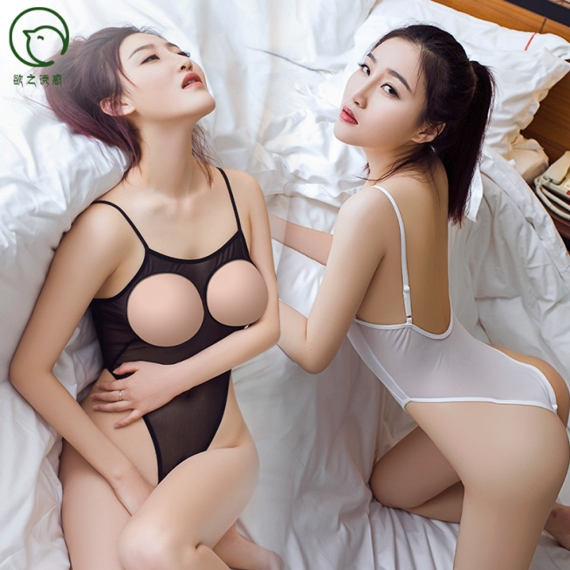
6146 OPEN Crotch back zipper, CHARMING 5-SET Glossy corset night club wear sexy lingerie | $5.16-5.55 | 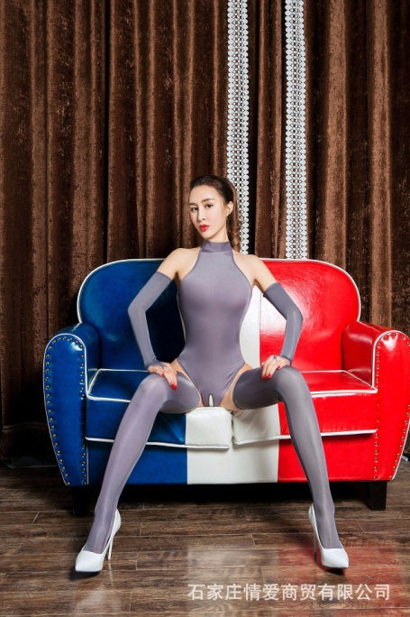 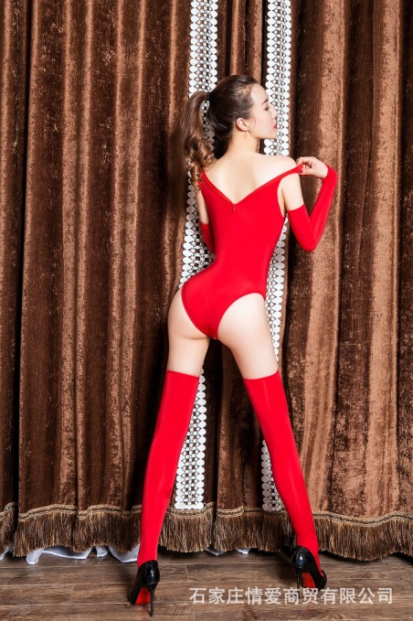 | 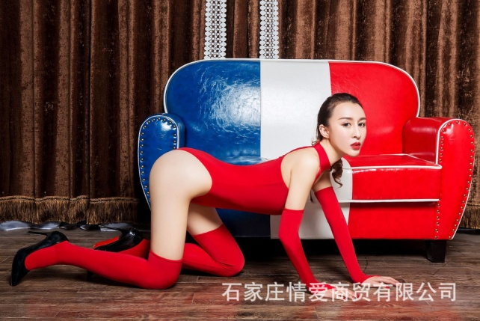 | 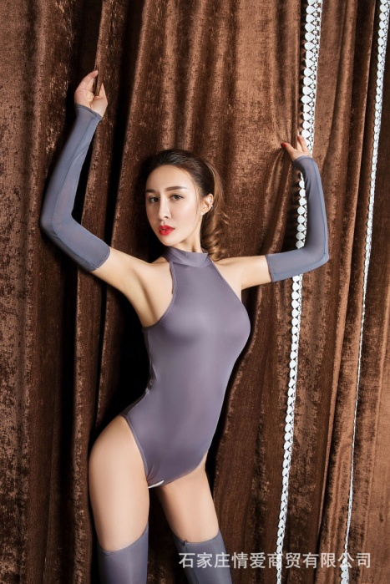
6149 Open Crotch high stretch bodysuit queen suit night club uniform sexy lingerie | $4.78-5.16 | 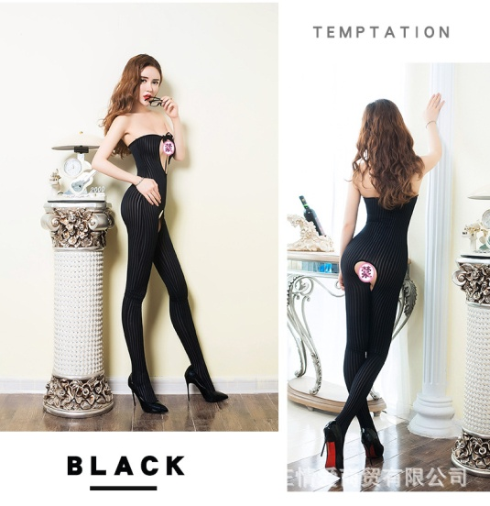 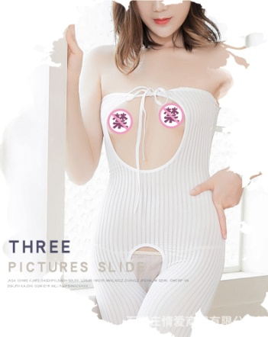 | 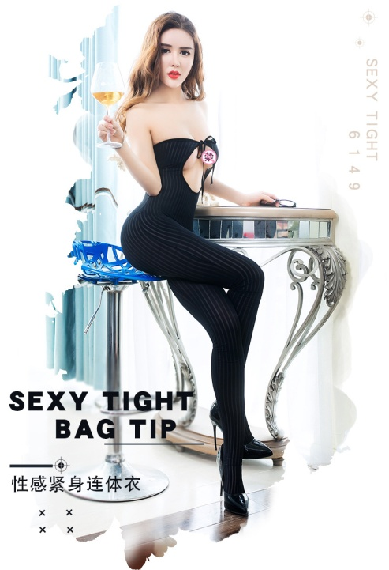 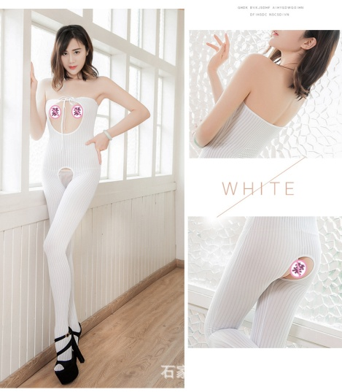
6032 open crotch and high fork 3-point sexy lingerie high elastic corset | $1.53-1.91 | 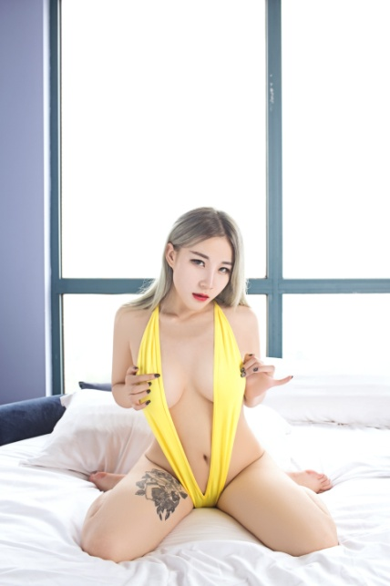 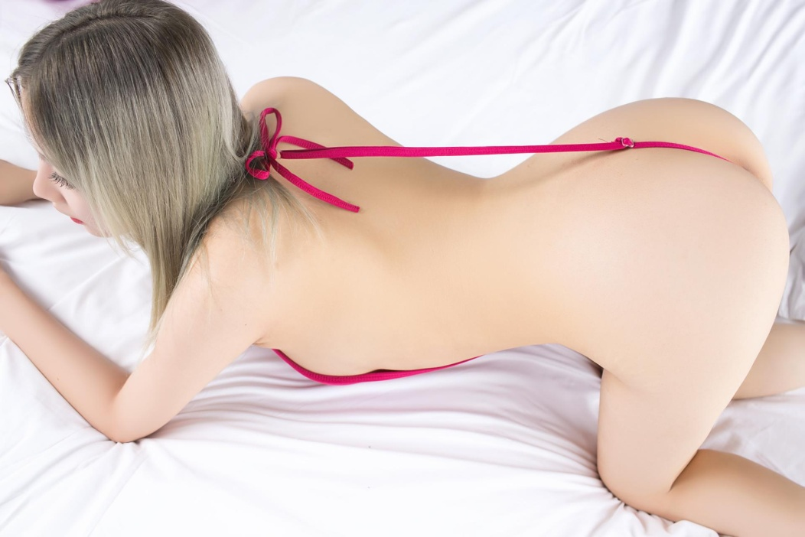 |  | 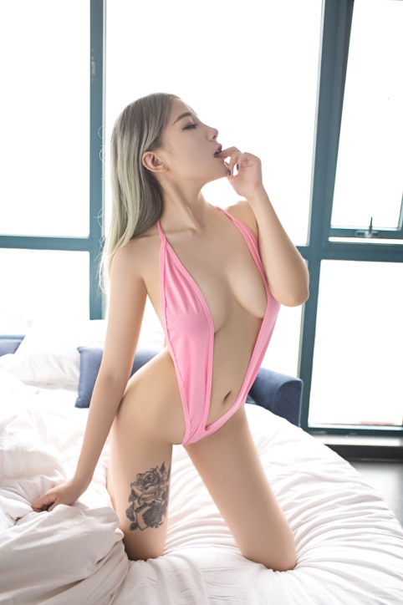
6088 drop shipping and wholesale erotic stretched perspective exposed buttocks open crotch sexy jumpsuit sexy lingerie underwear | $4.78-5.16 | 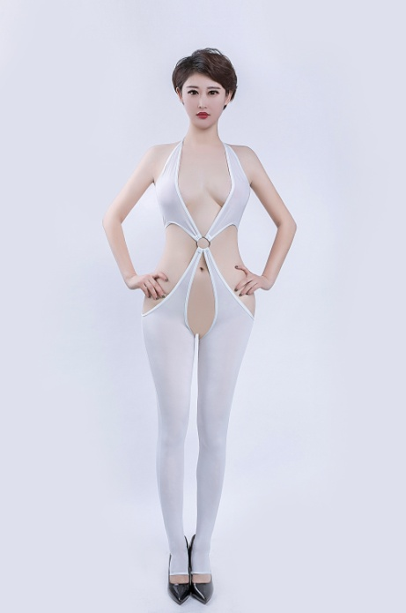 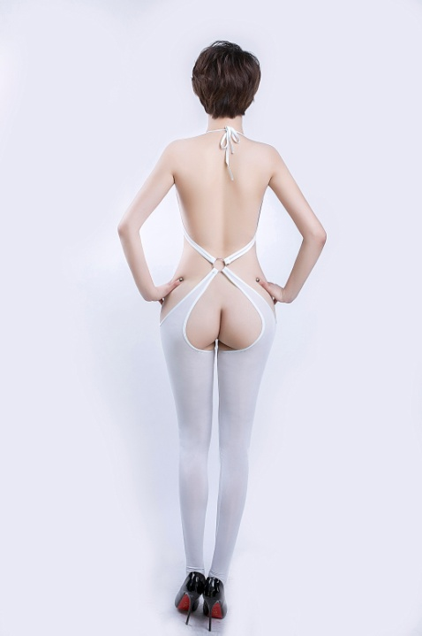 | 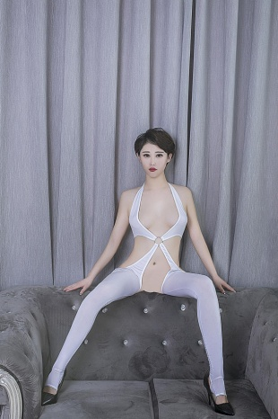 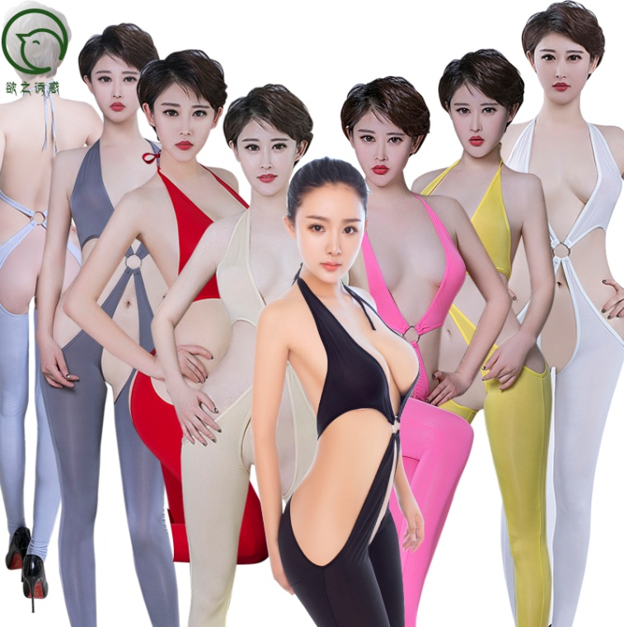
6048 wholesale super thin high stretch hollowed exposed buttocks open crotch erotic sexy jumpsuit lingerie underwear | 3.65-4.05 | 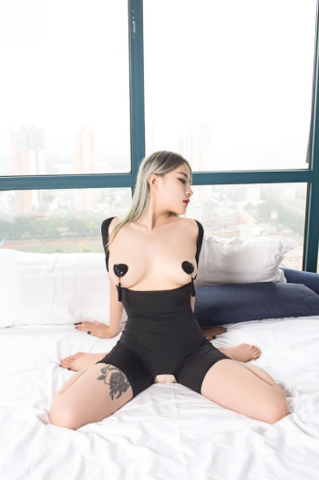 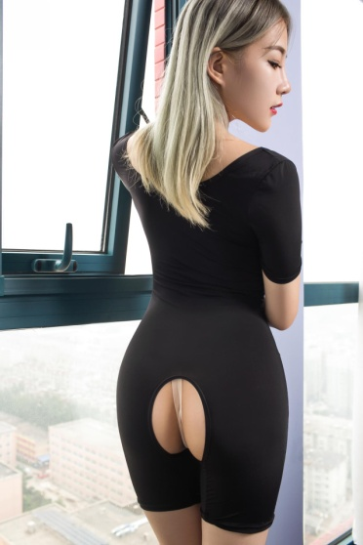 | 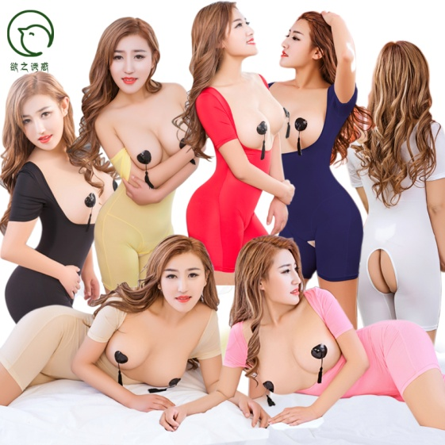
6041 wholesale high stretch exposed buttocks and tips two sets erotic sexy lingerie underwear | 3.05-3.45 | 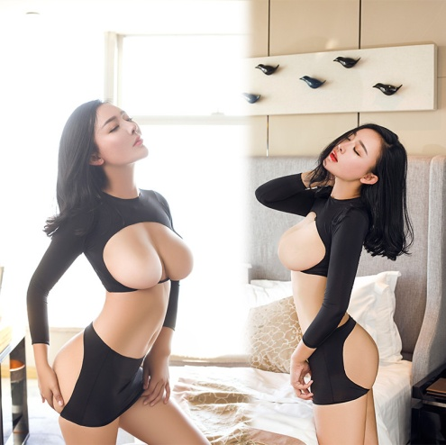 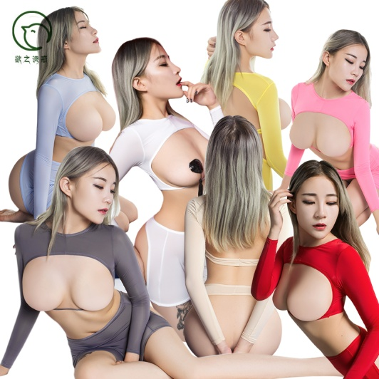 | 
6229 patent leather sexy lingerie night club queen free to take off sexy lingerie | 3.15-3.55 | 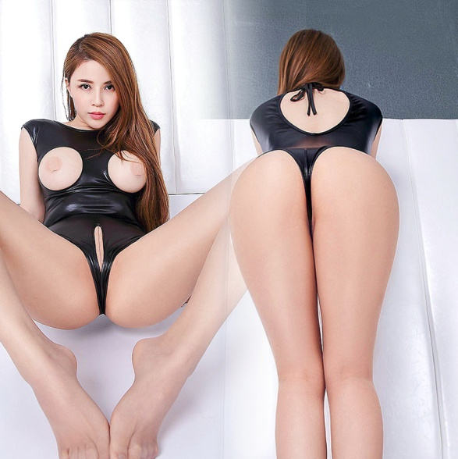 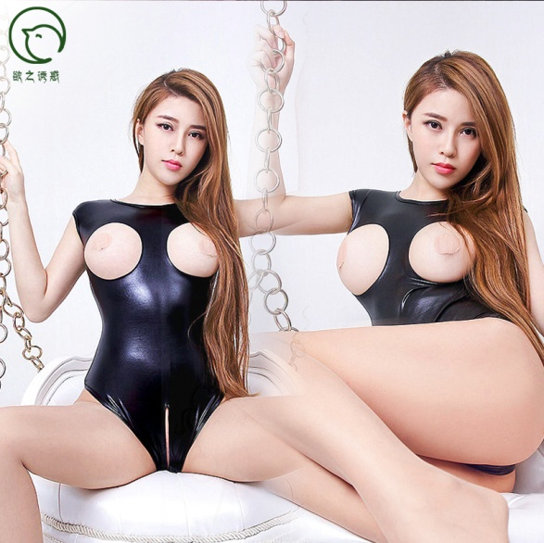 | 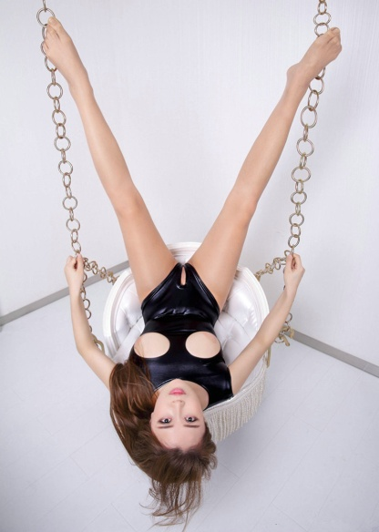 | 
6044 patent leather cosplay witch's game suit patent leather brilliant open crotch sexy lingerie | 5.85-6.2 | 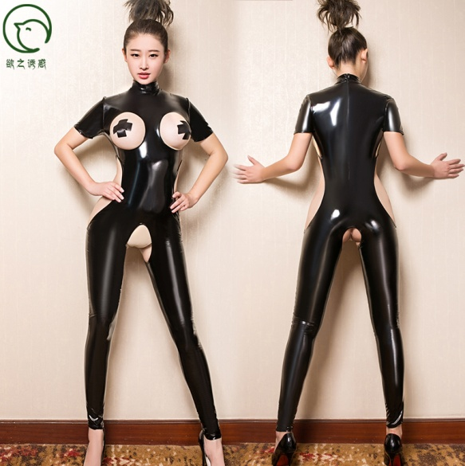 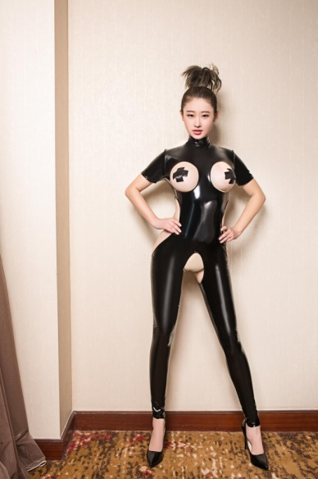 | 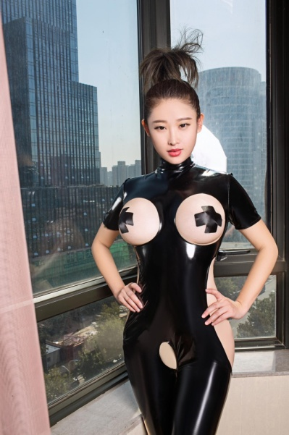 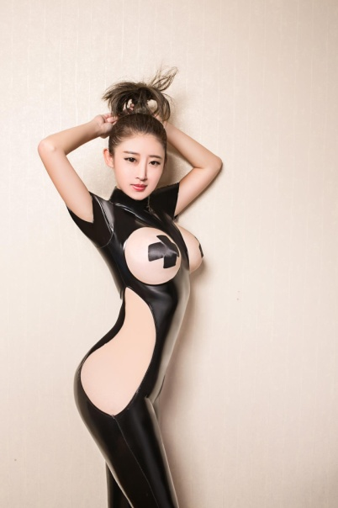
6055 Share Drop shipping and wholesale Glossy colors high stretch sexy lingerie stocking | 3.05-3.45 | 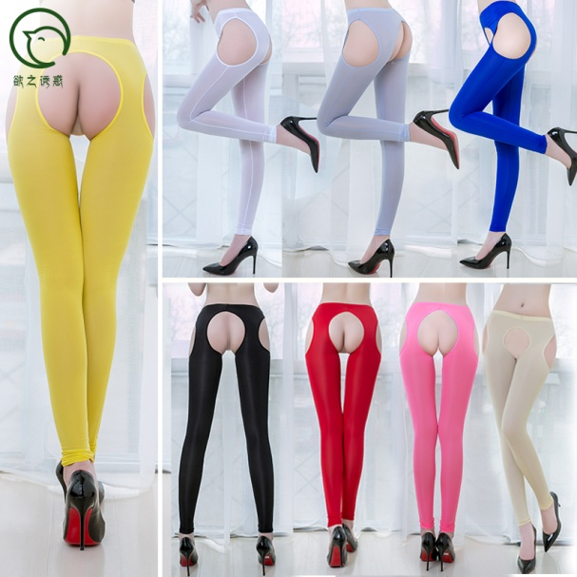 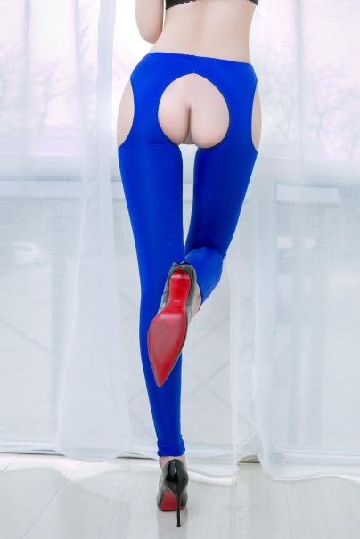 | 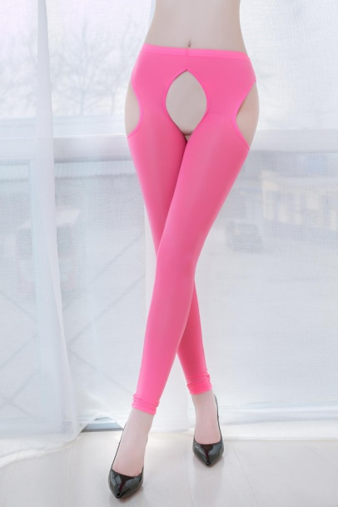
6205 wholesale super thin high stretch sexy erotic nurse open crotch crotchless panty lingerie panty underwear | 0.96-1.35 | 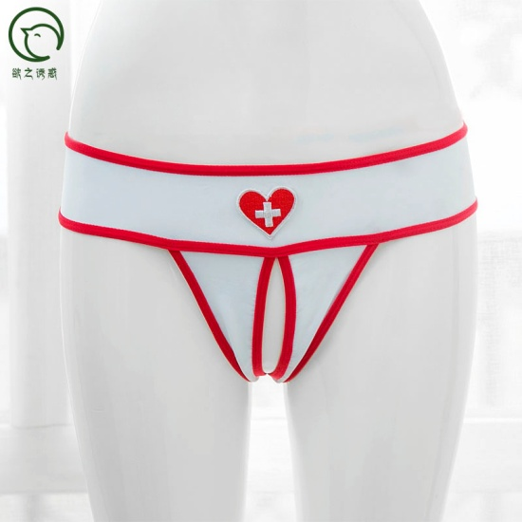 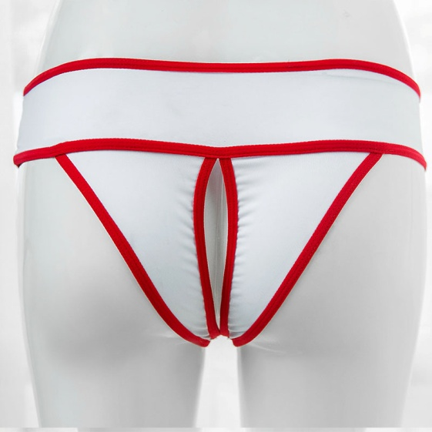 | 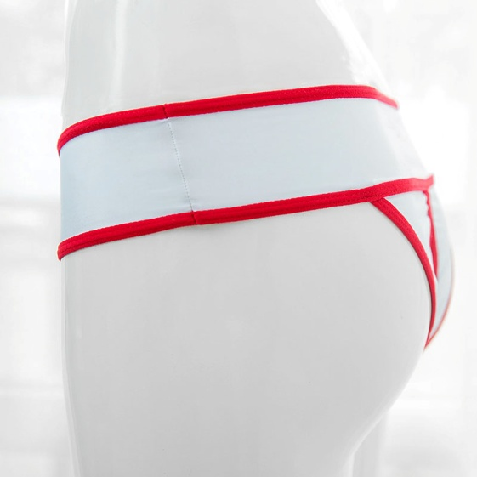
6250 wholesale dropshipping and wholesale Japanese Sukumizu student sexy neck ring open crotch sexy bikini lingerie underwear | 1.76-5.15 | 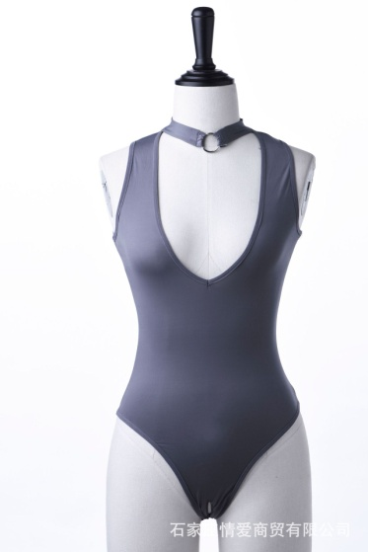 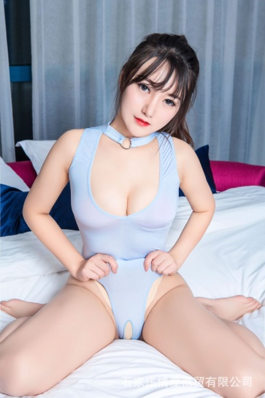 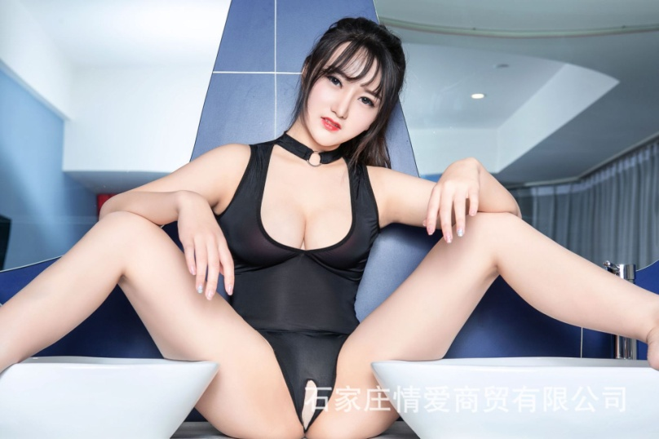 |  | 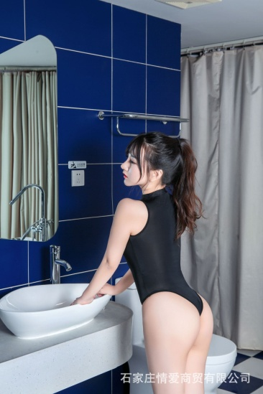
6086 wholesale zipper open crotch exposed breast nipple and buttocks sexy jumpsuit sexy lingerie underwear | 6-6.35 | 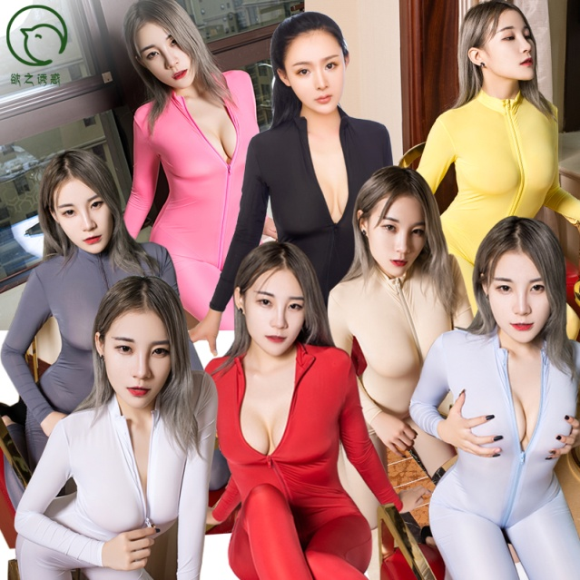  | 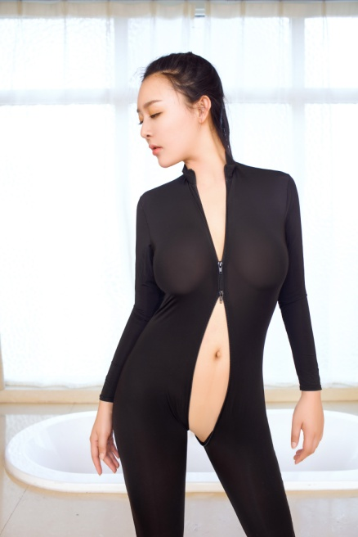
6261 wholesale sexy woman open Crotch crotchless jumpsuit night club sexy costume sexy lingerie underwear | 6.55-6.95 | 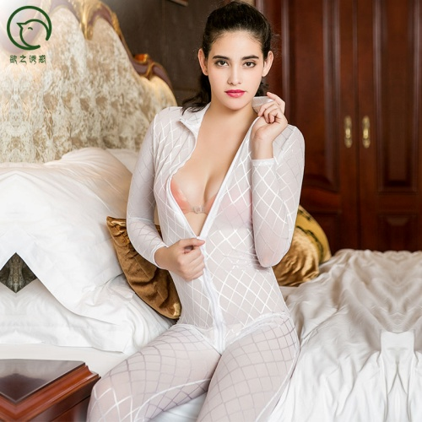 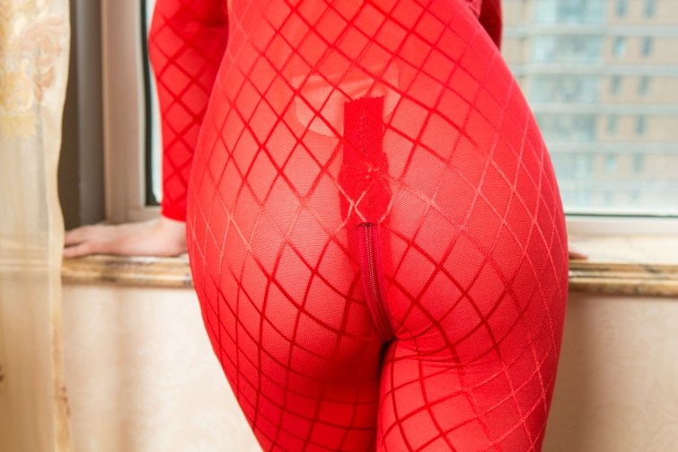 | 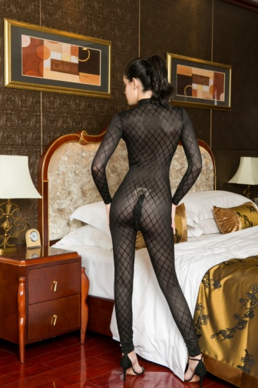
6099 2019 women sexy perspective transparent open crotch crotchless tight bodysuit jumpsuit lingerie underwear | 4.78-5.35 | 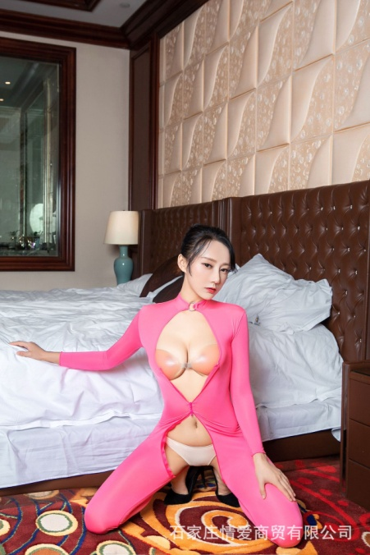 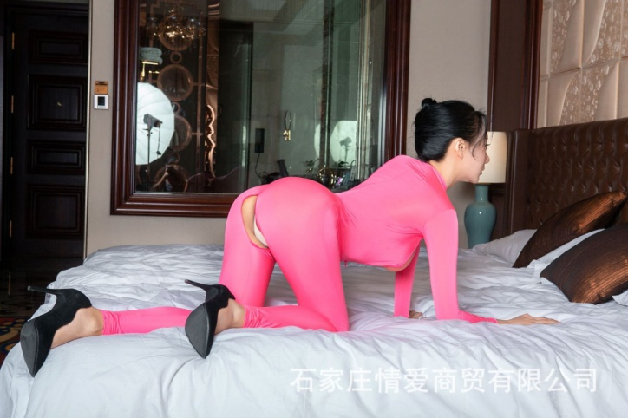 | 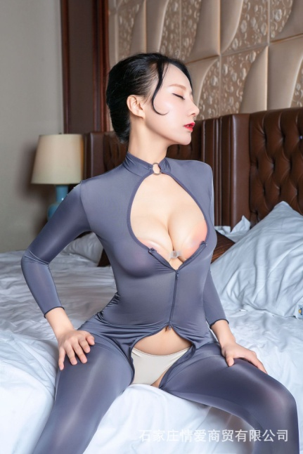 | 