Sheet1 (2)
Shantou Sanjoyo Toys Co.,Ltd
Address:No 707-708,5 Wei electronic commerce industrial park ,No 3 Zhujin Road,Longhu district,shantou city,Guangdong,China
TEL:0754-89992760 FAX:0754-88870030 Postal:515000 Url:http://sanjoyo.en.alibaba.com E-mail: jenny@sanjoyo.com.cn Skype:jennylee1238 Whatsapp:+86 15917903978
Picture | Description | Item Number | Exw Wholesale Price
 | Function& Feature |  | PCS/CTN | (USD/PCS)
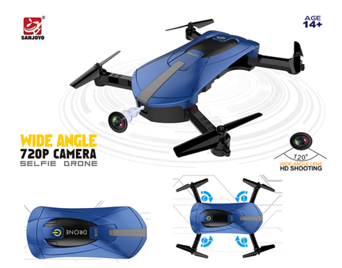 | Unfold Size:25.5*25.5*3.5CM Charging time: About 60 mins Flying time: 6-8 mins Control distance: About 70 m Battery: 3.7V 500mAh Colors:Black/Blue | SJY-JY018 30W wifi camera | 60pcs/ctn | $18.58
 |  | SJY-JY018 720P wifi camera |  | $21.95
 |  | SJY-JY018 720P wifi wide angle camera |  | $22.85
Features: - With foldable arms, small size, easy to carry. - With set high function provides stable flight. - With wifi function can be connected APP, APK system to take pictures, video, real-time transmission through the phone camera image. - There have 3 cameras can be choose. With 2.0MP 720P wide angle camera give wide range high denfinition pictures and video. - With Headless Mode,no need to adjust the position of aircraft before flying . - With One key return function makes it easily to find the way home. - 2.4GHz Technology Adopted for Anti-Interference. - 4 Channel which can do ascend, descend, forward, backward, left sideward fly, right sideward fly and rolling 360°. - 6-axis gyro which can have more stable flying and be easy to control. - It have 3-level flight speed to switch that can make more fun with the flying. - The quadcopter body is made of high strength and resistant engineering plastics,lightweight and durable resistance. Function: Up/down, Forward/backward, Turn left/right, Sideward flight, 3-level flight speed, LED Light, Headless Mode, One Key Automatic Return, Altitude Hold Mode, WiFi FPV
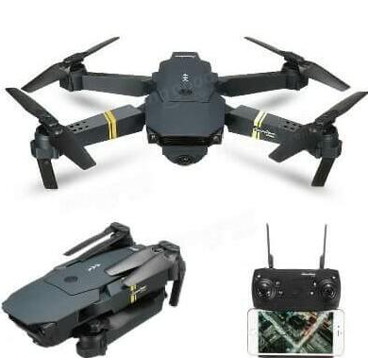 | Fold size：13*8*5 cm Unfold size：19*27*5 cm Charging time: About 120 mins Flying time: 7-8 mins Control distance: About 100 m Battery: 3.7V 500 mAh | SJY-019W 0.3MP wifi camera | 48pcs/ctn | $28.50
 |  | SJY-019W 2MP wifi camera |  | $32.00
Features: 1.Foldable drone/High set function/ Dji mavic Shap/Two control way/Modular Battery 2.Three speed control: It is suitable for new or professional players 3.WIFI FPV: A system allows real time image transmission with WIFI connection between the quadcopter and your phone. 4.With attractive headless mode: Completely solving pilot “loss of orientation” problems. 5.One key automatic return function: You can call back your quadcopter quickly and safety. 6.Video/ Photograph/up /down/left / right/sideward flight/forward/backward/3D rolling
 | Folded Size:15*10*6.5CM Unfolded Size:40*33*6.5CM Charging time: About 90 mins Flying time: 8-10mins Control distance: About 60 m Battery: 3.7V 800mAh Colors:White/green/red | SJY-19HW 0.3 MP wifi camera | 24pcs/ctn | $27.85
 |  | SJY-19HW 2MP wifi camera |  | $30.50
 |  | SJY-19HW 720P 120° wifi wide angle camera |  | $32.00
Features: 1.Foldable drone/High set function/ 480P/720P/ 720P wide angle HD camera 2.With high strength metal material/Two control way/Modular Battery 3.With attractive headless mode: Completely solving pilot “loss of orientation” problems. 4.One key automatic return function: You can call back your quadcopter quickly and safety. 5 3 speed control: It is suitable for new or professional players 6.Function: Up/down, Forward/backward, Turn left/right, Sideward flight, LED Light
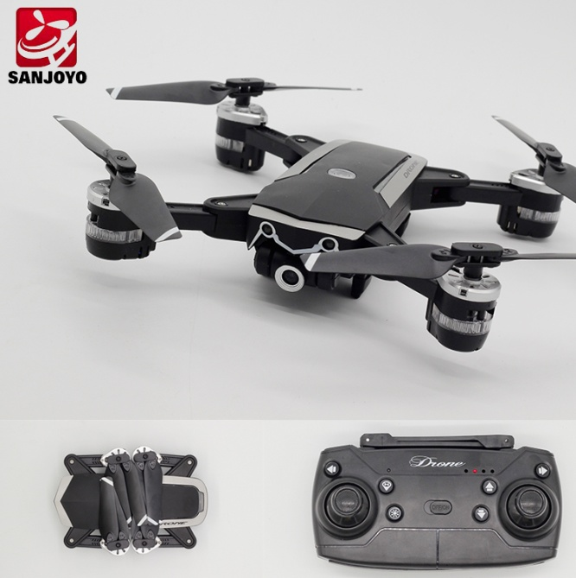 | Folded Size:15*10*6.5CM Unfolded Size:40*33*6.5CM Charging time: About 180 mins Flying time: 13-16mins Control distance: About 100 m Battery: 3.7V 1800mAh Colors:White/Black | SJY-18S 720P wifi camera | 24pcs/ctn | $31.04
 |  | SJY-18S 720P 120 degree wide angle wifi camera |  | $32.54
 |  | SJY-18S 1080P wifi camera |  | $34.03
Features: -720P wifi camera/720P 120 Degree Wide angle Camere/1080P wifi Camera -Modular Lipo Battery -3D Flips with amazing agility provides a stunt aerial show. -One-key taking off/landing makes the operation more convenient and it is very suitable for novice operation. -Mini foldable design -One Key Automatic Return - Gravity Sensor Mode/ Headless Mode/Altitude Height Control/Flight plan function -Two control mode(right & left hand throttle), adapt to different operation habit.
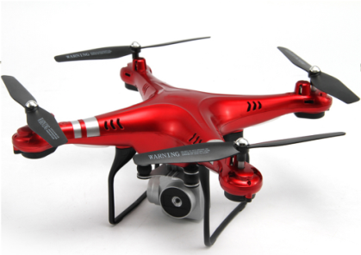 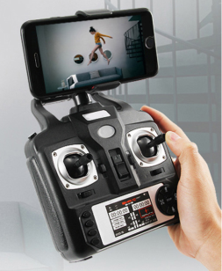 | Product Size:31.5*31.5*11cm Charging time: About 70-80 mins Flying time: 8-10mins Control distance: About 150 m Battery: 3.7V 750MAH Colors:Red/Black/White | SJY-X52HD 1080P wifi camera (sevo camera add $2.5/pcs) | 24pcs/ctn | $30.6/pcs
Features: 1 Set height function 2 One key urgency stop/one key return/LED lights/Headless mode/One key take off/One key landing/Sideward flying/turn left/right/forward/backward 3 Gravity sensor,flight track function 4 1080P 110 degree wide angle 180 degree adjustable wifi camera
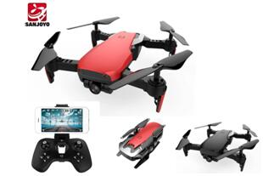 | Product Size:20X22X5CM Charging time: About 60-80 mins Flying time: 12-13mins Control distance: About 80-100 m Battery: 3.7V 900MAH Colors:Red/Black/Blue | SJY-Q1 720P wide angle wifi camera | 48pcs/ctn | $31.85/pcs
1. Innovative selfie drone,720P Wide Angle camera allows you to get great selfies effortlessly. 2. With attractive WifI Follow me, completely solving pilot loss-of-orientation problem. 3. 3D flips with amazing agility provides a stunt aerial show. 4. One press automatic return ensure that you can call back your quadcopter without any delay. 5. The G-sensor mode enables the small quadcopter to automatically follow the way you move your smartphone. 6. Wifi real-time transmission FPV system which can capture photos and record videos for your great memory. 7. Flight plan mode:you can use your fingertips to draw the route on app,the drone can fly as the path you set up. 8. High lock function 9. LED lights 10. unique design battery 11. Remote & App Control
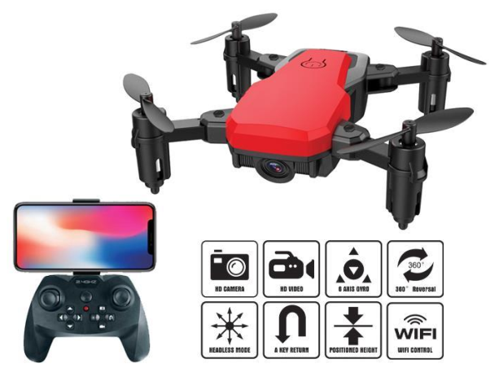 | Product Size:13X13X3.5CM Charging time: About 80 mins Flying time: 9-10mins Control distance: About 50 m Battery: 3.7V 450mAh Colors:Black/White | SJY-Z10 0.3mp wifi camera +Set height function | 48pcs/ctn | 18.31/pcs
 |  | SJY-Z10 720P wifi camera +Set height function |  | 22.15/pcs
 |  | SJY-Z10 720P wide angle wifi camera +Set height function |  | 24.15/pcs
1) APP CONTROL /REMOTE CONTROL 2)ONE KEY + GESTURE 360 DEGREE ROLLING 3)INNERACTIVE GUESTURE MOVMENT 4)Longer flying time- maximum 8-10 minutes; Control distance:50-60m 5)2.4Ghz remote control, 6-axis gyro,4 channel. 6) LED light, attractive for night flight,making the flight more spectacular especially in the dark. 7) Up/down, left/right, forward/backward, leftward/ rightward, 3D flips and rolls,high lock function 8) ONE KEY START/ONE KEY LANDING/ONE KEY RETURN
Picture | Description | Item Number | Exw Wholesale Price
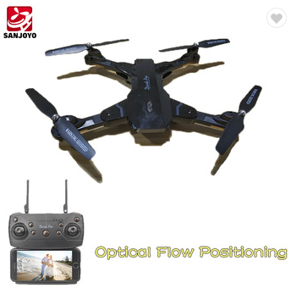
 | Function& Feature |  | PCS/CTN | (USD/PCS)
 | Size:36*36*8.5CM Charging time: About 80-100 mins Flying time: 12-15mins Control distance: About 100m Battery: 3.7V 1300mAh Colors:Black |  | 24pcs/ctn
 |  | SJY-117 2 mp wifi camera |  | $29.00

Features: 1.Foldable drone with gesture taking photoed and video/2mp wifi camera 2.High set function/G-Sensor control/ Flight planing/Two control way/Modular Battery 3.With LED lights/Video/Recording/Gravity sensor 4.WIFI FPV: A system allows real time image transmission with WIFI connection between the quadcopter and your phone. 5.With attractive headless mode: Completely solving pilot “loss of orientation” problems. 6.Video/ Photograph/up /down/left / right/sideward flight/forward/backward/3D rolling
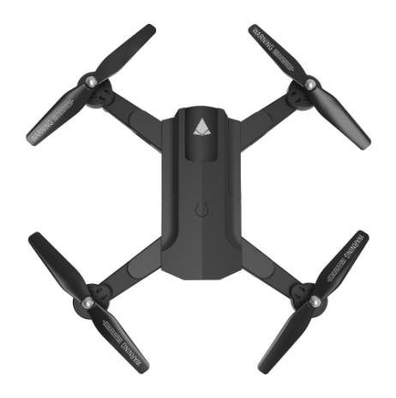 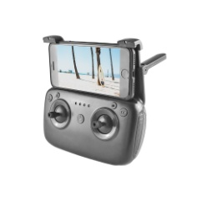 | Size:29*29*4cm Charging time: About 120 mins Flying time: 10mins Control distance: About 50-80 m Battery: 3.7V 1100mAh Colors:Black | SJY-196 720P wifi camera+optical flow positiong | 18pcs/ctn | $31.85/pcs
Features: 1 Optical flow positioning: make the drone fly steadily and achieve a smooth control 2 Altitude hold positioning system provides a good stability 3 720P WiFi camera transmits videos in real-time for a FPV flight,can adjust the camera degree 4 Gesture selfie: make a V gesture to take pictures and record videos 5 Smart wifi follow me mode: experiential image follow ,image sensing follow 6 Headless mode: fly the drone easily without knowing the head position 7 One key return: just press one key to recall your RC drone 8 High / low two speed levels to meet different needs 9 Modular battery,safe and convenient
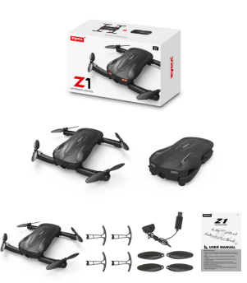 | Size:20*25.6*3.56cm Charging time: About 130 mins Flying time: 7mins Control distance: About 50 m Battery: 3.7V 500mAh Colors:Black | SJY-Z1 | 24pcs/ctn | $26.5/pcs
Features: 1mp wifi camera Turn left and right/Up,down,forward,backward/Side flying around One key Taking off/Landing Altitude Hold Optical Flow positioning FPV Real-time Phone App Control H/L speed control
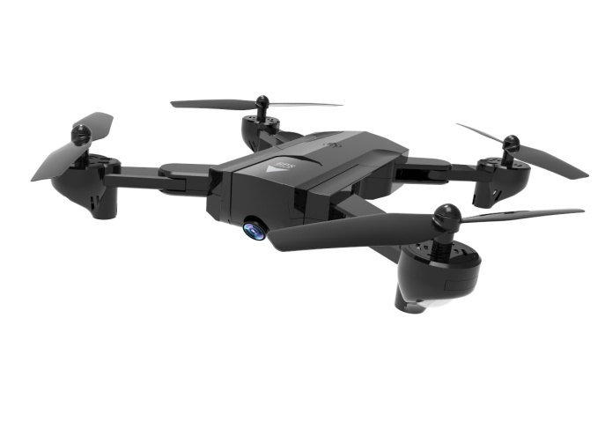 | Size:29*29*4cm Charging time: About 180 mins Flying time: 10mins Control distance: About 300 m Battery: 7.4V 1100mAh Colors:Black | SJY-192GPS 720P wifi camera | 18pcs/ctn | $56.5/pcs
 |  | SJY-192GPS 1080P wifi camera |  | $63/pcs
Features: Precise GPS positioning 720P/ 1080P professional WIFI HD Camera Folding remote control design Surround flight One key take off/lanidng/One key return/ headless mode altitude hold Flight tracking Function:up,down,turn left,right, forward, backward,side fly, speed control, video, photo, out of control return, low power return mode, one button fixed height, GPS fixed point, fixed height, mobile map settings Route flight, intelligent follow-up,and bypass function
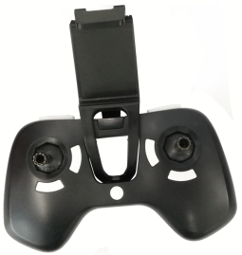 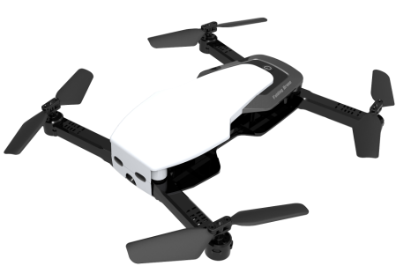 | Size:26*23*4.5CM Charging time: About 90 mins Flying time: 9mins Wifi Control distance: About 40 m Battery: 3.8V 940MAH Colors:Red,white | SJY-Q636B 720P wifi camera+Optical flow positioning | 20pcs/ctn | $26.17/pcs
Function: 720P wifi camera Optical Flow positioning Flight track Sideward flight, turn left/right, up/down, forward/backward, high/low speed, 3D rollover, gravity sense control, headless mode, one key return, altitude hold/LED
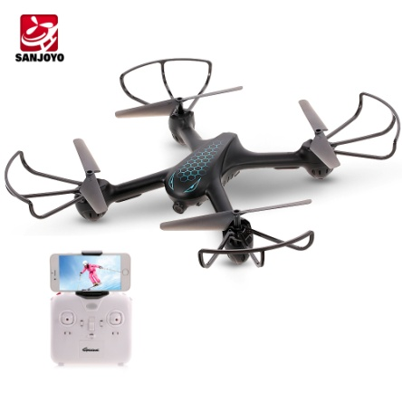 | Size:31.5×31.5×6CM Charging time: About 90 mins Flying time: 6-8mins Wifi Control distance: About 100 m Battery:3.7V 650mAh/20C Colors:Black | SJY-X708P | 12pcs/ctn | $34/pcs
Features: Sideward flight, turn left/right, up/down, forward/backward, altitude hold, one key landing, WiFi FPV, G-sensor, headless mode, optical flow positioning H/L speed mode: High and low speed changeable for both beginners and professional players to experience cool flying play. 720P HD cameras: can capture and record every beautiful and unforgettable moment from a better way. Cool LED lights: can clearly identify the direction at night, increase more fun. With attractive headless mode: completely solving pilot loss-of-orientation problems. Optical flow positioning and altitude hold functions provide more accurate and stable flight. One-key landing: making the operation more convenient and it is very suitable for novice operation. Gravity control mode: allows you to fly the drone forward/backward/left/right in correspondence to the angle of the mobile phone.
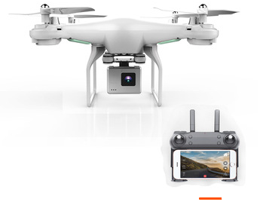 | Unfolded Size:36*36*8.5CM Charging time: About 110 mins Flying time: 8-9mins Control distance: About 80 m Battery: 3.7V 1000mAh | SJY-106 0.3 MP wifi hd camera | 18pcs/ctn | $23.40
 |  | SJY-106 2 MP wifi hd camera |  | $26.30
 |  | SJY-106 2 MP wide angel wifi camera |  | $27.30
Features: 1.High set function/ with 0.3MP/2MP/2MP WIFI camera 2.Fly plan model/G-Sensing 3.Function: Up/down, Forward/backward, Turn left/right, Sideward flight, LED Light
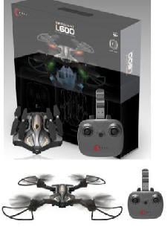 | Unfolded Size:36*36*8.5CM Charging time: About 110 mins Flying time: 8-9mins Control distance: About 80 m Battery: 3.7V 1000mAh | SJY-600 0.3 MP wifi hd camera | 18pcs/ctn | $29.50
Features: 1.Gesture pictures 2 Foldable drone/High set function/ with 0.3MP HD wifi camera(720*576) 3.Fly plan model/G-Sensing 4.Optical flow position: it can collect images by collector and calculate the shifting by optical flow method. The effective sensing height is 3-5m. 5.One key automatic return function: You can call back your quadcopter quickly and safety. 6.Function: Up/down, Forward/backward, Turn left/right, Sideward flight, LED Light
Picture | Description | Item Number | Exw Wholesale Price
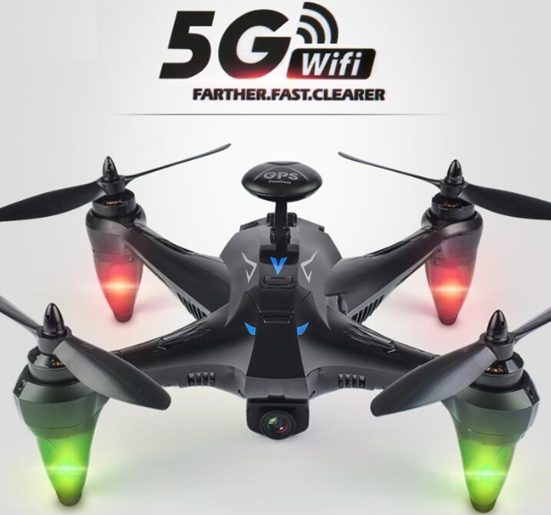 | Size: 29*29*9.5cm Charging time: About 240 mins Playing time: 20mins Remote Control distance: About 400 m Battery:7.4V 2000 mah Color:Black | SJY-X198 5G 720P wide angel wifi camera | 8pcs/ctn | $96.50

Features: 1. 720P wide angel wifi camera 2. With Dual GPS,can surround the point flying and achived the Follow me function, 3.low battery/lost control auto return. 4. Flying plan mode,can according to the google map to make the flying track. 5. Video/ Photograph/up /down/left / right/sideward flight/forward/backward/3D rolling/one key take off/one key return/one key landing/LED light
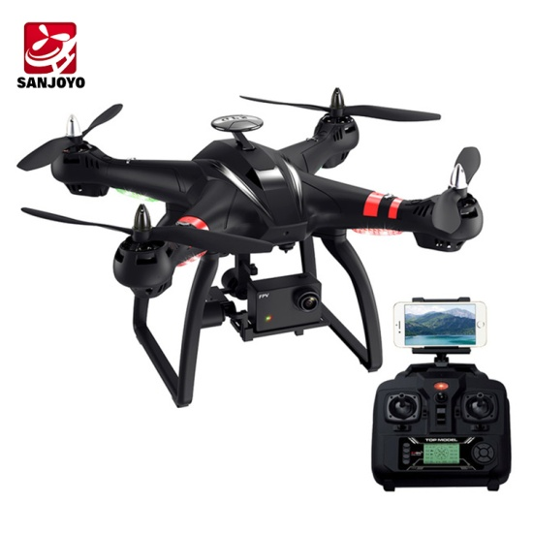 | Size: 25*25*22CM Charging time: About 250 mins Playing time: 16-18mins Remote Control distance: About 80-100m Battery:11.1V 2200mAh Color:Black | SJY-X22 3D gimbal | 8pcs/ctn | $165/pcs
Function: Forward/backward, up/down, left/right side-fly, left/right turning, Double GPS, one key landing, headless mode, altitude hold, one key return, automatic follow, surround flight, waypoint fly Double GPS: APP control double GPS system will locate the aircraft precisely and provide accurate fly experience. Automatic follow: under this mode, the aircraft will fix the mobile phone and follow the carrier whatever direction he moves. 1080p Wifi camera: can capture and record every beautiful and unforgettable moment. Altitude hold: provide convenient operation and stable flight, specially for beginners. Surround action: will enable the aircraft flying in a circle, providing cooler shooting perspective.
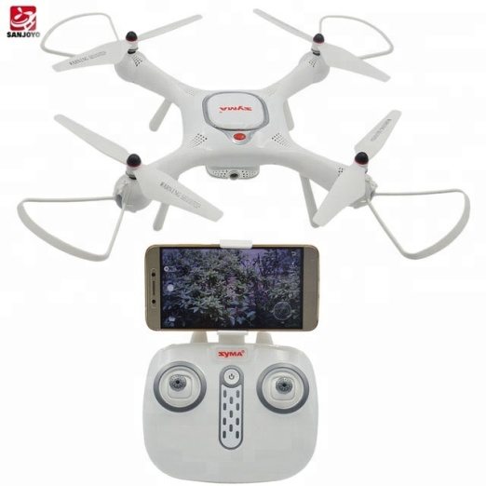 | Size: 37.5*37.5*11cm Charging time: About 150 mins Playing time: 12mins Remote Control distance: About 180m Battery: 7.4V 1000mAh Color:White | SJY-X25 Pro | 12pcs/ctn | $54.5/pcs
Features: ● 1MP camera that transmits the videos in real-time for FPV flight ● Precise GPS positioning system for stable flight ● 360-degree flip for wonderful flight experience ● One-key takeoff / landing for easy control ● APP download: scan the QR code on the manual ● Support system: iOS, Android
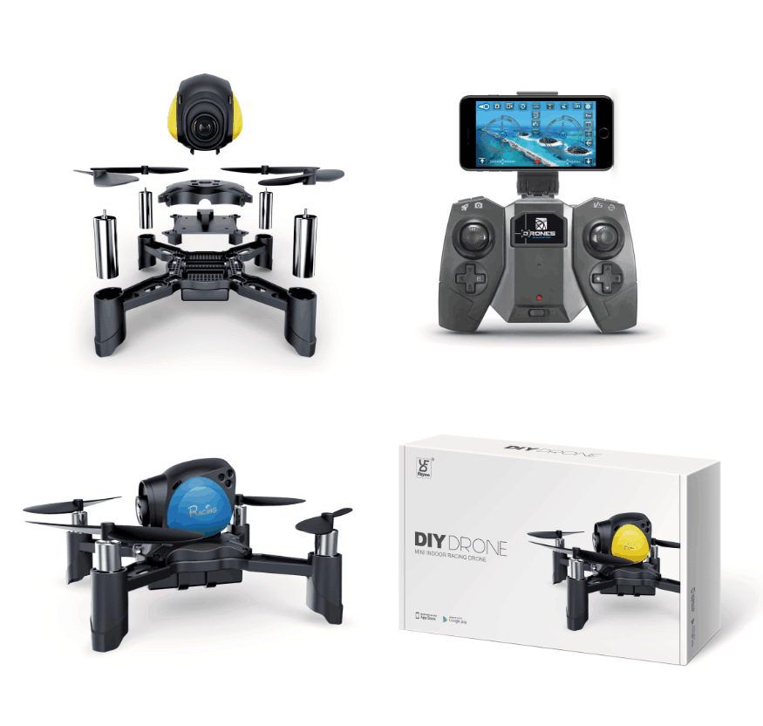 | Size:11.8*11.8*4.9CM Charging time: About 55 mins Flying time: 6-7 mins Control distance: About 50 m Battery: 3.7V 350 mAh Colors:Yellow/Blue | SJY-FY605 0.3mp wifi camera | 48pair/ctn | 38.25/pair
Features: 1.DIY battle Drone 2.3 speed control: It is suitable for new or professional players 3.WIFI FPV: A system allows real time image transmission with WIFI connection between the quadcopter and your phone. 4. High Set/Auto hover function 6.Low voltage alarm 7.Video/ Photograph/up /down/left / right/sideward flight/forward/backward/3D rolling/LED lights
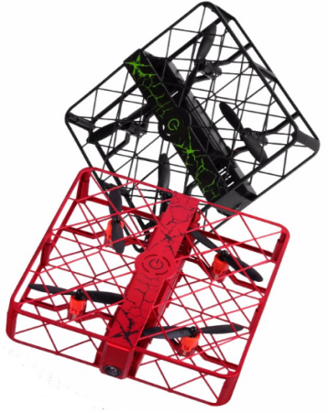 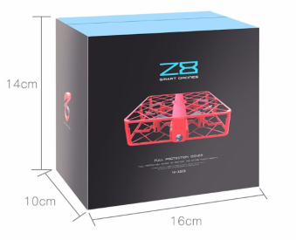 | Size:13.5*13.5*3cm Charging time: 60 mins Flying time: 8-10 mins Battery: 3.7V 150 mAh Colors:Red /Black Remote need to buy extra | SJY-Z8 (0.3mp wifi ,height set) | 60pcs/ctn | $20.65
 |  | SJY-Z8 (720 wifi,height set) |  | $24.23
 |  | SJY-Z8 (720P wifi Wide agnle camera ,height set) |  | $25.55
Features: 1. lot of version for choice 2 High lock function 3 Fligh track function 4. Headless Smart Fly :no need to adjust the position of aircraft before flying 5.One key return function/one key landing and take off 6.Video/ Photograph/up / down/left / right /sideward flight/forward / backward/3D rolling /Auto Hover/Stunt Rotation
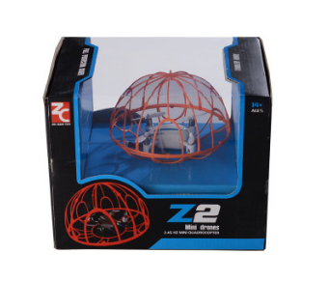 | Size:13*8.5 CM Charging time: 40 mins Flying time: 5-6 mins Battery: 3.7V 250 mAh Colors:White /Black | SJY-Z2 (With height set function) | 24pcs/ctn | $11.69
Features: 1. Full guard to protect Kid's safty while flying, Balance keeping and Stable flight makes it easily to fly. 2 High lock function 3 With camera/Wifi camera 4. Headless Smart Fly :no need to adjust the position of aircraft before flying 5.One key return function: makes it easily to find the way back 6.Video/ Photograph/up / down/left / right /sideward flight/forward / backward/3D rolling /Auto Hover/Stunt Rotation
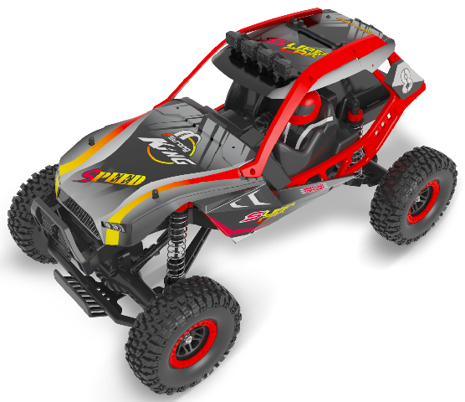 | Car size:44*22.5*25.5cm Color:red-yellow Scale: 1:10 4WD climbing car Speed:40km/h Play time:13mins Charging time:7.5h Romote distance:over 100m Battery:7.4V 3000mAh | SJY-104308 | 4pcs/ctn
Features: Four-wheel independent suspension system, a former differential, straight back bridge. Double function, a rock climbing and running speed, appearance simulation, suitable for a wide range of people.
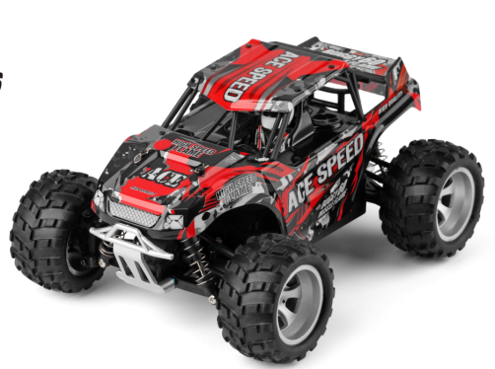 | Car size:24.8*19.6*12.1cm Color:red-black Scale: 1:18 4WD climbing car Speed:25 km/h Play time:8 mins Charging time:2 h Romote distance:over 50m Battery:6.4V 500MAH | SJY-18404 + V2-A controller | 6pcs/ctn | $20.15/pcs
Made of high quality ABS material Ready to run and no need to assembly With large capacity rechargeable battery 1/18 scale suitable for indoor and outdoor control 2.4GHz supporting a range of remote control about 80 meters Suitable to operate on flat ground, over gravels or grassland Shock absorption and collision avoidance design provided longer service life 4WD driving system

