Sheet1
 | Tongxiang Kebo Toys Co., Ltd.
 | Address：No. 519, Jingwei Street, Huxiao, Chongfu Town, Tongxiang, Zhejiang, China Mobile/Whatsapp/Weichat： 008618957337769 Ctc： Adam Skype： txkebo Email：txkebo@outlook.com

Pricelist（Available for 3 month）
Magna Tiles traffic set 29pcs set
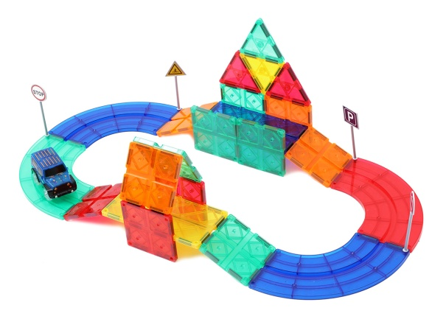 1 |  |  | Price FOB shanghai(USD) |  |  |  | Item No. | KBMB-29 | Brand | Mag-Wisdom
 |  |  | 1K-5K | 1K-10K | 10K-30K | Above30K | Box Size(cm) | 22.5*25.9*4.4cm | Ctn Size(cm) | 47*27.5*38cm
 |  |  | $9.50 |  |  |  | Packaging | ColorBox | Qty/Ctn | 16
 |  |  |  |  |  |  | N.W.(kgs) | 18.24 | G.W.(kgs) | 19.5
 |  |  |  |  |  |  | Materials | plastic&magnet | Age | 3+
 |  |  |  |  |  |  | Lead Time | 20-30 days | MOQ | 100
 |  |  |  |  |  |  | Origin | Zhejiang China | OEM/ODM | Available
Accessories Included
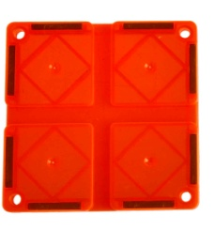 |  |  |  |  |  |  | 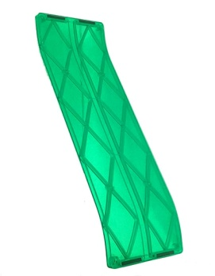

12*Sqaure+ | 2*Rectangle+ |  |  |  | 6*ARC |  | 0*Bridge |  | 4* Triangle | 0*ISO-triangle

1*Electronic-car | 0*Bridge-holder |  | 1* ROAD SIGN |  | 2*ROAD SIGN |  | 1*ROAD SIGN | 1*Lable | 1*Manual | 1*BOX

Magna Tiles traffic set 55pcs set
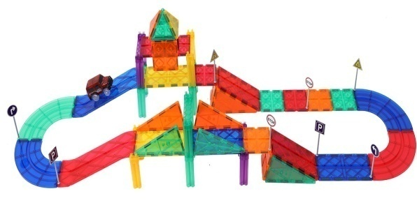 1 |  |  | Price FOB shanghai(USD) |  |  |  | Item No. | KBMB-55 | Brand | Mag-Wisdom
 |  |  | 1K-5K | 1K-10K | 10K-30K | Above30K | Box Size(cm) | 21*32.6*7.8cm | Ctn Size(cm) | 44*33*41cm
 |  |  | $15.55 |  |  |  | Packaging | plastic container | Qty/Ctn | 10
 |  |  |  |  |  |  | N.W.(kgs) | 18.4 | G.W.(kgs) | 19.6
 |  |  |  |  |  |  | Materials | plastic&magnet | Age | 3+
 |  |  |  |  |  |  | Lead Time | 20-30 days | MOQ | 100
 |  |  |  |  |  |  | Origin | Zhejiang China | OEM/ODM | Available
Accessories Included

12*Sqaure+ | 6*Rectangle+ |  |  |  | 4*ARC |  | 2*Bridge |  | 6* Triangle | 8*ISO-triangle

1*Electronic-car | 8*Bridge-holder |  | 2* ROAD SIGN |  | 4*ROAD SIGN |  | 2*ROAD SIGN | 4*Lable | 1*Manual | 1*BOX
Magna Tiles traffic set 82pcs set
 | 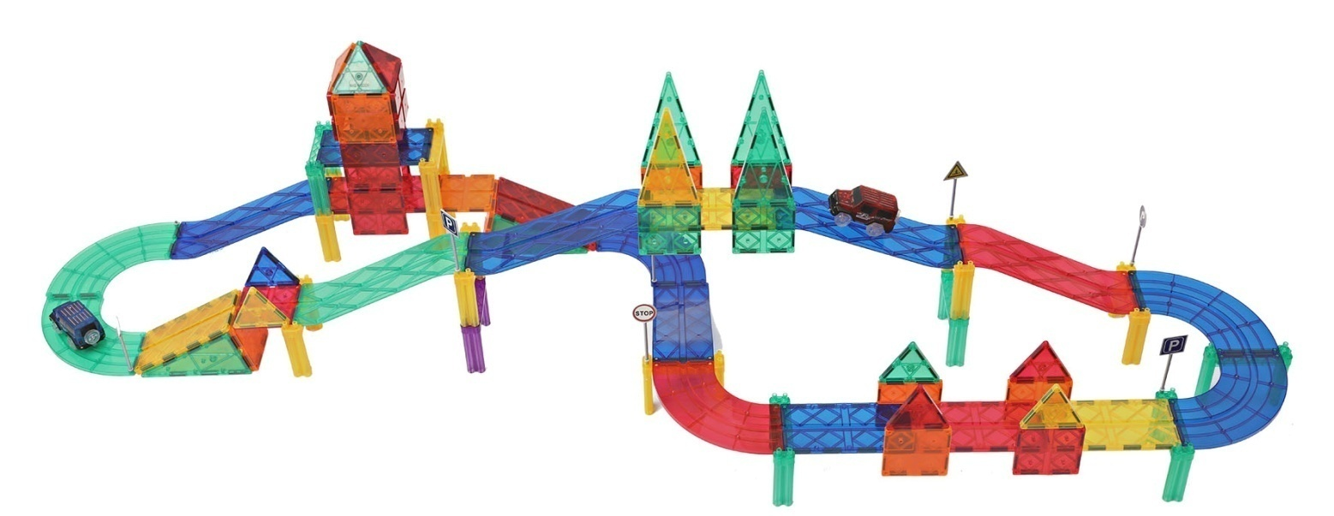
 |  |  | Price FOB shanghai(USD) |  |  |  | Item No. | KBMB-82 | Brand | Mag-Wisdom
 |  |  | 1K-5K | 1K-10K | 10K-30K | Above30K | Box Size(cm) | 30.7*42.4*6.4 | Ctn Size(cm) | 44*32*41
 |  |  | $24.50 |  |  |  | Packaging | plastic container | Qty/Ctn | 6
 |  |  |  |  |  |  | N.W.(kgs) | 16.8 | G.W.(kgs) | 17.7
 |  |  |  |  |  |  | Materials | plastic&magnet | Age | 3+
 |  |  |  |  |  |  | Lead Time | 20-30 days | MOQ | 100
 |  |  |  |  |  |  | Origin | Zhejiang China | OEM/ODM | Available
Accessories Included

20*Sqaure+ | 8*Rectangle+ |  |  |  | 6*ARC |  | 6*Bridge |  | 10* Triangle | 8*ISO-triangle

2*Electronic-car | 14*Bridge-holder |  | 2* ROAD SIGN |  | 4*ROAD SIGN |  | 2*ROAD SIGN | 2*Lable | 1*Manual | 1*BOX
Magna Tiles traffic set 105pcs set
 |  | 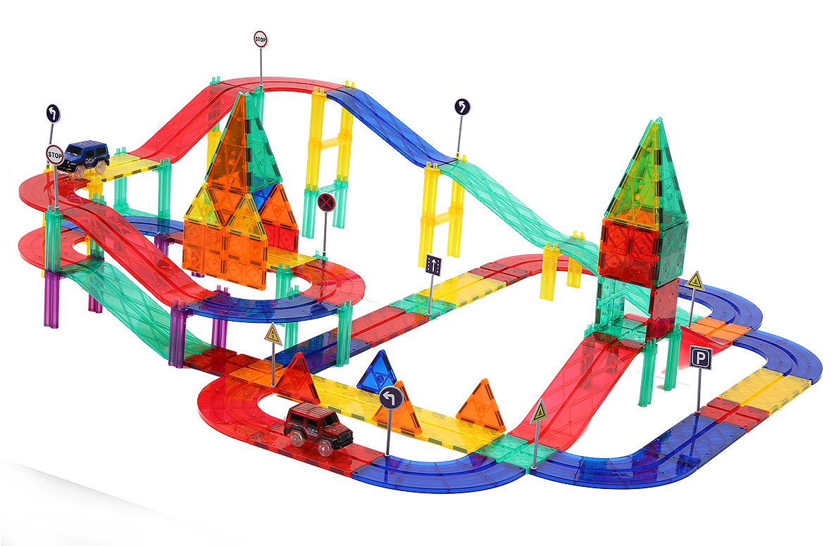
 |  |  | Price FOB shanghai(USD) |  |  |  | Item No. | KBMB-105 | Brand | Mag-Wisdom
 |  |  | 1K-5K | 1K-10K | 10K-30K | Above30K | Box Size(cm) | 30.4*42.1*7.8 | Ctn Size(cm) | 43.5*32*41
 |  |  | $30.50 |  |  |  | Packaging | plastic container | Qty/Ctn | 5
 |  |  |  |  |  |  | N.W.(kgs) | 17.3 | G.W.(kgs) | 18.5
 |  |  |  |  |  |  | Materials | plastic&magnet | Age | 3+
 |  |  |  |  |  |  | Lead Time | 20-30 days | MOQ | 100
 |  |  |  |  |  |  | Origin | Zhejiang China | OEM/ODM | Available
Accessories Included

20*Sqaure+ | 12*Rectangle+ |  |  |  | 12*ARC |  | 8*Bridge |  | 10* Triangle | 8*ISO-triangle

2*Electronic-car | 21*Bridge-holder |  | 3* ROAD SIGN |  | 6*ROAD SIGN |  | 3*ROAD SIGN | 2*Lable | 1*Manual | 1*BOX

OEM Service
1 |  |  | Price FOB shanghai(USD) |  |  |  | Item No. |  | Brand | Your Own Brand
 |  |  | 1K-5K | 1K-10K | 10K-30K | Above30K | Box Size(cm) |  | Ctn Size(cm)
 |  |  |  |  |  |  | Packaging | Customization | Qty/Ctn
 |  |  |  |  |  |  | N.W.(kgs) |  | G.W.(kgs)
 |  |  |  |  |  |  | Materials | plastic&magnet | Age | 3+
 |  |  |  |  |  |  | Lead Time | 30 Days | MOQ | 500sets
 |  |  |  |  |  |  | Origin | Zhejiang China | OEM/ODM | Available
Select the shapes below and input the number you want , we will quote you individually

0.23USD | 0.43USD |  |  |  | 0.4USD |  | 0.54USD |  | 0.17 | 0.308

0.95 | 0.16 |  | 0.03 |  | 0.03 |  | 0.03 | 0.15 | 0.2

