Sheet1
 | Tongxiang Kebo Toys Co., Ltd.
 | Address：No. 519, Jingwei Street, Huxiao, Chongfu Town, Tongxiang, Zhejiang, China Mobile/Whatsapp/Weichat： 008618957337769 Ctc： Adam Skype： txkebo Email：txkebo@outlook.com

Pricelist（Available for 3 month）
Magnetic Cube Blocks 18pcs set
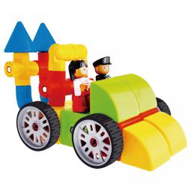 1 |  | Price FOB shanghai(USD) |  |  |  | Item No. | KBQ-18 | Brand | Mag-Wisdom
 |  | 1K-5K | 1K-10K | 10K-30K | Above30K | Box Size(cm) | 26.5*18.8*6.8CM | Ctn Size(cm) | 55*39.5*57CM
 |  | $13.02 | $12.50 | $11.97 | $11.45 | Packaging | ColorBox | Qty/Ctn | 32
 |  |  |  |  |  | N.W.(kgs) | 22.5 | G.W.(kgs) | 24
 |  |  |  |  |  | Materials | plastic&magnet | Age | 3+
 |  |  |  |  |  | Lead Time | 20-30 days | MOQ | 500
 |  |  |  |  |  | Origin | Zhejiang China | OEM/ODM | Available
Accessories Included

1*Bar | 0*Gear1 | 0*Flower |  | 0*Gear2 |  | 0*Fan | 0*Road Sign | 0* Cylinder | 2*Rotation Bar

0*Cross Bar | 2*Cone | 4* Wheels |  | 0*SIX-way Bar |  | 0*FIVE-way Bar | 1*Right Triangle | Small Wheel | 4*Cube
 |  |  |  |  |  | 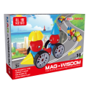

2*Ball | 0*Panel | 2*Figure |  | 1*Manual |  | 1*Color box
Magnetic Cube Blocks 32pcs set
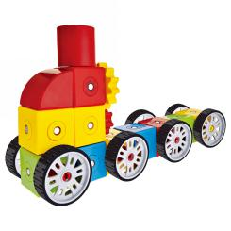 1 |  | Price FOB shanghai(USD) |  |  |  | Item No. | KBQ-32 | Brand | Mag-Wisdom
 |  | 1K-5K | 1K-10K | 10K-30K | Above30K | Box Size(cm) | 49*32*11CM | Ctn Size(cm) | 66.5*50.5*38.5CM
 |  | $29.84 | $28.65 | $27.45 | $26.26 | Packaging | Plastic Tray | Qty/Ctn | 6
 |  |  |  |  |  | N.W.(kgs) | 10.8 | G.W.(kgs) | 12.3
 |  |  |  |  |  | Materials | plastic&magnet | Age | 3+
 |  |  |  |  |  | Lead Time | 20-30 days | MOQ | 100
 |  |  |  |  |  | Origin | Zhejiang China | OEM/ODM | Available
Accessories Included

4*Bar | 0*Gear1 | 0*Flower |  | 0*Gear2 |  | 0*Fan | 0*Road Sign | 0* Cylinder | 4*Rotation Bar

2*Cross Bar | 2*Cone | 0* Wheels |  | 4*SIX-way Bar |  | 4*FIVE-way Bar | 4*Right Triangle | Small Wheel | 2*Cube
 |  |  |  |  |  |  | 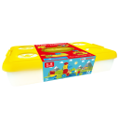

2*Ball | 2*Panel | 0*Figure |  | 2*curve bar |  | 1*Manual | 1*container

Magnetic Cube Blocks 106pcs set
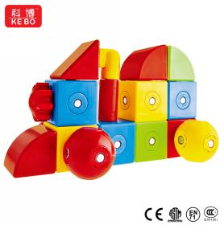 1 |  | Price FOB shanghai(USD) |  |  |  | Item No. | KBQ-106 | Brand | Mag-Wisdom
 |  | 1K-5K | 1K-10K | 10K-30K | Above30K | Box Size(cm) | 49*32*24CM | Ctn Size(cm) | 66.5*50.5*26CM
 |  | $80.95 | $77.71 | $74.48 | $71.24 | Packaging | Plastic Tray | Qty/Ctn | 2
 |  |  |  |  |  | N.W.(kgs) | 9.7 | G.W.(kgs) | 10.7
 |  |  |  |  |  | Materials | plastic&magnet | Age | 3+
 |  |  |  |  |  | Lead Time | 20-30 days | MOQ | 100
 |  |  |  |  |  | Origin | Zhejiang China | OEM/ODM | Available
Accessories Included

12*Bar | 0*Gear1 | 0*Flower |  | 0*Gear2 |  | 4*Fan | 0*Road Sign | 4* Cylinder | 14*Rotation Bar

6*Cross Bar | 2*Cone | 4* Wheel1 |  | 10*SIX-way Bar |  | 10*FIVE-way Bar | 8*Right Triangle | 4*Wheel2 | 4*Cube
 |  |  |  |  |  |  | 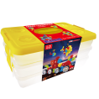

6*Ball | 8*Panel | 2*Figure |  | 6*curve bar |  | 2*Sector | 2*containers | 1*Manual

Magnetic Cube Blocks 168pcs set
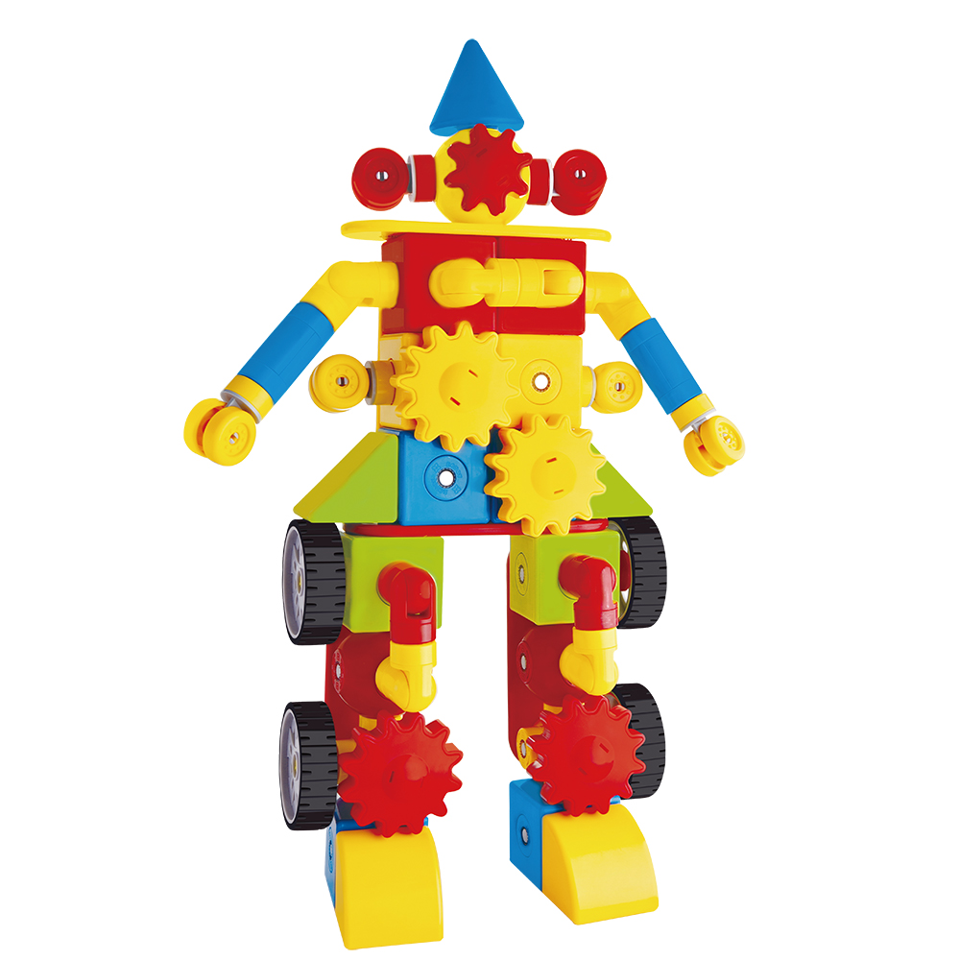 1 |  | Price FOB shanghai(USD) |  |  |  | Item No. | KBQ-168 | Brand | Mag-Wisdom
 |  | 1K-5K | 1K-10K | 10K-30K | Above30K | Box Size(cm) | 40*25*24CM | Ctn Size(cm) | 55*43*51CM
 |  | $113.97 | $109.41 | $104.85 | $100.29 | Packaging | Cardboard box | Qty/Ctn | 4
 |  |  |  |  |  | N.W.(kgs) | 25 | G.W.(kgs) | 26
 |  |  |  |  |  | Materials | plastic&magnet | Age | 3+
 |  |  |  |  |  | Lead Time | 20-30 days | MOQ | 100
 |  |  |  |  |  | Origin | Zhejiang China | OEM/ODM | Available
Accessories Included

8*Bar | 2*Gear1 | 4*Flower |  | 4*Gear2 |  | 4*Fan | 2*Road Sign | 22* Cylinder | 8*Rotation Bar

4*Cross Bar | 2*Cone | 8* Wheel1 |  | 6*SIX-way Bar |  | 8*FIVE-way Bar | 8*Right Triangle | 4*Wheel2 | 34*Cube
 |  |  |  |  |  |  | 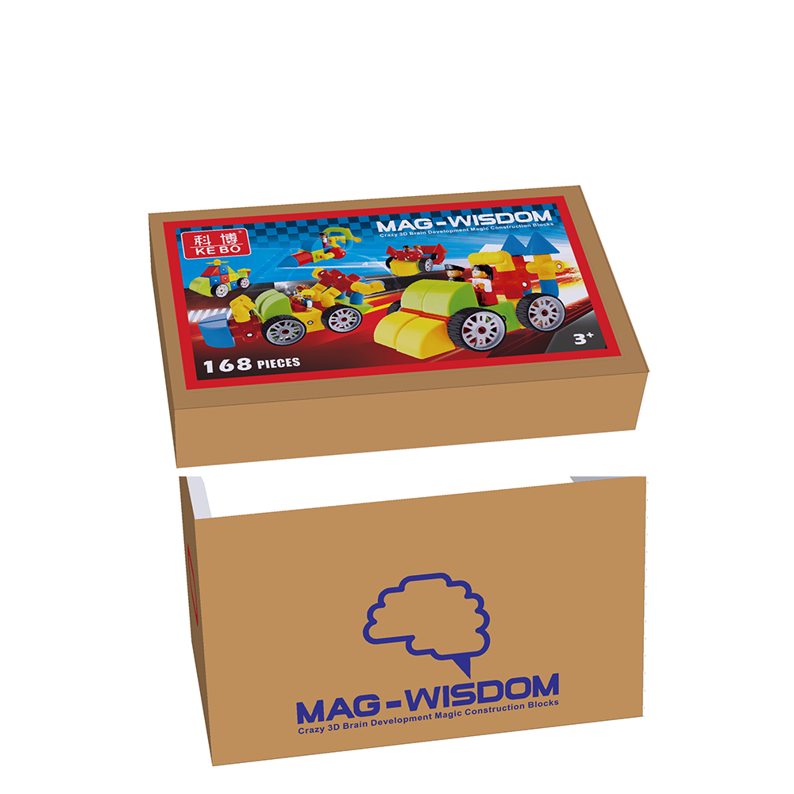

14*Ball | 8*Panel | 4*Figure |  | 8*curve bar |  | 2*Sector | 1*cardboard box | 1*Manual

OEM Service
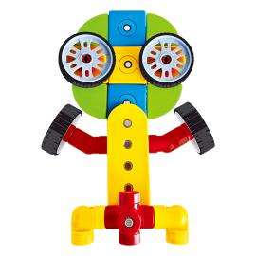 1 |  | Price FOB shanghai(USD) |  |  |  | Item No. |  | Brand | Your Own Brand
 |  | 1K-5K | 1K-10K | 10K-30K | Above30K | Box Size(cm) |  | Ctn Size(cm)
 |  |  |  |  |  | Packaging | Customization | Qty/Ctn
 |  |  |  |  |  | N.W.(kgs) |  | G.W.(kgs)
 |  |  |  |  |  | Materials | plastic&magnet | Age | 3+
 |  |  |  |  |  | Lead Time | 30 Days | MOQ | 500sets
 |  |  |  |  |  | Origin | Zhejiang China | OEM/ODM | Available
Select the shapes below and input the number you want , we will quote you individually

 |  |  |  |  |  |  |  |  | Bags

