Sheet1
We have all kinds of jewelry and pictures of many products. If you want to know what, please send me.
 | name | image | price | name | image | price | name | image | price
 | Mixed earrings（1） |  | 0.8$ There are many styles of earrings, the price is very cheap, and the purchase of 300 pairs gives 100 pairs, now it is very cost-effective to buy | Mixed necklace（1） |  | 1.5$ Mixed necklaces, some are inlaid with gems of various colors, the shape is grand, some are exquisite titanium steel styles, you can send related styles according to your needs, the price is the same | Mixed ring（1） |  | 1$ Mixed rings, like necklaces, some are made of titanium steel, some are inlaid with delicate gems, beautiful and beautiful

 |  | 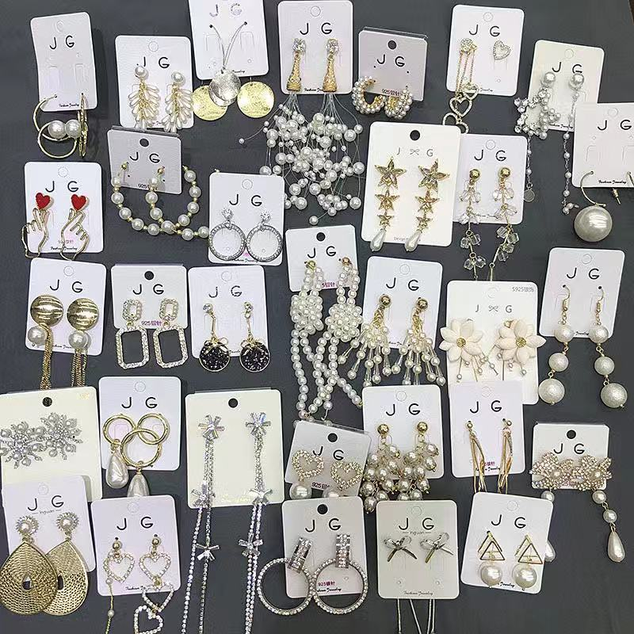 |  |  | 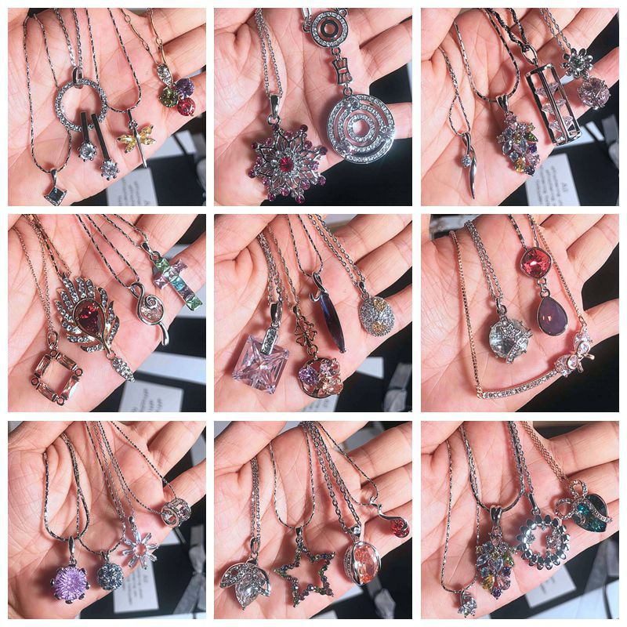
 | Mixed earrings（2） |  | 1.7$ All zircon earrings of different styles, very sparkling | Mixed necklace（2） | 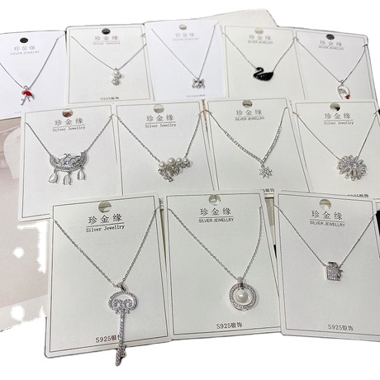 | 3.7$ The material is 925 silver, with many styles and exquisite shapes | Set ring （1） |  | 1$ A set usually has 8-10 rings, the price of each set is the same, very cost-effective
 |  |  |  |  |  |  |  | 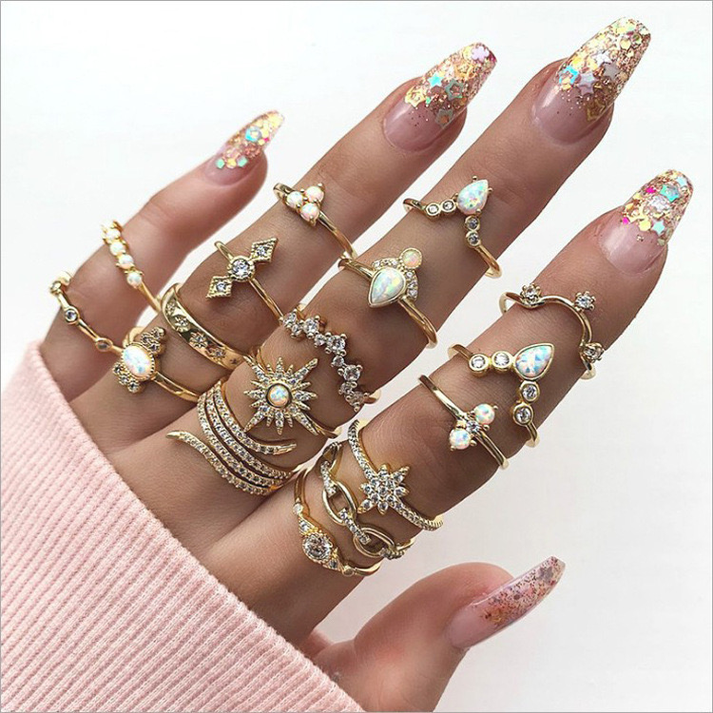
 | Mixed earrings（3） |  | 0.8$ Exquisite colored earrings, with many styles, relatively small in shape, very cost-effective | Mixed necklace（3） | 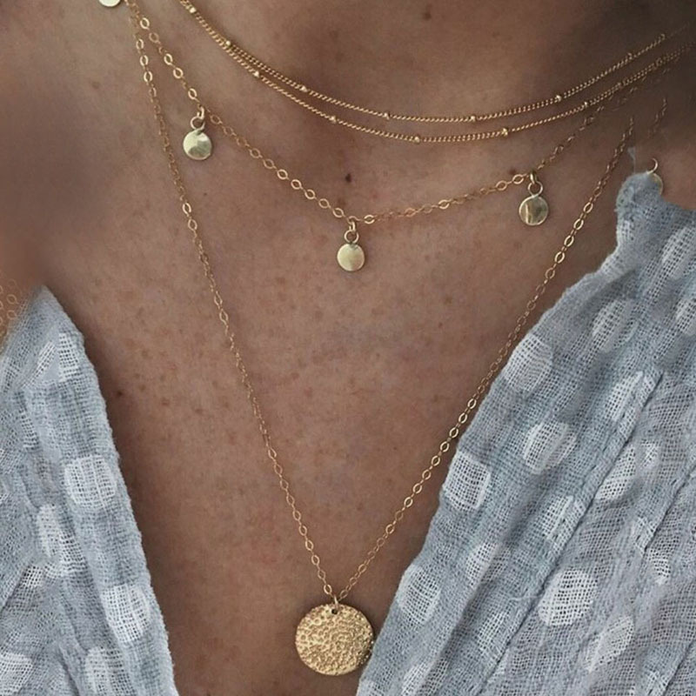 | 1$ This is a new kind of mixed necklace. They are all 2-3 layer necklaces. The shape is very delicate and the price is very cute. There are many styles. | Set jewelry (1) |  | 5$ Exquisite and elegant set of jewelry, there are many styles, there are colored gems, zircon, and copper
 |  |  |  |  | 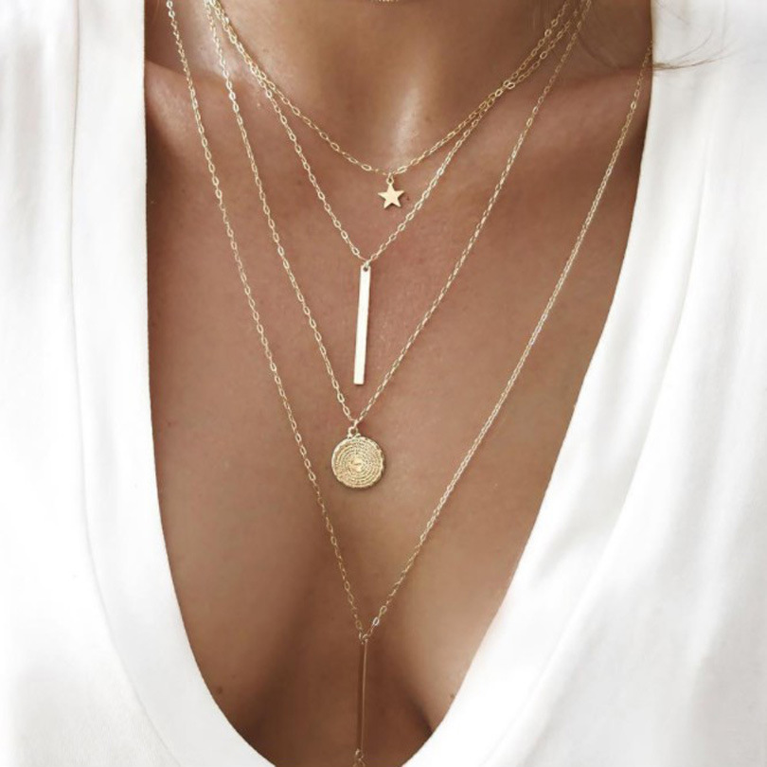
 | Mixed earrings（4） |  | 1.4$ The big circle exaggerated earrings, composed of zircon, are very shimmering and elegant! |  | 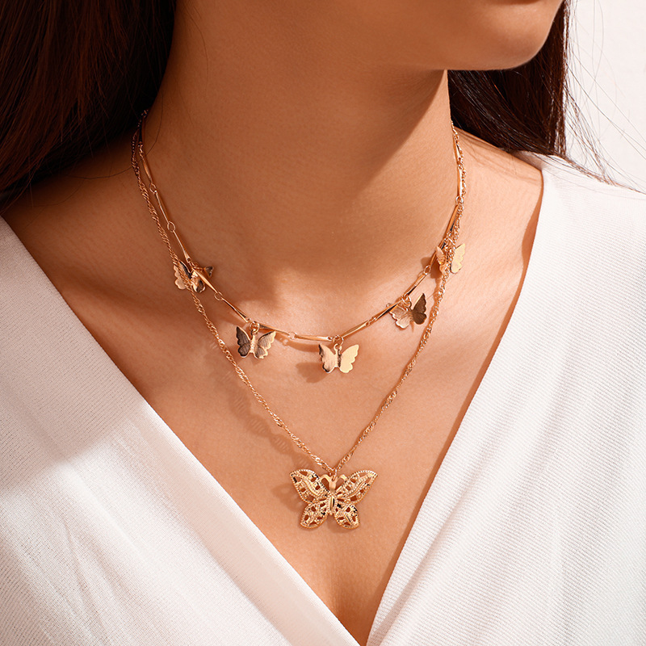
 |  |  |  | Mixed necklace (4) |  | 1$ Lovely and exquisite shell necklace, made of natural shells, cute and sweet, with many styles | Mixed bracelet (1) |  | 1.8$ Perfect quality mixed bracelet, very high texture, and inlaid with gemstones, using electroplating process.
 | Mixed hairpin（1） | 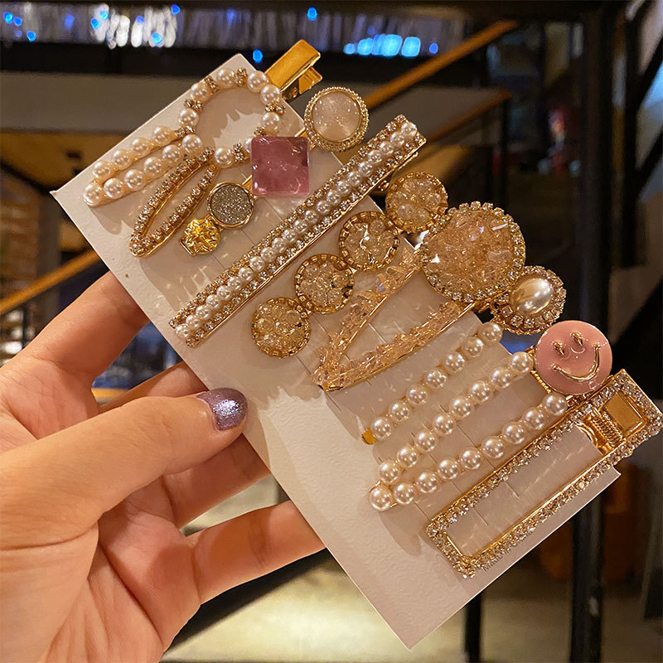 | 0.4$ There are many styles, rhinestones, pearls... |  |  |  |  | 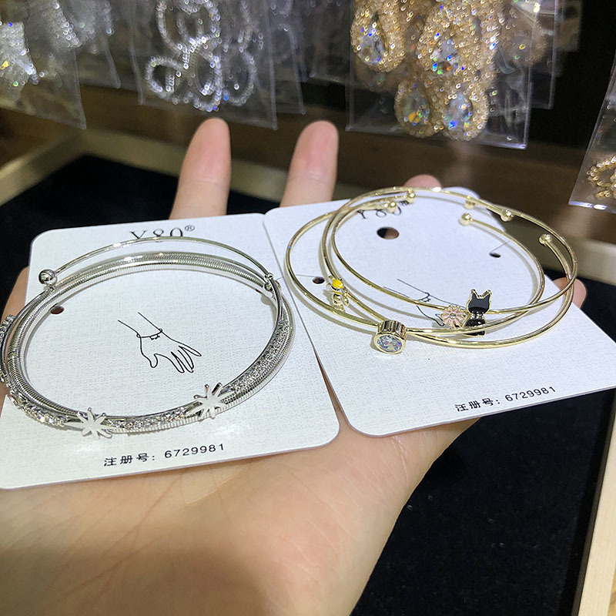
 |  |  |  | Mixed brooch (1) | 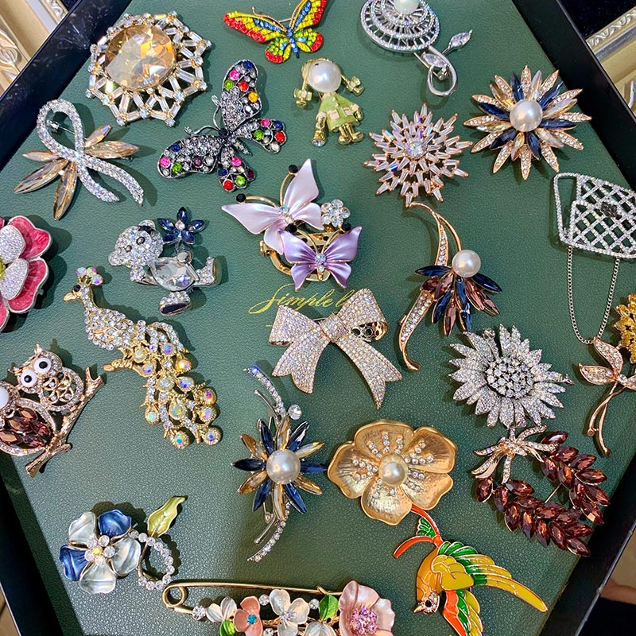 | 1.4$ The exquisite mixed brooch, the group-set zircon has been composed of large colored gemstones, the shape is magnificent, and the workmanship is perfect. | Mixed bracelet (2) |  | 1.5$ Exquisite mixed bracelet with many styles, suitable for sweet girls. The shape is smaller than the previous one, and it is also an electroplating process.
 |  |  |  |  | 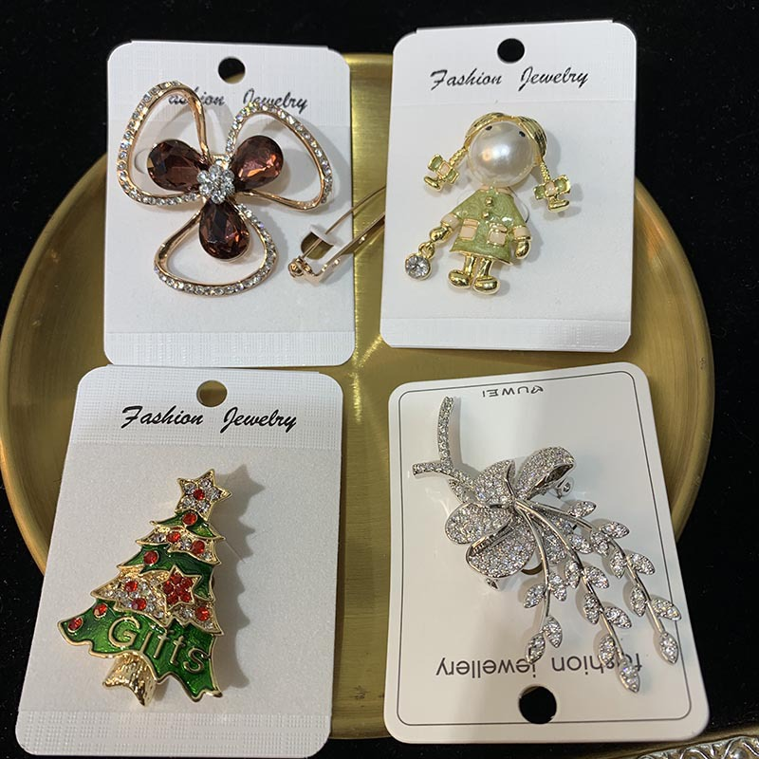 |  |  | 