Sheet1
Yongkang Qiaoshan Industry and Trade Co., Ltd.
Phone: 15888900911 WeChat: 787859539 nickname: Qiaoshan-New Example
Company website：www.cnqiaoshan.com Email address：sales@cnqiaoshan.com
Company procurement website: https://qiaoshan.1688.com
ISO9001质量保证体系，全部带有CE认证，EN15194证书，单独几款带有EEC,COC，E-Mark认证，电池UN38.3,MSDS海运空运报告认证
Product | PHOTO | SPECIFICATION |  | BATTERY | RMB Price | Dollar price
Standard configuration | 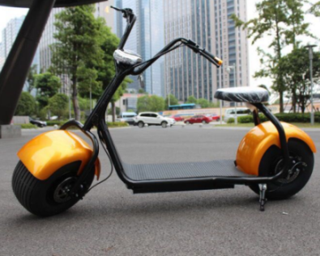 | Frame material | Seamless steel tube | 60V 12Ah 1500w lead-acid battery
 |  | Rims | iron 8 inch |  | 1600 | $230
 |  | Packing size | 175x38x80(L*W*H)
 |  | N.W/G.W | 60kg
 |  | Max Speed | 70km/h | 60V 12Ah 1500w Lithium battery
 |  | Maximum load | 200kg |  | 1700 | $245
 |  | Maximum mileage | 35km
 |  | Maximum climbing | 40°
 |  | Accelerator | Handlebar | 60V 20Ah 1500w Lithium battery
 |  | Front Rear brake | Hydraulic Disc Brake |  | 2200 | $317
 |  | Motor power | 60V 1500W/2000W Brushless DC motor
 |  | Charge time | 3-5 Hours | Update to 2000W extra cost | 100 | $15
Front shock absorption, rear shock absorption, seat back | 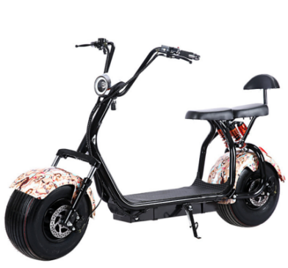 | Frame material | Seamless steel tube | 60V 12Ahlead-acid battery(upgrading to Lithium battery add
 |  | Rims | iron 8 inch |  | 1850 | $267
 |  | Packing size | 180x38x80(L*W*H)
 |  | N.W/G.W | 60kg | 60V 12Ah 1500w Lithium battery
 |  | Max Speed | 50km/h |  | 1950 | $281
 |  | Maximum load | 200kg
 |  | Maximum mileage | 40km
 |  | Maximum climbing | 40° | 60V 20Ah 1500w Lithium battery
 |  | Accelerator | Handlebar |  | 2450 | $353
 |  | Front Rear brake | Hydraulic Disc Brake
 |  | Motor power | 60V 1500W/2000W Brushless DC motor | Update to 2000W extra cost
 |  | Charge time | 3-5 Hours |  | 100 | $15
Front shock absorption, rear shock absorption, seat back | 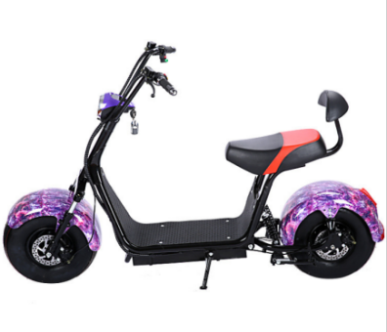 | Frame material | Seamless steel tube | 60V 12Ahlead-acid battery(upgrading to Lithium battery adds
 |  | Rims | iron |  | 1850 | $267
 |  | Packing size | 180x38x80(L*W*H)
 |  | N.W/G.W | 60kg | 60V 12Ah 1500w Lithium battery
 |  | Max Speed | 50km/h |  | 1950 | $281
 |  | Maximum load | 200kg
 |  | Maximum mileage | 40km | 60V 20Ah 1500w Lithium battery
 |  | Maximum climbing | 40°
 |  | Accelerator | Handlebar |  | 2450 | $353
 |  | Front Rear brake | Hydraulic Disc Brake | Update to 2000W extra cost
 |  | Motor power | 60V 1500W/2000W Brushless DC motor
 |  | Charge time | 3-5 Hours |  | 100 | $15
Front shock absorption, rear shock absorption, seat back | 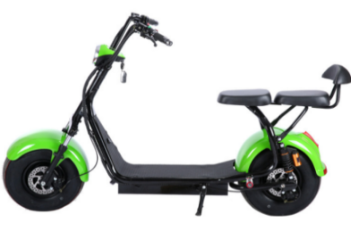 | Frame material | Seamless steel tube | 60V 12Ahlead-acid battery(upgrading to Lithium battery adds
 |  | Rims | iron |  | 1850 | $267
 |  | Packing size | 180x38x100kg(L*W*H)
 |  | N.W/G.W | 60kg | 60V 12Ah 1500w Lithium battery
 |  | Max Speed | 50km/h |  | 1950 | $281
 |  | Maximum load | 200kg
 |  | Maximum mileage | 40km | 60V 20Ah 1500w Lithium battery
 |  | Maximum climbing | 40°
 |  | Accelerator | Handlebar |  | 2450 | $353
 |  | Front Rear brake | Hydraulic Disc Brake | Update to 2000W extra cost
 |  | Motor power | 60V 1500W/2000W Brushless DC motor
 |  | Charge time | 3-5 Hours |  | 100 | $15
EEC/ COC standard Lithium Battery/Removable | 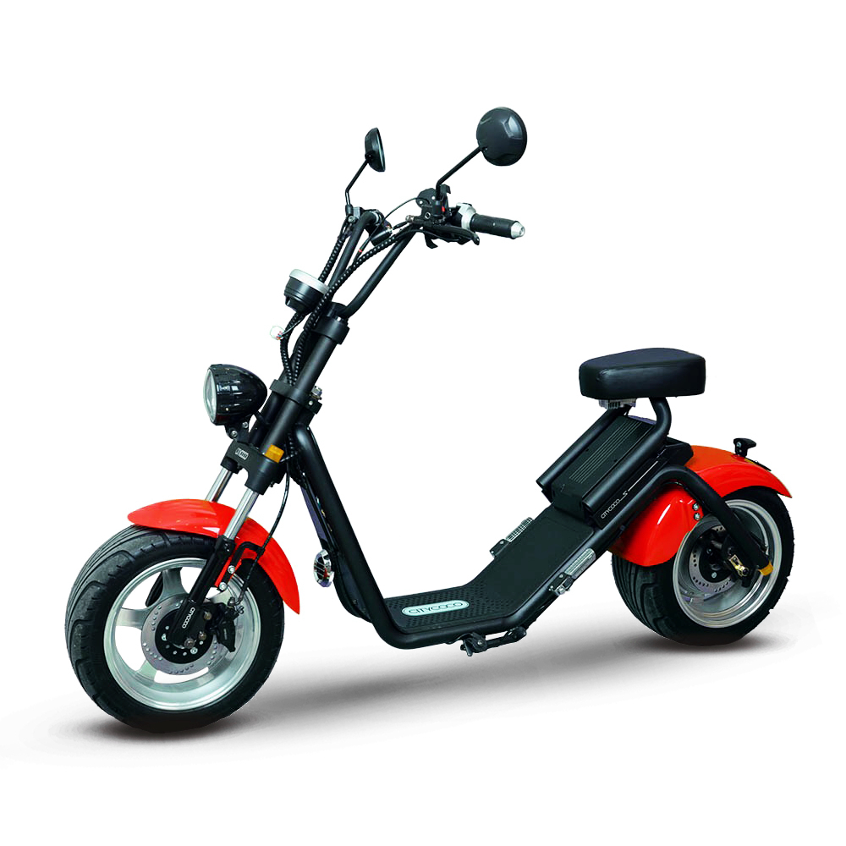 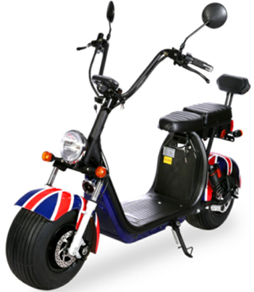 | Frame material | Seamless steel tube | 60V 12Ah 1500W
 |  | Rims | iron |  | 2700 | $389
 |  | Packing size | 180x38x100(L*W*H)
 |  | N.W/G.W | 70kg | 60V 20Ah 1500W
 |  | Max Speed | 50km/h |  | 3200 | $461
 |  | Maximum load | 200kg
 |  | Maximum mileage | 40km | If need add another set battery 12AH,pls pay extra
 |  | Maximum climbing | 40° |  | 500 | $72
 |  | Accelerator | Handlebar
 |  | Front Rear brake | Hydraulic Disc Brake | If need add another set battery 20AH,pls pay extra
 |  | Motor power | 60V 1500W/2000W Brushless DC motor |  | 1000 | $144
 |  | Charge time | 3-5 Hours
EEC/ COC standard Lithium Battery/Removable | 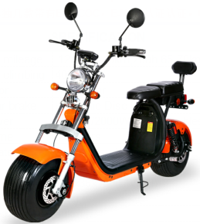 | Frame material | Seamless steel tube | 60V 12Ah 1500W
 |  | Rims | iron |  | 2800 | $404
 |  | Packing size | 180x38x100(L*W*H)
 |  | N.W/G.W | 70kg | 60V 20Ah 1500W
 |  | Max Speed | 50km/h |  | 3300 | $476
 |  | Maximum load | 200kg
 |  | Maximum mileage | 40km | If need add another set battery 12AH,pls pay extra
 |  | Maximum climbing | 40° |  | 500 | $72
 |  | Accelerator | Handlebar
 |  | Front Rear brake | Hydraulic Disc Brake | If need add another set battery 20AH,pls pay extra
 |  | Motor power | 60V 1500W/2000W Brushless DC motor |  | 1000 | $144
 |  | Charge time | 3-5 Hours
EEC/ COC standard Lithium Battery/Removable | 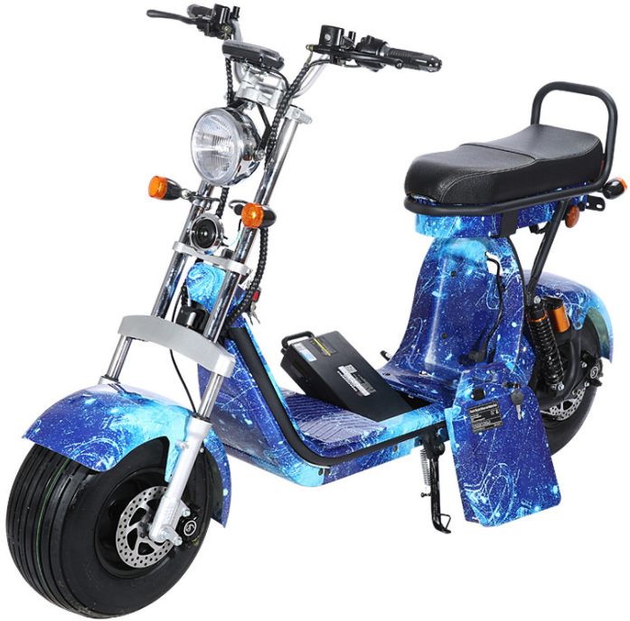 | Frame material | Seamless steel tube | 60V 12Ah 1500W
 |  | Rims | iron |  | 2900 | $418
 |  | Packing size | 180x38x100(L*W*H)
 |  | N.W/G.W | 70kg | 60V 20Ah 1500W
 |  | Max Speed | 50km/h |  | 3400 | $490
 |  | Maximum load | 200kg
 |  | Maximum mileage | 40km | If need add another set battery 12AH,pls pay extra
 |  | Maximum climbing | 40° |  | 500 | $72
 |  | Accelerator | Handlebar
 |  | Front Rear brake | Hydraulic Disc Brake | If need add another set battery 20AH,pls pay extra
 |  | Motor power | 60V 1500W/2000W Brushless DC motor |  | 1000 | $144
 |  | Charge time | 3-5 Hours
Battery not removeable | 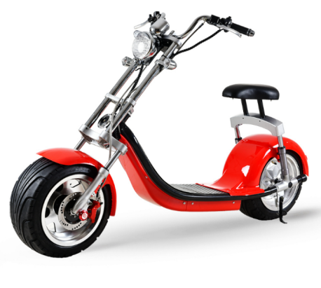 | Frame material | Seamless steel tube | 60V 12Ah 1500W
 |  | Rims | 12 inch Aluminium alloy rims
 |  | Packing size | 180x38x80(L*W*H)
 |  | N.W/G.W | 70kg |  | 3200 | $461
 |  | Max Speed | 50km/h
 |  | Maximum load | 200kg
 |  | Maximum mileage | 40km | 60V 20Ah 2000W
 |  | Maximum climbing | 40°
 |  | Accelerator | Handlebar
 |  | Front Rear brake | Hydraulic Disc Brake |  | 3700 | $533
 |  | Motor power | 60V 1500W/2000WBrushless DC motor
 |  | Charge time | 3-5 Hours
double removealbel battery system，can put two sets battery | 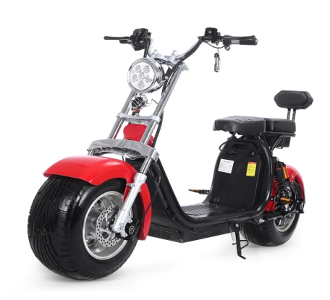 | Frame material | Seamless steel tube | 60V 12Ah 1500W
 |  | Rims | 10-inch aluminium alloy wheel hub |  | 2600 | $375
 |  | Packing size | 180x38x100(L*W*H)
 |  | N.W/G.W | 75kg | 60V 20Ah 1500W
 |  | Max Speed | 50km/h |  | 3100 | $447
 |  | Maximum load | 200kg
 |  | Maximum mileage | 40km | If need add another set battery 12AH,pls pay extra
 |  | Maximum climbing | 40° |  | 500 | $72
 |  | Accelerator | Handlebar
 |  | Front Rear brake | Hydraulic Disc Brake | If need add another set battery 20AH,pls pay extra
 |  | Motor power | 60V 1500W, 2000W，Brushless DC motor |  | 1000 | $144
 |  | Charge time | 3-5 Hours
double removealbel battery system，can put two sets battery | 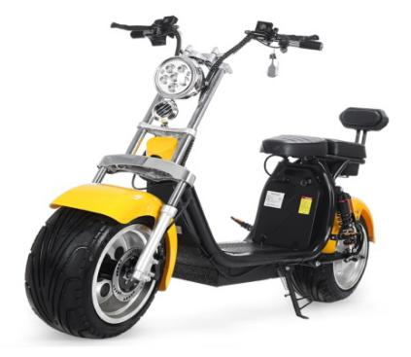 | Frame material | Seamless steel tube | 60V 12Ah 1500W
 |  | Rims | 12-inch aluminium alloy wheel hub |  | 2900 | $418
 |  | Packing size | 180x38x100(L*W*H)
 |  | N.W/G.W | 70kg | 60V 20Ah 1500W
 |  | Max Speed | 50km/h |  | 3400 | $490
 |  | Maximum load | 200kg
 |  | Maximum mileage | 40km | If need add another set battery 12AH,pls pay extra
 |  | Maximum climbing | 40° |  | 500 | $72
 |  | Accelerator | Handlebar
 |  | Front Rear brake | Hydraulic Disc Brake | If need add another set battery 20AH,pls pay extra
 |  | Motor power | 60V 1500W/2000W， Brushless DC motor |  | 1000 | $144
 |  | Charge time | 3-5 Hours
Front shock absorber lamp, liquid crystal switch, lift seat | 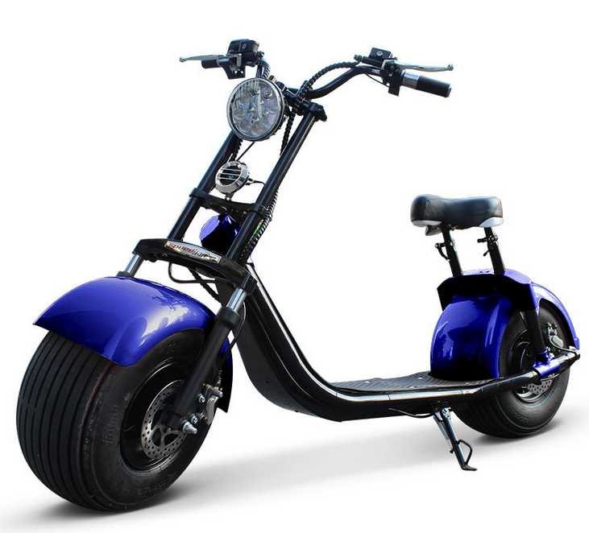 | Frame material | Seamless steel tube | 60V 12Ahlead-acid battery(upgrading to Lithium battery add
 |  | Rims | iron |  | 2050 | $296
 |  | Packing size | 180x38x100(L*W*H)
 |  | N.W/G.W | 70kg | 60V 12Ah 1500w Lithium battery
 |  | Max Speed | 50km/h |  | 2150 | $310
 |  | Maximum load | 200kg
 |  | Maximum mileage | 40km | 60V 20Ah 1500w Lithium battery
 |  | Maximum climbing | 40° |  | 2650 | $382
 |  | Accelerator | Handlebar
 |  | Front Rear brake | Hydraulic Disc Brake | Update to 2000W extra cost
 |  | Motor power | 60V 1500W/2000W Brushless DC motor
 |  | Charge time | 3-5 Hours |  | 100 | $15
Rear shock absorbing large seat cushion and airbag damping,External loudspeaker | 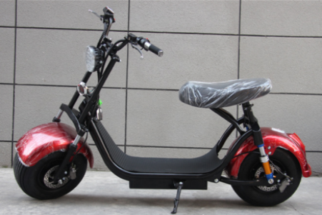 | Frame material | Seamless steel tube | 60V 12Ahlead-acid battery(upgrading to Lithium battery add
 |  | Rims | iron |  | 2450 | $353
 |  | Packing size | 180x38x100(L*W*H)
 |  | N.W/G.W | 70kg | 60V 12Ah 1500w Lithium battery
 |  | Max Speed | 50km/h |  | 2550 | $368
 |  | Maximum load | 200kg
 |  | Maximum mileage | 40km | 60V 20Ah 1500w Lithium battery
 |  | Maximum climbing | 40° |  | 3050 | $440
 |  | Accelerator | Handlebar
 |  | Front Rear brake | Hydraulic Disc Brake | Update to 2000W extra cost
 |  | Motor power | 60V 1500W/2000W Brushless DC motor
 |  | Charge time | 3-5 Hours |  | 100 | $15
double removealbel battery system，can put two sets battery | 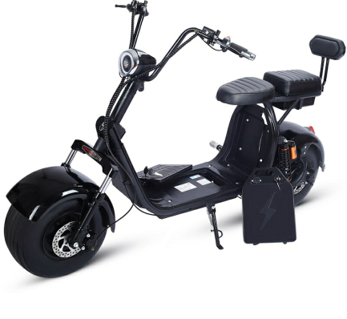 | Frame material | Seamless steel tube | 60V 12Ah 1500W
 |  | Rims | iron |  | 2200 | $317
 |  | Packing size | 180x38x80
 |  | N.W/G.W | 70kg | 60V 20Ah 1500W
 |  | Max Speed | 50km/h |  | 2700 | $389
 |  | Maximum load | 200kg
 |  | Maximum mileage | 40km | If need add another set battery 12AH,pls pay extra
 |  | Maximum climbing | 40° |  | 500 | $72
 |  | Accelerator | Handlebar
 |  | Front Rear brake | Hydraulic Disc Brake | If need add another set battery 20AH,pls pay extra
 |  | Motor power | 60V 1500W/2000W Brushless DC motor |  | 1000 | $144
 |  | Charge time | 3-5 Hours
double removealbel battery system，can put two sets battery | 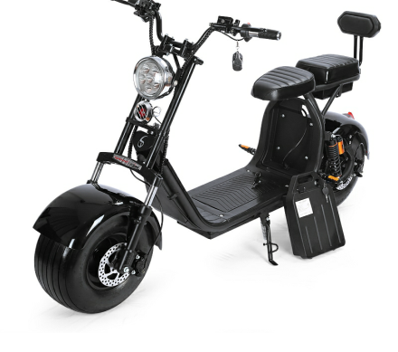 | Frame material | Seamless steel tube | 60V 12Ah 1500W
 |  | Rims | iron |  | 2300 | $332
 |  | Packing size | 180x38x100(L*W*H)
 |  | N.W/G.W | 70kg | 60V 20Ah 1500W
 |  | Max Speed | 50km/h |  | 2800 | $404
 |  | Maximum load | 200kg
 |  | Maximum mileage | 40km | If need add another set battery 12AH,pls pay extra
 |  | Maximum climbing | 40° |  | 500 | $72
 |  | Accelerator | Handlebar
 |  | Front Rear brake | Hydraulic Disc Brake | If need add another set battery 20AH,pls pay extra
 |  | Motor power | 60V 1500W/2000W Brushless DC motor |  | 1000 | $144
 |  | Charge time | 3-5 Hours
One set battery,can removeable | 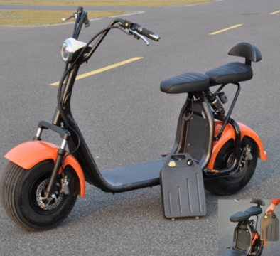 | Frame material | Seamless steel tube | 60V 12Ah 1500w Lithium battery
 |  | Rims | iron
 |  | Packing size | 180x38x80(L*W*H) |  | 2100 | $303
 |  | N.W/G.W | 70kg
 |  | Max Speed | 50km/h | 60V 20Ah 1500w Lithium battery
 |  | Maximum load | 200kg
 |  | Maximum mileage | 40km |  | 2600 | $375
 |  | Maximum climbing | 40°
 |  | Accelerator | Handlebar | Update to 2000W extra cost
 |  | Front Rear brake | Hydraulic Disc Brake
 |  | Motor power | 60V 1500W/2000W Brushless DC motor |  | 100 | $15
 |  | Charge time | 3-5 Hours
One set battery,can removeable | 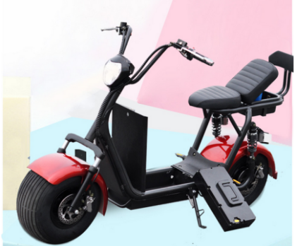 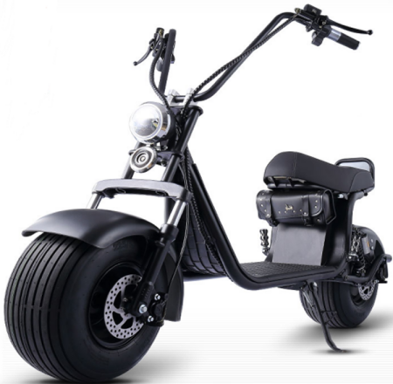 | Frame material | Seamless steel tube | 60V 12Ah 1500w Lithium battery
 |  | Rims | iron
 |  | Packing size | 180x38x80(L*W*H) |  | 2200 | $317
 |  | N.W/G.W | 70kg
 |  | Max Speed | 50km/h | 60V 20Ah 1500w Lithium battery
 |  | Maximum load | 200kg
 |  | Maximum mileage | 40km |  | 2700 | $389
 |  | Maximum climbing | 40°
 |  | Accelerator | Handlebar | Update to 2000W extra cost
 |  | Front Rear brake | Hydraulic Disc Brake
 |  | Motor power | 60V 1500W/2000W Brushless DC motor |  | 100 | $15
 |  | Charge time | 3-5 Hours
X1 | 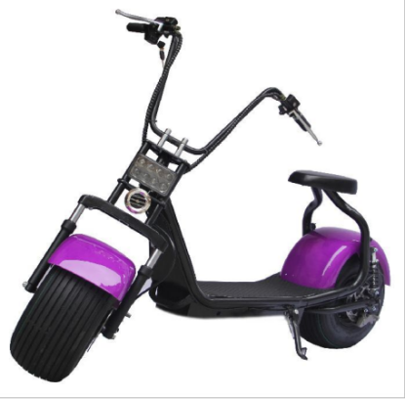 | Frame material | Seamless steel tube | 60V 12Ahlead-acid battery(upgrading to Lithium battery add
 |  | Rims | iron |  | 1750 | $252
 |  | Packing size | 180x38x80(L*W*H)
 |  | N.W/G.W | 70kg | 60V 12Ah 1500w Lithium battery
 |  | Max Speed | 50km/h |  | 1850 | $267
 |  | Maximum load | 200kg
 |  | Maximum mileage | 40km | 60V 20Ah 1500w Lithium battery
 |  | Maximum climbing | 40° |  | 2350 | $339
 |  | Accelerator | Handlebar
 |  | Front Rear brake | Hydraulic Disc Brake | Update to 2000W extra cost
 |  | Motor power | 60V 1500W/2000W Brushless DC motor |  | 100 | $15
 |  | Charge time | 3-5 Hours
X5 | 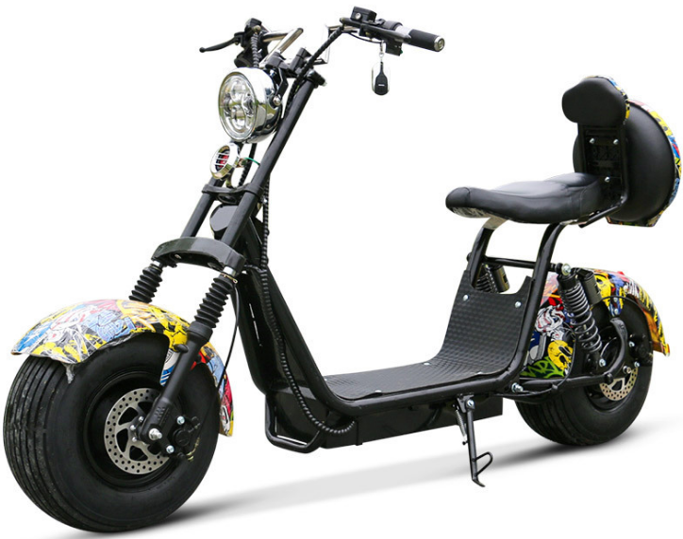 | Frame material | Seamless steel tube | 60V 12Ahlead-acid battery(upgrading to Lithium battery add
 |  | Rims | iron |  | 2100 | $303
 |  | Packing size | 180x38x100(L*W*H)
 |  | N.W/G.W | 70kg | 60V 12Ah 1500w Lithium battery
 |  | Max Speed | 50km/h |  | 2200 | $317
 |  | Maximum load | 200kg
 |  | Maximum mileage | 40km | 60V 20Ah 1500w Lithium battery
 |  | Maximum climbing | 40° |  | 2700 | $389
 |  | Accelerator | Handlebar
 |  | Front Rear brake | Hydraulic Disc Brake | Update to 2000W extra cost
 |  | Motor power | 60V 1500W/2000W Brushless DC motor |  | 100 | $15
 |  | Charge time | 3-5 Hours
3 wheels | 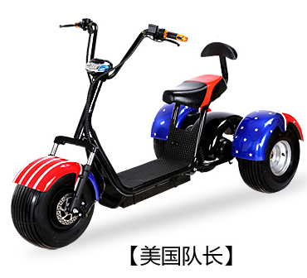 | Frame material | Seamless steel tube | 60V 12Ah lead-acid battery(upgrading to Lithium battery add
 |  | Rims | iron |  | 2100 | $303
 |  | Packing size | 175*85*122cm (L*W*H)
 |  | N.W/G.W | 70kg | 60V 12Ah 1500w Lithium battery
 |  | Max Speed | 50km/h |  | 2200 | $317
 |  | Maximum load | 200kg
 |  | Maximum mileage | 40km | 60V 20Ah 1500w Lithium battery
 |  | Maximum climbing | 40° |  | 2700 | $389
 |  | Accelerator | Handlebar
 |  | Front Rear brake | Hydraulic Disc Brake | Update to 2000W extra cost
 |  | Motor power | 60V 1500W/2000W Brushless DC motor |  | 100 | $15
 |  | Charge time | 3-5 Hours
aluminium 10inch | 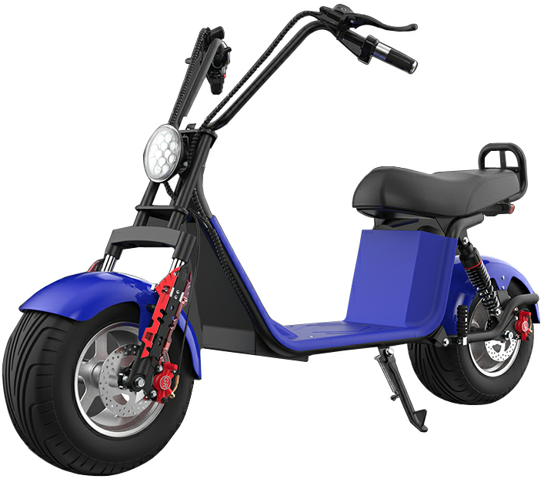 | Frame material | Seamless steel tube | 60V 12Ah 1500w Lithium battery
 |  | Rims | 10-inch aluminium alloy wheel hub |  | 2400 | $346
 |  | Packing size | 180x38x100
 |  | N.W/G.W | 70kg
 |  | Max Speed | 50km/h
 |  | Maximum load | 200kg
 |  | Maximum mileage | 40km | 60V 20Ah 1500w Lithium battery
 |  | Maximum climbing | 40° |  | 2900 | $418
 |  | Accelerator | Handlebar
 |  | Front Rear brake | Hydraulic Disc Brake | Update to 2000W extra cost
 |  | Motor power | 60V 1500W/2000W Brushless DC motor |  | 100 | $15
 |  | Charge time | 3-5 Hours
aluminium 10inch | 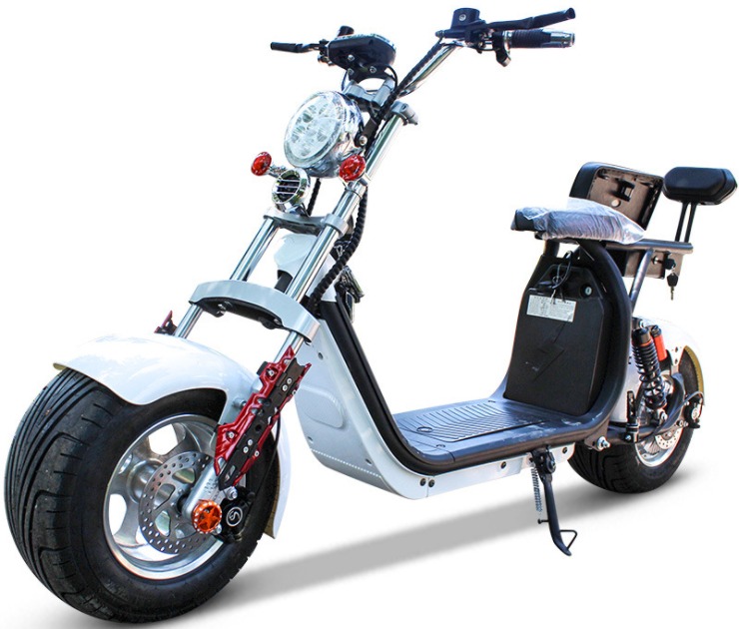 | Frame material | Seamless steel tube | 60V 12Ah 1500w Lithium battery
 |  | Rims | 10-inch aluminium alloy wheel hub |  | 2700 | $389
 |  | Packing size | 180x38x80(L*W*H)
 |  | N.W/G.W | 70kg | 60V 20Ah 1500w Lithium battery
 |  | Max Speed | 50km/h |  | 3200 | $461
 |  | Maximum load | 200kg
 |  | Maximum mileage | 40km | Update to 2000W extra cost
 |  | Maximum climbing | 40° |  | 100 | $15
 |  | Accelerator | Handlebar
 |  | Front Rear brake | Hydraulic Disc Brake
 |  | Motor power | 60V 1500W/2000W Brushless DC motor
 |  | Charge time | 3-5 Hours
One set battery,can removeable | 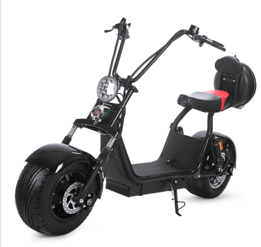 | Frame material | Seamless steel tube | 60V 12Ahlead-acid battery(upgrading to Lithium battery adds
 |  | Rims | 10 inch Aluminium alloy rims |  | 2300 | $332
 |  | Packing size | 180x38x100(L*W*H)
 |  | N.W/G.W | 70kg | 60V 12Ah 1500w Lithium battery
 |  | Max Speed | 50km/h |  | 2400 | $346
 |  | Maximum load | 200kg
 |  | Maximum mileage | 40km | 60V 20Ah 1500w Lithium battery
 |  | Maximum climbing | 40° |  | 2900 | $418
 |  | Accelerator | Handlebar
 |  | Front Rear brake | Hydraulic Disc Brake | Update to 2000W extra cost
 |  | Motor power | 60V 1500W/2000W Brushless DC motor |  | 100 | $15
 |  | Charge time | 3-5 Hours
X8 | 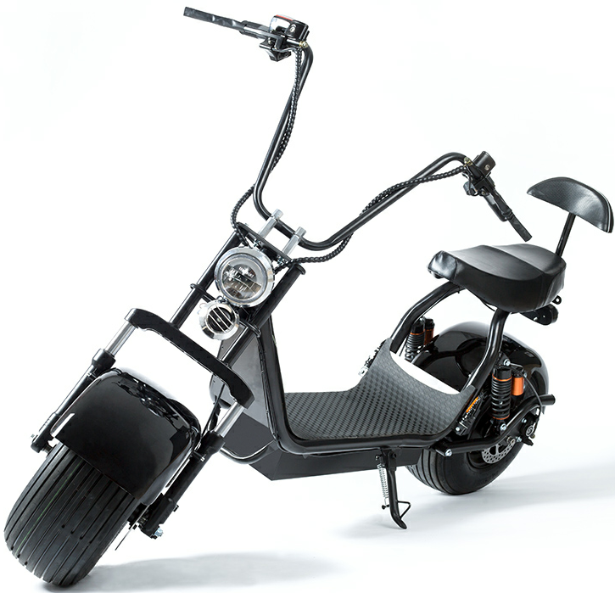 | Frame material | Seamless steel tube | 60V 12Ahlead-acid battery(upgrading to Lithium battery adds
 |  | Rims | iron |  | 2100 | $303
 |  | Packing size | 175*85*122cm (L*W*H)
 |  | N.W/G.W | 70kg | 60V 12Ah 1500w Lithium battery
 |  | Max Speed | 50km/h |  | 2200 | $317
 |  | Maximum load | 200kg
 |  | Maximum mileage | 40km | 60V 20Ah 1500w Lithium battery | 2700 | $389
 |  | Maximum climbing | 40°
 |  | Accelerator | Handlebar
 |  | Front Rear brake | Hydraulic Disc Brake | Update to 2000W extra cost
 |  | Motor power | 60V 1500W/2000W Brushless DC motor |  | 100 | $15
 |  | Charge time | 3-5 Hours
One set battery,can removeable | 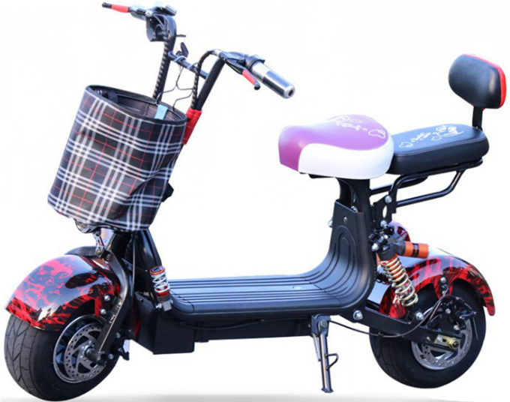 | Frame material | Seamless steel tube | 48V 12Ah 800w Lithium battery
 |  | Rims | iron
 |  | Packing size | 1250x590x800(L*W*H) |  | 1450 | $209
 |  | N.W/G.W | 32kg
 |  | Max Speed | 35km/h | 48V 20Ah 800w Lithium battery
 |  | Maximum load | 200kg
 |  | Maximum mileage | 30km |  | 2000 | $288
 |  | Maximum climbing | 40°
 |  | Accelerator | Handlebar
 |  | Front Rear brake | Hydraulic Disc Brake
 |  | Motor power | 48V 800W
 |  | Charge time | 3-5 Hours
One set battery,can removeable | 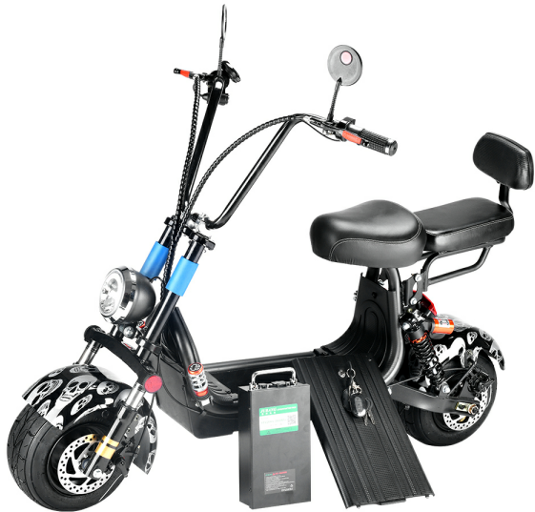 | Frame material | Seamless steel tube | 48V 12Ah 800w Lithium battery
 |  | Rims | iron
 |  | Packing size | 1300x590x800(L*W*H) |  | 1550 | $222
 |  | N.W/G.W | 32kg
 |  | Max Speed | 35km/h | 48V 20Ah 800w Lithium battery
 |  | Maximum load | 200kg
 |  | Maximum mileage | 30km |  | 2100 | $300
 |  | Maximum climbing | 40°
 |  | Accelerator | Handlebar
 |  | Front Rear brake | Hydraulic Disc Brake
 |  | Motor power | 48V 800W
 |  | Charge time | 3-5 Hours
One set battery,can removeable | 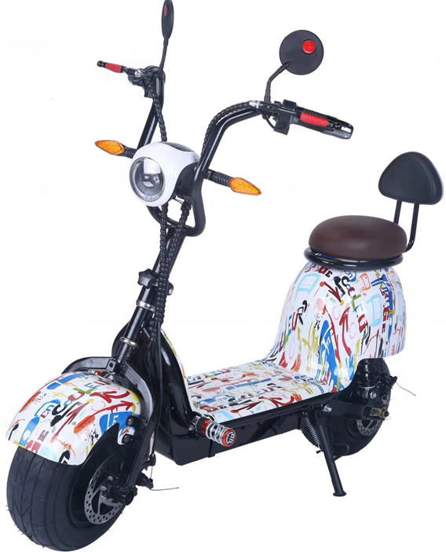 | Frame material | Seamless steel tube | 48V 12Ah 800w Lithium battery
 |  | Rims | iron
 |  | Packing size | 1165x550x1000(L*W*H) |  | 1700 | $245
 |  | N.W/G.W | 40kg
 |  | Max Speed | 40km/h | 48V 20Ah 800w Lithium battery
 |  | Maximum load | 200kg
 |  | Maximum mileage | 30km |  | 2200 | $317
 |  | Maximum climbing | 40°
 |  | Accelerator | Handlebar
 |  | Front Rear brake | Hydraulic Disc Brake
 |  | Motor power | 48V 800W
 |  | Charge time | 3-5 Hours
One set battery,can removeable | 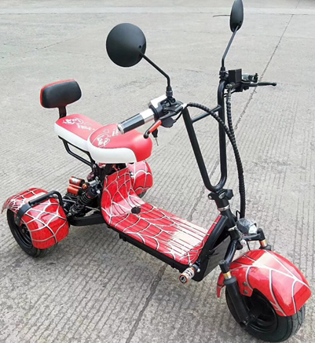 | Frame material | Seamless steel tube | 48V 12Ah 800w Lithium battery
 |  | Rims | iron
 |  | Packing size | 1165x550x1000(L*W*H) |  | 1950 | $281
 |  | N.W/G.W | 40kg
 |  | Max Speed | 40km/h | 48V 20Ah 800w Lithium battery
 |  | Maximum load | 200kg
 |  | Maximum mileage | 30km |  | 2450 | $353
 |  | Maximum climbing | 40°
 |  | Accelerator | Handlebar
 |  | Front Rear brake | Hydraulic Disc Brake
 |  | Motor power | 48V 800W
 |  | Charge time | 3-5 Hours
M1-One set battery,can removeable/(Optional EEC/ COC standard) | 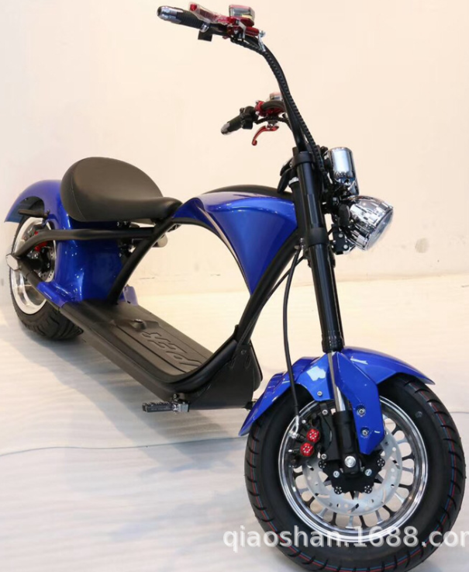 | Frame material | Seamless steel tube | 60V 12Ah 1500w Lithium battery
 |  | Rims | 12-inch aluminium alloy wheel hub
 |  | Packing size | 1840x380x770(L*W*H) |  | 3700 | $533
 |  | N.W/G.W | 80kg
 |  | Max Speed | 40km/h | 60V 20Ah 1500w Lithium battery
 |  | Maximum load | 200kg
 |  | Maximum mileage | 35km |  | 4200 | $605
 |  | Maximum climbing | 40°
 |  | Accelerator | Handlebar | 60V 12Ah 1500w Lithium battery ( EEC standard)
 |  | Front Rear brake | Hydraulic Disc Brake
 |  | Motor power | 60V 1500W/2000W Brushless DC motor |  | 4050 | $584
 |  | Charge time | 3-5 Hours
Feibao(Optional EEC/ COC standard) | 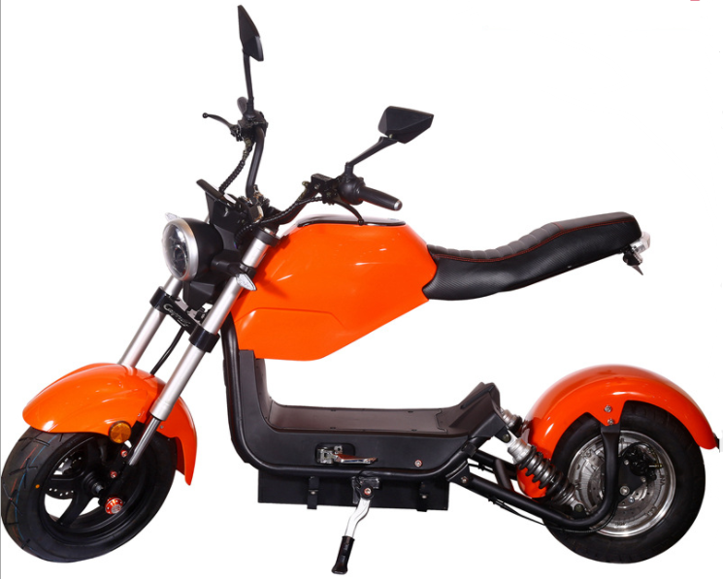 | Frame material | Seamless steel tube | 60V 20Ah 2000w lead-acid battery
 |  | Rims | 10-inch aluminium alloy wheel hub
 |  | Packing size | 1900x480x1050(L*W*H) |  | 3300 | $476
 |  | N.W/G.W | 110kg
 |  | Max Speed | 40km/h | 60V 20Ah 2000w Lithium battery
 |  | Maximum load | 200kg
 |  | Maximum mileage | 55km |  | 3600 | $519
 |  | Maximum climbing | 40°
 |  | Accelerator | Handlebar | 60V 12Ah 2000w Lithium battery
 |  | Front Rear brake | Hydraulic Disc Brake
 |  | Motor power | 60V 2000W |  | 3200 | $461
 |  | Charge time | 3-5 Hours
Side three wheels | 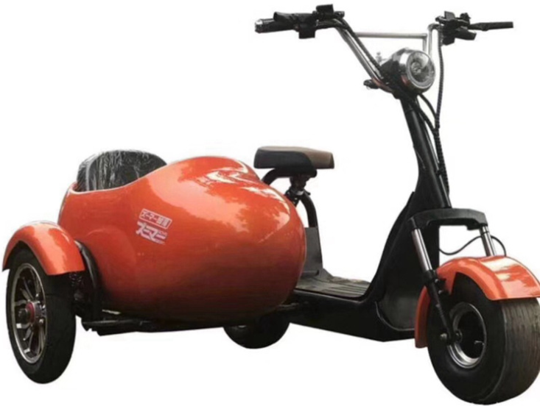 | Frame material | Seamless steel tube | 60V 12Ah 1500w lead-acid battery
 |  | Rims | iron
 |  | Packing size | 1920x980x890(L*W*H) |  | 3800 | $548
 |  | N.W/G.W | 110kg
 |  | Max Speed | 40km/h | 60V 20Ah 1500w Lithium battery
 |  | Maximum load | 200kg
 |  | Maximum mileage | 55km |  | 4400 | $634
 |  | Maximum climbing | 40°
 |  | Accelerator | Handlebar | 60V 12Ah 1500w Lithium battery
 |  | Front Rear brake | Hydraulic Disc Brake
 |  | Motor power | 60V 1500W |  | 3900 | $562
 |  | Charge time | 3-5 Hours
3 wheels | 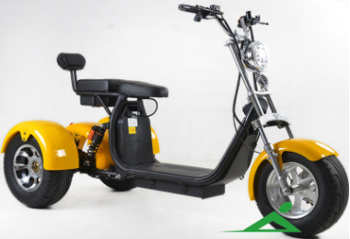 | Frame material | Seamless steel tube
 |  | Rims | 10-inch aluminium alloy wheel hub
 |  | Packing size | 199*95*700cm (L*W*H)
 |  | N.W/G.W | 100kg | 60V 12Ah 1500w Lithium battery
 |  | Max Speed | 50km/h |  | 3100 | $447
 |  | Maximum load | 200kg
 |  | Maximum mileage | 40km | 60V 20Ah 1500w Lithium battery
 |  | Maximum climbing | 40° |  | 3600 | $519
 |  | Accelerator | Handlebar
 |  | Front Rear brake | Hydraulic Disc Brake | Update to 2000W extra cost
 |  | Motor power | 60V 1500W/2000W Brushless DC motor |  | 100 | $15
 |  | Charge time | 3-5 Hours
3 wheels | 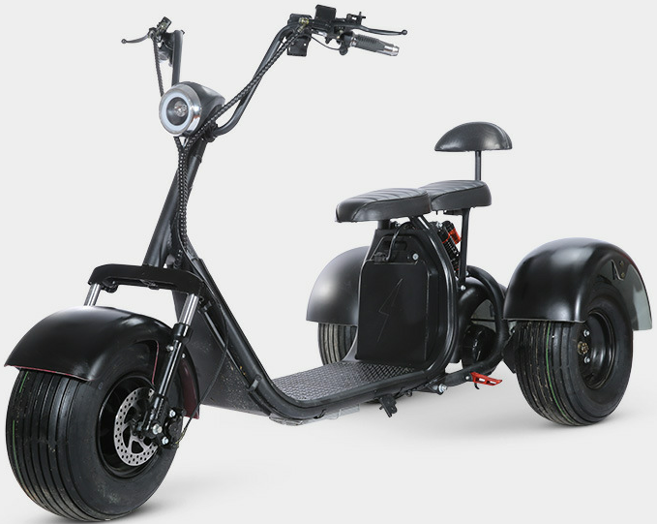 | Frame material | Seamless steel tube
 |  | Rims | iron
 |  | Packing size | 199*95*700cm (L*W*H)
 |  | N.W/G.W | 100kg | 60V 12Ah 1500w Lithium battery
 |  | Max Speed | 50km/h |  | 2400 | $346
 |  | Maximum load | 200kg
 |  | Maximum mileage | 40km | 60V 20Ah 1500w Lithium battery
 |  | Maximum climbing | 40° |  | 2900 | $418
 |  | Accelerator | Handlebar
 |  | Front Rear brake | Hydraulic Disc Brake | Update to 2000W extra cost
 |  | Motor power | 60V 1500W/2000W Brushless DC motor |  | 100 | $15
 |  | Charge time | 3-5 Hours
EEC/ COC standard Lithium Battery/Removable | 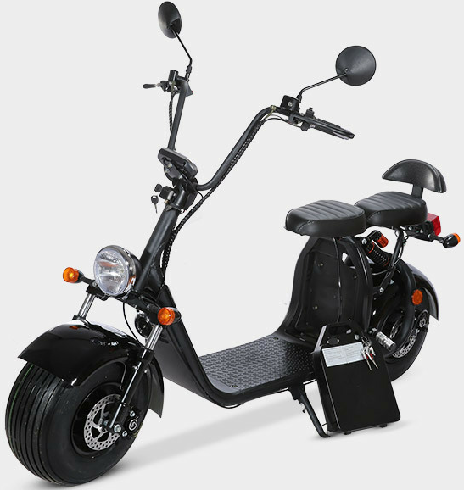 | Frame material | Seamless steel tube | 60V 12Ah 1500W
 |  | Rims | iron |  | 2700 | $389
 |  | Packing size | 180x38x100(L*W*H)
 |  | N.W/G.W | 70kg | 60V 20Ah 1500W
 |  | Max Speed | 50km/h |  | 3200 | $461
 |  | Maximum load | 200kg
 |  | Maximum mileage | 40km | If need add another set battery 12AH,pls pay extra
 |  | Maximum climbing | 40° |  | 500 | $72
 |  | Accelerator | Handlebar
 |  | Front Rear brake | Hydraulic Disc Brake | If need add another set battery 20AH,pls pay extra
 |  | Motor power | 60V 1500W/2000W Brushless DC motor |  | 1000 | $144
 |  | Charge time | 3-5 Hours
EEC/ COC standard Lithium Battery/Removable | 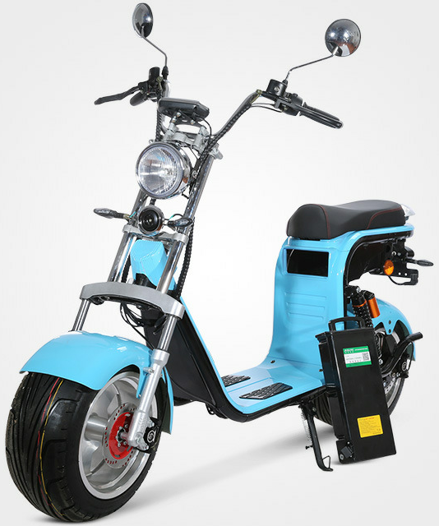 | Frame material | Seamless steel tube | 60V 12Ah 1500W
 |  | Rims | 10-inch aluminium alloy wheel hub |  | 3250 | $468
 |  | Packing size | 180x38x100(L*W*H)
 |  | N.W/G.W | 70kg | 60V 20Ah 1500W
 |  | Max Speed | 50km/h |  | 3850 | $555
 |  | Maximum load | 200kg
 |  | Maximum mileage | 40km | If need add another set battery 12AH,pls pay extra
 |  | Maximum climbing | 40° |  | 500 | $72
 |  | Accelerator | Handlebar
 |  | Front Rear brake | Hydraulic Disc Brake | If need add another set battery 20AH,pls pay extra
 |  | Motor power | 60V 1500W/2000W Brushless DC motor |  | 1000 | $144
 |  | Charge time | 3-5 Hours
EEC/ COC standard Lithium Battery/Removable | 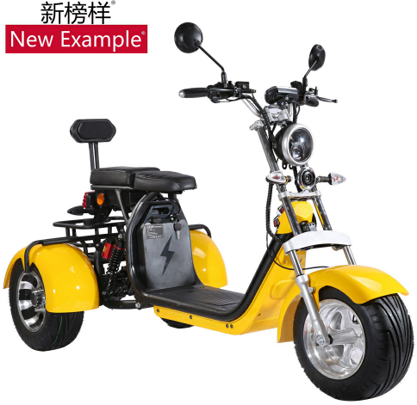 | Frame material | Seamless steel tube | If need add another set battery 12AH,pls pay extra
 |  | Rims | 10-inch aluminium alloy wheel hub |  | 500 | $72
 |  | Packing size | 199*95*700cm (L*W*H)
 |  | N.W/G.W | 100kg | 60V 12Ah 2000w Lithium battery
 |  | Max Speed | 50km/h |  | 3700 | $533
 |  | Maximum load | 200kg
 |  | Maximum mileage | 40km | 60V 20Ah 2000w Lithium battery
 |  | Maximum climbing | 40° |  | 4200 | $605
 |  | Accelerator | Handlebar
 |  | Front Rear brake | Hydraulic Disc Brake | Reserve box shelf
 |  | Motor power | 60V 2000W Brushless DC motor |  | 100 | $15
 |  | Charge time | 3-5 Hours
3 wheels，Reserve box shelf | 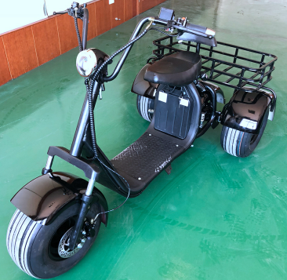 | Frame material | Seamless steel tube
 |  | Rims | iron
 |  | Packing size | 199*95*700cm (L*W*H)
 |  | N.W/G.W | 100kg | 60V 12Ah 1500w Lithium battery
 |  | Max Speed | 50km/h |  | 2550 | $368
 |  | Maximum load | 200kg
 |  | Maximum mileage | 40km | 60V 20Ah 1500w Lithium battery
 |  | Maximum climbing | 40° |  | 2950 | $425
 |  | Accelerator | Handlebar
 |  | Front Rear brake | Hydraulic Disc Brake | Update to 2000W extra cost
 |  | Motor power | 60V 1500W/2000W Brushless DC motor |  | 100 | $15
 |  | Charge time | 3-5 Hours
M3-One set battery,can removeable/(Optional EEC/ COC standard) | 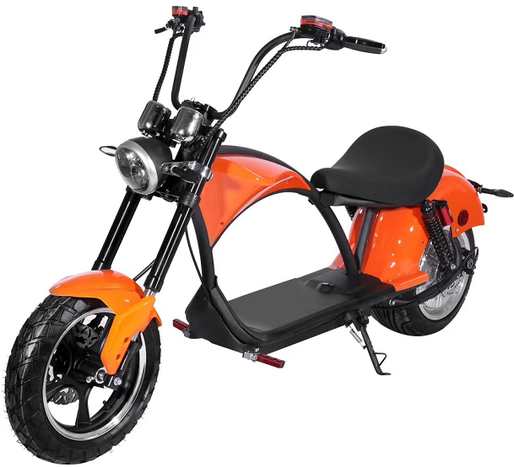 | Frame material | Seamless steel tube | NOEEC，60V 12Ah 2000w Lithium battery
 |  | Rims | 12-inch aluminium alloy wheel hub
 |  | Packing size | 1840x380x770(L*W*H) |  | 3600 | $519
 |  | N.W/G.W | 80kg
 |  | Max Speed | 40km/h | 60V 20Ah 2000w Lithium battery
 |  | Maximum load | 200kg
 |  | Maximum mileage | 35km |  | 4100 | $591
 |  | Maximum climbing | 40°
 |  | Accelerator | Handlebar | 60V 12Ah 3000w Lithium battery ( EEC standard)
 |  | Front Rear brake | Hydraulic Disc Brake
 |  | Motor power | 60V 2000W Brushless DC motor |  | 4000 | $576
 |  | Charge time | 3-5 Hours
M3S- One set battery,can removeable/(Optional 20A lead-acid battery ) | 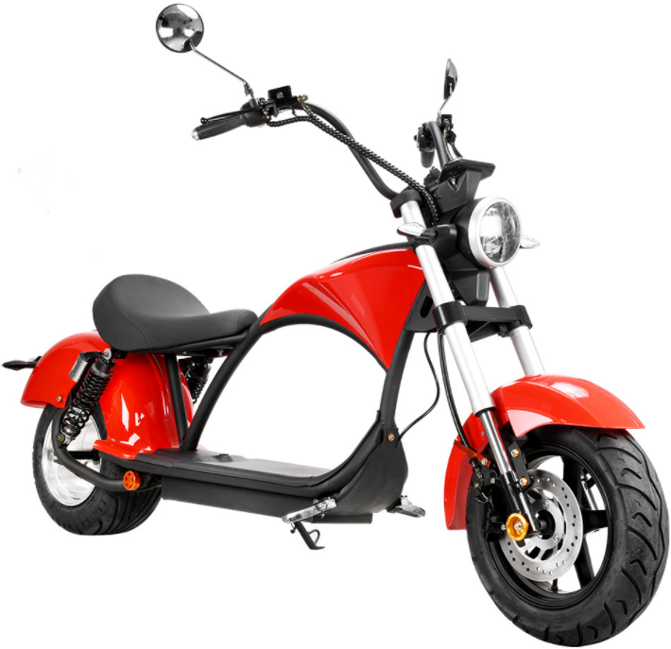 | Frame material | Seamless steel tube | 60V 12Ah 2000w Lithium battery
 |  | Rims | 10-inch aluminium alloy wheel hub
 |  | Packing size | 1840x380x770(L*W*H) |  | 3400 | $490
 |  | N.W/G.W | 80kg
 |  | Max Speed | 40km/h | 60V 20Ah 2000w Lithium battery
 |  | Maximum load | 200kg
 |  | Maximum mileage | 35km |  | 3900 | $562
 |  | Maximum climbing | 40°
 |  | Accelerator | Handlebar | 60V 20A lead-acid battery
 |  | Front Rear brake | Hydraulic Disc Brake
 |  | Motor power | 60V 2000W Brushless DC motor |  | 3700 | $533
 |  | Charge time | 3-5 Hours
U1-One set battery,can removeable/(Optional EEC/ COC standard) | 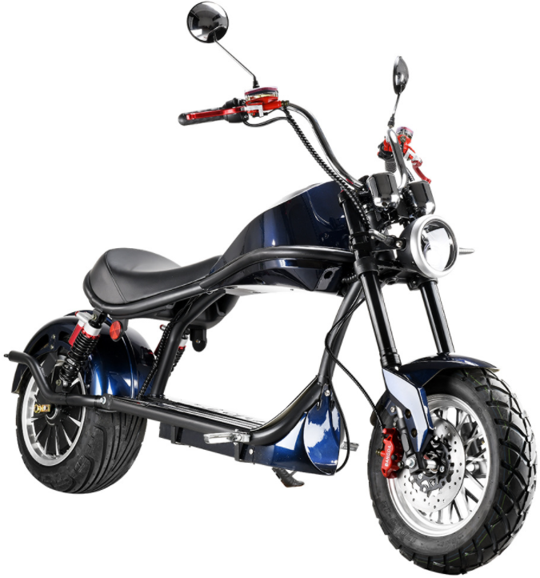 | Frame material | Seamless steel tube | NOEEC，60V 12Ah 2000w Lithium battery
 |  | Rims | 12-inch aluminium alloy wheel hub
 |  | Packing size | 1840x380x770(L*W*H) |  | 3500 | $504
 |  | N.W/G.W | 80kg
 |  | Max Speed | 40km/h | 60V 20Ah 2000w Lithium battery
 |  | Maximum load | 200kg
 |  | Maximum mileage | 35km |  | 4000 | $576
 |  | Maximum climbing | 40°
 |  | Accelerator | Handlebar | 60V 12Ah 2000w Lithium battery ( EEC standard)
 |  | Front Rear brake | Hydraulic Disc Brake
 |  | Motor power | 60V 2000W Brushless DC motor |  | 3900 | $562
 |  | Charge time | 3-5 Hours
Yongkang Qiaoshan Industry and Trade Co., Ltd.
Phone: 15888900911 WeChat: 787859539 nickname: Qiaoshan-New Example
Company website：www.cnqiaoshan.com Email address：sales@cnqiaoshan.com
Company procurement website: https://qiaoshan.1688.com
ISO9001质量保证体系，全部带有CE认证，EN15194证书，单独几款带有EEC,COC，E-Mark认证，电池UN38.3,MSDS海运空运报告认证

