Sheet1
Shenzhen Hengtai fengxin co ltd contact ：jacob zhang mobile ：15710814203 QQ：563529280
contact person： | jacob zhang | mobile phone： | 15710814203
email： | 563529280@qq.com | QQ： | 563529280
website： | tablepc.1688.com | office address： | 64 floor, saige plaza ,huaqiang bei,futian district ,shenzhen ,guangdong
Model Number | Model Photo | Description | price（RMB） | Package | Extra
i8 RGB seven colors |  | Power: lithium battery / AAA*2battery Buttons lifespan :>100,0000 times Transmission length:10 meters Standby time(day):>20days Power switch :Turn On/Off the device OS suppported:Windows XP/Vista/7/ MAC /Linux/Android Keyboard layout :QWERTY (English) Can be customized to different national languagesFunction keys :UDLR(Up, Down, Left,Right), the volume to add and subtract, returns, the main menu etc. Features:Wireless(RF 2.4G) connection, smart & portable size To enjoy PC multi-media entertainment at home Work with Android box , Smart TV To share large TV and Projector screen Perfect control entertainment features Portable, elegant & lifestyle choice The perfect keyboard touch combination Convenient & efficient for conference, Presentation & lecturing | 28 | Accessory "1 * i8 /1 * Quick Start Guide/1 * Micro USB cable/1 * USB receiver dongle Product size ：147x98x19mm Product N.W(g) ：112±3 Packing size :188x110x28mm Product G.W(g) ：188±3 N.W/Ctn :10KG G.W/Ctn :11KG Size/Ctn ：570mmx370mmx180mm

i8 mini standard |  | 92 keys, 2.4GHz wireless Keyboard with Touchpad. Touchpad DPI adjustable functions. Built-in high sensitive smart touchpad with 360-degree flip design. Mini QWERTY keyboard with multimedia control keys and PC gaming control keys. Auto sleep and auto wake mode. Innovative shape, protable, elegant. The Ergonomically handheld design is easy to carry and operate. Perfect for PC, Pad, Andriod TV Box, Google TV Box, for Xbox360, for PS3, HTPC/IPTV, etc. Specification: Operating range: 10 meters (MAX), without signal disturbance and no direction limit. Transmit power: +5db Max Operation voltage: 3.3V Operation current:<50mA Sleep current:<1mA | AAA battery version19 lithium battery version20 | Weight(grams): 110g Size: 146*97*19mm(L*W*H) Power by 2*AAA battery (not include)

I8 three color ｂａｃｋｌｉｔ | 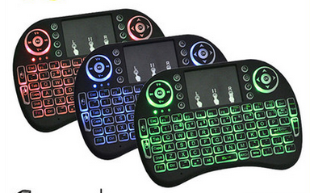 | Power: lithium battery Buttons lifespan :>100,0000 times Transmission length:10 meters Standby time(day):>20days Power switch :Turn On/Off the device OS suppported:Windows XP/Vista/7/ MAC /Linux/Android Keyboard layout :QWERTY (English) Can be customized to different national languagesFunction keys :UDLR(Up, Down, Left,Right), the volume to add and subtract, returns, the main menu etc. Features:Wireless(RF 2.4G) connection, smart & portable size To enjoy PC multi-media entertainment at home Work with Android box , Smart TV To share large TV and Projector screen Perfect control entertainment features Portable, elegant & lifestyle choice The perfect keyboard touch combination Convenient & efficient for conference, Presentation & lecturing | AAA battery version 22 lithium battery version23 | Accessory "1 * i8 /1 * Quick Start Guide/1 * Micro USB cable/1 * USB receiver dongle Product size ：147x98x19mm Product N.W(g) ：112±3 Packing size :188x110x28mm Product G.W(g) ：188±3 N.W/Ctn :10KG G.W/Ctn :11KG Size/Ctn ：570mmx370mmx180mm

H1 double side | 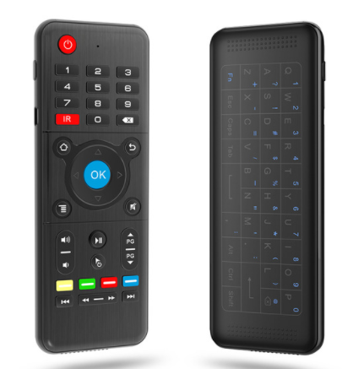 | 1. Wireless Communication: 2.4Ghz 2. Wireless Distance: 10-20 meters 3. Wireless Frequency: 2.400-2.483Ghz 4. Charging Voltage: 4.4V-5.25V 5. Charging Current: <300mA 6. Working Current: <15mA 7. Standby Current: <20uA 8. Battery: BL-4C 300mAh rechargeable lithium battery | standard version53 backlit version 58 | Machine Size: about 150 * 55 * 12.5 mm / 5.91 * 2.17 * 0.49 inch (length * width * height) Receiver Size: about 18.58 * 14.59 * 6.7 mm / 0.73 * 0.57 * 0.26 inch (L * W * H) mini receiver Single Package Size: about 167 * 95 * 23 mm / 6.57 * 3.74 * 0.91 inch (L * W * H) Machine Weight: about 77 g Weight of Single One with Packaging: about 129 g

H18touch kb | 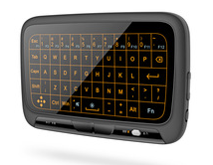 | 2.4GHz mini wireless QWERTY keyboard, enjoy up to 15m operating distance - Backlight function to be used in the dark and at night - High sensitive touchpad for easy and accurate manipulation, better match the different sizes of screen - With the innovative mouse button, facilitate the realization of the mouse functions - Plug and play, no need to install software, with the USB receiver at the back of the keyboard - Small and light, portable design makes it easier to be taken everywhere, meeting, speech, home entertainment, etc. - Ideal for devices such as PC, Xbox 360, PS4, Android TV Box, smart TV, etc. | standard version55 backlit version 65 | Product weight 0.1180 kg Package weight 0.1680 kg Package size (L x W x H) 18.30 x 10.30 x 2.70 cm / 7.2 x 4.06 x 1.06 inches Package Contents 1 x H18+ Wireless Keyboard, 1 x USB Cable, 1 x English User Manual | 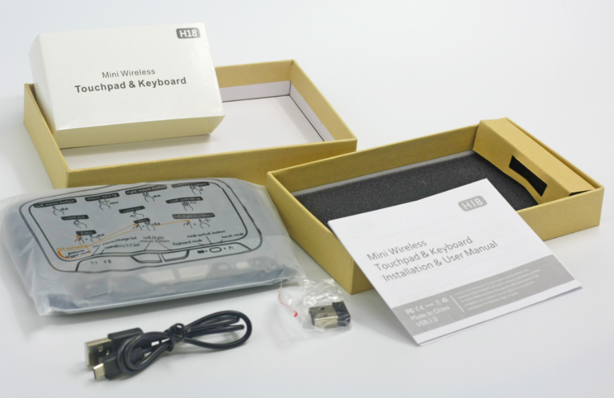

H20 touch kb | 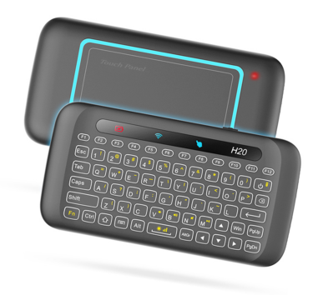 | Feature: 1. The colorful breathing lamp to create a gorgeous night effect. 2. Automatic recognition of touchpad direction, horizontal grip, vertical grip can be operated. 3. Pick up or gently put down to wake-up. When dormancy, no longer need to feel black to wake up by pressing a key. 4. New backlight design, side lighting is more uniform, dual color translucent, the same character as the shift key. 5. Infrared emission & learning, mini keyboard completely abandons infrared remote control. Specification: Application: desktop computer, smart TV, network box, notebook, projector. Number of keys: 64pcs Interface: USB2.0 or above Transmission mode: GFSK 2.4GHz wireless Transmission frequency: 2400-2483MHz (16 channel) Battery: rechargeable lithium ion battery (built-in) Charge voltage: 4.4-5.25V Charging current: 300mA Material: ABS | 56 | Product size: about 145*75*13.5mm / 5.71*2.91*0.53in (length*width*height) Receiver size: about 18.58*14.59*6.7mm / 0.73*0.57*0.26in (L*W*H) mini receiver Package size: about 125*162*17mm/ 4.92*6.38*0.67in (length*width*height) Product weight: about 93g Single package weight: about 142.5g | 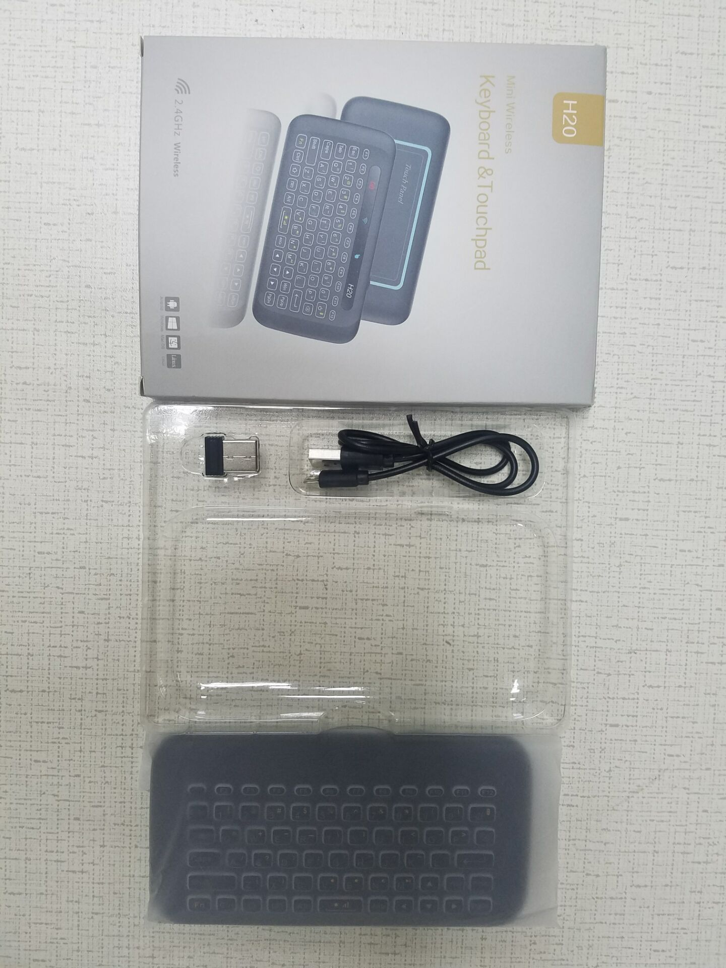

X3 double | 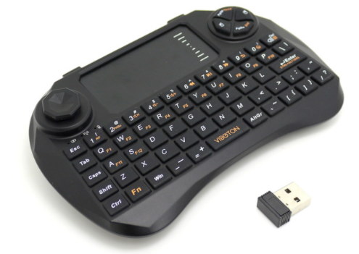 | Main Features: --Real qwerty full function mini keyboard, --The larger touchpad and unique mouse button design, make the operation more convenient, --perfect flow line design based on ergonomic allows users to operate more ccomfortable --Built-in rechargeable lithium battery supports long time working and short time charge. Specifications: --Operational range: up to 10m/30feet --Transmitting power: +4db Max --Operating voltage: 3.3v --Operating current: <80mAh --Charging current: <200mAh --Sleep current: <1mA | AAA battery version 42 lithium battery version 45 | Item size: 14.5 * 9.8 * 1.9cm / 5.70 * 3.85 * 0.74in (L * W * H) Item weight: 115g / 4.07oz Package size: 16.8 * 11.1 * 3.6cm / 6.61 * 4.37 * 1.41in (L * W * H) Package weight: 222g / 7.85oz

X6GYM double side | 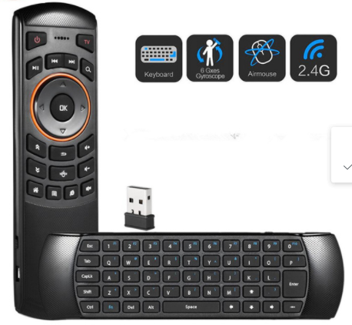 | Colour: Black Material: ABS + silicone keys Size: Length 17CM, width 5CM, thickness 1.4CM Voltage: DC 5V Interface type: Micro USB Power supply: Lithium battery (built-in) Lithium battery capacity: 1020mAh 3.8V Number of keyboard keys: 52 keys Number of remote control keys: 17 keys Frequency range: 2.400ghz ~ 2.483ghz Working range: 10 meters Frequency tolerance: ± 30ppm Transmission rate: 1M bits per second Photoelectric resolution: 2000dpi Operating system support: For Windonws, Mac OS, Android, linux Voice function: One-way voice output, wireless microphone Cursor speed adjustment: Press the left side of the remote control and the direction of the right button for more than 3 seconds, you can change the speed of the cursor; cursor speed is divided into fast, slow two, boot default for the slow state, press the left and right key to switch. | standard version 46 backlit version 48

i10 RGB | 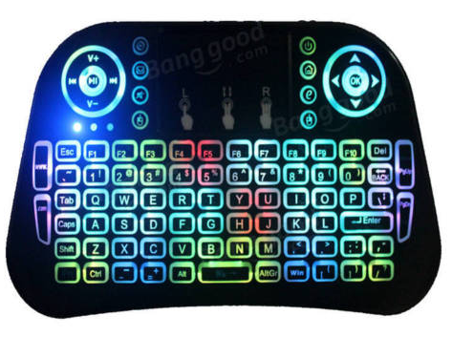 | 3 in 1 Multifunction: 2.4GHz Mini Wireless QWERTY keyboard, TouchPad combo, LED backlit with USB interface adapter. Increased LED backlit function, you can use the keyboard in the dark with LED lighting QWERTY keyboard. 94 keys, Built-in high sensitive smart touchpad with 360-degree flip design. Mini QWERTY keyboard with multimedia control keys and PC gaming control keys. Innovative shape, portable and elegant. This mini wireless keyboard features stable signal transmission, sensitive and active at the range of 10 meters. Rechargeable Lithium Battery, supports continuous use for a long time. Touchpad DPI adjustable functions. Auto sleep and auto wake mode. The handheld design is easy to carry and operate. Compatible with Windows 2000/XP/Vista/CE/7/10, Linux, Andriod, Mac OS. Perfect for Windows PC, Linux, PS3, Xbox 360, Raspberry Pi, Pad, Smart TV(2D/3D), Android TV box, Google TV box, Celulares Smartphones(OTG), Projector, etc. Specifications: Model: i10 Mini Keyboard Color: Black Net weight: 142g Dimension: 16.1x9.64x1.92cm-6.34x3.80x0.76inch Operational range: up to 10 meters Transmit power: +5db Max. Operation voltage: 3.3V Operation current: < 50mA Charging current: < 300mA Sleep current: < 1mA Package Included: 1 x i10 Mini Wireless Keyboard 1 x Charging Cable 1 x USB Wireless Receiver 1 x Rechargeable Lithium Battery 1 x User Manual(English) | 29 | Net weight: 142g Dimension: 16.1x9.64x1.92cm-6.34x3.80x0.76inch Package Included: 1 x i10 Mini Wireless Keyboard 1 x Charging Cable 1 x USB Wireless Receiver 1 x Rechargeable Lithium Battery 1 x User Manual(English) | 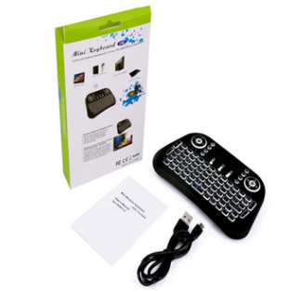

T2 ａｉｒ ｍｏｕｓｅ |  | ‘ Professional wireless mini remote & air mouse & 3D motion stick combo. - Based on Gyroscope MEMS system. - 2.4GHz wireless connection, up to 10m operation distance. - Real Plug and Play. - Mini air mouse with anti-shake algorithm, provides accurate and easy control of the mouse cursor. - Point, throw, swing, slash, turn, shake or twist, it supports many basic motion sensing games. - Ergonomic design for comfortable operation. - Apply to PC, Smart TV, Set-top-box, Android TV Box, Media Player, etc. - T2 can't be used to LG and Samsung TV | ｓｔａｎｄｄａｒｄ ｖｅｒｓｉｏｎ26 ｖｏｉｃｅ ｖｅｒｓｉｏｎ32 | ｗｅｉｇｈｔ ｗｉｔｈ ｐａｃｋａｇｅ：98g ｐａｃｋａｇｅ ｓｉｚｅ：15.5 * 7.5 * 3.5cm ｏｕｔｅｒ ｃａｒｔｏｎ：390x320x370mm QTY : 100 PCS G.W : 9.5 kg | 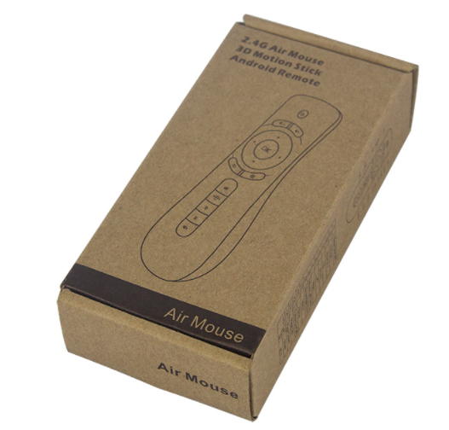

C2ａｉｒ ｍｏｕｓｅ | 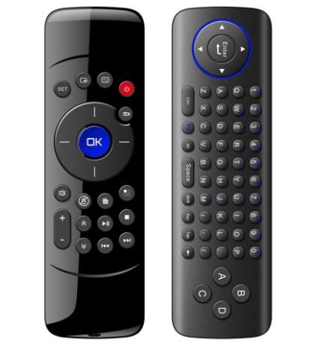 | The Flymote is a combo multimedia remote controller.It integrates the key functions of a keybodra,Mouse Function and remote control into one device.It can be used to operate many devices,Such as a PC,smart TV,Adroid TV box,and more. The flymote comes with a USB2.0dongle that is compatible with all major OS brands,such as Android,Linux,Windows,andMacintosh. Sensors 3-axis Gravity sensor, 3-axis Gyroscope Communication 2.4 Ghz Controller Range 10-20m or 20-65ft Frequency 2.400-2.483Ghz Working Current <<16mA Standby Current <<10uA C2 Battery Rechargeable lithium battery Indicator 1 LED indicator Product Size 165*50*15mm (L*B*H) Receiver Size 18.58*14.59*6.7mm (L*B*H) mini receiver Weight 96g or 0.2lbs USB USB2.0 for C2 air mouse System Compatible for Windows, Mac OS, Linux, Android | ｓｔａｎｄａｒｄ ｖｅｒｓｉｏｎ48 | Product Size 165*50*15mm (L*B*H) Receiver Size 18.58*14.59*6.7mm (L*B*H) mini receiver Weight 96g or 0.2lbs | 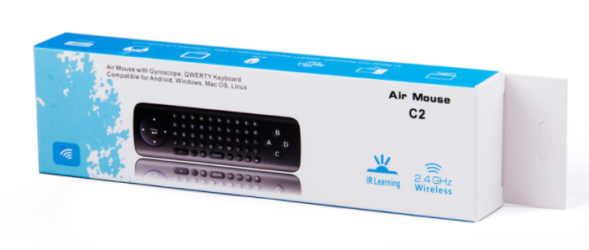

ｂｌｕｅｔｏｏｔｈ ｌａｓｅｒ ｍｉｎｉ ｋｂ | 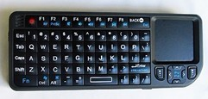 | Material :ABS+silicone Radiofrequency :2.4G Hz Bulit-in battery:600mAh Buttons lifespan :>100,0000 times USB/Remote control operating current(A): 30mA/15mA Transmission length:10 meters Standby time(day) :>20days laser pointer :With laser light Power switch :Turn On/Off the device OS suppported: Windows XP/Vista/7/ MAC /Linux/Android Keyboard layout :QWERTY (English) Can be customized to different national languages Function keys :UDLR(Up, Down, Left,Right), the volume to add and subtract, returns, the main menu etc. Features: Wireless(RF 2.4G) connection, smart & portable size To enjoy PC multi-media entertainment at home Work with Android box , Smart TV To share large TV and Projector screen Perfect control entertainment features Portable, elegant & lifestyle choice The perfect keyboard touch combination Convenient & efficient for conference, Presentation & lecturing | 75 | Accessory: "1 * 100RF 1 * Quick Start Guide 1 * Micro USB cable 1 * USB receiver dongle Packing material Product size : 151×59×12.5mm Product N.W(g) : 87±3 Packing size : 185×93×40mm Product G.W(g) ： 223±3 N.W/Ctn : 12KG Pcs/Ctn ： 50pcs/ ctn | 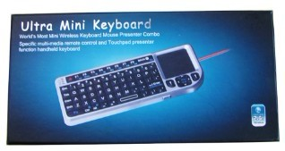

ｌａｓｅｒ ｐｐｔ | 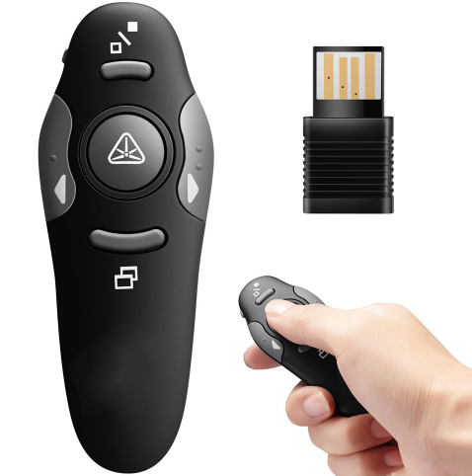 | Remote Control: Yes Wireless: Yes Size: 10.5 x 3.9 x 2.6 cm Light Color : Red Function: page up and down function Flapper page: Yes Battery: 1 x AAA battery (not included) Control Distance: 10M USB interface: Yes Type: Laser Pen | 22 | Size: 10.5 x 3.9 x 2.6 cm Net Weight:29 g Package weight: 30 g Color: Black | 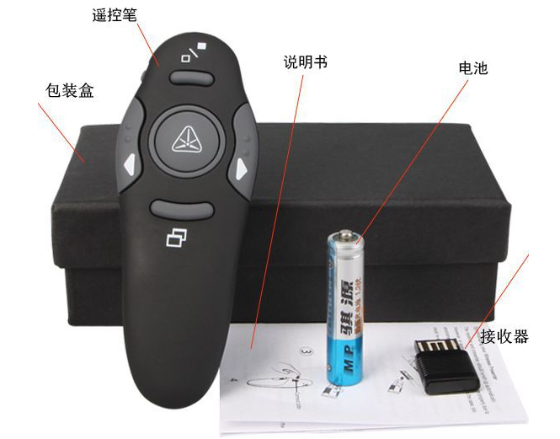

N5903 | 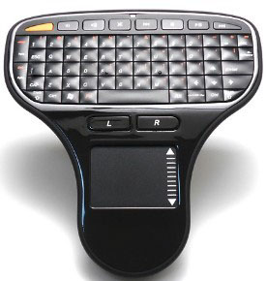 | Features: 2.4GHz handheld design - one hand operation Keyboard and mouse in one design Built in Windows multimedia control is an added feature for faster use in the handy keyboard. Being wireless the user is free from the hassle of chords and can be moved within 10 meters of distance. Mini wireless keyboard with Touch pad Palm-sized dimensions Compatible with Windows 2000 / XP / Vista / 7 Mac OS 10.x or lower, Linux, Android OS Specifications Power: 2 x AA battery (not include) Input voltage: DC 3V 30mA Weight: about 110g USB nano dongle As far as 10 meters control distance Windows multimedia control Size:14cm X12.5cm X3cm | 70 | 1 x 2.4G Mini Wireless Keyboard And Mouse Combo 1 x usb receiver 1 x user manual Type: retailer Package Weight: 0.35kg Package Size: 18cm x 15cm x 10cm | 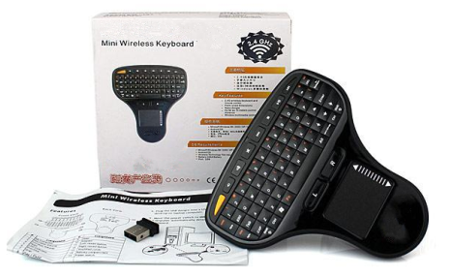

MX3 ｓｔａｎｄａｒｄ | 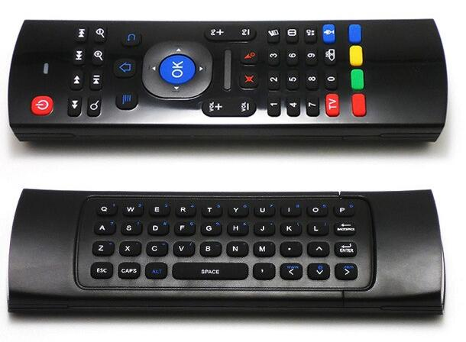 | Full keyboard, air mouse and TV remote. Motion sensor allows mouse to be controlled by waving the remote. 2.4G Transmission up to 10m. Effective battery saver, turn into sleep mode after inactive operation. USB receiver, plug and play, no need to install software. Applicable to compatible Smart TV, IPTV, Networked Set-top Box, Mini PC, Android TV Box, HTPLC, PCTV. Specifications: Frequency range: 2.4~2.4835GHz Control distance: >=10m Battery: 2 * AA batteries (Not included) Sensor: 3-Gyro + 3-Gsensor Material: Rubber + silicone Color: Black | ｓｔａｎｄａｒｄ ｖｅｒｓｉｏｎ27.5 ｖｏｉｃｅ ｖｅｒｉｏｎ38 | Package List: 1 * Remote Control 1 * USB Receiver 1 * User Manual Item size: 16.5 * 5.5 * 1.9cm Item weight: 98g Package size: 21.5 * 8 * 3cm Package weight: Approx. 130g | 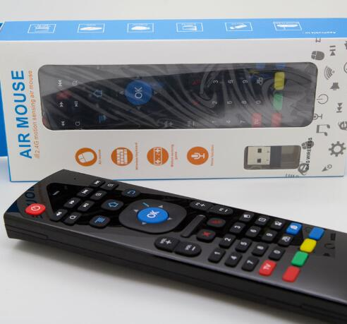

MX3 ｂａｃｋｌｉｔ | 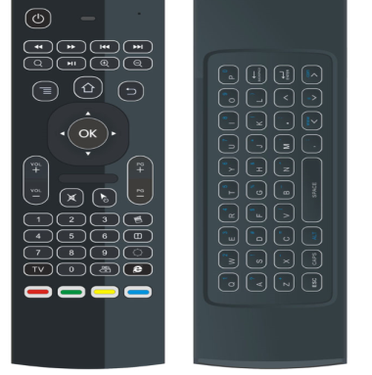 | Full keyboard, air mouse and TV remote. Motion sensor allows mouse to be controlled by waving the remote. 2.4G Transmission up to 10m. Effective battery saver, turn into sleep mode after inactive operation. USB receiver, plug and play, no need to install software. Applicable to compatible Smart TV, IPTV, Networked Set-top Box, Mini PC, Android TV Box, HTPLC, PCTV. Specifications: Frequency range: 2.4~2.4835GHz Control distance: >=10m Battery: 2 * AA batteries (Not included) Sensor: 3-Gyro + 3-Gsensor Material: Rubber + silicone Color: Black | ｗｈｉｔｅ ｃｏｌｏｒ ｂａｃｋｌｉｔ35 ｇｒｅｅｎ ｃｏｌｏｒ ｖｅｒｓｉｏｎ35 | Package List: 1 * Remote Control 1 * USB Receiver 1 * User Manual Item size: 16.5 * 5.5 * 1.9cm Item weight: 98g Package size: 21.5 * 8 * 3cm Package weight: Approx. 130g | 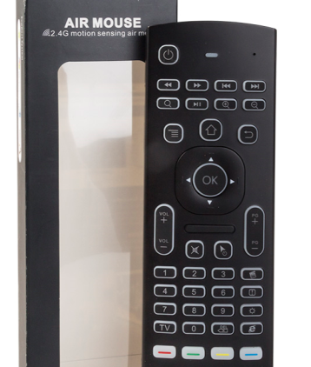

C120 | 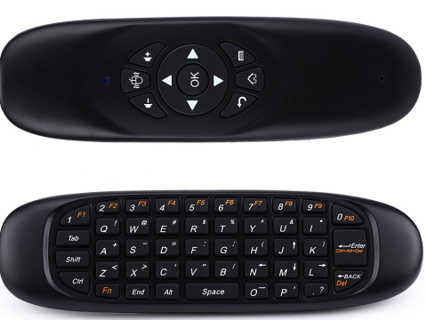 | Come with 2.4GHz QWERTY keyboard + remote controller + air mouse 3-in-1 functions to meet your different needs. 2.4GHz wireless transmission technology, super connection range can be up to 10 meters. Using the unique six axis gyroscope technology with 360 degrees in any grip, easy to adopt the wrist accurately control the mouse cursor. Remote control specially designed for Android devices. Built-in rechargeable lithium battery, charging by computer or other DC 5V. LED indicator light for working status. Intelligent anti-shake design, high stability. Compatible for Android/Windows/Linux/Mac. Model: C120 Type: Air Mouse Features: Mini,Rechargeable Material: Plastic Color: Black,Blue,Red,Yellow System support: for Android,Linux,Mac OS,Windows Interface: Wireless Connection: USB2.0 Receiver: With Range of Frequency: 2.00-2.483GHz Operation Current: ≤ 20mA Sleep Current: ≤ 20mA Transmit Range: 10M Power Supply: Li-ion Battery | ｓｔａｎｄａｒｄ ｖｅｒｓｉｏｎ31 ｖｏｉｃｅ ｖｅｒｓｉｏｎ38 | Package weight: 0.111 kg Product size (L x W x H): 15.00 x 4.30 x 1.00 cm Package size (L x W x H): 17.10 x 4.50 x 3.10 cm Package Contents: 1 x C120 All-in-One 2.4GHz Air Mouse + QWERTY Keyboard + Remote Controller, 1 x Receiver, 1 x USB Cable, 1 x English User Manual | 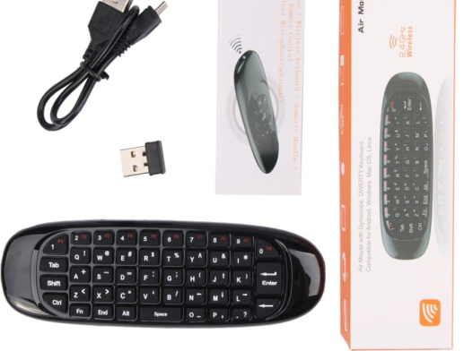

108 ｋｅｙｓｉｌｉｃｏｎｅ ｂｌｕｅｔｏｏｔｈ ｋｂ | 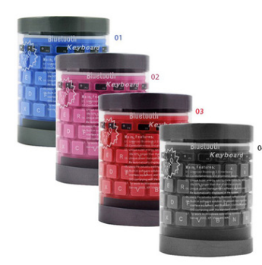 | Ergonomics design, comfortable operating by silica gel keys. The key surface can be washed. The keyboard can be rolled for storage. Low noise, avoiding disturbing other people. Strong anti-jamming capability, enjoy 10.0m / 32.8ft long-range wireless control. Plug and play, no pairing requirement, convenient for use. Specifications: Support system: For Windows 98 / Me / 2000 / XP / Vista, for Apple operating system Frequency: 2.4GHz Operating temperature: -20 to 55? Humidity: 20%-50% Effective distance: 10.0m / 32.8ft Battery: 2 * AAA battery (not included) Color: Black and gray Material: Silica gel | 42 | tem size: 40.0 * 12.5 * 1.5cm / 15.7 * 4.9 * 0.6in (L * W * H) Item weight: 181.0g * 6.4oz Package size: 13.1 * 7.8cm / 5.2 * 3.1in (D * H) Package weight: 204.0g / 7.2oz | 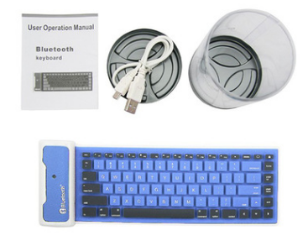

K78ｔｈｒｅｅ ｓｙｓｔｅｍ ｂｌｕｅｔｏｏｔｈ ｋｅｙｂｏａｒｄ | 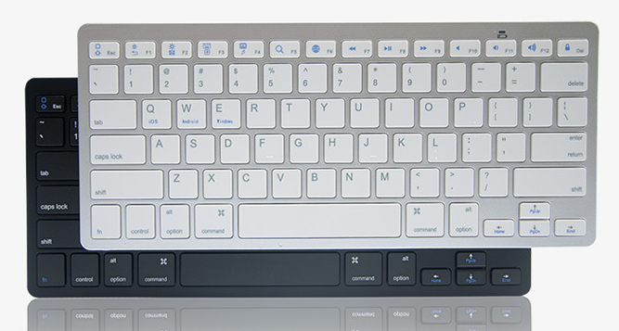 | 1.1 Bluetooth connecting with tablet/Phone/Laptop，connect easily. 1.2 Support IOS& Android &windows, suitable for all size tablet. 1.3 More typing space for your finger. 1.4 Energy saving sleep mode. 1.5 Smart and sleek, convenient for carrying. 1.6 Special function keys for music control, volume control, home, etc can make the operation easily. 1.7 Multivoice version optional:Korean/Spanish/French/German/Russian/English Parameter: 1.Bluetooth Version:Broadcom 3.0 2.Color: black/white 3.Battery capacity:2 AAA battery 4.Key life:2000 W times 5.Working days: 60 days 6.Working range:10M | 27 | Product size:28.6*12*1.4cm Package size:29*12.6*2.4cm Net weight :0.28KG Gross weight:0.35KG | 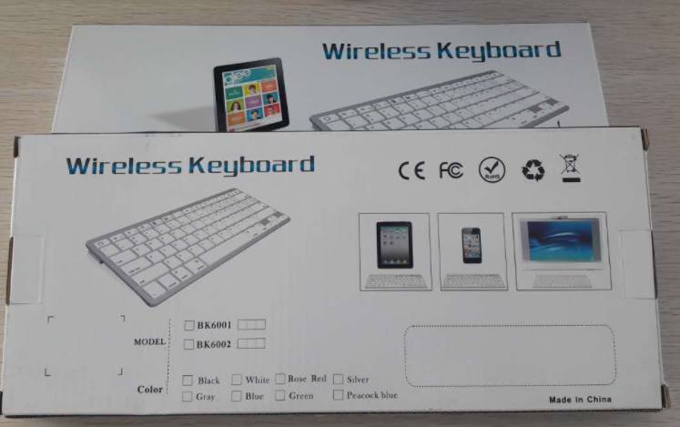

G10ｕｎｉｖｅｓｉａｌ ｖｏｉｃｅ ｒｅｍｏｔｅ | 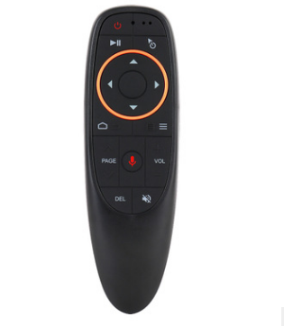 | 1.This is a wireless air mouse with built-in axis gyroscope and gravity acceleration sensor and fidelity voice input; it can perform the functions of a traditional remote control, computer mouse, and gaming motion controller on android platform. Plug and play micro receiver is compatible with personal computer, projector, TV box, Home Theater Personal Computer etc. 2.Holding air mouse and rotating your wrist is converted into a movement of a cursor across the screen and it allows you to control your computer, projector and other entertainment equipment from a distance. 3.Ergonomics of air mouse will replace stationary computer mouse and infrared button remote control giving you convenience to manage your computer and television set from a position which is most comfortable for you. | 2.4G+ｖｏｉｃｅ 30 2.4G+ＧＹＭ+ｖｏｉｃｅ 40 | Sensor: 6-axis gyroscope Number of buttons: 17 Transmission distance: 10M Battery type: 2*AAA battery(Not included) Material: ABS + Silicone Package Dimensions: 145*46*30mm | 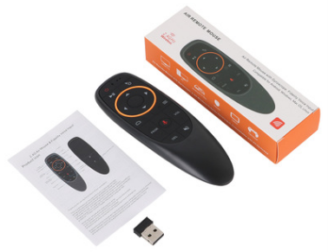

T6ｄｏｕｂｌｅ ｓｉｄｅｌｗｉｔｈ ｔｏｕｔｈ | 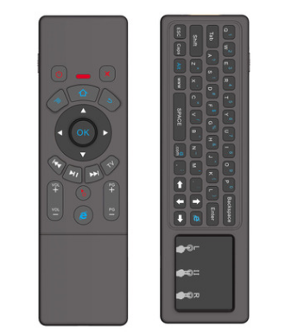 | Support system: - Support the systems of Android, Windows, Mac OS, Linux How use to IR learning function ? (only the Power button could learn the code from other remote) Steps 1.Press tv and hold unit Red led light flash fast, Red light turns on for 1 second. then flash slowly. Steps 2.Let tv box remote lighting tube and T6 plus remote control be in the same horizon(the distance between them not over 3cm), then press tv box remote “Power” button one time. the t6 plus remote indicator light long bright. Steps 3.press the t6 plus remote "Power"button one time . the red led light flash slowly, Learning succeed. Steps 4.Press TV to exit IR learning mode | ｓｔａｎｄａｒｄ ｖｅｒｓｉｏｎ52 ｗｈｉｔｅ ｂａｃｋｌｉｔ58 ｓｅｖｅｎ ｂａｃｋｌｉｔ61 | Sensor : 3-Gyro + 3-Gsensor - Amount of key : 63 - Control distance ≧10m - Batterytype Built-in Rechargeable lithium polymer battery - Coulor : Black or Sliver - Size :172*52*19 MM | 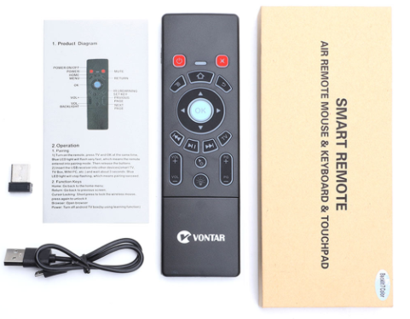

H9 ｍｉｎｉｋｂ | 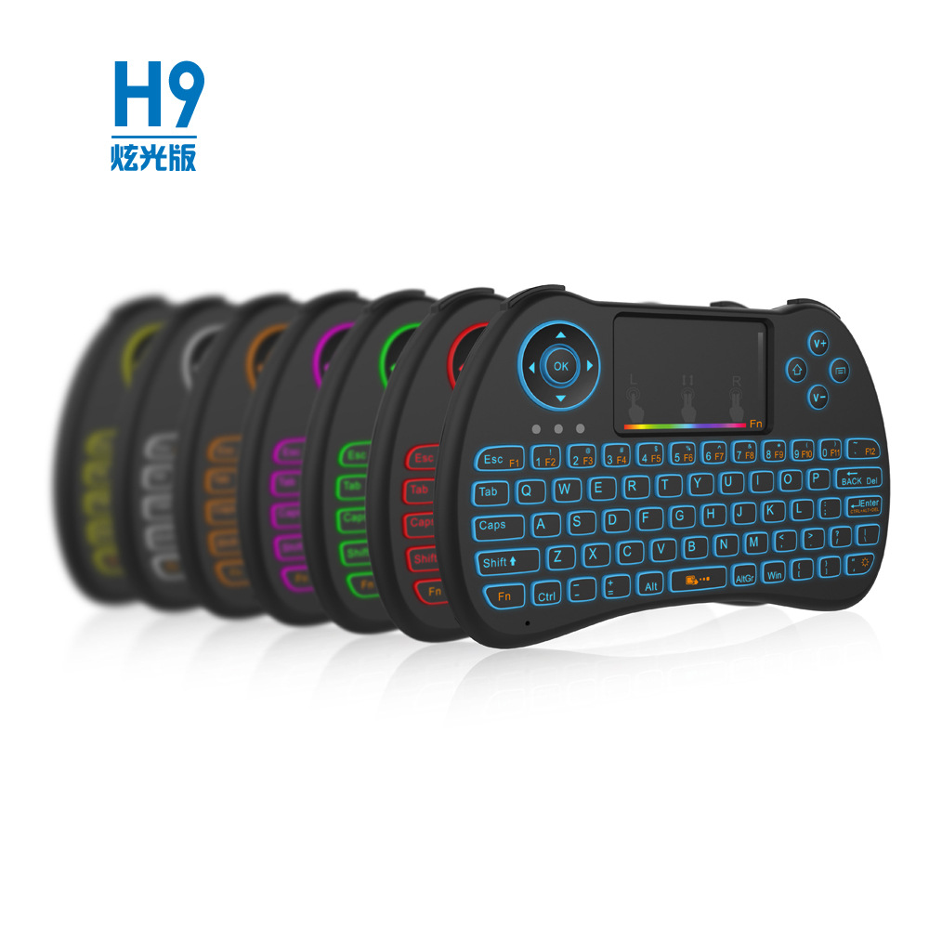 | 2.4GHz Wireless 2.4GHz Wireless Remote Control + Touchpad + Colourful Backlight 10m 68Keys Silicon keys+Plastic Shell Black "Rechargable Lithium-ion Battery" BL-5B 170g 47.48x31.59x16.55mm | ｓｔａｎｄａｒｄ ｖｅｒｓｉｏｎ36 ｗｈｉｔｅ ｂａｃｋｌｉｔ４1 ｍｕｌｔｉｌｃｏｌｒ ｂａｃｋｌｉｔ44 | Accessories: USB port, battery, data line, manual Product size: 14*9.1*1.7CM Product weight: 165G Transmission mode: 2.4GHz Touch mode: multi touch Operating current: 20mA standby current: 15uA Battery: removable rechargeable lithium battery Size: 140mm*91mm*18mm | 