Wireless Access Point

SHENZHEN SHUOTIAN INFORMATION & TECHNOLOGY CO., LTD
Addr: 6/F, Building C, Hongshengyuan Industrial park, Bulong Road, Bantian Street, Longgang District, Shenzhen,Guangdong Province, China
Email: Jennifer_zhou@sskycn.com skype: jennifer.zhou918 Cell:+86 13428977091
Wireless Access Point Quotation
Outdoor AP
Model | Image | Chipset | Standard | Flash | RAM | Frequency | Data Rate | POE Power | Interface | Antenna | RF Power | Coverage Distance | Operation Mode | Firmware | QTY of users | Firmware Feature | Accessory
BL290HW | 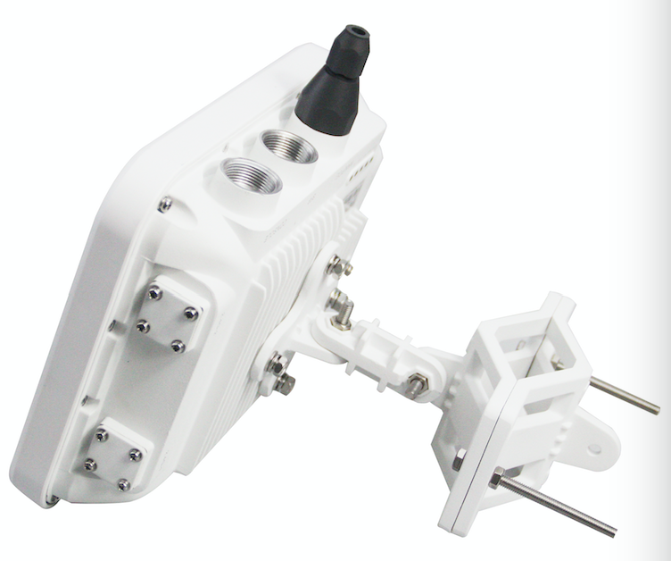 | Qualcomm IPQ4019+QCA9886+QCA8075 | IEEE802.11ac/b/g/n/a MIMO | 32MB | 256MB | 2.4GHz + 5.8GHz | 1200Mbps | IEEE 802.3at 48V POE | 1 * 10/100/1000Mbps RJ45 | 4*N type connector | 1000mW | Based on connected antennas: omni 8dBi &12dBi antenna: 400 meters | AP mode | 1. SDK Firmware 2. OPENWRT Firmware | Max: 256, Recommend: 200 | 1. Support Multi SSID up to 8 2. Supports intelligent load balance based on user; 3. Support seamless roaming and low rate terminal access; 4. Support a variety of captive portal authentication (WeChat/Google/Facebook/SMS...); 5. Support Wi-Fi channel analysis; 6. Support WLAN Controller Central Management and cloud server remote access / management. | User Manual, Install accessory, LAN cable
BL280HW |  | Qualcomm QCA9563+QCA9882+QCA8334 | IEEE802.11ac/b/g/n | 16MB | 128MB | 2.4GHz + 5.8GHz | 1200Mbps | IEEE 802.3at 48V POE (24V PoE Available if need) | 1 * 10/100/1000Mbps WAN 1 * 10/100/1000Mbps LAN DC:12V 1.5A | Build in omni 5dBi antenna | 500mW | 300 meters | AP, Gateway, WISP, Repeater Working Mode | 1. SDK Firmware 2. OPENWRT Firmware | Max: 128, Recommend: 100
BL750HW |  | Qualcomm QCA9531+QCA9887 | IEEE802.11ac/b/g/n | 16MB | 128MB | 2.4GHz + 5.8GHz | 750Mbps | IEEE 802.3at 48V POE (24V PoE Available if need) | 1 * 10/100Mbps WAN 1 * 10/100Mbps LAN DC:12V 1.5A | Build in omni 5dBi antenna | 500mW | 300 meters | AP, Gateway, WISP, Repeater Working Mode | 1. SDK Firmware 2. OPENWRT Firmware | Max: 128, Recommend: 80
BL80HW |  | Qualcomm QCA9531 | IEEE802.11b/g/n | 16MB | 128MB | 2.4GHz-2.483GHz | 300Mbps | Support 24V POE | 1 * 10/100Mbps 1 * 10/100Mbps DC:12V 1.5A | Build in omni 5dBi antenna | 1000mW | 200 meters | AP, Gateway, WISP, Repeater Working Mode | 1. SDK Firmware 2. OPENWRT Firmware | Max: 64, Recommend: 50 | 1. Support Multi SSID up to 4 2. Supports intelligent load balance based on user; 3. Support seamless roaming and low rate terminal access; 4. Support a variety of captive portal authentication (WeChat/Google/Facebook/SMS...); 5. Support Wi-Fi channel analysis; 6. Support WLAN Controller Central Management and cloud server remote access / management. | User Manual, Install accessory, LAN cable, 24V PoE Adapter
BL85HW |  | Qualcomm QCA9531 | IEEE802.11 a/b/g/n | 16MB | 128MB | 2400Mhz～2483Mhz | 300Mbps | Support 24V POE | 1 * 10/100Mbps 1 * 10/100Mbps DC:12V 1.5A | External omni 5dBi antenna | 1000mw | 200 meters | AP Mode | 1. SDK Firmware 2. OPENWRT Firmware | Max: 64, Recommend: 50 | 1. Support Multi SSID up to 4 2. Supports intelligent load balance based on user; 3. Support seamless roaming and low rate terminal access; 4. Support a variety of captive portal authentication (WeChat/Google/Facebook/SMS...); 5. Support Wi-Fi channel analysis; 6. Support WLAN Controller Central Management and cloud server remote access / management. | User Manual, Install accessory, LAN cable, 24V PoE Adapter
Ceiling AP
BL290Q | 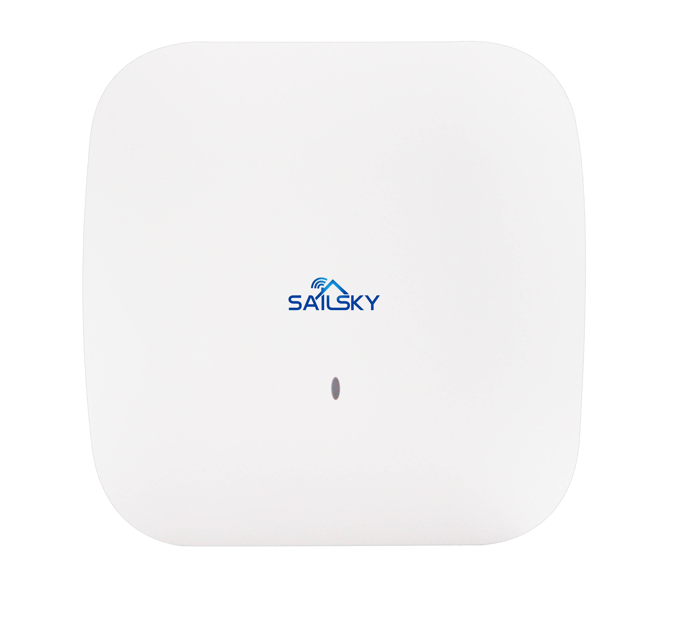 | Qualcomm QCA9563+ QCA9886+QCA8334 | IEEE802.11AC/N/G/B, Wave 2 | 16MB | 128MB | 2.4GHz + 5.8GHz | 1200Mbps | IEEE 802.3at 48V POE | 10/100/1000M WAN*1 10/100/1000M LAN*1 DC:12V 1.5A | Build in omni 5dBi antenna | 800mW | 200 meters | AP mode | 1. SDK Firmware 2. OPENWRT Firmware | Max: 120, Recommend: 100 | 1. Support Multi SSID up to 8, support tag VLAN and VLAN management 2. Supports intelligent load balance based on user; 3. Support seamless roaming and low rate terminal access; 4. Support a variety of captive portal authentication (WeChat/Google/Facebook/SMS...); 5. Support WIFI channel analysis; 6. Support WLAN Controller Central Management and cloud server remote access / management. | User Manual, Wall mount accessory, LAN cable
BL270Q | 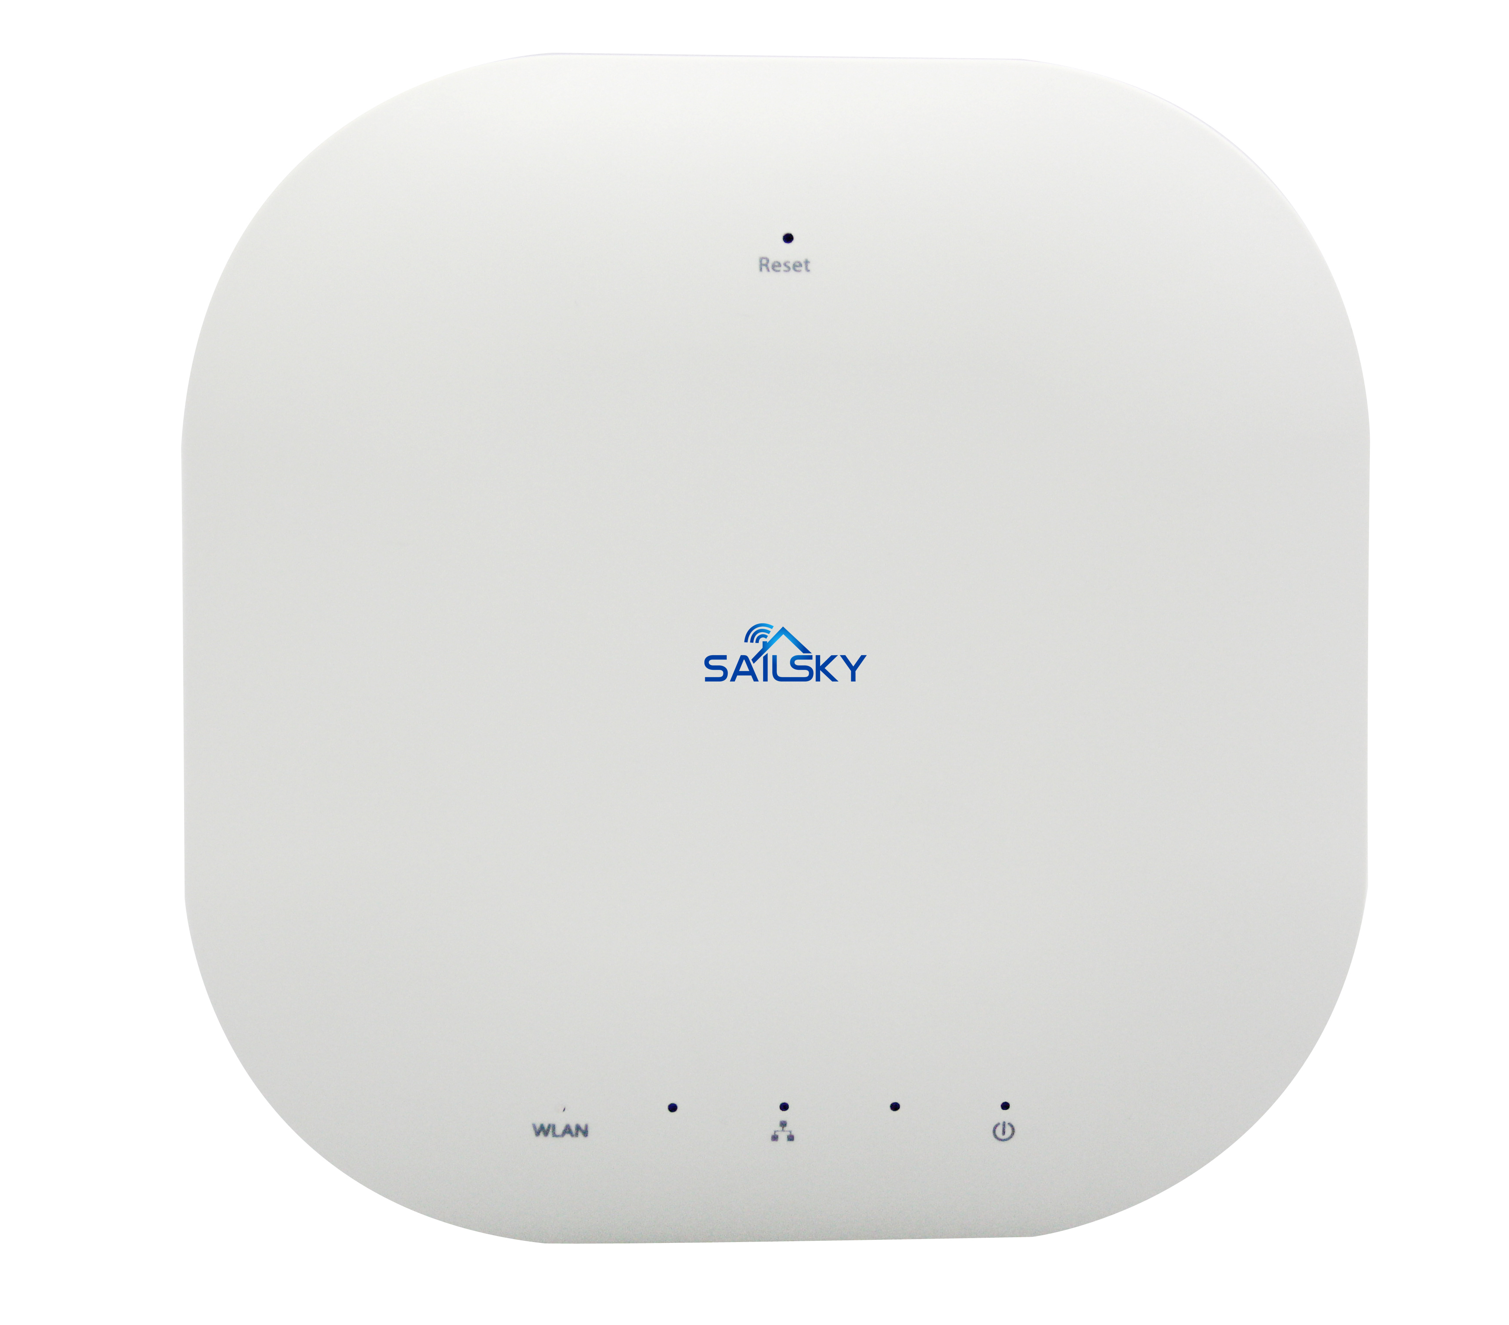 | Qualcomm QCA9531+ QCA9887 | IEEE802.11AC/N/G/B, Wave 2 | 16MB | 128MB | 2.4GHz + 5.8GHz | 750Mbps | IEEE 802.3at 48V POE | 10/100M WAN*1 10/100M LAN*1 DC:12V 1.5A | Build in omni 5dBi antenna | 500mW | 200 meters | AP mode | 1. SDK Firmware 2. OPENWRT Firmware | Max: 120, Recommend: 80
BL260Q | 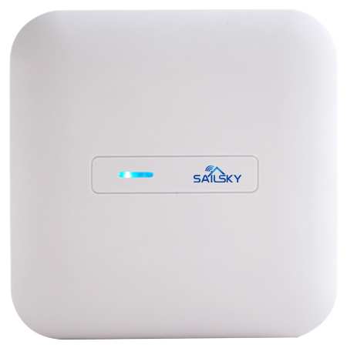 | Qualcomm QCA9531 | IEEE802.11N/G/B | 16MB | 64MB | 2.4GHz | 300Mbps | IEEE 802.3at 48V POE | 10/100M WAN*1 10/100M LAN*1 DC:12V 1.5A | Build in omni 5dBi antenna | 500mW | 200 meters | AP mode | 1. SDK Firmware 2. OPENWRT Firmware | Max: 70 , Recommend: 40 | 1. Support Multi SSID up to 4, support tag VLAN and VLAN management 2. Supports intelligent load balance based on user; 3. Support seamless roaming and low rate terminal access; 4. Support a variety of captive portal authentication (WeChat/Google/Facebook/SMS...); 5. Support WIFI channel analysis; 6. Support WLAN Controller Central Management and cloud server remote access / management.
BL220Q |  | Qualcomm QCA9531 | IEEE802.11N/G/B | 16MB | 64MB | 2.4GHz | 300Mbps | IEEE 802.3at 48V POE | 10/100M WAN*1 10/100M LAN*1 DC:12V 1.5A | Build in omni 5dBi antenna | 400mW | 200 meters | AP mode | 1. SDK Firmware 2. OPENWRT Firmware | Max: 50, Recommend:30
In-Wall AP
BL535RQ |  | Qualcomm QCA9531+ QCA9887 | IEEE802.11b/g/n/ac | 16 MB | 128 MB | 2.4GHz+5GHz | 750Mbps | WAN Port 48V 802.3af POE | Front： 1*10/100Mbps LAN Back： 1*10/100Mbps WAN | Build in omni 2dBi antenna | 100mW | 100 meters | AP mode | 1. SDK Firmware 2. OPENWRT Firmware | Max: 64, Recommend: 32 | 1. Support Multi SSID up to 8, support tag VLAN and VLAN management 2. Supports intelligent load balance based on user; 3. Support seamless roaming and low rate terminal access; 4. Support a variety of captive portal authentication (WeChat/Google/Facebook/SMS...); 5. Support WIFI channel analysis; 6. Support WLAN Controller Central Management and cloud server remote access / management. | User Manual, Setting accessory
BL520RQ |  | Qualcomm QCA9531 | IEEE802.11b/g/n | 16 MB | 64 MB | 2.4GHz | 300Mbps | WAN Port 48V 802.3af POE | Front： 1*10/100Mbps LAN Back： 1*10/100Mbps WAN | Build in omni 2dBi antenna | 100mW | 100 meters | AP mode | 1. SDK Firmware 2. OPENWRT Firmware | Max: 30, Recommend: 15 | 1. Support Multi SSID up to 4, support tag VLAN and VLAN management 2. Supports intelligent load balance based on user; 3. Support seamless roaming and low rate terminal access; 4. Support a variety of captive portal authentication (WeChat/Google/Facebook/SMS...); 5. Support WIFI channel analysis; 6. Support WLAN Controller Central Management and cloud server remote access / management.
1. The above quotation is EX Works. 2. Delivery Time: 5 working days. 3. Terms of payment: T/T 30% deposit ,T/T 70% balance before shipment. 4. Samples are available but will charge sample cost 5. OEM Service supplied with extra cost. 6. Warranty: 1 Year. 7. Due to fluctuations in exchange rates, prices are valid for 1 month.

Outdoor Wi-Fi Bridge
SHENZHEN SHUOTIAN INFORMATION & TECHNOLOGY CO., LTD
Addr: 6/F, Building C, Hongshengyuan Industrial park, Bulong Road, Bantian Street, Longgang District, Shenzhen,Guangdong Province, China
Email: Jennifer_zhou@sskycn.com skype: jennifer.zhou918 Cell:+86 13428977091
Outdoor Wi-Fi Bridge Quotation
5.8G Wireless Bridge
Model | Image | Chipset | Standard | Flash | RAM | Frequency | Data Rate | POE Power | Interface | Antenna | RF Power | PTP Distance | Operation Mode | Firmware | QTY of users | Accessory
WQ980 |  | Atheros AR9563 | IEEE802.11a/n | 16MB | 128MB | 5020~6100MHz | 900Mbps | Support 24V POE | 1 * 10/100Mbps WAN 1 * 10/100Mbps LAN DC:12V 1A 1 * Reset Button | 18dBi Panel Antenna | 1000mW | 8KM | AP, Gateway, WISP, Repeater, WDS Mode | 1. SDK Firmware 2. OPENWRT Firmware. | Max: 64, Recommand: 30 | User Manual, Install accessory, LAN cable, 24V PoE Adapter
WQ970 |  | Atheros AR9563 | IEEE802.11a/n | 8MB | 64MB | 5020~6100MHz | 900Mbps | Support 24V POE | 1 * 10/100Mbps WAN 1 * 10/100Mbps LAN DC:12V 1A 1 * Reset Button | 18dBi Panel Antenna | 1000mW | 5KM | AP, Gateway, WISP, Repeater, WDS Mode | 1. SDK Firmware 2. OPENWRT Firmware. | Max: 64, Recommand: 30
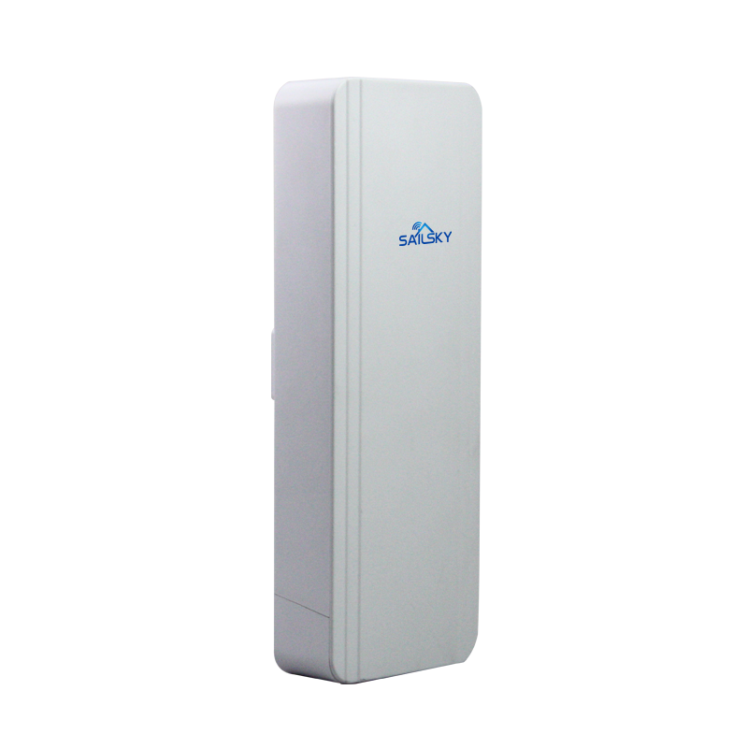 SY570 |  | Atheros AR9344 | IEEE802.11a/n | 8MB | 64MB | 5020~6100MHz | 300Mbps | Support 24V POE | 1 * 10/100Mbps WAN 1 * 10/100Mbps LAN DC:12V 1A 1 * Reset Button | 14dBi Panel Antenna | 500mW | 3KM | AP, Gateway, WISP, Repeater, WDS Mode | 1. SDK Firmware 2. OPENWRT Firmware. | Max: 64, Recommand: 30
SY565 |  | Atheros AR9344 | IEEE802.11a/n | 8MB | 64MB | 5020~6100MHz | 300Mbps | Support 24V POE | 1 * 10/100Mbps WAN 1 * 10/100Mbps LAN DC:12V 1A 1 * Reset Button | 14dBi Panel Antenna | 100mW | 1KM | AP, Repeater, Bridge Mode | 1. SDK Firmware 2. OPENWRT Firmware. | Max: 64, Recommand: 30
2.4G Wireless Bridge
SY205 |  | Qualcomm QCA9531 | IEEE802.11b/g/n | 16MB | 64MB | 2.312GHz -2.4835GHz | 300Mbps | Support 24V POE | 1 * 10/100Mbps WAN 1 * 10/100Mbps LAN DC:12V 1A 1 * Reset Button | 12dBi Panel Antenna | 100mW | 1KM | AP, Repeater, Bridge Mode | 1. SDK Firmware 2. OPENWRT Firmware. | Max: 64, Recommand: 20 | User Manual, Install accessory, LAN cable, 24V PoE Adapter
SY210 |  | Qualcomm QCA9531 | IEEE802.11b/g/n | 16MB | 64MB | 2.4GHz-2.484GHz | 300Mbps | Support 24V POE | 1 * 10/100Mbps WAN 1 * 10/100Mbps LAN DC:12V 1A 1 * Reset Button | 14dBi Panel Antenna | 500mW | 3KM | AP, Repeater, Bridge Mode | 1. SDK Firmware 2. OPENWRT Firmware. | Max: 64, Recommand: 50
1. The above quotation is EX Works. 2. Delivery Time: 5 working days. 3. Terms of payment: T/T 30% deposit ,T/T 70% balance before shipment. 4. Samples are available but will charge sample cost 5. OEM Service supplied with extra cost. 6. Warranty: 1 Year. 7. Due to fluctuations in exchange rates, prices are valid for 1 month.

WLAN Controller

SHENZHEN SHUOTIAN INFORMATION & TECHNOLOGY CO., LTD
Addr: 6/F, Building C, Hongshengyuan Industrial park, Bulong Road, Bantian Street, Longgang District, Shenzhen,Guangdong Province, China
Email: Jennifer_zhou@sskycn.com skype: jennifer.zhou918 Cell:+86 13428977091
WLAN Controller Quotation
Model | Image | Chipset | Protocol | Flash | RAM | Interface | Firmware | Basic Features | Firmware Features | Accessory | Packaging
T2000 | 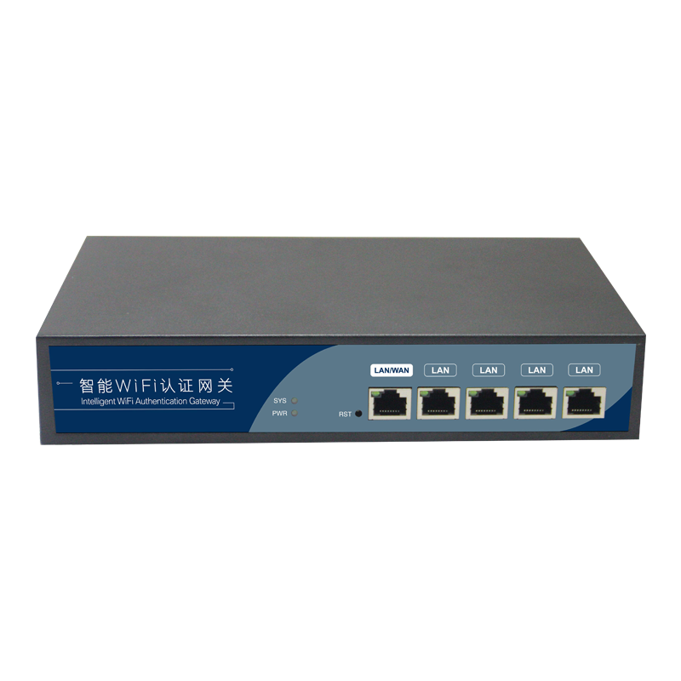 | MTK MT7621 | SNMP | 16MB | 256MB | 1 * 10/100/1000M WAN 4 * 10/100/1000M LAN DC:12V 1A | 1. SDK Firmware 2. OPENWRT Firmware. | Managed AP QTY Max：100 Access End Users QTY Max：150 | 1. WLAN Controller, Gateway and Authentication Server together 2. Auto discovery wireless AP and assign the IP address, zero configure SSID, password, channel, RF power, or pgrad firmware, restart, reset, web management or remote management. 3. Gateway: Support PPPoE/Dynamic IP/Static IP/PPTP, load balance, Ethernet line backup, Ethernet superimposed, User Behavior control and QoS, VLAN management and powerful firewall like ort mapping, IP filter, URL filter, MAC filter, Port forwarding, DMZ 4. Support Cloud Server access for remote control and Captive Port authentication like Google/Facebook/SMS/WeChat/Member Login... | User Manual, Power Adapter, mount accessory | product size：234*145*45mm packing size：295*228*92mm weight: 1.3KG
T3500 | 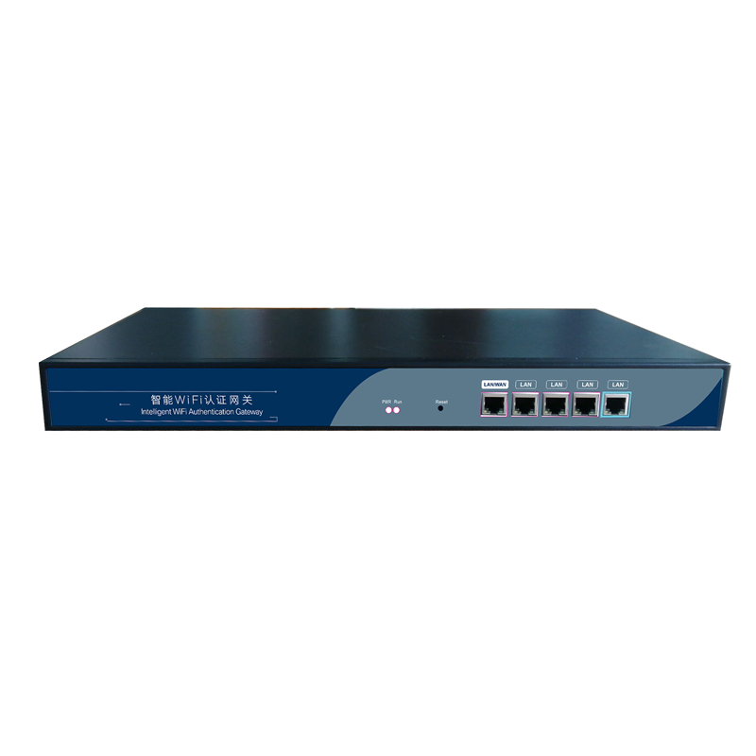 | MTK MT7621 | SNMP | 16MB | 256MB | 1 * 10/100/1000M WAN (Max 4 WAN) 4 * 10/100/1000M LAN (Min 1 LAN) AC:100~240V | 1. SDK Firmware 2. OPENWRT Firmware. | Managed AP QTY Max：200 Access End Users QTY Max：250 |  | User Manual, Power Cord, mount accessory | product size：440*240*44mm packing size：520*370*90mm weight: 4.4KG
ZK1050F |  | Intel 525 | CAPWAP | 2G | 16G | 3 * 10/100/1000M WAN 2 * 10/100/1000M LAN 2 * USB2.0 Ports AC:100~240V | 1. SDK Firmware 2. OPENWRT Firmware. | Managed AP QTY Max：500 Access End Users QTY Max：500 | 1. WLAN Controller, Gateway and Authentication Server together 2. Auto discovery wireless AP and assign the IP address, zero configure SSID, password, channel, RF power, or upgrade firmware, restart, reset, web management or remote management. 3. Gateway: Support PPPoE/Dynamic IP/Static IP/PPTP, support Load Balance, Ethernet backup and Ethernet Superimposed functions, with Smart QoS, User Behavior Management, VPN management, VLAN Management, and Build in different Firewall like ort mapping, IP filter, URL filter, MAC filter, DMZ 4. Support Cloud Server access for remote control and Captive Port authentication like Google/Facebook/SMS/WeChat/Member Login... | User Manual, Power Cord, mount accessory | product size：440*285*44mm packing size：520*370*90mm weight: 4.4KG
ZK1060F |  | Intel 1037 | CAPWAP | 4G | 32G | 3 * 10/100/1000M WAN 2 * 10/100/1000M LAN 2 * USB2.0 Ports AC:100~240V | 1. SDK Firmware 2. OPENWRT Firmware. | Managed AP QTY Max：1000 Access End Users QTY Max：1000 |  | User Manual, Power Cord, mount accessory | product size：440*285*44mm packing size：520*370*90mm weight: 4.4KG
1. The above quotation is EX Works. 2. Delivery Time: 5 working days. 3. Terms of payment: T/T 30% deposit ,T/T 70% balance before shipment. 4. Samples are available but will charge sample cost 5. OEM Service supplied with extra cost. 6. Warranty: 1 Year. 7. Due to fluctuations in exchange rates, prices are valid for 1 month.

Home use Router
SHENZHEN SHUOTIAN INFORMAITON & TECHNOLOGY CO., LTD
Addr: 6/F, Building C, Hongshengyuan Industrial park, Bulong Road, Bantian Street, Longgang District, Shenzhen,Guangdong Province, China
Email: Jennifer_zhou@sskycn.com skype: jennifer.zhou918 Cell:+86 13428977091
Wireless Router Quotation
Wireless Router
Model | Image | Chipset | Standard | Frequency | Data Rate | Interface | Antenna | Features
BL12 |  | MTK7620DA+7612E | 2.4GHz: IEEE802.11n/g/b 5.8GHz：IEEE802.11ac/n/a | 2.4GHz: 2.4GHz-2.483GHz 5GHz: 5.150GHz-5.850GHz | 2.4G ( 300Mbps) and 5G ( 867Mbps) | 3*10/100/1000M Auto MDI/MDIX LAN RJ45 port 1*10/100/1000M Auto MDI/MDIX WAN RJ45 port 1*DC 12V1A 1*Reset Button 1*Power Button | Build in 4*5dBi Fixed Antenna | Supports 64/128-bits WEP, WPA/WPA2 Encryption Built-in firewall, Filtering on IP address, MAC address, Domain name, Applications, etc Indoor up to 100m , outdoor up to 300m (it is limited in an environment)
BL11 |  | MTK7628KN | IEEE 802.11n/g/b | 2.4GHz: 2.412GHZ-2.484GHZ | 2.4GHz:300Mbps | 1*10/100Mbps WAN RJ45 Ports 4*10/100Mbps LAN RJ45 Ports 1*WPS/RESET Button 1*DC 12V 0.5A | Build in 2*5dBi Fixed Antenna | 64/128bits WEP; WPA/WPA2 encryption Managed by Web Reset to Factory default by Reset button or Web UI Work mode: Router, Access Point, Client
Wireless Repeater
BL10 |  | Realtek | IEEE 802.3, 802.3u, 802.11b/g/n/ac | 2.4GHz: 2.412GHZ-2.484GHZ 5GHz: 5.180GHZ-5.885GHZ | 2.4G ( 300Mbps) and 5G ( 867Mbps) | 1*10/100Mbps WAN/LAN RJ45 Ports 1*10/100Mbps LAN RJ45 Ports 1* WIFI On/Off Button 1* WPS Button 1* RESET Button 1 Repeater,Router and AP mode switch | Build in 1*2dBi 5G antenna 1*2dBi 2.4G antenna | 64/128-bit WEP, WPA-PSK, WPA2-PSK,WPA -MIXED-PSK PBC WPS Managed by Web/APP Reset to Factory default by Reset button or Web UI Work mode:Router,Access Point,Repeater,Client
BL09 | 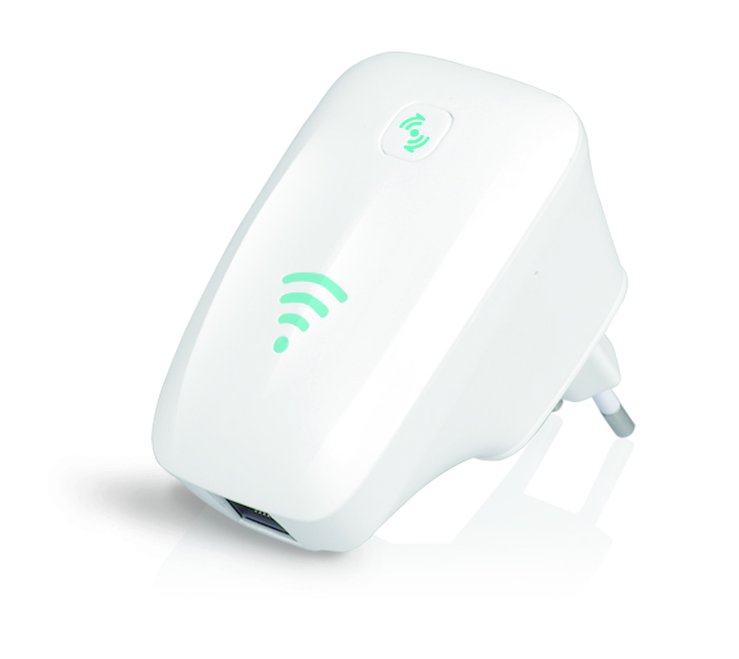 | Realtek | IEEE 802.3、IEEE 802.3u、IEEE 802.11n、IEEE 802.11g、IEEE 802.11b | 2.4GHz: 2.412GHZ-2.484GHZ | 2.4GHz:300Mbps | 1*10/100M Auto MDI/MDIX WAN／LAN RJ45 port 1*DC 5V/1A | Build in 2*root 2dBi FPC antenna | 64/128bits WEP; WPA/WPA2 encryption Router+Access Point , Repeater mode, Router+Client mode Wired or wireless PC/Mac an available 802.11a/b/g/n wireless network
1. The above quotation is EX Works. 2. Delivery Time: 5 working days. 3. Terms of payment: T/T 30% deposit ,T/T 70% balance before shipment. 4. Samples are available but will charge sample cost 5. OEM Service supplied with extra cost. 6. Warranty: 1 Year. 7. Due to fluctuations in exchange rates, prices are valid for 1 month.

LTE Router
SHENZHEN SHUOTIAN INFORMATION & TECHNOLOGY CO., LTD
Addr: 6/F, Building C, Hongshengyuan Industrial park, Bulong Road, Bantian Street, Longgang District, Shenzhen,Guangdong Province, China
Email: Jennifer_zhou@sskycn.com skype: jennifer.zhou918 Cell:+86 13428977091
LTE Router Quotation
Industrial LTE router
Model | Image | Flash | RAM | Interface | Band/Mode | WiFi function
XM250 |  | 128M | 1024M | 1 * 10/100Mbps WAN 1* 10/100Mbps LAN DC:12V 1.5A 1* RS485/RS232 interface 1 * Reset Button 2*SMA Antenna interface 1*SIM/USIM card slot | FDD-LTE：B1/B2/B4/B5/B7/B8/B12&17 TDD-LTE：B38/B39/B40/B41 HSPA：850/900/1900/2100MHz GSM：850／900/1800/1900MHz EV-DO：800MHz TD-SCDMA：B34/B39 | 2.4G 802.11b/g/n 300Mbps
XM500 | 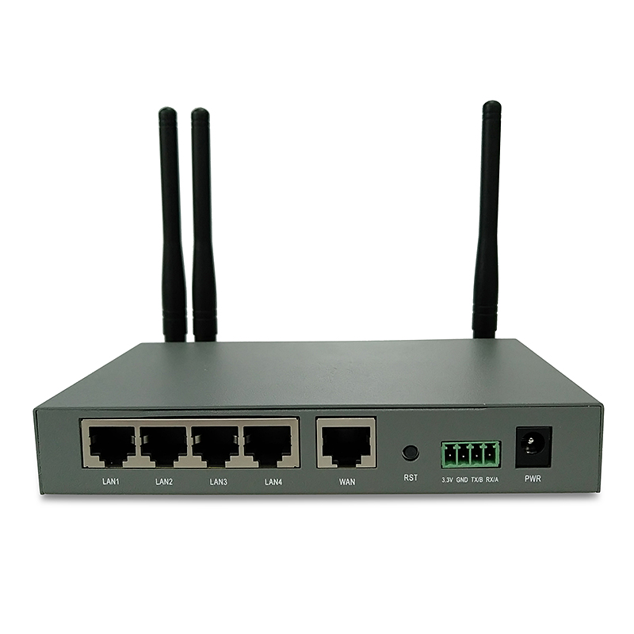 | 128M | 1024M | 1 * 10/100Mbps WAN 4* 10/100Mbps LAN DC:12V 1.5A 1* RS485/RS232 interface 1 * Reset Button 4*SMA Antenna interface 1*SIM/USIM card slot | FDD-LTE：B1/B2/B4/B5/B7/B8/B12&17 TDD-LTE：B38/B39/B40/B41 HSPA：850/900/1900/2100MHz GSM：850／900/1800/1900MHz EV-DO：800MHz TD-SCDMA：B34/B39 | 2.4G 802.11b/g/n 300Mbps
4G Home router
XM280 |  | 64M | 1024M | 1 * 10/100Mbps WAN 3* 10/100Mbps LAN DC:5V 2A 1* USB 2.0 port 1 * Reset Button 1*WPS Button 1* Power On/Off Button 2*SMA Antenna interface 1*SIM/USIM card slot | TDD-LTE: B38/B39/B40/B41 FDD-LTE:B1/B3/B5/B7/B8/B20/（B12/17）/B28AB TD-SCDMA: B34/B39 UMTS（WCDMA):B1/B2/B5/B8 GSM:Quad Band （850/900/1800/1900） | 2.4G 802.11a/b/g/n 300Mbps
XM285 | 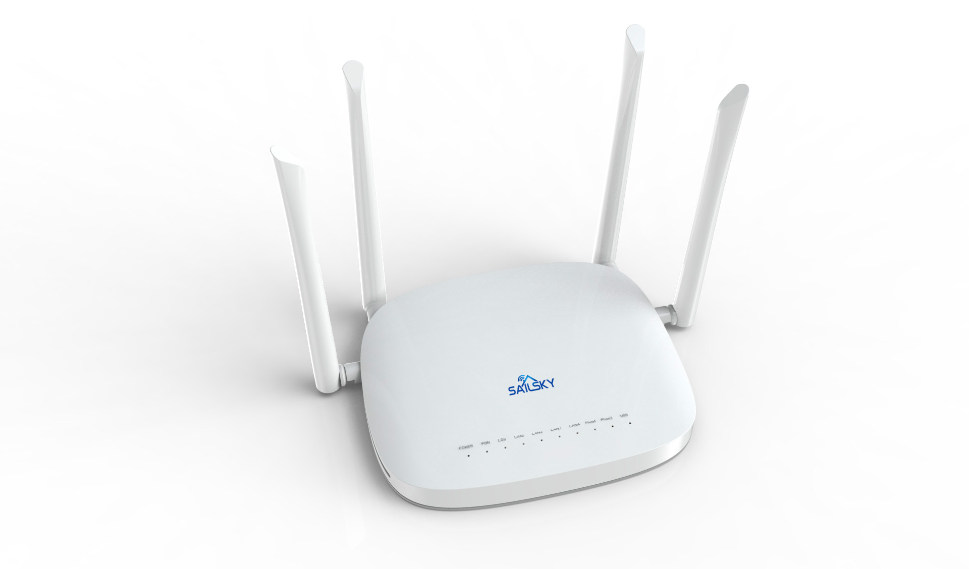 | 8M | 64M | 1 * 10/100Mbps WAN 3* 10/100Mbps LAN DC:12V 1A 1* USB 2.0 port 1 * Reset Button 1*WPS Button 1* Power On/Off Button 4*SMA Antenna interface 1*SIM/USIM card slot | FDD-LTE：B1/B3/B5/B8/(B28) TDD-LTE：B38/B39/B40/B41 WCDMA：B1/B8 TD-SCDMA：B34/B39 CDMA&EVDO：BC0 GSM：900MHz/1800MHz | 2.4G 802.11b/g/n 300Mbps
4G Car router
XM300 |  | 256M | 256M | 1* USB 2.0 port 1 * Reset Button 1*SIM/USIM card slot | FDD-LTE：B1/B3/B5/B7/B8/B20 TDD-LTE：B38/B39/B40/B41 WCDMA：B1/B2/B5/B8 TD-SCDMA：B34/B39 GSM：Quad Band （850/900/1800/1900） | 2.4G 802.11b/g/n 300Mbps
1. The above quotation is EX Works. 2. Delivery Time: 5 working days. 3. Terms of payment: T/T 30% deposit ,T/T 70% balance before shipment. 4. Samples are available but will charge sample cost 5. OEM Service supplied with extra cost. 6. Warranty: 1 Year. 7. Due to fluctuations in exchange rates, prices are valid for 1 month.

