Sheet1
Pisen Power Bank Power Pack External Battery Series
Picture | Name | SPEC. | High Light | Accessory List / Packing Info. | Reference Pic. | Unit Price（USD/pcs） | Unit Price（RMB/pcs）

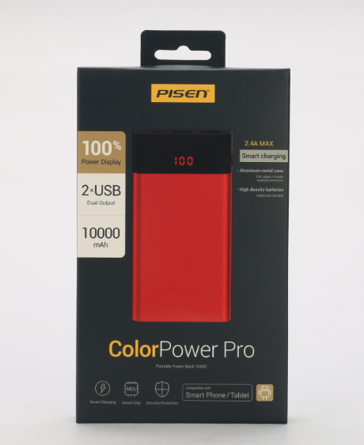 | Color Power Pro 10000 mAh | Model: TS-D212 Input: DC5V Max 2000mA Output: 5.0V = = 1000mA 5.0V = = 2400mA（Smart） Battery Energy:10000mAh(38.5Wh) 2.4A Rated Output Capacity: 6300mAh 1A Rated Output Capacity: 7100mAh Dimension: 138*70*13 mm Net Weight: 223g Available Color: Red Build-in Battery Full Charging Time: 2000mA Charger: 6--8 hrs Certificate：CB, CE | 1, LED Digital Panel Display the Battery Power by Percentage 2, Thin and Light, Li-Polymer Battery with Metal housing 3, Portable, powerful and safe 4, Dual USB Output with 2.4A Smart Charge 5, Auto ON, Auto OFF 6, Rapid & safe charging devices 7, Button only for display the power percentage | ONE "Micro USB Cable" --------------------------- Packing Carton Info. Outer: 40.6*34.7*24 cm 40 PCS in ONE Outer CTN Outer CTN. G.W.: 10.9KG | 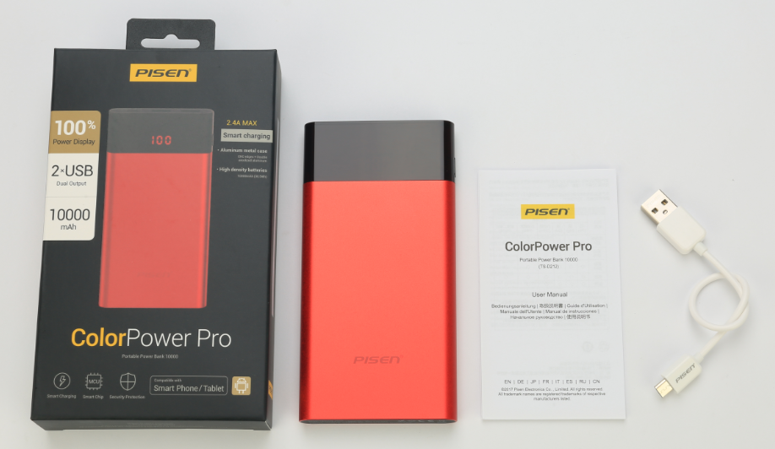 | US$17.20 | ￥118.00
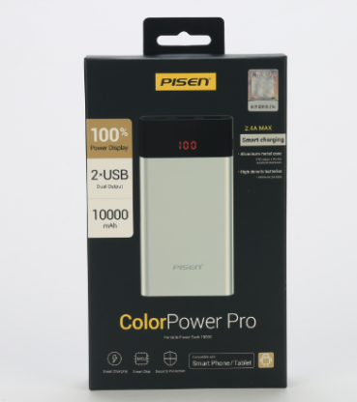 | Color Power Pro 10000 mAh | Model: TS-D212 Input: DC5V Max 2000mA Output: 5.0V = = 1000mA 5.0V = = 2400mA Battery Energy:10000mAh(38.5Wh) 2.4A Rated Output Capacity: 6300mAh 1A Rated Output Capacity: 7100mAh Dimension: 138*70*13 mm Net Weight: 223g Available Color: Gold, Silver Build-in Battery Full Charging Time: 2000mA Charger: 6--8 hrs Certificate：CB, CE | 1, LED Digital Panel Display the Battery Power by Percentage 2, Thin and Light, Li-Polymer Battery with Metal housing 3, Portable, powerful and safe 4, Dual USB Output with 2.4A Smart Charge 5, Auto ON, Auto OFF 6, Rapid & safe charging devices 7, Button only for display the power percentage | ONE "Micro USB Cable" --------------------------- Packing Carton Info. Outer: 44*33*21 cm 40 PCS in ONE Outer CTN Outer CTN. G.W.: 10.9KG | 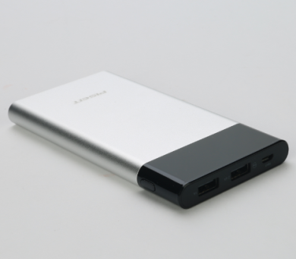 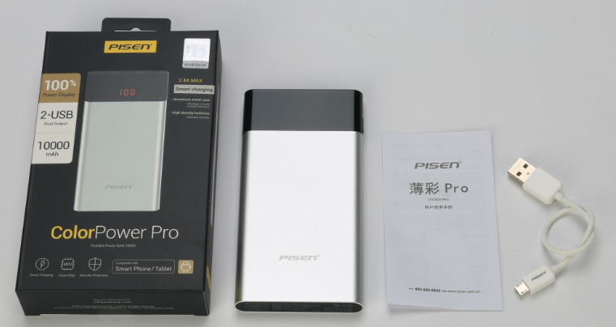 | US$17.20 | ￥118.00
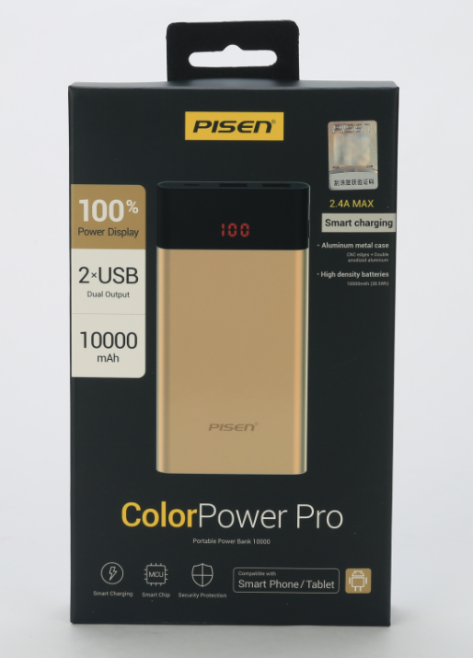 | Color Power Pro 10000 mAh | Model: TS-D212 Input: DC5V Max 2000mA Output: 5.0V = = 1000mA 5.0V = = 2400mA Battery Energy:10000mAh(38.5Wh) 2.4A Rated Output Capacity: 6300mAh 1A Rated Output Capacity: 7100mAh Dimension: 138*70*13 mm Net Weight: 223g Available Color: Gold, Silver, Red Build-in Battery Full Charging Time: 2000mA Charger: 6--8 hrs Certificate：CB, CE | 1, LED Digital Panel Display the Battery Power by Percentage 2, Thin and Light, Li-Polymer Battery with Metal housing 3, Portable, powerful and safe 4, Dual USB Output with 2.4A Smart Charge 5, Auto ON, Auto OFF 6, Rapid & safe charging devices 7, Button only for display the power percentage | ONE "Micro USB Cable" --------------------------- Packing Carton Info. Outer: 44*33*21 cm 40 PCS in ONE Outer CTN Outer CTN. G.W.: 10.9KG | 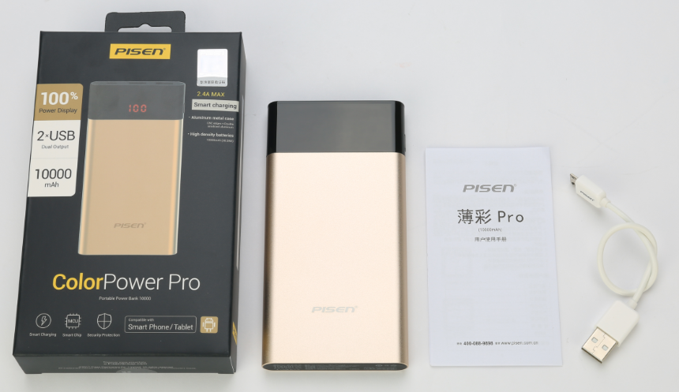 | US$17.20 | ￥118.00
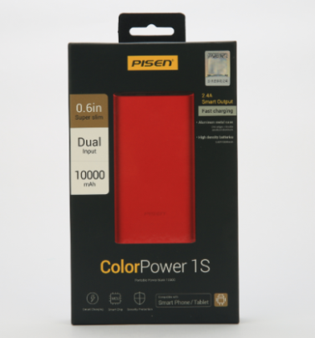 | Power Bank 1S 10000 mAh | Model: TS-D219 Input: DC5V Max 2400mA Output: 5.0V = = 2400mA Battery Energy:10000mAh(38.5Wh) 2.4A Rated Output Capacity: 6000mAh Dimension: 130*71*13.8 mm Net Weight: 219g Available Color: Black, Red Build-in Battery Full Charging Time: 2000mA Charger: 6--8 hrs Certificate：CB, CE | 1, Micro USB & Lightning Input Port for Easier Recharging; 2, Quality Li-ion Polymer Cell inside, Super Slim and Metal Housing; 3, 2.4A Smart Output 4, Auto On, Auto Off 5, 4 Lamps Display Remain Battery Status, Press Button to turn on | ONE "Micro USB Cable" --------------------------- Packing Carton Info. Outer: 44*33*21 cm 40 PCS in ONE Outer CTN Outer CTN. G.W.: 10.5KG | 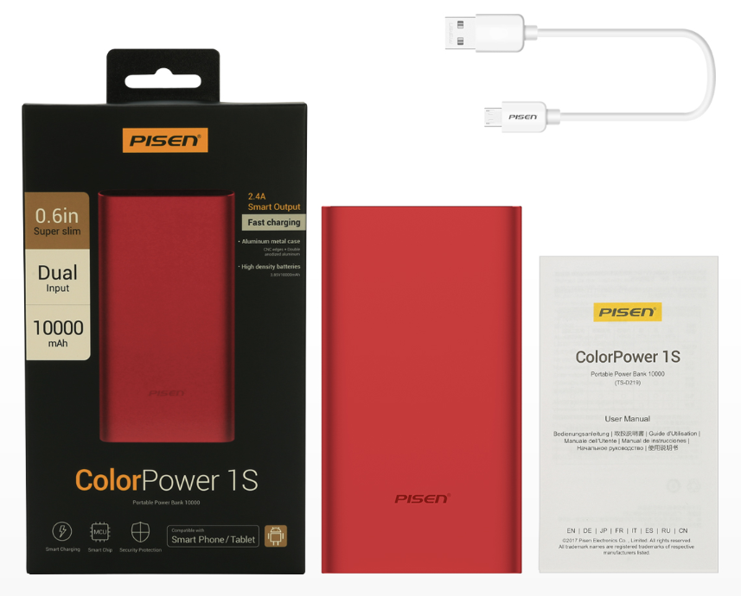 | US$17.78 | ￥122.00
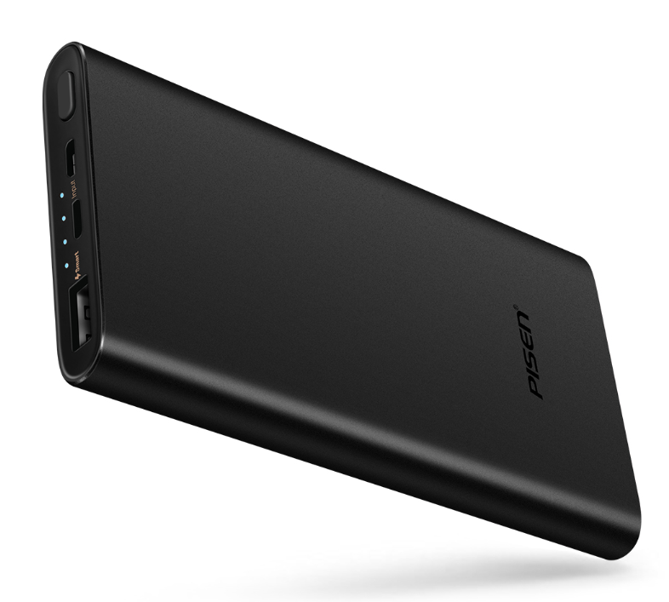 | Power Bank 1S 10000 mAh | Model: TS-D219 Input: DC5V Max 2400mA Output: 5.0V = = 2400mA Battery Energy:10000mAh(38.5Wh) 2.4A Rated Output Capacity: 6000mAh Dimension: 130*71*13.8 mm Net Weight: 219g Available Color: Black, Red Build-in Battery Full Charging Time: 2000mA Charger: 6--8 hrs Certificate：CB, CE | 1, Micro USB & Lightning Input Port for Easier Recharging; 2, Quality Li-ion Polymer Cell inside, Super Slim and Metal Housing; 3, 2.4A Smart Output 4, Auto On, Auto Off 5, 4 Lamps Display Remain Battery Status, Press Button to turn on | ONE "Micro USB Cable" --------------------------- Packing Carton Info. Outer: 44*33*21 cm 40 PCS in ONE Outer CTN Outer CTN. G.W.: 10.5KG | 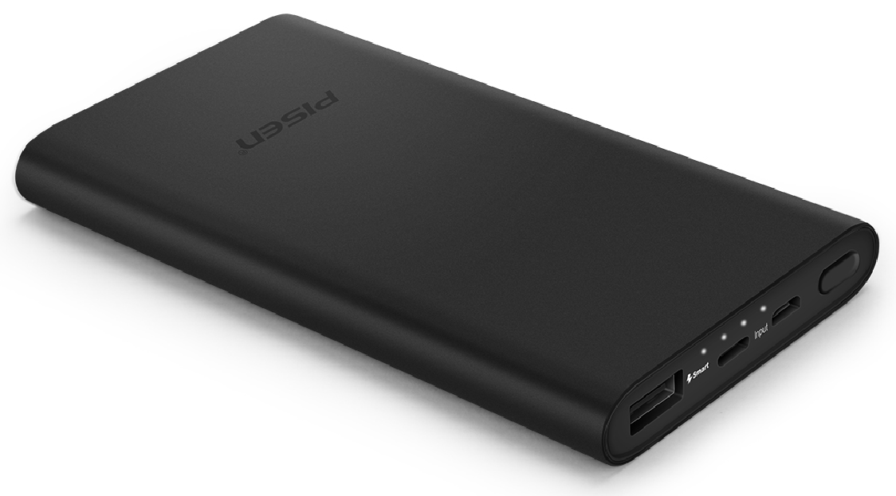 | US$15.89 | ￥109.00
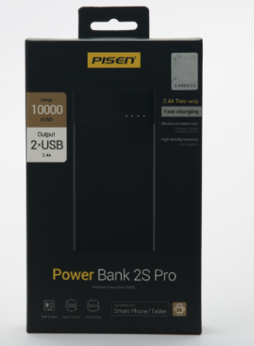 | Power Bank 2S 10000mAh | Model: TS-D211 Input: DC5V Max 2400mA Output: 5.0V = = 1500mA, 5.0V = = 2400mA Battery Energy:10000mAh(38.5Wh) 1A Rated Output Capacity: 7000mAh 2.4A Rated Output Capacity: 6300mAh Dimension: 154*74*13 mm Net Weight: 222g Available Color: Black Build-in Battery Full Charging Time: | 1. Latest Type-C Input Port 2. Quality Li-ion Polymer Cell inside, Super Slim and Metal Housing 3. Dual USB Output with Smart 2.4A Fast Output 4. Auto On, Auto Off 5. 4 Lamps Display Remain Battery Status, Press Button to turn on | ONE "Type-C Cable" --------------------------- Packing Carton Info. Outer: 43.5*32.3*21 cm 40 PCS in ONE Outer CTN Outer CTN. G.W.: 10.8KG | 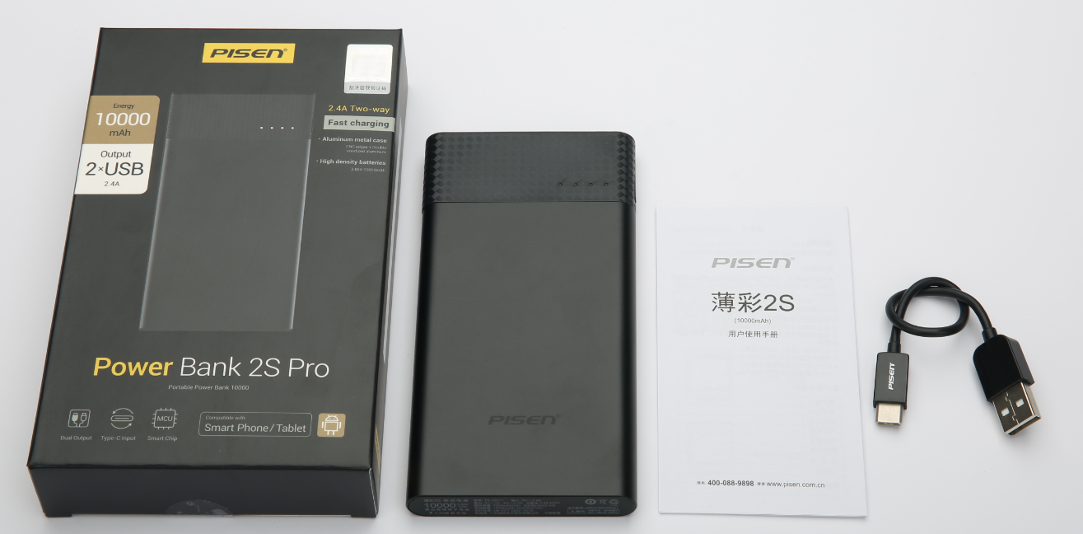 | US$15.89 | ￥109.00
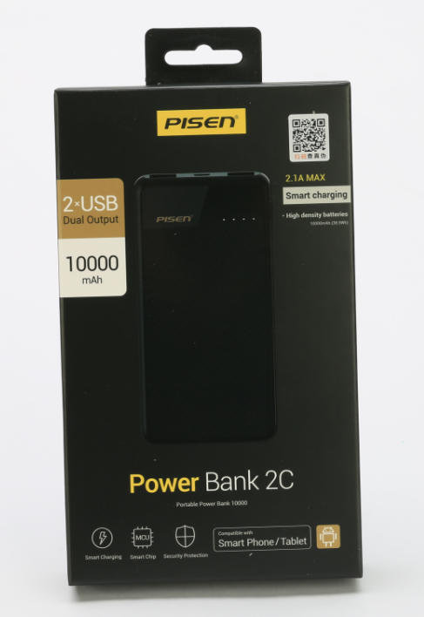 | Power Bank 2C 10000mAh | Model: TS-D210 Input: DC5V Max 2000mA Output: 5.0V = = 1000mA, 5.0V = = 2100mA Battery Energy:10000mAh(38.5Wh) 1A Rated Output Capacity: 7000mAh 2.4A Rated Output Capacity: 6300mAh Dimension: 139*68*14.3 mm Net Weight: 197g Available Color: Black Build-in Battery Full Charging Time: | 1. Quality Li-ion Polymer Cell inside, Super Slim and antislip design shell; 2. Dual USB Output with Smart 2.1A Fast Output 3. Auto On, Auto Off 4. 4 Lamps Display Remain Battery Status, Press Button to turn on | ONE "Micro USB Cable" --------------------------- Packing Carton Info. Outer: 44*33*21 cm 40 PCS in ONE Outer CTN Outer CTN. G.W.: KG | 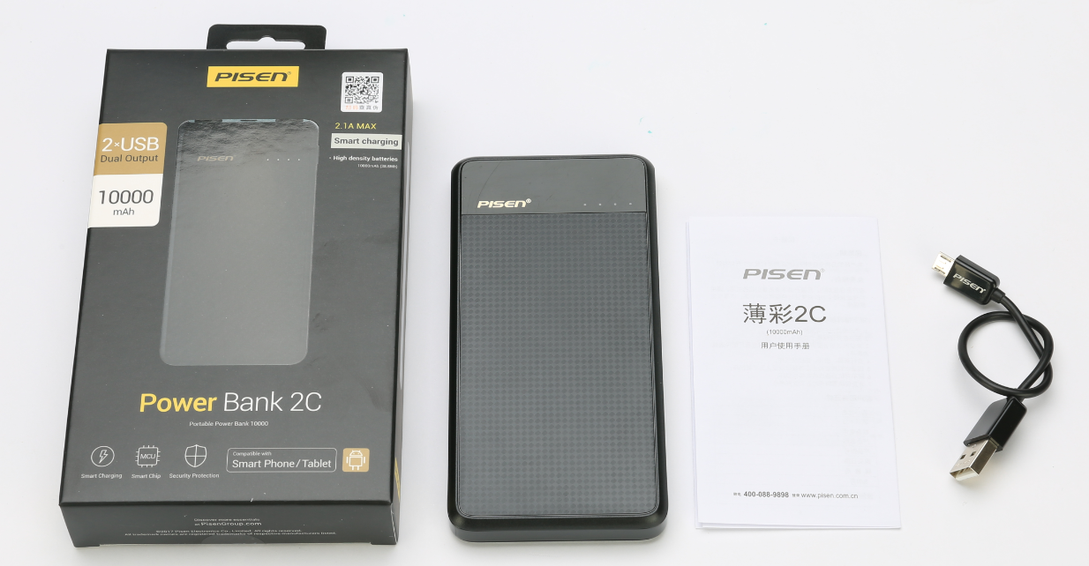 | US$14.29 | ￥98.00
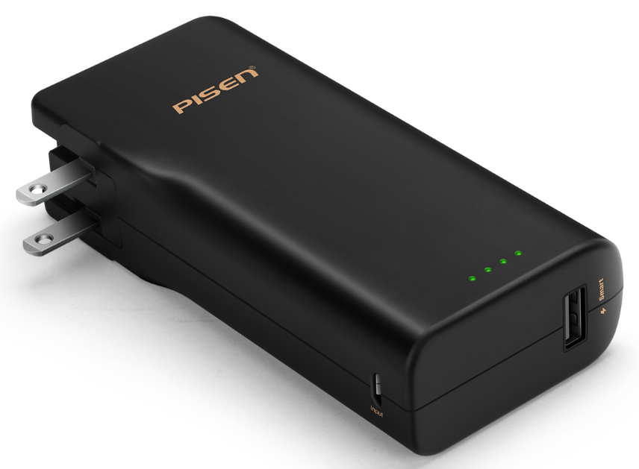 | Power Box AC 10000 | Model: TS-D189 Input: AC 100-240V~50/60Hz 0.3A, DC Micro USB 5V Max 2000mA Output: 5.0V = = 2000mA Smart MAX. Battery Energy:1000mAh(38.5Wh) 1A Rated Output Capacity: 000mAh 2.4A Rated Output Capacity: 00mAh Dimension: 130.5*61*31.5 mm Net Weight: 301g Available Color: Black Build-in Battery Full Charging Time: 8-10Hs | 1. 2-in-1 hybrid charger: wall charger & portable chager; 2. Foldable AC plug; 3. Intelligent charge & discharge meanwhile; 4. 4 Lamps Display Remain Battery Status, Press Button to turn on; | ONE "Micro USB Cable" --------------------------- Packing Carton Info. Outer: 31*22*26 cm 20 PCS in ONE Outer CTN Outer CTN. G.W.: KG | 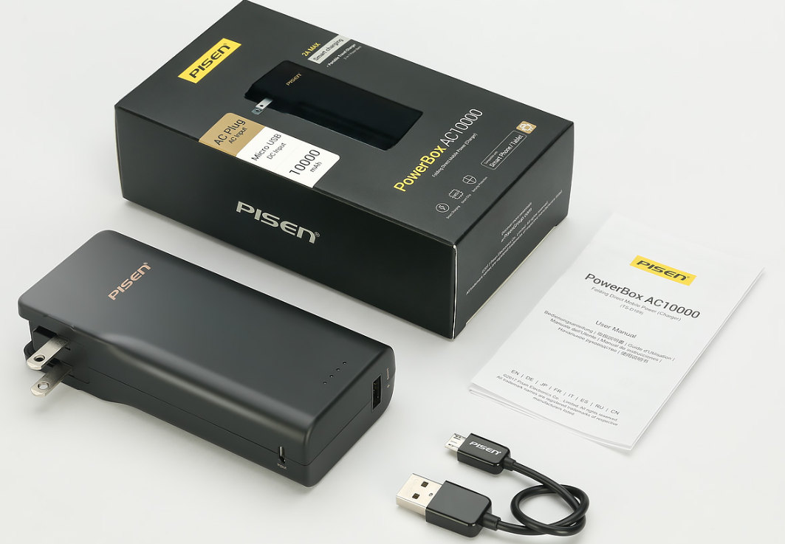 | US$11.52 | ￥79.00
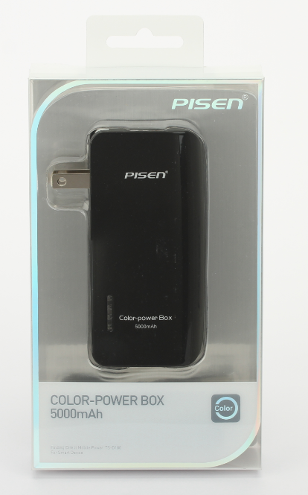 | Color-Power Box 5000mAh | Model: TS-D180 Input: AC 100-240V~50/60Hz 0.3A, DC Micro USB 5V Max 2000mA Output: 5.0V = = 2000mA Smart MAX. Battery Energy:5000mAh(18.5Wh) 1A Rated Output Capacity: 000mAh 2.4A Rated Output Capacity: 00mAh Dimension: 98*47*32.6 mm Net Weight: 175.5g Available Color: Black Build-in Battery Full Charging Time: 8-10Hs Certificate: FCC, UL, RoHS | 1. 2-in-1 hybrid charger: wall charger & portable chager; 2. Foldable AC plug; 3. Intelligent charge & discharge meanwhile; 4. 4 Lamps Display Remain Battery Status, Press Button to turn on; | ONE "Micro USB Cable" --------------------------- Packing Carton Info. Outer: 42*22*46 cm 20 PCS in ONE Outer CTN Outer CTN. G.W.: 11.32KG | 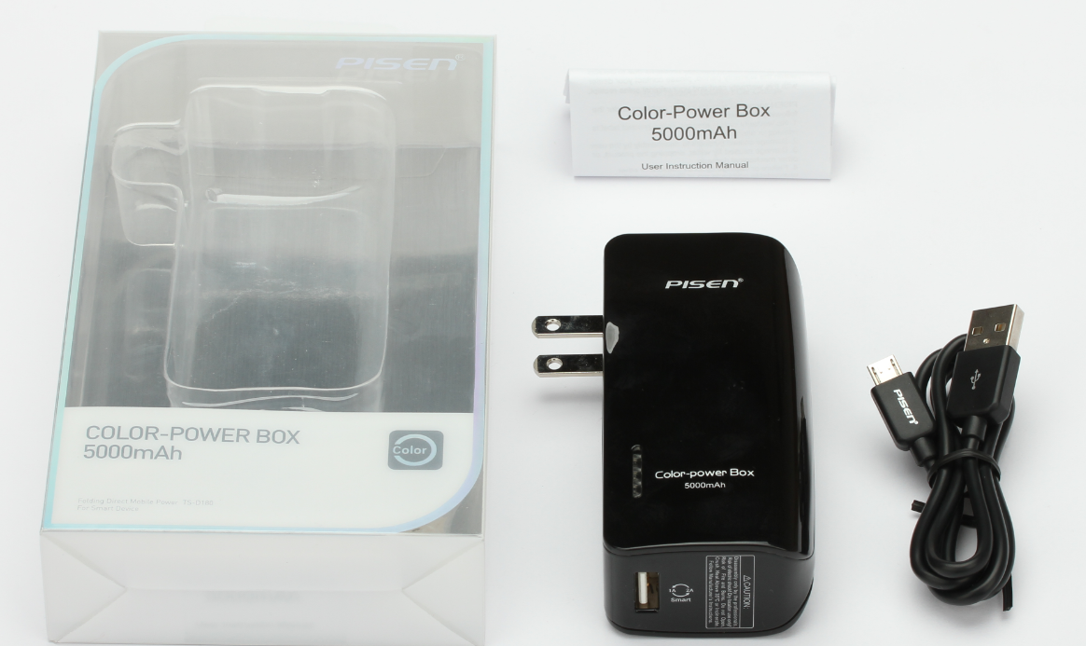 | US$13.12 | ￥90.00
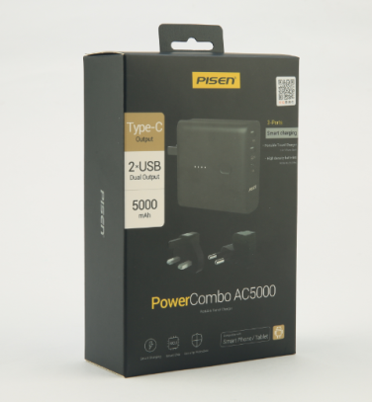 | PowerCombo AC 5000 | Model: TS-D217 Input: 100-240V 0.5A Output:5.0V--1.5A; 5.0V--2.1A USB-C：5.0V--1.5A; Total:5V--2.1A Max Battery Energy:5000mAh(18.5Wh) 2.1A Rated Output Capacity: 3100mAh 1A Rated Output Capacity: 3200mAh Dimension: 72*70*31 mm Net Weight: 183g Available Color: Black, white, red. Build-in Battery Full Charging Time: | 1, Build-in Foldable AC Plug Input 2, Replaceable UK, EU Plug World Wide Travel Workable 3, 3-Port USB Ouput, Dual USB-A output, One USB-C output 4, Cute, powerful and safe 5, Auto detect ON, Auto OFF 6, Rapid & safe charging devices 7, 4 LED lamps display battery status | ONE "Micro USB Cable" --------------------------- Packing Carton Info. Outer: 31*22*26 cm 40 PCS in ONE Outer CTN Outer CTN. G.W.: KG | 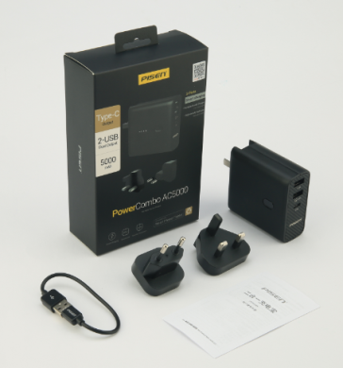 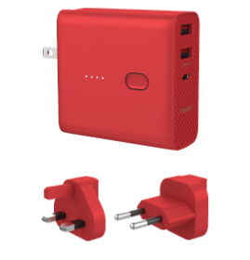 | US$12.83 | ￥88.00
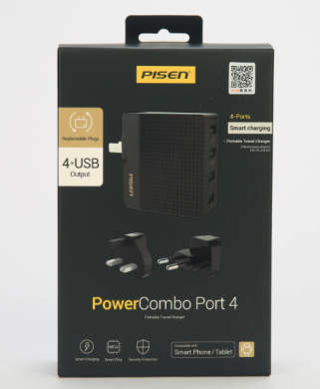 | PowerCombo Port 4 | Model: TS-C085 Input: AC100-240V 50/60Hz Max 500mA Ouput: USB1,2: 5.0V = = 2.4A; USB3,4: 5.0V = = 1A; 4USB Ouput Total: 5.0V = = 4A Certificate: FCC | Replaceable Plug, UK, EU and US. World wide travel workable 4 USB Ouput Port with Smart IC. Rapid and safe charging Intelligent protect system, durable and high performance | 80 PCS/CTN 50*48*21 CM KG | 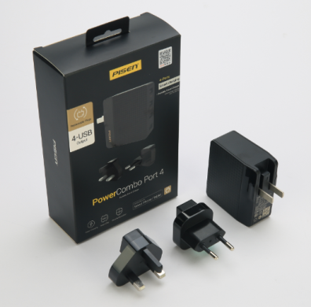 | US$8.45 | ￥58.00
NEW!
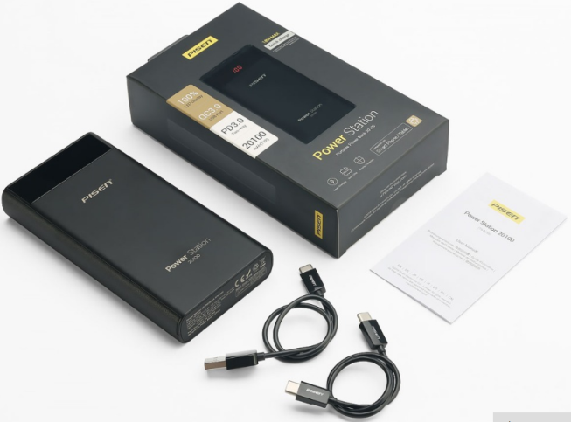 | Power Station 20100mAh (Quick Charging) | Model: TS-D235 20100 mAh Input: Lightning input:5V-2.4A PD input:5V-3A 9V-2A Output: 5V-3A 9V-2A 12V-1.5A Total 18W MAX Capacity: 20100mAh Dimension: 6.2*3.1*1 in Net Weight: 448 g Available Color: Black Build-in Battery Full Charging Time: 20000mA Charger: 12 hrs 24000mA Charger: 10 hrs | Support Type-c two-way PD 2.0/PD 3.0,QC 2.0/QC 3.0,HUAWEI FCP ,MTK PE+2.0,Spreadtrum SFCP QC 2.0/QC 3.0 quick charge , provide a real lightning charging speed to your device . | TWO " Cables" --------------------------- Packing Carton Info. Outer: 31*22*26 cm 40 PCS in ONE Outer CTN Outer CTN. G.W.: KG | 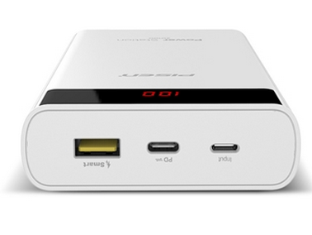 | US$15.89 | ￥109.00
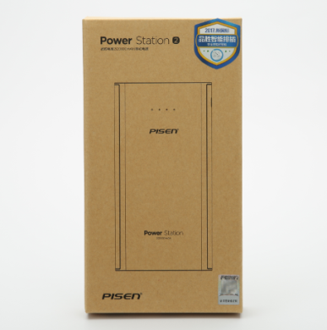 | Power Station 20000mAh | Model: TS-D216 20000 mAh Input: DC5V Max 2000mAh Output: USB1: 5V = = 1000mAh; USB2: 5.0V = = 2100mAh Capacity: 20000mAh Dimension: 152.8*79*24.9 mm Net Weight: 455 g Available Color: Black, white Build-in Battery Full Charging Time: 20000mA Charger: 12 hrs 24000mA Charger: 10 hrs | 1, LED lamp display battery status 2, Dual USB Output and dual input(Micro USB + Lightning) 3, 2.1 A Output with Smart IC for more Smart Phone 4, Extreme energy, powerful and safe 5, Press button ON, Auto OFF 6, Rapid & safe charging devices 7, Power Charger Function | ONE "Micro USB Cable" --------------------------- Packing Carton Info. Outer: 43.7*36.7*26.5 cm 40 PCS in ONE Outer CTN Outer CTN. G.W.: KG | 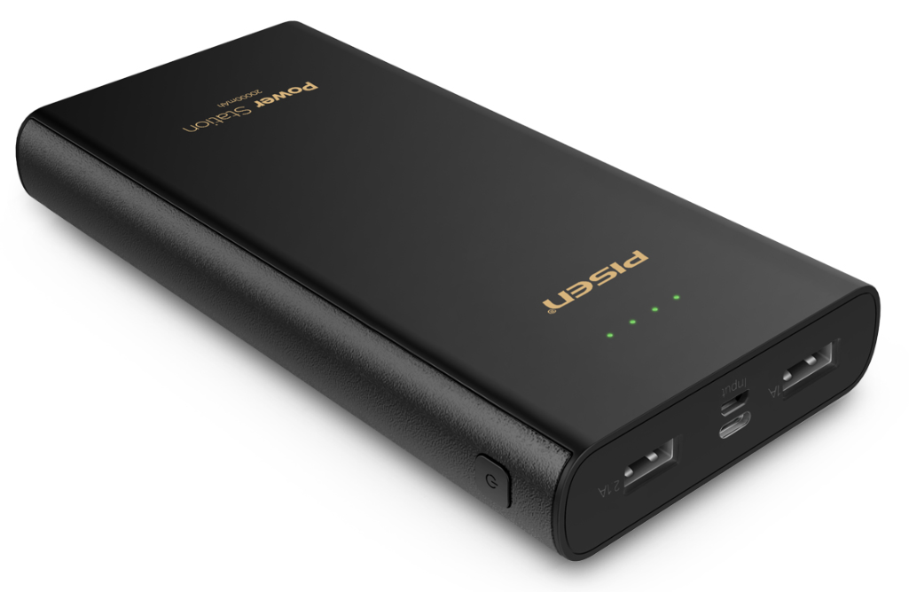 | US$14.43 | ￥99.00
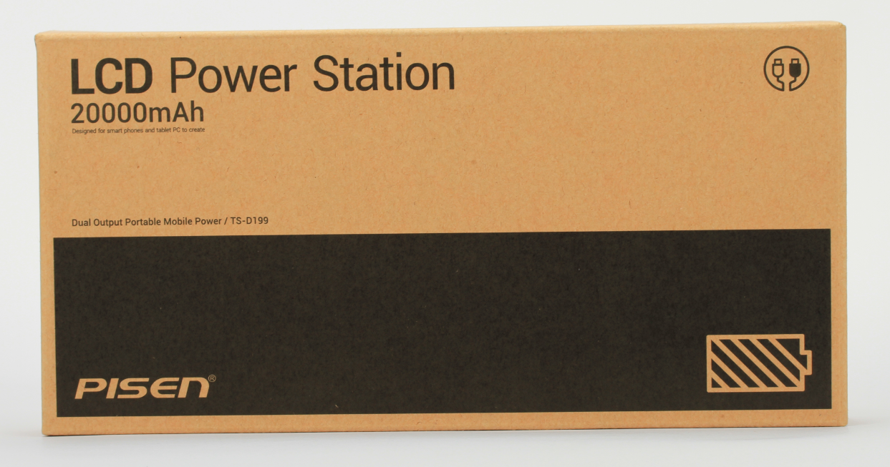 | LCD Power Station II 20000 mAh | Model: TS-D199 20000 mAh Input: DC5V Max 2000mAh Output: USB1: 5V = = 1000mAh; USB2: 5.0V = = 2000mAh Capacity: 20000mAh Dimension: 161*83*23 mm Net Weight: 475 g Available Color: Black, white Build-in Battery Full Charging Time: 20000mA Charger: 12 hrs 24000mA Charger: 10 hrs Certificate：CB, CE, FCC, | 1, LCD Screen Display Working Status & Battery Power by percentage 2, Dual USB Output 3, 2A Output with Smart IC for more Smart Phone 4, Extreme energy, powerful and safe 5, Press button ON, Auto OFF 6, Rapid & safe charging devices 7, Power Charger Function | ONE "Micro USB Cable" --------------------------- Packing Carton Info. 10 PCS in ONE Inner CTN Outer: 33.5*25*26.7 cm 20 PCS in ONE Outer CTN Outer CTN. G.W.: 12.5 KG | 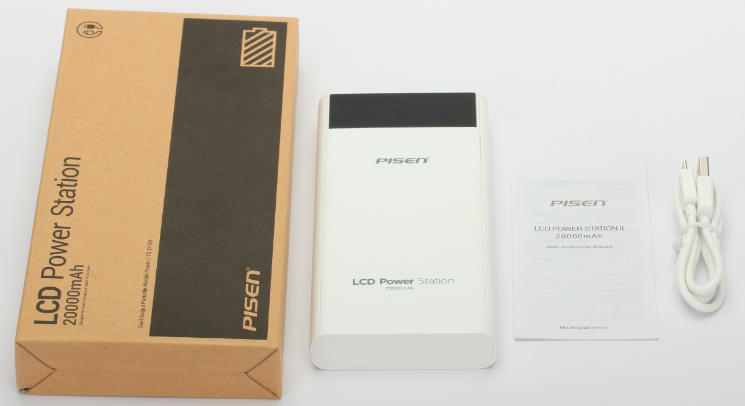 | US$15.89 | ￥109.00
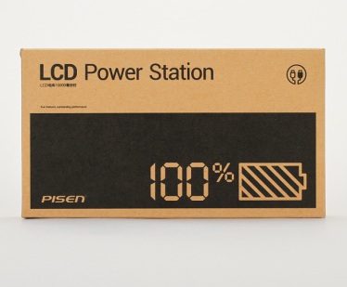 | LCD Power Station ECO 10000 mAh | Model: TS-D186 10000 mAh Input: DC5V Max 2000mA Output: USB1: 5.0V = = 2000mA; USB2: 5.0V = = 1000mA USB1+USB2 5.0V = = 2000mA Capacity: 10000mAh Dimension: 128*76*22 mm Net Weight: 289g Build-in Battery Full Charging Time: 10000mA Charger: 11 hrs 20000mA Charger: 7 hrs Certificate：CB, CE, FCC, | 1, LCD Screen Display Working Status & Battery Power by percentage 2, Dual USB Output 3, Extreme energy, powerful and safe 4, Press button ON, Auto OFF 5, Rapid & safe charging devices 6, Power Charger Function * | ONE "Micro USB Cable" --------------------------- Packing Carton Info. Outer: 35.5*22*21.5 cm 20 PCS in ONE Outer CTN Outer CTN. G.W.: KG | 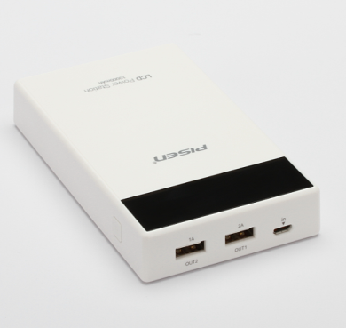 | US$12.39 | ￥85.00
On Sale!
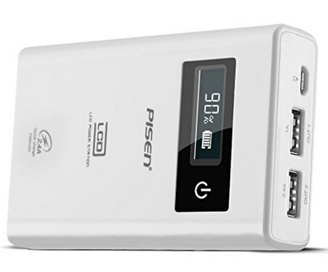 | LCD Power Station 7500 mAh | Model: TS-D110 7500 mAh Input: DC5V 2A Max Output: USB1: 5.0V = = 2400mA; USB2: 5.0V = = 1000mA USB1+USB2 5.0V = = 2400mA Capacity: 7500mAh Dimension: 103.5*65*23 mm Net Weight: 204g Build-in Battery Full Charging Time: 7500mA Charger: 5-6 hrs | 1, LCD Screen Display Working Status & Battery Power by percentage 2, Dual USB Output 3, Extreme energy, powerful and safe 4, Press button ON, Auto OFF 5, Rapid & safe charging devices 6, Power Charger Function * | ONE "Micro USB Cable" --------------------------- Packing Carton Info. Outer: 33*24*25 cm 20 PCS in ONE Outer CTN Outer CTN. G.W.: KG | 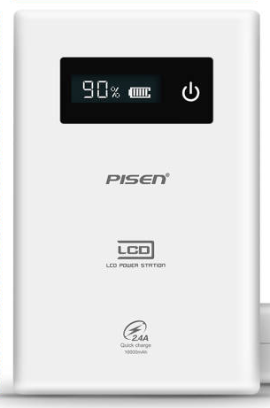 | US$12.10 | ￥83.00
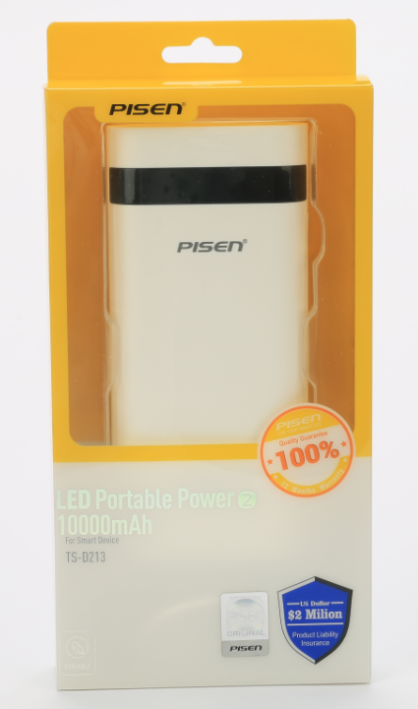 | LED Portable Power II 10000 mAh | Model: TS-D213 10000 mAh Input: DC5V Max 2000mA Output: 5.0V = = 1000mAh/2000mA Capacity: 10000mAh Dimension: 139*63.6*22.4 mm Net Weight: 270g Available Color: Black, white Build-in Battery Full Charging Time: 1000mA Charger: 11 hrs 2000mA Charger: 7 hrs | 1, LED Digital Panel Display the Battery Power by Percentage 2, 1A/2A Output Auto Smart Switch 3, Auto ON, Auto OFF 4, Button only for display the power percentage | ONE "Micro USB Cable" --------------------------- Packing Carton Info. Size: 33*22*26 cm 20 PCS/CTN Outer CTN. G.W.: 8 KG | 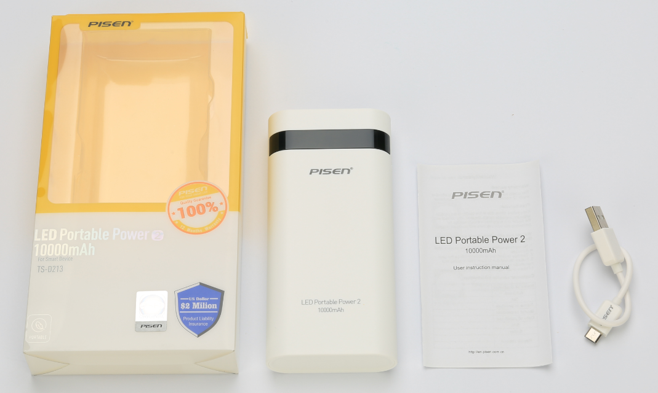 | US$10.06 | ￥69.00
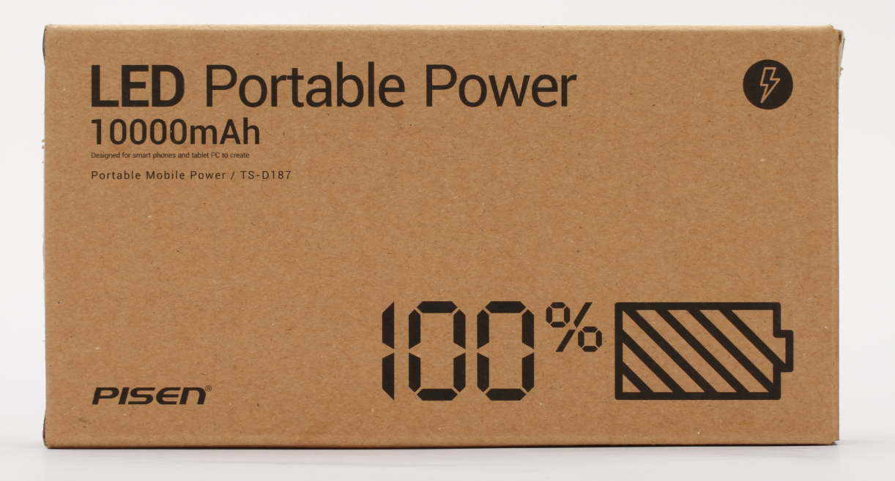 | LED Portable Power 10000 mAh | Name: LED Portable Power 10000 mAh Model: TS-D187 10000 mAh Input: DC 5V Max 2000mA Output: 5.0V = = 1A/2A Capacity: 10000mAh Dimension: 139*63.6*22.4 mm Net Weight: 270 g Build-in Battery Full Charging Time: 1000mA Charger: 10--11 hrs 2000mA Charger: 6--7 hrs Certificate：CB, CE, FCC, UN38.3, MSDS, Pony, SGS, | 1, LED Digital Panel Display the Battery Power by Percentage 2, Portable, powerful and safe 3, 1A/2A Output Auto Smart Switch 4, Auto ON, Auto OFF 5, Rapid & safe charging devices 6, Button only for display the power percentage | ONE "Micro USB Cable" --------------------------- Packing Carton Info. Size: 40*16.5*23 cm 20 PCS in ONE Outer CTN Outer CTN. G.W.: 8 KG |  | US$9.91 | ￥68.00
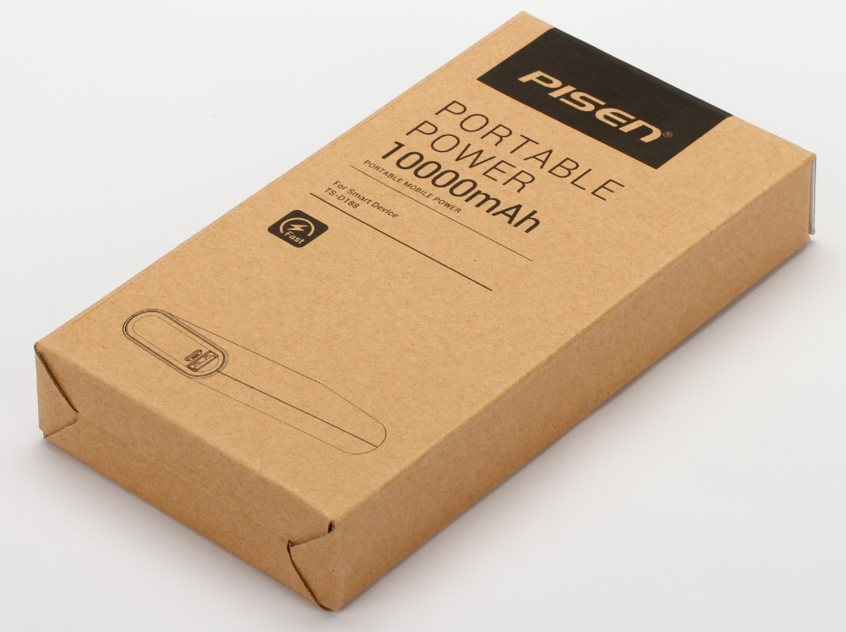 | Portable Power Smart Version 10000 mAh | Name: Portable Power 10000 mAh Model: TS-D188 10000 mAh Input: DC 5V Max 2000mA Output: 5.0V = = 1A/2A Capacity: 10000mAh Dimension: 137*61*22.6 mm Net Weight: 270 g Build-in Battery Full Charging Time: 1000mA Charger: 10--11 hrs 2000mA Charger: 5--6 hrs Certificate：CB, CE, FCC, KC, RoHS, BIS, | 1, Portable, powerful and safe 2, 1A/2A Output Auto Smart Switch 3, Build-in Smart Detect IC for more smart phone 4, Auto ON, Auto OFF 5, Rapid & safe charging devices 6, LED lamp display battery status | ONE "Micro USB Cable" --------------------------- Packing Carton Info. Size: 40*16.5*23 cm 20 PCS in ONE Outer CTN Outer CTN. G.W.: 8 KG | 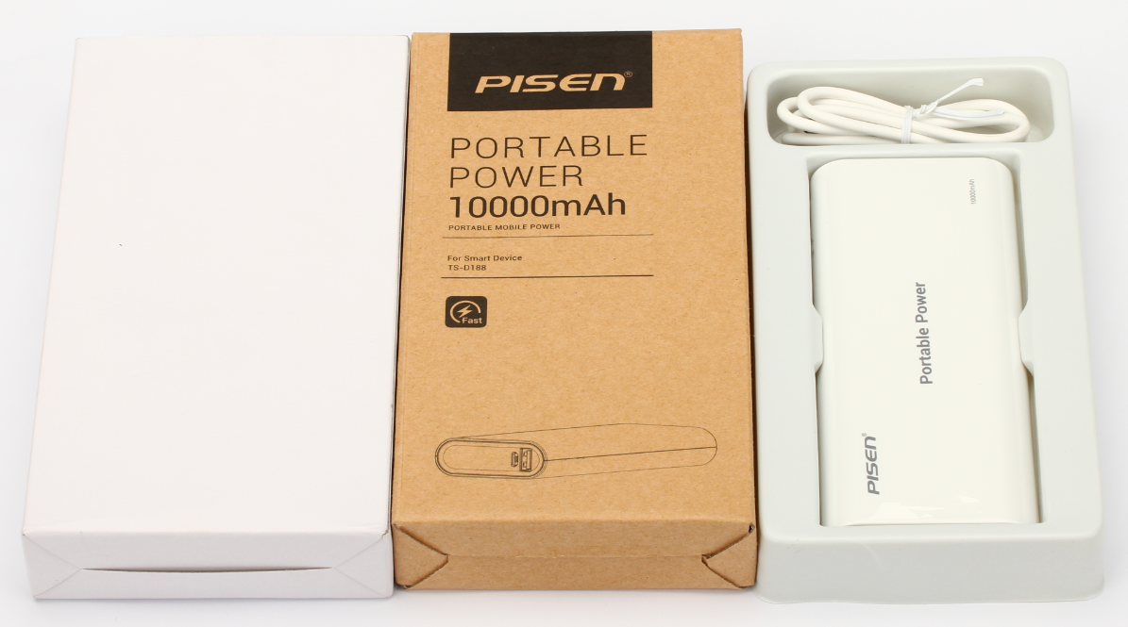 | US$8.45 | ￥58.00
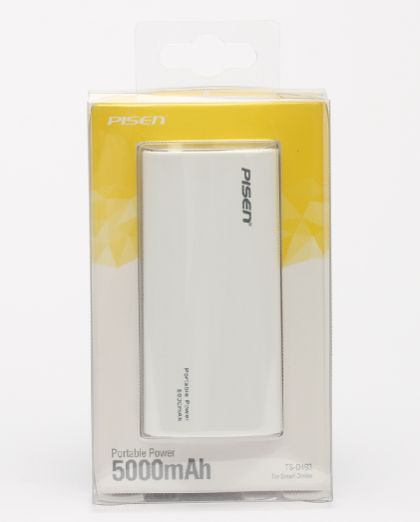 | Portable Power 5000 mAh | Name: Portable Power 5000 mAh Model: TS-D193 5000 mAh Input: DC5V--1000mA Output: 5.0V = = 1000mA Capacity: 5000mAh / 18.5Wh (3.7V) Dimension: 95*45.5*28 mm Net Weight: 130 g Build-in Battery Full Charging Time: 1000mA Charger: 10-12 hrs Certificate: BIS | 1, Portable, powerful and safe 2, Press button ON, Press button OFF 3, Rapid & safe charging devices 4, LED lamp display battery status | ONE "Micro USB Cable" --------------------------- Packing Carton Info. Outer: 38.5*29*21.5 cm 40 PCS in ONE Outer CTN Outer CTN. G.W.: 9 KG | 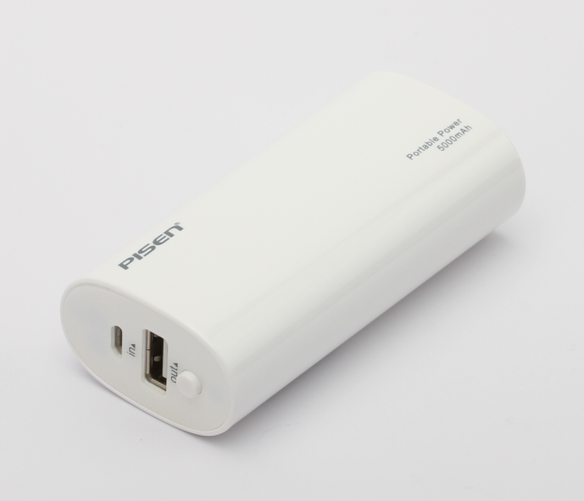 | US$7.00 | ￥48.00
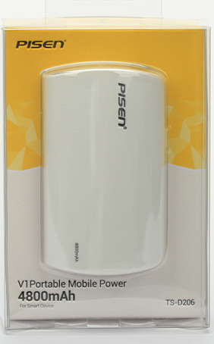 | V1 Portable Mobile Power 4800mAh | Model: TS-D206 Capacity：4800mAh Input: 5V--1.5A Output: 5V-1A Dimension：80.6*47.8*36mm Net weight：141g Build-in Battery Full Charging Time: 2A Charger: 5~6 hrs Color: white | 1, Build-in LED flash light 2, Extreme energy, powerful and safe 3, Press button ON, Auto OFF 4, Rapid & safe charging devices 5, LED lamp display battery status | ONE "Micro USB Cable" --------------------------- Outer:36.5*24*29.5 cm 40 PCS in ONE Outer CTN |  | US$5.54 | ￥38.00
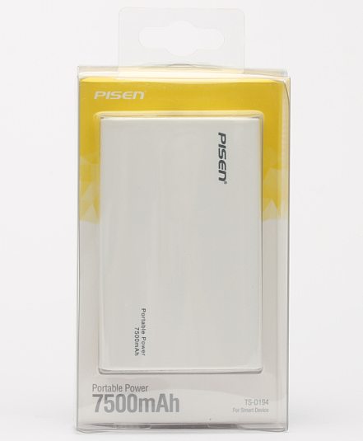 | Portable Power 7500 mAh | Name: Portable Power 7500 mAh Model: TS-D194 7500 mAh Input: DC4.75-5.5V Max 1000mA Output: 5.0V = = 1000mA Capacity: 7500mAh / 27.75Wh (3.7V) Dimension: 95*61*27.5 mm Net Weight: 180 g Available color: Silver-grey Build-in Battery Full Charging Time: 1000mA Charger: 12-14 hrs | 1, Portable, powerful and safe 2, Press button ON, Press button OFF 3, Rapid & safe charging devices 4, LED lamp display battery status | ONE "Micro USB Cable" --------------------------- Packing Carton Info. Outer: 38.5*29*21.5 cm 40 PCS in ONE Outer CTN Outer CTN. G.W.: 13 KG | 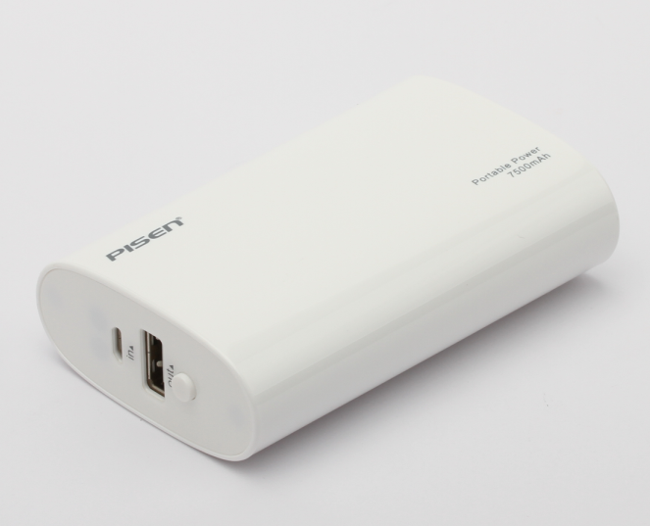 | US$8.75 | ￥60.00
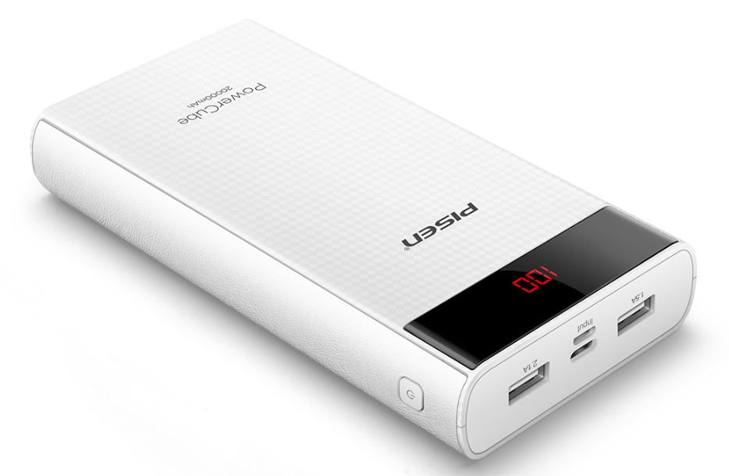 | Power Cube 20000mAh | Model: TS-D221 Input: DC5V Max 2100mA Output: USB1: 5.0V = = 2100mA; USB2: 5.0V = = 1500mA Battery Energy:20000mAh(38.5Wh) Dimension: 156.8*79*24.9 mm Net Weight: 458g Available Color: Black, White Build-in Battery Full Charging Time: | 1, LED Digital Panel Display the Battery Power by Percentage 2, Portable, powerful and safe 3, 2.1A Output with Smart Charge, Micro USB + Type-C input 4, Auto ON, Auto OFF 5, Rapid & safe charging devices 6, Button only for display the power percentage | ONE "Micro USB" --------------------------- Packing Carton Info. Outer: 43.7*36.7*26 cm 40 PCS in ONE Outer CTN Outer CTN. G.W.: KG | 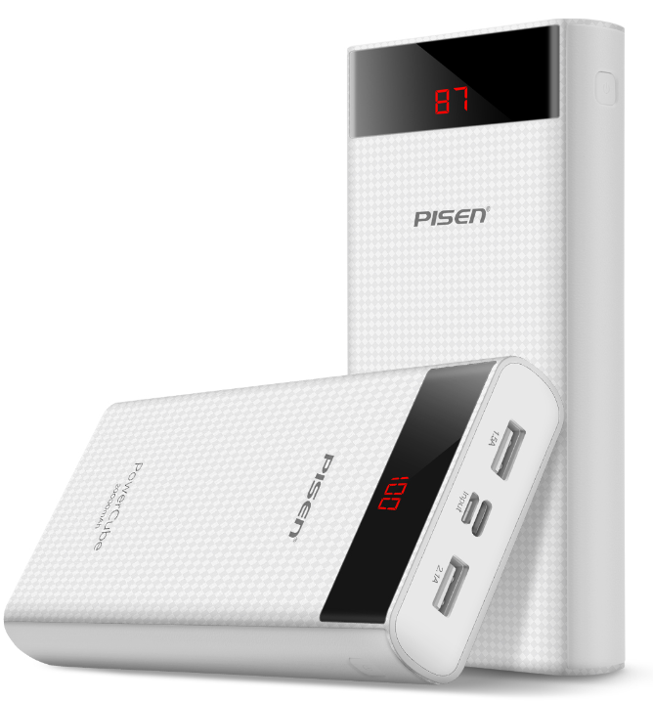 | US$15.31 | ￥105.00
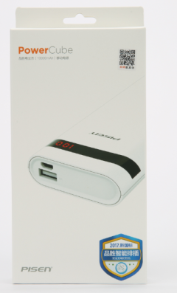 | Power Cube 10000mAh | Model: TS-D220 Input: DC5V Max 2000mA Output: 5.0V = = 2000mA Battery Energy:10000mAh(38.5Wh) 2A Rated Output Capacity: 6500mAh Dimension: 137.6*63.7*22.4 mm Net Weight: 268g Available Color: Black, White Build-in Battery Full Charging Time: | 1, LED Digital Panel Display the Battery Power by Percentage 2, Portable, powerful and safe 3, 2A Output with Smart Charge 4, Auto ON, Auto OFF 5, Rapid & safe charging devices 6, Button only for display the power percentage | ONE "Micro USB" --------------------------- Packing Carton Info. Outer: 50.2*47.5*21 cm 40 PCS in ONE Outer CTN Outer CTN. G.W.: KG |  | US$9.48 | ￥65.00
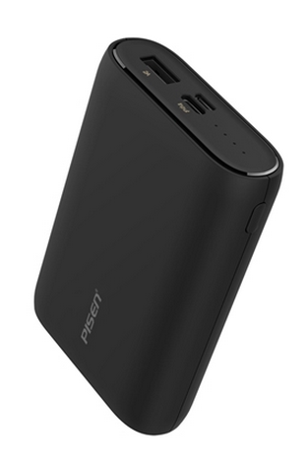 | Easy Power 5C 10000mAh | Model: TS-D231 Input: DC5V Max 2000mA Output: 5.0V = = 2000mA(Smart) Battery Energy:9750mAh/10050mAh 3.6V 35.1Wh/36.2(MIN/TYP) Dimension: 98*67.6*24 mm Net Weight: 230g Available color: black/white Build-in Battery Full Charging Time: 10W Charger: 6--8 hrs | 1, Micro USB & Type-C Input Port 2, Equipped with high-quality batteery cells, durable and stable. 3. Portable, powerful and safe 4, Auto On, Auto Off 5, 4 Lamps Display Remain Battery Status, Press Button to turn on | ONE "Micro USB" --------------------------- Packing Carton Info. Outer: 39*30.8*24.5 cm 40 PCS in ONE Outer CTN Outer CTN. G.W.: KG | 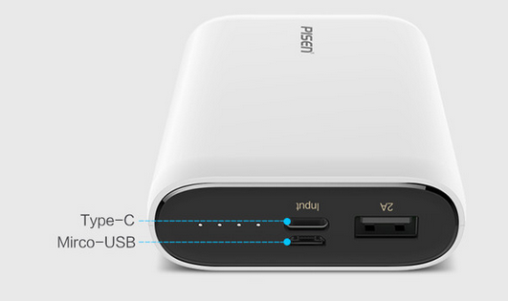 | US$9.04 | ￥62.00
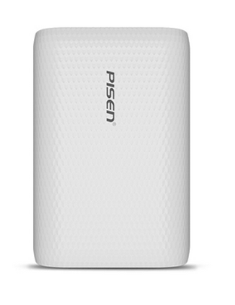 | Power Bank 10000mAh | Model: TS-D247 Input: DC5V Max 2000mA Output: 5.0V = = 2000mA(Smart) Battery Energy:9750mAh/10050mAh 3.6V 35.1Wh/36.2(MIN/TYP) Dimension: 98*67.6*24 mm Net Weight: 230g Available color: black/white Build-in Battery Full Charging Time: 10W Charger: 6--8 hrs | 1, Micro USB & Type-C Input Port 2, Equipped with high-quality batteery cells, durable and stable. 3. Portable, powerful and safe 4, Auto On, Auto Off 5, 4 Lamps Display Remain Battery Status, Press Button to turn on | ONE "Micro USB" --------------------------- Packing Carton Info. Outer: 39*30.8*24.5 cm 40 PCS in ONE Outer CTN Outer CTN. G.W.: KG |  | US$9.04 | ￥62.00
 | Power Bank Quick Charger 10000mAh | Model:TS-D246 Lightning input:5V-2.4A PD input:5V-3A 9V-2A 12V-1.5A Output:5V-3A 9V-2A 12V-1.2A Battery Energy: 9750mAh/10050mAh 3.6V 35.1Wh/36.2(MIN/TYP) Capacity:10050mAh 3.6V 36.2Wh Size:105*68*25mm color:black weight:240g 12W Charger: 5--6 hrs PD Charger: 3--4hrs | Support Type-c two-way PD2.0/PD3.0 ;QC 2.0/QC3.0,Huawei FCP ;MTK PE 2.0 Quick charge output , Provide a real lightning charging speed to your devices. | 40PCS/CTN SIZE :43.5*38.5*19.2CM |  | US$12.39 | ￥85.00
 | Easy Power 6 QC+PD Power bank 10050mAh | Model:TS-D234 Lightning input:5V-2.4A PD input:5V-3A 9V-2A 12V-1.5A Output:5V-3A 9V-2A 12V-1.2A Battery Energy: 9750mAh/10050mAh 3.6V 35.1Wh/36.2(MIN/TYP) Capacity:10050mAh 3.6V 36.2Wh Size:105*68*25mm color:black weight:240g 10W Charger: 6--8 hrs | Support Type-c two-way PD2.0/PD3.0 ;QC 2.0/QC3.0,Huawei FCP ;MTK PE 2.0 Quick charge output , Provide a real lightning charging speed to your devices. | 40PCS/CTN SIZE :43.5*38.5*19.2CM |  | US$12.39 | ￥85.00
 | Easy Power V 10000mAh | Model: TS-D218 Input: DC5V Max 2400mA Output: 5.0V = = 2400mA(Smart) Battery Energy:10000mAh(38.5Wh) 2.4A Rated Output Capacity: 6100mAh Dimension: 98*67.6*24 mm Net Weight: 230g Available color: black/white Build-in Battery Full Charging Time: | 1, Micro USB & Type-C Input Port 2, Smart 2.4A Fast Output 4, Portable, powerful and safe 5, Auto On, Auto Off 6, 4 Lamps Display Remain Battery Status, Press Button to turn on | ONE "Micro USB" --------------------------- Packing Carton Info. Outer: 43.5*38.5*18.7 cm 40 PCS in ONE Outer CTN Outer CTN. G.W.: KG |  | US$11.37 | ￥78.00
 | Easy Power VI 10000mAh MeatBall Series | Model: TS-D151 Input: DC5V--2000mA Output: 5.0V = = 2000mA Capacity: 10000mAh / 37Wh (3.7V) 2A Rated Output Capacity: 6400mAh Dimension: 100*74*23.5 mm Net Weight: 232.4 g Available： Pink, Blue, Yellow, Green Build-in Battery Full Charging Time: 1A Charger: 11-13 hrs 2A Charger: 6-8 hrs Certificate: CE, FCC | 1, With funny carton picture 2, Build-in LED torch, double tap the button to turn on the torch 3, 2A Output with Smart IC 4, Press and hold button to ON, Auto OFF 5, Rapid & safe charging devices 6, 4 LED lamp display battery status 7, Power Charger Function | ONE "Micro USB Cable" --------------------------- Packing Carton Info. Outer: 35*26*28 cm 40 PCS in ONE Outer CTN Outer CTN. G.W.: KG |  | US$9.04 | ￥62.00
 | Meatball Power Box M1 | Model: TS-D229 Input: DC5V--1000mA Output: 5.0V = = 2000mA Capacity: 5000mAh / 18.5Wh (TYP) 2A Rated Output Capacity: 2900mAh Dimension: 99.3*62.8*13.2 mm Net Weight: 120 g Available： Pink, Blue, Yellow, Green Working temperature: ﹣10℃~40℃ 5W Charger: 4-5 hrs | Five features, outstanding performance 1, Ultra-thin metallic power bank, and the LED displays the remaining capacity in real time. 2, Portable power storage, designated for indoor and outdoor usage. 3, Equipped with high-quality battery cells, durable and stable, without memory effect. 4, Compatible with most mobile phones and digital products. 5, Built-in intelligent system to prevent overcharging and short-circuit, safe, stable and reliable. | ONE "USB-C Cable" &ONE "Lightning Cable" --------------------------- Packing carton Info. Outer: 43.7*38*20.2 cm 40 PCS in ONE Outer CTN Outer CTN. G.W.: KG |  | US$10.93 | ￥75.00
 | Easy Power IV 10000mAh | Model: TS-D151 Input: DC5V--2000mA Output: 5.0V = = 1000mA/2000mA Capacity: 10000mAh / 37Wh (3.7V) 2A Rated Output Capacity: 6400mAh Dimension: 100*74*23.5 mm Net Weight: 232.4 g Available：White Build-in Battery Full Charging Time: 1A Charger: 11-13 hrs 2A Charger: 6-8 hrs Certificate：CB, CE, FCC | 1, Build-in LED torch, double tap the button to turn on the torch 2, 2A Output with Smart IC 3, Press and hold button to ON, Auto OFF 4, Rapid & safe charging devices 5, 4 LED lamp display battery status 6, Power Charger Function | ONE "Micro USB Cable" --------------------------- Packing Carton Info. Outer: 35*26*28 cm 40 PCS in ONE Outer CTN Outer CTN. G.W.: KG |  | US$9.04 | ￥62.00
 | Easy Power IV 10000mAh (Smart) | Model: TS-D167 Input: DC5V--2000mA Output: 5.0V = = 1000mA/2000mA Capacity: 10000mAh / 37Wh (3.7V) 2A Rated Output Capacity: 6400mAh Dimension: 100*74*23.5 mm Net Weight: 232.4 g Available: Silver-grey Build-in Battery Full Charging Time: 1A Charger: 11-13 hrs 2A Charger: 6-8 hrs Certificate：CB, CE, FCC | 1, Build-in LED torch, double tap the button to turn on the torch 2, 2A Output with Smart IC 3, Press and hold button to ON, Auto OFF 4, Rapid & safe charging devices 5, 4 LED lamp display battery status 6, Power Charger Function | ONE "Micro USB Cable" --------------------------- Packing Carton Info. Outer: 37*18*26.5 cm 20 PCS in ONE Outer CTN Outer CTN. G.W.: 5.83KG |   | US$9.04 | ￥62.00
 | Laser Pointer Power Bank II (2500 mAh) | Model: TS-D192 2500 mAh Input: DC5V Max 1000mA Output: 5.0V = = 1000mA Capacity: 2500mAh Dimension: 135*24.8*24.8 mm Net Weight: 85g Receiver Distance: 10m, 2.4 GHz Build-in Battery Full Charging Time: 1000mA Charger: 4-5 hrs Available Color: Black, white Certificate：CB, CE, FCC, RoHS, USTC, 7P,BIS,FDA,WPC, | 1, Build-in Laser Pointer Function 2, Remote PPT Page Control Function(Receiver included inside the power bank) 3, Video Remote Control Function 4, Cute, powerful and safe 5, Auto Detect ON, Auto OFF 6, Rapid & safe charging devices 7, LED lamp display battery status | ONE "Micro USB Cable" --------------------------- Packing Carton Info. Inner: 32*18*15 cm 10 PCS in ONE Inner CTN Outer: 37*33*18 cm 20 PCS in ONE Outer CTN Outer CTN. G.W.: KG |  | US$8.45 | ￥58.00
 | Air-mouse Laser Pointer Power Bank | Model: TS-D203 Input: 5V==1A Output: 5V==1A Capacity: 2500mAh Weight: 108g Dimension: 150*38.5*28.5mm 1000mA Charger: 4-5 hrs Available Color: Black, white Build-in Battery Full Charging Time: 1000mA Charger: 4-5 hrs | 1, Build-in Laser Pointer Function 2. Power bank function 3. Use on PC as mouse 4, Remote PPT Page Control Function(Receiver included inside the power bank) 5, Video Remote Control Function | ONE "Micro USB Cable" --------------------------- Packing Carton Info. Inner: 34*20.5*21.5 cm 20 PCS in ONE Inner CTN Outer: 42.5*35.5*24 cm 40 PCS in ONE Outer CTN |  | US$10.93 | ￥75.00
 | Hand Warmer Power Bank 7500mAh | Mdoel: TS-D198 Input: DC 5V --2000mA Output: 5.0V = = 2000mA Capacity: 7500 mAh Dimension: 104.6*70.5*44.9 mm Net Weight: 230 g Hand Warmer Model Temp. : 50 ºC ±5 ºC Build-in Battery Full Charging Time: 1000mA Charger: 5-7 hrs 2000mA Charger: 4-6 hrs Certificate: CB | 1, Unique Hand Warmer Model 2, Press “Hot” Button to turn ON/OFF Hand Warmer Model 3, High quality temperature sensor 4, Power Bank model and Hand Warmer Model cannot use in the same time 5, Portable, powerful and safe 6, Power Bank Model. Auto ON, Auto OFF 7, Rapid & safe charging devices 8, 4 LED lamps display battery status | ONE "Micro USB Cable" ONE Lanyard --------------------------- Packing Carton Info. Carton: 46*36*21 cm 20 PCS in ONE CTN Outer CTN. G.W.: 9.9 KG |  | US$13.12 | ￥90.00
 | Hand Warmer Portable Power 10050 | Mdoel: TS-D240 Input: DC 5V --2000mA Output: 5.0V = = 2000mA(Smart) Capacity: 10050 mAh Dimension: 106.5*71.3*46.2 mm Net Weight: 255 g Hand Warmer Model Temp. : 53 ºC ±5 ºC Accessories: Type-C charging cable 1000mm*1; User manual*1 | 1. 2-in-1 function and charging, which can be carried on both indoors and outdoors. 2. With the function of rising temperature quickly and warming at appropriate degree, it keeps you warm at anytime. 3. Standard USB output supports recharge for mobile phones and tablets. 4. Built-in intelligent and protective system that can prevent overcharging, overheating and short-circuit. | ONE "Type-C charging Cable 1000mm" --------------------------- Packing Carton Info. Carton: 46*36*21 cm 20 PCS in ONE CTN Outer CTN. G.W.: KG |    | US$18.95 | ￥130.00
 | K1 Portable Mobile Power 10000mAh | Model: TS-D205 Capacity：10000mAh Input: 5V--1.5A ; Output: 5V-1A; 5V-2.1A; out1+out2=2.1A Max Dimension：73.5*130.5*22.5mm Net weight：260±20g Build-in Battery Full Charging Time: 2A Charger: 6 hrs Certificate：CB, CE, FCC, | 1, 4 LED Lamps Show Remain Battery Power 2, Dual USB Output 3, Extreme energy, powerful and safe 4, Press button ON, Auto OFF 5, Rapid & safe charging devices 6, Power Charger Function * | ONE "Micro USB Cable" --------------------------- Outer:36*23*27.5 cm 20 PCS in ONE Outer CTN |  | US$10.06 | ￥69.00
 | Smart Battery Case 3000mAh(for i6/i7/i8) | Model: TS-D215 Capacity：3000mAh Input: 5V--1A ; Output: 5V-1A Max Battery Energy: 11.55Wh(3000mAh) Dimension：143*70.3*14.3mm Net weight：±90g Available Color: Black Build-in Battery Full Charging Time: 3-4 hrs | 1. Precisely aligned cutouts, fits phone perfectly 2. Superior eco-friendly material 3. High quality battery cells, durable and stable 4. Built-in intelligent system | --------------------------- Packing Carton Info. 20 PCS/CTN (in) 40pcs Out Outer:43.5*32.3*21 cm |  | US$9.48 | ￥65.00
 | Smart Battery Case 4000mAh (for i6P/i7P/i8P) | Model: TS-D224 Capacity：4000mAh Input: 5V--1.2A ; Output: 5V-1.2A Max Battery Energy: 15.2Wh(4000mAh) Dimension：162.8*81*14.3mm Net weight：±115g Available Color: Black Build-in Battery Full Charging Time: 4-5 hrs | 1. Precisely aligned cutouts, fits phone perfectly 2. Superior eco-friendly material 3. High quality battery cells, durable and stable 4. Built-in intelligent system | --------------------------- Packing Carton Info. 20 PCS/CTN (in) 40pcs Out Outer:47.5*32.3*23.5 cm |  | US$12.39 | ￥85.00
 | Color Power 5000 | Model:TS-D236 Size: 3.6*3.6*0.48in color:black/silver/gold/rosy/blue/red weight:140g Input:5V-2A USB-A Output:5V-2A(Smart) USB-C Output: 5V-2A Total 2A MAX Capacity:5000mAh 18.5Wh | Dual USB port, and USB-C port can input and output. Aluminium metal case. LED indicator light. | TWO " Cables" --------------------------- Packing Carton Info. Outer: 35.5*20.2*17.2 cm 40 PCS in ONE Outer CTN Outer CTN. G.W.: KG |  | US$9.91 | ￥68.00
Remark:
1. All our Power Bank product can charge smart phone, MP3/MP4, PDA, PSP, NDSL and other use 5V input charge digital device. Some old mobile phone might use 500 mA output current power bank or Charger
2. Our Standard Accessory Micro USB Cable is Data Sync and Charging Cable.
3. Most our Power Bank need Galaxy Connector to charge Samsung Galaxy Tab. Sereis Tablet PC EXCEPT THE Smart Version
4. Power Charger Function. This Function means that you can use our Power Bank as charger or adapter to directly charge your device by connect the Power Bank to the power source.
5. Build-in Battery Full Charging Time means Power Bank inside cell / battery pack self-charging time. Above data is approximate data, for reference only. The accurate charging time depend on real operation. Use higher output charger to charge Power Bank, the Full Charging Time is shorter

6. All our Power Bank is using genuine capacity, NEW and PURE, AAA grade Li-ion battery. Rated Capacity is Power Bank inside Li-ion battery / battery pack's capacity. It is not equal the real output to devices' power capacity
7. Product Retail Package might updated and not exactly same as the picture on this price list
8. Packing Info. is for reference. The accurate data might have small deviation according to different batches

