Sheet2
Tammy Zeng www.otcolight.com www.cstcar.cn
Item No. | Item Name | Picture | Specifications | Price each piece(MOQ 100pieces)
1 | T20 2835 33SMD | 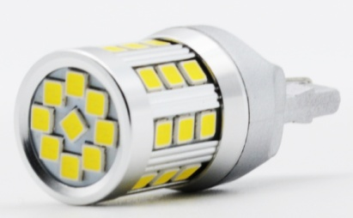 | * nonpolar * Volt:10~32V * Current:220ma * lumen:340lm | $3.3
2 | S25 2835 15SMD | 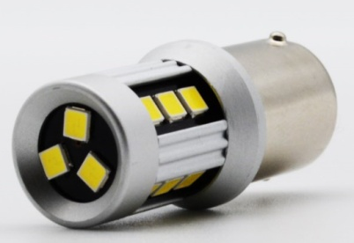 | * nonpolar * Volt:10~32V * Current:350ma * lumen:460lm | $2.6
3 | 7440/7443/1156/1157/T15 2835 16SMD, white | 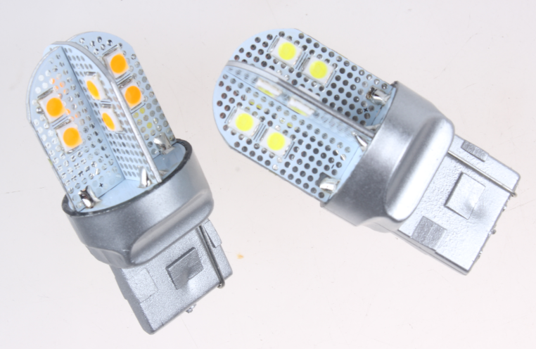 | with aluminum electric board Voltage:DC 9-30V Lumen: 480lm Warranty: 18 months | $4.4
4 | Canbus 7440/7443/1156/1157/T15 2835 16SMD, amber or red |  |  | $5.0
5 | 5730 30SMD tail bulb, with dual colors | 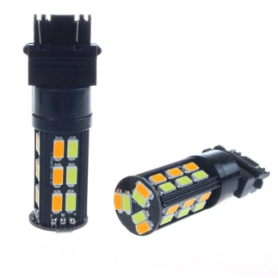 | * Voltage:DC 9-30V * Color Beams: W/A * Available Bases: 7443/1157/3157 * Warranty: 1 year | $5.10
6 | 5730 30SMD tail bulb, white | 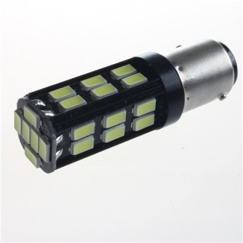 | * Voltage:DC 9-30V * Available Single Colors: white/amber/red * Available Bases: 7440/7443/1156/1157/3156/3157 * Warranty: 1 year | $3.30
7 | 2835 12SMD tail bulb, white | 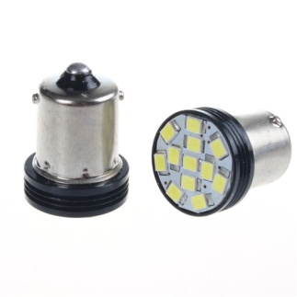 | * Voltage:DC 12V * Available Bases: 7440/7443/1156/1157/3156/3157 * Warranty: 1 year | $0.62
8 | 3014 87SMD tail bulb, white | 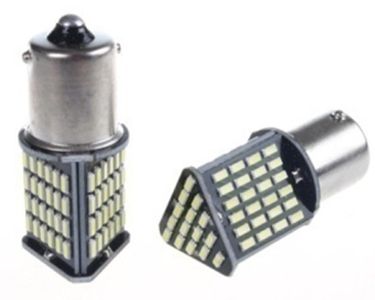 | * Voltage:DC 9-30V * Available Bases: 7440/7443/1156/1157/3156/3157 * Warranty: 1 year | $1.60
9 | 2835 15SMD tail bulb, white | 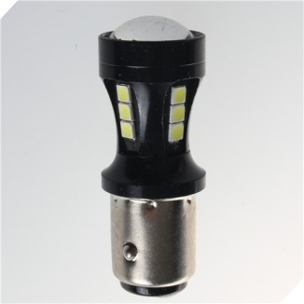 | * Voltage:DC 9-30V * Available Bases: 7440/7443/1156/1157/3156/3157 * Warranty: 1 year | $3.10
10 | 3014 114SMD tail bulb, white | 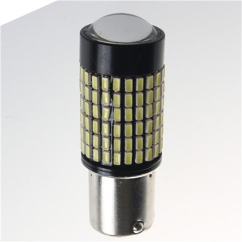 | * Voltage:DC 9-30V * Available Bases: 7440/7443/1156/1157/3156/3157 * Warranty: 1 year | $3.30
11 | 2835 33SMD tail bulb, white | 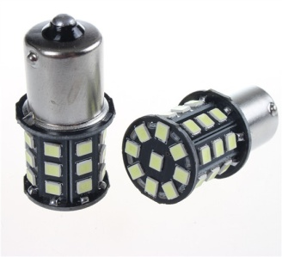 | * Voltage:DC 12V * Available Bases: 7440/7443/1156/1157/3156/3157 * Warranty: 1 year | $1.40

