Sheet1
style No and Description | Price | photos
6129-33 Game bouldled strap exposed breast and hip bra and panty sexy lingerie | 4.2-4.6 | 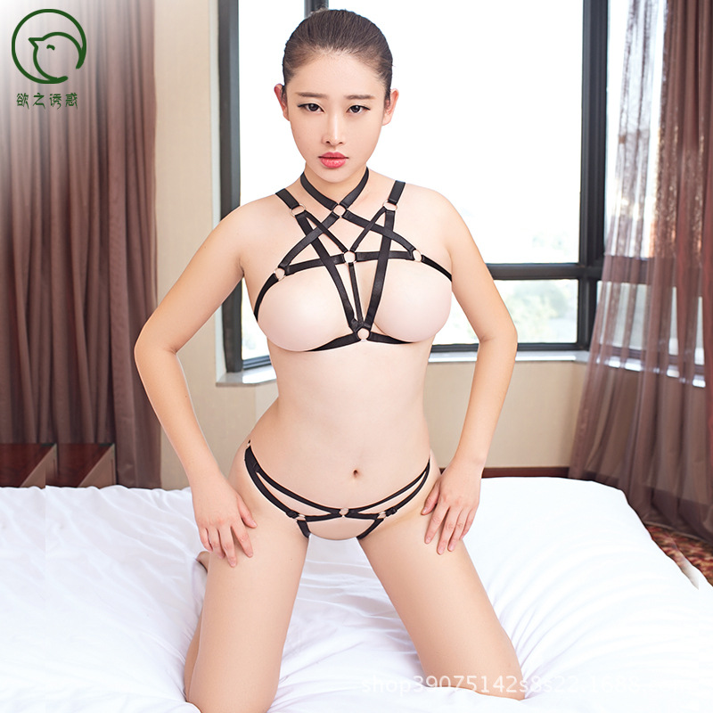 |  |  |  |  
6129-40 Japan Korea strap boundle bandage sexy lignerie | 3.45-3.85 | 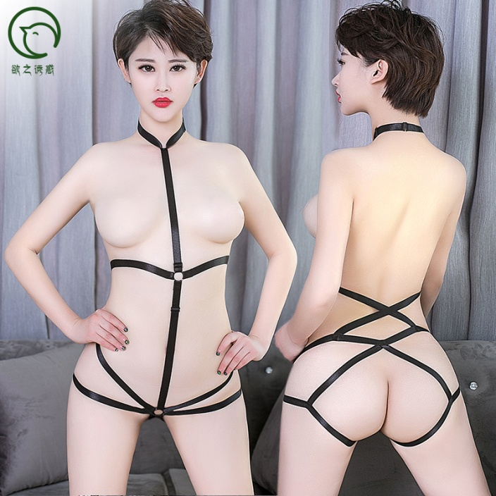 | 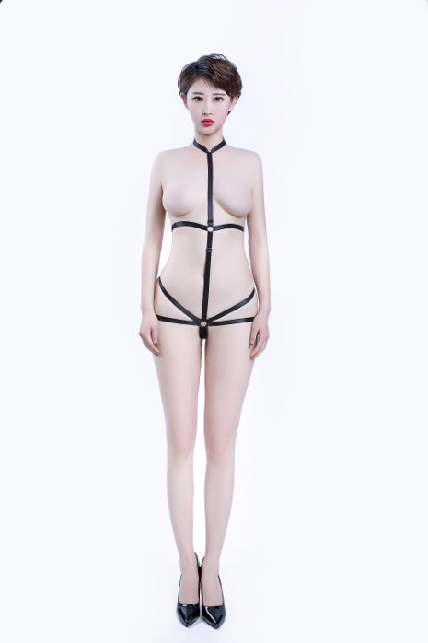 |  |  | 
6129-15 hot game boundled strap harness sexy lingerie sexy underwear | $6.25-6.9 | 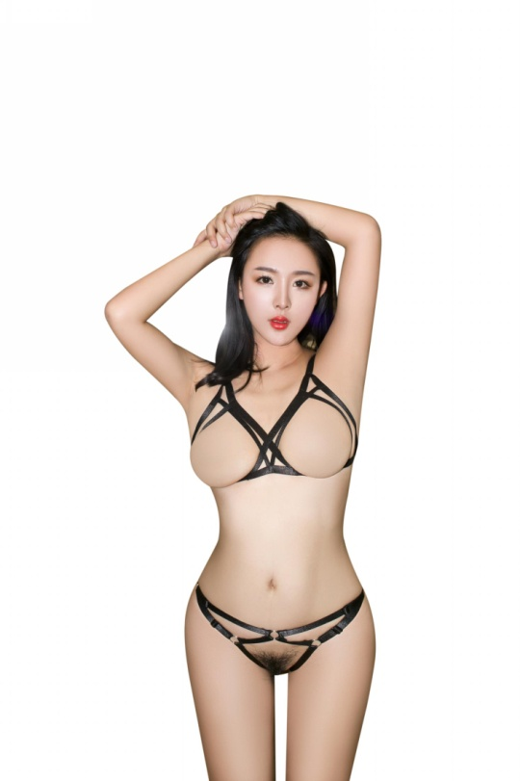 |  |  | 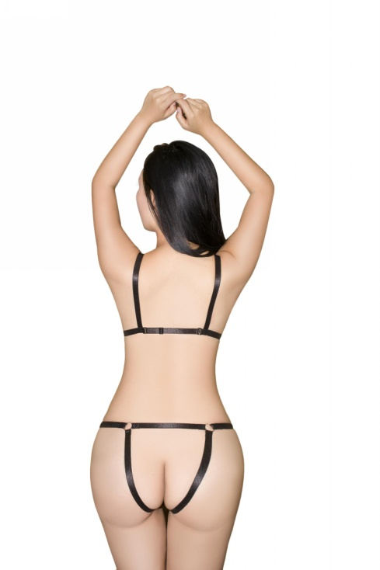 | 
6129-7 hot Japan and Korea SM bouldled harness sexy lingerie | $4.60 |  |   |  |  | 
6129-3 Japan Korea boundled strap sexy lingerie sexy underwear | 3.55-3.9 |   |  |  |  | 
6003 black harness bandage boundled night club cosplay sexy lingerie | 4.6-5 | 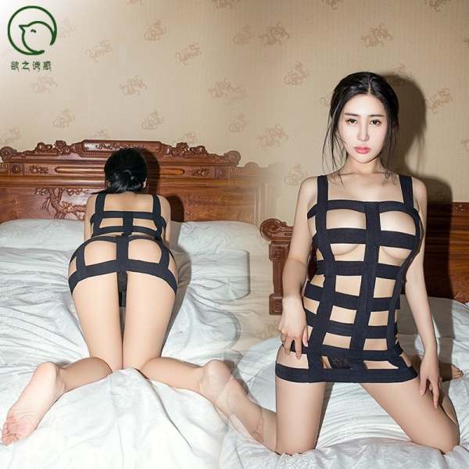  | 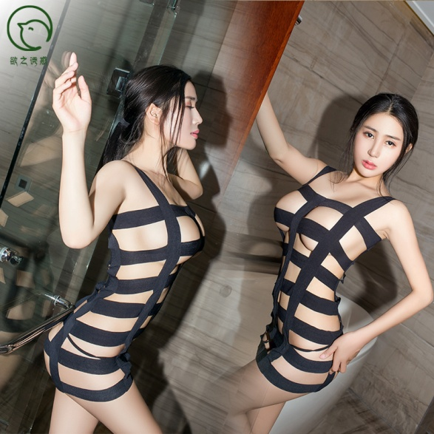 |  |  | 
6129-4 Drop shipping and wholesale 3 point bundled strap bandage bra and panty sexy erotic lingerie underwear | 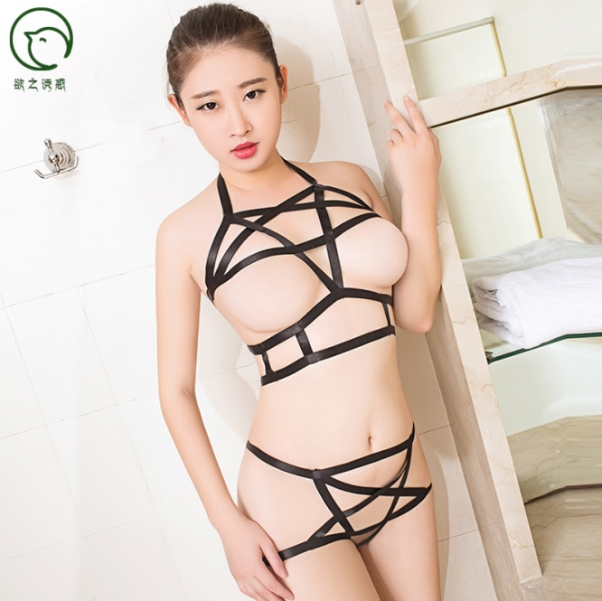 3.85-4.2 |  |   |  |  | 
6129-21 Japan Korea, Europe and Amecia Plus size bundled strap erotic bra and panty sexy lingerie underwear | 3.85-4.2 |  |  |  | 
6120-20 Dropshipping and wholesale Erotic harness 3-point strap bundled bra and panty sexy lingerie underwear | 3.68-4.05 | 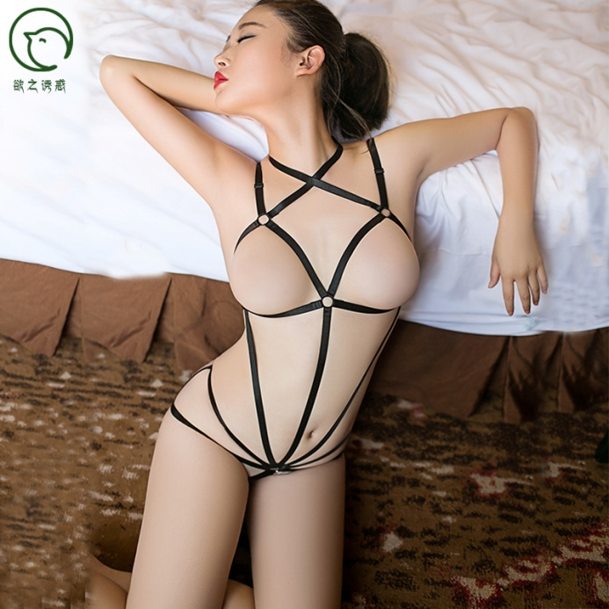 |  |  |  | 
6129-12 Drop shipping and wholesale erotic harness 3-point strap bundled harness bra and panty sexy lingerie underwear | 3.45-3.85 | 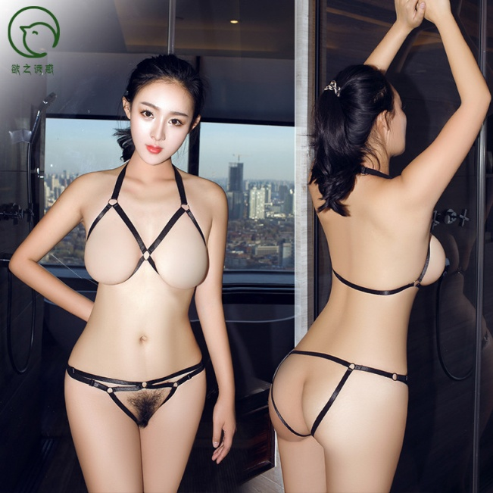 |  | 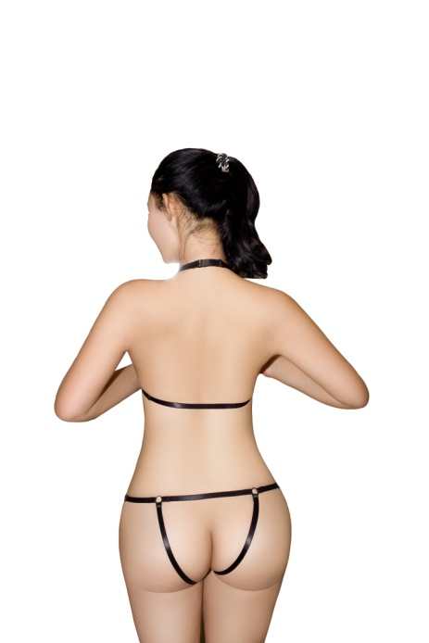
6043 drop shipping and wholesale erotic harness bundled butterfly bandage sexy lingerie underwear | 2.5-3 |  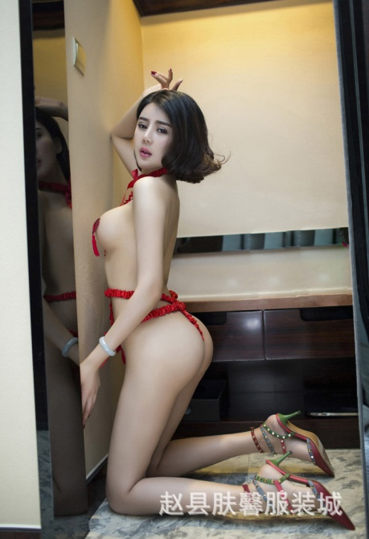 |  |  | 
6129-39 drop shipping and whole sale erotic harness bundled sexy lingerie underwear | 3.45-3.8 | 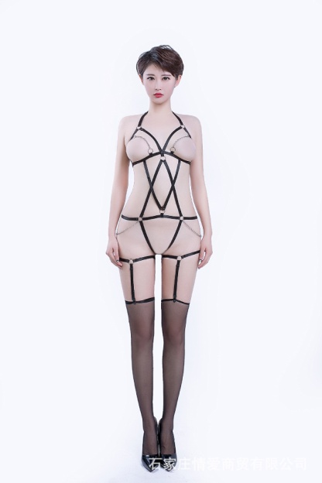 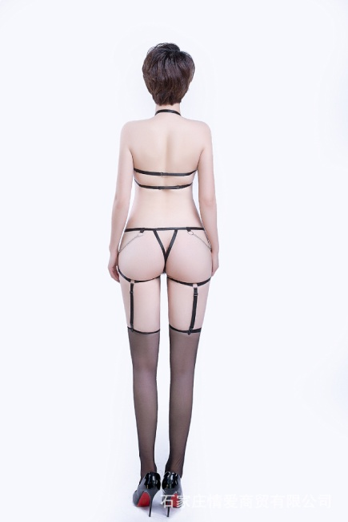 |  | 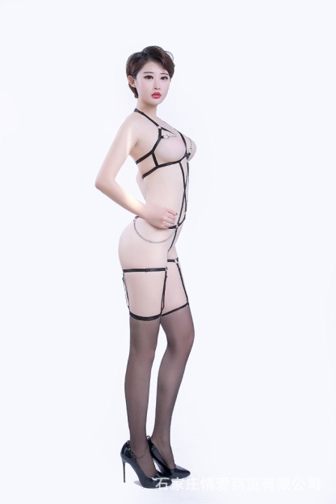
6129-22 plus size Europe and America women harness sexy bondage bundled bra and panty sexy lingerie | 4.1-4.5 |  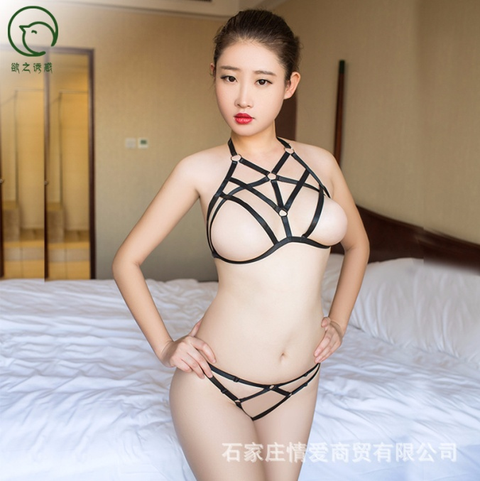 | 
6129-9 wholesale harness bundled strap bra and panty erotic sexy lingerie underwear | 3.85-4.2 |  | 
6129-1 wholesale harness bundled bondage bra and panty erotic set lingerie underwear | 4.5-4.9 | 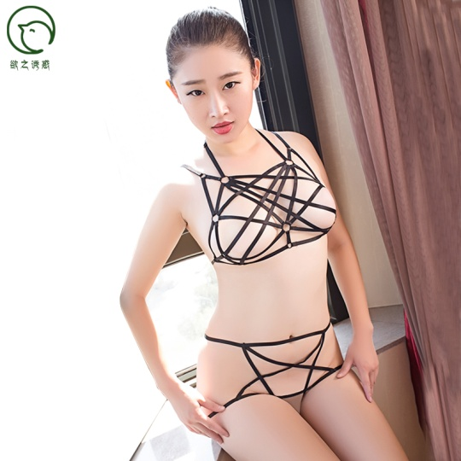 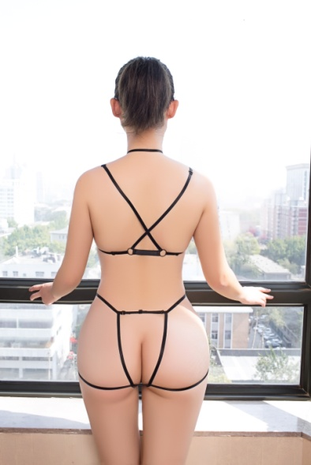 |  | 
6129-2 wholesale harness bundled bondage bra and panty erotic set lingerie underwear | 3.9-4.3 |  |  
6129-8 wholesale women harness bundled bondage bra and panty erotic set lingerie underwear | 3.7-4.1 |  |  |  |  | 
6129-12 wholesale women harness bundled bondage bra and panty erotic set lingerie underwear | 3.3-3.7 |   | 
6129-13 wholesale women harness bundled bondage bra and panty erotic set lingerie underwear | 3.17-4.1 | 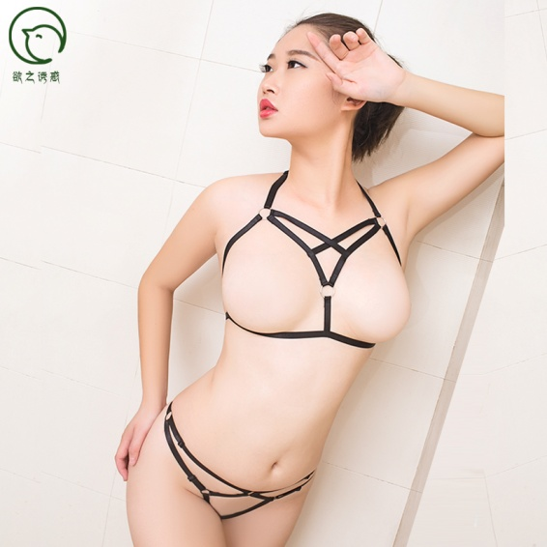  | 
6129-14 wholesale women harness bundled bondage bra and panty erotic set lingerie underwear | 3.9-4.3 | 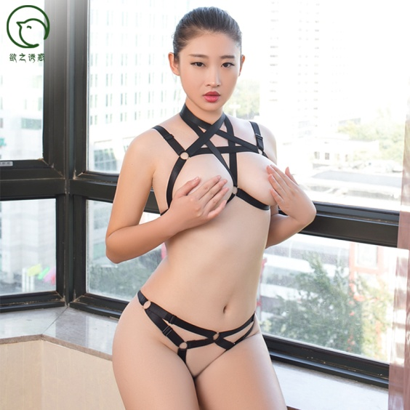  | 
6129-16 wholesale women harness bundled bondage bra and panty erotic set lingerie underwear | 3.5-3.9 |   |  | 
6129-18 wholesale women harness bundled bondage bra and panty erotic set lingerie underwear | 3.7-4.1 | 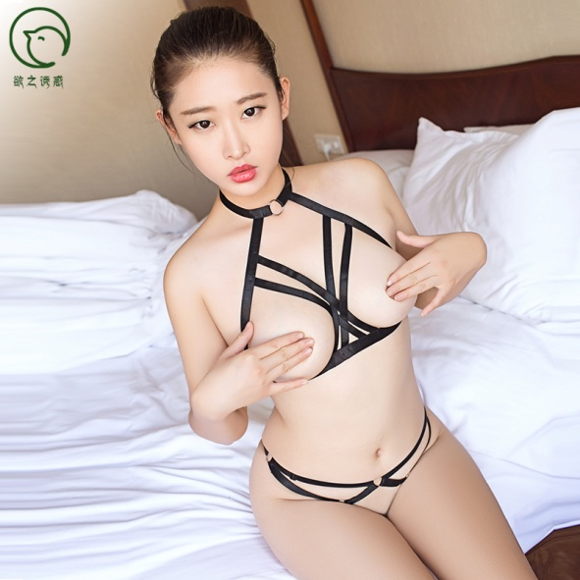  |  |  | 
6129-19 wholesale women harness bundled bondage bra and panty erotic set lingerie underwear | 3.9-4.3 | 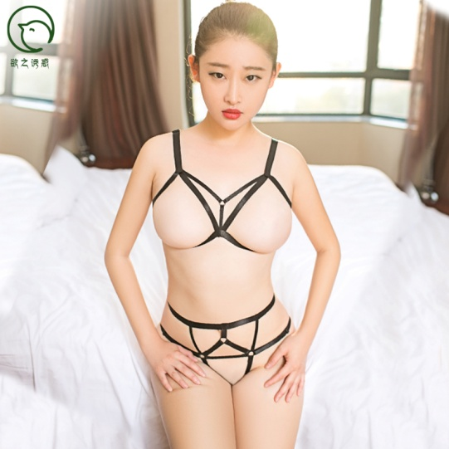  |  |  | 
6129-23 wholesale women harness bundled bondage bra and panty erotic set lingerie underwear | 3.7-4.1 | 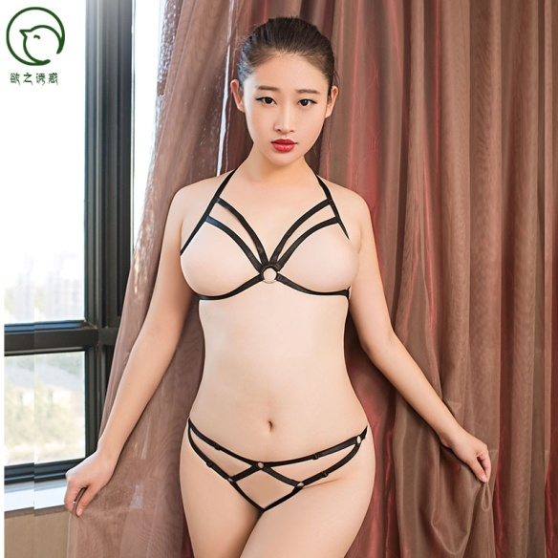  | 
6129-24 wholesale women harness bundled bondage bra and panty erotic set lingerie underwear | 3.7-4.1 | 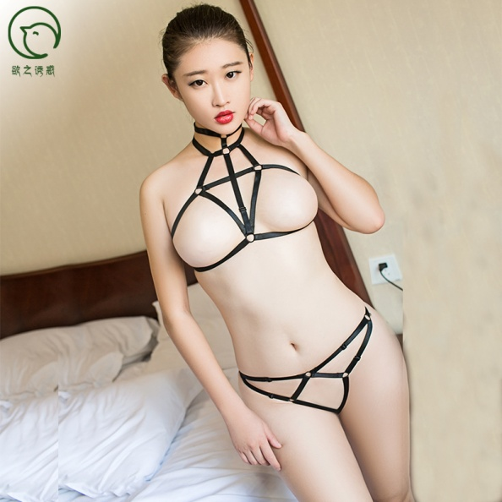  |  |  | 
6129-26 wholesale women harness bundled bondage bra and panty erotic set lingerie underwear | 4.3-4.7 | 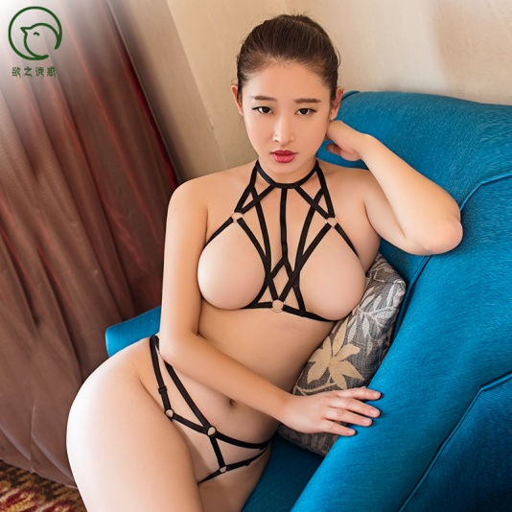  | 
6129-28 wholesale women harness bundled bondage bra and panty erotic set lingerie underwear | 4.3-4.7 |  |  | 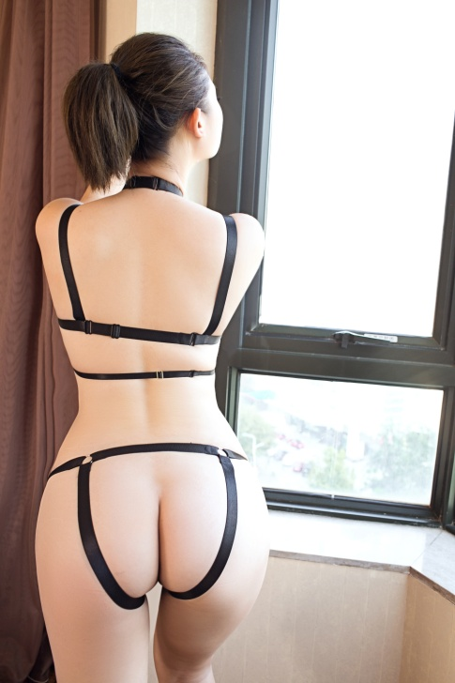
6129-29 wholesale women harness bundled bondage bra and panty erotic set lingerie underwear | 4.3-4.7 |   |  |  | 
6129-30 wholesale women harness bundled bondage bra and panty erotic set lingerie underwear | 3.9-4.3 |  | 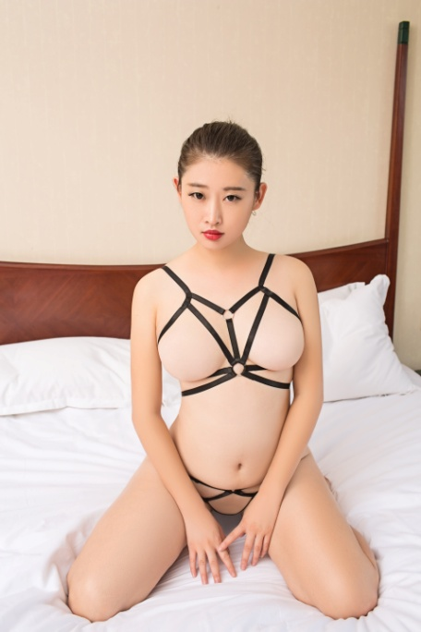 
6129-31 wholesale women harness bundled bondage bra and panty erotic set lingerie underwear | 3.7-4.1 | 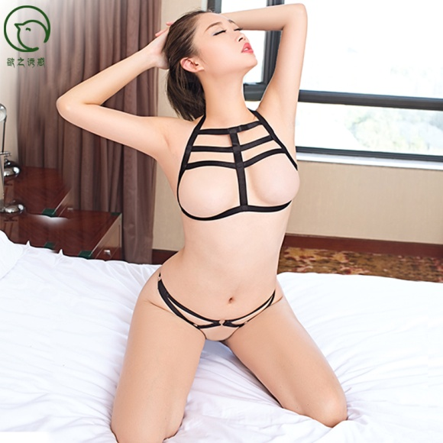  |  |  |  | 
6129-32 wholesale women harness bundled bondage bra and panty erotic set lingerie underwear | 4.3-4.7 | 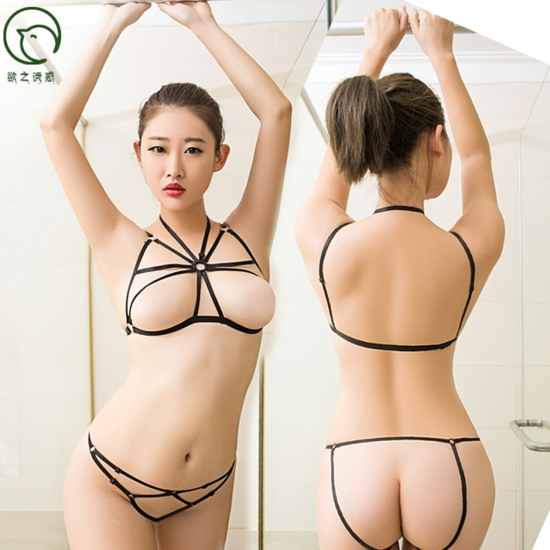 |  
6129-34 wholesale women harness bundled bondage bra and panty erotic set lingerie underwear | 4.1-4.5 |  |  |  |  | 
6129-36 wholesale women harness bundled bondage bra and panty erotic set lingerie underwear | 4.1-4.5 |  |  |  |  | 
6129-37 wholesale women harness bundled bondage bra and panty erotic set lingerie underwear | 4.1-4.5 |  |  | 
6129-39 wholesale women harness bundled bondage bra and panty erotic set lingerie underwear | 4.9-5.3 | 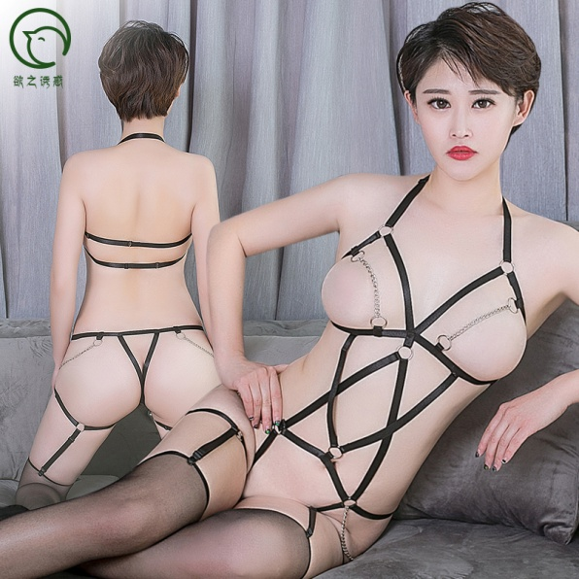  |  | 

