S_HANDE
S-Hande-Russia |  |  |  | Заказ | Сумма | 0 | Сум.руб | Курс
 |  |  |  |  |  |  | 0 | 78

 | Наличие |  | $10.33 |  | $-

 | Китай | Россия

 | ДА | ДА

SHD-S305 Baron
213*84*66mm/ 381.5g | ·Material: Medical silicone
·For female masturbator, with sucker | ·Standard Color:As per picture
color box | ·IPX7 Waterproof
·53.5*50*37cm/24pcs/ctn, G.W.: 11.5kg | More Pictures
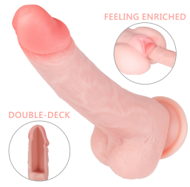 | Наличие |  | $11.78 |  | $-

 | Китай | Россия

 | ДА | ДА

SHD-S305-2 Baron 2
213*84*66mm / 384.5g | ·Material: Medical silicone
·For female masturbator, with sucker | ·Standard Color: As per picture
color box: | ·IPX7 Waterproof
·53.5*50*37cm/24pcs/ctn, G.W.: | More Pictures
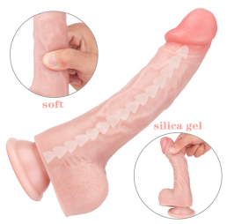 | Наличие |  | $12.36 |  | $-

 | Китай | Россия

 | ДА | ДА

SHD-S305-3 Baron 3
213*84*66mm/ 434g | ·Material: Medical silicone
·For female masturbator, bendable, with sucker | ·Standard Color:As per picture
color box: | ·IPX7 Waterproof
·53.5*50*37cm/24pcs/ctn, G.W.: | More Pictures
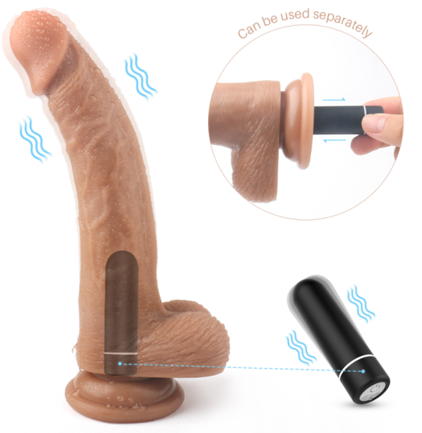 | Наличие |  | $12.00 |  | $-

 | Китай | Россия

 | ДА | ДА
 |  |  |  |  |  | 1

SHD- S206 Croods
·200*38*80mm / 288g | ·Material:TPE
·9 Patterns vibration, with sucker | ·Standard Color: As per picture
·2h fully charge for up to 70min pleasure | ·IPX7 Waterproof
color box | ·<40dbs Noise
·55*50*37cm/24pcs/ctn, G.W.: 11.5kgs | More Pictures
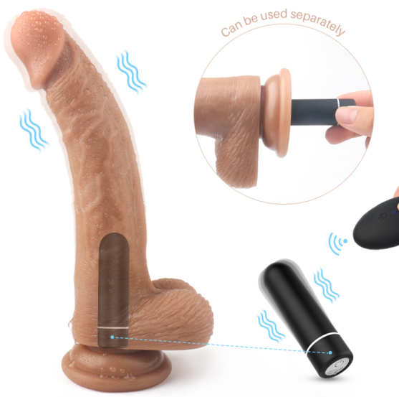 | Наличие |  | $14.00 |  | $-

 | Китай | Россия

 | ДА | ДА
 |  |  |  |  |  | 1

SHD- S206-2 Croods-RCT
··200*38*80mm / 308g | ·Material: Medical silicone
·9 Patterns vibration, with sucker, remote control | ·Standard Color: As per picture
·2h fully charge for up to 70min pleasure | ·IPX7 Waterproof
·color box | ·<40dbs Noise
·55*50*37cm/24pcs/ctn, G.W.: 12.0kgs | More Pictures
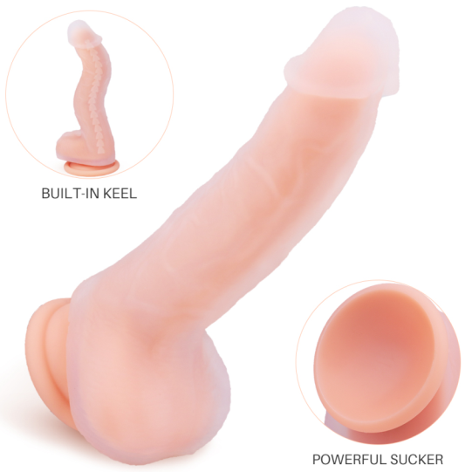 | Наличие |  | $10.30 |  | $-

 | Китай | Россия

 | ДА | ДА

 |  |  |  |  |  | 1

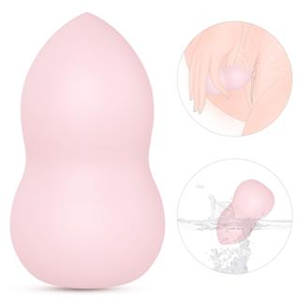
SHD-S220 Tarzan ( Bendable dong) | Double layer silicone, soft touch
·195*35*77mm / 150g | ·Material: Medical silicone
·For female masturbator, bendable, with sucker | ·Standard Color:
·color box | More Pictures
·55*50*37cm/40pcs/ctn, G.W.: 17.5kgs
 | Наличие |  | $10.00 |  | $-

 | Китай | Россия

 | ДА

 |  |  |  |  |  | 1

SHD-S215 Peach
·80*47*47mm / 83.5g | ·Material: Double layer silicone
·9 modes vibration | ·Standard Color:
·1.5h fully charge for up to 1h pleasure | ·IPX7 Waterproof
·Giftbox: | ·<40dbs Noise
·50*45*35cm/120pcs, G.W.: 15.5kgs | ·More Pictures
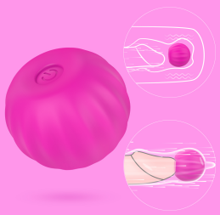 | Наличие |  | $6.56 |  | $-

 | Китай | Россия

 | ДА | ДА

 |  |  |  |  |  | 2

SHD-S307 Jackpot
39*35*35mm / 23.8g | ·Material: Medical silicone+ABS
·1*9 modes vibration | ·Standard Color:
·0.5h fully charge for up to 1h pleasure | ·IPX7 Waterproof
·Standard packaging：color box: USD0.5/pc | ·<50dbs Noise
·53.5*50*37cm/150pcs/ctn, G.W.: | More Pictures
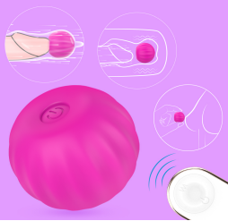 | Наличие |  | $8.65 |  | $-

 | Китай | Россия

 | ДА | ДА

 |  |  |  |  |  | 2

SHD-S307-2 Jackpot-RCT
39*35*35mm &Remote:70*35*15mm / 42.8g | ·Material: Medical silicone+ABS
·1*9 modes vibration | ·Standard Color:
·0.5h fully charge for up to 1h pleasure | ·IPX7 Waterproof
·Standard packaging：color box: USD0.5/pc | ·<50dbs Noise
·53.5*50*37cm/150pcs/ctn, G.W.: | More Pictures
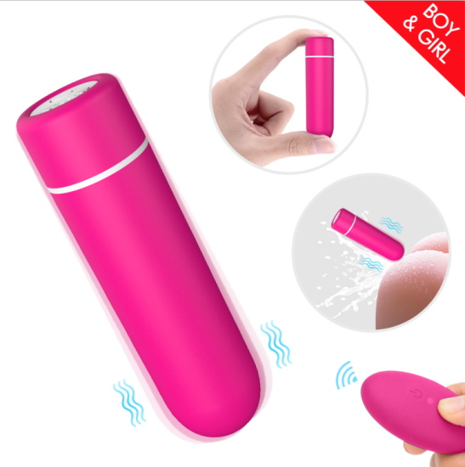 | Наличие |  | $9.10 |  | $-

 | Китай | Россия

 | ДА | ДА
 |  |  |  |  |  | 1

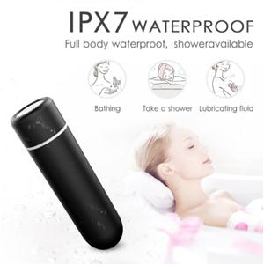
SHD-S102-2 SEED RCT
·69mm*19mm*19mm / 45g | ·Medical silicone+ABS
·9 modes vibration, remote control | ·Standard Color:
·1.5h fully charge for up to 1.5h pleasure | ·IPX7 Waterproof
·Standard packaging：Giftbox: USD0.60/pc | ·<40dbs Noise
·50*45*35cm/120pcs, G.W.: 18kgs | ·More Pictures
 | Наличие |  | $7.10 |  | $-

 | Китай | Россия

 | ДА | ДА

 |  |  |  |  |  | 1

SHD-S102 SEED
·69mm*19mm*19mm / 25g | ·Medical silicone+ABS
·9 modes vibration | ·Standard Color:
·1.5h fully charge for up to 1.5h pleasure | ·IPX7 Waterproof
·Standard packaging：Giftbox: USD0.60/pc | ·<40dbs Noise
·50*45*35cm/120pcs, G.W.: 15.5kgs | ·More Pictures
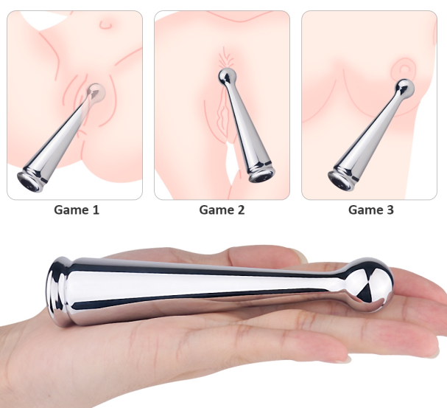 | Наличие |  | $10.95 |  | $-

 | Китай | Россия

 | ДА | ДА

 |  |  |  |  |  | 1

SHD-S253 Dipsy
·142*30*30mm / 94.4g | ·Material: Metal + Silicone
·9 Patterns vibration | ·Standard Color: Shiny Silver
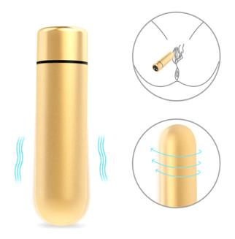
·1.5h fully charge for up to 1h pleasure | ·IPX7 Waterproof
·Standard packaging：Giftbox: USD0.60/pc | ·<40dbs Noise
·Packing: 48*45*34cm/120pcs, G.W.: | More Pictures
 | Наличие |  | $8.40 |  | $-

 | Китай | Россия

 | ДА | ДА

 |  |  |  |  |  | 1

SHD-S102-3 SEED-3
·69mm*19mm*19mm / 25g | ·Material: Metal + Silicone
·9 modes vibration | ·Standard Color: Matt Gold/Silver
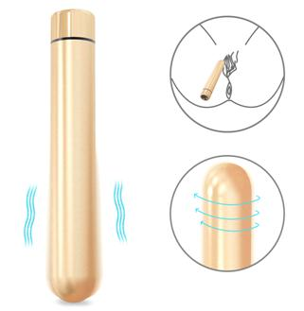
·1.5h fully charge for up to 1.5h pleasure | ·IPX7 Waterproof
·Standard packaging：Giftbox: USD0.60/pc | ·<40dbs Noise
·50*45*35cm/120pcs, G.W.: 15.5kgs | ·More Pictures
 | Наличие |  | $9.50 |  | $-

 | Китай | Россия

 | ДА | ДА
 |  |  |  |  |  | 1

SHD-S102-4 SEED-4
·115mm*19mm*19mm / 25g | ·Material: Metal + Silicone
·9 modes vibration | ·Standard Color: Matt Gold/Silver
·1.5h fully charge for up to 1.5h pleasure | ·IPX7 Waterproof
·Standard packaging：Giftbox: USD0.80/pc | ·<40dbs Noise
·43*39*27cm/50pcs, G.W.: kgs | ·More Pictures
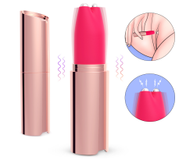 | Наличие |  | $11.65 |  | $-

 | Китай | Россия

 | ДА | ДА

 |  |  |  |  |  | 1

SHD-S252
·105mm*24mm*24mm / 46.2g | ·Material: Silicone + ABS + Metal
·9 modes vibration* 3 modes electrical stimulation | ·Standard Color: Rose gold
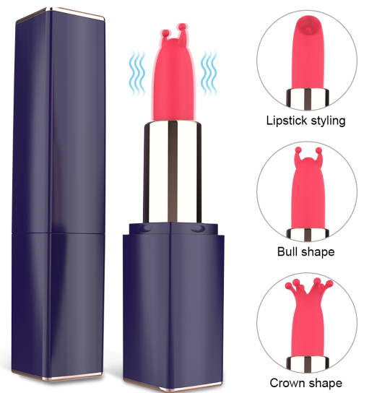
·1.5h fully charge for up to 1.2h pleasure | ·IPX7 Waterproof
·Standard packaging：Giftbox: USD0.80/pc | ·<50dbs Noise
 | Наличие |  | $11.00 |  | $-

 | Китай | Россия

 | ДА | ДА

 |  |  |  |  |  | 1

SHD-S213 Lipstick (Price would be lower for 1~2 attachments)
·102*22*22mm/ 36g | ·Medical silicone + ABS
·9 modes vibration | ·Standard Color:
·1.5h fully charge for up to 1h pleasure | ·IPX7 Waterproof
·Standard packaging：Giftbox: USD0.80/pc | ·<40dbs Noise
·55*50*35cm/113pcs, G.W.: 20.0kgs | ·More Pictures
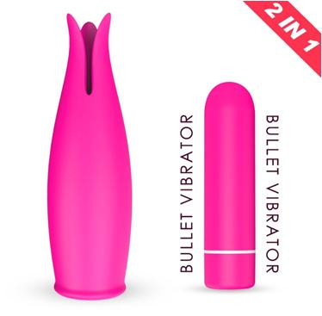 | Наличие |  | $11.10 |  | $-

 | Китай | Россия

 | ДА | ДА

 |  |  |  |  |  | 1

SHD-S136 Bud
·107*33*33mm / 64g | ·Medical silicone+ABS
·9 modes vibration, 5~10m remote control | ·Standard Color:
·1.5h fully charge for up to 1.5h pleasure | ·IPX7 Waterproof
·Standard packaging：Giftbox: USD0.80/pc | ·<40dbs Noise
·55*50*35cm/113pcs, G.W.: 22.5kgs | ·More Pictures
 | Наличие |  | $17.20 |  | $-

 | Китай | Россия

 | ДА

 |  |  |  |  |  | 1

SHD-S280 Lollipop
·182mm*40mm*40mm / 174g | ·Material: Silicone
·9 modes vibration, remote controlled | ·Standard Color:
·1.5h fully charge for up to 1h pleasure | ·IPX7 Waterproof
·Standard packaging：Color box: USD0.50/pc | ·<40dbs Noise
·53.5*50*37/48pcs, G.W.: | ·More Pictures
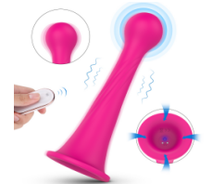 | Наличие |  | $17.20 |  | $-

 | Китай | Россия

 | ДА

SHD-S280 Lollipop
·182mm*40mm*40mm / 174g | ·Material: Silicone
·9 modes vibration, remote controlled | ·Standard Color:
·1.5h fully charge for up to 1h pleasure | ·IPX7 Waterproof
·Standard packaging：Color box: USD0.50/pc | ·<40dbs Noise
·53.5*50*37/48pcs, G.W.: | ·More Pictures
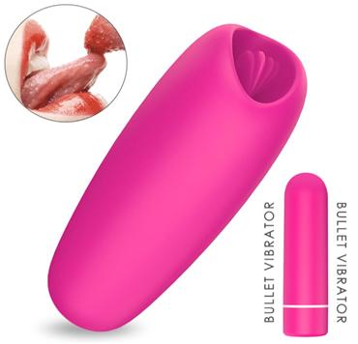 | Наличие |  | $9.90 |  | $-

 | Китай | Россия

 | ДА | ДА

 |  |  |  |  |  | 1

SHD-S132 Mua
·86*34*30mm / 65g | ·Medical silicone+ABS
·9 modes vibration | ·Standard Color:
·1.5h fully charge for up to 1.5h pleasure | ·IPX7 Waterproof
·Standard packaging：Giftbox: USD0.80/pc | ·<40dbs Noise
·55*50*35cm/113pcs, G.W.: 22.5kgs | ·More Pictures
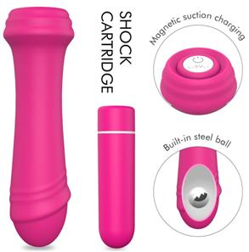 | Наличие |  | $9.30 |  | $-

 | Китай | Россия

 | ДА | Да

 |  |  |  |  |  | 1

SHD-S110 PALA
·114*29*29mm / 66g | ·Medical silicone+ABS
·9 modes vibration | ·Standard Color:
·1.5h fully charge for up to 1.5h pleasure | ·IPX7 Waterproof
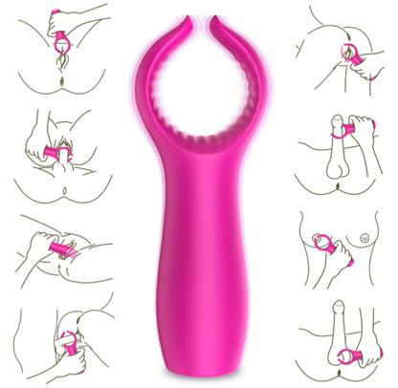
·Standard packaging：Giftbox: USD0.80/pc | ·<40dbs Noise
·55*50*35cm/113pcs, G.W.: 22.5kgs | ·More Pictures
 | Наличие |  | $9.10 |  | $-

 | Китай | Россия

 | ДА | ДА

 |  |  |  |  |  | 1

SHD-S135 Grant
·115*42*30mm / 55g | ·Medical silicone+ABS
·9 modes vibration | ·Standard Color:
·1.5h fully charge for up to 1.5h pleasure | ·IPX7 Waterproof
·Standard packaging：Giftbox: USD0.80/pc | ·<40dbs Noise
·55*50*35cm/113pcs, G.W.: 21.5kgs | ·More Pictures
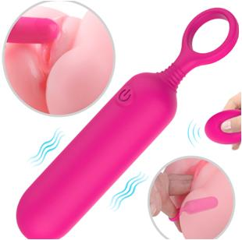 | Наличие |  | $11.60 |  | $-

 | Китай | Россия

 | ДА

 |  |  |  |  |  | 1

SHD-S162-2 Popsicle RCT
·118*24*24mm / 65g | ·Medical silicone
·9 modes vibration, 5~10m remote control | ·Standard Color:
·1h fully charge for up to 1h pleasure | ·IPX7 Waterproof
·Standard packaging：Giftbox: USD0.60/pc | ·<40dbs Noise
·55*50*35cm/113pcs, G.W.: 22.5kgs | ·More Pictures
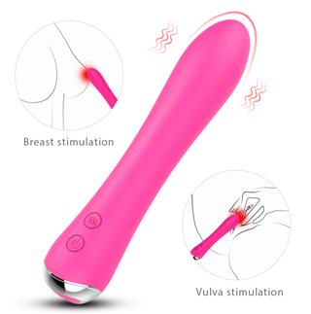 | Наличие |  | $10.10 |  | $-

 | Китай | Россия

 | ДА | ДА

 |  |  |  |  |  | 1

SHD-S254
·174*34*34mm / 114g | ·Material: Silicone + ABS
·9 modes vibration, Heating | ·Standard Color:
·1.5h fully charge for up to 2h pleasure | ·IPX7 Waterproof
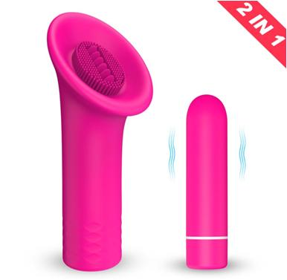
·Standard packaging：Giftbox: USD0.8/pc | ·<40dbs Noise
·Packing: 50*35*35cm/50pcs, G.W.: 12.5kgs | More Pictures
 | Наличие |  | $9.90 |  | $-

 | Китай | Россия

 | ДА

 |  |  |  |  |  | 1

SHD-S137 Glory
·104*42*42mm / 55g | ·Medical silicone+ABS
·9 modes vibration | ·Standard Color:
·1.5h fully charge for up to 1.5h pleasure | ·IPX7 Waterproof
·Standard packaging：Giftbox: USD0.80/pc | ·<40dbs Noise
·55*50*35cm/113pcs, G.W.: 21.5kgs | ·More Pictures
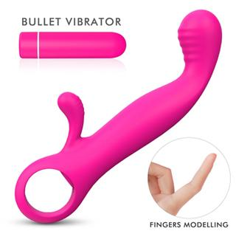 | Наличие |  | $9.90 |  | $-

 | Китай | Россия

 | ДА | ДА

 |  |  |  |  |  | 1

SHD-S157 Orifinger
·159*59*24mm / 72g | ·Medical silicone+ABS
·9 modes vibration | ·Standard Color:
·1.5h fully charge for up to 1.5h pleasure | ·IPX7 Waterproof
·Standard packaging：Giftbox: USD0.80/pc | ·<40dbs Noise
·55*50*35cm/113pcs, G.W.: 23.5kgs | ·More Pictures
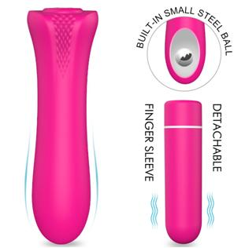 | Наличие |  | $9.30 |  | $-

 | Китай | Россия

 | ДА | ДА

 |  |  |  |  |  | 1

SHD-S109 PALO
·113*29*29mm / 65g | ·Medical silicone+ABS
·9 modes vibration | ·Standard Color:
·1.5h fully charge for up to 1.5h pleasure | ·IPX7 Waterproof
·Standard packaging：Giftbox: USD0.80/pc | ·<40dbs Noise
·55*50*35cm/113pcs, G.W.: 22.5kgs | ·More Pictures
 | Наличие |  | $9.70 |  | $-

 | Китай | Россия

 | ДА

 |  |  |  |  |  | 1

SHD-S162 Popsicle
·118*24*24mm / 45g | ·Medical silicone
·9 modes vibration | ·Standard Color:
·1h fully charge for up to 1h pleasure | ·IPX7 Waterproof
·Standard packaging：Giftbox: USD0.60/pc | ·<40dbs Noise
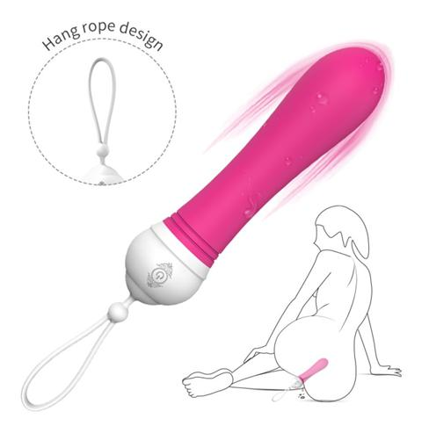
·55*50*35cm/113pcs, G.W.: 20.5kgs | ·More Pictures
 | Наличие |  | $10.30 |  | $-

 | Китай | Россия

 | ДА | ДА

 |  |  |  |  |  | 1

SHD-S127 KITI
·136*30*30mm/ 82g | ·Medical silicone + ABS
·9 modes vibration | ·Standard Color:
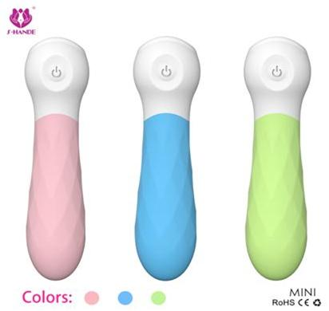
·1.5h fully charge for up to 1.5h pleasure | ·IPX6 Waterproof
·Standard packaging：Giftbox: USD0.8/pc | ·<40dbs Noise
·43*39*27cm/50pcs, G.W.: 11.50kgs | ·More Pictures
 | Наличие |  | $9.30 |  | $-

 | Китай | Россия

 | ДА | ДА

 |  |  |  |  |  | 1

SHD-S050-3
·118*29*26mm/ 66g | ·Medical silicone + ABS
·9 modes vibration | ·Standard Color:
·1h fully charge for up to 1.2h pleasure | ·IPX6 Waterproof
·Standard packaging：Giftbox: USD0.8/pc | ·<40dbs Noise
·55*50*35cm/60pcs, G.W.: 21.00kgs | ·More Pictures
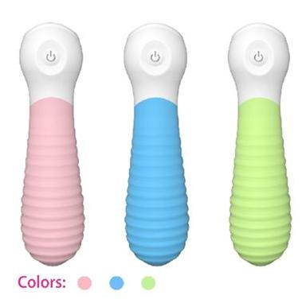 | Наличие |  | $9.30 |  | $-

 | Китай | Россия

 | ДА | ДА

 |  |  |  |  |  | 1

SHD-S050-2
·118*29*26mm/ 66g | ·Medical silicone + ABS
·9 modes vibration | ·Standard Color:
·1h fully charge for up to 1.2h pleasure | ·IPX6 Waterproof
·Standard packaging：Giftbox: USD0.8/pc | ·<40dbs Noise
·55*50*35cm/60pcs, G.W.: 21.00kgs | ·More Pictures
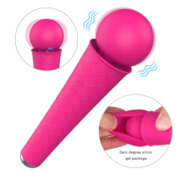 | Наличие |  | $14.60 |  | $-

 | Китай | Россия

 | ДА | ДА

 |  |  |  |  |  | 1

SHD-S259 Moly
·200mm*53mm*53mm / 209.5g | ·Material: Silicone + ABS + Metal
·4*7 patterns vibration | ·Standard Color:
·1.5h fully charge for up to 1h pleasure | ·IPX7 Waterproof
·Standard packaging：Color box: USD0.60/pc | ·40dbs Noise
·53.5*50*37/96pcs, G.W.: | ·More Pictures
 | Наличие |  | $14.60 |  | $-

 | Китай | Россия

 | ДА

SHD-S259 Moly
·200mm*53mm*53mm / 209.5g | ·Material: Silicone + ABS + Metal
·4*7 patterns vibration | ·Standard Color:
·1.5h fully charge for up to 1h pleasure | ·IPX7 Waterproof
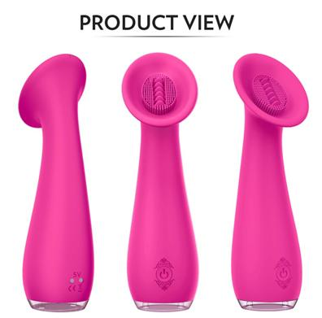
·Standard packaging：Color box: USD0.60/pc | ·40dbs Noise
·53.5*50*37/96pcs, G.W.: | ·More Pictures
 | Наличие |  | $12.80 |  | $-

 | Китай | Россия

 | ДА | ДА

 |  |  |  |  |  | 1

SHD-S089 Sunflower
·153*50*44mm/ 105g | ·Medical silicone + Acrylic
·9 modes vibration | ·Standard Color:
·2h fully charge for up to 1.5h pleasure | ·IPX7 Waterproof
·Standard packaging：Giftbox: USD0.80/pc | ·<40dbs Noise
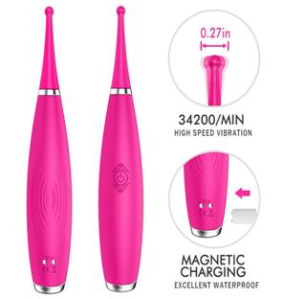
·43*39*27cm/50pcs, G.W.: 12.50kgs | ·More Pictures
 | Наличие |  | $13.70 |  | $-

 | Китай | Россия

 | ДА | ДА

 |  |  |  |  |  | 1

SHD-S101 Sparkle
·180*31*31mm/ 85g | ·Medical silicone + ABS
·9 modes vibration | ·Standard Color:
·1.5h fully charge for up to 1h pleasure | ·IPX7 Waterproof
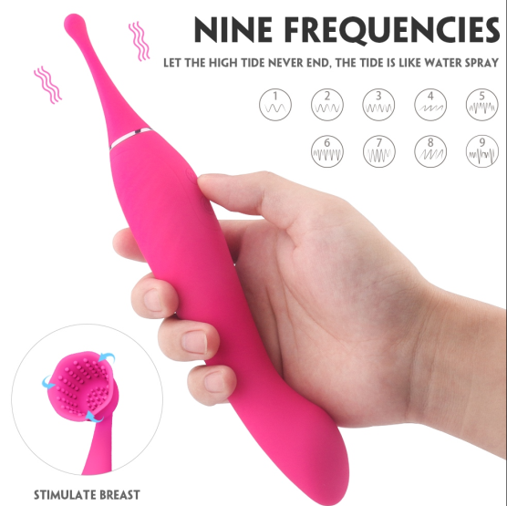
·Standard packaging：Giftbox: USD1.0/pc | ·<40dbs Noise
·55*50*35cm/60pcs, G.W.: 17.0kgs | ·More Pictures
 | Наличие |  | $14.30 |  | $-

 | Китай | Россия

 | ДА | ДА

 |  |  |  |  |  | 1

SHD-S230 Funny
·244*44*37mm / 148g | ·Material: Silicone + ABS
·9 modes vibration, 2 attachments for different pleasure | ·Standard Color:
·1.5h fully charge for up to 1.5h pleasure | ·IPX7 Waterproof
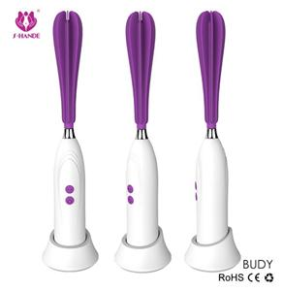
·Standard packaging：Giftbox: USD1.0/pc | ·<40dbs Noise
·Packing: 55*50*35cm/60pcs, G.W.: 20.5kgs | More Pictures
 | Наличие |  | $15.70 |  | $-

 | Китай | Россия

 | ДА

 |  |  |  |  |  | 1

SHD-S029 BUDY
·216*35*35mm / 146g | ·Medical silicone + ABS
·5 modes rotation | ·Standard Color:
·2h fully charge for up to 2h pleasure | · Splashproof
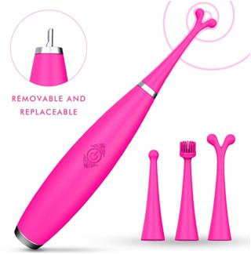
·Standard packaging：Giftbox: USD1.0/pc | ·<45dbs Noise
·55*50*35cm/35pcs, G.W.: 13.0kgs | ·More Pictures
 | Наличие |  | $19.00 |  | $-

 | Китай | Россия

 | ДА | ДА

 |  |  |  |  |  | 1

SHD-S101-2 Sparkle kit
·180*31*31mm/ 85g | ·Medical silicone + ABS
·9 modes vibration, 3 attachments for various pleasure | ·Standard Color:
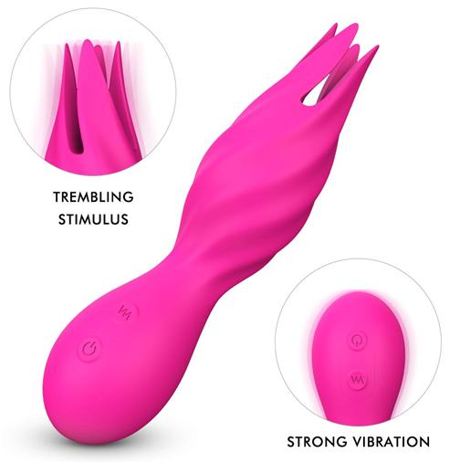
·1.5h fully charge for up to 1h pleasure | ·IPX7 Waterproof
·Standard packaging：Giftbox: USD1.0/pc | ·<40dbs Noise
·55*50*35cm/60pcs, G.W.: 17.5kgs | ·More Pictures
 | Наличие |  | $14.60 |  | $-

 | Китай | Россия

 | ДА

 |  |  |  |  |  | 1

SHD-S140 Jack
·145*38*37mm/ 115g | ·Medical silicone + ABS
·9 modes vibration | ·Standard Color:
·1.5h fully charge for up to 1.5h pleasure | ·IPX7 Waterproof
·Standard packaging：Giftbox: USD0.8/pc | ·<40dbs Noise
·43*39*27cm/50pcs, G.W.: 13.0kgs | ·More Pictures
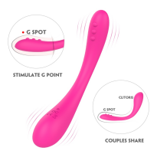 | Наличие |  | $14.90 |  | $-

 | Китай | Россия

 | ДА | ДА

 |  |  |  |  |  | 1

SHD-S262 Clare (Bendable）
·185mm*31mm*30mm / 82.7g | ·Material: Silicone
·9 modes vibration, 2 motors | ·Standard Color:
·1.5h fully charge for up to 1.2h pleasure | ·IPX7 Waterproof
·Standard packaging：Giftbox: USD0.9/pc | ·<60dbs Noise
·Packing: 53.5*50*37/60pcs, G.W.: 16.5kgs | ·More Pictures
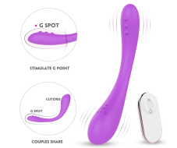 | Наличие |  | $16.90 |  | $-

 | Китай | Россия

 | ДА | ДА

 |  |  |  |  |  | 1

SHD-S262-2 Clare-RCT (Bendable)
·185mm*31mm*30mm / 101.5g | ·Material: Silicone
·9 modes vibration, 2 motors | ·Standard Color:
·1.5h fully charge for up to 1.2h pleasure | ·IPX7 Waterproof
·Standard packaging：Giftbox: USD0.9/pc | ·<60dbs Noise
·Packing: 53.5*50*37/60pcs, G.W.: 17.6kgs | ·More Pictures
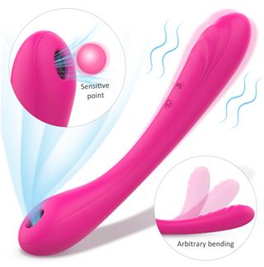 | Наличие |  | $17.00 |  | $-

 | Китай | Россия

 | ДА | ДА

 |  |  |  |  |  | 1

SHD-S247 Charming (Bendable）
·211*43*34mm / 126g | ·Material: Silicone
·9 modes vibration * 9 Suction modes | ·Standard Color:
·1.5h fully charge for up to 1.5h pleasure | ·IPX7 Waterproof
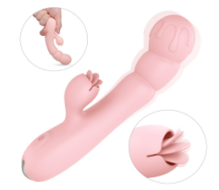
·Standard packaging：Giftbox: USD1.00/pc | ·<40dbs Noise
·Packing: 55*50*35cm/60pcs, G.W.: 19kgs | More Pictures
 | Наличие |  | $11.80 |  | $-

 | Китай | Россия

 | ДА | ДА

 |  |  |  |  |  | 1

SHD-S294 Frozen
·168mm*55mm*33mm / 118.3g | ·Material: Silicone
·9 modes vibration, 2 motors | ·Standard Color:
·1h fully charge for up to 1.2h pleasure | ·IPX7 Waterproof
·Standard packaging：Color box: USD0.30/pc | ·<60dbs Noise
·Packing: 53.5*50*37/150pcs, G.W.: 24kgs | ·More Pictures
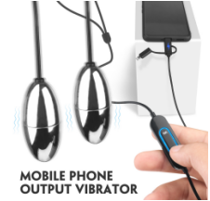 | Наличие |  | $10.10 |  | $-

 | Китай | Россия

 | ДА | ДА

 |  |  |  |  |  | 1

SHD-S271 Cobra
· / 119.3gg | ·Material: Metal + Cables
·9 modes vibration* 2 motors | ·Standard Color: Black, White
·Charged by Mobile Phone | ·IPX7 Waterproof for the eggs
·Standard packaging：Giftbox: USD0.60/pc | ·<50dbs Noise
·Packing: 54*50*37/120pcs, G.W.: 27.0kgs | ·More Pictures
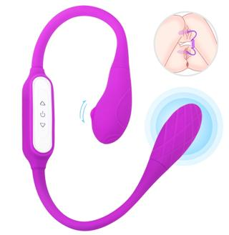 | Наличие |  | $17.90 |  | $-

 | Китай | Россия

 | ДА | ДА

 |  |  |  |  |  | 1

SHD-S238 Bulbasaur
·577*37*35mm / 189g | ·Material: Silicone
·9*9 modes vibration | ·Standard Color:
·1.5h fully charge for up to 2.5h pleasure | ·IPX7 Waterproof
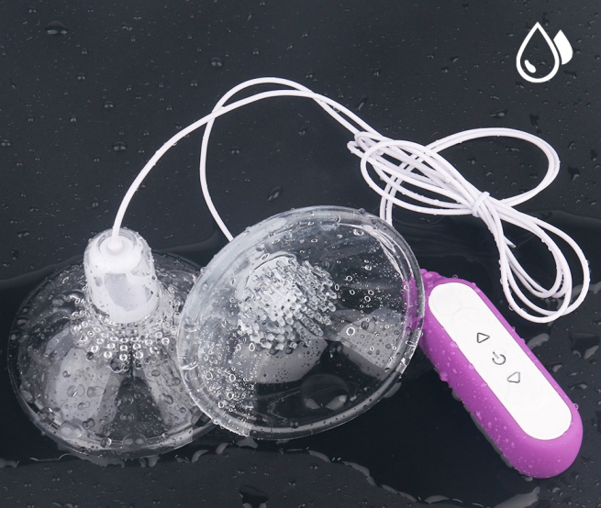
·Standard packaging：Giftbox: USD0.90/pc | ·<40dbs Noise
·Packing: 48*35*34cm/50pcs/ctn, G.W.: 18.5kgs | ·More Pictures
 | Наличие |  | $13.10 |  | $-

 | Китай | Россия

 | ДА | ДА

 |  |  |  |  |  | 1

SHD-S240 Maria
· 90*90*66mm, controller: 95*28*18mm, cord: 855mm / 183g | ·Material: Silicone + ABS
·9*9 modes vibration | ·Standard Color: Cristal + Pink/pur
·1.5h fully charge for up to 2.5h pleasure | ·IPX7 Waterproof
·Standard packaging：Colorbox: USD0.65/pc | ·<40dbs Noise
·Packing: 53*48*35cm/40pcs/ctn, G.W.: 17.5kgs | ·More Pictures
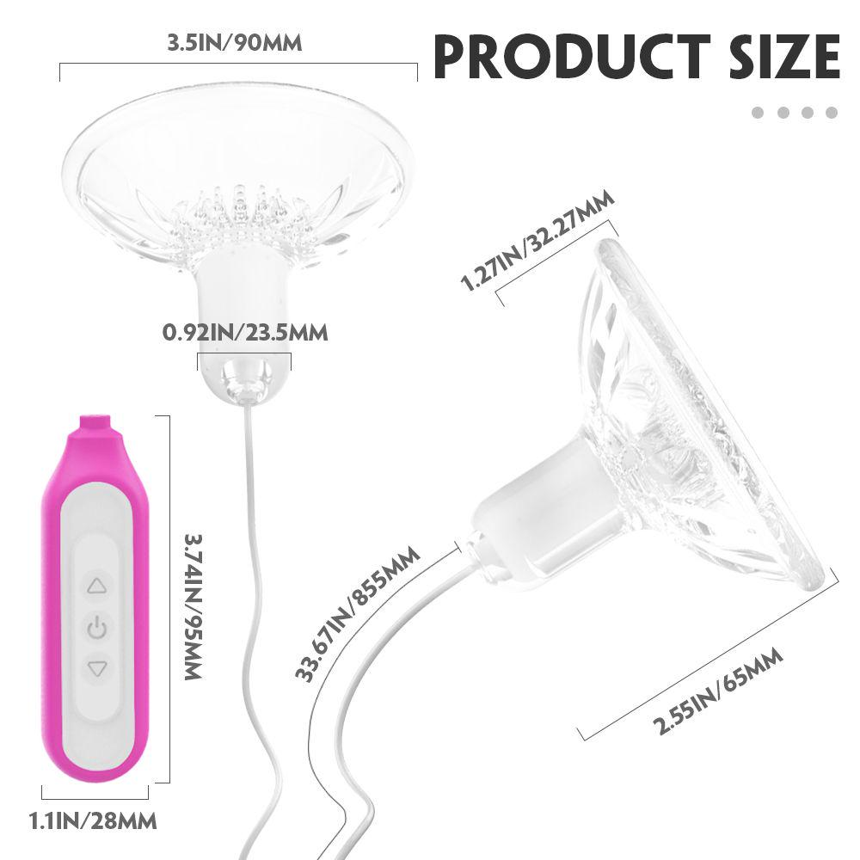 | Наличие |  | $12.70 |  | $-

 | Китай | Россия

 | ДА | ДА

 |  |  |  |  |  | 2

SHD-S240-2 Marcy
· 90*90*66mm, controller: 95*28*18mm, cord: 855mm / 173g | ·Material: Silicone + ABS
·9*9 modes vibration | ·Standard Color: Cristal + Pink/pur
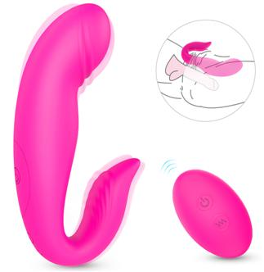
·1.5h fully charge for up to 2.5h pleasure | ·IPX7 Waterproof
·Standard packaging：Colorbox: USD0.65/pc | ·<40dbs Noise
·Packing: 54*50*37cm/40pcs/ctn, G.W.: 12.1kgs | ·More Pictures
 | Наличие |  | $15.30 |  | $-

 | Китай | Россия

 | ДА | ДА

 |  |  |  |  |  | 1

SHD-S272-2 Manny-RCT (If without remote, USD1.9/pc less)
·125*69*29mm / Remote: 77*32*22mm ( 102g) | ·Material: Silicone + ABS
·7*4 Patterns vibration | ·Standard Color:
·1.5h fully charge for up to 1.5h pleasure | ·IPX7 Waterproof
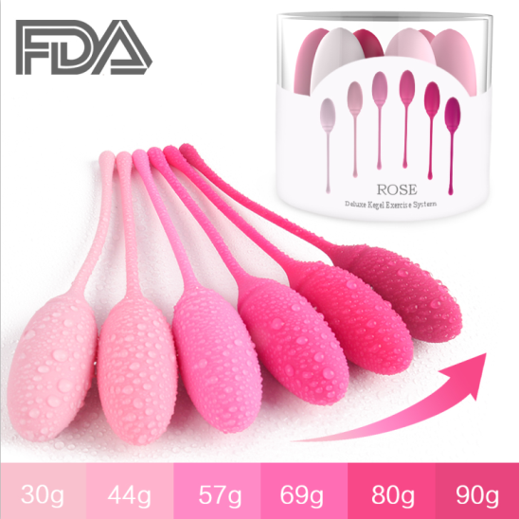
·Standard packaging：Giftbox: USD0.9/pc | ·<40dbs Noise
·Packing: 55*50*35cm/78pcs, G.W.: 21kgs | More Pictures
 | Наличие |  | $16.60 |  | $-

 | Китай | Россия

 | ДА | ДА

 |  |  |  |  |  | 1

SHD-S223 Rose
·155mm*25mm*25mm | ·Material: Silicone + Steel ball
·30g-44g-57g-69g-80g-90g | ·Standard Color: As per picture
·Standard packaging：plastic box : USD1.1 | ·IPX7 Waterproof
·Packing: 50*41*19cm/20pcs/ctn, G.W.: 10.5kgs | More Pictures
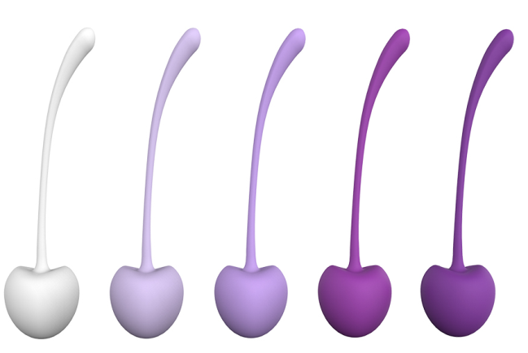 | Наличие |  | $12.40 |  | $-

 | Китай | Россия

 | ДА | ДА
 |  |  |  |  |  | 1

SHD-S011 Cherry
·149mm*35mm | ·Material: Silicone + Steel ball
·35g-50g-65g-80g-95-110g | ·Purple, the heavier the darker
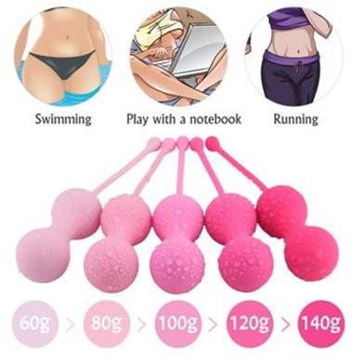
·Standard packaging：giftbox : USD0.9 | ·IPX7 Waterproof
·Packing: 48*35*34cm/50pcs/ctn, G.W.: 25.5kgs | More Pictures

 | Наличие |  | $15.90 |  | $-

 | Китай | Россия

 | ДА | ДА

 |  |  |  |  |  | 1

SHD-S243 Tina
·182*83*83mm | ·Material: Silicone + Steel ball
·60g-80g-100g-120g-140g | ·Pink, the heavier the darker
·Standard packaging：giftbox : USD0.9 | ·IPX7 Waterproof
·Packing: 46*42*22cm/36pcs/ctn, G.W.: 24.0kgs | More Pictures
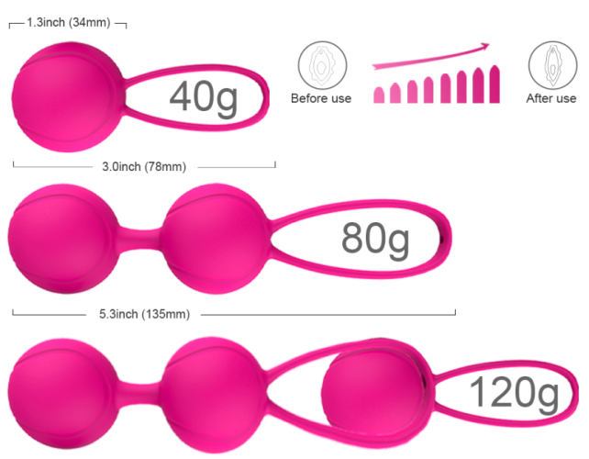 | Наличие |  | $6.10 |  | $-

 | Китай | Россия

 | ДА | ДА

 |  |  |  |  |  | 1

SHD-S015 LOVER (Set of single and dual ball, can be connected for triple)
·Single: 78mm*34mm -40g | ·Material: Silicone + Steel ball
·Double: 135mm*34mm -80.5g | ·Standard Color:
· Kegel Exercise | ·IPX7 Waterproof
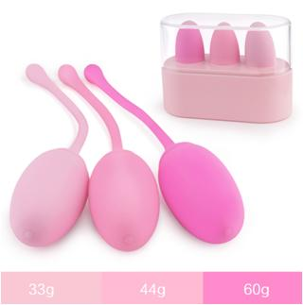
·Standard packaging：giftbox : USD0.6 | More Pictures
·Packing:48*45*33cm/120pcs/ctn, G.W.: 26kgs
 | Наличие |  | $10.10 |  | $-

 | Китай | Россия

 | ДА | ДА

 |  |  |  |  |  | 1

SHD-S223-2 Rose-2
·155mm*25mm*25mm | ·Material: Silicone + Steel ball
·33g-44g-60g | ·Standard Color: As per picture
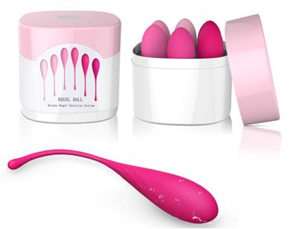
·Standard packaging：plastic box : USD0.8/set | ·IPX7 Waterproof
·Packing: 50*41*19cm/30pcs/ctn, G.W.: 8.5kgs | More Pictures
 | Наличие |  | $17.10 |  | $-

 | Китай | Россия

 | ДА | ДА

 |  |  |  |  |  | 1

SHD-S009 EGGS
·161mm*28mm*25mm | ·Material: Silicone + Steel ball
·50g-65g-80g-95-110g-130g | · Pink, the heavier the darker
·Standard packaging：plastic box : USD1.1 | ·Full Waterproof
·Packing: 60*60*14cm/25pcs/ctn, G.W.: 19.00kgs | More Pictures
 | Наличие |  | $8.40 |  | $-

 | Китай | Россия

 | ДА | ДА

 |  |  |  |  |  | 1

SHD-S038 Lamball
·200mm*36mm*36mm--57g | ·Material: Silicone + Steel ball
·190mm*34mm*34mm--70g | ·Standard Color:
·177mm*32mm*32mm--86g | ·IPX7 Waterproof

·Standard packaging：giftbox : USD0.9 | More Pictures
·Packing: 48*35*34cm/50pcs/ctn, G.W.: 19.5kgs
 | Наличие |  | $10.00 |  | $-

 | Китай | Россия

 | ДА | ДА

 |  |  |  |  |  | 1

SHD-S242 Alice
·Solo: 127*33mm, Dual: 182*33mm | ·Material: Silicone + Steel ball
·40g-80g-100g | ·Purple, the heavier the darker

·Standard packaging：giftbox : USD0.9 | ·IPX7 Waterproof
·Packing: 48*35*34cm/50pcs/ctn, G.W.: 19kgs | More Pictures
 | Наличие |  | $6.10 |  | $-

 | Китай | Россия

 | ДА | ДА

 |  |  |  |  |  | 1

SHD-S155 Pretty | ·Material: Silicone + Steel ball
Double:173mm*35mm*35mm --90g | ·Standard Color:
Single: 120mm*35mm*35mm--45g | ·IPX7 Waterproof
· Kegel Exercise | More Pictures
·Standard packaging：giftbox : USD0.6
·Packing:48*45*33cm/120pcs/ctn, G.W.: 26kgs
 | Наличие |  | $19.60 |  | $-

 | Китай | Россия

 | ДА | ДА

 |  |  |  |  |  | 1

SHD-S154 Sweetheart (Combination of SHD-S155 & SHD-S059)
Remote Ball: 93.5mm(L)*37mm(W) / 80g | ·Material: Silicone + Steel ball
Single kegel ball: 120mm*35mm*35mm--45g | ·Standard Color:
Double kegel ball:173mm*35mm*35mm --90g | ·IPX6 Waterproof
·Standard packaging：giftbox : USD0.9 | More Pictures
·Packing: 48*35*34cm/50pcs/ctn, G.W.:21.50kgs
 | Наличие |  | $12.50 |  | $-

 | Китай | Россия

 | ДА | ДА

 |  |  |  |  |  | 1

SHD-S001 Bowling
·188mm*38mm*38mm / 132g | ·Material: Silicone + ABS
·9 Patterns vibration | ·Standard Color:
·1.5h fully charge for up to 2h pleasure | ·IPX6 Waterproof
·Standard packaging：Giftbox: USD1.00/pc | ·<40dbs Noise
·Packing: 55*50*35cm/60pcs, G.W.: 21kgs | More Pictures
 | Наличие |  | $15.40 |  | $-

 | Китай | Россия

 | ДА | ДА

 |  |  |  |  |  | 1

SHD-S001TZ BOWLING with attachments
·188mm*38mm*38mm / 195g | ·Material: Silicone + ABS
·9 Patterns vibration, 3 attachment for various pleasure | ·Standard Color:
·1.5h fully charge for up to 2h pleasure | ·IPX6 Waterproof
·Standard packaging：Giftbox: USD1.00/pc | ·<40dbs Noise
·Packing: 55*50*35cm/40pcs, G.W.: 13.5kgs | More Pictures
 | Наличие |  | $24.00 |  | $-

 | Китай | Россия

 | ДА | ДА

 |  |  |  |  |  | 1

SHD-S028 Swand
285mm(L)35mm(W)65mm(H) /540g | ·Material: Silicone + ABS
·7 patterns*4 speeds vibration | ·Standard Color:
·3h fully charge for up to 1.5h pleasure | ·IPX6 Waterproof

·Standard packaging：Giftbox: USD1.10/pc | ·<50dbs Noise
·Packing: 58*45*34cm/30pcs, G.W.: 25kgs | More Pictures
 | Наличие |  | $15.50 |  | $-

 | Китай | Россия

 | ДА | ДА

 |  |  |  |  |  | 1


SHD-S049 Luna
214mm*45mm*45mm / 200g | ·Material: Silicone + ABS
·7*4 Patterns vibration | ·Standard Color:
·1.5h fully charge for up to 2h pleasure | ·IPX7 Waterproof
·Standard packaging：Giftbox: USD1.00/pc | ·<40dbs Noise
·Packing: 55*50*35cm/60pcs, G.W.: 21kgs | More Pictures
 | Наличие |  | $12.30 |  | $-

 | Китай | Россия

 | ДА | ДА

 |  |  |  |  |  | 1

SHD-S218 Hero
·200mm*44mm*44mm / 199g | ·Material: Silicone + ABS
·7*4 Patterns vibration | ·Standard Color:
·2h fully charge for up to 1.5h pleasure | ·IPX7 Waterproof
·Standard packaging：Giftbox: USD1.00/pc | ·<40dbs Noise

·Packing: 55*50*35cm/60pcs, G.W.: 24kgs | More Pictures
 | Наличие |  | $13.80 |  | $-

 | Китай | Россия

 | ДА | ДА

 |  |  |  |  |  | 1

SHD-S218-2 Hero-2 (Double layer silicone for better experience)
·200mm*44mm*44mm / 213g | ·Material: Silicone + ABS
·7*4 Patterns vibration | ·Standard Color:
·2h fully charge for up to 1.5h pleasure | ·IPX7 Waterproof
·Standard packaging：Giftbox: USD1.00/pc | ·<40dbs Noise
·Packing: 55*50*35cm/60pcs, G.W.: 24kgs | More Pictures
 | Наличие |  | $9.90 |  | $-

 | Китай | Россия

 | ДА | ДА

 |  |  |  |  |  | 1

SHD-S060 Mushroom
·60mm(L)60mm(W)38mm(H) / 70g | ·Material: Silicone + ABS
·9 Patterns vibration | ·Standard Color:
·1h fully charge for up to 1h pleasure | ·IPX6 Waterproof
·Standard packaging：Giftbox: USD0.30/pc | ·<40dbs Noise

·Packing: 46*42*22cm/115pcs, G.W.: 14.5kgs | More Pictures
 | Наличие |  | $9.40 |  | $-

 | Китай | Россия

 | ДА | ДА

 |  |  |  |  |  | 1

SHD-S021 EVE
.142mm(L)41mm(W)51mm(H) / 92g | ·Material: Silicone + ABS
·9 Patterns vibration | ·Standard Color:
·1.5h fully charge for up to 2h pleasure | ·IPX6 Waterproof

·Standard packaging：Giftbox: USD0.9/pc | ·<40dbs Noise
·Packing: 55*50*35cm/78pcs, G.W.: 21.3kgs | More Pictures
 | Наличие |  | $15.80 |  | $-

 | Китай | Россия

 | ДА | ДА

 |  |  |  |  |  | 1

SHD-S197 Iris
·232mm(L)47mm(W)43mm(H) / 234g | ·Material: Silicone + ABS
·9*9 Patterns vibration, for clit & g spot stimulation | ·Standard Color:
·1.5h fully charge for up to 2h pleasure | ·IPX7 Waterproof
·Standard packaging：Giftbox: USD1.00/pc | ·<40dbs Noise

·Packing: 55*50*35cm/60pcs, G.W.: 26kgs | More Pictures
 | Наличие |  | $14.80 |  | $-

 | Китай | Россия

 | ДА | ДА

 |  |  |  |  |  | 1

SHD-S042 Star
·200mm(L)40mm(W)40mm(H) / 160g | ·Material: Silicone + ABS
·7 *4 Patterns vibration | ·Standard Color:
·1.5h fully charge for up to 2h pleasure | ·IPX6 Waterproof
·Standard packaging：Giftbox: USD1.00/pc | ·<40dbs Noise

·Packing: 55*50*35cm/60pcs, G.W.: 22kgs | More Pictures
 | Наличие |  | $11.90 |  | $-

 | Китай | Россия

 | ДА

 |  |  |  |  |  | 1

SHD-S229 Power
·152mm*48mm*48mm / 177g | ·Material: Silicone + ABS
·7*4 Patterns vibration | ·Standard Color:
·2h fully charge for up to 1h pleasure | ·IPX7 Waterproof
·Standard packaging：Giftbox: USD0.90/pc | ·<40dbs Noise
·Packing: 50*35*35cm/50pcs, G.W.: 17.5kgs | More Pictures
 | Наличие |  | $13.80 |  | $-

 | Китай | Россия

 | ДА | ДА

 |  |  |  |  |  | 1

SHD-S116-2 OMG RCT
··116*47*25mm/ 69g | ·Medical silicone
·9 modes vibration, 5~10m remote control | ·Standard Color:
·1.5h fully charge for up to 1.5h pleasure | ·IPX7 Waterproof
·Standard packaging：Giftbox: USD0.80/pc | ·<40dbs Noise

·55*50*35cm/113pcs, G.W.: 23.0kgs | ·More Pictures
 | Наличие |  | $14.80 |  | $-

 | Китай | Россия

 | ДА | ДА

 |  |  |  |  |  | 1

SHD-S217-2 First love-Rct
··116*47*25mm/ 92g | ·Medical silicone
·9 modes vibration, dual motor. 5~10m remote control | ·Standard Color:
·1.5h fully charge for up to 1.5h pleasure | ·IPX7 Waterproof
·Standard packaging：Giftbox: USD0.80/pc | ·<40dbs Noise
·55*50*35cm/113pcs, G.W.: 25.5kgs | ·More Pictures
 | Наличие |  | $3.90 |  | $-

 | Китай | Россия

 | ДА | ДА

 |  |  |  |  |  | 1

SHD-S056 Finger
·68*38*37mm / 29g | ·Medical silicone+ABS
·single vibration | ·Standard Color:
·Powered by 2* LR41 battery | ·IPX7 Waterproof
·Standard packaging：colorbox: USD0.20/pc | ·<40dbs Noise
·55*50*35cm/200pcs, G.W.: 11.0kgs | ·More Pictures
 | Наличие |  | $11.60 |  | $-

 | Китай | Россия

 | ДА | ДА

 |  |  |  |  |  | 1

SHD-S116 OMG
·116*47*25mm / 52g | ·Medical silicone+ABS
·9 modes vibration | ·Standard Color:
·1.5h fully charge for up 1.5h pleasure | ·IPX7 Waterproof
·Standard packaging：Giftbox: USD0.60/pc | ·<40dbs Noise
·48*45*34cm/120pcs, G.W.: 19.0kgs | ·More Pictures
 | Наличие |  | $12.90 |  | $-

 | Китай | Россия

 | ДА | ДА

 |  |  |  |  |  | 1

SHD-S217 First love
·116*70*32mm / 74g | ·Medical silicone+ABS
·9 modes vibration, dual motor | ·Standard Color:
·1.5h fully charge for up 1.5h pleasure | ·IPX7 Waterproof
·Standard packaging：Giftbox: USD0.60/pc | ·<40dbs Noise

·48*45*34cm/120pcs, G.W.: 21.50kgs | ·More Pictures
 | Наличие |  | $9.00 |  | $-

 | Китай | Россия

 | ДА

 |  |  |  |  |  | 1

SHD-S228 Dory
·94*45*32mm / 50g | ·Medical silicone+ABS
·9 modes vibration, dual motor | ·Standard Color:
·1h fully charge for up 1h pleasure | ·IPX7 Waterproof

·Standard packaging：Giftbox: USD0.60/pc | ·<40dbs Noise
·48*45*34cm/120pcs, G.W.: 19.00kgs | ·More Pictures
 | Наличие |  | $4.60 |  | $-

 | Китай | Россия

 | ДА | ДА

 |  |  |  |  |  | 1

SHD-S236 Vicky
·68*38*37mm / 30g | ·Medical silicone+ABS
·single vibration | ·Standard Color:
·Powered by 2* LR41 battery | ·IPX7 Waterproof

·Standard packaging：colorbox: USD0.20/pc | ·<40dbs Noise
·55*50*35cm/200pcs, G.W.: 11.5kgs | ·More Pictures
 | Наличие |  | $9.20 |  | $-

 | Китай | Россия

 | ДА

 |  |  |  |  |  | 1

SHD-S226 Kiss me
·109*42*31mm / 50g | ·Medical silicone+ABS
·9 modes vibration | ·Standard Color:
·1h fully charge for up 1h pleasure | ·IPX7 Waterproof
·Standard packaging：Giftbox: USD0.60/pc | ·<40dbs Noise

·48*45*34cm/120pcs, G.W.: 19.00kgs | ·More Pictures
 | Наличие |  | $16.00 |  | $-

 | Китай | Россия

 | ДА | ДА

 |  |  |  |  |  | 1

SHD-S222-2 Rebecca-RCT (with Panty)
·109*42*31mm/ 94g | ·Medical silicone
·9 modes vibration, 5~10m remote control | ·Standard Color:
·1h fully charge for up to 2h pleasure | ·IPX7 Waterproof
·Standard packaging：Giftbox: USD0.80/pc | ·<40dbs Noise
·55*50*35cm/113pcs, G.W.: 26.0kgs | ·More Pictures
 | Наличие |  | $9.70 |  | $-

 | Китай | Россия

 | ДА

 |  |  |  |  |  | 2

SHD-S114-2 Nyx RCT
·106*34*33mm/ 67g | ·Medical silicone + ABS
·9 modes vibration, 5~10m remote control | ·Standard Color:
·1.5h fully charge for up to 1.2h pleasure | ·IPX7 Waterproof
·Standard packaging：Giftbox: USD0.80/pc | ·<40dbs Noise

·55*50*35cm/113pcs, G.W.: 22.5kgs | ·More Pictures
 | Наличие |  | $14.00 |  | $-

 | Китай | Россия

 | ДА

 |  |  |  |  |  | 1

SHD-S222 Rebecca (with Panty)
·109*42*31mm/ 76g | ·Medical silicone
·9 modes vibration | ·Standard Color:
·1h fully charge for up to 2h pleasure | ·IPX7 Waterproof
·Standard packaging：Giftbox: USD0.80/pc | ·<40dbs Noise
·55*50*35cm/113pcs, G.W.: 24.0kgs | ·More Pictures
 | Наличие |  | $12.60 |  | $-

 | Китай | Россия

 | ДА | ДА

 |  |  |  |  |  | 1

SHD-S126 Snail
·94*73*37mm/ 84g | ·Medical silicone
·9 modes vibration | ·Standard Color:
·1.5h fully charge for up to 1.5h pleasure | ·IPX7 Waterproof
·Standard packaging：Giftbox: USD0.60/pc | ·<40dbs Noise

·48*45*34cm/120pcs, G.W.: 22.50kgs | ·More Pictures
 | Наличие |  | $11.10 |  | $-

 | Китай | Россия

 | ДА

 |  |  |  |  |  | 1

SHD-S081 Reba
·127*44*44mm/ 82g | ·Medical silicone + Acrylic
·9 modes vibration | ·Standard Color:
·1.5h fully charge for up to 2h pleasure | ·IPX7 Waterproof
·Standard packaging：Giftbox: USD0.80/pc | ·<40dbs Noise

·43*39*27cm/50pcs, G.W.: 11.5kgs | ·More Pictures
 | Наличие |  | $16.00 |  | $-

 | Китай | Россия

 | ДА

 |  |  |  |  |  | 1

SHD-S083 Cara
·104*97*38mm / 109g | ·Medical silicone + ABS
·9 modes vibration, 5~10m remote control | ·Standard Color:
·1.5h fully charge for up to 2h pleasure | ·IPX7
·Standard packaging：Giftbox: USD0.90/pc | ·<40dbs Noise

·49*35*34cm/50pcs, G.W.: 13.0kgs | ·More Pictures
 | Наличие |  | $15.60 |  | $-

 | Китай | Россия

 | ДА | ДА

 |  |  |  |  |  | 1

SHD-S085 Fanny
·206*108*44mm/ 211g | ·Medical silicone + Acrylic
·9 modes vibration | ·Standard Color:
·2.5h fully charge for up to 2h pleasure | ·IPX7 Waterproof
·Standard packaging：Giftbox: USD1.0/pc | ·<40dbs Noise
·55*50*35cm/60pcs, G.W.: 24.5kgs | ·More Pictures
 | Наличие |  | $11.80 |  | $-

 | Китай | Россия

 | ДА

 |  |  |  |  |  | 1

SHD-S087 Balle
·153*44*41mm/ 109g | ·Medical silicone + Acrylic
·9 modes vibration | ·Standard Color:
·1.5h fully charge for up to 2h pleasure | ·IPX7 Waterproof
·Standard packaging：Giftbox: USD0.80/pc | ·<40dbs Noise

·43*39*27cm/50pcs, G.W.: 13.0kgs | ·More Pictures
 | Наличие |  | $12.80 |  | $-

 | Китай | Россия

 | ДА

 |  |  |  |  |  | 1

SHD-S072 Wing
·74*42*26mm/ 65g | ·Medical silicone+ABS
·9 modes vibration, remote control | ·Standard Color:
·1.5h fully charge for up to 1.5h pleasure | ·IPX6 Waterproof

·Standard packaging：Giftbox: USD0.60/pc | ·<40dbs Noise
·48*45*34cm/120pcs, G.W.: 20.5kgs | ·More Pictures
 | Наличие |  | $12.00 |  | $-

 | Китай | Россия

 | ДА | ДА

 |  |  |  |  |  | 1

SHD-S080-2 MIAOU-RCT | If without remote, USD1.9/pc less
·163*36*36mm / 87g | ·Medical silicone + ABS
·9 modes vibration, 5~10m remote control | ·Standard Color:
·1h fully charge for up to 2.5h pleasure | ·IPX7

·Standard packaging：Giftbox: USD0.80/pc | ·<40dbs Noise
·43*39*27cm/50pcs, G.W.: 12.0kgs | ·More Pictures
 | Наличие |  | $12.10 |  | $-

 | Китай | Россия

 | ДА

 |  |  |  |  |  | 1

SHD-S082 Bonne
·140*41*41mm/ 121g | ·Medical silicone + Acrylic
·9 modes vibration | ·Standard Color:
·1.5h fully charge for up to 2h pleasure | ·IPX7 Waterproof
·Standard packaging：Giftbox: USD0.80/pc | ·<40dbs Noise
·43*39*27cm/50pcs, G.W.: 13.5kgs | ·More Pictures
 | Наличие |  | $11.80 |  | $-

 | Китай | Россия

 | ДА

 |  |  |  |  |  | 1

SHD-S084-2 Cora-RCT | If without remote, USD1.9/pc less
·91*33*29mm / 58g | ·Medical silicone + ABS
·9 modes vibration, 5~10m remote control | ·Standard Color:
·1.5h fully charge for up to 2h pleasure | ·IPX7

·Standard packaging：Giftbox: USD0.60/pc | ·<40dbs Noise
·48*45*34cm/120pcs, G.W.: 19.5kgs | ·More Pictures
 | Наличие |  | $12.80 |  | $-

 | Китай | Россия

 | ДА

 |  |  |  |  |  | 1

SHD-S086 Lisa
·193*44*44mm/ 143g | ·Medical silicone + Acrylic
·9 modes vibration | ·Standard Color:
·1.5h fully charge for up to 2h pleasure | ·IPX7 Waterproof

·Standard packaging：Giftbox: USD1.0/pc | ·<40dbs Noise
·55*50*35cm/60pcs, G.W.: 20.5kgs | ·More Pictures
 | Наличие |  | $12.80 |  | $-

 | Китай | Россия

 | ДА

 |  |  |  |  |  | 1

SHD-S088 Ella
·117*44*41mm/ 95g | ·Medical silicone + Acrylic
·9 modes vibration | ·Standard Color:
·2.5h fully charge for up to 2h pleasure | ·IPX7 Waterproof
·Standard packaging：Giftbox: USD0.80/pc | ·<40dbs Noise

·43*39*27cm/50pcs, G.W.: 12.0kgs | ·More Pictures
 | Наличие |  | $15.70 |  | $-

 | Китай | Россия

 | ДА

 |  |  |  |  |  | 1

SHD-S128-2 Butterfly-RCT | If without remote, USD2.0/pc less
·110*92*36mm/ 108g | ·Medical silicone + ABS
·9 modes vibration, 5~10m remote control | ·Standard Color:
·1.5h fully charge for up to 1.5h pleasure | ·IPX7 Waterproof
·Standard packaging：Giftbox: USD0.90/pc | ·<40dbs Noise

·48*35*34cm/50pcs, G.W.: 14.5kgs | ·More Pictures
 | Наличие |  | $11.40 |  | $-

 | Китай | Россия

 | ДА | ДА

 |  |  |  |  |  | 1

SHD-S189 Prog
·127*92*30mm/ 102g | ·Medical silicone
·9 modes vibration, 2 motors | ·Standard Color:
·1.5h fully charge for up to 1.5h pleasure | ·IPX7 Waterproof
·Standard packaging：Giftbox: USD0.90/pc | ·<40dbs Noise
·48*35*34cm/50pcs, G.W.: 14.0kgs | ·More Pictures
 | Наличие |  | $14.70 |  | $-

 | Китай | Россия

 | ДА

 |  |  |  |  |  | 1

SHD-S183 Hound
·123*104*40 mm/ 125g | ·Medical silicone
·9 vibration X 9 beads moving speed(for clit stimulation) | ·Standard Color:
·2.5h fully charge for up to 1.2h pleasure | ·IPX7 Waterproof
·Standard packaging：Giftbox: USD0.90/pc | ·<50dbs Noise
·48*35*34cm/50pcs, G.W.: 15.5kgs | ·More Pictures
 | Наличие |  | $13.70 |  | $-

 | Китай | Россия

 | ДА | ДА

 |  |  |  |  |  | 1

SHD-S189-2 Prog-RCT
·127*92*30mm/ 119g | ·Medical silicone + ABS
·9 modes vibration, 2 motors 5~10m remote control | ·Standard Color:
·1.5h fully charge for up to 1.5h pleasure | ·IPX7 Waterproof
·Standard packaging：Giftbox: USD0.90/pc | ·<40dbs Noise
·48*35*34cm/50pcs, G.W.: 15.0kgs | ·More Pictures
 | Наличие |  | $17.00 |  | $-

 | Китай | Россия

 | ДА | ДА

 |  |  |  |  |  | 1

SHD-S183-2 Hound-RCT
·123*104*40 mm/ 142g | ·Medical silicone + ABS
·9 vibration X 9 beads moving speed, remote control | ·Standard Color:
·2.5h fully charge for up to 1.2h pleasure | ·IPX7 Waterproof
·Standard packaging：Giftbox: USD0.90/pc | ·<50dbs Noise
·48*35*34cm/50pcs, G.W.: 16.5kgs | ·More Pictures
 | Наличие |  | $12.70 |  | $-

 | Китай | Россия

 | ДА | ДА

 |  |  |  |  |  | 1

SHD-S105 DIDI
·91*83*35mm /92g | ·Medical silicone+ABS
·9 modes vibration, 5~10m remote control | ·Standard Color:
·1.5h fully charge for up to 1.5h pleasure | ·IPX7 Waterproof
·Standard packaging：Giftbox: USD0.90/pc | ·<40dbs Noise
·48*35*34cm/50pcs, G.W.: 13.5kgs | ·More Pictures
 | Наличие |  | $18.70 |  | $-

 | Китай | Россия

 | ДА | ДА

 |  |  |  |  |  | 1

SHD-S165-2 Prog-rct
·127*92*26mm/ 110g | ·Medical silicone + ABS
·9 vibration X 9 rotating speeds, remote control | ·Standard Color:
·1.5h fully charge for up to 1.5h pleasure | ·IPX7 Waterproof
·Standard packaging：Giftbox: USD0.90/pc | ·<50dbs Noise
·48*35*34cm/50pcs, G.W.: 14.5kgs | ·More Pictures
 | Наличие |  | $17.00 |  | $-

 | Китай | Россия

 | ДА

 |  |  |  |  |  | 1

SHD-S165 Prog
·127*92*26mm/ 95g | ·Medical silicone
·9 vibration X 9 rotating speeds | ·Standard Color:
·1.5h fully charge for up to 1.5h pleasure | ·IPX7 Waterproof
·Standard packaging：Giftbox: USD0.90/pc | ·<50dbs Noise
·48*35*34cm/50pcs, G.W.: 13.5kgs | ·More Pictures
 | Наличие |  | $15.90 |  | $-

 | Китай | Россия

 | ДА | ДА

 |  |  |  |  |  | 1

SHD-S182-2 Ribbon-rct
·112*90*44mm/ 95g | ·Medical silicone + ABS
·9 modes vibration, 2 motors, remote control | ·Standard Color:
·1.5h fully charge for up to 2h pleasure | ·IPX7 Waterproof
·Standard packaging：Giftbox: USD0.90/pc | ·<40dbs Noise
·48*35*34cm/50pcs, G.W.: 13.5kgs | ·More Pictures
 | Наличие |  | $12.90 |  | $-

 | Китай | Россия

 | ДА | ДА

 |  |  |  |  |  | 1

SHD-S260 MENTO
·111mm*77mm*30mm / 98.2g | ·Material: Silicone
·9 modes vibration* 2 motors | ·Standard Color:
·1h fully charge for up to 1.2h pleasure | ·IPX7 Waterproof
·Standard packaging：Giftbox: USD0.80/pc | ·<40dbs Noise
·Packing:53.5*50*37/78pcs, G.W.: 21kgs | ·More Pictures
 | Наличие |  | $14.90 |  | $-

 | Китай | Россия

 | ДА | ДА

 |  |  |  |  |  | 1


SHD-S260-2 MENTO-RCT
·111mm*77mm*30mm / 115.2g | ·Material: Silicone
·9 modes vibration* 2 motors | ·Standard Color:
·1h fully charge for up to 1.2h pleasure | ·IPX7 Waterproof
·Standard packaging：Giftbox: USD0.80/pc | ·<40dbs Noise
·Packing: 53.5*50*37/78pcs, G.W.: 22.1kgs | ·More Pictures
 | Наличие |  | $14.40 |  | $-

 | Китай | Россия

 | ДА | ДА

 |  |  |  |  |  | 1

SHD-S071-2 Winter RCT | If without remote, USD1.90/pc less
·99*61*33mm/ 100g | ·Medical silicone + ABS
·9 modes vibration, 2 motors, remote control | ·Standard Color:
·1.5h fully charge for up to 1.2h pleasure | ·IPX7 Waterproof

·Standard packaging：Giftbox: USD0.90/pc | ·<40dbs Noise
·43*39*27cm/50pcs, G.W.: 12.5kgs | ·More Pictures
 | Наличие |  | $16.50 |  | $-

 | Китай | Россия

 | ДА | ДА

 |  |  |  |  |  | 1

SHD-S130-2 Enjoy-RCT | If without remote, USD2.0/pc less
·94*63*31mm/ 82g | ·Medical silicone + ABS
·9 modes vibration, 2 motors, remote control | ·Standard Color:
·1.5h fully charge for up to 1.5h pleasure | ·IPX7 Waterproof
·Standard packaging：Giftbox: USD0.90/pc | ·<40dbs Noise
·43*39*27cm/50pcs, G.W.: 12kgs | ·More Pictures
 | Наличие |  | $16.50 |  | $-

 | Китай | Россия

 | ДА | ДА

 |  |  |  |  |  | 1

SHD-S194-2 Mermaid RCT | If without remote, USD2.0/pc less
·95*63*30mm/ 89g | ·Medical silicone + ABS
·9 modes vibration, 2 motors, remote control | ·Standard Color:
·1.5h fully charge for up to 1.5h pleasure | ·IPX7 Waterproof
·Standard packaging：Giftbox: USD0.90/pc | ·<40dbs Noise
·43*39*27cm/50pcs, G.W.: 12.5kgs | ·More Pictures
 | Наличие |  | $4.60 |  | $-

 | Китай | Россия

 | ДА | ДА

 |  |  |  |  |  | 1

SHD-S058 Vebe
·68*46mm / 37g | ·Medical silicone+ABS
·single vibration | ·Standard Color:
·Powered by 2* LR41 battery | ·IPX6 Waterproof
·Standard packaging：colorbox: USD0.20/pc | ·<40dbs Noise
·55*50*35cm/200pcs, G.W.: 13.0kgs | ·More Pictures
 | Наличие |  | $16.20 |  | $-

 | Китай | Россия

 | ДА | ДА

 |  |  |  |  |  | 1

SHD-S111-2 Wejoy-RCT | If without remote, USD2.0/pc less
·96*62*29mm/ 75g | ·Medical silicone + ABS
·9 modes vibration, 2 motors, remote control | ·Standard Color:

·1.5h fully charge for up to 1.5h pleasure | ·IPX7 Waterproof
·Standard packaging：Giftbox: USD0.90/pc | ·<40dbs Noise
·43*39*27cm/50pcs, G.W.: 12kgs | ·More Pictures
 | Наличие |  | $16.20 |  | $-

 | Китай | Россия

 | ДА | ДА

 |  |  |  |  |  | 1

SHD-S195-2 Heart Sweety-rct | If without remote, USD2.0/pc less
·94*63*31mm/ 84g | ·Medical silicone + ABS
·9 modes vibration, 2 motors, remote control | ·Standard Color:
·1.5h fully charge for up to 1.5h pleasure | ·IPX7 Waterproof
·Standard packaging：Giftbox: USD0.90/pc | ·<40dbs Noise
·43*39*27cm/50pcs, G.W.: 12kgs | ·More Pictures
 | Наличие |  | $12.40 |  | $-

 | Китай | Россия

 | ДА | ДА

 |  |  |  |  |  | 1

SHD-S239 Pheobe
·178*72*28mm / 110g | ·Material: Silicone
·9 modes vibration | ·Standard Color:
·1.5h fully charge for up to 1.5h pleasure | ·IPX7 Waterproof

·Standard packaging：Giftbox: USD0.9/pc | ·<40dbs Noise
·Packing: 55*50*35cm/78pcs, G.W.: 21.5kgs | More Pictures
 | Наличие |  | $5.40 |  | $-

 | Китай | Россия

 | ДА | ДА

 |  |  |  |  |  | 1

SHD-S005 Pandora
·Controller:109*41*38mm Wire:1000*2mm(Φ) Bullet:76*34*30mm | ·Medical silicone + ABS
·9 modes vibration, wired remote control | ·Standard Color:
·powered by 2xAAA battery (not included) | ·Splash-proof

·Standard packaging：colorbox: USD0.20/pc | ·<40dbs Noise
·55*50*35cm/200pcs, G.W.: 19.0kgs | ·More Pictures
 | Наличие |  | $9.20 |  | $-

 | Китай | Россия

 | ДА

 |  |  |  |  |  | 1


SHD-S244 Tulip
·97*49*31mm/ 50g | ·Medical silicone
·9 modes vibration | ·Standard Color:
·1.5h fully charge for up to 1h pleasure | ·IPX7 Waterproof
·Standard packaging：Giftbox: USD0.80/pc | ·<40dbs Noise
·55*50*35cm/113pcs, G.W.: 22.0kgs | ·More Pictures
 | Наличие |  | $15.60 |  | $-

 | Китай | Россия

 | ДА

 |  |  |  |  |  | 1

SHD-S244-2 Tulip-RCT
·Egg: 97*49*31mm Controller+finger vibe: 94*45*32mm 100g | ·Medical silicone
·9 modes vibration, controller is a finger vibe as well | ·Standard Color:
·1.5h fully charge for up to 1h pleasure | ·IPX7 Waterproof

·Standard packaging：Giftbox: USD0.90/pc | ·<40dbs Noise
·48*35*34cm/50pcs, G.W.: 15.0kgs | ·More Pictures
 | Наличие |  | $8.10 |  | $-

 | Китай | Россия

 | ДА

 |  |  |  |  |  | 1

SHD-S014 AMANDA-S
·109*41*39mm/ 74g | ·Medical silicone + ABS
·9 modes vibration | ·Standard Color:
·1.5h fully charge for up to 2.5h pleasure | ·IPX6 Waterproof

·Standard packaging：Giftbox: USD0.60/pc | ·<40dbs Noise
·48*45*34cm/120pcs, G.W.: 21.5kgs | ·More Pictures
 | Наличие |  | $16.20 |  | $-

 | Китай | Россия

 | ДА | ДА

 |  |  |  |  |  | 1

SHD-S016AMANDA
·Egg: 109*41*39mm Controller+Massager: 65*65*28mm | ·Medical silicone + ABS
·9 modes vibration, controller is a massager as well | ·Standard Color:
·1.5h fully charge for up to 2.5h pleasure | ·IPX6 Waterproof

·Standard packaging：Giftbox: USD0.90/pc | ·<40dbs Noise
·48*35*34cm/50pcs, G.W.: 15.0kgs | ·More Pictures
 | Наличие |  | $10.10 |  | $-

 | Китай | Россия

 | ДА | ДА

 |  |  |  |  |  | 1

SHD-S069 BABY BEE
·87*34*34mm / 76g | ·Medical silicone + ABS
·9 modes vibration, 5~10m remote control | ·Standard Color:
·1.5h fully charge for up to 2.5h pleasure | ·IPX6

·Standard packaging：Giftbox: USD0.60/pc | ·<40dbs Noise
·48*45*34cm/120pcs, G.W.: 21.5kgs | ·More Pictures
 | Наличие |  | $10.10 |  | $-

 | Китай | Россия

 | ДА | ДА

 |  |  |  |  |  | 1

SHD-S054 Ada
·87*34*34mm / 80g | ·Medical silicone + ABS
·9 modes vibration, 5~10m remote control | ·Standard Color:
·1.5h fully charge for up to 2.5h pleasure | ·IPX6
·Standard packaging：Giftbox: USD0.60/pc | ·<40dbs Noise
·48*45*34cm/120pcs, G.W.: 22.0kgs | ·More Pictures
 | Наличие |  | $11.90 |  | $-

 | Китай | Россия

 | ДА | ДА

 |  |  |  |  |  | 1

SHD-S068 VAVA
·166*37mm / 83g | ·Medical silicone + ABS
·9 modes vibration, 5~10m remote control | ·Standard Color:
·1.5h fully charge for up to 2.5h pleasure | ·IPX6
·Standard packaging：Giftbox: USD0.80/pc | ·<40dbs Noise

·43*39*27cm/50pcs, G.W.: 11.5kgs | ·More Pictures
 | Наличие |  | $14.10 |  | $-

 | Китай | Россия

 | ДА | ДА

 |  |  |  |  |  | 1

SHD-S059 Rolling
Ball: 93.5mm(L)*37mm(W) / 80g | ·Material: Silicone + Steel ball
Remote: 62*37*18.5mm / 20g | ·Standard Color:
9 patterns jiggle & vibration | ·IPX6 Waterproof
·Standard packaging：giftbox : USD0.8 | 1.5h fully charge for 1 hour pleasure

·Packing: 55*50*37cm/113pcs/ctn, G.W.: 21.6kgs | More Pictures
 | Наличие |  | $13.20 |  | $-

 | Китай | Россия

 | ДА | ДА

 |  |  |  |  |  | 1

SHD-S219-2 Banana-RCT (If without remote, USD1.9/pc less)
·vibe: 93*64*32mm, remote: 77*32*22mm (86g) | ·Material: Silicone
·9 Patterns vibration | ·Standard Color:
·2h fully charge for up to 1.5h pleasure | ·IPX7 Waterproof
·Standard packaging：Giftbox: USD0.9/pc | ·<40dbs Noise
·Packing: 55*50*35cm/78pcs, G.W.: 21kgs | More Pictures
 | Наличие |  | $17.30 |  | $-

 | Китай | Россия

 | ДА

 |  |  |  |  |  | 1

SHD-S148 Hunter
·136*43*38mm/ 86g | ·Medical silicone + ABS
·9 modes vibration* 9 speeds rotating tongues | ·Standard Color:
·2h fully charge for up to 1.5h pleasure | ·IPX7 Waterproof
·Standard packaging：Giftbox: USD0.8/pc | ·<45dbs Noise
·55*50*35cm/113pcs, G.W.: 24.0kgs | ·More Pictures
 | Наличие |  | $17.80 |  | $-

 | Китай | Россия

 | ДА | ДА

 |  |  |  |  |  | 1

SHD-S196 Sensation
·219*83*44mm/ 185g | ·Medical silicone + ABS
·9 modes vibration* 9 speeds rotating tongues | ·Standard Color:
·2.5h fully charge for up to 3h pleasure | ·IPX7 Waterproof
·Standard packaging：Giftbox: USD1.0/pc | ·<45dbs Noise

·55*50*35cm/60pcs, G.W.: 22.7kgs | ·More Pictures
 | Наличие |  | $18.10 |  | $-

 | Китай | Россия

 | ДА

 |  |  |  |  |  | 1

SHD-S076 NYMPH
·223*38*77mm/ 190g | ·Medical silicone + Acrylic
·9 modes vibration* 6 speeds rotating tongues | ·Standard Color:
·2.5h fully charge for up to 2h pleasure | ·IPX6 Waterproof
·Standard packaging：Giftbox: USD1.0/pc | ·<45dbs Noise

·55*50*35cm/60pcs, G.W.: 23.0kgs | ·More Pictures
 | Наличие |  | $17.30 |  | $-

 | Китай | Россия

 | ДА

SHD-S148 Hunter
·136*43*38mm/ 86g | ·Medical silicone + ABS
·9 modes vibration* 9 speeds rotating tongues | ·Standard Color:
·2h fully charge for up to 1.5h pleasure | ·IPX7 Waterproof

·Standard packaging：Giftbox: USD0.8/pc | ·<45dbs Noise
·55*50*35cm/113pcs, G.W.: 24.0kgs | ·More Pictures
 | Наличие |  | $18.10 |  | $-

 | Китай | Россия

 | ДА

SHD-S196 Sensation
·219*83*44mm/ 185g | ·Medical silicone + ABS
·9 modes vibration* 9 speeds rotating tongues | ·Standard Color:
·2.5h fully charge for up to 3h pleasure | ·IPX7 Waterproof

·Standard packaging：Giftbox: USD1.0/pc | ·<45dbs Noise
·55*50*35cm/60pcs, G.W.: 22.7kgs | ·More Pictures
 | Наличие |  | $14.80 |  | $-

 | Китай | Россия

 | ДА | ДА

 |  |  |  |  |  | 1

SHD-S027 Moonlight
·211*66*35mm/ 180g | ·Medical silicone + Acrylic
·9 * 9 modes vibration | ·Standard Color:
·2.5h fully charge for up to 2h pleasure | ·IPX6 Waterproof
·Standard packaging：Giftbox: USD1.0/pc | ·<40dbs Noise

·55*50*35cm/60pcs, G.W.: 22.5kgs | ·More Pictures
 | Наличие |  | $16.30 |  | $-

 | Китай | Россия

 | ДА | ДА

 |  |  |  |  |  | 1

SHD-S043 Aurora
·220*50*30mm/ 199g | ·Medical silicone + ABS
·9 modes vibration x 9 speeds rotation | ·Standard Color:

·1.5 h fully charge for up to 2h pleasure | ·IPX6 Waterproof
·Standard packaging：Giftbox: USD1.0/pc | ·<45dbs Noise
·55*50*35cm/60pcs, G.W.: 23.5kgs | ·More Pictures
 | Наличие |  | $9.90 |  | $-

 | Китай | Россия

 | ДА | ДА

 |  |  |  |  |  | 1

SHD-S212 Instinct
·175*29*24mm/ 85g | ·Medical silicone
·9 modes vibration | ·Standard Color:
·1h fully charge for up to 2h pleasure | ·IPX7 Waterproof

·Standard packaging：Giftbox: USD0.8/pc | ·<40dbs Noise
·55*50*35cm/113pcs, G.W.: 25.5kgs | ·More Pictures
 | Наличие |  | $16.20 |  | $-

 | Китай | Россия

 | ДА | ДА

 |  |  |  |  |  | 1

SHD-S079 Plume
·223*77*38mm/ 248g | ·Medical silicone + ABS
·9 x 9modes vibration | ·Standard Color:
·2.5 h fully charge for up to 2h pleasure | ·IPX7 Waterproof
·Standard packaging：Giftbox: USD1.0/pc | ·<40dbs Noise
·55*50*35cm/60pcs, G.W.: 27.0kgs | ·More Pictures
 | Наличие |  | $12.60 |  | $-

 | Китай | Россия

 | ДА | ДА

 |  |  |  |  |  | 1

SHD-S026-2 Sunshine-2
·213*37*36mm/ 135g | ·Medical silicone + Acrylic
·9 modes vibration | ·Standard Color:
·1.5h fully charge for up to 2.5h pleasure | ·IPX6 Waterproof

·Standard packaging：Giftbox: USD1.0/pc | ·<40dbs Noise
·55*50*35cm/60pcs, G.W.: 19.5kgs | ·More Pictures
 | Наличие |  | $15.60 |  | $-

 | Китай | Россия

 | ДА | ДА

 |  |  |  |  |  | 1

SHD-S161 Anas
·212*59*33mm/ 150g | ·Medical silicone + Acrylic
·9 * 9 modes vibration | ·Standard Color:
·3h fully charge for up to 3h pleasure | ·IPX7 Waterproof
·Standard packaging：Giftbox: USD1.0/pc | ·<40dbs Noise
·55*50*35cm/60pcs, G.W.: 21.0kgs | ·More Pictures
 | Наличие |  | $17.40 |  | $-

 | Китай | Россия

 | ДА | ДА

 |  |  |  |  |  | 1

SHD-S200-2 Jakiro
·235*96*42mm/ 300g | ·Medical silicone + ABS
·9 * 9 modes vibration | ·Standard Color:
·3h fully charge for up to 1.5h pleasure | ·IPX7 Waterproof

·Standard packaging：Giftbox: USD0.7/pc | ·<40dbs Noise
·53*50*35cm/48pcs, G.W.: 20.5kgs | ·More Pictures
 | Наличие |  | $19.10 |  | $-

 | Китай | Россия

 | ДА | ДА

 |  |  |  |  |  | 1

SHD-S095 Candy
·213*63*36mm/ 170g | ·Medical silicone
· 9 speeds tapping for G spot, 9 vibration for clit | ·Standard Color:
·3h fully charge for up to 3h pleasure | ·IPX7 Waterproof
·Standard packaging：Giftbox: USD1.0/pc | ·<45dbs Noise

·55*50*35cm/60pcs, G.W.: 22.0kgs | ·More Pictures
 | Наличие |  | $17.60 |  | $-

 | Китай | Россия

 | ДА | ДА

 |  |  |  |  |  | 1

SHD-S039-2 Youmis
·203*48*41mm/ 180g | ·Medical silicone + ABS
· 9 speeds tapping, add a sleeve for slight suction | ·Standard Color:

·2.5h fully charge for up to 1.5h pleasure | ·IPX7 Waterproof
·Standard packaging：Giftbox: USD1.0/pc | ·<45dbs Noise
·55*50*35cm/60pcs, G.W.: 22.5kgs | ·More Pictures
 | Наличие |  | $15.10 |  | $-

 | Китай | Россия

 | ДА | ДА

 |  |  |  |  |  | 1

SHD-S185 Frieda
·209*64*34mm/ 170g | ·Medical silicone
·9 * 9 modes vibration | ·Standard Color:

·2.5h fully charge for up to 2h pleasure | ·IPX7 Waterproof
·Standard packaging：Giftbox: USD1.0/pc | ·<40dbs Noise
·55*50*35cm/60pcs, G.W.: 22.0kgs | ·More Pictures
 | Наличие |  | $15.10 |  | $-

 | Китай | Россия

 | ДА | ДА

 |  |  |  |  |  | 1

SHD-S139 Daggers
·213*71*40mm/ 172g | ·Medical silicone
·9 * 9 modes vibration, bendable, double layer silicone | ·Standard Color:
·1.5h fully charge for up to 1h pleasure | ·IPX7 Waterproof

·Standard packaging：Giftbox: USD1.0/pc | ·<40dbs Noise
·55*50*35cm/60pcs, G.W.: 22.0kgs | ·More Pictures
 | Наличие |  | $12.30 |  | $-

 | Китай | Россия

 | ДА | ДА

 |  |  |  |  |  | 1

SHD-S032 Boom
·213*71*37mm/ 143g | ·Medical silicone
·9 * 9 modes vibration | ·Standard Color:
·2.5h fully charge for up to 2h pleasure | ·IPX6 Waterproof

·Standard packaging：Giftbox: USD1.0/pc | ·<40dbs Noise
·55*50*35cm/60pcs, G.W.: 20.5kgs | ·More Pictures
 | Наличие |  | $13.30 |  | $-

 | Китай | Россия

 | ДА | ДА

 |  |  |  |  |  | 1

SHD-S004 Softs
·201*60*36mm/ 130g | ·Medical silicone
·9 * 9 modes vibration | ·Standard Color:
·2.5h fully charge for up to 3h pleasure | ·IPX6 Waterproof

·Standard packaging：Giftbox: USD1.0/pc | ·<40dbs Noise
·55*50*35cm/60pcs, G.W.: 20.5kgs | ·More Pictures
 | Наличие |  | $16.30 |  | $-

 | Китай | Россия

 | ДА

 |  |  |  |  |  | 1

SHD-S020-2 King-2
·227*30*30mm/165g | ·Medical silicone
·9 modes vibration* 9 speeds rotation | ·Standard Color:

·3h fully charge for up to 2h pleasure | ·IPX6 Waterproof
·Standard packaging：Giftbox: USD1.0/pc | ·<40dbs Noise
·55*50*35cm/60pcs, G.W.: 21.5kgs | ·More Pictures
 | Наличие |  | $17.40 |  | $-

 | Китай | Россия

 | ДА | ДА

 |  |  |  |  |  | 1

SHD-S214 Hardin
·213*67*40mm/ 190g | ·Medical silicone
·9 * 9 modes vibration | ·Standard Color:
·3h fully charge for up to 2h pleasure | ·IPX7 Waterproof
·Standard packaging：Giftbox: USD1.0/pc | ·<40dbs Noise

·55*50*35cm/60pcs, G.W.: 23.0kgs | ·More Pictures
 | Наличие |  | $19.30 |  | $-

 | Китай | Россия

 | ДА

 |  |  |  |  |  | 1

SHD-S018 Demon
·214*67*37mm/ 170g | ·Medical silicone
·9*9 modes vibration * 2 speeds waving | ·Standard Color:
·2h fully charge for up to 2.5h pleasure | ·IPX6 Waterproof

·Standard packaging：Giftbox: USD1.0/pc | ·<45dbs Noise
·55*50*35cm/60pcs, G.W.: 22.0kgs | ·More Pictures
 | Наличие |  | $20.40 |  | $-

 | Китай | Россия

 | ДА | ДА
 |  |  |  |  |  | 1

SHD-S030 Kaya
·223*94*34mm/ 255g | ·Medical silicone + ABS
·9x9modes vibration, heating, up-down stretching,rotate | ·Standard Color:
·3h fully charge for up to 1.5h pleasure | ·IPX6 Waterproof

·Standard packaging：Giftbox: USD1.0/pc | ·<45dbs Noise
·55*50*35cm/60pcs, G.W.: 28.0kgs | ·More Pictures
 | Наличие |  | $11.60 |  | $-

 | Китай | Россия

 | ДА | ДА

 |  |  |  |  |  | 1

SHD-S023 TOP
·200*35*35mm/ 110g | ·Medical silicone + ABS
·9 modes vibration | ·Standard Color:
·1.2h fully charge for up to 2h pleasure | ·IPX6 Waterproof
·Standard packaging：Giftbox: USD1.0/pc | ·<40dbs Noise
·55*50*35cm/60pcs, G.W.: 18.5kgs | ·More Pictures
 | Наличие |  | $16.40 |  | $-

 | Китай | Россия

 | ДА | ДА

 |  |  |  |  |  | 1

SHD-S052 Kiss
·214*29*25mm/ 170g | ·Medical silicone
·9 modes vibration & SHAKING | ·Standard Color:
·2.5h fully charge for up to 1h pleasure | ·IPX6 Waterproof
·Standard packaging：Giftbox: USD1.0/pc | ·<45dbs Noise
·55*50*35cm/60pcs, G.W.: 22.0kgs | ·More Pictures
 | Наличие |  | $17.50 |  | $-

 | Китай | Россия

 | ДА | ДА
 |  |  |  |  |  | 1

SHD-S283 Tornado
·231mm*67mm*51mm / 266.5g | ·Material: Silicone +ABS
·9 modes vibration | ·Standard Color:
·1.5h fully charge for up to 1.2h pleasure | ·IPX7 Waterproof
·Standard packaging：Giftbox: USD0.90/pc | ·<60dbs Noise

·53.5*50*37/48pcs, G.W.: 27.5kgs | ·More Pictures
 | Наличие |  | $17.90 |  | $-

 | Китай | Россия

 | ДА | ДА

 |  |  |  |  |  | 1

SHD-S282 Wave
·227mm*78mm*43mm /275 g | ·Material: Silicone + ABS
·9 modes vibration | ·Standard Color:
·3h fully charge for up to 1.5h pleasure | ·IPX7 Waterproof
·Standard packaging：Giftbox: USD0.90/pc | ·<60dbs Noise

·Packing: 53.5*50*37/60pcs, G.W.: | ·More Pictures
 | Наличие |  | $7.30 |  | $-

 | Китай | Россия

 | ДА | ДА

 |  |  |  |  |  | 1

SHD-S022-2 Sparta Ⅱ
·180*47*35mm/ 128g | ·Medical silicone +ABS
·9 modes vibration | ·Standard Color:
·Powerd by 2pcs AAA battery | ·IPX6 Waterproof

·Standard packaging：Colorbox: USD0.40/pc | ·<40dbs Noise
·55*50*35cm/97pcs, G.W.: 17.5kgs | ·More Pictures
 | Наличие |  | $11.80 |  | $-

 | Китай | Россия

 | ДА | ДА

 |  |  |  |  |  | 1

SHD-S025 TOPI
·200*36.5*36.5mm/ 120g | ·Medical silicone + ABS
·9 modes vibration | ·Standard Color:
·1.2h fully charge for up to 2h pleasure | ·IPX6 Waterproof
·Standard packaging：Giftbox: USD1.0/pc | ·<40dbs Noise

·55*50*35cm/60pcs, G.W.: 19.0kgs | ·More Pictures
 | Наличие |  | $15.80 |  | $-

 | Китай | Россия

 | ДА | ДА

 |  |  |  |  |  | 1

SHD-S037 Kings
·220*50*30mm/ 196g | ·Medical silicone + ABS
·9 modes vibration x 9 speeds rotation | ·Standard Color:
·2 h fully charge for up to 2h pleasure | ·IPX6 Waterproof

·Standard packaging：Giftbox: USD1.0/pc | ·<45dbs Noise
·55*50*35cm/60pcs, G.W.: 23.5kgs | ·More Pictures
 | Наличие |  | $13.30 |  | $-

 | Китай | Россия

 | ДА | ДА

 |  |  |  |  |  | 1

SHD-S026 Sunshine
·211*48*35mm/ 140g | ·Medical silicone + Acrylic
·9 modes vibration | ·Standard Color:
·2.5h fully charge for up to 3h pleasure | ·IPX6 Waterproof

·Standard packaging：Giftbox: USD1.0/pc | ·<40dbs Noise
·55*50*35cm/60pcs, G.W.: 20kgs | ·More Pictures
 | Наличие |  | $15.30 |  | $-

 | Китай | Россия

 | ДА | ДА

 |  |  |  |  |  | 1

SHD-S112 Muses
·213*63*36mm/ 171g | ·Medical silicone + Acrylic
·9 * 9 modes vibration | ·Standard Color:
·3h fully charge for up to 3h pleasure | ·IPX7 Waterproof
·Standard packaging：Giftbox: USD1.0/pc | ·<40dbs Noise
·55*50*35cm/60pcs, G.W.: 21.0kgs | ·More Pictures
 | Наличие |  | $19.10 |  | $-

 | Китай | Россия

 | ДА | ДА

 |  |  |  |  |  | 1

SHD-S200 DEW
·225*66*35mm/ 246g | ·Medical silicone + ABS
·9 modes vibration * 9 suction modes | ·Standard Color:
·3h fully charge for up to 1.5h pleasure | ·IPX6 Splash-proof
·Standard packaging：Giftbox: USD1.0/pc | ·<40dbs Noise

·55*50*35cm/60pcs, G.W.: 26.5kgs | ·More Pictures
 | Наличие |  | $16.80 |  | $-

 | Китай | Россия

 | ДА | ДА

 |  |  |  |  |  | 1

SHD-S103 Naughty
·218*65*34mm/ 175g | ·Medical silicone
·9 * 9 modes vibration, heating | ·Standard Color:
·3h fully charge for up to 1h pleasure | ·IPX7 Waterproof

·Standard packaging：Giftbox: USD1.0/pc | ·<40dbs Noise
·55*50*35cm/60pcs, G.W.: 22.0kgs | ·More Pictures
 | Наличие |  | $16.40 |  | $-

 | Китай | Россия

 | ДА | ДА
 |  |  |  |  |  | 1

SHD-S039 Youmi
·203*48*41mm/ 165g | ·Medical silicone + ABS
· 9 speeds tapping for G spot | ·Standard Color:
·2.5h fully charge for up to 1.5h pleasure | ·IPX7 Waterproof

·Standard packaging：Giftbox: USD1.0/pc | ·<45dbs Noise
·55*50*35cm/60pcs, G.W.: 21.5kgs | ·More Pictures
 | Наличие |  | $13.30 |  | $-

 | Китай | Россия

 | ДА

 |  |  |  |  |  | 1

SHD-S138 Dagger
·213*54*40mm/ 147g | ·Medical silicone
·9 * 9 modes vibration, bendable, double layer silicone | ·Standard Color:
1.5h fully charge for up to 1.2h pleasure | ·IPX7 Waterproof
·Standard packaging：Giftbox: USD1.0/pc | ·<40dbs Noise

·55*50*35cm/60pcs, G.W.: 21.0kgs | ·More Pictures
 | Наличие |  | $11.50 |  | $-

 | Китай | Россия

 | ДА | ДА

 |  |  |  |  |  | 1

SHD-S032-2 Boon
·212*42*37mm/ 132g | ·Medical silicone
·9 modes vibration | ·Standard Color:
·2.5h fully charge for up to 2.5h pleasure | ·IPX6 Waterproof
·Standard packaging：Giftbox: USD1.0/pc | ·<40dbs Noise

·55*50*35cm/60pcs, G.W.: 19.5kgs | ·More Pictures
 | Наличие |  | $12.30 |  | $-

 | Китай | Россия

 | ДА | ДА

 |  |  |  |  |  | 1

SHD-S003 Soft
·201*36*36mm/ 111g | ·Medical silicone
·9 modes vibration | ·Standard Color:
·1.5h fully charge for up to 2h pleasure | ·IPX6 Waterproof
·Standard packaging：Giftbox: USD1.0/pc | ·<40dbs Noise
·55*50*35cm/60pcs, G.W.: 19.0kgs | ·More Pictures
 | Наличие |  | $16.90 |  | $-

 | Китай | Россия

 | ДА

 |  |  |  |  |  | 1

SHD-S020 King
·226*42*42mm/249g | ·Medical silicone
·9 modes vibration* 3 speeds rotation | ·Standard Color:
·2.5h fully charge for up to 2.2h pleasure | ·IPX6 Waterproof
·Standard packaging：Giftbox: USD1.0/pc | ·<40dbs Noise

·55*50*35cm/60pcs, G.W.: 26.5kgs | ·More Pictures
 | Наличие |  | $17.70 |  | $-

 | Китай | Россия

 | ДА | ДА

 |  |  |  |  |  | 1

SHD-S149 Radi
·213*67*40mm/ 203g | ·Medical silicone
·9 * 9 modes vibration | ·Standard Color:
·3h fully charge for up to 2h pleasure | ·IPX7 Waterproof
·Standard packaging：Giftbox: USD1.0/pc | ·<40dbs Noise
·55*50*35cm/60pcs, G.W.: 24.0kgs | ·More Pictures
 | Наличие |  | $21.40 |  | $-

 | Китай | Россия

 | ДА | ДА

 |  |  |  |  |  | 1

SHD-S142 Lighter
·214*67*37mm/ 270g | ·Medical silicone
·9 modes vibration * 9 speeds auto THRUSTING | ·Standard Color:
·3h fully charge for up to 1.5h pleasure | ·IPX7 Waterproof
·Standard packaging：Giftbox: USD1.0/pc | ·<45dbs Noise
·48*45*34cm/50pcs, G.W.: 23.5kgs | ·More Pictures
 | Наличие |  | $12.70 |  | $-

 | Китай | Россия

 | ДА | ДА

 |  |  |  |  |  | 1

SHD-S073 Ares
·213*33*34mm/ 148g | ·Medical silicone
·9 modes vibration | ·Standard Color:
·1.5h fully charge for up to 2h pleasure | ·IPX6 Waterproof
·Standard packaging：Giftbox: USD1.0/pc | ·<40dbs Noise
·55*50*35cm/60pcs, G.W.: 20.5kgs | ·More Pictures
 | Наличие |  | $9.65 |  | $-

 | Китай | Россия

 | ДА | ДА

 |  |  |  |  |  | 1

SHD-S152 Ana
·177*27*25mm/ 75g | ·Medical silicone
·9 modes vibration | ·Standard Color:
·1h fully charge for up to 2h pleasure | ·IPX7 Waterproof
·Standard packaging：Giftbox: USD0.8/pc | ·<40dbs Noise
·55*50*35cm/113pcs, G.W.: 24.0kgs | ·More Pictures
 | Наличие |  | $9.30 |  | $-

 | Китай | Россия

 | ДА | ДА

 |  |  |  |  |  | 1

SHD-S035 Knight
·183*30*33mm/ 110g | ·Medical silicone + ABS
·9 modes vibration | ·Standard Color:
·1.5h fully charge for up to 2.5h pleasure | ·IPX6 Waterproof
·Standard packaging：Giftbox: USD0.8/pc | ·<40dbs Noise

·43*39*27cm/50pcs, G.W.: 13.0kgs | ·More Pictures
 | Наличие |  | $11.55 |  | $-

 | Китай | Россия

 | ДА | ДА

 |  |  |  |  |  | 1

SHD-S024 TOPS
·200*35*35mm/ 115g | ·Medical silicone + ABS
·9 modes vibration | ·Standard Color:
·1.2h fully charge for up to 2h pleasure | ·IPX6 Waterproof
·Standard packaging：Giftbox: USD1.0/pc | ·<40dbs Noise
·55*50*35cm/60pcs, G.W.: 18.5kgs | ·More Pictures
 |  |  |  |  | $-

 |  |  |  |  |  | 2

SHD-S096 Vine
·214*40*34mm/ 164g | ·Medical silicone
·9 modes vibration | ·Standard Color:
·3h fully charge for up to 2h pleasure | ·IPX6 Waterproof

·Standard packaging：Giftbox: USD1.0/pc | ·<40dbs Noise
·55*50*35cm/60pcs, G.W.: 21.5kgs | ·More Pictures
 | Наличие |  | $7.70 |  | $-

 | Китай | Россия

 | ДА | ДА

 |  |  |  |  |  | 1

SHD-S022-1 Sparta I
·180*47*35mm/ 155g | ·Medical silicone +ABS
·9 modes vibration | ·Standard Color:
·Powerd by 2pcs AAA battery | ·IPX6 Waterproof
·Standard packaging：Colorbox: USD0.40/pc | ·<40dbs Noise
·55*50*35cm/80pcs, G.W.: 17.5kgs | ·More Pictures
 | Наличие |  | $18.60 |  | $-

 | Китай | Россия

 | ДА | ДА

 |  |  |  |  |  | 1

SHD-S078-2 Nana RCT
·217*80*30mm/ 248g | ·Medical silicone
·9 modes vibration, 2 motors, 5~10m remote control | ·Standard Color:
·2.5h fully charge for up to 1h pleasure | ·IPX6 Waterproof
·Standard packaging：Giftbox: USD1.0/pc | ·<40dbs Noise

·55*50*35cm/60pcs, G.W.: 27.0kgs | ·More Pictures
 | Наличие |  | $19.40 |  | $-

 | Китай | Россия

 | ДА | ДА

 |  |  |  |  |  | 1

SHD-S125-2 Nami RCT
·220*74*32mm/ 248g | ·Medical silicone
·9 modes vibration, 2 motors, 5~10m remote control | ·Standard Color:
·2.5h fully charge for up to 2h pleasure | ·IPX7 Waterproof
·Standard packaging：Giftbox: USD1.0/pc | ·<40dbs Noise
·55*50*35cm/60pcs, G.W.: 26.5kgs | ·More Pictures
 | Наличие |  | $16.90 |  | $-

 | Китай | Россия

 | ДА | ДА

 |  |  |  |  |  | 1

SHD-S078 Nana
·217*80*30mm/ 233g | ·Medical silicone
·9 modes vibration, 2 motors | ·Standard Color:
·2.5h fully charge for up to 1h pleasure | ·IPX6 Waterproof
·Standard packaging：Giftbox: USD1.0/pc | ·<40dbs Noise

·55*50*35cm/60pcs, G.W.: 26.0kgs | ·More Pictures
 | Наличие |  | $17.40 |  | $-

 | Китай | Россия

 | ДА | ДА

 |  |  |  |  |  | 1

SHD-S125 Nami
·220*74*32mm/ 220g | ·Medical silicone
·9 modes vibration, 2 motors | ·Standard Color:
·2.5h fully charge for up to 2h pleasure | ·IPX7 Waterproof
·Standard packaging：Giftbox: USD1.0/pc | ·<40dbs Noise
·55*50*35cm/60pcs, G.W.: 25.5kgs | ·More Pictures
 | Наличие |  | $19.50 |  | $-

 | Китай | Россия

 | ДА | ДА

 |  |  |  |  |  | 1

SHD-S156-2 CICI RCT
·350*42*33mm/ 265g | ·Medical silicone + ABS
·9 modes vibration, 2 motors, 5~10m remote control | ·Standard Color:
·1.5h fully charge for up to 1.5h pleasure | ·IPX7 Waterproof
·Standard packaging：Colorbox: USD0.5/pc | ·<40dbs Noise
·55*50*35cm/45pcs, G.W.: 18.0kgs | ·More Pictures
 | Наличие |  | $19.50 |  | $-

 | Китай | Россия

 | ДА | ДА

 |  |  |  |  |  | 1

SHD-S221-2 King 3 RCT
·304*38*35mm/ 251g | ·Medical silicone
·9 modes vibration, 2 motors, 5~10m remote control | ·Standard Color:
·2h fully charge for up to 1.2h pleasure | ·IPX7 Waterproof
·Standard packaging：Colorbox: USD0.5/pc | ·<40dbs Noise
·55*50*35cm/45pcs, G.W.: 17kgs | ·More Pictures
 | Наличие |  | $17.50 |  | $-

 | Китай | Россия

 | ДА | ДА

 |  |  |  |  |  | 1

SHD-S156 CICI
·350*42*33mm/ 238g | ·Medical silicone + ABS
·9 modes vibration, 2 motors | ·Standard Color:
·1.5h fully charge for up to 1.5h pleasure | ·IPX7 Waterproof
·Standard packaging：Colorbox: USD0.5/pc | ·<40dbs Noise
·55*50*35cm/45pcs, G.W.: 17kgs | ·More Pictures
 | Наличие |  | $17.50 |  | $-

 | Китай | Россия

 | ДА | ДА

SHD-S221 King 3
·304*38*35mm/ 234g | ·Medical silicone
·9 modes vibration, 2 motors | ·Standard Color:
·2h fully charge for up to 1.2h pleasure | ·IPX7 Waterproof
·Standard packaging：Colorbox: USD0.5/pc | ·<40dbs Noise
·55*50*35cm/45pcs, G.W.: 16.2kgs | ·More Pictures
 | Наличие |  | $31.50 |  | $-

 | Китай | Россия

 | ДА | ДА

 |  |  |  |  |  | 1

SHD-S270 Barnett
·451mm*64mm*41mm / 577g | ·Material: Silicone
·9 modes vibration, 2 motors | ·Standard Color:
·3h fully charge for up to 1.2h pleasure | ·IPX7 Waterproof
·Standard packaging：Color box: USD0.50/pc | ·<40dbs Noise
·53.5*50*37/pcs, G.W.: | ·More Pictures
 | Наличие |  | $12.20 |  | $-

 | Китай | Россия

 | ДА | ДА

 |  |  |  |  |  | 1

SHD-S066 Octopi
·76mm(L)74mm(W)80mm(H) / 110g | ·Material: Silicone + ABS
·10 Patterns suction/ vibration | ·Standard Color:
·1.5h fully charge for up to 1h pleasure | ·IPX6 Waterproof
·Standard packaging：Color box: USD0.45/pc | ·<40dbs Noise
·Packing: 55*50*35cm/120pcs, G.W.: 19.5kgs | More Pictures
 | Наличие |  | $12.20 |  | $-

 | Китай | Россия

 | ДА | ДА

 |  |  |  |  |  | 1

SHD-S186 Piggy
·75mm*70mm66mm / 95g | ·Material: Silicone + ABS
·10 Patterns suction/ vibration | ·Standard Color:
·1.5h fully charge for up to 1h pleasure | ·IPX6 Waterproof
·Standard packaging：Color box: USD0.45/pc | ·<40dbs Noise
·Packing: 55*50*35cm/120pcs, G.W.: 18kgs | More Pictures
 | Наличие |  | $10.80 |  | $-

 | Китай | Россия

 | ДА | ДА

 |  |  |  |  |  | 1

SHD-S187 Pluse
·102mm*65mm *42mm /65g | ·Material: ABS+Silicone
·9 Patterns suction/ vibration | ·Standard Color:
·1.5h fully charge for up to 1.5h pleasure | ·IPX7 Waterproof
·Standard packaging：Giftbox: USD0.6/pc | ·<40dbs Noise
·Packing: 48*45*34cm/120pcs, G.W.: 20.5kgs | More Pictures
 | Наличие |  | $16.80 |  | $-

 | Китай | Россия

 | ДА | ДА

 |  |  |  |  |  | 1

SHD-S204 Shallow
·209mm*64mm*35mm / 160g | ·Material: ABS+Silicone
·9 Patterns suction x 9 vibration (2 motors) | ·Standard Color:
·1.5h fully charge for up to 1.5h pleasure | ·IPX7 Waterproof
·Standard packaging：Giftbox: USD1.0/pc | ·<40dbs Noise
55*50*37cm/60pcs/ctn, G.W.: 22.0kgs | More Pictures
 | Наличие |  | $12.00 |  | $-

 | Китай | Россия

 | ДА | ДА

 |  |  |  |  |  | 1

SHD-S124 Screaming Pro
·158mm*45mm*41mm /68g | ·Material: ABS+Silicone
·10 Patterns suction/ vibration | ·Standard Color:
·2h fully charge for up to 1.5h pleasure | ·IPX6 Waterproof
·Standard packaging：Giftbox: USD0.8/pc | ·<40dbs Noise
·Packing: 55*50*35cm/113pcs, G.W.: 23kgs | More Pictures
 | Наличие |  | $13.20 |  | $-

 | Китай | Россия

 | ДА | ДА

 |  |  |  |  |  | 1

SHD-S201-2 Hurricane -2
·137*49*38mm / 72.8g | ·Material: Silicone
·10 modes vibration | ·Standard Color:
·1.5h fully charge for up to 2.5h pleasure | ·IPX6 Waterproof
·Standard packaging：Giftbox: USD0.8/pc | ·<60dbs Noise
·Packing: 53.5*50*37/113pcs, G.W.: 22kgs | ·More Pictures
 | Наличие |  | $14.60 |  | $-

 | Китай | Россия

 | ДА | ДА

 |  |  |  |  |  | 1

SHD-S201 Hurricane
·137*49*38mm / 86g | ·Material: Silicone
·10 modes vibration | ·Standard Color:
·1.5h fully charge for up to 2.5h pleasure | ·IPX6 Waterproof
·Standard packaging：Giftbox: USD0.8/pc | ·<60dbs Noise
·Packing: 53.5*50*37/60pcs, G.W.: 16kgs | ·More Pictures
 | Наличие |  | $17.80 |  | $-

 | Китай | Россия

 | ДА | ДА

 |  |  |  |  |  | 1

SHD-S098 SCREAMING
·184mm*73mm *46mm / 186g | ·Material: ABS+Silicone
·9 Patterns suction x 9 vibration (2 motors) | ·Standard Color:
·2.5h fully charge for up to 1.5h pleasure | ·IPX7 Waterproof
·Standard packaging：Giftbox: USD1.0/pc | ·<40dbs Noise
·55*50*37cm/60pcs/ctn, G.W.: 23.8kgs | More Pictures
 | Наличие |  | $14.80 |  | $-

 | Китай | Россия

 | ДА | ДА

SHD-S146 Gray
·133mm*93mm*35mm / 120g | ·Material: ABS+Silicone
·9 Patterns suction x 9 vibration (2 motors) | ·Standard Color:
·1.5h fully charge for up to 1.5h pleasure | ·IPX7 Waterproof
·Standard packaging：Giftbox: USD0.9/pc | ·<40dbs Noise
·50*35*34cm/50pcs/ctn, G.W.: 15kgs | More Pictures
 | Наличие |  | $18.60 |  | $-

 | Китай | Россия

 | ДА | ДА

 |  |  |  |  |  | 1

SHD-S295
·162mm*74mm*38mm / 150g | ·Material: Silicone
·9 modes vibration* 9 modes suction and tapping | ·Standard Color:
·1.5h fully charge for up to 1h pleasure | ·IPX7 Waterproof
·Standard packaging：Giftbox: USD0.80/pc | ·<60dbs Noise
·Packing: 53.5*50*37/78pcs, G.W.: | ·More Pictures
 | Наличие |  | $14.80 |  | $-

 | Китай | Россия

 | ДА | ДА

 |  |  |  |  |  | 1

SHD-S181 Fierce
·121mm*93mm *35mm / 118g | ·Material: ABS+Silicone
·9 Patterns suction x 9 vibration (2 motors) | ·Standard Color:
·1.5h fully charge for up to 1.5h pleasure | ·IPX7 Waterproof
·Standard packaging：Giftbox: USD0.9/pc | ·<40dbs Noise
·50*35*34cm/50pcs/ctn, G.W.: 15kgs | More Pictures
 | Наличие |  | $14.80 |  | $-

 | Китай | Россия

 | ДА | ДА

 |  |  |  |  |  | 1

SHD-S188 Tricker
·139mm*86mm *39mm / 132g | ·Material: ABS+Silicone
·9 Patterns suction x 9 vibration (2 motors) | ·Standard Color:
·1.5h fully charge for up to 1.5h pleasure | ·IPX7 Waterproof
·Standard packaging：Giftbox: USD0.9/pc | ·<40dbs Noise
·50*35*34cm/50pcs/ctn, G.W.: 15.5kgs | More Pictures
 | Наличие |  | $14.80 | 0 | $-

 | Китай | Россия

 | ДА | ДА

 |  |  |  |  |  | 1

SHD-S184 Dawn
·169mm*86mm *34mm / 165g | ·Material: ABS+Silicone
·9 Patterns licking x 9 vibration (2 motors) | ·Standard Color:
·1.5h fully charge for up to 1.5h pleasure | ·IPX7 Waterproof
·Standard packaging：Giftbox: USD0.9/pc | ·<40dbs Noise
·50*35*34cm/50pcs/ctn, G.W.: 17kgs | More Pictures
 | Наличие |  | $16.80 |  | $-

 | Китай | Россия

 | ДА | ДА

 |  |  |  |  |  | 1

SHD-S146-2 Gray RCT
·133mm*93mm*35mm / Remote: 77*32*22mm / 137g | ·Material: ABS+Silicone
·9 Patterns suction x 9 vibration , remote control | ·Standard Color:
·1.5h fully charge for up to 1.5h pleasure | ·IPX7 Waterproof
·Standard packaging：Giftbox: USD0.9/pc | ·<40dbs Noise
·50*35*34cm/50pcs/ctn, G.W.: 16kgs | More Pictures
 | Наличие |  | $16.80 |  | $-

 | Китай | Россия

 | ДА

 |  |  |  |  |  | 1

SHD-S181-2 Fierce-rct
·121mm*93mm *35mm / Remote: 77*32*22mm / 135g | ·Material: ABS+Silicone
·9 Patterns suction x 9 vibration , remote control | ·Standard Color:
·1.5h fully charge for up to 1.5h pleasure | ·IPX7 Waterproof
·Standard packaging：Giftbox: USD0.9/pc | ·<40dbs Noise
·50*35*34cm/50pcs/ctn, G.W.: 16kgs | More Pictures
 | Наличие |  | $16.80 |  | $-

 | Китай | Россия

 | ДА

 |  |  |  |  |  | 1

SHD-S188-2 Tricker-rct
·139mm*86mm *39mm / Remote: 77*32*22mm / 149g | ·Material: ABS+Silicone
·9 Patterns suction x 9 vibration , remote control | ·Standard Color:
·1.5h fully charge for up to 1.5h pleasure | ·IPX7 Waterproof
·Standard packaging：Giftbox: USD0.9/pc | ·<40dbs Noise
·50*35*34cm/50pcs/ctn, G.W.: 16.5kgs | More Pictures
 | Наличие |  | $19.60 |  | $-

 | Китай | Россия

 | ДА | ДА

 |  |  |  |  |  | 1

SHD-S048 Rabbit
·207*80*37mm / 245g | ·Material: ABS+Silicone
·9 modes vibration X 9 modes suction | ·Standard Color:
·2.5h fully charge for up to 1h pleasure | ·Splash-Proof
·Standard packaging：Giftbox: USD1.0/pc | ·<40dbs Noise
·48*45*34cm/50pcs/ctn, G.W.: 22.0kgs | More Pictures
 | Наличие |  | $14.40 |  | $-

 | Китай | Россия

 | ДА | ДА

 |  |  |  |  |  | 1

SHD-S263 Ollie
· L: 81*58*58mm--g | ·Material: ABS
· M: 73*52*52mm--g | ·Standard Color: Transparent
· S: 65*47*47mm--g | ·IPX7 Waterproof
·Standard packaging：Color box : USD0.60/pc | ·No Noise
·Packing: 53.5*50*37/64pcs, G.W.: 17.2kgs | ·More Pictures
 | Наличие |  | $15.00 |  | $-

 | Китай | Россия

 | ДА | ДА

 |  |  |  |  |  | 1

SHD-S264 See
· L: 107*53*53mm--g | ·Material: ABS
· M: 96*47*47mm--g | ·Standard Color: Transparent
· S: 86*42*42mm--g | ·IPX7 Waterproof
·Standard packaging：Color box : USD0.60/pc | ·No Noise
·Packing: 53.5*50*37/72pcs, G.W.: 23.2kgs | ·More Pictures
 | Наличие |  | $10.20 |  | $-

 | Китай | Россия

 | ДА | ДА

 |  |  |  |  |  | 1

SHD-S249 Stellea
·S：69*30mm ·M:79*35mm L: 89*40mm | ·Material: Acrylic
·No Vibration, manual anal plug/dildo | ·Standard Color: Crystal
·Standard packaging：Giftbox: USD0.90/pc | ·IPX7 Waterproof
·Packing: 48*35*34cm/50pcs, G.W.: 16kgs | ·No Noise
· | ·More Pictures
 | Наличие |  | $10.20 |  | $-

 | Китай | Россия

 | ДА | ДА

 |  |  |  |  |  | 1

SHD-S241-2 Bensons
·L：69*38*38mm M: 59*32*32mm | ·Material: Metal +Silicone
S: 50*28*28mm Weight: 147g | ·Standard Color: Silver + Black
·No Vibration, manual anal plug/dildo | ·IPX7 Waterproof
·Standard packaging：Giftbox: USD0.90/pc | ·No Noise
·Packing: 48*35*34cm/50pcs, G.W.: 15.5kgs | ·More Pictures
 | Наличие |  | $3.10 |  | $-

 | Китай | Россия

 | ДА | ДА

 |  |  |  |  |  | 1

SHD-S017 LILY
·230*40*25mm, ring inner dia. 29mm / 32g | ·Medical silicone
· Anal Beads, manual | ·Standard Color:
·Standard packaging：Clamshell: USD0.30/pc | ·IPX7 Waterproof
·48*35*25cm/100pcs, G.W.: 9kgs | ·No Noise
 | ·More Pictures
 | Наличие |  | $2.90 |  | $-

 | Китай | Россия

 | ДА | ДА

 |  |  |  |  |  | 1

SHD-S034 TOTO
·226*15~30mm, ring inner dia. 28mm /37g | ·Medical silicone
· Anal Beads, manual | ·Standard Color:
·Standard packaging：Clamshell: USD0.30/pc | ·IPX7 Waterproof

·48*35*25/100pcs, G.W.: 7kgs | ·No Noise
 | ·More Pictures
 | Наличие |  | $2.80 |  | $-

 | Китай | Россия

 | ДА | ДА
 |  |  |  |  |  | 1

SHD-S033 LALA
·230*14~25mm, ring inner dia. 28mm / 31g | ·Medical silicone
· Anal Beads, manual | ·Standard Color:
·Standard packaging：Clamshell: USD0.30/pc | ·IPX7 Waterproof
·48*35*25/100pcs, G.W.: 6.5kgs | ·No Noise
 | ·More Pictures
 | Наличие |  | $6.50 |  | $-

 | Китай | Россия

 | ДА | ДА

 |  |  |  |  |  | 1

SHD-S281-2 Steven
·275mm*37mm*36mm / 164.7g | ·Medical silicone
·No Vibration, manual anal plug/dildo | ·Standard Color:
·Standard packaging：Giftbox: USD0.30/pc | ·IPX7 Waterproof
·53.5*50*37/96pcs, G.W.: 20.2kgs | ·More Pictures
 | Наличие |  | $5.30 |  | $-

 | Китай | Россия

 | ДА | ДА

 |  |  |  |  |  | 1

SHD-S281 Steve
·230mm*35mm*32mm / 96.6g | ·Medical silicone
·No Vibration, manual anal plug/dildo | ·Standard Color:
·Standard packaging：Color Box: USD0.30/pc | ·IPX7 Waterproof
·53.5*50*37/112pcs, G.W.: 15.5kgs | ·More Pictures
 | Наличие |  | $9.60 |  | $-

 | Китай | Россия

 | ДА | ДА

 |  |  |  |  |  | 1

SHD-S268 Simon ( Butt plug set)
· L: 118*70*35mm--70g | ·Material: Silicone + Steel ball
· M: 101*60*30mm--43g | ·Standard Color:
· S: 84*50*25mm--27g | ·IPX7 Waterproof
·Standard packaging：giftbox : USD0.8 | More Pictures
·Packing: 48*35*34cm/50pcs/ctn, G.W.: 13.5kgs
 | Наличие |  | $4.20 |  | $-

 | Китай | Россия

 | ДА | ДА

 |  |  |  |  |  | 1

SHD-S013 LoveArrow
·100*68*30mm / 73g | ·Medical silicone+ABS
·Vibration | ·Standard Color:
·Battery:1 AAA | ·IPX7 Waterproof
·Standard packaging：Color box: USD0.20/pc | ·<40dbs Noise
·55*50*35cm/200pcs, G.W.: 25kgs | ·More Pictures
 | Наличие |  | $4.20 |  | $-

 | Китай | Россия

 | ДА | ДА

 |  |  |  |  |  | 1

SHD-S063 Diamond
·100*68*31mm /76g | ·Medical silicone+ABS
· 1 Vibration | ·Standard Color:
·Battery:1 AAA | ·IPX7 Waterproof
·Standard packaging：Color box: USD0.20/pc | ·<40dbs Noise
·55*50*35cm/200pcs, G.W.: 26kgs | ·More Pictures
 | Наличие |  | $4.20 |  | $-

 | Китай | Россия

 | ДА | ДА

 |  |  |  |  |  | 1

SHD-S065 Spiral
·100*68*31mm /79g | ·Medical silicone+ABS
· 1 Vibration | ·Standard Color:
·Battery:1 AAA | ·IPX7 Waterproof
·Standard packaging：Color box: USD0.20/pc | ·<40dbs Noise
·55*50*35cm/200pcs, G.W.: 26kgs | ·More Pictures
 | Наличие |  | $4.20 |  | $-

 | Китай | Россия

 | ДА | ДА

 |  |  |  |  |  | 1

SHD-S012 StarArrow
·100*68*31mm /75g | ·Medical silicone+ABS
· 1 Vibration | ·Standard Color:
·Battery:1 AAA | ·IPX7 Waterproof
·Standard packaging：Color box: USD0.20/pc | ·<40dbs Noise
·55*50*35cm/200pcs, G.W.: 26kgs | ·More Pictures
 | Наличие |  | $4.20 |  | $-

 | Китай | Россия

 | ДА | ДА

 |  |  |  |  |  | 1

SHD-S062 Bubble
·100*68*31mm /67g | ·Medical silicone+ABS
· 1 Vibration | ·Standard Color:
·Battery:1 AAA | ·IPX7 Waterproof
·Standard packaging：Color box: USD0.20/pc | ·<40dbs Noise

·55*50*35cm/200pcs, G.W.: 24.5kgs | ·More Pictures
 | Наличие |  | $4.20 |  | $-

 | Китай | Россия

 | ДА | ДА

 |  |  |  |  |  | 1

SHD-S064 Magic
·100*68*31mm /75g | ·Medical silicone+ABS
· 1 Vibration | ·Standard Color:
·Battery:1 AAA | ·IPX7 Waterproof
·Standard packaging：Color box: USD0.20/pc | ·<40dbs Noise

·55*50*35cm/200pcs, G.W.: 26kgs | ·More Pictures
 | Наличие |  | $4.30 |  | $-

 | Китай | Россия

 | ДА | ДА

 |  |  |  |  |  | 1

SHD-S002 IMAX
·65.5(L)*38(W)*63(H) mm / 32g | ·Medical silicone+ABS
· 1 Vibration ( if 3/7/10 modes, $0.30/pc higher) | ·Standard Color:
·Battery:3 LR44 | ·IPX7 Waterproof
·Standard packaging：Foil bag: USD0.05/pc | ·<40dbs Noise

·49*47*35/200pcs, G.W.: 18kgs | ·More Pictures
 | Наличие |  | $13.80 |  | $-

 | Китай | Россия

 | ДА

 |  |  |  |  |  | 1

SHD-S166 Vins
·210*88*38mm / 102g | ·Medical silicone+ABS
·9 modes vibration | ·Standard Color:
·1h fully charge for up to 2h pleasure | ·IPX7 Waterproof
·Standard packaging：Giftbox: USD1.00/pc | ·<40dbs Noise
·55*50*35cm/60pcs, G.W.: 19kgs | ·More Pictures
 | Наличие |  | $8.45 |  | $-

 | Китай | Россия

 | ДА | ДА

 |  |  |  |  |  | 1

SHD-S117 Cupid
·127mm*88mm*37mm / 59g | ·Medical silicone+ABS
·9 modes vibration | ·Standard Color:
·1.5h fully charge for up 1.5h pleasure | ·IPX7 Waterproof

·Standard packaging：Giftbox: USD0.60/pc | ·<40dbs Noise
·48*45*34cm/120pcs, G.W.: 19.5kgs | ·More Pictures
 | Наличие |  | $10.35 |  | $-

 | Китай | Россия

 | ДА | ДА

 |  |  |  |  |  | 1

SHD-S117-2 Cupid RCT
·127mm*88mm*37mm/78g | ·Medical silicone+ABS
·9 modes vibration, 5~10m remote control | ·Standard Color:
·1.5h fully charge for up 1.5h pleasure | ·IPX7 Waterproof
·Standard packaging：Giftbox: USD0.60/pc | ·<40dbs Noise
·48*45*34cm/120pcs, G.W.: 21.5kgs | ·More Pictures
 | Наличие |  | $10.40 |  | $-

 | Китай | Россия

 | ДА | ДА

 |  |  |  |  |  | 1

SHD-S013-3 LOVEARROW RCT
·100*68*31mm / 90g | ·Medical silicone+ABS
·9 modes vibration, remote control | ·Standard Color:
·1.5h fully charge for up to 1.5h pleasure | ·IPX7 Waterproof
·Standard packaging：Giftbox: USD0.90/pc | ·<40dbs Noise
·48*35*34cm/50pcs/ctn, G.W.: 12.50kgs | ·More Pictures
 | Наличие |  | $8.25 |  | $-

 | Китай | Россия

 | ДА | ДА

 |  |  |  |  |  | 1

SHD-S013-2 LOVEARROW-2
·100*68*31mm / 70g | ·Medical silicone+ABS
·9 modes vibration | ·Standard Color:
·1.5h fully charge for up to 1.5h pleasure | ·IPX7 Waterproof
·Standard packaging：Giftbox: USD0.90/pc | ·<40dbs Noise
·48*35*34cm/50pcs/ctn, G.W.: 11.50kgs | ·More Pictures
 | Наличие |  | $8.00 |  | $-

 | Китай | Россия

 | ДА | ДА

 |  |  |  |  |  | 1

SHD-S108 TITI | If with remote, USD1.90/pc higher
·112*45*45mm / 67g | ·Medical silicone+ABS
·9 modes vibration | ·Standard Color:
·1.5h fully charge for up to 1.5h pleasure | ·IPX7 Waterproof
·Standard packaging：Giftbox: USD0.80/pc | ·<40dbs Noise

·55*50*35cm/113pcs, G.W.: 22.5kgs | ·More Pictures
 | Наличие |  | $15.00 |  | $-

 | Китай | Россия

 | ДА | ДА

 |  |  |  |  |  | 1

SHD-S104 ROAR
·S: 101*33*33mm ·M:114*36*36mm ·L:127*55*55mm Full set ( 275g) | ·Medical silicone+ABS
·9 modes vibration | ·Standard Color:
·1.5h fully charge for up to 1.5h pleasure | ·IPX7 Waterproof
·Standard packaging：Giftbox: USD0.9/pc | ·<40dbs Noise
·48*35*34cm/50pcs/ctn, G.W.: 23.00kgs | ·More Pictures
 | Наличие |  | $8.70 |  | $-

 | Китай | Россия

 | ДА | ДА

 |  |  |  |  |  | 1

SHD-S169 Cream
·S：110*51*51mm-35g ·M:124*55*55mm-56g L：142*59*59mm-84g | ·Medical silicone
·No Vibration, manual anal plug | ·Standard Color:
·Standard packaging：Giftbox: USD0.90/pc | ·IPX7 Waterproof

·Packing: 48*35*34cm/50pcs, G.W.: 19kgs | ·No Noise
· | ·More Pictures
 | Наличие |  | $15.70 |  | $-

 | Китай | Россия

 | ДА | ДА

 |  |  |  |  |  | 1

SHD-S169 -3 Cream-RCT
·S：110*51*51mm-35g ·M:124*55*55mm-56g ·L：142*59*59mm-84g Bullet: 69*19*19mm / 25g | ·Medical silicone
· 9 modes vibration, remote control | ·Standard Color:
·1.5h fully charge for up to 1.5h pleasure | ·IPX7 Waterproof
·Standard packaging：Giftbox: USD0.90/pc | ·<40dbs Noise
·Packing: 48*35*34cm/50pcs, G.W.: 21.5kgs | ·More Pictures
 | Наличие |  | $16.70 |  | $-

 | Китай | Россия

 | ДА

 |  |  |  |  |  | 1

SHD-S104-2 ROAR RCT
·S: 101*33*33mm ·M:114*36*36mm ·L:127*55*55mm ·Bullet: 69*19*19mm Full set ( 295g) | ·Medical silicone+ABS
·9 modes vibration, remote control | ·Standard Color:
·1.5h fully charge for up to 1.5h pleasure | ·IPX7 Waterproof
·Standard packaging：Giftbox: USD0.9/pc | ·<40dbs Noise

·48*35*34cm/50pcs/ctn, G.W.: 24.00kgs | ·More Pictures
 | Наличие |  | $13.50 |  | $-

 | Китай | Россия

 | ДА

 |  |  |  |  |  | 1

SHD-S169-2 Creams
·S：110*51*51mm-35g ·M:124*55*55mm-56g ·L：142*59*59mm-84g Bullet: 69*19*19mm / 25g | ·Medical silicone
· 9 modes vibration | ·Standard Color:
·1.5h fully charge for up to 1.5h pleasure | ·IPX7 Waterproof
·Standard packaging：Giftbox: USD0.90/pc | ·<40dbs Noise
·Packing: 48*35*34cm/50pcs, G.W.: 20.5kgs | ·More Pictures
 | Наличие |  | $12.40 |  | $-

 | Китай | Россия

 | ДА | ДА

 |  |  |  |  |  | 1

SHD-S275 Albert
·122mm*72mm*38mm / 119g | ·Medical silicone+ABS
·9 modes vibration | ·Standard Color:
·1.5h fully charge for up 1.2h pleasure | ·IPX7 Waterproof
·Standard packaging：Color box: USD0.60/pc | ·<40dbs Noise
·53.5*50*37/78pcs, G.W.: 22.5kgs | ·More Pictures
 | Наличие |  | $14.70 |  | $-

 | Китай | Россия

 | ДА | ДА

 |  |  |  |  |  | 1

SHD-S275-2 Albert-RCT
·122mm*72mm*38mm / 137.9g | ·Medical silicone+ABS
·9 modes vibration | ·Standard Color:
·1.5h fully charge for up 1.2h pleasure | ·IPX7 Waterproof
·Standard packaging：Giftbox: USD0.60/pc | ·<40dbs Noise
·53.5*50*37/78pcs, G.W.: 23.9kgs | ·More Pictures
 | Наличие |  | $14.70 |  | $-

 | Китай | Россия

 | ДА | ДА

 |  |  |  |  |  | 1

SHD-S276 Andrew
·180mm*72mm*36mm / 116.9g | ·Medical silicone
·9 modes vibration | ·Standard Color:
·1.5h fully charge for up 1.2h pleasure | ·IPX7 Waterproof
·Standard packaging：Giftbox: USD0.90/pc | ·<40dbs Noise
·53.5*50*37/60pcs, G.W.: 18.5kgs | ·More Pictures
 | Наличие |  | $16.70 |  | $-

 | Китай | Россия

 | ДА | ДА
 |  |  |  |  |  | 1

SHD-S276-2 Andrew-RCT
·180mm*72mm*36mm / 135.7g | ·Medical silicone
·9 modes vibration | ·Standard Color:
·1.5h fully charge for up 1.2h pleasure | ·IPX7 Waterproof

·Standard packaging：Giftbox: USD0.90/pc | ·<40dbs Noise
·53.5*50*37/60pcs, G.W.: 19.7kgs | ·More Pictures
 | Наличие |  | $14.30 |  | $-

 | Китай | Россия

 | ДА

 |  |  |  |  |  | 1

SHD-S199 Dipper
·148mm*108mm*40mm / 145g | ·Medical silicone+ABS
·9 modes vibration | ·Standard Color:
·1.5h fully charge for up 2h pleasure | ·IPX7 Waterproof
·Standard packaging：Giftbox: USD0.9/pc | ·<40dbs Noise

·Packing: 50*35*35cm/50pcs, G.W.: 16kgs | ·More Pictures
 | Наличие |  | $14.20 |  | $-

 | Китай | Россия

 | ДА

 |  |  |  |  |  | 1

SHD-S198 Dragon
·129mm*76mm*35mm / | ·Medical silicone+ABS
·9 modes vibration | ·Standard Color:
·1.5h fully charge for up 2h pleasure | ·IPX7 Waterproof
·Standard packaging：Giftbox: USD0.90/pc | ·<40dbs Noise
·55*50*35cm/78pcs, G.W.: 24kgs | ·More Pictures
 | Наличие |  | $16.20 |  | $-

 | Китай | Россия

 | ДА | ДА

 |  |  |  |  |  | 1

SHD-S198-2 Dragon-rct
·129*76*35mm Remote：77*32*22mm / | ·Medical silicone+ABS
·9 modes vibration | ·Standard Color:
·1.5h fully charge for up 2h pleasure | ·IPX7 Waterproof
·Standard packaging：Giftbox: USD0.90/pc | ·<40dbs Noise
·55*50*35cm/78pcs, G.W.: 25kgs | ·More Pictures
 | Наличие |  | $9.00 |  | $-

 | Китай | Россия

 | ДА | ДА

 |  |  |  |  |  | 1

SHD-S074 DREAM
·121mm(L)56mm(W)26mm(H) /72g | ·Medical silicone+ABS
·9 modes vibration | ·Standard Color:
·1h fully charge for up 70min pleasure | ·IPX6 Waterproof
·Standard packaging：Giftbox: USD0.80/pc | ·<40dbs Noise

·55*50*35cm/113pcs, G.W.: 25kgs | ·More Pictures
 | Наличие |  | $10.80 |  | $-

 | Китай | Россия

 | ДА | ДА

 |  |  |  |  |  | 1

SHD-S074-2 DREAM RCT
·121mm(L)56mm(W)26mm(H) /91g | ·Medical silicone+ABS
·9 modes vibration, remote control | ·Standard Color:
·1h fully charge for up 70min pleasure | ·IPX6 Waterproof
·Standard packaging：Giftbox: USD0.80/pc | ·<40dbs Noise
·55*50*35cm/113pcs, G.W.: 25kgs | ·More Pictures
 | Наличие |  | $11.00 |  | $-

 | Китай | Россия

 | ДА | ДА

 |  |  |  |  |  | 1

SHD-S093-2 Dream-S RCT
·121*56*30mm Remote: 67x43x10mm /94g | ·Medical silicone+ABS
·9 modes vibration | ·Standard Color:
·1.5h fully charge for up 2h pleasure | ·IPX6 Waterproof
·Standard packaging：Giftbox: USD1.00/pc | ·<40dbs Noise
·55*50*35cm/113pcs, G.W.: 28kgs | ·More Pictures
 | Наличие |  | $9.00 |  | $-

 | Китай | Россия

 | ДА | ДА

 |  |  |  |  |  | 1

SHD-S093 Dream
·250mm*26mm*26mm / 75g | ·Medical silicone+ABS
·9 modes vibration | ·Standard Color:
·1.5h fully charge for up 2h pleasure | ·IPX6 Waterproof
·Standard packaging：Giftbox: USD0.80/pc | ·<40dbs Noise
·55*50*35cm/113pcs, G.W.: 25kgs | ·More Pictures
 | Наличие |  | $10.00 |  | $-

 | Китай | Россия

 | ДА | ДА

 |  |  |  |  |  | 1

SHD-S147 Adele
·250mm*26mm*26mm /72g | ·Medical silicone+ABS
·9 modes vibration | ·Standard Color:
·1.5h fully charge for up 1.5h pleasure | ·IPX6 Waterproof
·Standard packaging：Giftbox: USD0.80/pc | ·<40dbs Noise
·55*50*35cm/113pcs, G.W.: 24kgs | ·More Pictures
 | Наличие |  | $8.30 |  | $-

 | Китай | Россия

 | ДА

 |  |  |  |  |  | 1

SHD-S107 DADA
·135mm*37mm*34mm / 66g | ·Medical silicone+ABS
·9 modes vibration | ·Standard Color:
·1.5h fully charge for up to 1.5h pleasure | ·IPX7 Waterproof
·Standard packaging：Giftbox: USD0.80/pc | ·<40dbs Noise
·55*50*35cm/113pcs, G.W.: 20kgs | ·More Pictures
 | Наличие |  | $13.20 |  | $-

 | Китай | Россия

 | ДА | ДА

 |  |  |  |  |  | 1

SHD-S121-2 Tower-RCT
·207*65*41mm / 120g (Beads dia. 1.3-1.7-2.1-2.6-3.1-4mm) | ·Medical silicone+ABS
·9 modes vibration, 5~10m remore control | ·Standard Color:
·1.5h fully charge for up 1.5h pleasure | ·IPX7 Waterproof
·Standard packaging：Giftbox: USD1.00/pc | ·<40dbs Noise
·55*50*35cm/60pcs, G.W.: 19kgs | ·More Pictures
 | Наличие |  | $11.30 |  | $-

 | Китай | Россия

 | ДА | ДА

 |  |  |  |  |  | 1

SHD-S121 Tower
·207*65*41mm / 102g (Beads dia. 1.3-1.7-2.1-2.6-3.1-4mm) | ·Medical silicone+ABS
·9 modes vibration | ·Standard Color:
·1.5h fully charge for up 1.5h pleasure | ·IPX7 Waterproof
·Standard packaging：Giftbox: USD1.00/pc | ·<40dbs Noise

·55*50*35cm/60pcs, G.W.: 18kgs | ·More Pictures
 | Наличие |  | $15.60 |  | $-

 | Китай | Россия

 | ДА | ДА

 |  |  |  |  |  | 1

SHD-S144 Danny
·95*89*42mm/86g | ·Medical silicone + ABS
·9 modes vibration, 5~10m remote control | ·Standard Color:
·1.5h fully charge for up to 1.5h pleasure | ·IPX7 Waterproof
·Standard packaging：Giftbox: USD0.90/pc | ·<40dbs Noise
·48*35*34cm/50pcs, G.W.: 13.5kgs | ·More Pictures
 | Наличие |  | $15.60 |  | $-

 | Китай | Россия

 | ДА | ДА

 |  |  |  |  |  | 1

SHD-S179 Sparrow
·91*90*35mm/105g | ·Medical silicone + ABS
·9 modes vibration, 5~10m remote control | ·Standard Color:
·1.5h fully charge for up to 1.5h pleasure | ·IPX7 Waterproof
·Standard packaging：Giftbox: USD0.90/pc | ·<40dbs Noise
·48*35*34cm/50pcs, G.W.: 14.5kgs | ·More Pictures
 | Наличие |  | $15.60 |  | $-

 | Китай | Россия

 | ДА

 |  |  |  |  |  | 1

SHD-S178 Banas
·91*64*35mm/87g | ·Medical silicone + ABS
·9 modes vibration, 5~10m remote control | ·Standard Color:
·1.5h fully charge for up to 1.5h pleasure | ·IPX7 Waterproof
·Standard packaging：Giftbox: USD0.90/pc | ·<40dbs Noise

·48*35*34cm/50pcs, G.W.: 13.5kgs | ·More Pictures
 | Наличие |  | $16.40 |  | $-

 | Китай | Россия

 | ДА | ДА

 |  |  |  |  |  | 1

SHD-S177 Magic cat ( Can be sold seperately if you don't need full set)
·106*62*62mm/egg, 1073g/set | ·Material: TPE+ ABS
·For male masturbator | ·Standard Color: As per picture
·Standard packaging：Clamshell+ sleeve: USD0.5/pc | More Pictures
·46*42*22cm/10pcs/ctn, G.W.: 14kgs

 | Наличие |  | $4.40 |  | $-

 | Китай | Россия

 | ДА | ДА

 |  |  |  |  |  | 1

SHD-S292 Warm Heart
·148mm*20mm*20mm / 27.1g | ·Material: ABS
·Heating Function | ·Standard Color: White
·USB Power Supply | ·IPX7 Waterproof
·Standard packaging：Color box: USD0.20/pc | ·More Pictures
·Packing: 53.5*50*37/210pcs, G.W.: 13.6kgs
 | Наличие |  | $18.60 |  | $-

 | Китай | Россия

 | ДА | ДА

 |  |  |  |  |  | 1

SHD-S090 MAX
·314mm*86mm*86mm / 320g | ·Material: ABS+Silicone+TPE
·9 modes vibration, mutil-suction | ·Standard Color: As per picture
·2.5h fully charge for up to 2.5h pleasure | ·IPX6 Waterproof
·Standard packaging：color box: USD0.5/pc | ·<40dbs Noise
·50*45*34cm/30pcs/ctn, G.W.: 13.2kgs | More Pictures
 | Наличие |  | $19.50 |  | $-

 | Китай | Россия

 | ДА | ДА |  |  |  | 1

SHD-S090-2 MAX | (help erection & masturbation)
·314mm*86mm*86mm / 695g | ·Material: ABS+Silicone+TPE
·9 modes vibration, mutil-suction | ·Standard Color: As per picture
·2.5h fully charge for up to 2.5h pleasure | ·IPX6 Waterproof
·Standard packaging：colorbox: USD0.5/pc | ·<40dbs Noise
·55*50*37cm/20pcs/ctn, G.W.: 17.00kgs | More Pictures
 | Наличие |  | $19.70 |  | $-

 | Китай | Россия

 | ДА

 |  |  |  |  |  | 1

SHD-S193 Air
·292mm*80mm*80mm / 365g | ·Material: ABS+Silicone+TPE
· Vibration: 9, Suction: 3 modes x 4 speeds | ·Standard Color:
·2.5h fully charge for up to 1h pleasure | ·IPX6 Waterproof
·Standard packaging：color box: USD0.5/pc | ·<40dbs Noise
·55*50*37cm/23pcs/ctn, G.W.: 13.2kgs | More Pictures
 | Наличие |  | $11.50 |  | $-

 | Китай | Россия

 | ДА | ДА

 |  |  |  |  |  | 1

SHD-S192 Polaris
·231mm*89mm*89mm / 668g | ·Material: ABS+TPE
·For male masturbator | ·Standard Color: As per picture
·Standard packaging：color box: USD0.5/pc | More Pictures
·55*50*37cm/20pcs/ctn, G.W.: 16.5kgs

 | Наличие |  | $8.90 |  | $-

 | Китай | Россия

 | ДА | ДА

 |  |  |  |  |  | 2

SHD-S290 Marcus
215*84*84mm / 452.5g | ·Material: Medical silicone+ABS
For male masturbator | ·Standard Color:
·Standard packaging：color box: USD0.4/pc | More Pictures
·53.5*50*37cm/20pcs/ctn, G.W.: 11.7kgs

 | Наличие |  | $16.55 |  | $-

 | Китай | Россия

 | ДА | ДА

 |  |  |  |  |  | 1

SHD-S167-2 Hercules-RCT
·292mm*80mm*80mm / 365g | ·Material: ABS+Silicone+TPE
·9 modes vibration, remote control | ·Standard Color: As per picture
·2h fully charge for up to 70min pleasure | ·IPX7 Waterproof
·Standard packaging：color box: USD0.5/pc | ·<40dbs Noise
·55*50*37cm/20pcs/ctn, G.W.: 14kgs | More Pictures
 | Наличие |  | $25.20 |  | $-

 | Китай | Россия

 | ДА | ДА

 |  |  |  |  |  | 1

SHD-S193-2 Air-2 (Combination of Pump & stroker)
·292*80*80mm / 672g | ·Material: Silicone + ABS+TPE
· Vibration: 9, Suction: 3 modes x 4 speeds | ·Standard Color:
·3h fully charge for up to 1h pleasure | ·IPX6 Waterproof
·Standard packaging：colorbox: USD0.85/pc | ·<50dbs Noise
·Packing: 54*50*37cm/20pcs, G.W.: 17.0kgs | More Pictures
 | Наличие |  | $23.80 |  | $-

 | Китай | Россия

 | ДА | ДА
 |  |  |  |  |  | 2

SHD-S205 Vivek
241*80*80mm/ 602g | ·Material: Medical silicone+ABS
· 9 Vibration & 3 suction &Voice mode | ·Standard Color:
·2h fully charge for up to 2h pleasure | More Pictures
·Standard packaging：color box: USD0.5/pc
·53.5*50*37cm/25pcs/ctn, G.W.: 9.7kgs
 | Наличие |  | $24.30 |  | $-

 | Китай | Россия

 | ДА | ДА
 |  |  |  |  |  | 1

SHD-S209 Gatling
·193*78*77mm / 411g | ·Material: Silicone + ABS
· 9 Vibration & 6 suction & heating | ·Standard Color:
·3h fully charge for up to 1h pleasure | ·IPX6 Waterproof
·Standard packaging：colorbox: USD0.65/pc | ·<40dbs Noise
·Packing: 55*50*35cm/40pcs, G.W.: 21.5kgs | More Pictures
 | Наличие |  | $9.90 |  | $-

 | Китай | Россия

 | ДА | ДА

 |  |  |  |  |  | 1

SHD-S167 Hercules
·223mm*89mm*89mm / 527g | ·Material: ABS+TPE
·For male masturbator | ·Standard Color: As per picture
·Standard packaging：color box: USD0.5/pc | More Pictures
·55*50*37cm/20pcs/ctn, G.W.: 13.5kgs

 | Наличие |  | $9.20 |  | $-

 | Китай | Россия

 | ДА | ДА

 |  |  |  |  |  | 1

SHD-S216 Michelin
·160mm*76mm*76mm / 503g | ·Material: TPE
·For male masturbator | ·Standard Color: As per picture
·Standard packaging：color box: USD0.5/pc | More Pictures
·55*50*37cm/45pcs/ctn, G.W.: 28kgs

 | Наличие |  | $7.90 |  | $-

 | Китай | Россия

 | ДА | ДА

 |  |  |  |  |  | 1

SHD-S164 Selina
·189mm**75*75mm / 500g | ·Material: TPE
·For male masturbator | ·Standard Color: As per picture
·Standard packaging：color box: USD0.5/pc | More Pictures
·50*45*35cm/35pcs/ctn, G.W.: 21.5kgs

 | Наличие |  | $7.20 |  | $-

 | Китай | Россия

 | ДА | ДА
 |  |  |  |  |  | 1

SHD-S168 Seduce
·137*94*46mm / 390g | ·Material: TPE
·For male masturbator | ·Standard Color: As per picture
·Standard packaging：color box: USD0.5/pc | More Pictures
·55*50*37cm/36pcs/ctn, G.W.: 18.5kgs

 | Наличие |  | $7.10 |  | $-

 | Китай | Россия

 | ДА | ДА

 |  |  |  |  |  | 1

SHD-S036 Diva
·180*78*90mm / 390g | ·Material: TPE
·For male masturbator | ·Standard Color: As per picture
·Standard packaging：color box: USD0.5/pc | More Pictures
·55*50*37cm/36pcs/ctn, G.W.: 19kgs

 | Наличие |  | $10.30 |  | $-

 | Китай | Россия

 | ДА | ДА
 |  |  |  |  |  | 1

SHD-S235
·101*76*62mm Bullet: 69*19*19mm / 198g | ·Material: TPE + ABS
·9 modes vibration | ·Standard Color: As per picture
·2h fully charge for up to 70min pleasure | ·IPX7 Waterproof
·Standard packaging：color box: USD0.5/pc | ·<40dbs Noise
·46*42*22cm/54pcs/ctn, G.W.: 15kgs | More Pictures
 | Наличие |  | $9.50 |  | $-

 | Китай | Россия

 | ДА | ДА
 |  |  |  |  |  | 1

SHD-S246 M416
·116*56*mm / 82g | ·Medical silicone+ABS
·9 modes vibration for male masturbator | ·Standard Color:
·1.5h fully charge for up to 1.5h pleasure | ·IPX7 Waterproof
·Standard packaging：Giftbox: USD0.80/pc | ·<40dbs Noise
·55*50*35cm/113pcs, G.W.: 25.5kgs | ·More Pictures
 | Наличие |  | $12.50 |  | $-

 | Китай | Россия

 | ДА | ДА

 |  |  |  |  |  | 1

SHD-S159 Wavinglight
·144*61*40mm /86g | ·Medical silicone+ABS
·9 modes vibration | ·Standard Color:
·2h fully charge for up 2h pleasure | ·IPX7 Waterproof
·Standard packaging：Giftbox: USD0.80/pc | ·<40dbs Noise
·55*50*35cm/113pcs, G.W.: 25kgs | ·More Pictures
 | Наличие |  | $12.50 |  | $-

 | Китай | Россия

 | ДА

 |  |  |  |  |  | 1

SHD-S227 Warrior
·139mm*65mm*58mm /233g | ·Medical silicone+ABS
·9 modes vibration | ·Standard Color:
·2h fully charge for up 1.5h pleasure | ·IPX7 Waterproof
·Standard packaging：Giftbox: USD0.50/pc | ·<40dbs Noise
·55*50*35cm/75pcs, G.W.: 21.5kgs | ·More Pictures
 | Наличие |  | $3.60 |  | $-

 | Китай | Россия

 | ДА | ДА

 |  |  |  |  |  | 1

SHD-S250 Prower Ring
· S: 41*41*8mm M: 45*46*7mm L: 54*54*8mm | ·Material: Silicone
· S: 3.5g, M: 2.9g L: 2.4g | ·Standard Color:
· Set of 3, to prolong love time | ·IPX7 Waterproof
·Standard packaging：Colorbox: USD0.2/pc | ·<40dbs Noise
·Packing: 55*50*35cm/200pcs, G.W.: 10.0kgs | More Pictures
 | Наличие |  | $3.30 |  | $-

 | Китай | Россия

 | ДА | ДА

 |  |  |  |  |  | 1

SHD-S120 MAGICIAN KIT
·Ring 1: 31*31*6mm ·Ring 2: 33*33*6mm | ·Material: Silicone
·Ring 3: 38*38*18mm ·Ring4: 134*10*10mm | ·Standard Color:
 | ·IPX7 Waterproof
·Standard packaging：colorbox: USD0.20/pc | ·<40dbs Noise
·Packing: 55*48*35cm/200pcs/ctn, G.W.: 13.5kgs | More Pictures
 | Наличие |  | $3.10 |  | $-

 | Китай | Россия

 | ДА | ДА

 |  |  |  |  |  | 1

SHD-S298-2 Black Rider
·53mm*58mm*39mm /14.5 g | ·Medical silicone
·NO vibration | ·Standard Color:
·/ | ·IPX7 Waterproof
·Standard packaging：Color box: USD0.16/pc | ·No Noise
·53.5*50*37/260pcs, G.W.: | ·More Pictures
 | Наличие |  | $2.90 |  | $-

 | Китай | Россия

 | ДА | ДА

 |  |  |  |  |  | 1

SHD-S298 Black Rider
·45mm*50mm*36mm / 9.6g | ·Medical silicone
·NO vibration | ·Standard Color:
·/ | ·IPX7 Waterproof
·Standard packaging：Color box: USD0.16/pc | ·No Noise
·53.5*50*37/260pcs, G.W.: | ·More Pictures
 | Наличие |  | $2.70 |  | $-

 | Китай | Россия

 | ДА | ДА

 |  |  |  |  |  | 1

SHD-S267 Herman
· 49*49*34mm / 10g | ·Material: Silicone
 | ·Standard Color:
· to prolong love time | ·IPX7 Waterproof
·Standard packaging：Giftbox: USD0.2/pc | ·<40dbs Noise
·Packing: 55*50*35cm/200pcs, G.W.: 10.0kgs | More Pictures
 | Наличие |  | $4.50 |  | $-

 | Китай | Россия

 | ДА | ДА

 |  |  |  |  |  | 1

SHD-S245-2 Nightcrawler-X
·70*46*42mm/ 19.2g | ·Material: Silicone + ABS
·1 vibration | ·Standard Color:
·Operated with 2pcs LR41 Battery | ·IPX6 Waterproof
·Standard packaging：colorbox: USD0.20/pc | ·<40dbs Noise
·Packing: 53.5*50*37cm/200pcs/ctn, G.W.: 11.8kgs | More Pictures
 | Наличие |  | $11.50 |  | $-

 | Китай | Россия

 | ДА | ДА

 |  |  |  |  |  | 1

SHD-S207 London eye
·77mm*68mm*21mm /65g | ·Material: Silicone + ABS
·9 Patterns vibration | ·Standard Color:
·1.5h fully charge for up to 1.5h pleasure | ·IPX7 Waterproof
·Standard packaging：Giftbox: USD0.60/pc | ·<40dbs Noise

·Packing:48*35*34cm/120pcs/ctn, G.W.: 18.5kgs | More Pictures
 | Наличие |  | $14.40 |  | $-

 | Китай | Россия

 | ДА | ДА
 |  |  |  |  |  | 1

SHD-S207-2 London eye-RCT
·77*68*21mm / Remote:77*32*22mm ( 83g) | ·Material: Silicone + ABS
·9 Patterns vibration, remote control | ·Standard Color:
·1.5h fully charge for up to 1.5h pleasure | ·IPX7 Waterproof
·Standard packaging：Giftbox: USD0.60/pc | ·<40dbs Noise

·Packing: 55*50*37cm/78pcs/ctn, G.W.: 20.00kgs | More Pictures
 | Наличие |  | $15.00 |  | $-

 | Китай | Россия

 | ДА | ДА
 |  |  |  |  |  | 1

SHD-S265-2 Song-RCT (If without remote, USD2.0/pc lower)
·94*69*32mm/ Remote: 77*32*22mm (88g) | ·Material: Silicone + ABS
·9 modes vibration, 2 motors | ·Standard Color:
·1h fully charge for up to 1h pleasure | ·IPX7 Waterproof
·Standard packaging：Giftbox: USD0.9/pc | ·<40dbs Noise
·Packing: 55*50*35cm/78pcs, G.W.: 21.0kgs | More Pictures
 | Наличие |  | $10.10 |  | $-

 | Китай | Россия

 | ДА | ДА
 |  |  |  |  |  | 1

SHD-S045-2 Himan RCT
·71*42*23mm / 56g | ·Material: Silicone + ABS
·9 Patterns vibration, remote control | ·Standard Color:
·1h fully charge for up to 1h pleasure | ·IPX6 Waterproof
·Standard packaging：Giftbox: USD0.60/pc | ·<40dbs Noise

·Packing:48*35*34cm/120pcs/ctn, G.W.: 17.5kgs | More Pictures
 | Наличие |  | $12.60 |  | $-

 | Китай | Россия

 | ДА
 |  |  |  |  |  | 1

SHD-S094-2 HiFun RCT
·91*87*31mm Remote: 62x37x18.5mm / 79g | ·Material: Silicone + ABS
·9 Patterns vibration, 2 motors, remote control | ·Standard Color:
·1.5h fully charge for up to 1h pleasure | ·IPX7 Waterproof
·Standard packaging：Giftbox: USD0.80/pc | ·<40dbs Noise
·Packing:55*50*37cm/78pcs/ctn, G.W.: 18.00kgs | More Pictures
 | Наличие |  | $13.00 |  | $-

 | Китай | Россия

 | ДА

 |  |  |  |  |  | 1

SHD-S123-2 Rings-RCT
·112mm*51mm*29mm / 55g | ·Material: Silicone + ABS
·9 Patterns vibration, remote vontrol | ·Standard Color:
·1.5h fully charge for up to 1.5h pleasure | ·IPX7 Waterproof
·Standard packaging：Giftbox: USD0.80/pc | ·<40dbs Noise
·Packing: 55*48*35cm/113pcs/ctn, G.W.: 24.5kgs | More Pictures
 | Наличие |  | $11.00 |  | $-

 | Китай | Россия

 | ДА | ДА

 |  |  |  |  |  | 1

SHD-S150-2 Sajittas-rct
·96mm*41mm*39mm / 60g | ·Material: Silicone + ABS
·9 Patterns vibration, remote vontrol | ·Standard Color:
·1.5h fully charge for up to 1.5h pleasure | ·IPX7 Waterproof
·Standard packaging：Giftbox: USD0.60/pc | ·<40dbs Noise
·Packing: 50*45*35cm/120pcs/ctn, G.W.: 18.5kgs | More Pictures
 | Наличие |  | $11.50 |  | $-

 | Китай | Россия

 | ДА | ДА
 |  |  |  |  |  | 1

SHD-S151-2 COCO-RCT
·96mm*41mm*39mm / 64g | ·Material: Silicone + ABS
·9 Patterns vibration, remote vontrol | ·Standard Color:
·1.5h fully charge for up to 1.5h pleasure | ·IPX7 Waterproof

·Standard packaging：Giftbox: USD0.80/pc | ·<40dbs Noise
·Packing: 55*48*35cm/113pcs/ctn, G.W.: 23.5kgs | More Pictures
 | Наличие |  | $8.00 |  | $-

 | Китай | Россия

 | ДА

 |  |  |  |  |  | 1

SHD-S106 LURE
·97*65*37mm / 54g | ·Medical silicone+ABS
·9 modes vibration | ·Standard Color:
·1.5h fully charge for up to 1.5h pleasure | ·IPX7 Waterproof
·Standard packaging：Giftbox: USD0.80/pc | ·<40dbs Noise
·55*50*35cm/113pcs, G.W.: 21.5kgs | ·More Pictures
 | Наличие |  | $10.20 |  | $-

 | Китай | Россия

 | ДА

 |  |  |  |  |  | 1

SHD-S106-2LURE-RCT
·97*65*37mm / 75g | ·Medical silicone+ABS
·9 modes vibration, 5~10m remote control | ·Standard Color:
·1.5h fully charge for up to 1.5h pleasure | ·IPX7 Waterproof
·Standard packaging：Giftbox: USD0.80/pc | ·<40dbs Noise
·55*50*35cm/113pcs, G.W.: 23.5kgs | ·More Pictures
 | Наличие |  | $8.10

 | Китай | Россия

 | ДА | ДА

 |  |  |  |  |  | 1

SHD-S045 Himan
·71*42*23mm / 35g | ·Material: Silicone + ABS
·9 Patterns vibration | ·Standard Color:
·1h fully charge for up to 1h pleasure | ·IPX6 Waterproof
·Standard packaging：Giftbox: USD0.60/pc | ·<40dbs Noise
·Packing:48*35*34cm/120pcs/ctn, G.W.: 16.5kgs | More Pictures
 | Наличие |  | $3.90 |  | $-

 | Китай | Россия

 | ДА | ДА

 |  |  |  |  |  | 1

SHD-S007 Duets
·102*38*26mm, inner dia. 30mm / 36g | ·Material: Silicone + ABS
·1 vibration ( if 3/7/10 modes, $0.30/pc higher) | ·Standard Color:
·Operated with 3pcs LR44 Battery | ·IPX7 Waterproof
·Standard packaging：colorbox: USD0.20/pc | ·<40dbs Noise

·Packing: 55*48*35cm/220pcs/ctn, G.W.: 13kgs | More Pictures
 | Наличие |  | $10.60 |  | $-

 | Китай | Россия

 | ДА

 |  |  |  |  |  | 1

SHD-S094 Hi Fun
·91*87*31mm / 57g | ·Material: Silicone + ABS
·9 Patterns vibration, 2 motors | ·Standard Color:
·1.5h fully charge for up to 1h pleasure | ·IPX7 Waterproof
·Standard packaging：Giftbox: USD0.80/pc | ·<40dbs Noise
·Packing:55*50*37cm/78pcs/ctn, G.W.: 18.00kgs | More Pictures
 | Наличие |  | $11.20 |  | $-

 | Китай | Россия

 | ДА | ДА

 |  |  |  |  |  | 1

SHD-S123 Rings
·112mm*51mm*29mm / 55g | ·Material: Silicone + ABS
·9 Patterns vibration | ·Standard Color:
·1.5h fully charge for up to 1.5h pleasure | ·IPX7 Waterproof

·Standard packaging：Giftbox: USD0.80/pc | ·<40dbs Noise
·Packing: 55*48*35cm/113pcs/ctn, G.W.: 22.5kgs | More Pictures
 | Наличие |  | $7.80 |  | $-

 | Китай | Россия

 | ДА

 |  |  |  |  |  | 1

SHD-S150 Sajittas
·96mm*41mm*39mm / 41g | ·Material: Silicone + ABS
·9 Patterns vibration | ·Standard Color:
·1.5h fully charge for up to 1.5h pleasure | ·IPX7 Waterproof
·Standard packaging：Giftbox: USD0.60/pc | ·<40dbs Noise

·Packing: 50*45*35cm/120pcs/ctn, G.W.: 17.5kgs | More Pictures
 | Наличие |  | $9.00 |  | $-

 | Китай | Россия

 | ДА

 |  |  |  |  |  | 1

SHD-S151 COCO
·112*51*29mm / 46g | ·Material: Silicone + ABS
·9 Patterns vibration | ·Standard Color:
·1.5h fully charge for up to 1.5h pleasure | ·IPX7 Waterproof
·Standard packaging：Giftbox: USD0.60/pc | ·<40dbs Noise

·Packing: 50*45*35cm/120pcs/ctn, G.W.: 18.0kgs | More Pictures
 | Наличие |  | $12.00 |  | $-

 | Китай | Россия

 | ДА | ДА

 |  |  |  |  |  | 1

SHD-S134 Wind
·108mm*52mm*51mm / 55g | ·Material: Silicone + ABS
·9 Patterns vibration | ·Standard Color:
·1.5h fully charge for up to 1.5h pleasure | ·IPX7 Waterproof
·Standard packaging：Giftbox: USD0.80/pc | ·<40dbs Noise
·Packing: 55*48*35cm/113pcs/ctn, G.W.: 19.2kgs | More Pictures
 | Наличие |  | $3.60 |  | $-

 | Китай | Россия

 | ДА | ДА

 |  |  |  |  |  | 1

SHD-S006 Duet
·64mm*40.5mm, inner dia. 30mm / 30g | ·Material: Silicone + ABS
·1 vibration ( if 3/7/10 modes, $0.30/pc higher) | ·Standard Color:
·Operated with 3pcs LR44 Battery | ·IPX7 Waterproof
·Standard packaging：colorbox: USD0.20/pc | ·<40dbs Noise

·Packing: 48*35*25cm/100pcs/ctn, G.W.: 6.5kgs | More Pictures
 | Наличие |  | $4.10 |  | $-

 | Китай | Россия

 | ДА | ДА

 |  |  |  |  |  | 1

SHD-S245 Nightcrawler
·64*40*43mm, inner dia. 30mm / 19g | ·Material: Silicone + ABS
·1 vibration | ·Standard Color:
·Operated with 2pcs LR41 Battery | ·IPX6 Waterproof
·Standard packaging：colorbox: USD0.20/pc | ·<40dbs Noise
·Packing: 55*48*35cm/200pcs/ctn, G.W.: 9kgs | More Pictures
 | Наличие |  | $0.90 |  | $-

 | Китай | Россия

 | ДА

 |  |  |  |  |  | 2

SHD-S008 Hi Ring
·79*44*30mm, inner dia. 30mm / 38g | ·Material: Silicone + ABS
·1 vibration | ·Standard Color:
·Operated with 2pcs LR41 Battery | ·IPX6 Waterproof
·Standard packaging：colorbox: USD0.20/pc | ·<40dbs Noise
·Packing: 55*48*35cm/200pcs/ctn, G.W.: 13kgs | More Pictures
 | Наличие |  | $11.85 |  | $-

 | Китай | Россия

 | ДА | ДА
 |  |  |  |  |  | 1

SHD-S273 Gavin
·89mm*86mm*38mm / 51g | ·Medical silicone
·9 modes vibration | ·Standard Color:
·1h fully charge for up 2h pleasure | ·IPX7 Waterproof
·Standard packaging：Giftbox: USD0.80/pc | ·<40dbs Noise
·53.5*50*37/78pcs, G.W.: 17.1kgs | ·More Pictures
 | Наличие |  | $14.00 |  | $-

 | Китай | Россия

 | ДА | ДА

 |  |  |  |  |  | 1

SHD-S273-2 Gavin-RCT
·89mm*86mm*38mm / 70g | ·Medical silicone
·9 modes vibration | ·Standard Color:
·1h fully charge for up 2h pleasure | ·IPX7 Waterproof
·Standard packaging：Giftbox: USD0.80/pc | ·<40dbs Noise
·53.5*50*37/78pcs, G.W.: 18.5kgs | ·More Pictures
 | Наличие |  | $12.30 |  | $-

 | Китай | Россия

 | ДА | ДА

 |  |  |  |  |  | 1

SHD-S278 Nicole
·230mm*69mm*29mm / 92.2g | ·Medical silicone
·9 modes vibration, 2 motors | ·Standard Color:
·1.5h fully charge for up 1.5h pleasure | ·IPX7 Waterproof
·Standard packaging：Giftbox: USD0.80/pc | ·<40dbs Noise
·53.5*50*37/78pcs, G.W.: 20.3kgs | ·More Pictures
 | Наличие |  | $14.60 |  | $-

 | Китай | Россия

 | ДА | ДА

 |  |  |  |  |  | 1

SHD-S278-2 Nicole-RCT
·230mm*69mm*29mm / 111g | ·Medical silicone
·9 modes vibration, 2 motors | ·Standard Color:
·1.5h fully charge for up 1.5h pleasure | ·IPX7 Waterproof
·Standard packaging：Giftbox: USD0.80/pc | ·<40dbs Noise
·53.5*50*37/78pcs, G.W.: 21.8kgs | ·More Pictures
 | Наличие |  | $12.00 |  | $-

 | Китай | Россия

 | ДА | ДА

 |  |  |  |  |  | 1

SHD-S274 Nest
·88mm*63mm*53mm / 64.5g | ·Medical silicone
·9 modes vibration | ·Standard Color:
·1h fully charge for up 2h pleasure | ·IPX7 Waterproof
·Standard packaging：Giftbox: USD0.80/pc | ·<40dbs Noise
·53.5*50*37/78pcs, G.W.: 18.2kgs | ·More Pictures
 | Наличие |  | $14.30 |  | $-

 | Китай | Россия

 | ДА | ДА
 |  |  |  |  |  | 1

SHD-S274-2 Nest-RCT
·88mm*63mm*53mm / 83.5g | ·Medical silicone
·9 modes vibration | ·Standard Color:
·1h fully charge for up 2h pleasure | ·IPX7 Waterproof
·Standard packaging：Giftbox: USD0.80/pc | ·<40dbs Noise
·53.5*50*37/78pcs, G.W.: 19.6kgs | ·More Pictures
 | Наличие |  | $12.80 |  | $-

 | Китай | Россия

 | ДА | ДА

 |  |  |  |  |  | 1

SHD-S180 Shell
·102mm*76mm*36mm / 94g | ·Medical silicone+ABS
·9 modes vibration | ·Standard Color:
·1.5h fully charge for up 1.5h pleasure | ·IPX7 Waterproof
·Standard packaging：Giftbox: USD0.80/pc | ·<40dbs Noise
·55*50*35cm/78pcs, G.W.: 21.5kgs | ·More Pictures
 | Наличие |  | $10.00 |  | $-

 | Китай | Россия

 | ДА | ДА

 |  |  |  |  |  | 2

SHD-S304 G-Finger
·137*89*44mm / 102g | ·Material: Medical silicone
·9 modes vibration | ·Standard Color:
·1.5h fully charge for up 2h pleasure | More Pictures
·Standard packaging：color box: USD0.5/pc
·53.5*50*37cm/78pcs/ctn, G.W.: 20kgs
 | Наличие |  | $12.10 |  | $-

 | Китай | Россия

 | ДА

 |  |  |  |  |  | 2

SHD-S304-2 G-Finger RCT
137*89*44mm / 122g | ·Material: Medical silicone
·9 modes vibration | ·Standard Color:
·1.5h fully charge for up 2h pleasure | More Pictures
·Standard packaging：color box: USD0.4/pc
·53.5*50*37cm/78pcs/ctn, G.W.: 21.6kgs
 | Наличие |  | $2.70 |  | $-

 | Китай | Россия

 | ДА | ДА

 |  |  |  |  |  | 2

SHD-S301 Ace
156*36*36mm / 14.1g | ·Material: Medical silicone
·Semen lock ring glans cover | ·Standard Color:
·Standard packaging：color box: USD0.5/pc | More Pictures

·53.5*50*37cm/260pcs/ctn, G.W.: 9.7kgs
 | Наличие |  | $14.80 |  | $-

 | Китай | Россия

 | ДА | ДА
 |  |  |  |  |  | 1

SHD-S251-2 Frank-RCT (If without remote, USD2.0/pc lower)
·114*90*39mm/ Remote: 77*32*22mm (88g) | ·Material: Silicone + ABS
·9 modes vibration, 2 motors | ·Standard Color:
·1.5h fully charge for up to 1.5h pleasure | ·IPX7 Waterproof
·Standard packaging：Giftbox: USD0.9/pc | ·<40dbs Noise
·Packing: 55*50*35cm/78pcs, G.W.: 21.0kgs | More Pictures
 | Наличие |  | $14.30 |  | $-

 | Китай | Россия

 | ДА | ДА

 |  |  |  |  |  | 1

SHD-S266-2 Lorna-RCT
·145mm*95mm*30mm / 118g | ·Material: Silicone
·9 modes vibration | ·Standard Color:
·1h fully charge for up to 1.2h pleasure | ·IPX7 Waterproof
·Standard packaging：Giftbox: USD0.80/pc | ·<40dbs Noise
·Packing: 53.5*50*37/78pcs, G.W.: 22.3kgs | ·More Pictures
 | Наличие |  | $12.30 |  | $-

 | Китай | Россия

 | ДА

 |  |  |  |  |  | 1

SHD-S266 Lorna
·145mm*95mm*30mm / 100.7g | ·Material: Silicone
·9 modes vibration | ·Standard Color:
·1h fully charge for up to 1.2h pleasure | ·IPX7 Waterproof

·Standard packaging：Giftbox: USD0.80/pc | ·<40dbs Noise
·Packing:53.5*50*37/78pcs, G.W.: 21kgs | ·More Pictures
 | Наличие |  | $13.40 |  | $-

 | Китай | Россия

 | ДА | ДА

 |  |  |  |  |  | 1

SHD-S160 Jelly
·131mm*78mm*28mm / 87g | ·Medical silicone+ABS
·9 modes vibration, 2 motors | ·Standard Color:
·2h fully charge for up 1.5h pleasure | ·IPX7 Waterproof
·Standard packaging：Giftbox: USD0.90/pc | ·<40dbs Noise
·Packing: 50*35*35cm/50pcs, G.W.: 13kgs | ·More Pictures
 | Наличие |  | $15.70 |  | $-

 | Китай | Россия

 | ДА | ДА

 |  |  |  |  |  | 1

SHD-S160-2 Jelly RCT |  |  |  | ,
·131mm*78mm*28mm / 106g | ·Medical silicone+ABS
·9 modes vibration, 2 motors, remote control | ·Standard Color:
·2h fully charge for up 1.5h pleasure | ·IPX7 Waterproof
·Standard packaging：Giftbox: USD0.90/pc | ·<40dbs Noise
·Packing: 50*35*35cm/50pcs, G.W.: 14kgs | ·More Pictures
 | Наличие |  | $13.40 |  | $-

 | Китай | Россия

 | ДА | ДА
 |  |  |  |  |  | 1

SHD-S233 Wandering
·141mm*127mm*30mm / 87g | ·Medical silicone+ABS
·9 modes vibration | ·Standard Color:
·1h fully charge for up 2h pleasure | ·IPX7 Waterproof
·Standard packaging：Giftbox: USD0.90/pc | ·<40dbs Noise
·Packing: 50*35*35cm/50pcs, G.W.: 13kgs | ·More Pictures
 | Наличие |  | $15.70 |  | $-

 | Китай | Россия

 | ДА | ДА
 |  |  |  |  |  | 1

SHD-S233-2 Wandering-Rct
·141mm*127mm*30mm / 104g | ·Medical silicone+ABS
·9 modes vibration, remote control | ·Standard Color:
·1.5h fully charge for up 2h pleasure | ·IPX7 Waterproof

·Standard packaging：Giftbox: USD0.90/pc | ·<40dbs Noise
·Packing: 50*35*35cm/50pcs, G.W.: 14kgs | ·More Pictures
 | Наличие |  | $14.00 |  | $-

 | Китай | Россия

 | ДА | ДА

 |  |  |  |  |  | 1

SHD-S122 Lanco
·34mm*122mm*45mm /99g | ·Medical silicone+ABS
·9 modes vibration | ·Standard Color:
·2h fully charge for up 1.5h pleasure | ·IPX7 Waterproof
·Standard packaging：Giftbox: USD0.90/pc | ·<40dbs Noise
·Packing: 50*35*35cm/50pcs, G.W.: 13.5kgs | ·More Pictures
 | Наличие |  | $16.30 |  | $-

 | Китай | Россия

 | ДА | ДА

 |  |  |  |  |  | 1

SHD-S122-2 Lanco-RCT
·134*122*45mm Remote: 62*37*19mm / 116g | ·Medical silicone+ABS
·9 modes vibration, remote control | ·Standard Color:
·2h fully charge for up 1.5h pleasure | ·IPX7 Waterproof

·Standard packaging：Giftbox: USD0.90/pc | ·<40dbs Noise
·Packing: 50*35*35cm/50pcs, G.W.: 14.5kgs | ·More Pictures
 | Наличие |  | $14.00 |  | $-

 | Китай | Россия

 | ДА | ДА
 |  |  |  |  |  | 1

SHD-S115 Optimus
·120mm*91mm*40mm /105g | ·Medical silicone+ABS
·9 modes vibration, 2 motors | ·Standard Color:
·1.5h fully charge for up 1h pleasure | ·IPX7 Waterproof
·Standard packaging：Giftbox: USD0.90/pc | ·<40dbs Noise
·Packing: 50*35*35cm/50pcs, G.W.: 14kgs | ·More Pictures
 | Наличие |  | $16.00 |  | $-

 | Китай | Россия

 | ДА | ДА

 |  |  |  |  |  | 1

SHD-S115-2 Optimus-RCT
·120*91*40mm Remote: 62*37*19mm / 125g | ·Medical silicone+ABS
·9 modes vibration, 2 motors | ·Standard Color:
·1.5h fully charge for up 1h pleasure | ·IPX7 Waterproof
·Standard packaging：Giftbox: USD0.90/pc | ·<40dbs Noise
·Packing: 50*35*35cm/50pcs, G.W.: 15kgs | ·More Pictures
 | Наличие |  | $14.05 |  | $-

 | Китай | Россия

 | ДА | ДА

 |  |  |  |  |  | 1

SHD-S277 Laken
·130mm*96mm* 32mm / 113.7g | ·Medical silicone+ABS
·2*9 modes vibration | ·Standard Color:
·1.5h fully charge for up 1.2h pleasure | ·IPX7 Waterproof
·Standard packaging：Gift box: USD 0.90/pc | ·<40dbs Noise

·53.5*50*37 / 78pcs / G.W.: 21kgs | ·More Pictures
 | Наличие |  | $16.20 |  | $-

 | Китай | Россия

 | ДА | ДА

 |  |  |  |  |  | 1

SHD-S277-2 Laken -RCT
·130mm*96mm* 32mm &Remote:77mm*32mm*22mm/ 130.7g | ·Medical silicone+ABS
·2*9 modes vibration | ·Standard Color:
·1.5h fully charge for up 1.2h pleasure | ·IPX7 Waterproof
·Standard packaging：Gift box: USD 0.90/pc | ·<40dbs Noise
·53.5*50*37 / 78pcs / G.W.: 22.3kgs | ·More Pictures
 | Наличие |  | $10.00 |  | $-

 | Китай | Россия

 | ДА | ДА

 |  |  |  |  |  | 1

SHD-S113 Zeus
·127mm*88mm*37mm / 90g | ·Medical silicone+ABS
·9 modes vibration | ·Standard Color:
·1.5h fully charge for up 1.5h pleasure | ·IPX7 Waterproof
·Standard packaging：Giftbox: USD0.90/pc | ·<40dbs Noise
·48*35*34cm/50pcs, G.W.: 13.5kgs | ·More Pictures
 | Наличие |  | $11.90 |  | $-

 | Китай | Россия

 | ДА | ДА

 |  |  |  |  |  | 1

SHD-S113-2 Zeus-RCT
·127mm*88mm*37mm/110g | ·Medical silicone+ABS
·9 modes vibration, 5~10m remote control | ·Standard Color:
·1.5h fully charge for up 1.5h pleasure | ·IPX7 Waterproof

·Standard packaging：Giftbox: USD0.90/pc | ·<40dbs Noise
·48*35*34cm/50pcs, G.W.: 14.5kgs | ·More Pictures
 | Наличие |  | $16.40 |  | $-

 | Китай | Россия

 | ДА | ДА
 |  |  |  |  |  | 1

SHD-S129 Jiggle
·120mm*91mm*40mm /95g | ·Medical silicone+ABS
·9 modes vibration with rotation, 2 motors | ·Standard Color:
·1.5h fully charge for up 2h pleasure | ·IPX7 Waterproof
·Standard packaging：Giftbox: USD0.90/pc | ·<40dbs Noise
·Packing: 50*35*35cm/50pcs, G.W.: 13.5kgs | ·More Pictures
 | Наличие |  | $18.40 |  | $-

 | Китай | Россия

 | ДА | ДА
 |  |  |  |  |  | 1

SHD-S129-2 Jiggle-RCT
·120*91*40mm Remote: 62*37*19mm / 115g | ·Medical silicone+ABS
·9 modes vibration & rotation, 2 motors, remote control | ·Standard Color:
·1.5h fully charge for up 2h pleasure | ·IPX7 Waterproof

·Standard packaging：Giftbox: USD 0.90/pc | ·<40dbs Noise
·Packing: 50*35*35cm/50pcs, G.W.: 14.5kgs | ·More Pictures
 | Наличие |  | $14.00 |  | $-

 | Китай | Россия

 | ДА | ДА

 |  |  |  |  |  | 1

SHD-S097 Megatron
119mm(L)120mm(W)29mm(H) / 130g | ·Medical silicone+ABS
·9 modes vibration, 2 motors | ·Standard Color:
·1.5h fully charge for up 1h pleasure | ·IPX7 Waterproof
·Standard packaging：Giftbox: USD0.90/pc | ·<40dbs Noise
·Packing: 50*35*35cm/50pcs, G.W.: 15kgs | ·More Pictures
 | Наличие |  | $16.00 |  | $-

 | Китай | Россия

 | ДА | ДА
 |  |  |  |  |  | 1

SHD-S097-2 Megatron RCT
119*120*29mm / 150g | ·Medical silicone+ABS
·9 modes vibration, 2 motors, remote control | ·Standard Color:
·1.5h fully charge for up 1h pleasure | ·IPX7 Waterproof
·Standard packaging：Giftbox: USD0.90/pc | ·<40dbs Noise
·Packing: 50*35*35cm/50pcs, G.W.: 16kgs | ·More Pictures
 | Наличие |  | $14.00 |  | $-

 | Китай | Россия

 | ДА | ДА

 |  |  |  |  |  | 1

SHD-S234 Demon
·185*87*28mm/ 80g | ·Medical silicone+ABS
·9 modes vibration, 2 motors | ·Standard Color:
·1h fully charge for up 2h pleasure | ·IPX7 Waterproof
·Standard packaging：Giftbox: USD0.90/pc | ·<40dbs Noise
·Packing: 50*35*35cm/50pcs, G.W.: 13.0kgs | ·More Pictures
 | Наличие |  | $16.00 |  | $-

 | Китай | Россия

 | ДА | ДА
 |  |  |  |  |  | 1

SHD-S234-2 Demon-RCT
·185*87*28mm/ 99g | ·Medical silicone+ABS
·9 modes vibration, remote control | ·Standard Color:
·1h fully charge for up 2h pleasure | ·IPX7 Waterproof
·Standard packaging：Giftbox: USD0.90/pc | ·<40dbs Noise
·Packing: 50*35*35cm/50pcs, G.W.: 14.0kgs | ·More Pictures
 | Наличие |  | $11.90 |  | $-

 | Китай | Россия

 | ДА | ДА

 |  |  |  |  |  | 1

SHD-S010-2 Landy RCT
·132*90*30mm / 110g | ·Medical silicone+ABS
·9 modes vibration | ·Standard Color:
·2h fully charge for up 2h pleasure | ·IPX6 Waterproof
·Standard packaging：Giftbox: USD0.90/pc | ·<40dbs Noise

·Packing: 50*35*35cm/50pcs, G.W.: 15kgs | ·More Pictures
 | Наличие |  | $12.40 |  | $-

 | Китай | Россия

 | ДА | ДА

 |  |  |  |  |  | 1

SHD-S070 Langer
·132*25*165mm/ 101g | ·Medical silicone+ABS
·9 modes vibration | ·Standard Color:
·1.5h fully charge for up 2h pleasure | ·IPX6 Waterproof
·Standard packaging：Giftbox: USD0.90/pc | ·<40dbs Noise
·Packing: 55*50*35cm/78pcs, G.W.: 23kgs | ·More Pictures
 | Наличие |  | $14.40 |  | $-

 | Китай | Россия

 | ДА | ДА

 |  |  |  |  |  | 1

SHD-S070-2 Langer RCT
·132*25*165mm Remote: 62*37mm / 122g | ·Medical silicone+ABS
·9 modes vibration, remote control | ·Standard Color:
·1.5h fully charge for up 2h pleasure | ·IPX6 Waterproof

·Standard packaging：Giftbox: USD0.90/pc | ·<40dbs Noise
·Packing: 55*50*35cm/78pcs, G.W.: 25kgs | ·More Pictures
 | Наличие |  | $18.80 |  | $-

 | Китай | Россия

 | ДА | ДА

 |  |  |  |  |  | 1

SHD-S041 Landys
·140*100*35mm / 131g | ·Medical silicone+ABS
·9 modes vibration* 3 moving speeds | ·Standard Color:
·1.5h fully charge for up 1h pleasure | ·IPX6 Waterproof
·Standard packaging：Giftbox: USD0.90/pc | ·<40dbs Noise
·Packing: 50*35*35cm/50pcs, G.W.: 15kgs | ·More Pictures
 | Наличие |  | $20.90 |  | $-

 | Китай | Россия

 | ДА | ДА

 |  |  |  |  |  | 1

SHD-S041-2 Landys RCT
·140*100*35mm Remote：62*37mm / 154g | ·Medical silicone+ABS
·9 modes vibration* 3 moving speeds, remote control | ·Standard Color:
·1.5h fully charge for up 1h pleasure | ·IPX6 Waterproof
·Standard packaging：Giftbox: USD0.9/pc | ·<40dbs Noise
·Packing: 50*35*35cm/50pcs, G.W.: 16kgs | ·More Pictures
 | Наличие |  | $16.00 |  | $-

 | Китай | Россия

 | ДА | ДА

 |  |  |  |  |  | 1

SHD-S199-2 Dipper-rct
·148*108*40mm -Remote：77*32*22mm / 163g | ·Medical silicone+ABS
·9 modes vibration | ·Standard Color:
·1.5h fully charge for up 2h pleasure | ·IPX7 Waterproof
·Standard packaging：Giftbox: USD0.9/pc | ·<40dbs Noise
·Packing: 50*35*35cm/50pcs, G.W.: 17kgs | ·More Pictures
 | Наличие |  | $4.80 |  | $-

 | Китай | Россия

 | ДА

 |  |  |  |  |  | 1

SHD-S211 Rehanna ( Can be sold seperately if you don't need full set)
·195*35*77mm / 150g | ·Material: Medical silicone
·Menstrual cup, 3 size to be used in different period | ·Standard Color:
·Standard packaging：color box: USD0.4/pc | More Pictures
·55*50*37cm/108pcs/ctn, G.W.: 12kgs

Remarks
Срок поставки: 1-25 рабочих дней после получения оплаты / депозита.
Гарантия: один год с момента поставки

