quotation
TELL:86-13802949367 MAIL: vivi@yoyagroup.com
WHAT'PP:86-13802949367 WECHAT: 86-13802949367
 |  |  |  |  |  | quotation date | OCT. ,2018 |  |  |  | MORE THAN 10PCS
picture | MODEL | GROSS WEIGHT(KG) | NET WEIGHT(KG) | COLOR | MATERIAL | 20 | 40 | 40(HQ) | PACKING | PACKAGE SIZE(CM)(PCS) | EXW PRICE（U.S）
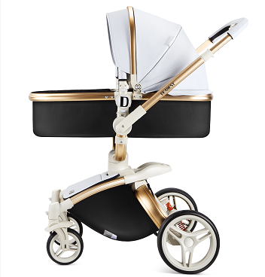 | dearest 2 in 1 | 17.5 | 19.5 |  | aluminum/eco leather | 153 | 318 | 373 | 1PC/CTN | 87*51*41 | $170.00
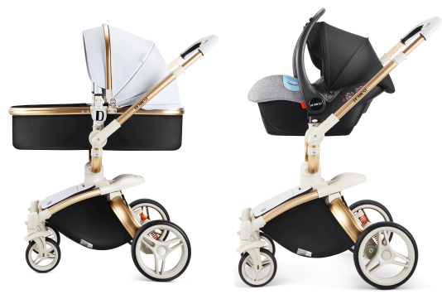 | DEAREST 3IN1 | 23.5 | 25.5 |  | aluminum/eco leather | 95 | 187 | 220 | 1PC/CTN | 87*51*41 | $208.00
 | DEAREST CARSEAT | 4.5 | 5.5 |  | fabric | 220 | 450 | 550 | 1PC/CTN |  | $39.00
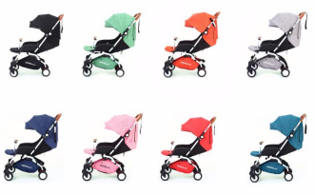 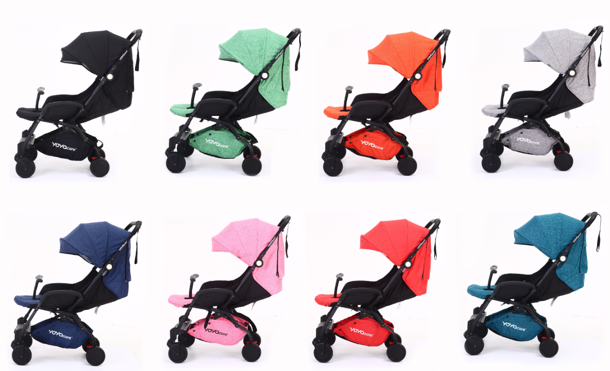 | yoya care 2018 | 7.5 | 8 | as the pic | polyster/allimin | 450 | 885 | 966 | 1PC/CTN | 46*25*56 | $58.00
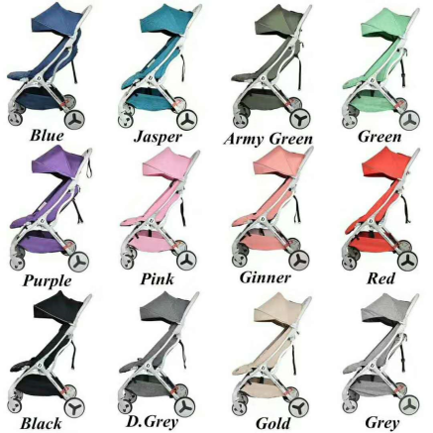 | Dearest/futur | 7.3 | 5.8 | as the pic | polyster/allimin | 440 | 860 | 940 | 1PC/CTN | 52.5*25*58.5 | $66.00
 | yoya care future | 7.3 | 5.8 | as the pic | polyster/allimin | 440 | 860 | 940 | 1PC/CTN | 52.5*25*58.5 | $59.50
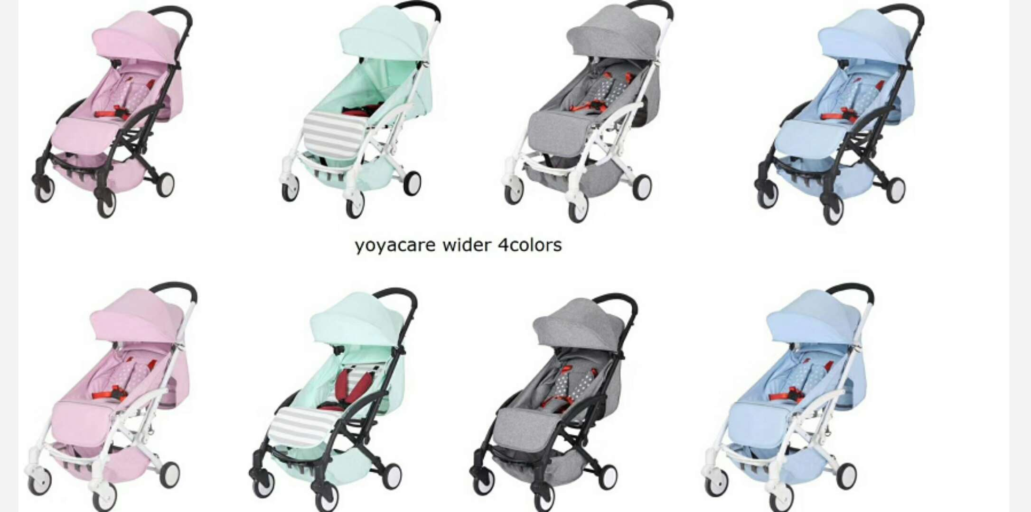 | yoya care wider | 7 .5 | 6 | grey/blue/green/pink | aluminum alloy | 600 | 1180 | 1380 | 1PC/CTN | 46*21.5*61.5 | $40.00
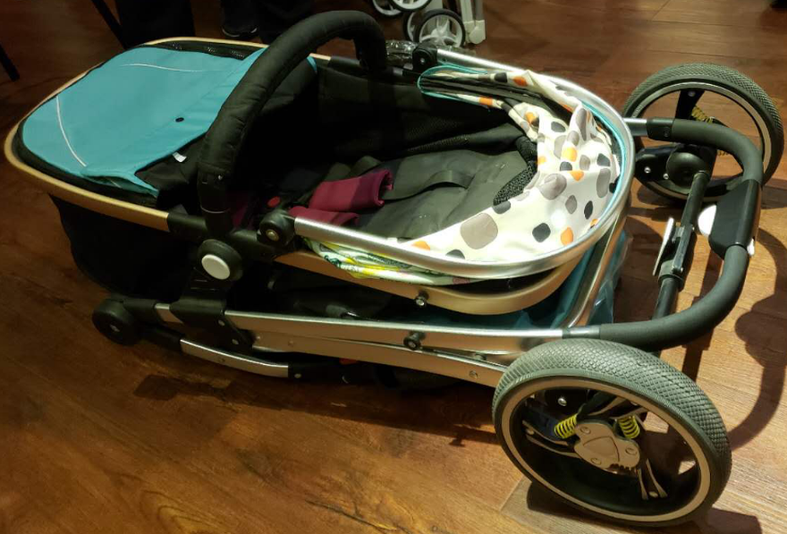 | DEAREST como | 11.5 | 13.5 | black/grey/wine/blue | aluminum alloy/.eva wheels | 230 | 450 | 550 |  |  | $65.00
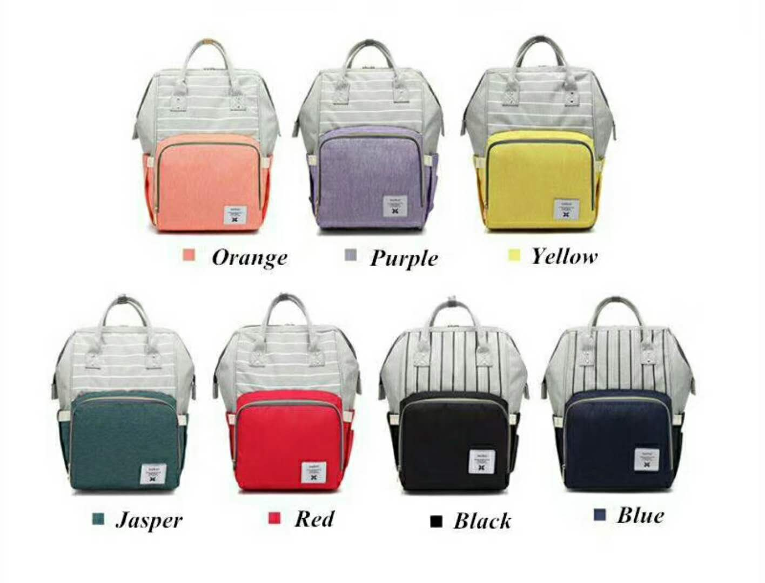 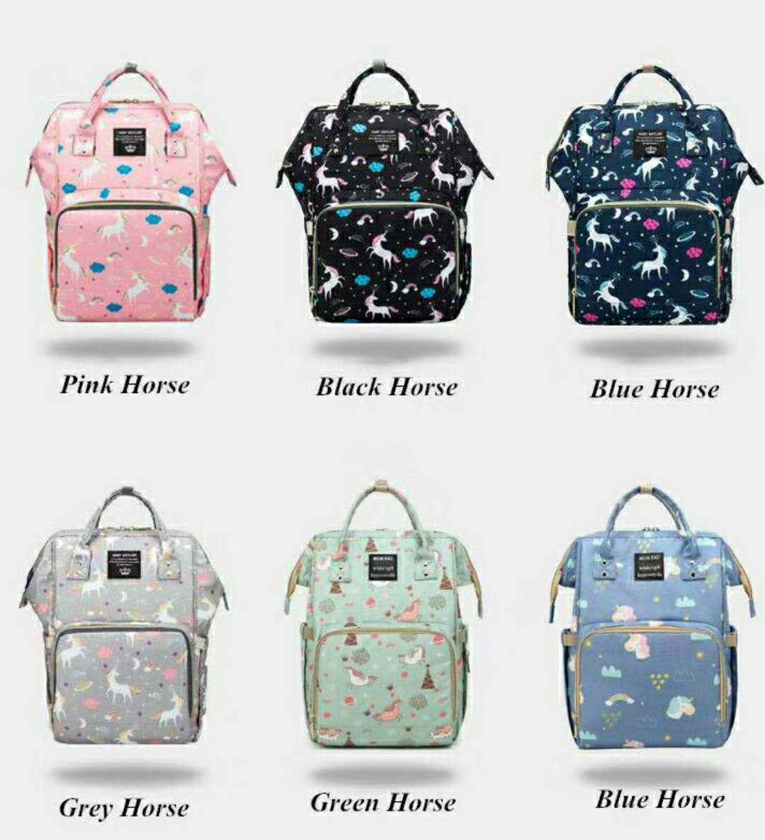 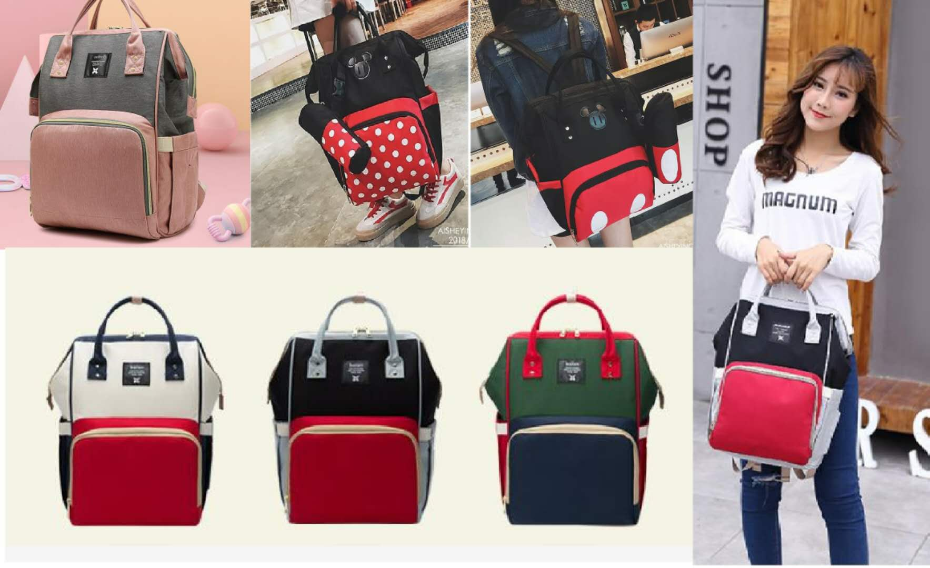 | Mommy Bag | 0.5 | 0.5 | as the pic | Cationic, Oxford | 4500 | 9175 | 10600 | 1PC/CTN | 64*48*51 | $9.00
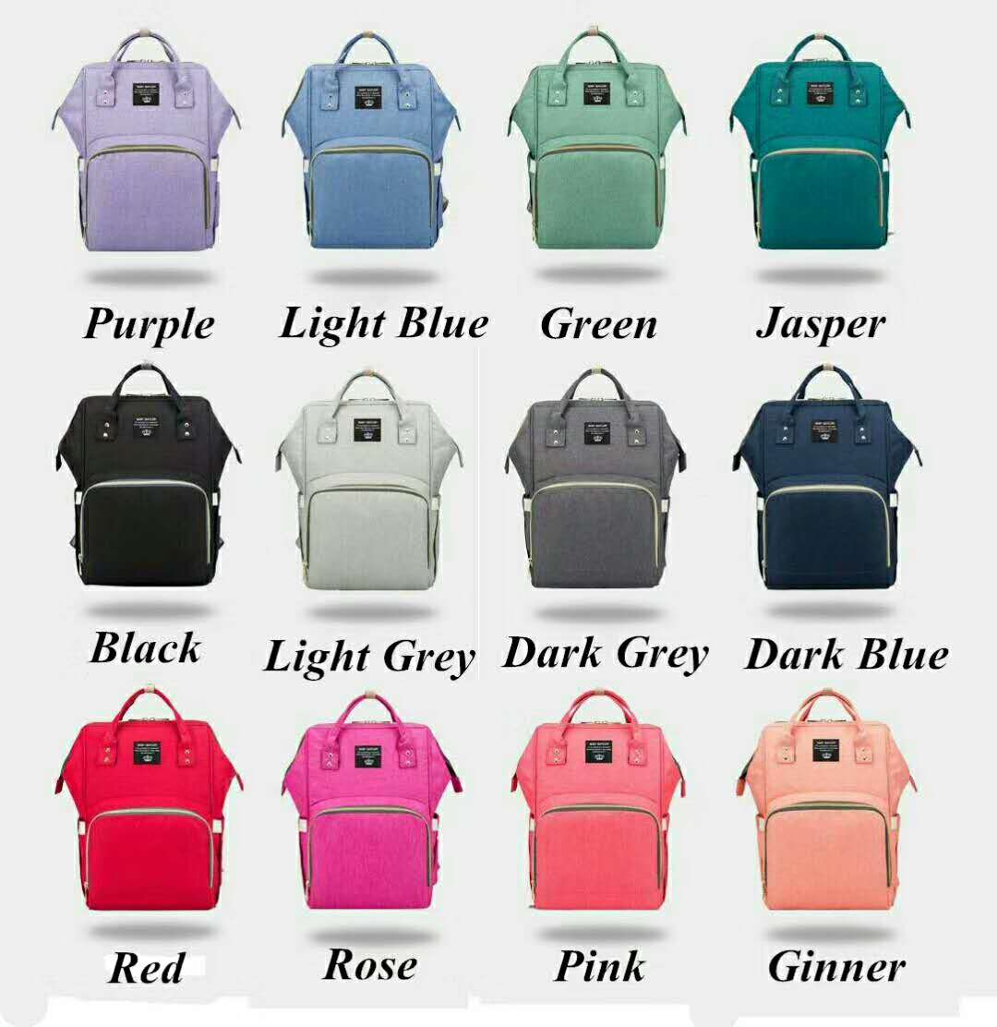 | Mommy Bag | 0.5 | 0.5 | as the pic | Cationic, Oxford | 4500 | 9175 | 10600 | 1PC/CTN | 64*48*51 | $8.00
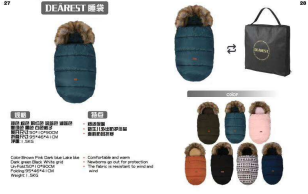 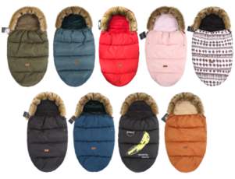 | STROLER BAG | 1.5 | 1.1 | AS THE PIC | POLY STER /SHORT FUR | 6000 | 11800 | 13800 | 1PC/CTN | 45*50*8 | $23.00
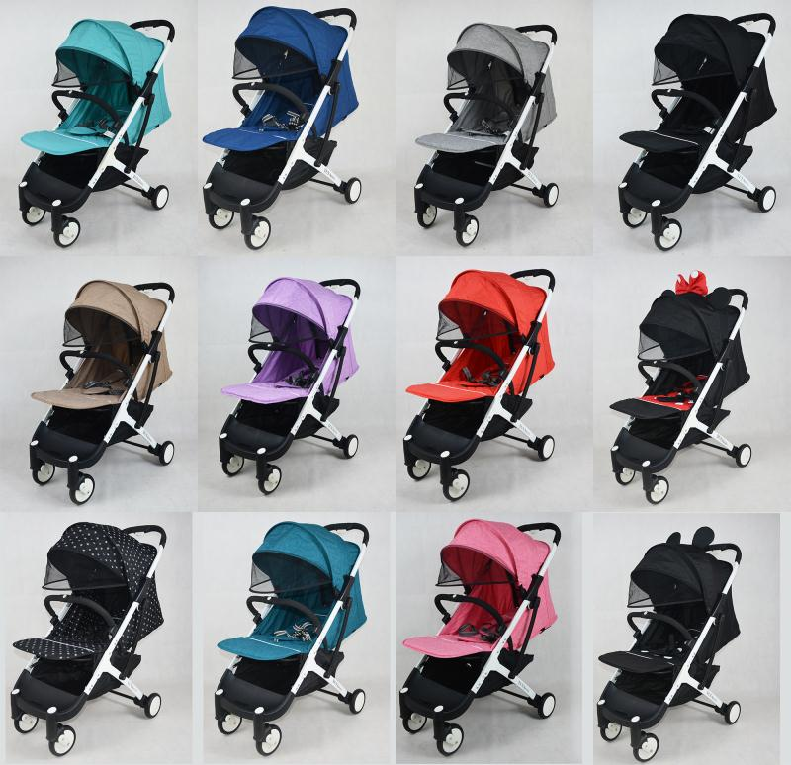 | yoya plus | 8 | 7.5 | aluminum alloy | aluminum alloy/.pu wheels | 420 | 826 | 910 | 1PC/CTN | 46*25*56 | $48.50
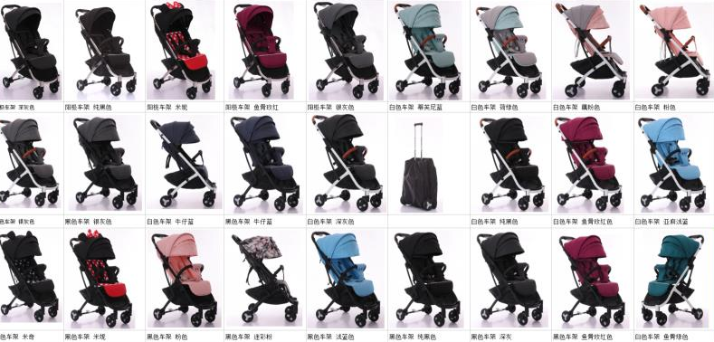 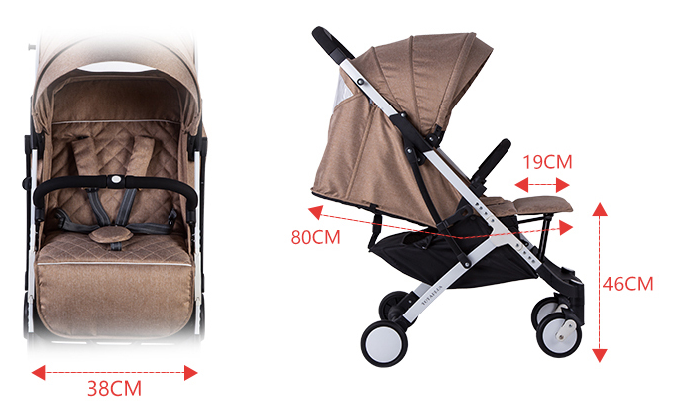 | yoya plus 2 | 8 | 7.5 | aluminum alloy | aluminum alloy/.pu wheels | 420 | 826 | 910 | 1PC/CTN | 46*25*56 | $54.00
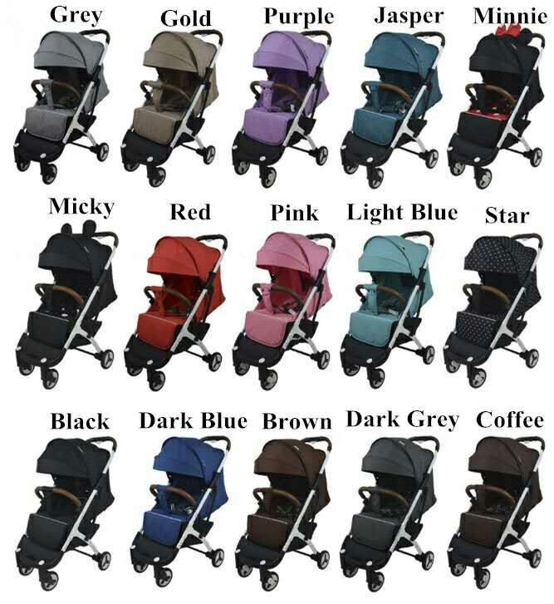 | yoya plus 3 | 8 | 7.5 | aluminum alloy | aluminum alloy/.puwheels | 420 | 826 | 910 | 1PC/CTN | 46*25*56 | $53.00
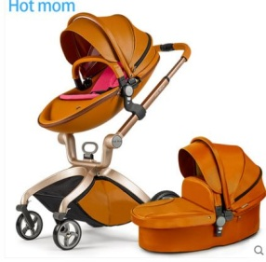 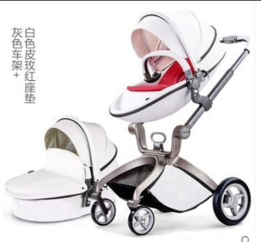 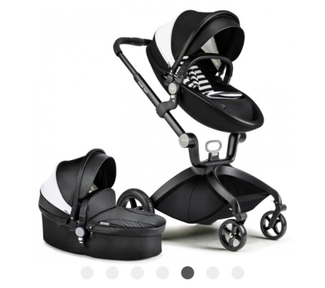 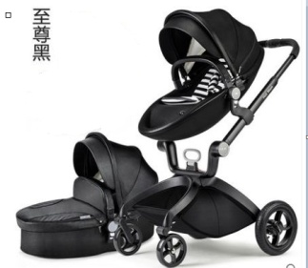 | hotmon2in1 | 23 | 21.5 | brown/blue/white/black | eco leather | 150 | 295 | 345 | 1PC/CTN | 89*56*42 | $275.00
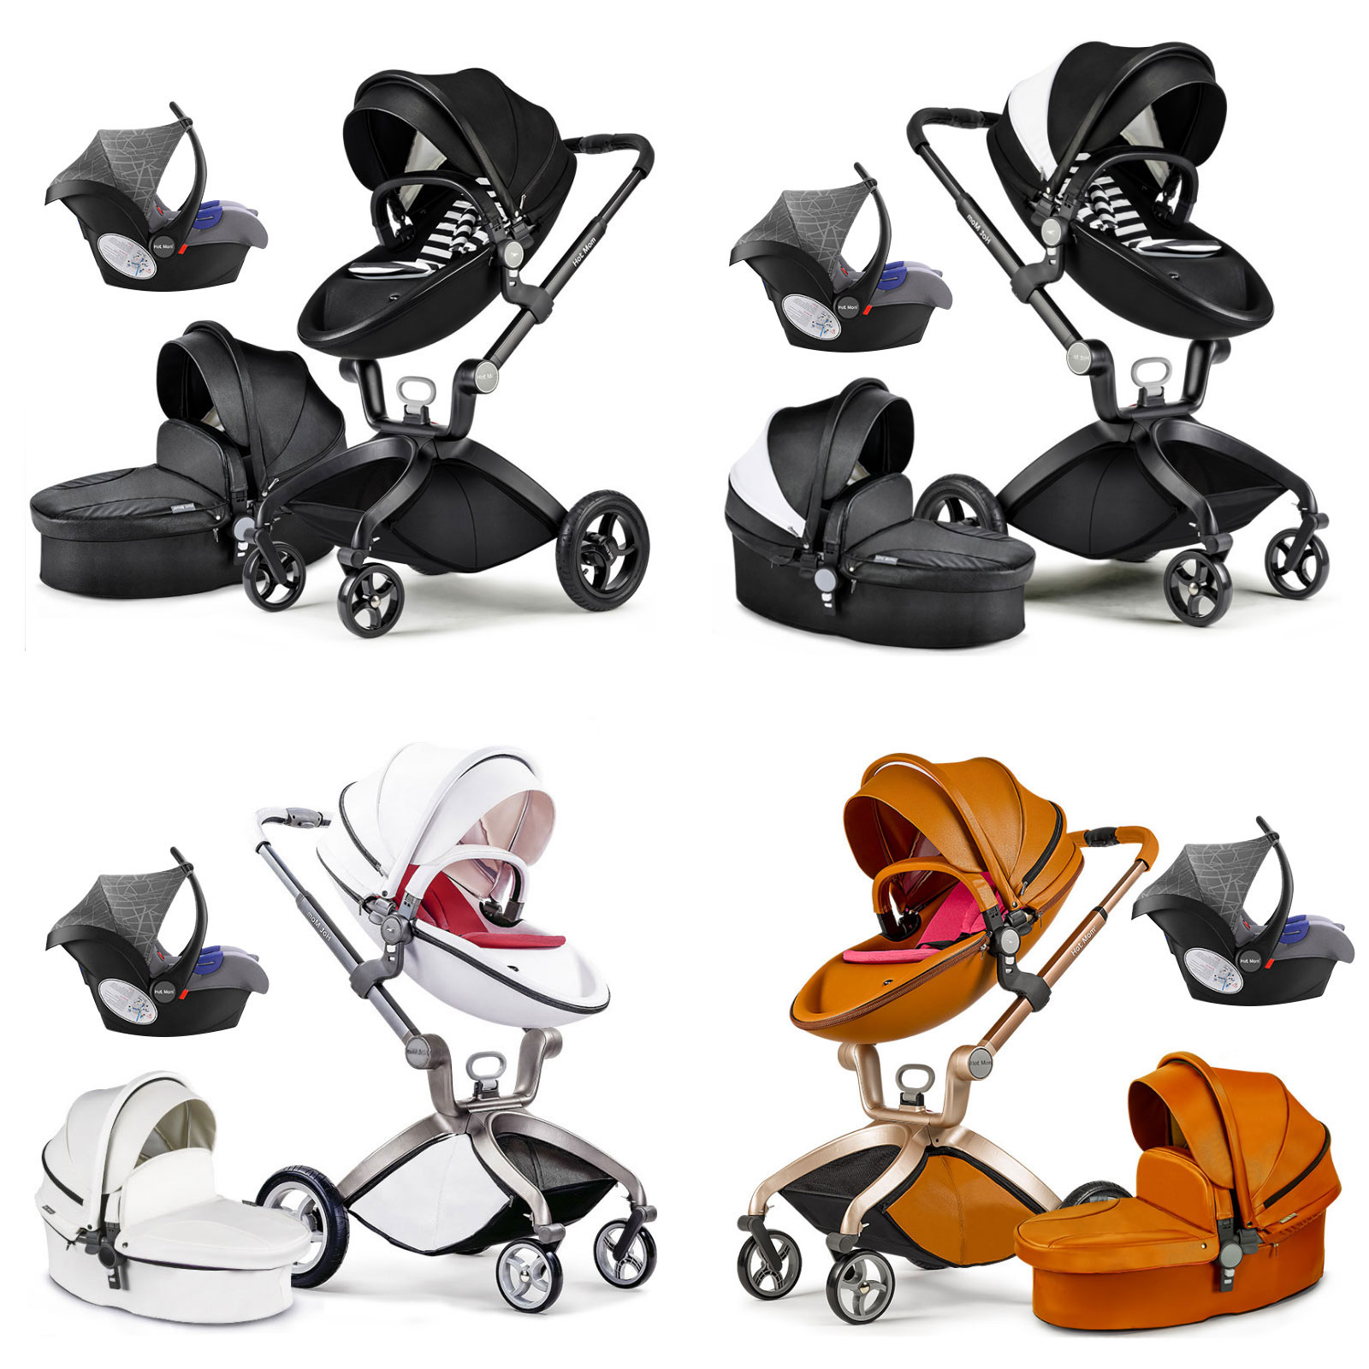 | hotmon3in1 | 28 | 26.5 | brown/blue/white/black | eco leather | 135 | 270 | 305 | 1PC/CTN | 89*56*42 | $335.00
 | argo baby carry360 | 1.5 | 1 | color as the original | cotton |  |  |  | 1PC/CTN | 15*12*20 | $14.50
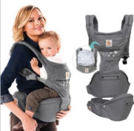 | argo baby carry | 1.5 | 1 | color as the original | cotton |  |  |  | 1PC/CTN | 15*12*20 | $17.50
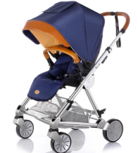 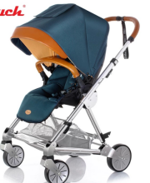 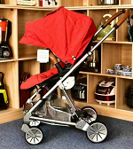 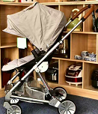 | dearest Monday | 14.5 | 13.5 |  | aluminum pollyster/eco leather | 360 | 708 | 828 | 1PC/CTN |  | $155.00
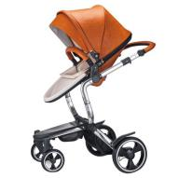 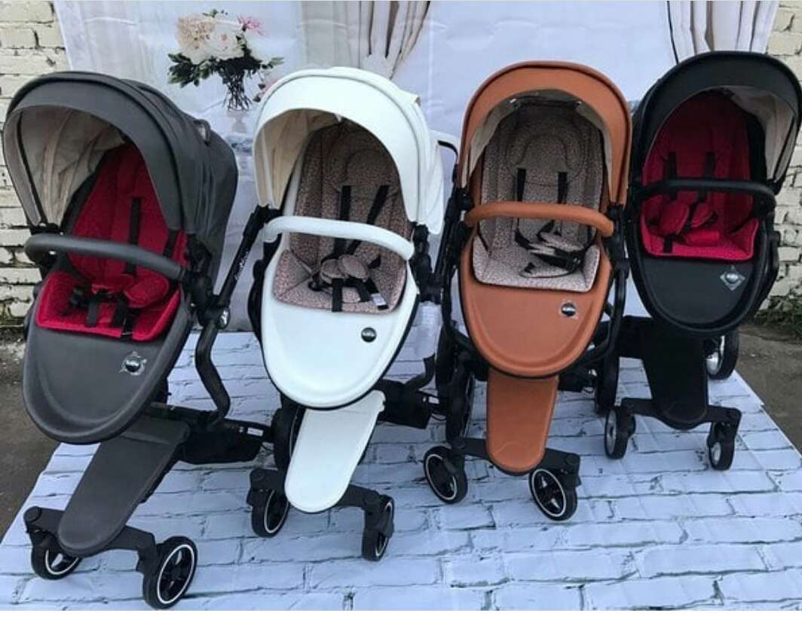 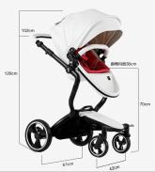 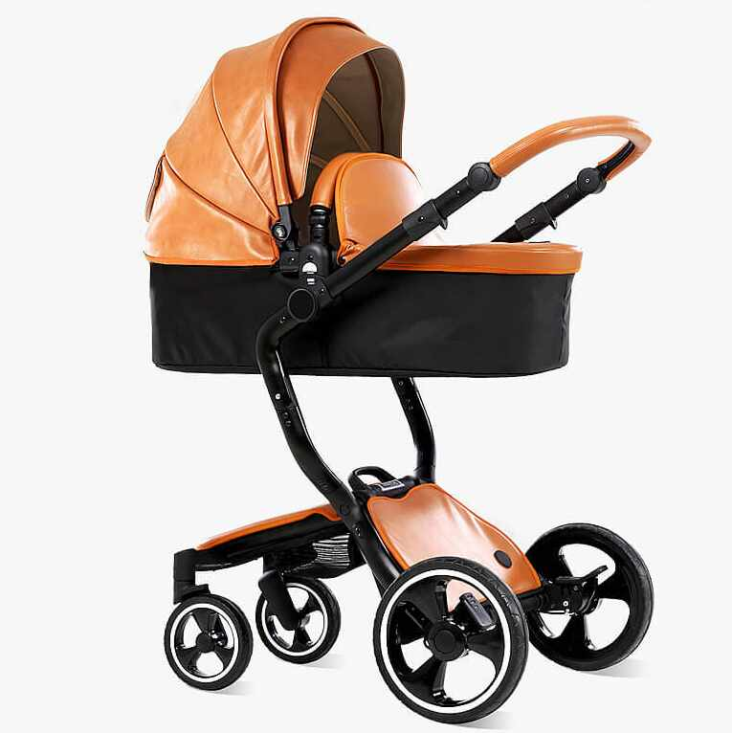 | foofoo | 20 | 18.5 | brown,white,grey,black | aviation aluminum | 208 | 410 | 478 | 1PC/CTN | 87*55*30 | $182.00
 | CARYY | 2 | 1.5 |  | oxford fabric | 600 | 1180 | 1380 | 1PC/CTN | 45*26*19 | $16.50
 | new hotmon2in1 | 23 | 21.5 | grey/blue | eco leather | 150 | 295 | 345 | 1PC/CTN | 89*56*42 | $275.00
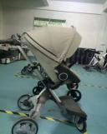 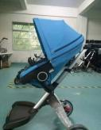 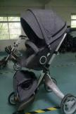 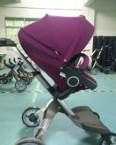 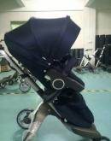 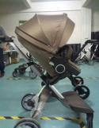 | v4 | 35 | 30 | purple,black,red,grey,brown | aviation aluminum | 109 | 215 | 253 | 1PC/CTN | 105*61*42 | $210.00
 | v6 | 35 | 30 | purple,black,red,grey,brown | aviation aluminum | 109 | 215 | 253 | 1PC/CTN | 105*61*42 | $286.00

