Sheet1
SHIJIAZHUANG BOKUANG LINGERIE
www.bokuanglingerie.en.alibaba.com
youfazhang@hotmail.com, Tel: 86 15930188515
style no and description | Price $(1000pcs)
6259 wholesale sexy women normal and Plus size open crotch PU leather tight sexy bodysuit shaper jumpsuit sexy lingerie PU leather, black and red, SIZE S and XL | $6.53
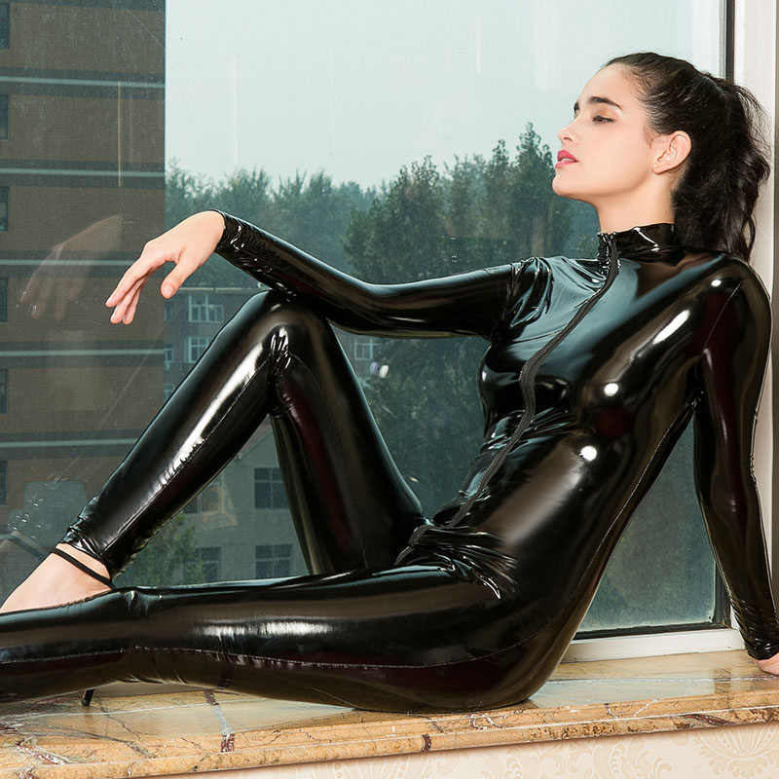 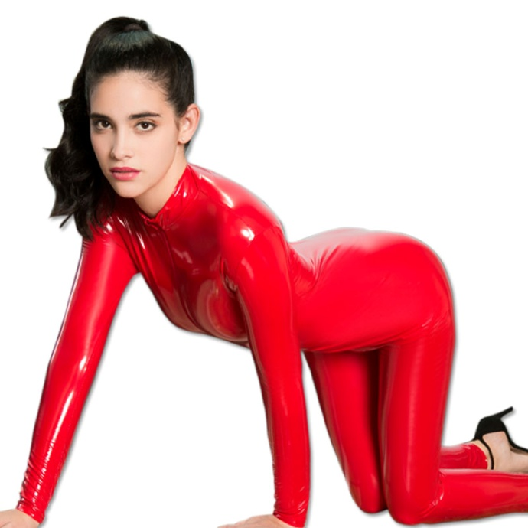 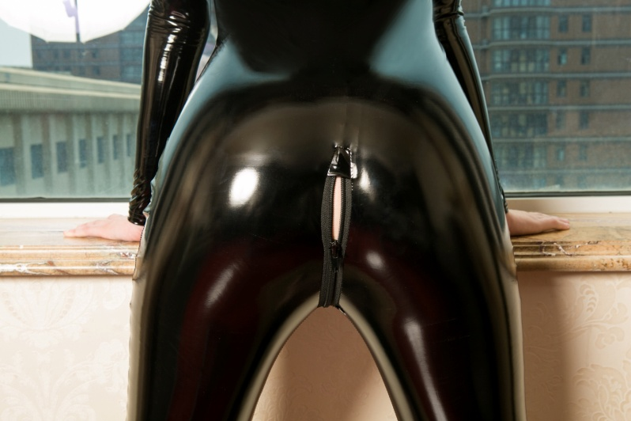

6159 wholesale sexy women erotic glossy high stretch bondage strap jumpsuit lingerie underwear, 88.5% nylon/11.5%spandex Red, black ONE SIZE | $5.10

 | $3.05
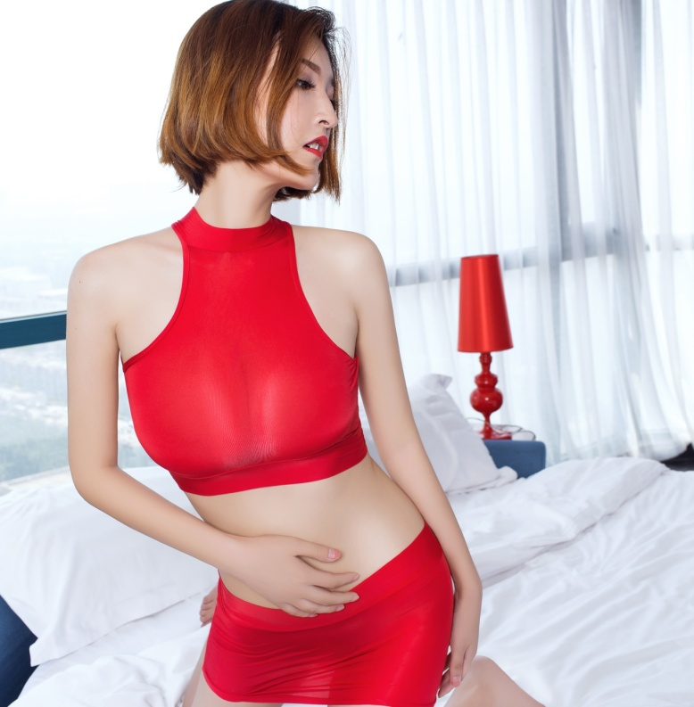 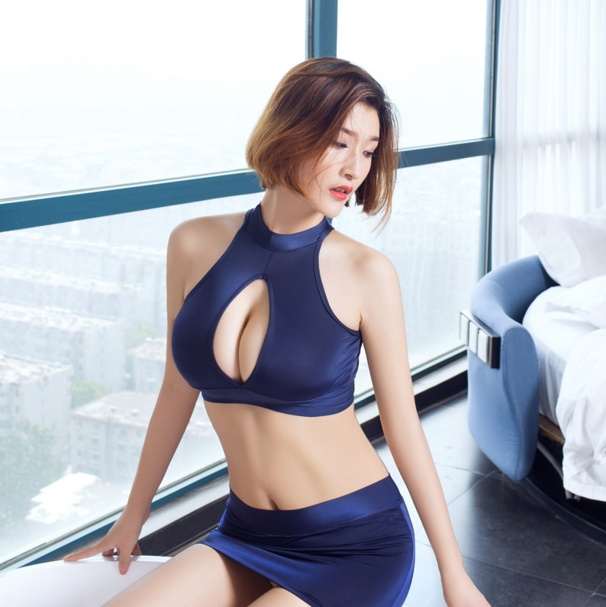 
6199 wholesale two sets many colors bra and skirt charming office lady dress cosplay costume sexy lingerie underwear , 85%polyester/15%spandex red, black, white, navy, pink, yellow, ONE SIZE
6256 wholesale sexy women girl sexy transparent babydoll off the shoulder hip skirt sexy lingerie underwear,88.5%nylon/11.5%spandex Red, black, white, pink, yellow, red, grey, dark grey, apricot, ONE SIZE | $1.40
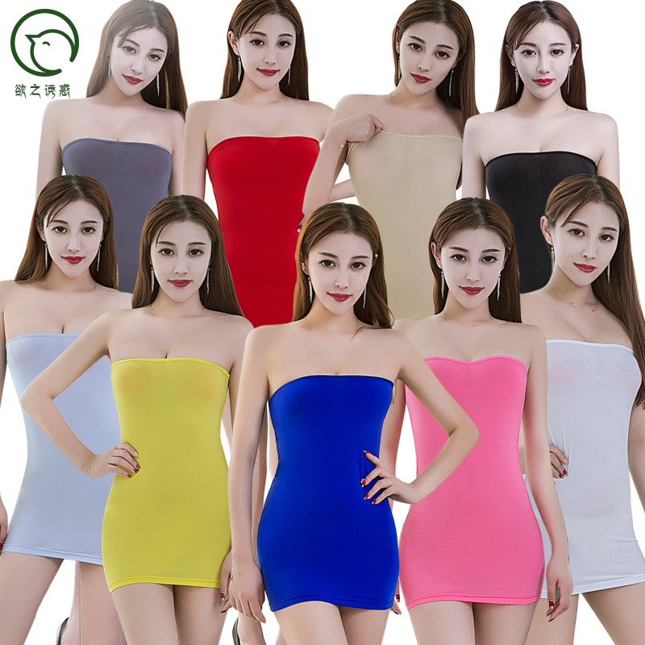 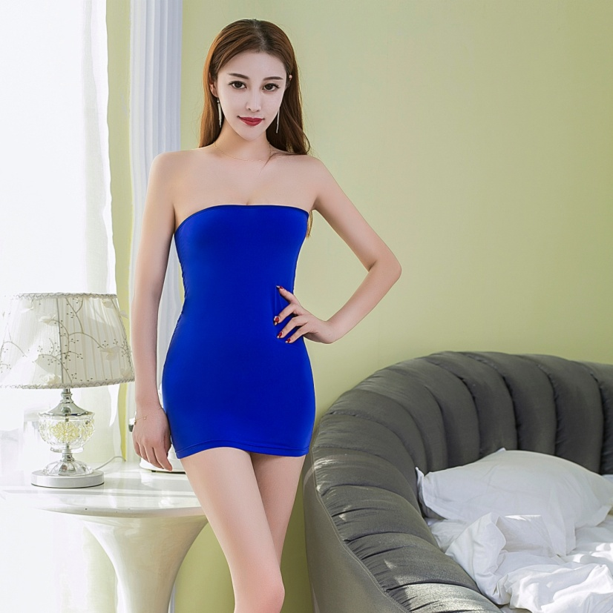 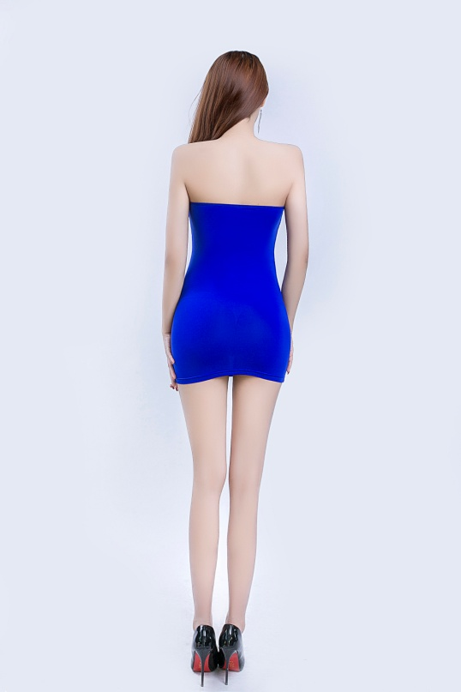
 | $1.45
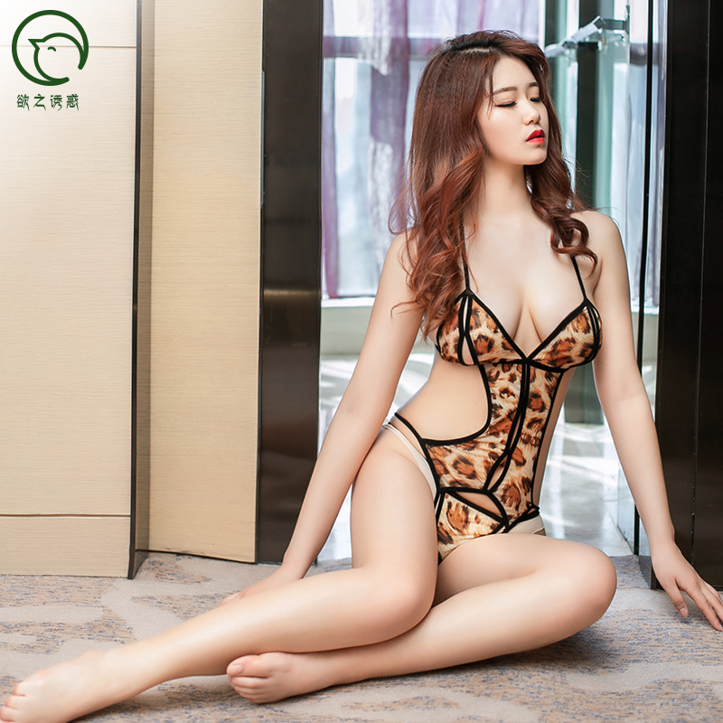 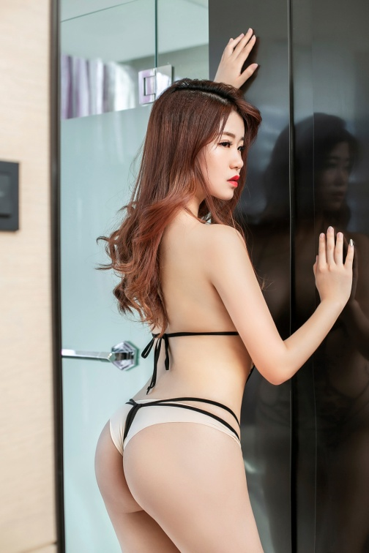 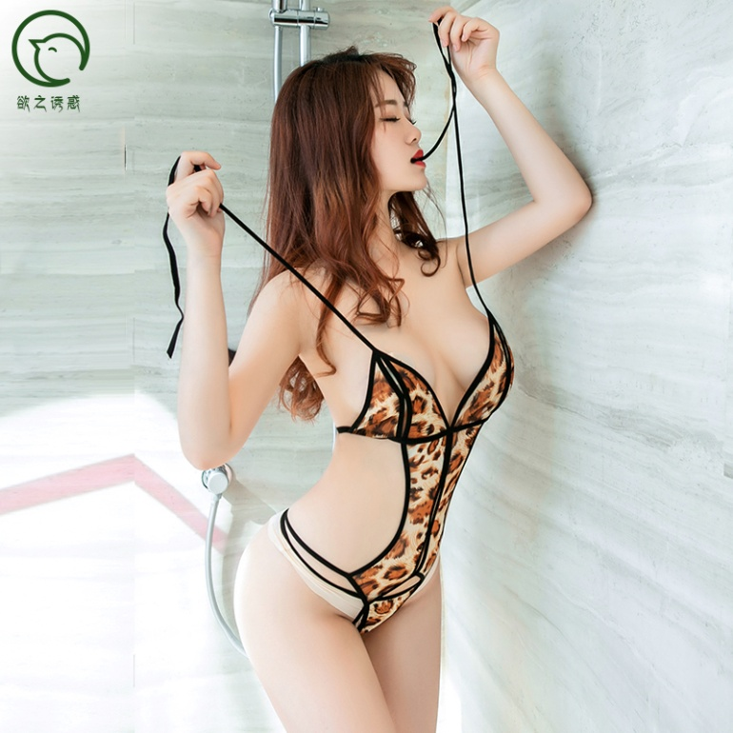
6163 wholesale Temptation women's sexy wild three-point one piece boldysuit wild leopard 2 sets G-String erotic lingerie sets
 | $3.05
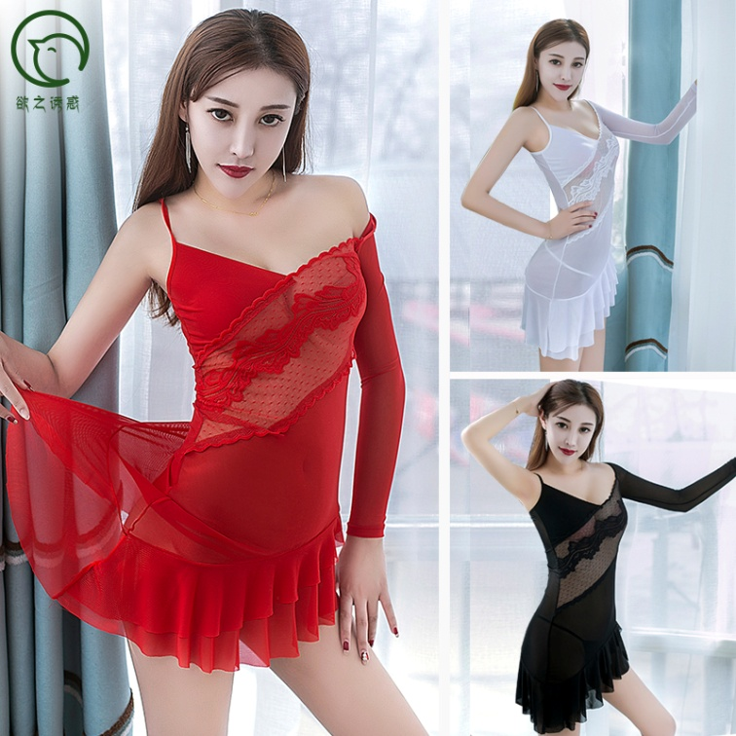 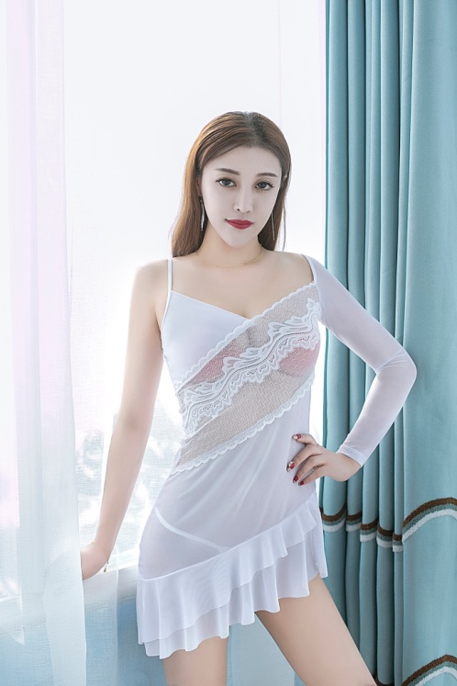 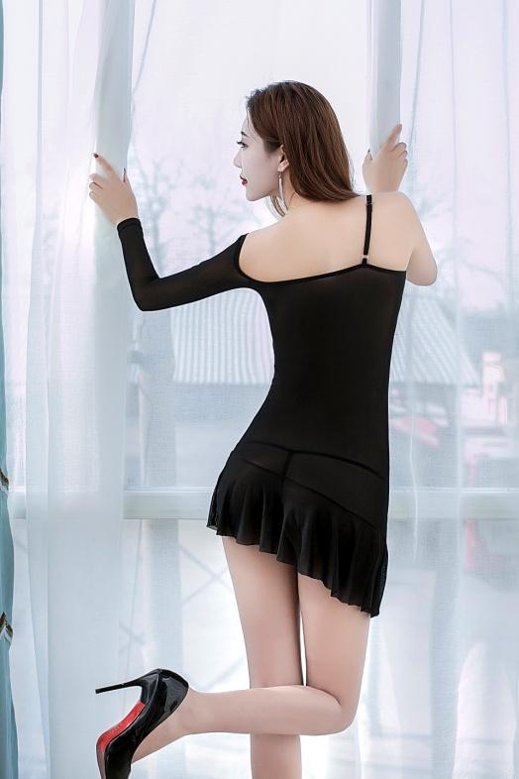
6284 wholesale women sexy lingerie sleepwear erotic mesh lace transparent sexy lingerie babydoll
88.5%nylon/11.5%spandex red, black, white , ONE SIZE | $2.45
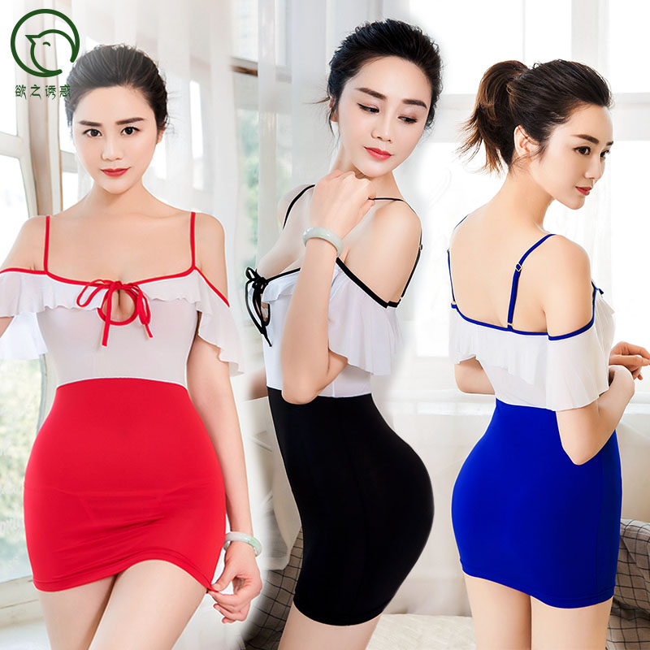 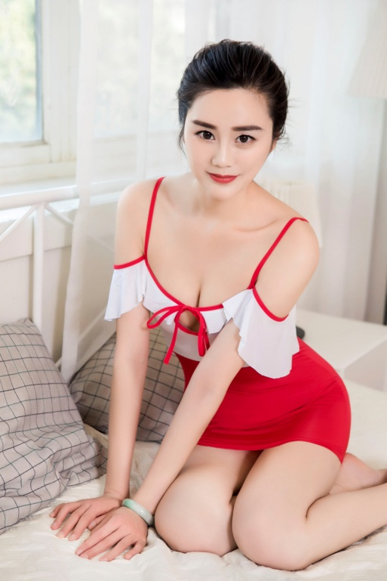 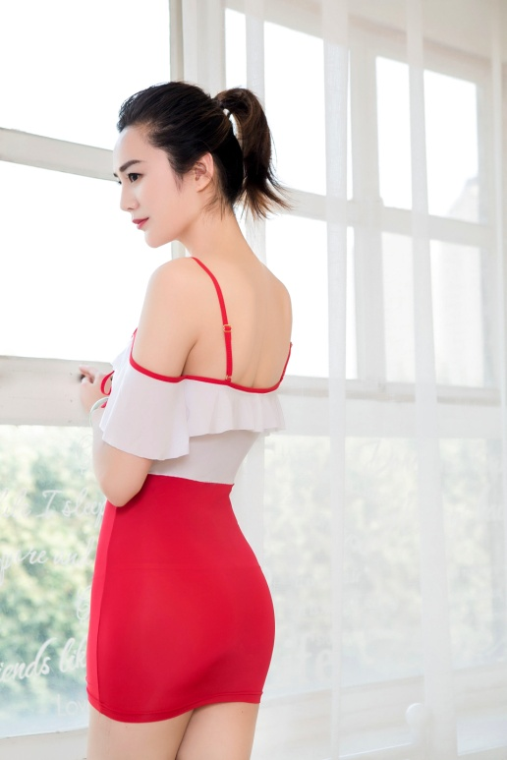
6282 wholesale girl perspective tight slip dress hot mini sexy skirt sexy lingerie,88.5%nylon/11.5%spandex Red, black, white, black,blue ONE SIZE
 | $5.20
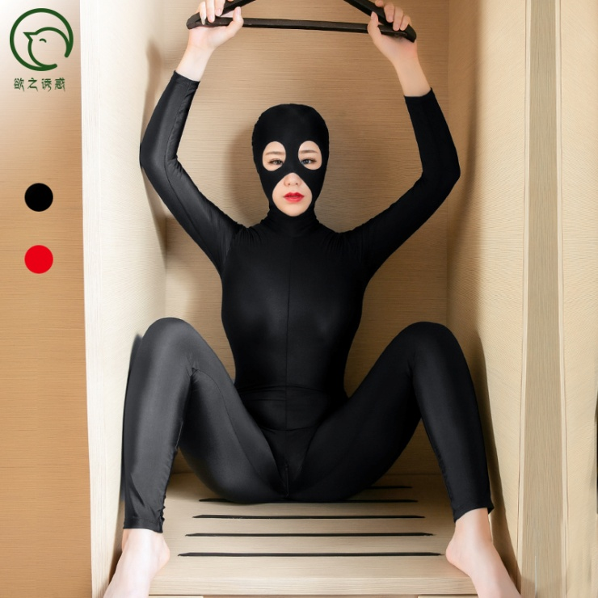 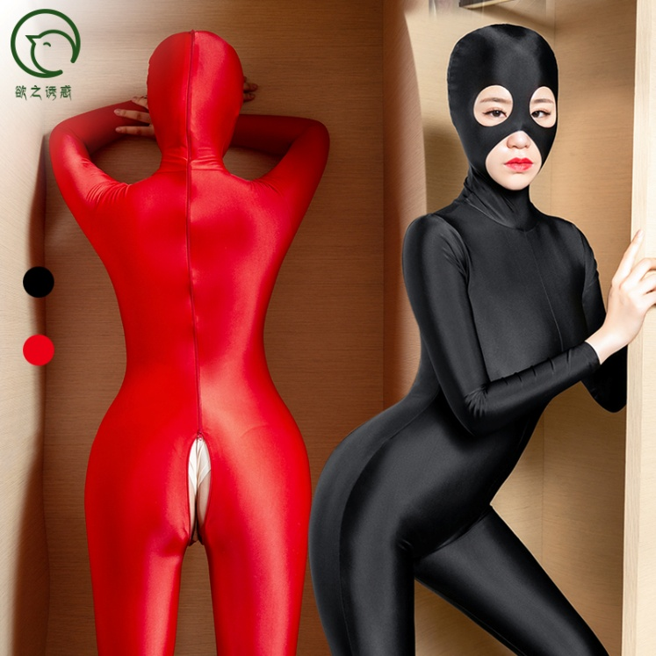 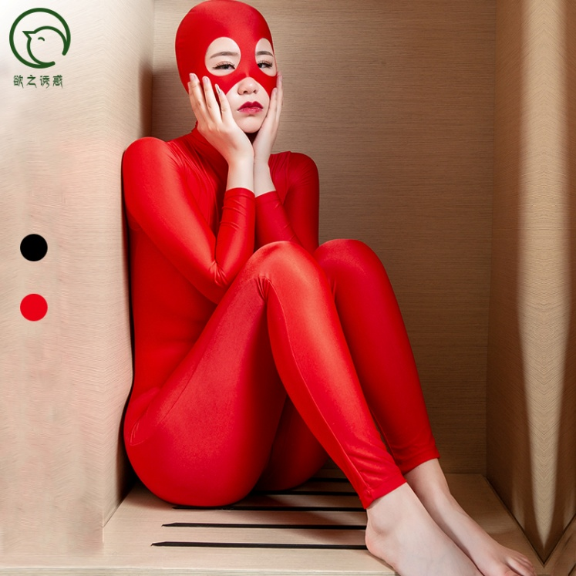
6164 womens sexy costumes night club glossy zipper open crotch queen cosplay body shaper jumpsuit with headgear lingerie underwear, 88.5%nylon/11.5%spandex black and red ONE SIZE
 | $4.10
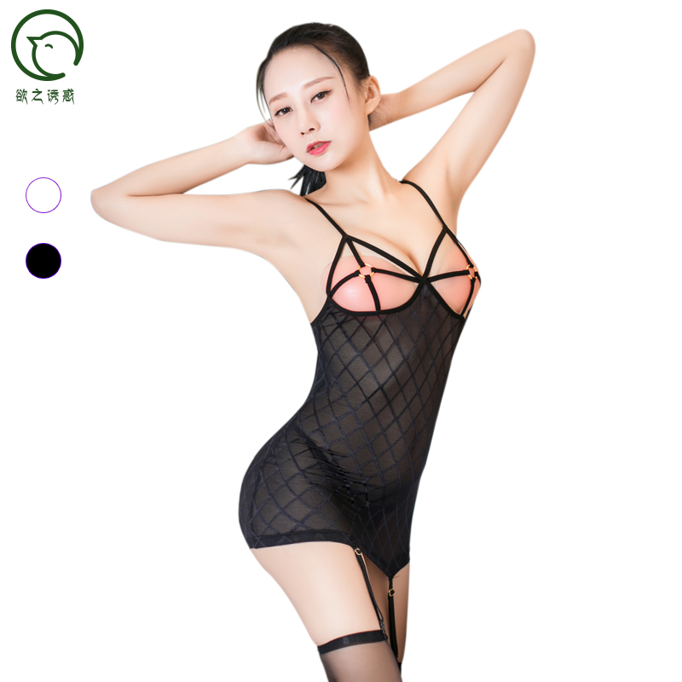 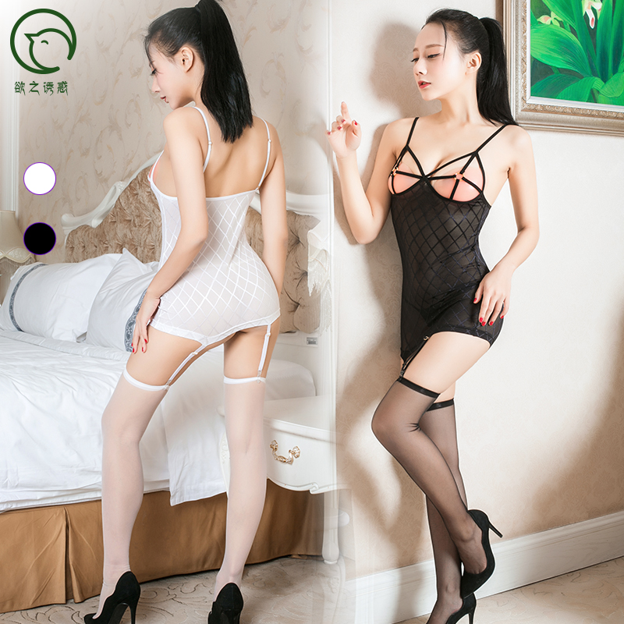 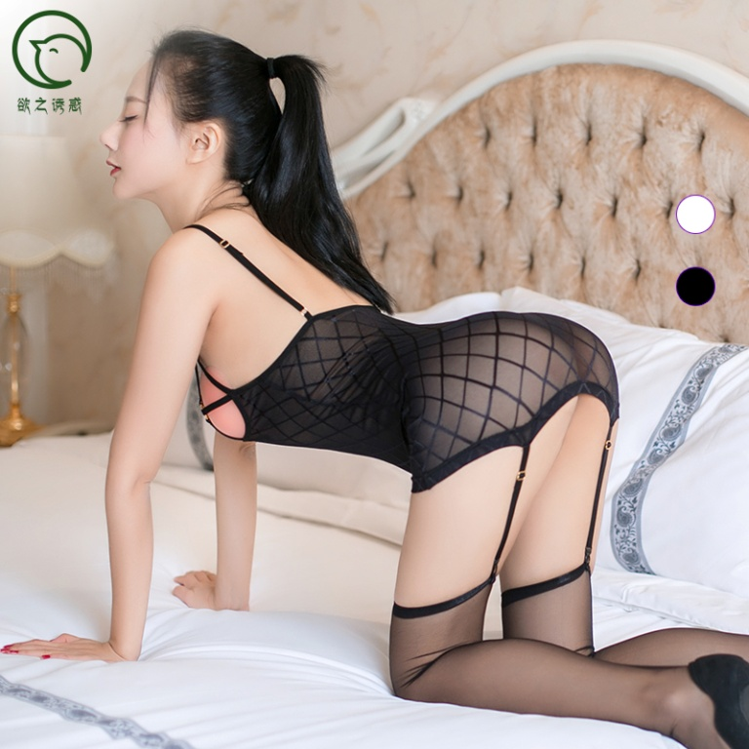
6141 wholesale sexy women harness lace mesh garter lingerie set underwear G-string, stocking and bondage fishing net lingerie, 88.5%nylon/11.5%spandex black and red ONE SIZE
 | $7.45
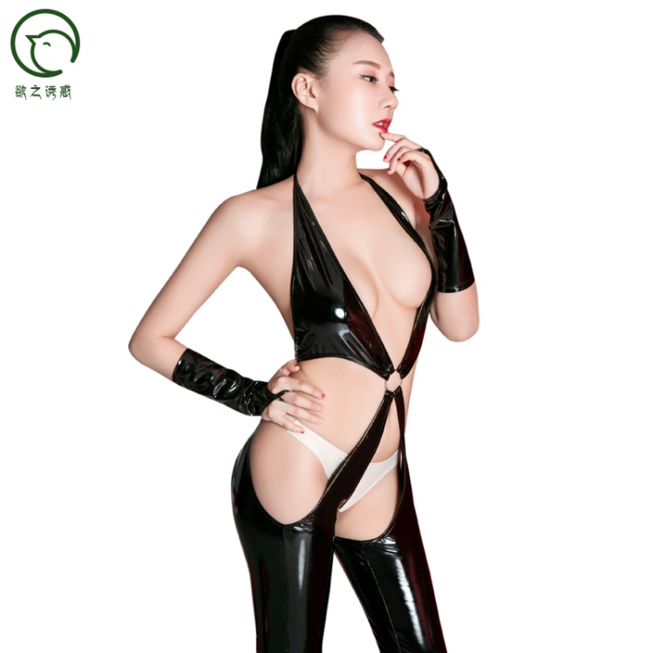 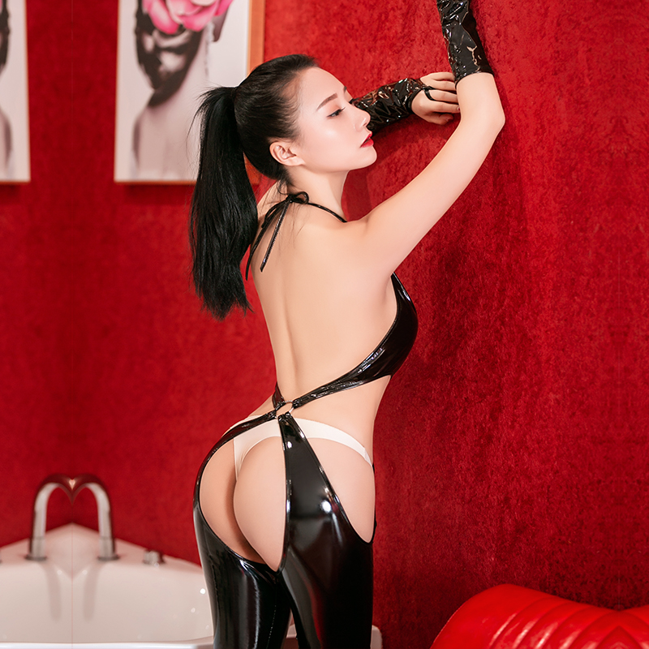 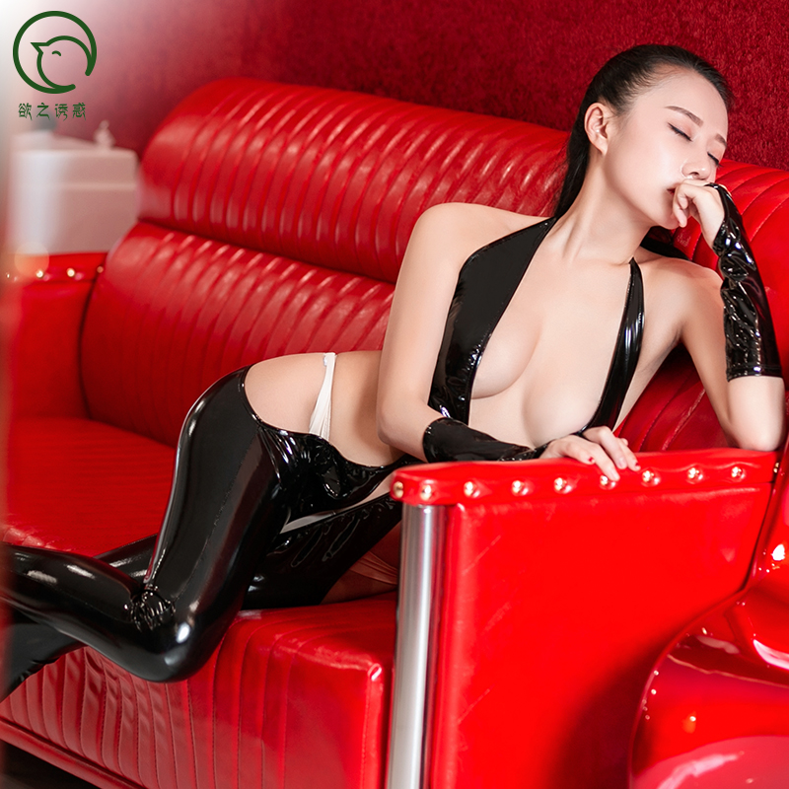
6235 Japan wholesale sexy women's erotic PU fur vinyl leather crotchless bodysuit bodysotcking lingerie underwear,PU Leather size S and XL, black
 | $4.10
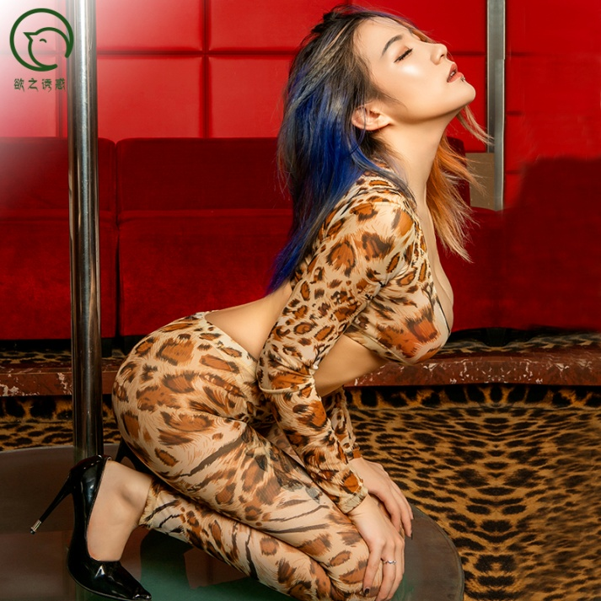 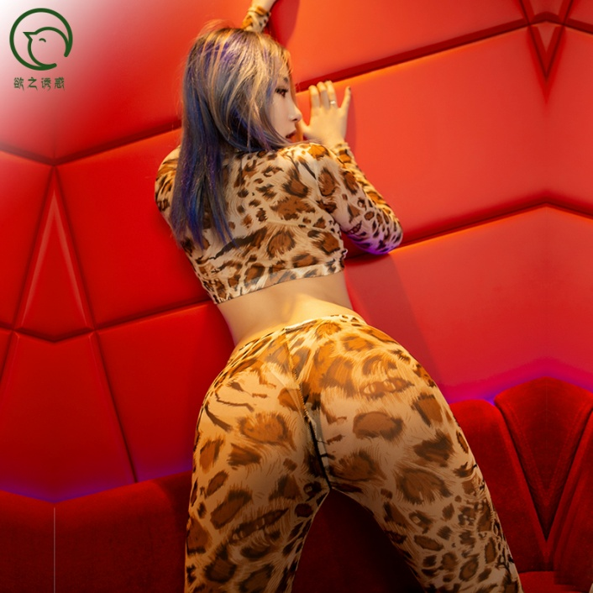 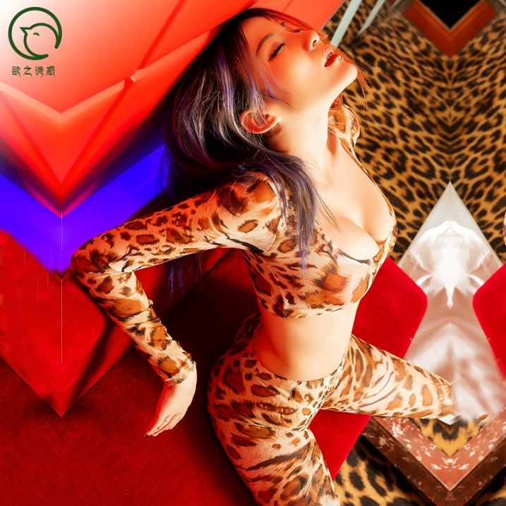
6226 wholesale women temptation sexy erotic leopard wild long sleeve bra and pant zipper open crotch lingerie sets,88.5%nylon/11.5%spandex leopard one size
 | $1.30
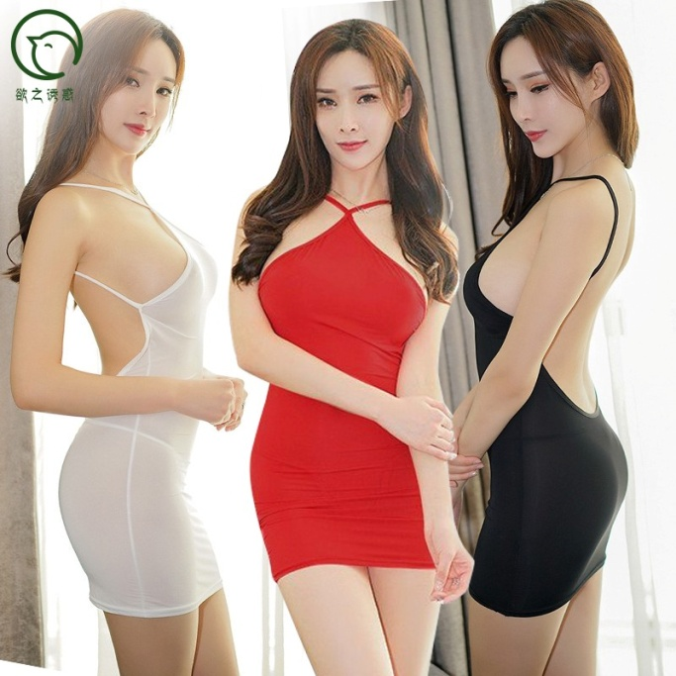 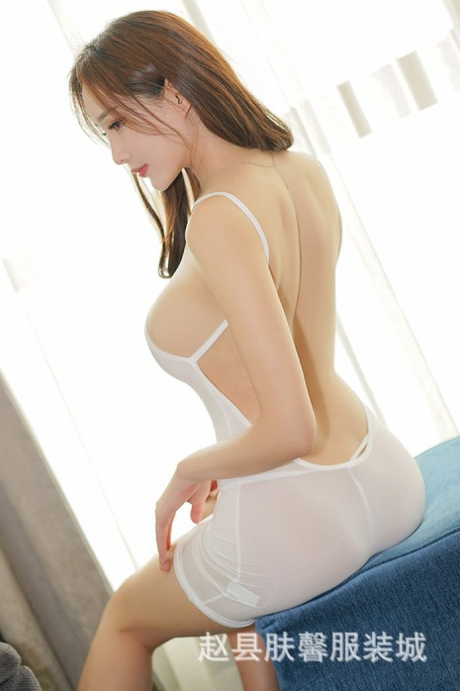 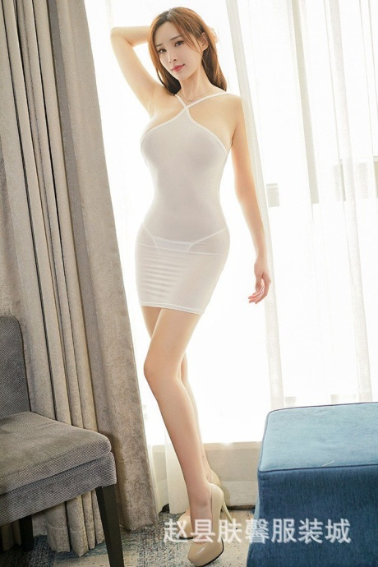 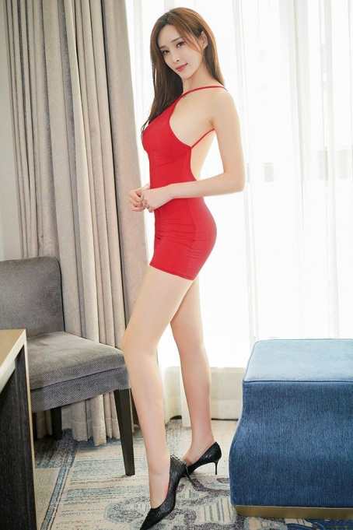
6034 wholesale women sexy braces skirt transparent tight bodysuit slip dress lingerie underwear erotic ,88.5%nylon/11.5%spandex black, white, red, one size

