Sheet1
 | Tongxiang Kebo Toys Co., Ltd.
 | Address：No. 519, Jingwei Street, Huxiao, Chongfu Town, Tongxiang, Zhejiang, China Mobile/Whatsapp/Weichat： 008618957337769 Ctc： Adam Skype： txkebo Email：txkebo@outlook.com

Pricelist（Available for 3 month）
Magna Tiles School Set
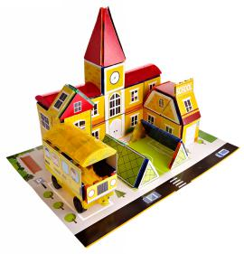 1 |  | Price FOB shanghai(USD) |  |  |  | Item No. | KBDM-155 | Brand | Mag-Wisdom
 |  | 1K-5K | 1K-10K | 10K-30K | Above30K | Box Size(cm) | 28.9*41.3*7cm | Ctn Size(cm) | 43*30.5*37.5cm
 |  | $24.68 |  |  |  | Packaging | ColorBox | Qty/Ctn | 5
 |  |  |  |  |  | N.W.(kgs) | 19.8 | G.W.(kgs) | 20.63
 |  |  |  |  |  | Materials | plastic&magnet | Age | 3+
 |  |  |  |  |  | Lead Time | 20-30 days | MOQ | 100
 |  |  |  |  |  | Origin | Zhejiang China | OEM/ODM | Available
Accessories Included
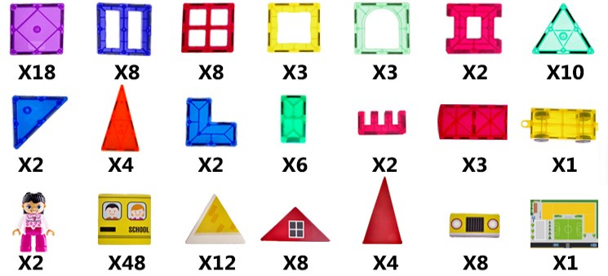 |  |  |  |  |  |  |  | 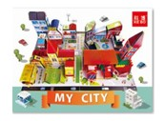

 |  |  |  |  |  |  |  | 1*Manual

 |  |  |  |  |  |  |  | 1*BOX
Magna Tiles Hospital Set
 1 |  | Price FOB shanghai(USD) |  |  |  | Item No. | KBDM-174 | Brand | Mag-Wisdom
 |  | 1K-5K | 1K-10K | 10K-30K | Above30K | Box Size(cm) | 28.9*41.3*7cm | Ctn Size(cm) | 43*30.5*37.5cm
 |  | $27.10 |  |  |  | Packaging | ColorBox | Qty/Ctn | 5
 |  |  |  |  |  | N.W.(kgs) | 21 | G.W.(kgs) | 22.5
 |  |  |  |  |  | Materials | plastic&magnet | Age | 3+
 |  |  |  |  |  | Lead Time | 20-30 days | MOQ | 100
 |  |  |  |  |  | Origin | Zhejiang China | OEM/ODM | Available
Accessories Included
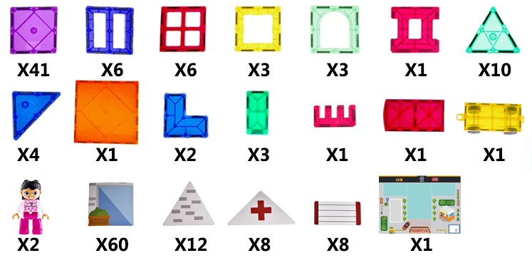

 |  |  |  |  |  |  |  | 1*Manual
 |  |  |  |  |  |  |  | 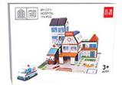

 |  |  |  |  |  |  |  | 1*BOX
Magna Fire Station Set
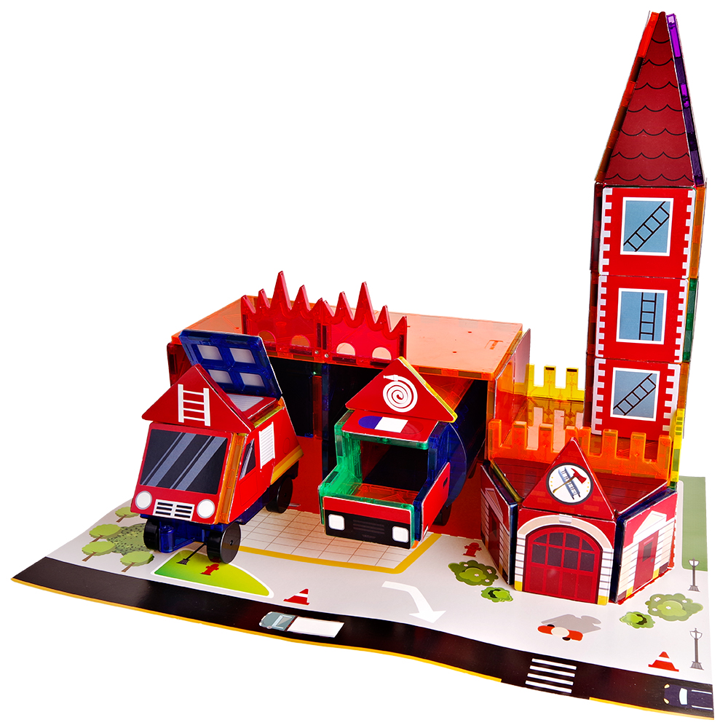 1 |  | Price FOB shanghai(USD) |  |  |  | Item No. | KBDM-157 | Brand | Mag-Wisdom
 |  | 1K-5K | 1K-10K | 10K-30K | Above30K | Box Size(cm) | 28.9*41.3*7cm | Ctn Size(cm) | 43*30.5*37.5cm
 |  | $27.42 |  |  |  | Packaging | ColorBox | Qty/Ctn | 5
 |  |  |  |  |  | N.W.(kgs) | 21.8 | G.W.(kgs) | 23.2
 |  |  |  |  |  | Materials | plastic&magnet | Age | 3+
 |  |  |  |  |  | Lead Time | 20-30 days | MOQ | 100
 |  |  |  |  |  | Origin | Zhejiang China | OEM/ODM | Available
Accessories Included
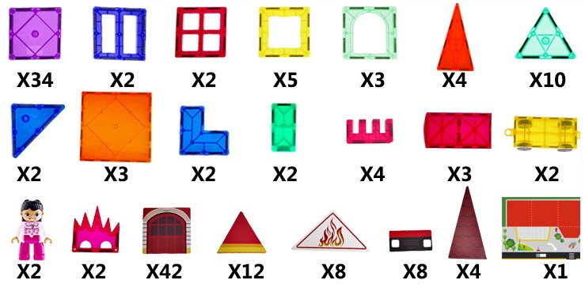

 |  |  |  |  |  |  |  | 1*Manual
 |  |  |  |  |  |  |  | 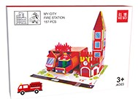

 |  |  |  |  |  |  |  | 1*BOX
Magna Police Station Set
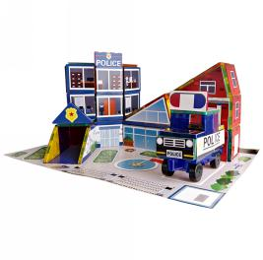 1 |  | Price FOB shanghai(USD) |  |  |  | Item No. | KBDM-142 | Brand | Mag-Wisdom
 |  | 1K-5K | 1K-10K | 10K-30K | Above30K | Box Size(cm) | 28.9*41.3*7cm | Ctn Size(cm) | 43*30.5*37.5cm
 |  | $21.77 |  |  |  | Packaging | ColorBox | Qty/Ctn | 5
 |  |  |  |  |  | N.W.(kgs) | 17.6 | G.W.(kgs) | 19.5
 |  |  |  |  |  | Materials | plastic&magnet | Age | 3+
 |  |  |  |  |  | Lead Time | 20-30 days | MOQ | 100
 |  |  |  |  |  | Origin | Zhejiang China | OEM/ODM | Available
Accessories Included
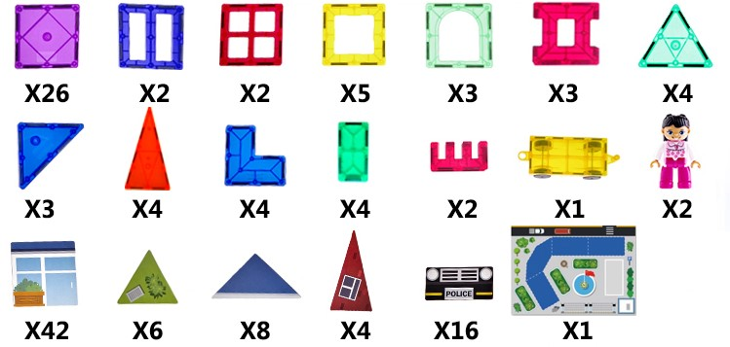

 |  |  |  |  |  |  |  | 1*Manual

 |  |  |  |  |  |  |  | 1*BOX

