Sheet1
Product Information Sheet
No. | Item No | Description | Photo | Color Box Size | PKG | CTN Size | G.W | N.W | Price | Remark
B1 | B003 | 11.5 inch Bonnie with bathroom accessories |  | 20.5*6*32.5 | 48 | 75*44*69 | 17.4 | 13.8 | $1.41 | 2 inner box
B2 | B022 | ABBIE 11.5 inch shopping cart girl with little baby |  | 20.7*6*32 | 24 | 74*43*35 | 7.5 | 6.3 | $1.36 | 2 inner box
B3 | B023 | ABBIE 11.5 inch baby carriage girl with little baby | 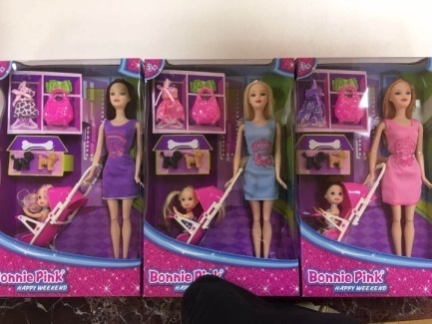 | 20.6*7.2*32 | 36 | 67*47*71 | 14.6 | 10.5 | $1.60
B4 | B030 | 11.5 inch fashion dressing barbie |  | 36*32*6 | 24 | 77*38.5*69 | 11.6 | 8.9 | $2.00 | 2 inner box
B5 | B033 | 11.5 inch barbie sets |  | 15.4*6*32.7 | 72 | 77*48*69 | 20.6 | 17.4 | $1.17 | 2 inner box
B6 | B034 | 11.5 barbie butterfly fairy sets | 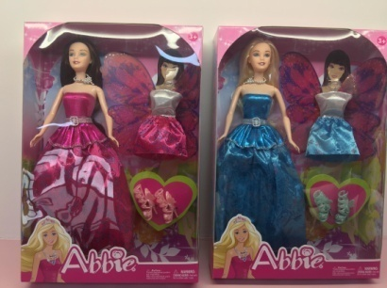 | 22.2*6.2*32.5 | 48 | 77*47*69 | 16 | 14 | $1.25 | 2 inner box
B7 | B035 | 11.5 inch mermaid barbie sets | 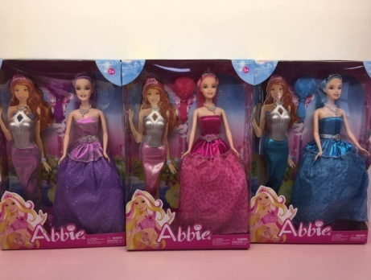 | 22*32.5*6 | 48 | 77*47*69 | 14.8 | 13.2 | $1.40 | 2 inner box
B8 | B051 | ABBIE 11.5 inch butterfly doll |  | 10.8*5.5*30 | 24 | 74*43*34.5 | 19 | 16 | $1.29 | 2 inner box
B9 | B101 | 11.5 inch butterfly fairy with lights | 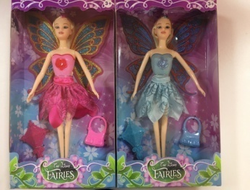 | 18*5*32.7 | 48 | 62*38.5*69 | 13 | 11 | $1.04 | 2 inner box
B10 | B102 | 11.5 inch swimsuit | 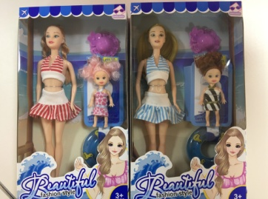 | 18*5.5*33 | 48 | 62*38.5*69 | 13.8 | 11.8 | $1.08 | 2 inner box
B11 | B103 | 11.5 inch fashion shoe dressing sets | 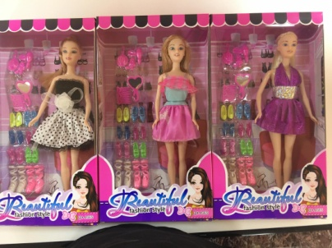 | 18*33*5 | 48 | 64*38*70 | 13.3 | 10.8 | $1.10 | 2 inner box
B12 | B104 | 11.5 inch pets shelf sets | 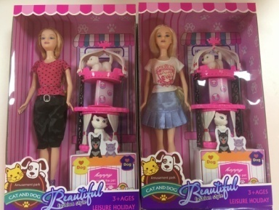 | 20*33*6.5 | 48 | 82*42.5*72 | 18.1 | 14.9 | $1.40 | 2 inner box
B13 | B105 | 11.5 inch fashion traveling sets | 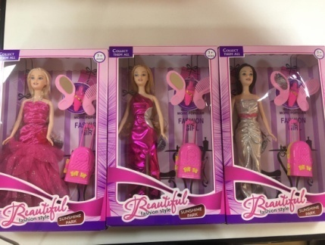 | 33*21.5*5.6 | 48 | 70*44.5*70 | 14.7 | 11.5 | $1.08 | 2 inner box
B14 | B106 | 11.5 inch 9 pieces hairdressing sets | 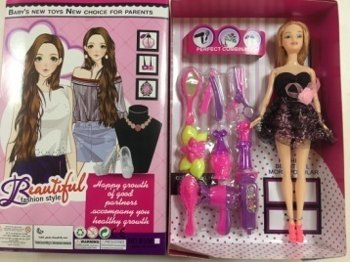 | 22.2*5.5*33 | 48 | 70*46.5*69 | 16.5 | 13.2 | $1.27 | 2 inner box
B15 | B107 | 11.5 inch dressing table sets | 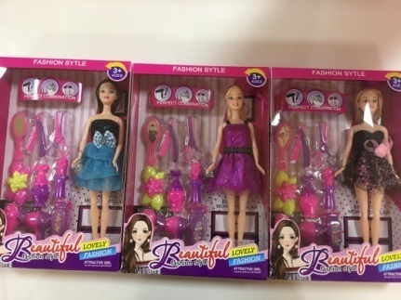 | 33*23*5.6 | 48 | 71*49*70 | 16.2 | 12.9 | $1.30 | 2 inner box
B16 | B108 | 11.5 inch dressing barbie with shoes and bags |  | 38*5.5*33 | 36 | 79*50*75 | 17 | 13.4 | $1.93 | 2 inner box
B17 | 1562145 | 11.5 inch barbie with swimming accessories |  | 20.6*6.2*33 | 48 | 75*44*69 | 19.5 | 16.4 | $1.62 | 2 inner box
B18 | 1562176 | 11.5 inch barbie with swimming accessories |  |  | 48 | 75*44*69 | 19.5 | 16.4 | $1.62 | 2 inner box
B19 | 1561779 | 11.5 inch barbie with pets shelf | 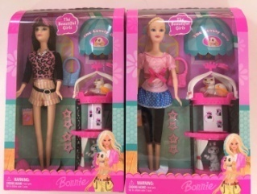 | 20.6*6.2*33 | 48 | 75*44*69 | 18.9 | 16.1 | $1.53 | 2 inner box
B20 | 1561779 | 11.5 inch barbie with pets shelf | 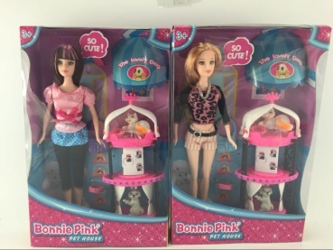 |  | 48 | 75*44*69 | 18.9 | 16.1 | $1.53 | 2 inner box
B21 | 6105 | 11.5 inch princess dress barbie |  | 23*33*6 | 48 | 77*50*72 | 15.6 | 11.8 | $1.30 | 2 inner box
B23 | 7704 | 11.5 inch joints yoga sets | 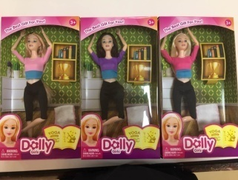 | 18.2*5.5*32.6 | 72 | 69*57*69 | 19.2 | 15.7 | $1.07 | 2 inner box
B24 | 7705 | 11.5 inch marcel waver sets |  |  | 48 | 69*45*68 | 16.5 | 14.6 | $1.34 | 2 inner box
B25 | 7107 | Five pieces 11.5 inch barbie |  | 40*25.4*31.1 | 100 | 54*42*67 | 11.6 | 10.2 | $0.66 | 25pcs/PDQ, 4 PDQ/ctn
D1 | 202 | 21 inch cotton doll with laughter IC |  | 16*13*46 | 24 | 87*46*67 | 20 | 16 | $3.28 | 2 inner box
D2 | 202E | 21 inch cotton doll with laughter IC |  | 16*13*46 | 25 | 87*46*67 | 20 | 16 | $2.96 | 2 inner box
D3 | 202F | 21 inch cotton doll with laughter IC |  | 16*13*46 | 12 | 88*63*53 | 16 | 14 | $4.05
D4 | 202H | 21 inch cotton doll with laughter IC | 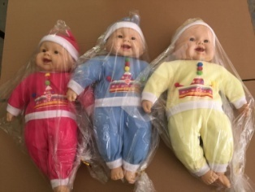 | 16*13*46 | 24 | 87*46*67 | 20 | 16 | $3.16 | 2 inner box
D5 | 3012 | 21 inch cotton doll with laughter IC | 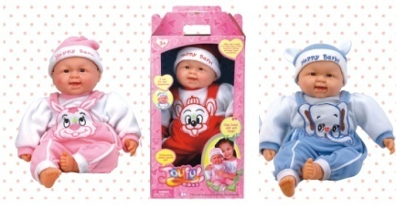 | 28.5*50*15.2 | 12 | 89*64*52 | 17.2 | 13.6 | $4.49
D6 | 202B | 21 inch cotton doll with laughter IC | 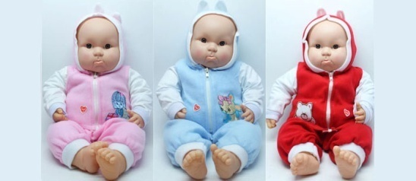 | 16*13*46 | 24 | 87*46*67 | 20 | 16 | $3.26 | 2 inner box
D7 | 202A | 18.5 inch cotton doll with laughter IC | 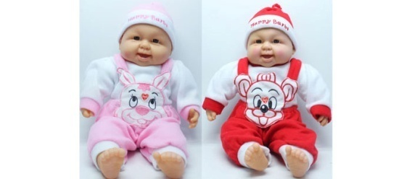 | 15*12*45 | 24 | 76*46*65 | 16 | 13 | $3.00 | 2 inner box
D8 | 202C | 18.9 inch cotton doll with laughter IC | 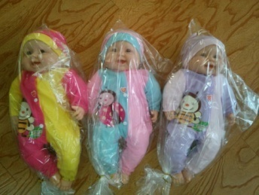 | 15*12*45 | 24 | 68*46*65 | 20 | 16 | $3.03 | 2 inner box
D9 | 202AB | 18.9 inch cotton doll with laughter IC | 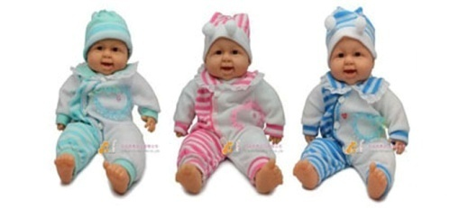 | 15*12*45 | 24 | 68*46*65 | 16 | 13 | $2.88 | 2 inner box
D10 | 212A | 18.9 inch cotton doll with laughter IC | 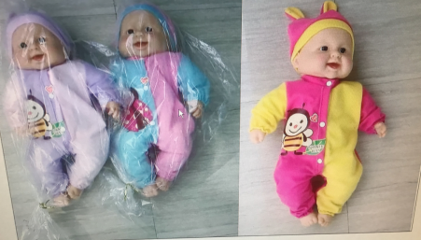 | 15*12*45 | 24 | 68*46*65 | 16 | 13 | $3.03 | 2 inner box
D11 | 212B | 18.10 inch cotton doll with laughter IC | 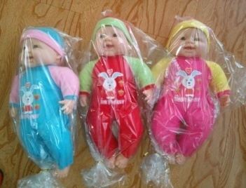 | 15*12*45 | 24 | 76*46*62 | 16 | 13 | $2.95 | 2 inner box
D12 | 212C | 18.9 inch cotton doll with laughter IC | 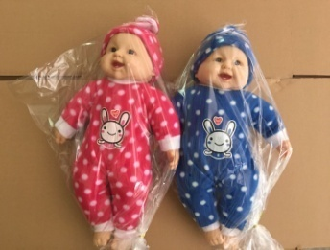 | 15*12*45 | 24 | 68*46*65 | 16 | 13 | $2.95 | 2 inner box
D13 | 3202 | 15.8 inch twins baby dolls |  | 39.5*12.5*43.6 | 12 | 75*43*92 | 20.1 | 16.7 | $6.16 | 2 inner box
D14 | 3203 | 15.8 inch baby boy with accessories |  | 31.5*15.5*25 | 12 | 65*51*54 | 11.4 | 7.9 | $3.17 | 2 inner box
D15 | 6367 | Pink woolen dolls, card bag |  | 6*40*20 | 48 | 77*44*66 | 23 | 21 | $2.56 | 2 inner box
D16 | 637 | 18.5 inch cotton boy and girl, card bag | 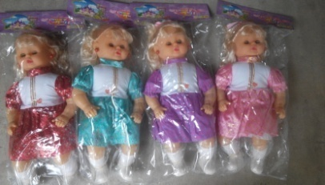 | 13.5*13*45 | 36 | 89*50*63 | 21 | 19 | $2.45 | 2 inner box
D17 | 6136B | 13.5 inch blinking eye girls, card bag | 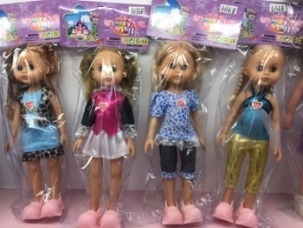 | 11*6*7 | 96 | 62*38*70 | 20 | 19 | $1.06 | 2 inner box
D18 | BF1001 | 13 inch berber fleece doll |  |  | 48 | 72*67*76 | 21.6 | 17.3 | $2.39 | 2 inner box
D19 | MC1601 | 15.5 inch sleeping doll | 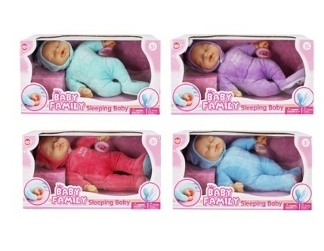 | 10*17*21.3 | 12 | 56.5*42.5*87 | 10.1 | 7.2 | $3.52 | 2 inner box
D20 | MC1602 | 15 inch sleeping doll, card bag |  | 12*9*37 | 48 | 76*48*52 | 15 | 12 | $2.54 | 2 inner box
D21 | MC1603 | 10 inch cotton boy doll, with four sounds IC | 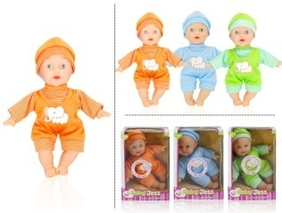 | 19*14*8 | 48 | 66*63*50 | 15.6 | 13.8 | $2.36 | 2 inner box
D22 | MC1604 | 10 inch color dots doll, with four sounds IC | 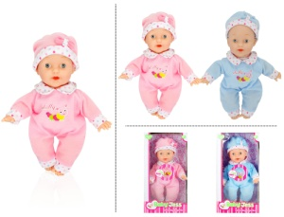 | 16*14*6 | 48 | 66*55*64 | 18.2 | 14.7 | $2.40 | 2 inner box
D23 | MC1605 | 12 inch cotton doll with feeding bottle accessories, four sounds IC | 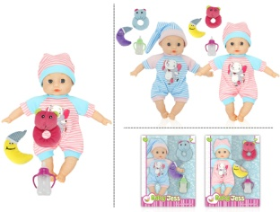 | 14.5*10.5*31.5 | 24 | 66*52*68 | 7.3 | 5.2 | $3.14 | 2 inner box
D24 | MC1606 | 12 inch cotton doll with cutlery sets, four sounds IC | 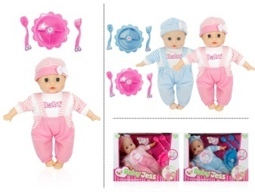 | 22.5*30*11.5 | 24 | 72*63*50 | 14 | 10.4 | $3.10 | 2 inner box
D25 | MC1607 | 12 inch cotton dress girl with hair accessories, four sounds IC | 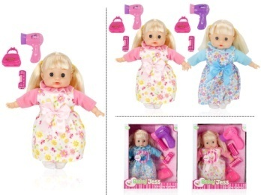 | 26*32*10 | 24 | 66*55*69 | 14.1 | 10.8 | $2.90 | 2 inner box
D26 | MC1608 | 12 inch corduroy dress cotton girl with four sounds IC | 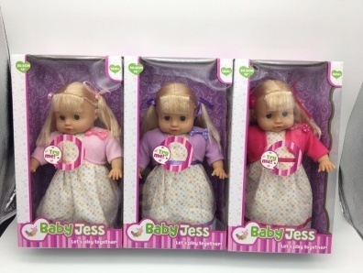 | 17.5*10*32 | 36 | 66*55.5*69 | 15.7 | 13.9 | $2.88 | 2 inner box
D27 | MC1609 | 16 inch shirt cotton boy doll | 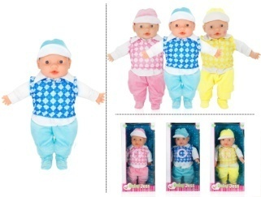 | 21*43.5*11.5 | 12 | 71*44*45.5 | 8.5 | 7.1 | $4.15 | 2 inner box
D28 | MC1610 | 9 inch animal suit doll with cardle and feeding bottle sets | 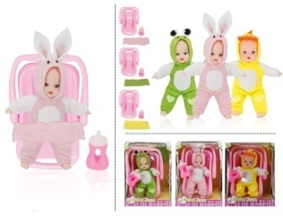 | 16*23*16 | 12 | 61*57*27 | 6.4 | 4.7 | $3.32 | 2 inner box
D29 | MC1611 | Round ear sheep cap doll, PDQ |  |  | 24 |  |  |  | $1.56
D30 | MC1612 | Eco-friendly, 12 inch twins doll, with four sounds IC | 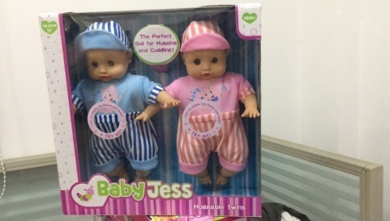 | 32*10.5*31 | 24 | 68*68*66 |  |  | $5.28 | 2 inner box
D31 | DD1701 | Eco-friendly, 12 inch stripes overalls, with four sounds IC | 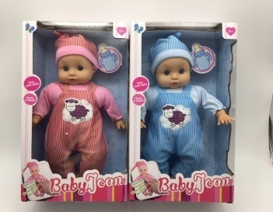 | 30*18.5*9.5 | 36 | 61*59*67 | 16.9 | 13.7 | $2.37 | 2 inner box
D32 | DD1702 | Eco-friendly, 10 inch stripes baby doll with feeding bottle, four sounds IC | 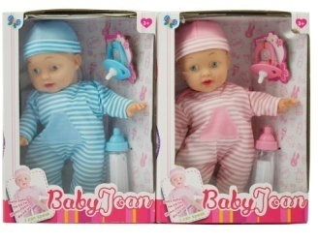 | 18.1*8.5*25 | 36 | 55*57.5*53.5 | 16.9 | 13.7 | $2.61 | 2 inner box
D33 | DD1703 | Eco-friendly, 10 inch stripe baby suit with feeding bottle, four sounds IC |  | 18.3*8.7*25 | 36 | 55*57.5*53.5 | 14.3 | 11.5 | $2.40 | 2 inner box
D34 | DD1704 | Eco-friendly, 12 inch stripe cotton doll, with feeding bottle and potty accessories, four sounds IC | 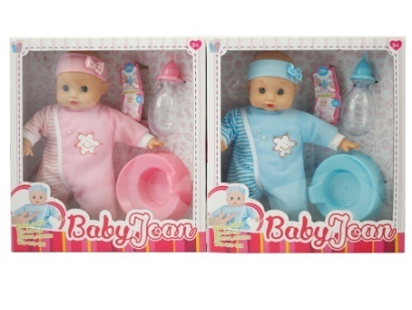 | 28*9.6*30.5 | 24 | 61*59*64.5 | 14.9 | 11.4 | $2.81 | 2 inner box
D35 | DD1705 | 15.8 inch red and blue cotton dolls, with powder bottle and pump shampoo bottle | 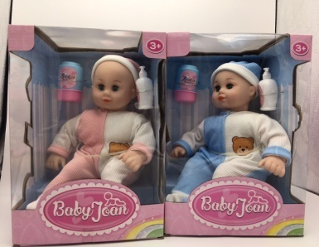 | 22*20.6*30.5 | 12 | 65*48*65 | 19 | 17 | $4.63 | 2 inner box
D36 | DD1706 | 15.8 inch pink dress cotton doll, with comb and mirror | 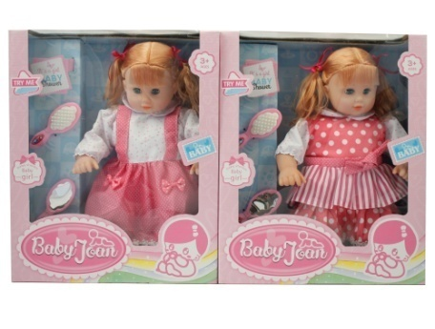 | 43.6*32.5*12.5 | 12 | 69*40.5*83 | 12.4 | 9.3 | $4.02 | 2 inner box
D37 | DD1707 | Stripe cap twins doll | 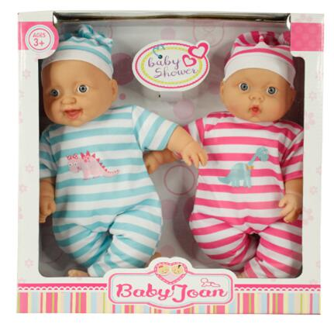 | 31.5*11*32 | 24 | 66.5*65*66.5 |  |  | $4.76 | 2 inner box
D38 | DD1708 | 10 inch shivering doll | 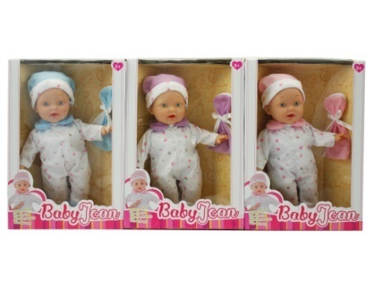 |  | 36 | 80*42*60 |  |  | $2.47 | 2 inner box
D39 | A112 | 11.5 inch cake girl with little baby | 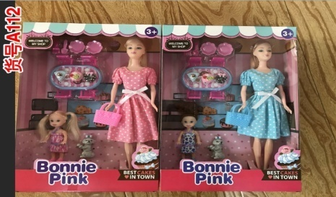 | 22.2*5.6*32.8 | 48 | 69*48*71 | 16.7 | 13.8 | $1.55 | 2 inner box
D40 | A113 | 11.5 inch supermarket shopping girl | 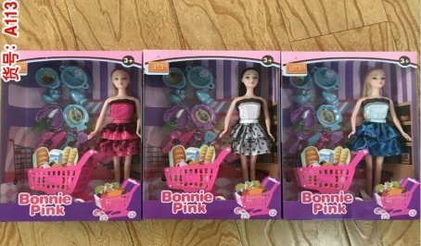 | 23.2*7.8*32.8 | 36 | 71*48.5*70 | 14.3 | 11.3 | $1.47 | 2 inner box
D41 | A114 | 11.5 inch seaside vacation girl | 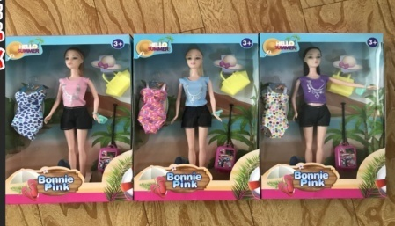 | 22.2*5.8*33 | 48 | 68*47*68 |  |  | $1.27 | 2 inner box

