Sheet1
LINYING CHANGSHENG BABY CARRIAGE MANUFACTURING CO.,LTD PRICE LISE(FOB QINGDAO)
Contact person: Bella zhang Phone:15890201211 Email：beitang@cstongche.com Tax:008615890201211 Factory adress:Linying daguo industrial park,Luohe city, Henan province,China
EXW Price
1 | Item NO | CS-A7 | 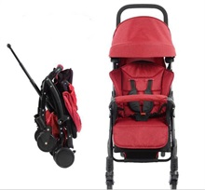 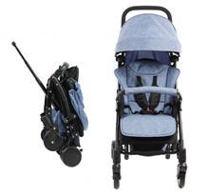 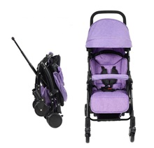 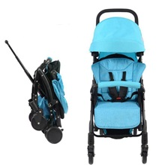
 | Packing | 1pcs/ctn
 | G.W./N.W. | 6/7kg
 | Packing Size(cm) | 43*27*57cm
 | MOQ | 100pcs
 | Price: | RMB198

2 | Item NO | CS-A7(aluminium) | 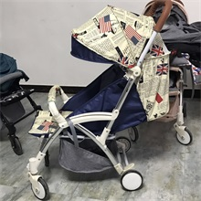
 | Packing | 2pcs/ctn
 | G.W./N.W. | 4.5/5kg
 | Packing Size(cm) | 43*27*58cm
 | MOQ | 100pcs
 | Price: | RMB268

3 | Item NO | CS-8003
 | Packing | 2pcs/ctn
 | G.W./N.W. | 8/7kgs
 | Packing Size(cm) | 40.5*90*50cm
 | MOQ | 100pcs
 | Price: | RMB132
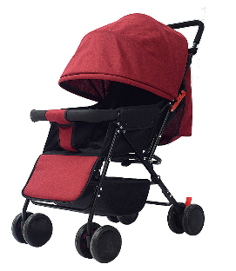
4 | Item NO | CS-8008 | 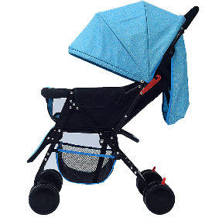 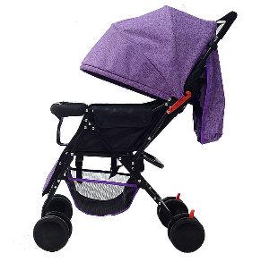 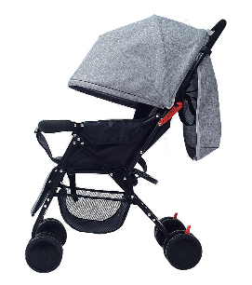
 | Packing | 2pcs/ctn
 | G.W./N.W. | 6.5/7kgs
 | Packing Size(cm) | 72*42*48cm
 | Packing | 4pcs/set,40HQ:
 | MOQ | 100pcs
 | Price: | RMB95

5 | Item NO | CS-16
 | Packing | 2pcs/ctn
 | G.W./N.W. | 7/8kgs
 | Packing Size(cm) | 78*39.5*52.5
 | Packing | 2pcs/ctn,40HQ:830pcs
 | MOQ | 100pcs
 | Price: | RMB126.5

6 | Item NO | CS-19(different handle) | 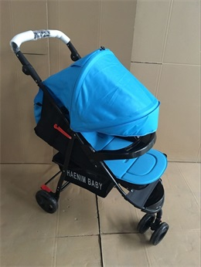
 | Packing | 2pcs/ctn
 | G.W./N.W. | 8kg/7kg
 | Packing Size(cm) | 86*45*28
 | Packing | 20"GP:458pcs 40"HQ:1200pcs
 | MOQ | 300pcs
 | Price: | RMB135

7 | Item NO | CS-806F1 | 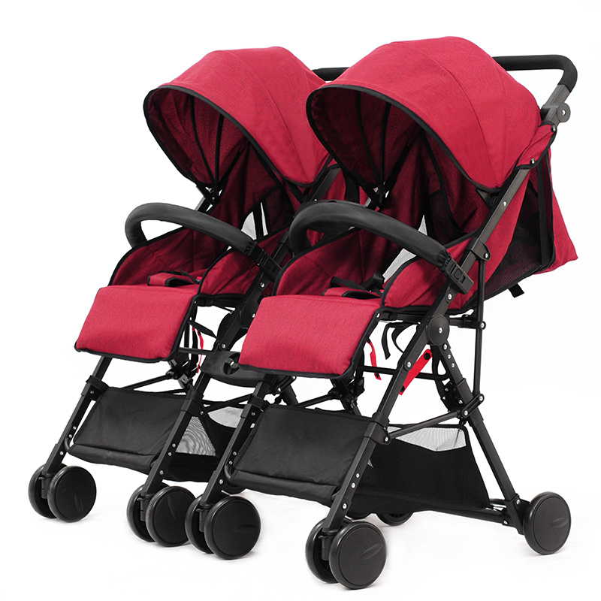 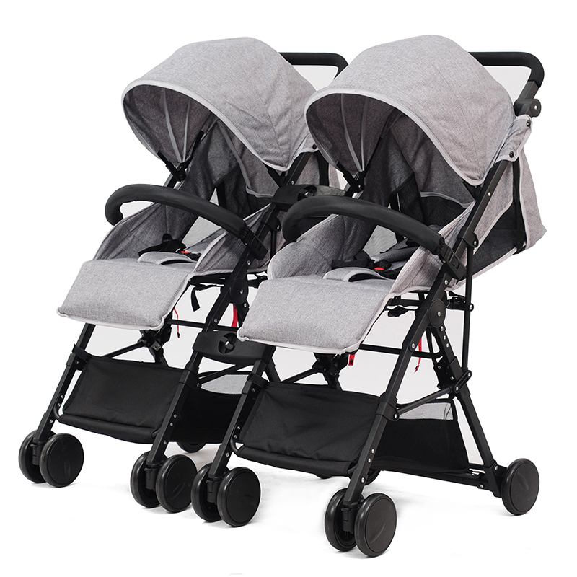 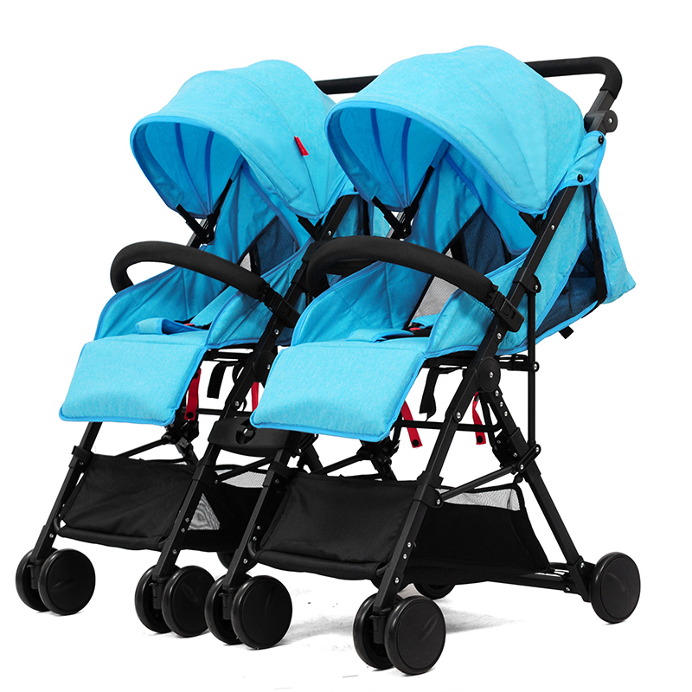 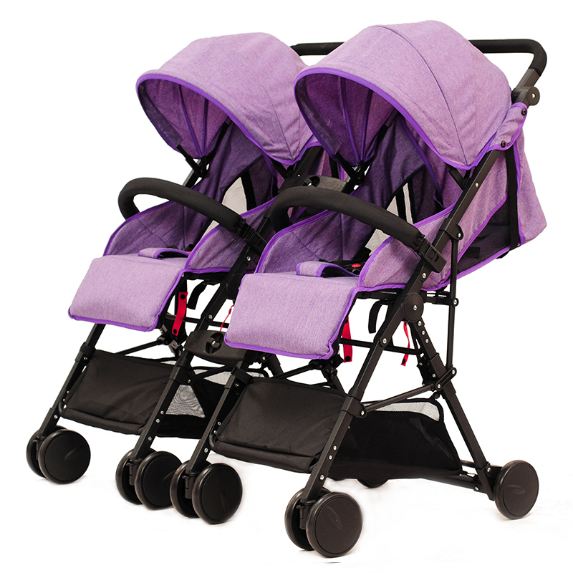
 | Packing | 2pcs/ctn
 | G.W./N.W. | 10KG/9KG
 | Packing Size(cm) | 47*36*61
 | MOQ | 100pcs
 | Price: | RMB405

8 | Item NO | CS-8007 | 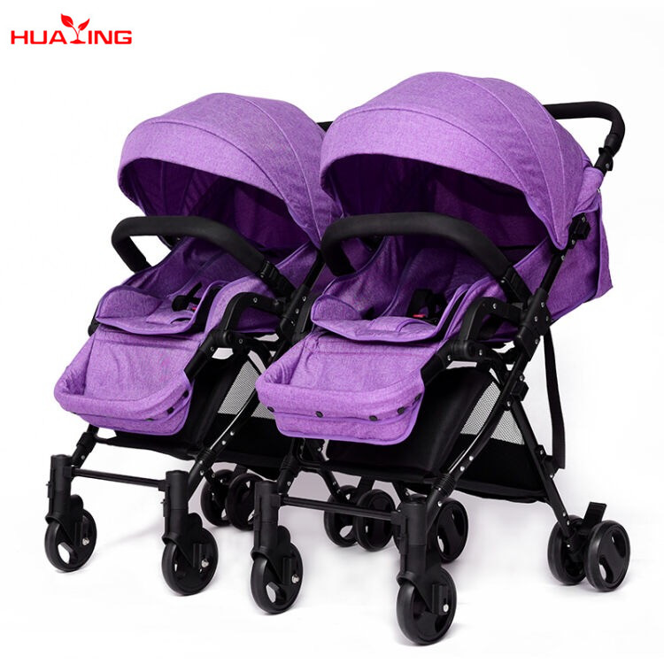 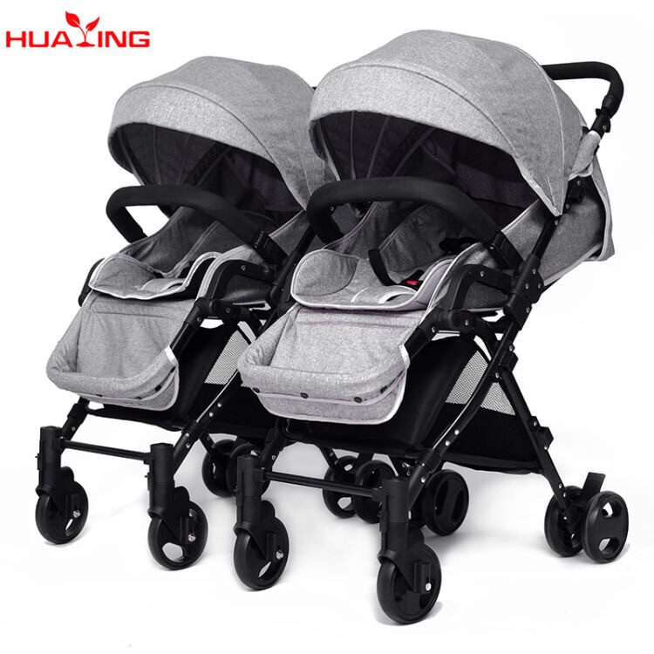 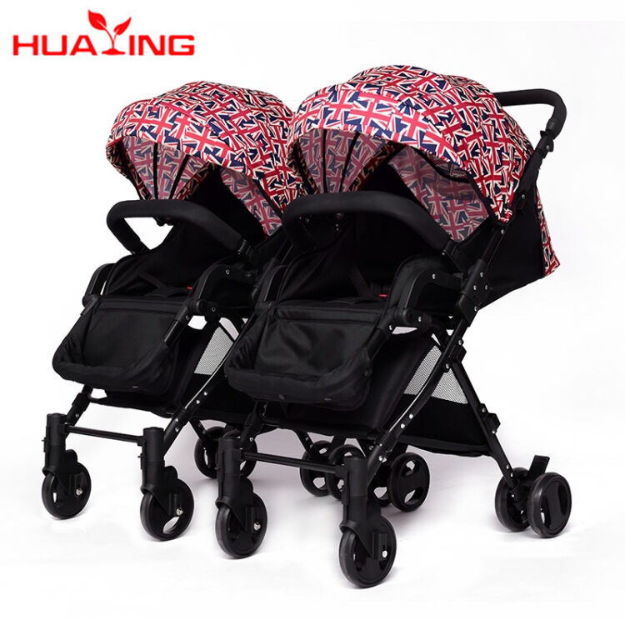 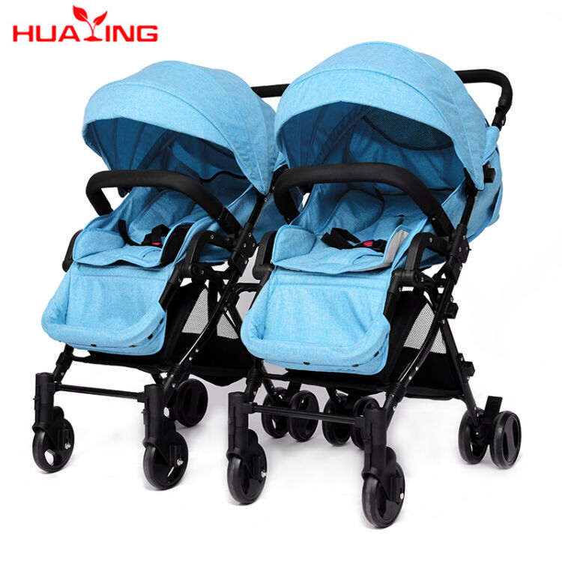
 | Packing | 2pcs/ctn
 | G.W./N.W. | 14KG/13KG
 | Packing Size(cm) | 71*51*43
 | MOQ | 100pcs
 | Price: | RMB473

9 | Item NO | CS-21F | 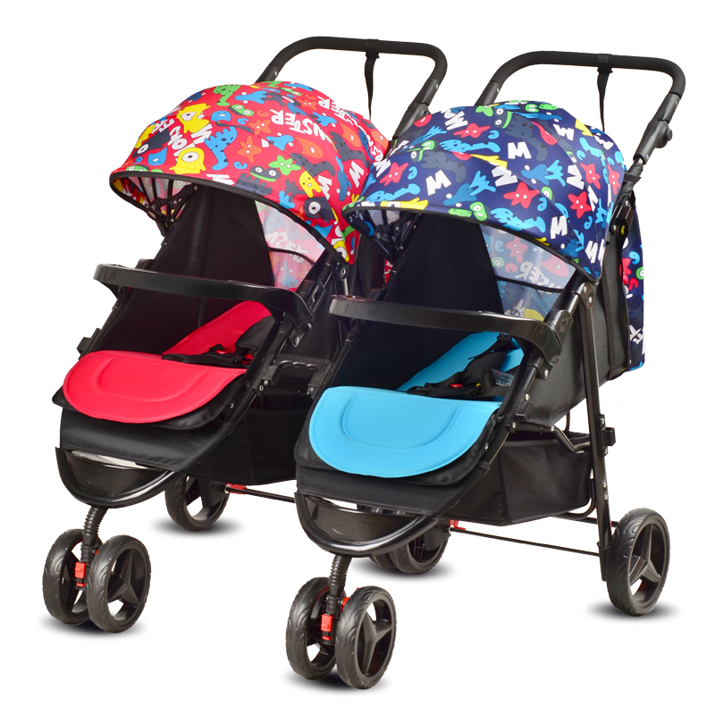 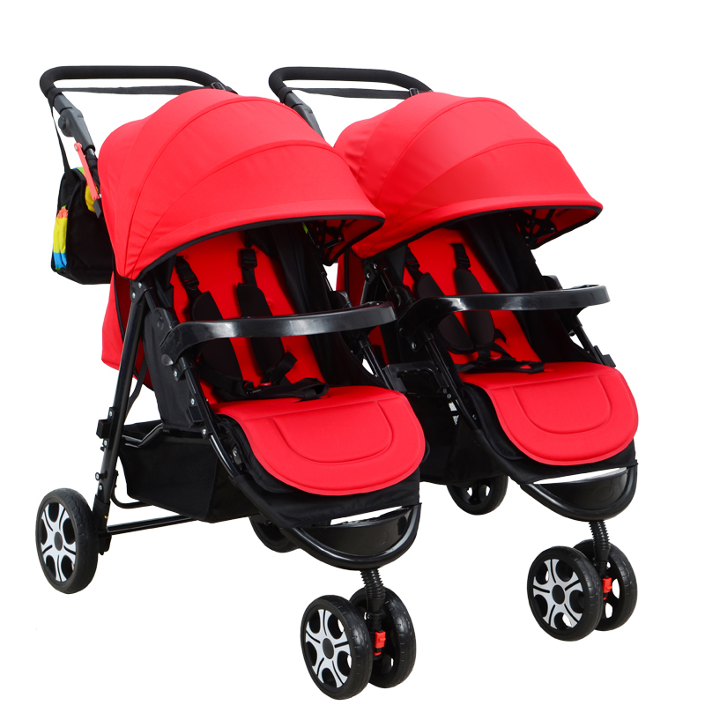 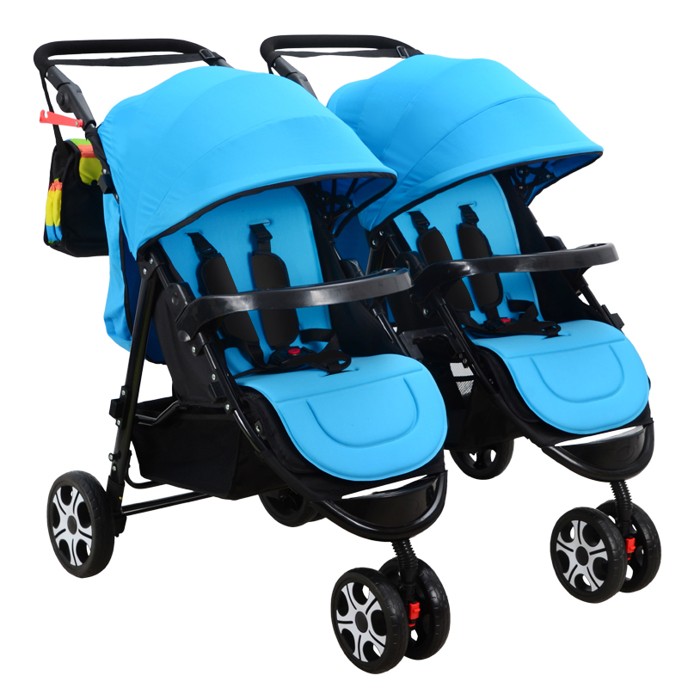
 | Packing | 1set/ctn
 | G.W./N.W. | 15/16kg
 | Packing Size(cm) | 93*54*28cm
 | MOQ | 100pcs
 | Price: | RMB379

10 | Item NO | CS-21A | 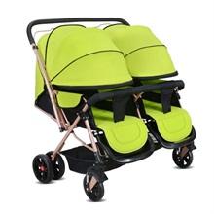 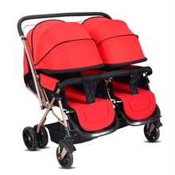 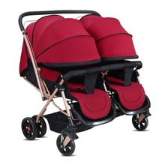 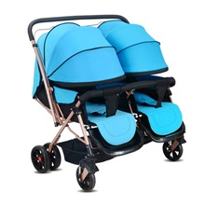
 | Packing | 1set/ctn
 | G.W./N.W. | 15/16kg
 | Packing Size(cm) | 93*54*29cm
 | MOQ | 100pcs
 | Price: | RMB279

11 | Item NO | CS-8003double |  4colors
 | Packing | 1set/ctn
 | G.W./N.W. | 15/14kgs
 | Packing Size(cm) | 40.5*90*50cm
 | Packing | 1set/ctn,,40HQ:360sets
 | MOQ | 100pcs
 | Price: | RMB301

12 | Item NO | CS-11B | 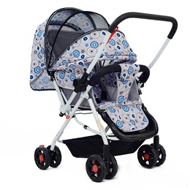 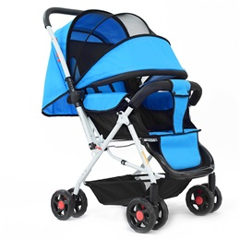 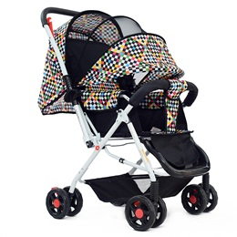 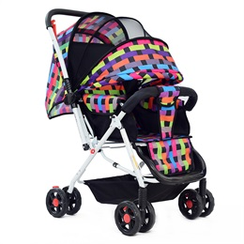
 | Handle | reversible
 | Packing | 2pcs/ctn
 | G.W./N.W. | 9/8KG(one stroller)
 | Packing Size(cm) | 82*22*53cm
 | MOQ | 100pcs
 | Price: | RMB113.8

13 | Item NO | CS-501T | 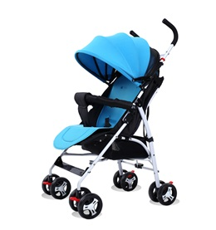 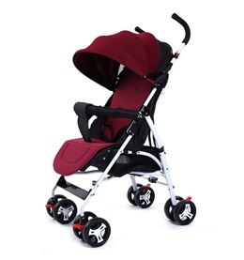 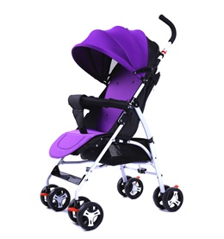 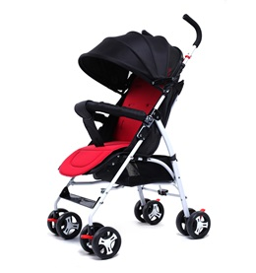 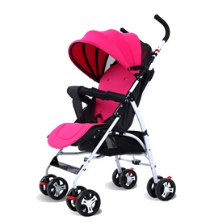
 | Packing Size(cm) | 110*23*28cm
 | Packing | 2pcs/carton
 | G.W./N.W. | 7/6.5KG(one stroller)
 | MOQ | 300pcs
 | Price: | RMB109

14 | Item NO | CS-501D | 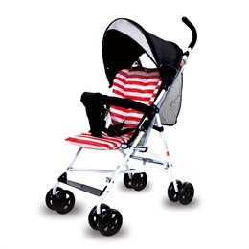 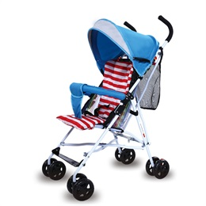 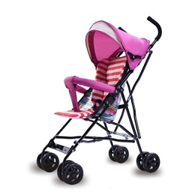 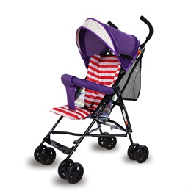
 | G.W./N.W. | 5/4.8kg
 | Packing Size(cm) | 110*40*28cm
 | G.W./N.W. | 8/7KG(one stroller)
 | Packing | 4pcs/carton
 | MOQ | 300pcs
 | Price: | RMB78

15 | Item NO | CS-F008
 | G.W./N.W. | 7/6.5kg
 | Packing Size(cm) | 110*40*28cm
 | G.W./N.W. | 7/6.5KG(one stroller)
 | Packing | 4pcs/carton
 | MOQ | 300pcs
 | Price: | RMB76

16 | Item NO | CS-601A | 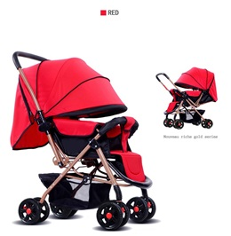 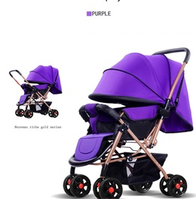 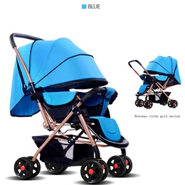 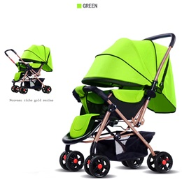
 | Packing | 2pcs/ctn
 | G.W./N.W. | 8/9kg
 | Packing Size(cm) | 82*22*53cm
 | MOQ | 300pcs
 | Price: | RMB135

17 | Item NO | CS-16B | 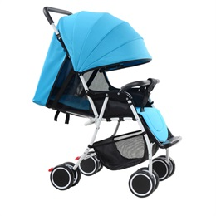 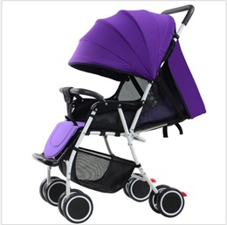 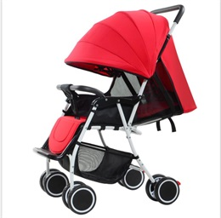 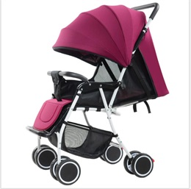
 | Packing | 2pcs/ctn
 | G.W./N.W. | 5/6kg
 | Packing Size(cm) | 42*32*90cm
 | MOQ | 100pcs
 | Price: | RMB105

18 | Item NO | CS-608F-1 Aluminium | 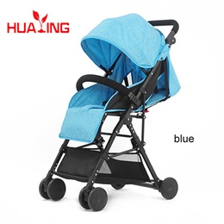 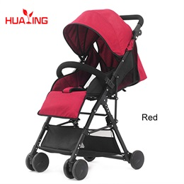 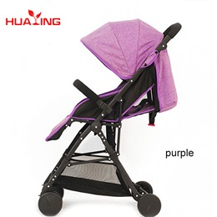 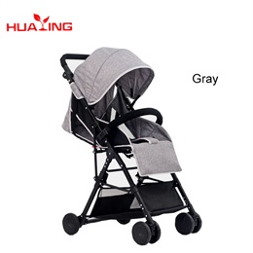
 | Packing | 1pc/ctn
 | G.W./N.W. | 5/6kg
 | Packing Size(cm) | 49*20*62.5cm
 | MOQ | 100pcs
 | Price: | RMB193

19 | Item NO | CS-8001 | 
 | Packing | 1pc/ctn
 | G.W./N.W. | 12/13kg
 | Packing Size(cm) | 53*23*80cm
 | MOQ | 500pcs
 | Price: | RMB181

20 | Item NO | CS-11 |   
 | Packing | 2pcS/ctn
 | G.W./N.W. | 8/9kg
 | Packing Size(cm) | 82*22*53cm
 | MOQ | 300pcs
 | Price: | RMB113

21 | Item NO | CS-15B |     
 | Packing | 1pc/ctn
 | G.W./N.W. | 8/9kg
 | Packing Size(cm) | 80*49*29cm
 | MOQ | 500pcs
 | Price: | RMB205





22 | Item NO | CS-609
 | Packing | 1pc/ctn
 | G.W./N.W. | 16/15kg
 | Packing Size(cm) | 53*23*80cm
 | MOQ | 500pcs
 | Price: | RMB188

