ENG
Techpanel®
 www.techpanel.com.cn
Price List

報價單
Our Ref. | PET panel |  |  | Date: | 2017 09 13
From: | Lucy Fan |  |  | Valid: | in 30 days
Mob: | +86 150 501 59144 |  |  | Email: | lucy@techpanel.com.cn
HS CODE:3920690000
Items | Application | Name | Picture | Size (mm) | Unit price （USD$） | Discount information (piece) | MOQ (piece)
1 | decoration 装饰类 | potato chips 薯片 | 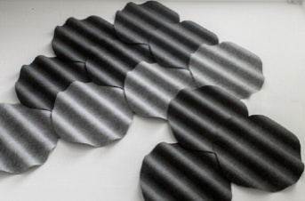 | 740*750*76 | 20 | 200≤order＜500, 10% discount; 500≤order＜1000, 15% discount; 1000≤order, 20% discount. | 20
2 |  | fallen leaves 落叶 | 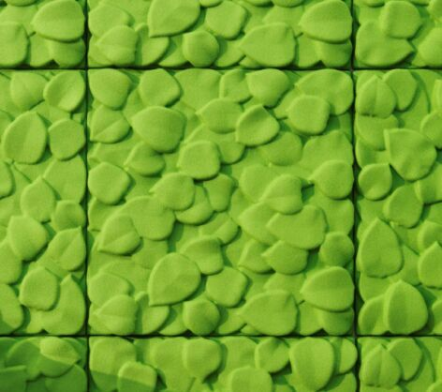 | 600*600*60 | 17 | 200≤order＜500, 10% discount; 500≤order＜1000, 15% discount; 1000≤order, 20% discount. | 20
3 |  | donut 甜甜圈 | 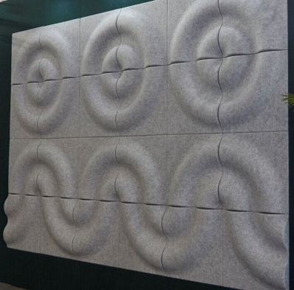 | 600*600*65 | 14 | 200≤order＜500, 10% discount; 500≤order＜1000, 15% discount; 1000≤order, 20% discount. | 20
4 |  | sinkhole 天坑 | 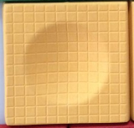 | 600*600*65 | 13 | 200≤order＜500, 10% discount; 500≤order＜1000, 15% discount; 1000≤order, 20% discount. | 20
5 | decoration 装饰类 | big drum 大鼓 | 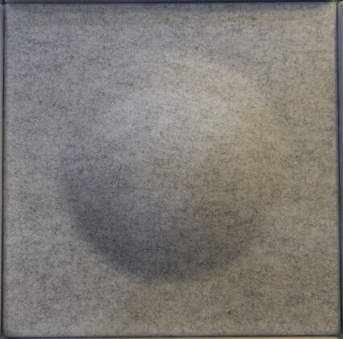 | 600*600*60 | 12 | 200≤order＜500, 10% discount; 500≤order＜1000, 15% discount; 1000≤order, 20% discount. | 20
6 |  | bamboo 竹纹 | 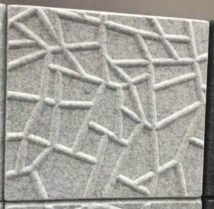 | 500*500*25 | 6.5 | 200≤order＜500, 10% discount; 500≤order＜1000, 15% discount; 1000≤order, 20% discount. | 20
7 |  | double happiness 双喜 | 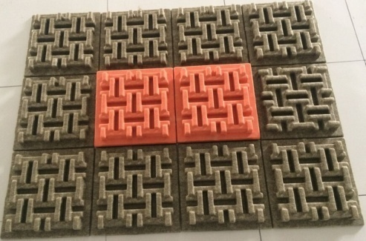 | 350*350*50 | 7 | 200≤order＜500, 10% discount; 500≤order＜1000, 15% discount; 1000≤order, 20% discount. | 50
8 |  | diamond 钻石 | 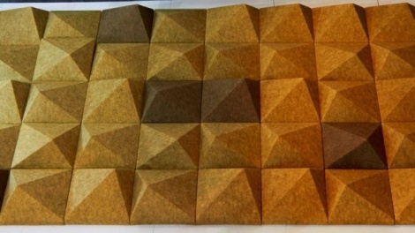 | 300*300*85 | 5 | 200≤order＜500, 10% discount; 500≤order＜1000, 15% discount; 1000≤order, 20% discount. | 50
9 |  | snow flake 雪花 |  | 300*260 | 1 | 200≤order＜500, 10% discount; 500≤order＜1000, 15% discount; 1000≤order, 20% discount. | 20
10 |  | stairs 台阶 | 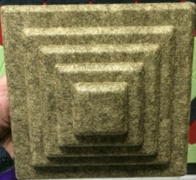 | 200*200*60 | 2 | 200≤order＜500, 10% discount; 500≤order＜1000, 15% discount; 1000≤order, 20% discount. | 200
11 | decoration 装饰类 | little drum 小鼓 | 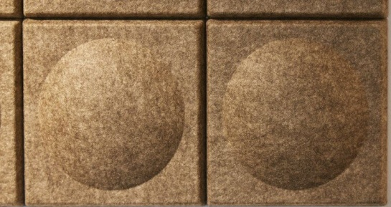 | 200*200*35 | 2 | 200≤order＜500, 10% discount; 500≤order＜1000, 15% discount; 1000≤order, 20% discount. | 200
12 |  | cube sugar 方糖 |  | 200*200*30 | 2 | 200≤order＜500, 10% discount; 500≤order＜1000, 15% discount; 1000≤order, 20% discount. | 200
13 |  | X | 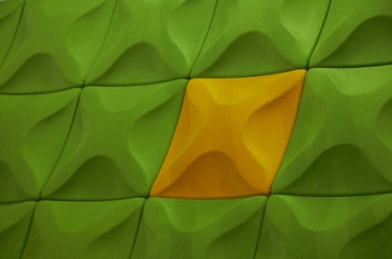 | 200*200*30 | 2 | 200≤order＜500, 10% discount; 500≤order＜1000, 15% discount; 1000≤order, 20% discount. | 200
14 |  | cross 十字交叉 | 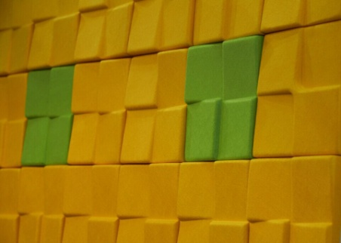 | 200*200*30 | 2 | 200≤order＜500, 10% discount; 500≤order＜1000, 15% discount; 1000≤order, 20% discount. | 200
15 |  | arrow 箭头 | 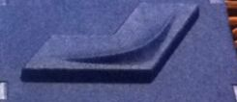 | 200*130*30 | 1.2 | 200≤order＜500, 10% discount; 500≤order＜1000, 15% discount; 1000≤order, 20% discount. | 20
16 | clocks 钟类 | Yi Clock 漪 | 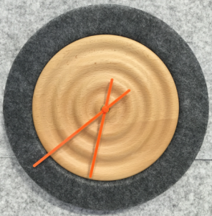 | 300*300*40 | 30 | 200≤order＜500, 10% discount; 500≤order＜1000, 15% discount; 1000≤order, 20% discount. | 20
17 |  | Ling Clock 棱 | 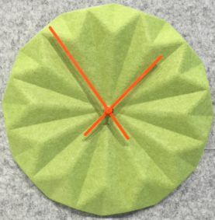 | 300*300*40 | 25 | 200≤order＜500, 10% discount; 500≤order＜1000, 15% discount; 1000≤order, 20% discount. | 20
18 |  | Xing Clock 星 | 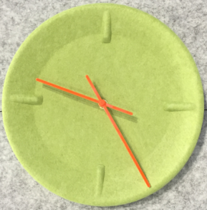 | 300*300*40 | 25 | 200≤order＜500, 10% discount; 500≤order＜1000, 15% discount; 1000≤order, 20% discount. | 20
19 | chairs 椅子 | dining chair 灯挂椅 | 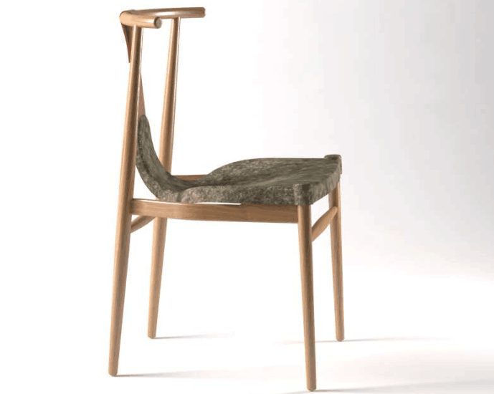 | 670*650*870 | 90 | chair top is 21 USD | 5
20 |  | pot chair 锅椅 | 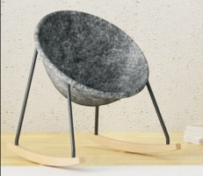 | 600*750*700 | 78 | chair top is 45 USD | 5
21 | chairs 椅子 | cake chair 蛋糕椅 | 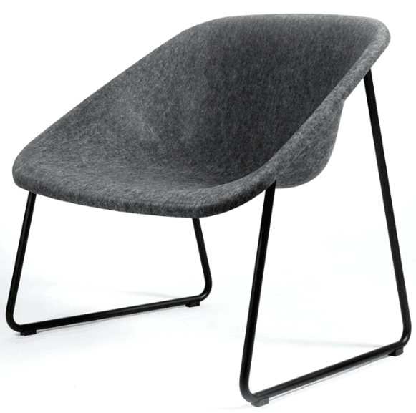 | 810*690*850 | 61 | chair top is 41 USD | 5
22 |  | eames chair 伊姆斯椅 | 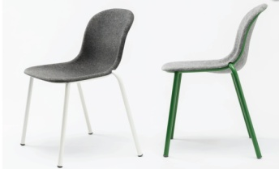 | 610*490*810 | 41 | chair top is 27 USD | 5
23 |  | bar chair 吧椅 | 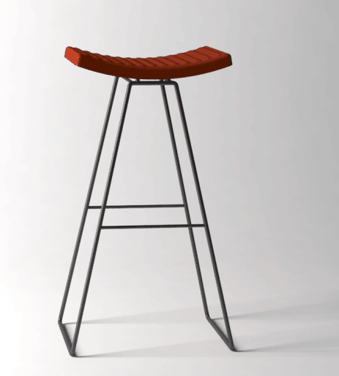 | 500*860*390 | 38 | chair top is 11 USD | 5
24 | lamps 灯具 | umbrella lamp 伞灯 | 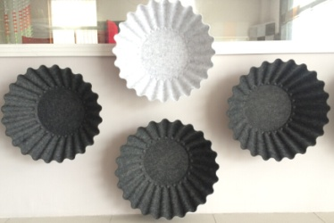 | 600*600*200 | 22 | 200≤order＜500, 10% discount; 500≤order＜1000, 15% discount; 1000≤order, 20% discount. | 5
25 |  | flower lamp 花灯 | 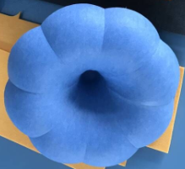 | 440*440*150 | 31 | 200≤order＜500, 10% discount; 500≤order＜1000, 15% discount; 1000≤order, 20% discount. | 5
26 | lamps 灯具 | rocket lamp 火箭灯 |  | 400*400*400 | 35 | 200≤order＜500, 10% discount; 500≤order＜1000, 15% discount; 1000≤order, 20% discount. | 5
27 |  | bell lamp 钟灯 | 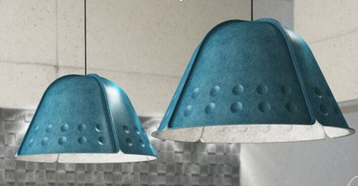 | 860*860*550 | 77 | 200≤order＜500, 10% discount; 500≤order＜1000, 15% discount; 1000≤order, 20% discount. | 5
28 |  | cover lamp 罩灯 |  | 860*1720* 550 | 204 | 200≤order＜500, 10% discount; 500≤order＜1000, 15% discount; 1000≤order, 20% discount. | 5
29 |  | stone lamp 岩石灯 | 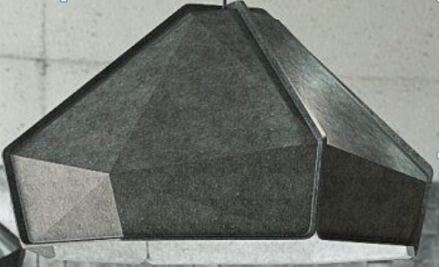 | 1150*1150* 550 | 114 | 200≤order＜500, 10% discount; 500≤order＜1000, 15% discount; 1000≤order, 20% discount. | 5
30 |  | stone cover lamp 岩石罩灯 | 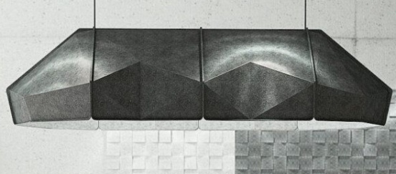 | 860*1720* 550 | 204 | 200≤order＜500, 10% discount; 500≤order＜1000, 15% discount; 1000≤order, 20% discount. | 5
31 | plain panel 平板 | 9mm |  | 1220*2440*9 | 19 | 200≤order＜500, 10% discount; 500≤order＜1000, 15% discount; 1000≤order, 20% discount. | 10

Ps: All the products have 40 colors for your choice.
Terms | EXW Suzhou
Payment | 50% T/T in advance and 50% before shipping for a whole container
Loadport | Shanghai |  |  |  | Destination

Please note： 1.All sizes are nominal and are subject to manufacturing tolerances that may vary + or – 1mm for thickness and +or-3mm for width& length. Exact fitting may require on site adjustment by the purchaser. Exact size and other unavoidable variables such as dye lot color variances, lighting conditions, pattern matching, directional materials, expansion and contraction due to environmental conditions. Project with exacted visual requirements and expectation must be identified for our special attention prior to ordering. 2.Although we take extensive precautions and purge the lines between colors, due to the manufacturing process color inconsistencies including die lot variations, flecks, specks, and other slight surface blemishes are unavoidable.But we have strict quality inspection system, will strictly control product quality, to ensure every product meets quality standards.
All rights reserved by Techpanel

