Babydoll
style No and Description | Price $（more than 1000pcs) | photos |  |  | Color | Fabric
6065 wholesale high stretch shinny sexy transparent braces skirt bodysuit sexy lingerie underwear | 1.78 | 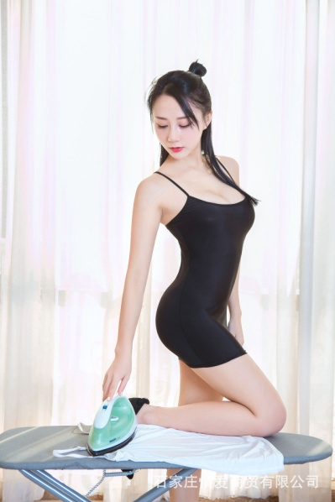  | 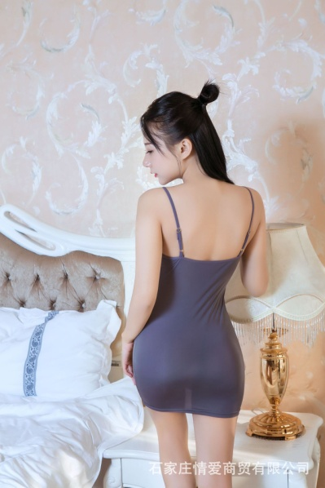 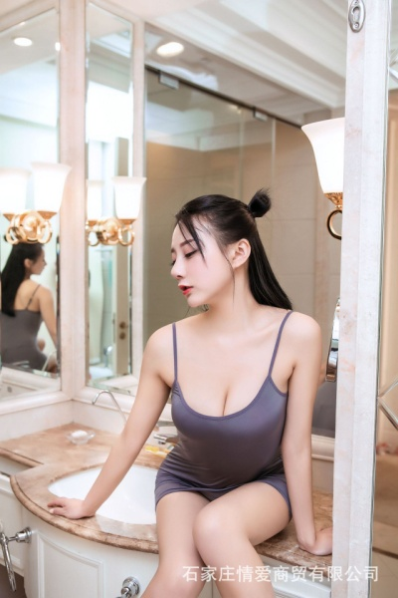 |  | white,black,pink, grey | 88%nylon12%spandex
6256 wholesale woman girl ladies sexy tight bodysuit hip skirt sexy lingerie underwear | 1.28 | 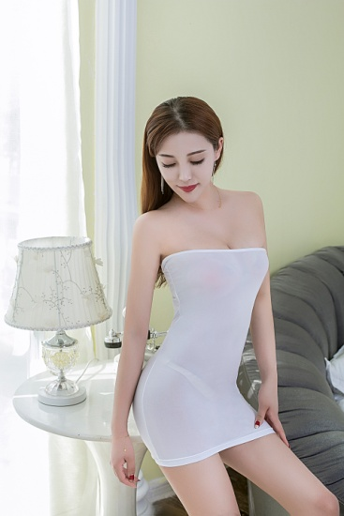 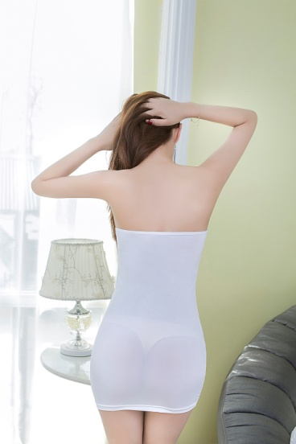 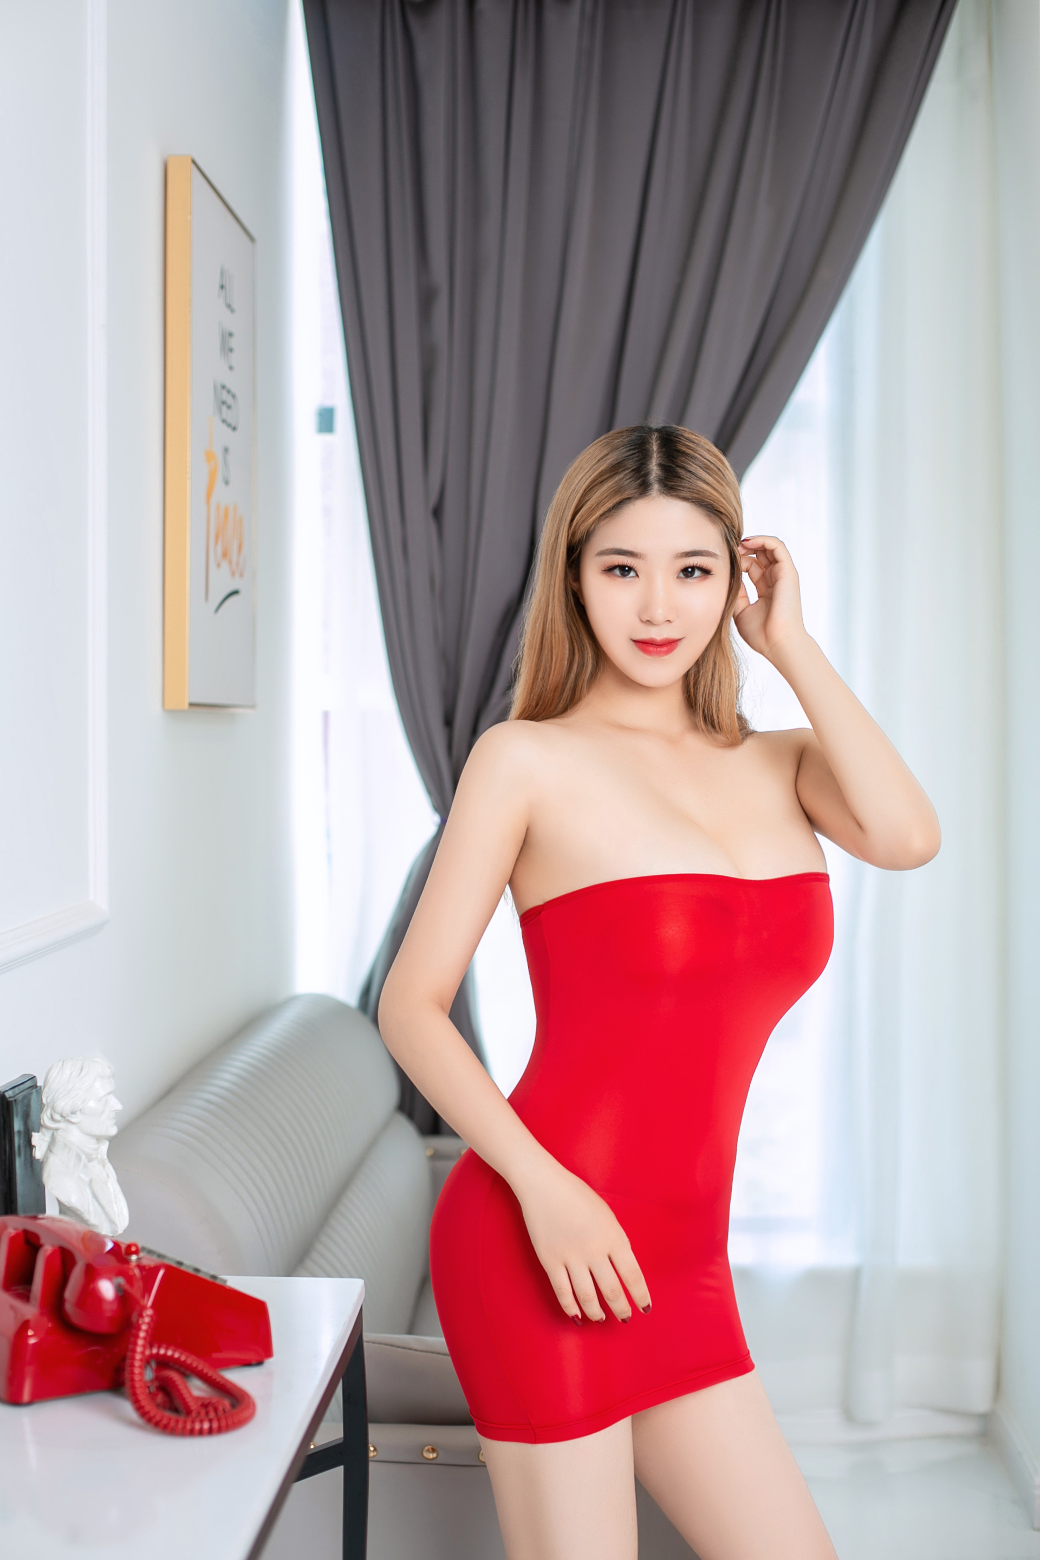 | 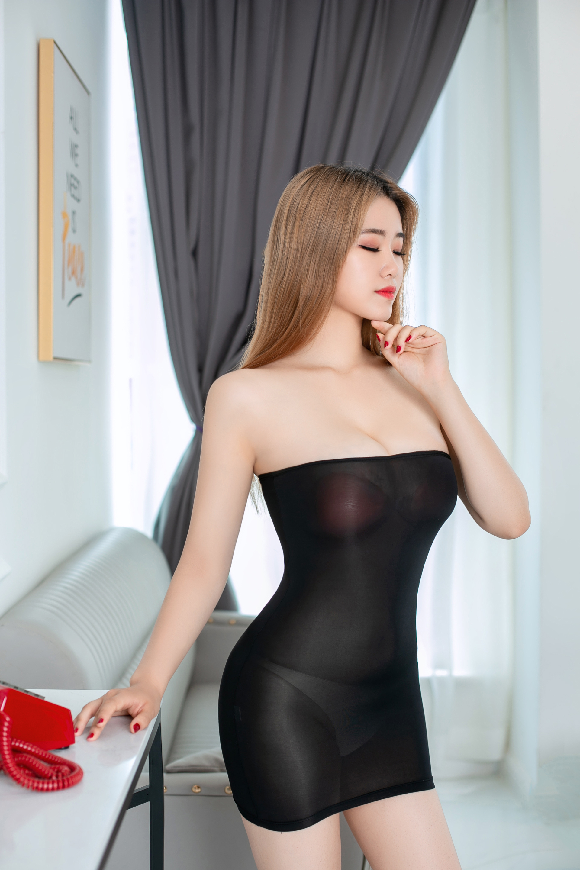 | 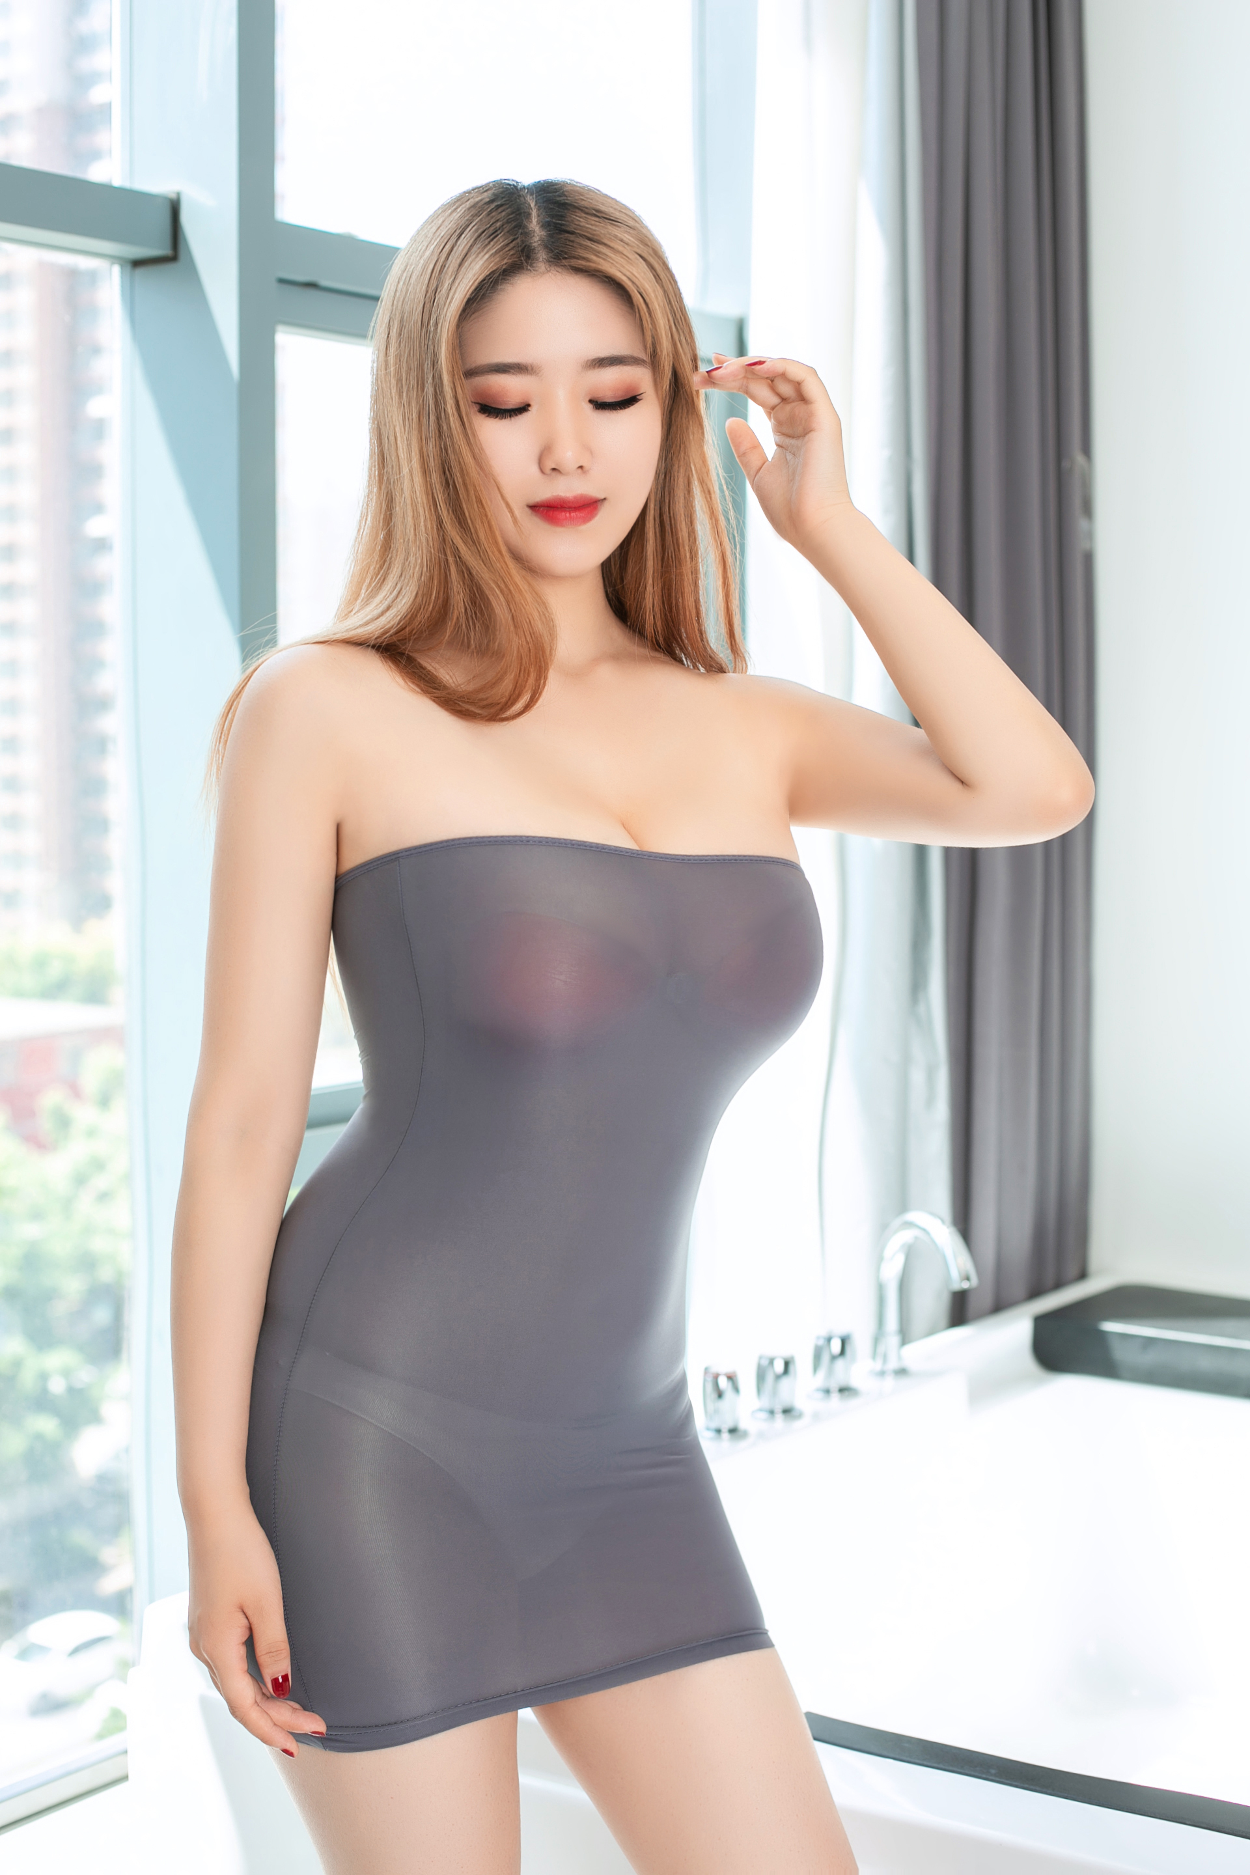 | white,black,gray,red | 88%nylon12%spandex
6289 wholesale women sexy erotic mesh transparent night club party charming sexy skirt babydoll sexy lingerie underwear | 3.45 | 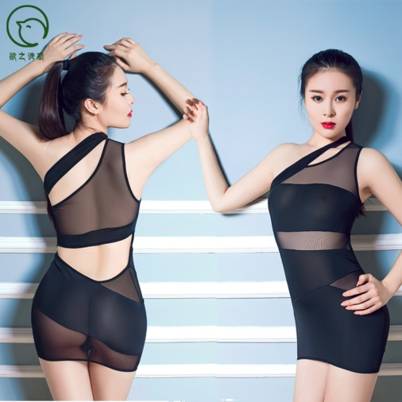 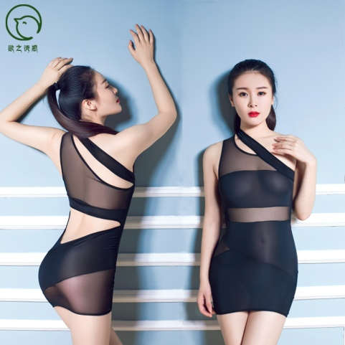 |  |  | black | mesh/spandex
6237 wholesale hot mesh transparent 2-sets exposed nipple and hip sexy sleepwear sexy lingerie underwear | 3.7 | 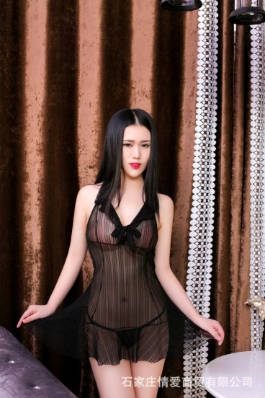 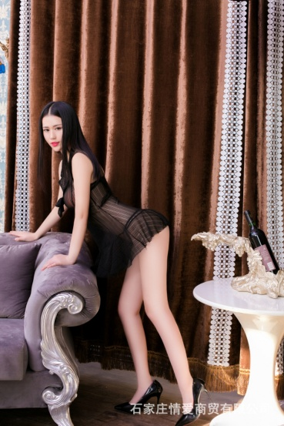 | 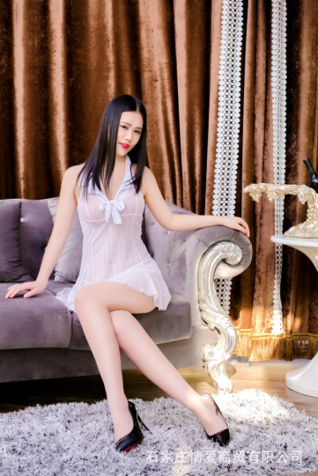 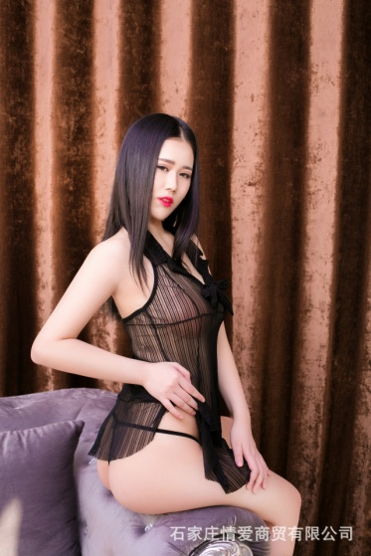 |  | black | 88%nylon12%spandex
6026 wholesale sexy long dress mesh lace transparent babydoll sleepsuit sleepwear sleepgown sexy lingerie underwear | 5 | 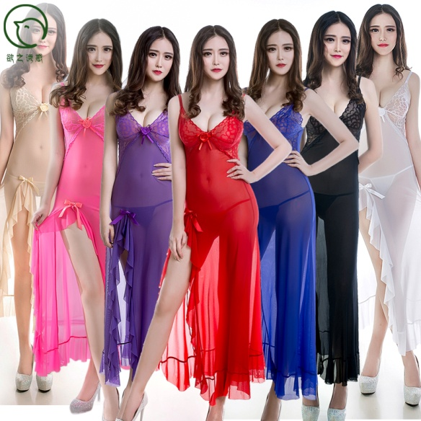  |  |  | nude,pink,purple,red,blue,black,white | 88%nylon12%spandex
6069 the seduction super thin transparent sexy skirt backless sexy bodysuit sexy lingerie underwear | 2.65 | 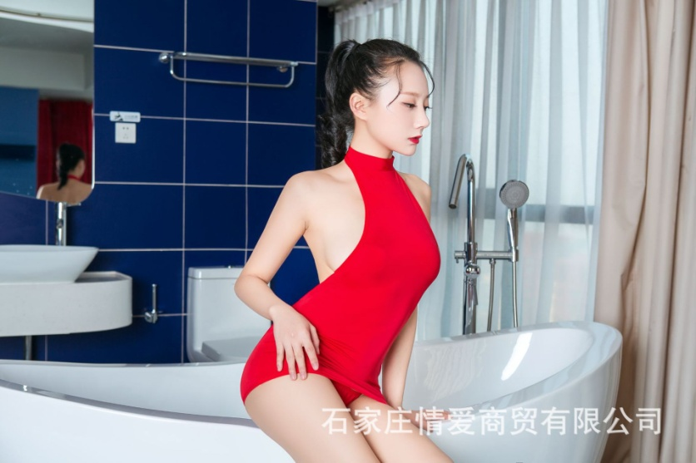 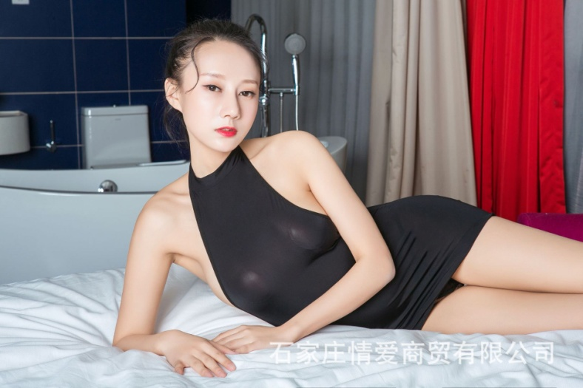 |  | 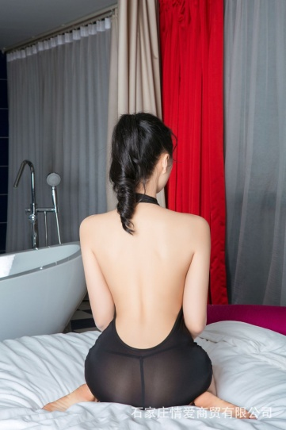 | red,black,white, pink,grey | 88%nylon12%spandex
6249 wholesale sexy mesh transparent lace braced babydoll sexy sleepwear lingerie underwear | 4.3 | 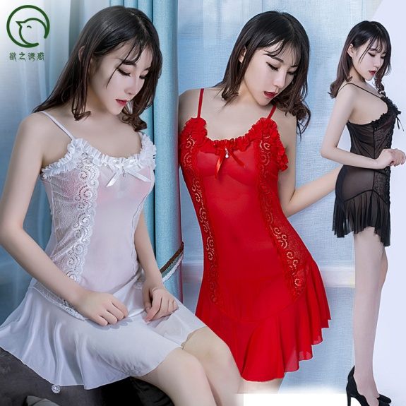 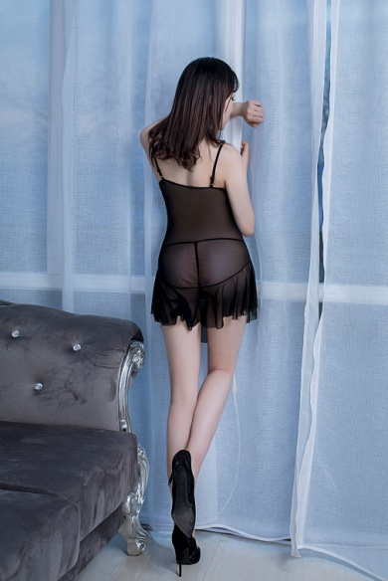 | 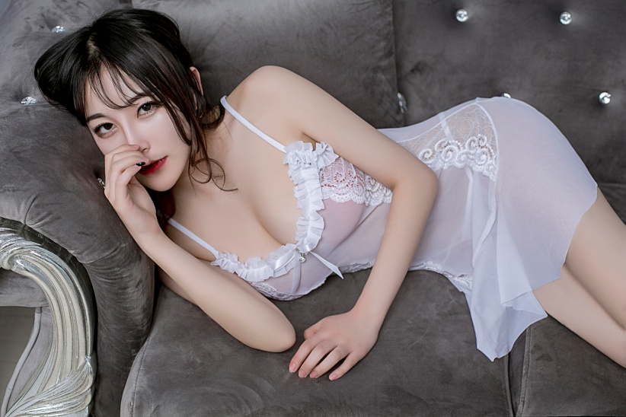 |  | red,black,white | polyester/spandex
6147 sex sleeping skirt women perspective transparent bowknot short skirt lingerie underwear | 3.55 | 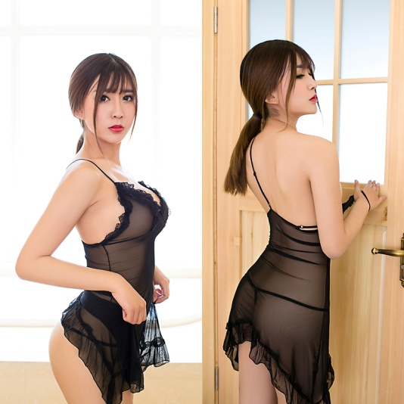 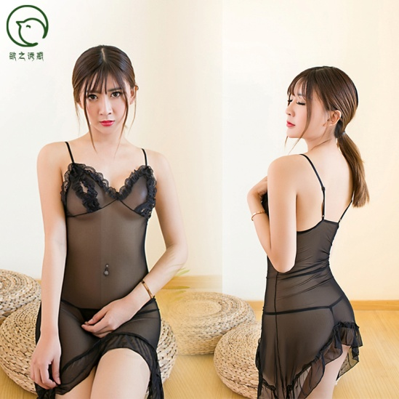 | 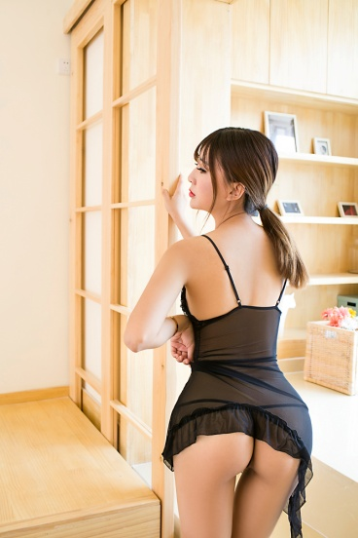 |  | black | polyester/spandex
6040 wholesale glossy high stretched fishing net mesh sexy skirt bodysuit sexy lingerie underwear | 4 | 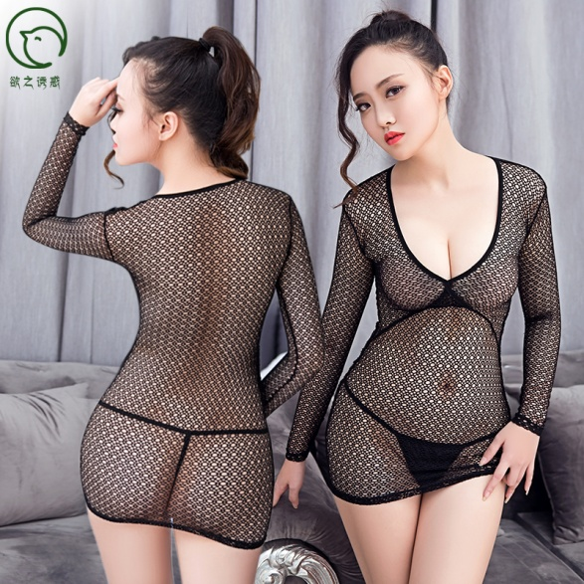 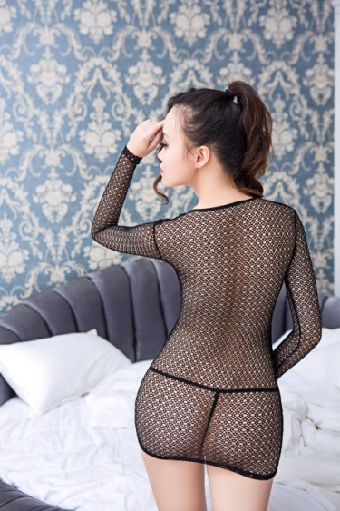 | 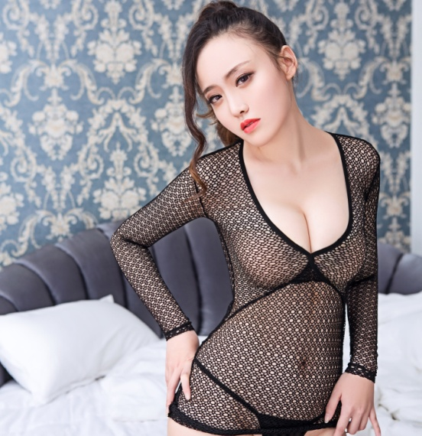 |  | black | 88%nylon12%spandex
6017 wholesale and dropshipping sexy women 2 sets mesh lace transparent babydoll sexy lingerie sleepwear | 2.75 | 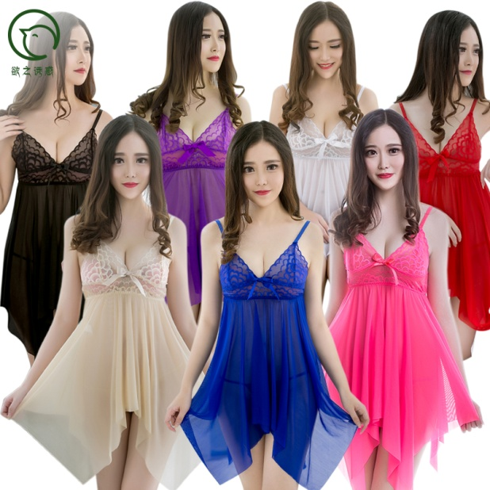 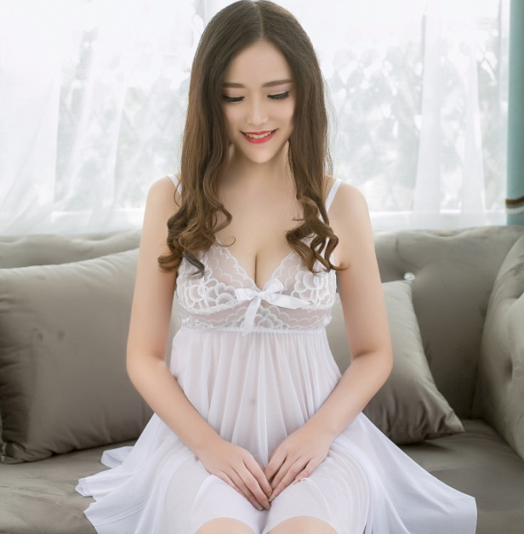 | 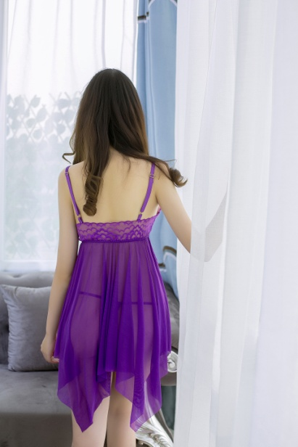 |  | red,blue,pink, nude,white,black,purple | polyester/spandex
6023 wholesale and dropshipping sexy women mesh floral lace perspective transparent sexy babydoll lingerie underwear sleepwear | 5.5-6 | 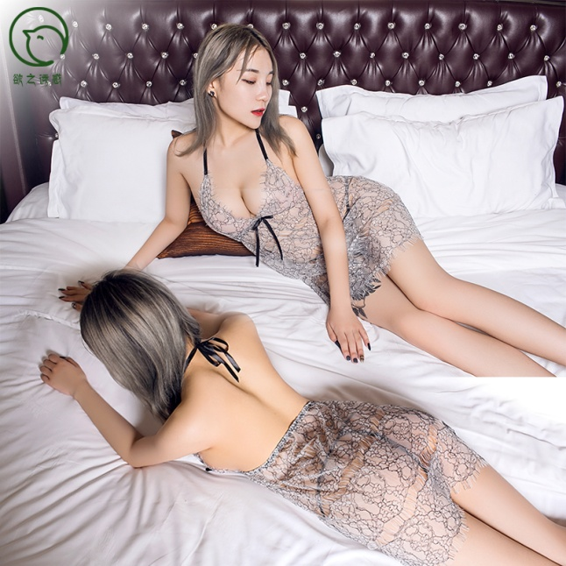 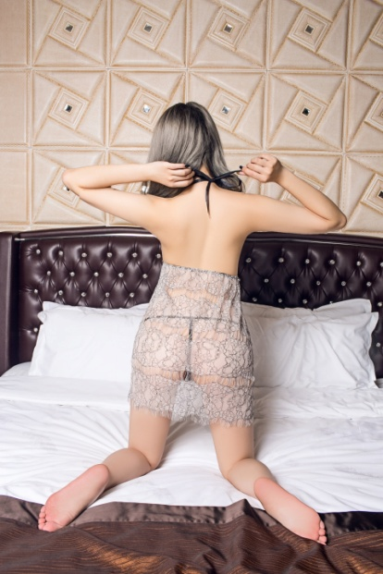 | 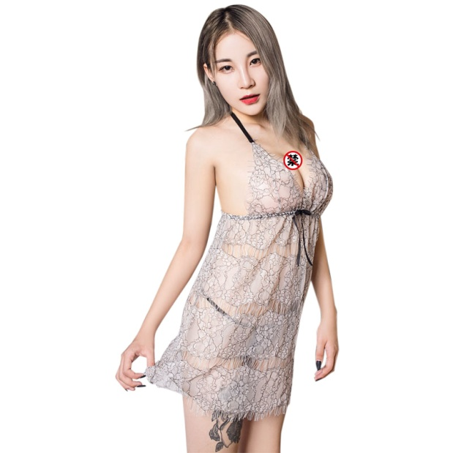
6245 Drop shipping and Wholesale hot perspective transparent mesh Erotic sexy lingerie babydoll underwear sexy sleepwear | 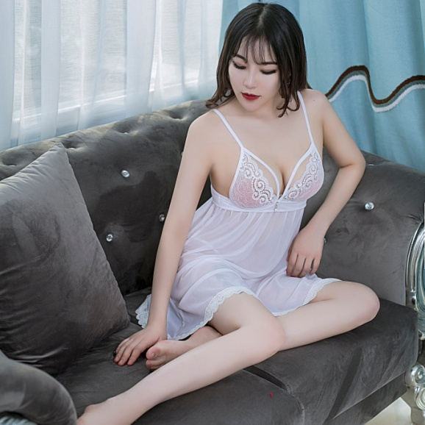 3.45 | 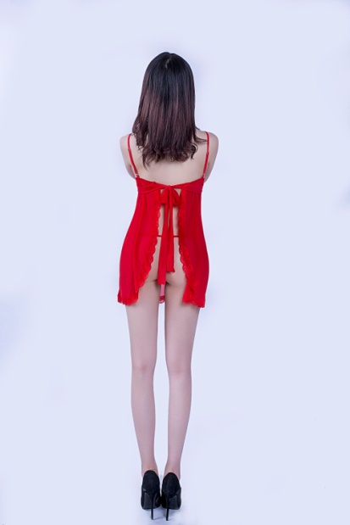 | 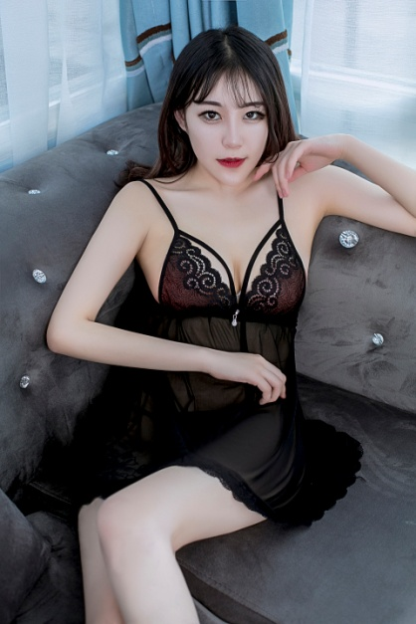 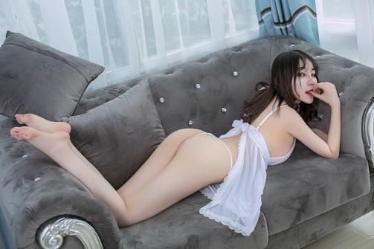 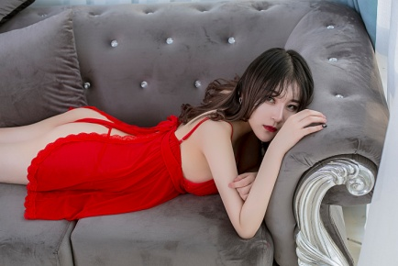 |  | white,black,red | polyester/spandex
6128 Wholesale dropshipping lace transparent erotic 2 sets sexy babydoll sleepwear sexy lingerie underwear | 2.25 | 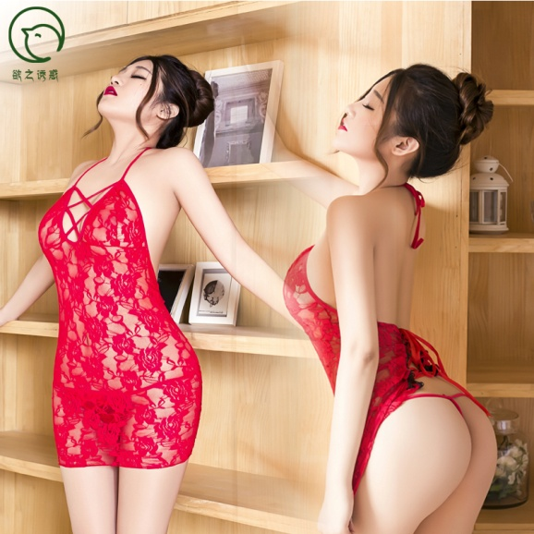 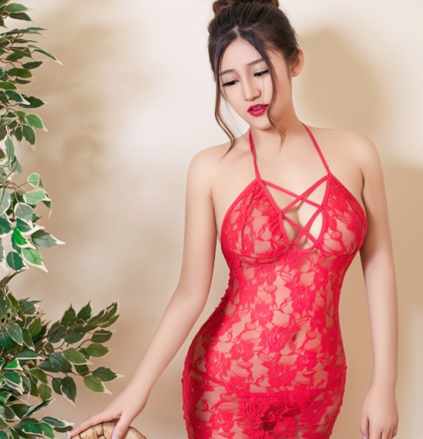 | 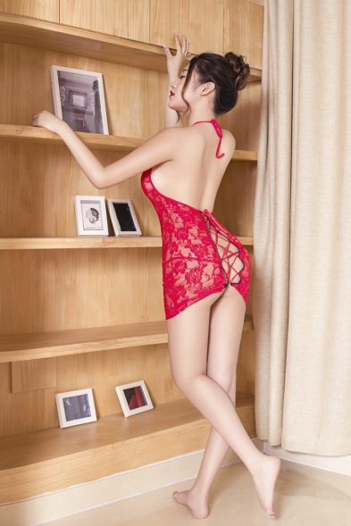 |  | red | polyester/spandex
6193 wholesale women fancy mesh perspective sexy T-back and sexy lace babydoll sleepwear sexy lingerie underwear | 2.9 | 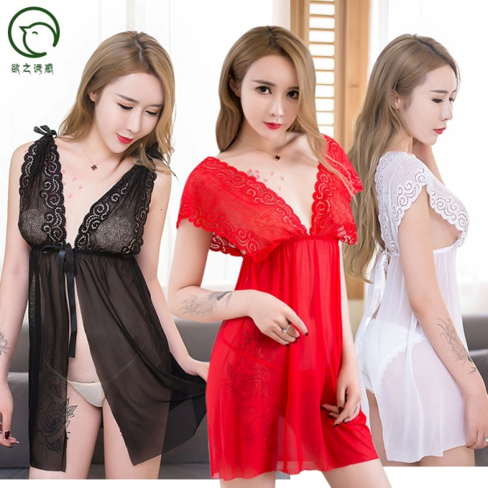 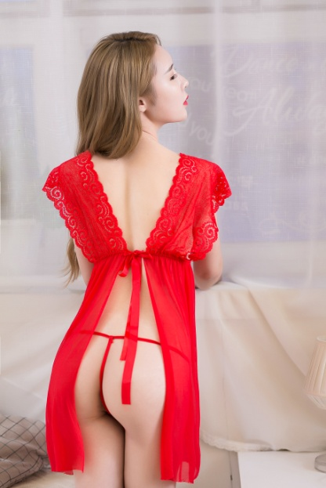 | 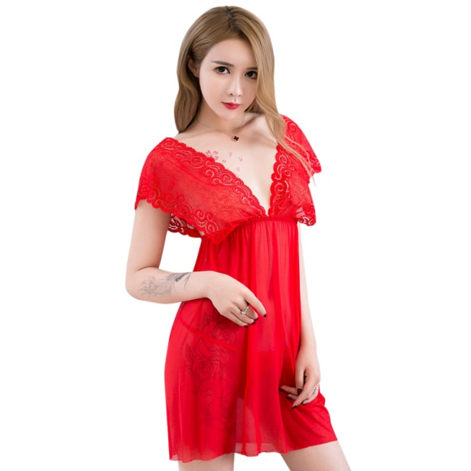 |  | red,black,white | polyester/spandex
8019 women's sexy glossy high stretch mesh cut sewing perspective see through braces skirt babydoll dress lingerie erotic | 2.34 | 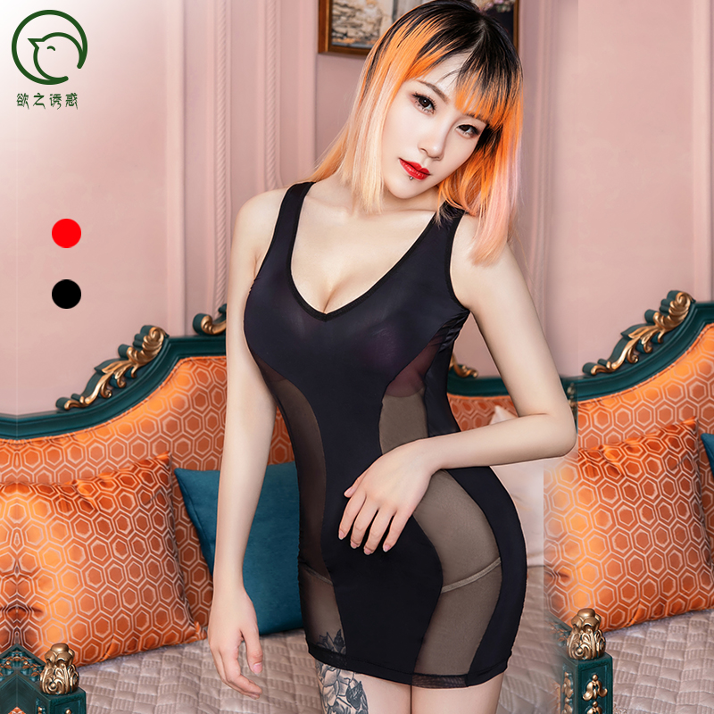 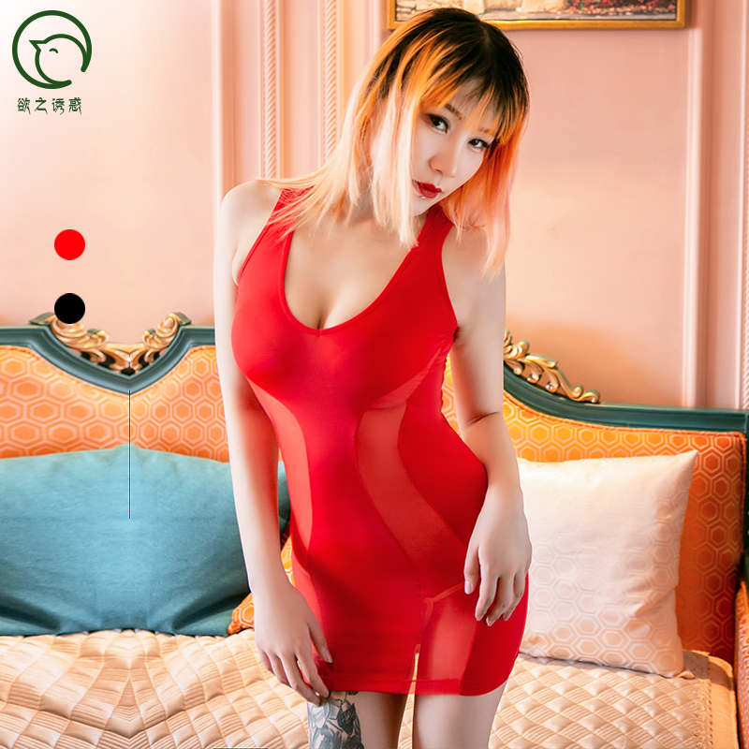 | 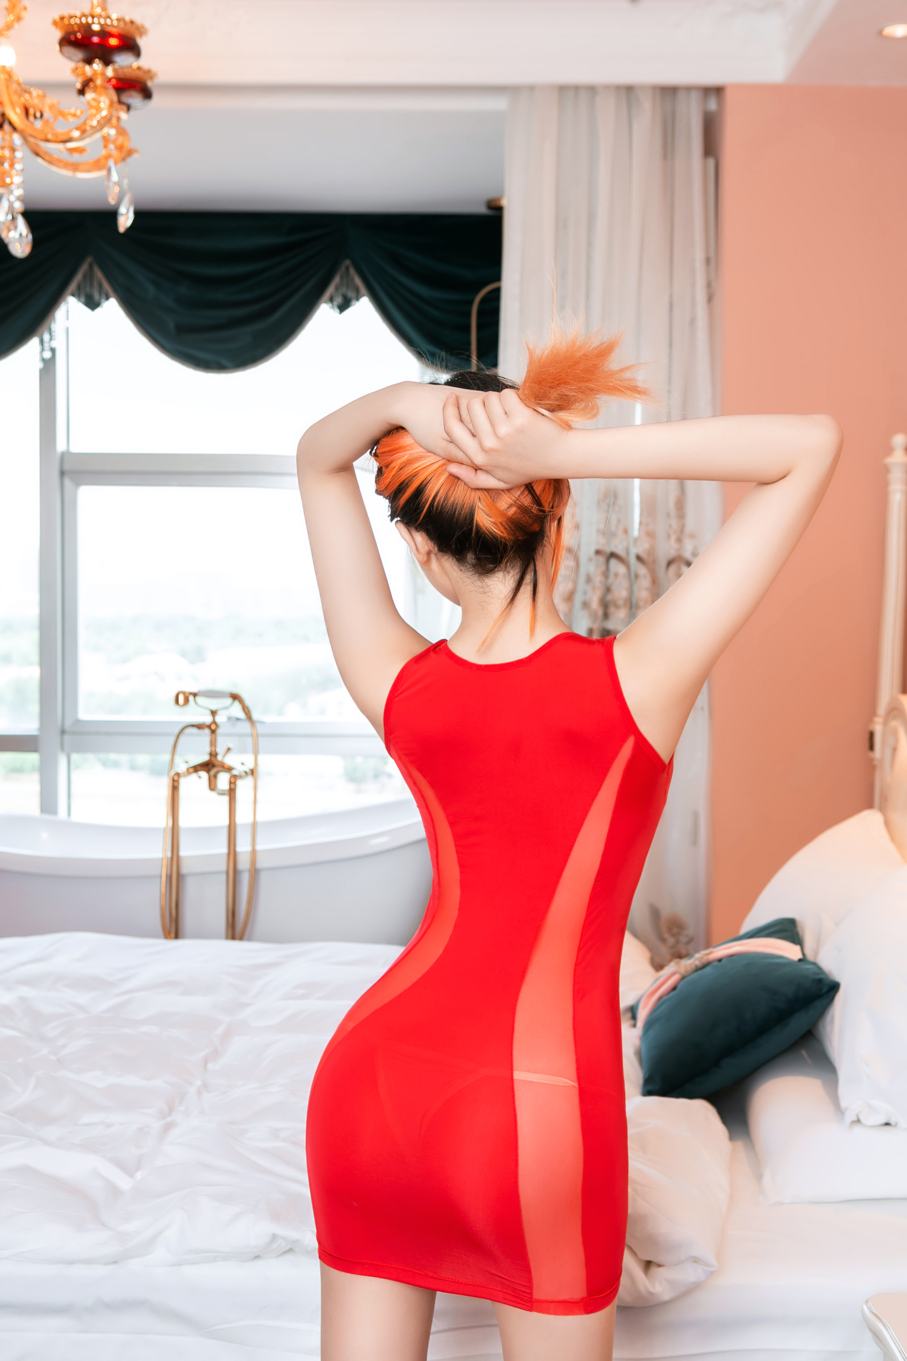 |  | black, red | 88%nylon12%spandex
6274 hot sale women' s sexy night club out elegant show bust bodysuit babydoll skirt lingerie dress erotic | 2.75 | 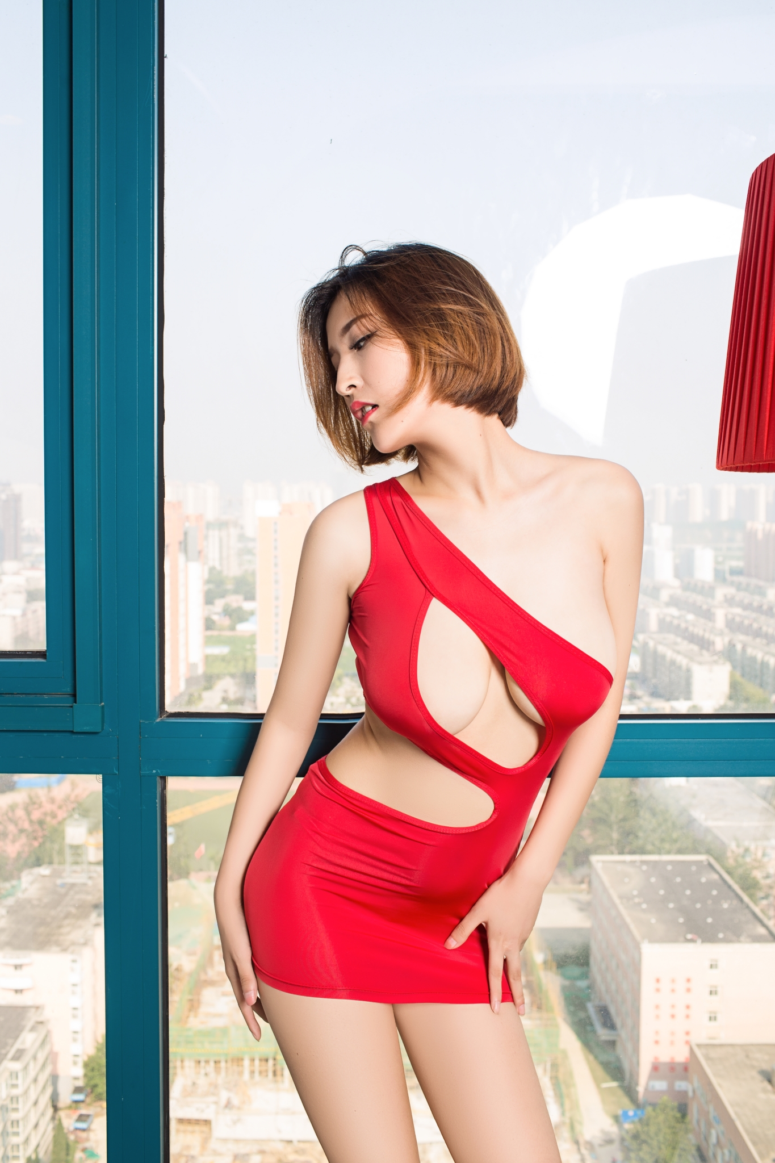 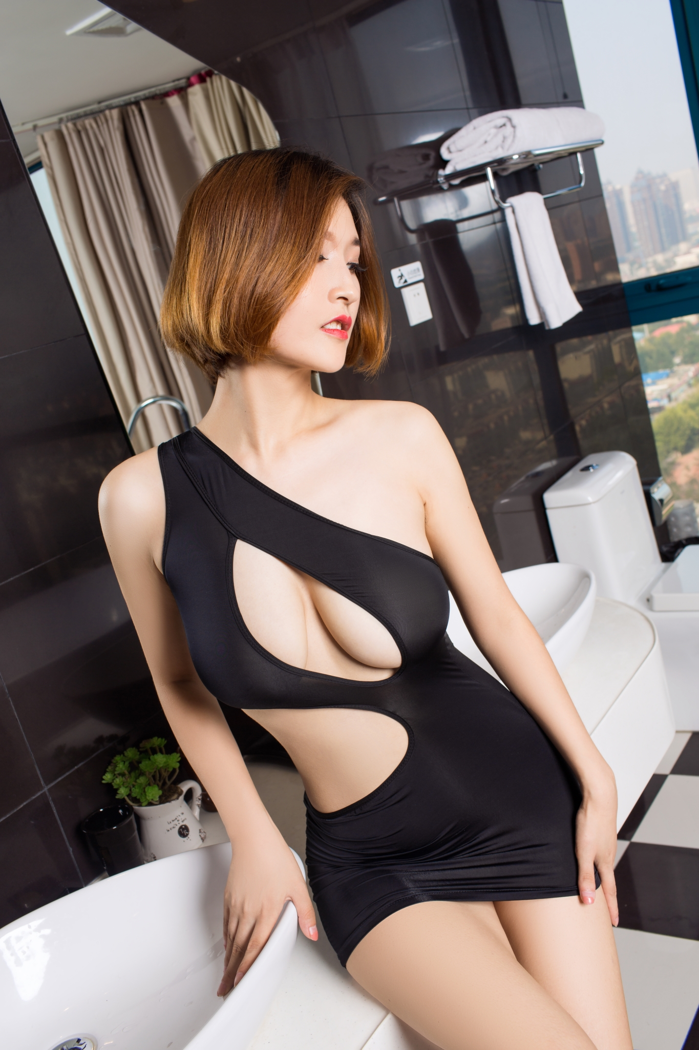 |  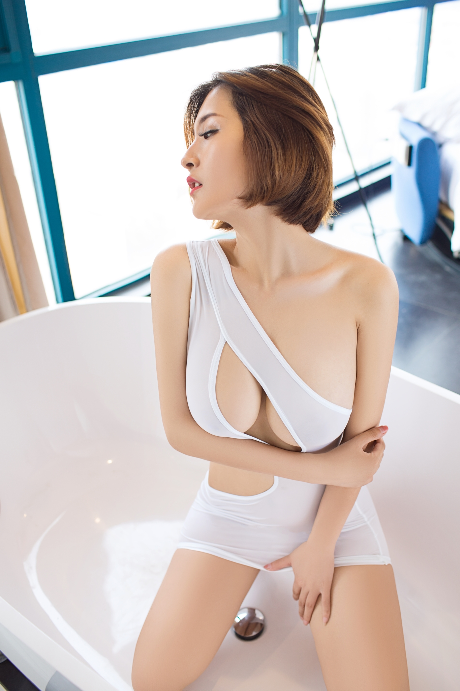 |  | red,black,white, grey,pink,apricot | 88%nylon12%spandex
6064 wholesale women sexy erotic high collar grid mesh backless transparent long sleeve bodysuit sexy lingerie underwear |  3.5 |  |  |  | white,black, red | 88%nylon12%spandex
6282 hot girl sexy perspective tight slip dress hot mini sexy skirt sexy lingerie | 2.58 |   |  |  | blue,white,black | 88%nylon12%spandex
6234 hot style women's sexy lingerie suspender crossing skirt babydoll glossy high stretch lingerie dress | 1.85 |   |  |  | white,black,red | 88%nylon12%spandex
6189 wholesale sexy women erotic transparent colorful silk sexy sleepwear lingerie sleepwear | 2.6 |   |  |  |  | polyester/spandex

