Av vibrator
Shenzhen Jinshen Technology Company Limited
Add: Room 1703, B Building, NO.130, Nanguang Road, Nanshan District Shenzhen city, China
NO. | Picture | picture with packing | Material | Function | Color | product size | packing size（cm） | N.W. （g） | G.W.(g） | carton size(cm) | qty/carton | Weight/KG | 1-100 | 100-500 | 500 above
GM-001 | 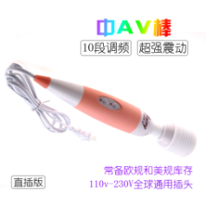 |  | ABS+Medical silicone | 110-250V/US regulations, European regulations, 10 segments of FM | pink/ black | 27*4.8 | 28*6*6 | 237.7 | 306.1 | 43*29.5*50 | 48pcs | 15.76kg | US$4.10 | US$3.90 | US$3.70
GM-002 |  |  | ABS+Medical silicone | 110-250v/US, European, British, Australian regulations | White / pink / purple / black (printing needs to be customized) | 32*5.5 | 37.5*7*7 | 290.1 | 360.2 | 43*37*37 | 30pcs | 9.7kg | US$5.90 | US$5.70 | US$5.50
GM-003 | 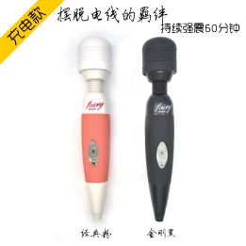 |  | ABS+Medical silicone | Charging for about 120 minutes, Shake for 90 minutes, 10 segments of FM, 500 mAh | pink/ black | 25*4.5 | 28*6*6 | 175.6 | 244 | 43*29.5*50 | 48pcs | 12.7kg | US$5.10 | US$4.90 | US$4.70
GM-004 | 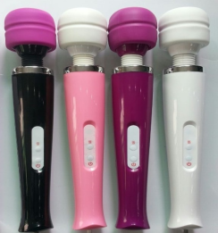 |  | ABS+Medical silicone | 10 segments of FM, 1000 mAh, 2 hours of battery life | White/pink/purple/black | 32*6 | 37.5*7*7 | 249.5 | 334.1 | 43*37*37 | 30pcs | 11kg | US$7.50 | US$7.20 | US$7.00
GM-005 | 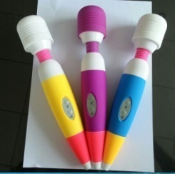 |  | ABS+Medical silicone | 10 segments of FM, 1000 mAh, 2 hours of battery life | Yellow/purple/blue | 25.5*4.8 | 28*6*6 | 200g | 235 | 43*29.5*50 | 48pcs | 12.3kg | US$5.80 | US$5.60 | US$5.40
GM-025 | 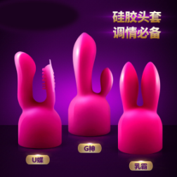 |  | High quality silicone | 市售大部份4mm左右AV棒通用 G神/U蝶/乳霸 | Rose Red | 4.3*11 4.3 *10 4.3*8.8 | 15.5*10.5 | 44/32/30 | 47/36/32 | 43*29.5*50 | 200 | 10.4/8.2/7.4kg | US$6.00 | US$6.00 | US$5.50
GM-035 |  |  | Environmental protection silicone | 5V USB charging, Double shock, 7-segment FM, 10 segment vibration intensity, 500 mAh | Rose red/pink | 22.5*3.7 | 32*12*4.5 | 232 | 492 | 43*29.5*50 | 25 | 13.3kg | US$13.50 | US$13.20 | US$13.00
GM-036 |  |  | Environmental protection silicone | 7 frequency vibration, waterproof, USB charging, 500 mAh | Rose red/pink | 22.5*3.7 | 32*12*4.5 | 211 | 471 | 43*29.5*50 | 25 | 12.8kg | US$13.50 | US$13.20 | US$13.00
GM-037 |  |  | Environmental protection silicone | 7 frequencies, 6 kinds of speed regulation, 42 different vibration modes, USB charging, 500 mAh | Rose red/pink | 24*3.7 | 32*12*4.5 | 265 | 525g | 43*29.5*50 | 25 | 14kg | US$13.50 | US$13.20 | US$13.00
GM-038 |  |  | Environmental protection silicone | 7 frequency vibration, waterproof, USB charging, 500 mAh | Rose red / red / pink / black | 24*3.6 | 32*12*4.5 | 223 | 493 | 43*29.5*50 | 25 | 13.3kg | US$13.50 | US$13.20 | US$13.00
GM-047 |  |  | silicone+ABS | 5V USB charging, 10 segments of FM, waterproof | Rose red/purple | 20.5*3 | 29.5*11.7*4.5 | 127.5 | 159.3 | 43*29.5*50 | 76pcs | 13kg | US$6.50 | US$6.20 | US$6.00
GM-049 | 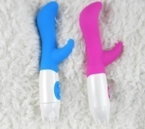 |  | silicone |  | pink | 17.5*3 | 22*7.5*4 | 101.6 | 109.6 | 43*29.5*50 | 84 | 10.2kg | US$4.00 | US$3.80 | US$3.50
GM-050 |  |  | silicone |  | pink | 19.5*3.6 | 24*8*4 | 137g | 141.3 | 43*29.5*50 | 70 | 10.9kg | US$4.50 | US$4.30 | US$4.10
GM-051 | 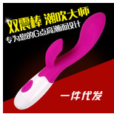 |  | silicone |  | Pink/blue/purple | 20*3.4 | 24*8*4 | 101.4 | 139.5 | 43*29.5*50 | 70 | 10.8kg | US$4.50 | US$4.30 | US$4.10
GM-089 |  |  | ABS+Environmental protection silicone | USB charging, 10 segments of FM, Use for 60 minutes, 1000 mAh | Rose red/purple | 24*7.5*4.5 | 24*7.5*5 | 136.5 | 177 | 43*29.5*50 | 60 | 11.6kg | US$6.50 | US$6.30 | US$6.10
GM-105 | 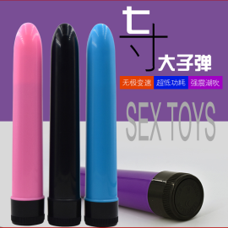 |  | ABS | 2 pcs 5th batteries | Pink/blue/purple/black | 17.5*3 | 18*3.6*3.6 | 72 | 83.5 | 43*29.5*50 | 224 | 20kg | US$2.00 | US$1.80 | US$1.50
 |  |  | ABS | 2 pcs 5th batteries | Pink/blue/purple/black/silver | 17.5*3 | 18*3.6*3.6 | 72 | 83.5 | 43*29.5*50 | 224 | 20kg | US$2.00 | US$1.80 | US$1.50
GM-106 |  |  | ABS | 1 pc 5th battery | Pink/blue/purple/black | 13.5*2.7 | 13.7*3*3 | 50 | 55.4 | 43*29.5*50 | 378 | 22kg | US$1.60 | US$1.60 | US$1.60
GM-107 |  |  | ABS+silicone | 2 pcs 5th batteries | Pink/blue/purple/red | 17.5*4.6 | 21*4.5*4.5 | 86 | 105 | 43*29.5*50 | 154 | 17.2kg | US$2.00 | US$2.00 | US$1.80
GM-108 | 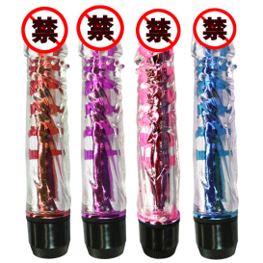 |  | ABS+silicone |  | Pink/blue/purple/red | 18*3.3 | 21*4.5*4.5 | 100 | 118 | 43*29.5*50 | 154 | 19.2kg | US$2.50 | US$2.50 | US$2.40
GM-110 | 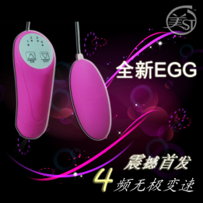 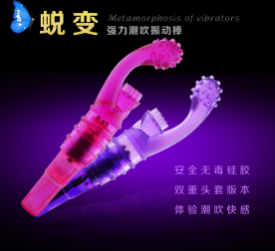 |  | ABS+silicone | 1 pc 5th battery | Purple/pink | 19*3 | 21*11 | 75 | 98.6 | 43*29.5*50 | 100 | 11kg | US$2.20 | US$2.00 | US$1.90
GM-111 |  |  | ABS+silicone | 1 pc 5th battery | Purple/pink | 13.6*2 | 22*11 | 51 | 80 | 43*29.5*50 | 100 | 9kg | US$2.20 | US$2.00 | US$1.90
GM-141 |  |  | ABS+silicone | 10-band inverter, USB charging, 4-point sync, 500 mAh | Rose red/purple | 19.5*3 | 24*10*4 | 141 | 212 | 43*29.5*50 | 56 | 13kg | US$8.00 | US$7.70 | US$7.50
GM-146 |  |  | ABS+silicone | 2pcs 7th battery, double shock | Rose red | 19.6*3 | 24*8*4 | 108 | 145 | 43*29.5*50 | 70 | 11.2 | US$5.30 | US$5.10 | US$4.90
GM-147 |  |  | ABS+silicone | 2pcs 7th battery, double shock | Rose red | 20*3 | 24*8*4 | 116 | 153 | 43*29.5*50 | 70 | 11.7 | US$5.30 | US$5.10 | US$4.90
GM-148 |  |  | silicone | 10 frequency, USB charging, AV vibrator | pink purple | 23*3 | 24*9*5 | 170 | 340 | 43*29.5*50 | 48 | 17.3kg | US$12.00 | US$11.50 | US$11.00
GM-151 |  |  | ABS+silicone | 10 frequency induction massage stick, 500 mAh, charging for 2 hours, battery life for 4 hours | Rose red / pink / black / purple | 22*3.5 | 23*9.3*4.6 | 154.5 | 256 | 43*29.5*50 | 54 | 14.8kg | US$13.50 | US$13.00 | US$12.50
GM-160 | 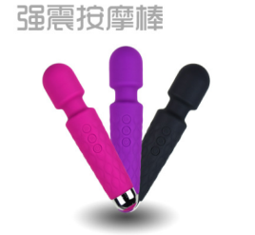 |  | silicone | 10 frequency vibration + 6 speed, 620 mAh | pink / black / purple | 21*4.5 | 22.5*7*5 | 167 | 220 | 43*29.5*50 | 60 | 13.8kg | US$6.50 | US$6.40 | US$6.30
GM-161 |  | 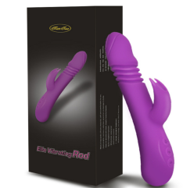 | Liquid silicone+ABS | 7 frequency vibration + 3 frequency expansion / one key heating | Rose red / purple | 23.5*3.7 | 26*11*6 | 236 | 506.5 | 53*38*34 | 33 | 18 | US$17.00 | US$16.50 | US$16.00
GM-177 |  |  | silicone | Vibration massage, sucking | pink / black | 16*4.5 | 10.8*5*26.7 | 168 | 378 | 47.5*28*35 | 24 | 10 | US$34.00 | US$33.00 | US$32.00
GM-178 |  |  | silicone | 9-speed shift 750MA, full body waterproof, battery life for 3 hours, magnetic charging | pink/ purple | 23*3 | 9*5.2*24 | 152 | 329 | 50*27*28 | 24 | 9 | US$12.50 | US$12.30 | US$12.00
GM-179 |  |  | silicone | Battery Model 802035 Capacity 500mAh Charging time 2h Use time 50min | pink/ purple | 21*4 | 23*9.5*4.5 | 178 | 221 | 43*29.5*50 | 50 | 12.1kg | US$9.80 | US$9.50 | US$9.20
GM-188 | 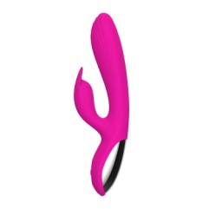 |  | silicone+ABS | 10 frequency vibration Battery model 802035 500 mAh Double head vibration USB charging, | pink / black | 22.5*3.5 | 25*9*5 | 195 | 337.5 | 42*29*50 | 50 | 17.7kg | US$11.50 | US$11.30 | US$11.00
GM-188-1 |  |  | silicone+ABS | 10 frequency vibration Warm double shock USB charging 500 mAh Battery model 802035 Voltage: DC 3-7V Current 1-6A | Pink/rose red/noble purple | 4*22 | 25*9*5 | 174 | 316.5 | 43*29.5*50 | 50 | 16.6kg | US$11.50 | US$11.30 | US$11.00
GM-189 |  |  | silicone | 7 speed 10 frequency vibration, Threading + rotation + vibration, Magnetic charging waterproof, Fully charged for 2 hours, 1000 mAh | Pink/purple | 26*4 | 29*11*6 | 312 | 547 | 43*37*37 | 28 | 15.3kg | US$21.00 | US$20.00 | US$19.00
GM-190 |  |  | silicone | 7 speed 10 frequency vibration, Double-headed double shock, Magnetic charging waterproof, 1200 mAh lithium battery, Fully available for 2 hours | Pink/purple | 25*4 | 29*11*6 | 304 | 539 | 43*37*37 | 28 | 15.1kg | US$19.00 | US$18.00 | US$17.00
GM-191 |  |  | silicone | 7 speed 10 frequency vibration, Bend + rotation + vibration, Magnetic charging waterproof, 800 mAh | Pink/purple | 26*5 | 29*11*6 | 253 | 513 | 43*37*37 | 28 | 15.2kg | US$17.00 | US$16.00 | US$15.00
GM-209 | 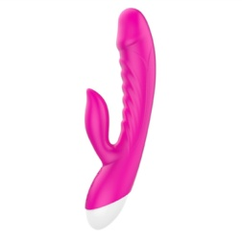 |  | silicone+ABS | USB charging, 8 frequency 5 speed, 39 degree heating | Rose red | 3.3*20 | 9*4.6*25.7 | 153 | 236 | 39*32*53 | 48 | 12.3 | US$11.00 | US$10.80 | US$10.50
GM-213 |  |  | silicone+ABS | USB Android charging port, 8,000 rpm, 8 frequency 20 speed, 2000 mAh, 3 hours of battery life | White/black | 8*35 | 35*8.5*8 | 374 | 518 | 44*35*54 | 29 | 16 | US$12.80 | US$12.50 | US$12.00
GM-214 |  |  | silicone+ABS | USB Android charging port, 8,000 rpm, 8 frequency 20 speed, 2000 mAh, Endurance 4 hours | White/black | 7*34 | 35*8.5*8 | 340 | 484 | 44*35*54 | 29 | 15 | US$12.80 | US$12.50 | US$12.00

dildo
Shenzhen Jinshen Technology Company Limited
Add: Room 1703, B Building, NO.130, Nanguang Road, Nanshan District Shenzhen city, China
NO. | Picture | picture of packing | Material | Function | Color | product size（cm) | packing size（cm） | N.W. （g） | G.W.（g） | carton size(cm) | qty/ctn | weight/KG | 1-100 | 100-500 | 500 above
GM-029 | 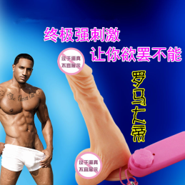 |  | TPE | 2pcs 5th battery, shock, waterproof, Bendable | Photo Color | 21.5*4 | 21*10*8 | 307 | 359 | 43*29.5*50 | 40 | 15.4kg | US$3.80 | US$3.60 | US$3.40
GM-031 |  |  | Environmental protection silicone | 2pcs 5th batteries, rotation, vibration | Photo Color | 19*4 | 22*10.5*7.5 | 276.7 | 320.7 | 43*29.5*50 | 40 | 13.8kg | US$3.80 | US$3.60 | US$3.40
GM-032 |  |  | Environmental protection silicone | 2pcs 5th batteries, rotation, vibration | Photo Color | 17*3.5 | 18.5*9.5*5.5 | 218 | 248 | 43*29.5*50 | 40 | 11kg | US$3.80 | US$3.60 | US$3.40
GM-033 | 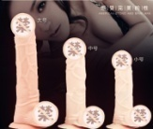 |  | Environmental protection silicone | 2pcs 5th batteries, rotation, vibration | Photo Color | 14.5*3 | 15.5*8*5.5 | 176 | 198 | 43*29.5*50 | 40 | 8.1kg | US$3.80 | US$3.60 | US$3.40
GM-039 |  |  | TPE | Medical silicone + electroplated bullet | Blue/pink/purple | 14*3.2 | 18*12*4 | 92.8 | 131.8 | 43*29.5*50 | 48pcs | 7.3kg | US$2.50 | US$2.40 | US$2.30
GM-057 |  |  | ABS+Medical silicone | 2pcs 7th batteries | pink/purple | 14*3.2*2.5 | 22.5*10.2*4.5 | 97 | 138.3 | 43*29.5*50 | 52 | 8.2kg | US$4.50 | US$4.20 | US$3.90
GM-117 | 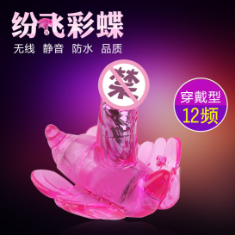 |  | TPE | Crystal clear, 36-segment FM, 2pcs 7th batteries | pink/purple | 11*7*2.5 | 21.5*20*10 | 150 | 240 | 43*29.5*50 | 15 | 4.6kg | US$6.30 | US$6.20 | US$6.00
GM-140 |  |  | TPE | High flexibility, strong elasticity, delicate hand feeling, environmentally friendly TPE material, transparent as glass. | Purple / Pink / Skin Color / Black / Transparent | 20*4 | 26*10.5*7.5 | 275 | 314 | 43*29.5*50 | 24 | 8.4kg | US$3.30 | US$3.20 | US$3.10
GM-140-2 |  |  | High flexibility, strong elasticity, delicate hand feeling, environmentally friendly TPE material, transparent as glass. | High flexibility, strong elasticity, delicate hand feeling, environmentally friendly TPE material, transparent as glass. | Purple / Pink / Skin Color / Black / Transparent | 17.8*3.5 | 9.5*7*23 | 215 | 250 | 43*29.5*50 | 40 | 11 | US$2.80 | US$2.70 | US$2.60
GM-140-3 |  |  | High flexibility, strong elasticity, delicate hand feeling, environmentally friendly TPE material, transparent as glass. | High flexibility, strong elasticity, delicate hand feeling, environmentally friendly TPE material, transparent as glass. | Purple / Pink / Skin Color / Black / Transparent | 15.3*3.2 | 8*6.5*20 | 160 | 187.3 | 43*29.5*50 | 60 | 12.2 | US$2.40 | US$2.30 | US$2.20
GM-149 |  |  | Liquid silicone | 8-band wireless remote control, The remote control distance is 10 meters. 500 mAh lithium battery, USB charging | incarnadine | 20*4 | 22*9*8 | 342 | 413 | 43*29.5*50 | 30 | 13.4kg | US$13.50 | US$13.00 | US$12.50
GM-150 |  | 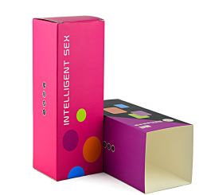 | Liquid silicone | 8-band wireless remote control, The remote control distance is 10 meters. 500 mAh lithium battery, USB charging | incarnadine | 22*4 | 22*9*8 | 349 | 420 | 43*29.5*50 | 30 | 13.6kg | US$13.50 | US$13.00 | US$12.50
GM-157 |  |  | Injection molded TPE | Masturbation | incarnadine/black/pink/purple | 17*4*.35 | 25.5*16*4 | 335.6 | 282 | 43*29.5*50 | 35 | 11kg | US$4.50 | US$4.20 | US$4.00
GM-159 |  |  | Injection molded TPE | Double head dual use | incarnadine/black/pink/purple | 38*4 | 43*9.5*4.5 | 380 | 440 | 43*29.5*50 | 40 | 18.6kg | US$5.00 | US$4.80 | US$4.50
GM-163 | 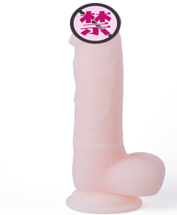 |  | silicone | Female masturbation | incarnadine/purple | 19.5*4 | 22*9*8 | 295.7 | 365.1 | 43*29.5*50 | 30 | 12kg | US$7.80 | US$7.50 | US$7.20
GM-173-1 |  |  | silicone | Female masturbation | incarnadine | 24.5*4.8 | 26*10.5*7.5 | 515 | 554 | 43*29.5*50 | 24 | 14.3kg | US$10.50 | US$10.00 | US$9.50
GM-173-2 |  |  | silicone | Female masturbation | incarnadine | 20.5*3.8 | 22*9*8 | 320 | 390 | 43*29.5*50 | 30 | 12.7kg | US$6.80 | US$6.50 | US$6.00
GM-173-3 |  |  | silicone | Female masturbation | incarnadine | 18.5*3.2 | 22*9*8 | 217 | 288 | 43*29.5*50 | 30 | 9.7kg | US$5.00 | US$4.70 | US$4.50
GM-175 |  |  | silicone | Wireless remote control, voice control, flirt, masturbation + 10 frequency manual, 800 mAh, battery life for 3 hours, 360 degree rotation swing | incarnadine | 21*3.8 | 22*9*8 | 383 | 451.6 | 43*29.5*50 | 30 | 14.6 | US$14.50 | US$14.00 | US$13.50
GM-200 |  |  | Liquid silicone | Life waterproof, USB charging, remote control, 10 frequency vibration, 800 mAh lithium battery | incarnadine/red | 直径5 可插入17 总长21.5 | OPP袋装 | 阳具342.5g | 374g | 43*37*37 | 50 | 19.7 | US$13.50 | US$13.30 | US$13.00
GM-201 | 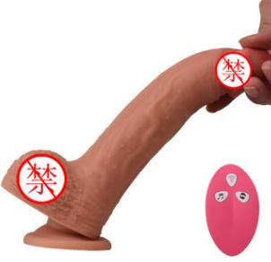 |  | Liquid silicone | Life waterproof, USB charging, Wireless remote control + voice control, 10 frequency vibration, 800 mAh lithium battery | incarnadine/Head red | 4*19.5 | 22*10*8.5 | 322g | 384g | 43*29.5*50 | 30 | 12.5 | US$17.00 | US$16.50 | US$16.00
GM-202 |  |  | Liquid silicone | Life waterproof, USB charging, Wireless remote control + voice control, 10 frequency vibration, 800 mAh lithium battery | incarnadine/Head red | 5*24 | 23*10*9 | 458g | 526g | 43*29.5*50 | 30 | 16.8 | US$17.50 | US$17.00 | US$16.50
GM-203 | 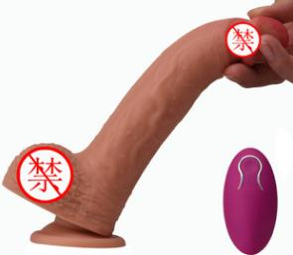 |  | Liquid silicone | Life waterproof, USB charging, Wireless remote control + voice control, 10 frequency vibration, 800 mAh lithium battery | incarnadine/Head red | 4*19.5 | 22*10*8.5 | 322g | 384g | 43*29.5*51 | 30 | 12.5 | US$16.50 | US$16.00 | US$15.50
GM-204 |  |  | Liquid silicone | Life waterproof, USB charging, Wireless remote control + voice control, 10 frequency vibration, 800 mAh lithium battery | incarnadine/Head red | 5*24 | 23*10*9 | 458g | 526g | 43*29.5*52 | 30 | 16.8 | US$17.00 | US$16.50 | US$16.00
GM-205 |  |  | Liquid silicone | Female masturbation Full body waterproof | incarnadine | 20*4.5 | 22*10*8.5 | 247g | 310g | 43*29.5*50 | 30 | 10.3 | US$9.70 | US$9.30 | US$9.00
GM-206 |  |  | Liquid silicone | Female masturbation | incarnadine | 21*4 | 22*9*8 | 390 | 460 | 43*29.5*50 | 30 | 14.6 | US$11.70 | US$11.30 | US$11.00
GM-207 | 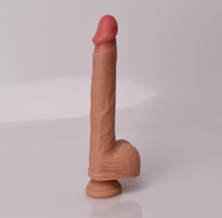 |  | Liquid silicone | Female masturbation Full body waterproof | incarnadine | 直径5 上半段长17 总长23.5 | 25*10*9 | 380g | 460g | 43*29.5*50 | 30 | 14.8 | US$11.70 | US$11.30 | US$11.00
GM-208 |  |  | ABS+silicone | Remote control heating, USB charging, Simulation penis, Fun jump | incarnadine | 3*11 | 16.5*12.5*6 | 100.5 | 162 | 43*29.5*50 | 58 |  | US$13.50 | US$13.00 | US$12.50

Anorectal plug
Shenzhen Jinshen Technology Company Limited
Add: Room 1703, B Building, NO.130, Nanguang Road, Nanshan District Shenzhen city, China
NO. | Picture | picture of packing | Material | Function | Color | product size（cm) | Package Size（cm） | N.W. （g） | G.W.（g） | Ctn size(cm) | qty/carton | weight/KG | 1-100 | 100-500 | 500 above
GM-009 |  |  | TPE | Medical silicone + vibrating bullet | pink/ purple | 15*3.7 | 21*11*4 | 78.2 | 125 | 43*29.5*50 | 40pcs | 6.06kg | US$12.00 | US$11.00 | US$10.50
GM-015 |  |  | Medical silicone | Silicone injection + shock small bullet | pink/ purple | 18.5*1.9 | 23.5*9.5*4 | 75.3 | 113.2 | 43*29.5*50 | 60 | 7.8kg | US$12.00 | US$11.00 | US$11.00
GM-015-1 |  |  | Medical silicone | Silicone injection + shock small bullet | pink/ purple | 18.5*1.9 | 23.5*9.5*4 | 75.3 | 113.2 | 43*29.5*50 | 60 | 7.8kg | US$16.00 | US$15.00 | US$15.00
GM-016 | 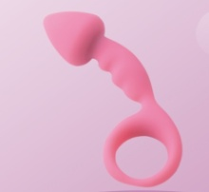 |  | Medical silicone | Silicone injection | Pink/blue/black/purple | 12.5*3.2 | 20*11.5 | 39g | 66.3 | 43*29.5*50 | 64pcs | 5.3kg | US$8.00 | US$7.50 | US$7.00
GM-017 |  |  | Medical silicone | Silicone injection | Rose/Pink/Black/Purple | 13.5*2 | 20*11.5 | 43 | 70.5 | 43*29.5*50 | 64pcs | 5.5kg | US$8.00 | US$7.50 | US$7.00
GM-103 |  |  | Medical silicone | Vibrating bullet (4pcs LR44 batteries) | Pink | 10*2.5 | 18*12.5*4.5 | 155 | 198 | 43*29.5*50 | 72 | 15.3kg | US$17.00 | US$16.00 | US$15.00
GM-104 |  |  | Medical silicone | anus silicone injection + strong earthquake bullet | Pink | 12.5*2.3 | 23*14*3 | 86 | 126.5 | 43*29.5*50 | 64 | 9.1kg | US$18.00 | US$17.00 | US$16.00
GM-123 | 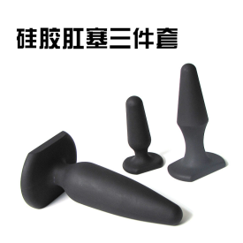 |  | Environmental protection silicone | Silicone spray, matte | Black | 14*7.5*4 10.5*5.5*3 7.5*2.2*2.3 | 20*13.5 | 27.5 53.8 135 | 218.4 | 43*37*37 | 40 | 9.7 | US$23.00 | US$22.00 | US$21.00
GM-124 | 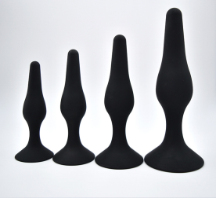 | 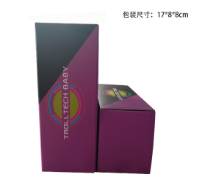 | Environmental protection silicone |  | Black/Purpl | 10.5*2.5*4.1 11.5*2.8*4.5 13*3*5 15.5*4*6 | 17*8*8 | 244 | 302 | 43*37*37 | 40 | 13.1 | US$27.00 | US$26.00 | US$25.00
GM-125 | 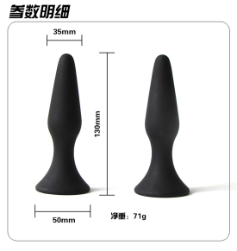 |  | Environmental protection silicone |  | Black | 13*5*3.5 | 20*13.5 | 72 | 73 | 43*29.5*50 | 200 | 15.6 | US$9.00 | US$8.00 | US$7.00
GM-126 | 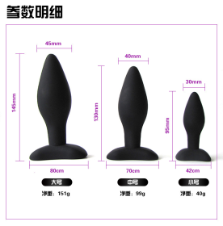 |  | Environmental protection silicone |  | Black | 14.5*4.5 13*4 9.5*3 | 21.2*11.8*5.318.5*10*5 18.5*10*3.5 | 290 | 348 | 43*37*37 | 40 | 14.9 | US$37.00 | US$36.00 | US$35.00
GM-127 | 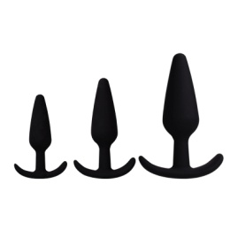 | 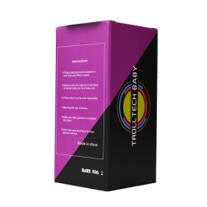 | silicone | Posterior masturbation device | Black | 2.5*10 3.3*12.5 4.1*16 | 8*8*17 | 36g 76g 140g | 307g | 43*37*37 | 40 | 13.2 | US$30.00 | US$29.50 | US$29.00
GM-128 | 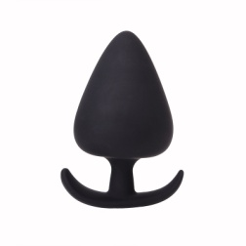 |  | silicone | Posterior masturbation device | Black | 2.7*5.3 3.4*6.8 4.2*8 5.2*9.7 6.2*11 | opp袋装 | 17.5g 37.5g 69g 117g 178g | 419g | 43*29.5*50 | 40 | 17.7 | US$54.00 | US$54.00 | US$53.00
GM-152 |  |  | silicone | Use anus | Black | 13*7 11*6 9.5*5 7.5*4 | opp袋装 | 200 192 117 65 | 594 | 43*29.5*51 | 40 | 25 | US$75.00 | US$73.00 | US$70.00
 |  |  | silicone | Use anus | pink/black | 14.5*1.5 | 16*7*7 | 103 | 153 | 43*29.5*50 | 60 | 10.2kg | US$19.00 | US$18.00 | US$17.00
GM-154 |  |  | silicone | Anal massager | Black/pink/rose red | 10*3 | 9*5*5 | 56 | 84.6 | 43*29.5*50 | 84 | 8.2 | US$10.00 | US$9.50 | US$9.00
GM-154-1 |  |  | Silicone + 7th battery bullet | Anal massager | Black/pink/rose red | 10*3 | 9*5*5 | 82 | 102 | 43*29.5*50 | 84 | 9.6 | US$23.00 | US$22.00 | US$21.00
GM-182 |  |  | ABS+silicone | Silicone + 7th battery vibrator | black | 11*3.8 | 7.5*5.5*13 | 73 | 93 | 43*29.5*50 | 84 | 8.8kg | US$16.00 | US$15.00 | US$15.00
GM-183 |  |  | ABS+silicone | Silicone + single frequency vibrator | black | 13*3.4*2 | 17*8*8 | 147 | 200 | 43*29.5*50 | 42 | 9.4kg | US$22.00 | US$21.00 | US$20.00
GM-184 | 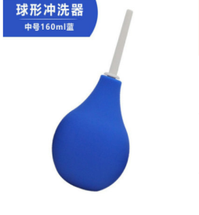 |  | pvc | Clean the intestines / vagina / anus, Capacity 160ML | black/blue | 7*17.5 | opp袋装 | 62 | 64 | 43*29.5*50 | 200 | 13.8kg | US$2.00 | US$1.90 | US$1.80
GM-185 | 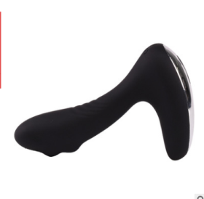 |  | silicone | Prostate vibration massage, 500 mAh lithium battery, USB charging, 10 frequency vibration, waterproof | black | 8*18.5 | 8*8*17 | 110 | 184 | 43*29.5*50 | 40 | 8.4 | US$11.00 | US$10.50 | US$10.00
GM-195 | 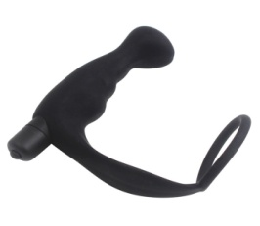 |  | silicone | Anal massage, 10 frequency big bullet | black | 12.5*4.5 outer ring 6 inner ring 5 | 7.5*5.5*13 | 70g | 90g | 43*29.5*50 | 90 | 9.1 | US$4.80 | US$4.60 | US$4.50
GM-199 | 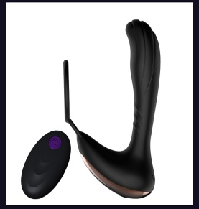 |  | ABS+silicone | waterproof, USB charging remote control 7-frequency vibration Capacity 500mah | black | High 15*4 base 14*6.5 ring 6 remote control 6.5*4.5 | 16.5*12.5*6 | 118.5g | 229g | 43*29.5*50 | 58 | 13.8 | US$12.50 | US$12.00 | US$11.50

Aircraft Cup
Shenzhen Jinshen Technology Company Limited
Add: Room 1703, B Building, NO.130, Nanguang Road, Nanshan District Shenzhen city, China
NO. | Picture | Picture of packing | Material | Function | Color | product size（cm) | packing size（cm） | N.W. （g） | G.W.（g） | carton size(cm) | Qty/carton | carton/KG | 1-100 | 100-500 | 500 above
GM-026 | 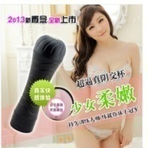 |  | silicone+ABS | 3pcs NO.7 Battery | black | 25*8 | 25.5*8.4*8.4 | 402.2 | 446.6 | 43*36*54 | 40 | 19kgs | US$3.15 | US$3.00 | US$2.80
GM-027 |  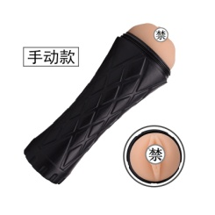 |  | silicone+ABS | manual control | black | 24*9 | opp袋装 | 559.5 | 559.5 | 43*29.5*50 | 30 | 17.78kgs | US$4.25 | US$4.10 | US$3.90
GM-028 | 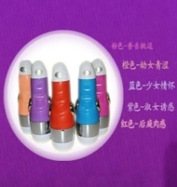 |  | silicone+ABS | 112 frequency vibration + real person pronunciation + USB charging + glare | Pink/orange/blue/purple | 21*8 | 21*8*8 | 389.5 | 450.2 | 43*29.5*50 | 30pcs | 14.5kgs | US$10.25 | US$9.80 | US$9.50
GM-044 | 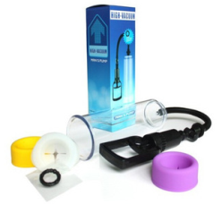 |  | PC+rubber | Help erection / increase | blue | 19*6.5 | 27.5*9.5*9.5 | 312.5 | 337.8 | 43*29.5*50 | 30pcs | 10.4kgs | US$4.00 | US$3.80 | US$3.60
GM-045 | 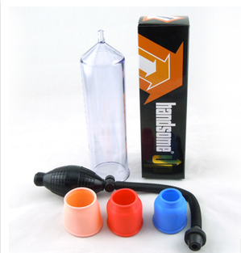 |  | PC+rubber | Help erection / increase | black | 20*5.5 | 6.5*6.5*23cm | 272.3 | 287.7 | 50*36*36 | 50 | 15.5kgs | US$4.00 | US$3.80 | US$3.60
GM-046 |  |  | PC+rubber | Help erection / increase | black | 18*5 | 12.5*6*29.5cm | 245 | 295 | 43*29.5*50 | 24 | 8kgs | US$4.00 | US$3.80 | US$3.60
GM-053 | 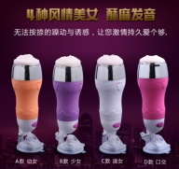 |  | Environmentally friendly silicone | Pronunciation, vibration, sucker | Orange/purple/white/pink | 25*7.5 | 26*8.3*8 | 448.6 | 569 | 43*29.5*50 | 24pcs | 14.7kgs | US$11.50 | US$11.00 | US$10.50
GM-054 | 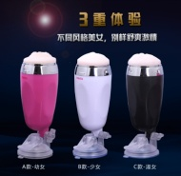 |  | Environmentally friendly silicone | Suction cup + vibrating bullet | Black/white/pink | 20*7.5 | 21.5*8.3*8.2 | 385 | 456.8 | 43*29.5*50 | 30pcs | 14.7kgs | US$5.80 | US$5.40 | US$5.00
GM-061 |  | 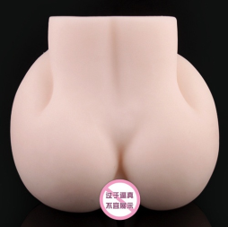 | Medical silicone | 1200g | picture | 17*16.5 | 17*16.5*8.5 | 1024 | 1100 | 43*29.5*50 | 36pcs | 40.6kgs | US$5.00 | US$4.85 | US$4.65
GM-062 | 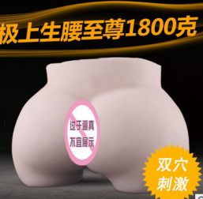 |  | Medical silicone | 1700g | picture | 16.5*20*10 | 21*12*15 | 1620 | 1720 | 43*29.5*50 | 18 | 21kgs | US$7.00 | US$6.80 | US$6.60
GM-063 | 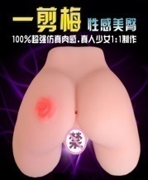 | 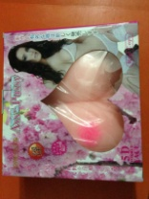 | Medical silicone | 1600g、Vagina, anus | picture | 28*24*10 | 22*24*8 | 1590 | 1700 | 43*29.5*50 | 22 | 38.4 | US$7.00 | US$6.80 | US$6.60
GM-068 | 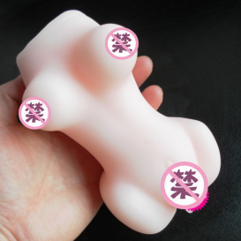 | 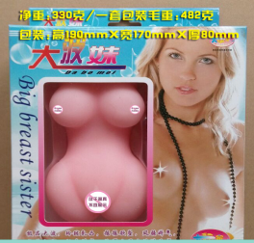 | Medical silicone | Medical silicone | picture | 16*8 | 23*17*8 | 333 | 482 | 43*29.5*50 | 80 | 39kg | US$2.50 | US$2.40 | US$2.30
GM-069 |  |  | Medical silicone | Medical silicone | picture | 12*7 | 17*7.5*6 | 216.5 | 239 | 43*29.5*50 | 85 | 21.3kg | US$2.00 | US$1.80 | US$1.80
GM-070 |  |  | TPR | TPR | skin color |  | 8*8*18.6 | 547g | 606.5 | 30*30*39 | 50 | 31.3 | US$4.20
GM-071 |  |  | TPR | TPR | skin color |  | 7.3*7.3*15.2 | 373.5g | 399.5 | 43*43*38 | 50 | 21 | US$5.00
GM-072 |  |  | TPR | TPR | skin color |  | 8*8*18.6 | 481.5g | 526 | 43*43*38 | 50 | 27.3 | US$23.00
GM-080 |  |  | Medical silicone | Medical silicone | picture | 15.5*7.8 | 19*11*8 | 521 | 587 | 42*29*55 | 24 |  | US$3.50 | US$3.30 | US$3.30
GM-081 |  |  | Medical silicone | Medical silicone | picture | 15*10 | 19*11*8 | 546 | 612 | 42*29*49 | 24 |  | US$3.50 | US$3.30 | US$3.30
GM-082 |  |  | Medical silicone | Medical silicone | picture | 16*8 | 19*11*8 | 476 | 542 | 42*29*49 | 24 |  | US$3.50 | US$3.30 | US$3.30
GM-086 |  |  | Medical silicone | 150g、color packing | picture | 12.5*6 | 14.5*6*6 | 147 | 166 | 43*29.5*50 | 60 | 11kg | US$1.50 | US$1.40 | US$1.40
GM-167 |  |  | silicone+ABS | Male Manual masturbation | White/black/orange | 15.5*6 | 6.5*7*16 | 230g | 267.5g | 30*50*32.5 | 52 | 14.9 | US$18.00 | US$17.00 | US$16.50
GM-168 |  |  | silicone+ABS | Male Manual masturbation | Orange White / Green Black / Blue White / White Green / White Orange | 15.5*6 | OPP袋装 | 234.5g | 234.5g | 50*46*35 | 105 | 25.6 | US$9.00 | US$8.50 | US$8.00
GM-170 |  |  | silicone+ABS | Vibration + single frequency small bullet | White | 7*20 | 7.6*7.6*27.5 | 450g | 494g | 39*32*30 | 20 | 10.8 | Not shaking: $6.5 shaking: $7
GM-174 |  |  | Soft glue+ABS | Vibration clamping / tight control / negative pressure design / waterproof | pink/ blue / gray | 22*8 | 8.5*8*22.5 | 353 | 420 | 43*29.5*50 | 50 | 22 | US$7.50 | US$7.00 | US$6.50
GM-186 |  |  | tpe | Masturbation for men | picture | 13.5*9.5 | 10*8*15 | 610 | 680 | 52*42*32 | 50 | 4.5kg | US$5.00 | US$4.80 | US$4.50

rotating dildo
Shenzhen Jinshen Technology Company Limited
Add: Room 1703, B Building, NO.130, Nanguang Road, Nanshan District Shenzhen city, China
NO. | Picture | picture of package | Material | Function | Color | product size（cm) | Package Size（cm） | N.W. （g） | G.W.（g） | Ctn size(cm) | qty/carton | weight/KG | 1-100 | 100-500 | 500 above
GM-030 |  |  | Environmental protection silicone | 3pcs 7th battery, 3 frequency vibration, rotation | pink/purple | 21.5*3.2 | 23*7*4 | 194 | 242 | 43*29.5*50 | 64 | 16.5kg | US$4.50 | US$4.30 | US$4.00
GM-058 |  |  | ABS+silicone | 5V USB charging shock Telescopic 360°Two-way rotation 420 mAh | purple | 31*4 | 31*7.5*5 | 264.2 | 341 | 43*29.5*50 | 39 | 14.3kg | US$8.50 | US$8.00 | US$7.50
 GM-059 |  |  | ABS+silicone |  | purple | 29.5*4 | 31*7.5*5 | 241 | 336 | 43*29.5*50 | 39 | 14.1kg | US$8.00 | US$7.50 | US$7.00
GM-094 |  |  | ABS+silicone | Charging Telescopic shock 360°rotation Lifetime 3.5 hours | Purple/gold | 29.5*4 | 33.5*7.5*4.5 | 227.5 | 271 | 43*29.5*50 | 42 | 12.4kg | US$7.50 | US$7.20 | US$7.00
GM-095 |  |  | ABS+silicone | Charging Telescopic shock 360° rotation | Purple/gold | 25.5*3.5 | 29.8*8*4.5 | 235.5 | 269 | 43*29.5*50 | 39 | 11.5kg | US$7.00 | US$6.80 | US$6.50
GM-096 |  |  | ABS+silicone | Charging Telescopic shock 360° rotation | Purple/gold | 25.5*3.5 | 29.8*8*4.5 | 203 | 236.6 | 43*29.5*50 | 39 | 10.2kg | US$5.20 | US$5.00 | US$4.80
GM-097 |  |  | ABS+silicone | 5V USB charging, vibration, 360° rotation, 36 frequency vibration, 8 kinds of speed | Purple/gold | 25.8*2.8 | 25.6*15.5*4.8 | 197 | 259 | 43*29.5*50 | 39 | 11.1kg | US$7.80 | US$7.50 | US$7.20
GM-098 |  |  | ABS+silicone | 4pcs 7th batteries, 36 frequency vibration, 8 speeds | Purple/gold | 25.8*2.8 | 25.6*15.5*4.8 | 194 | 242 | 43*29.5*50 | 39 | 10.4kg | US$6.00 | US$5.80 | US$5.50
GM-099 |   |  | ABS+silicone | 4pcs 7th batteries | Purple/gold | 24.5*3.2 | 25.6*15.5*4.8 | 195 | 243 | 43*29.5*50 | 39 | 10.5kg | US$6.00 | US$5.80 | US$5.50
GM-100 |  |  | ABS+silicone | 5V USB charging, vibration, 360° rotation | Purple/gold | 24.5*3.2 | 25.6*15.5*4.8 | 214 | 231.5 | 43*29.5*50 | 39 | 10kg | US$7.80 | US$7.50 | US$7.20
GM-101 |  |  | ABS+silicone | 5V USB charging, vibration, 360° rotation | Purple/gold | 22*3.5 | 25.6*15.5*4.8 | 197 | 259 | 43*29.5*50 | 39 | 11.1kg | US$7.80 | US$7.50 | US$7.20
GM-102 |  |  | ABS+silicone | 4pcs 7th battery | Purple/gold | 22*3.5 | 25.6*15.5*4.8 | 194 | 242 | 43*29.5*50 | 39 | 10.4 | US$6.00 | US$5.80 | US$5.50
GM-143 |  |  | ABS+silicone | Battery, telescopic, vibration, 360° Rotate | Gold/silver/purple | 28*4 | 32*7.5*4.5 | 250 | 286.5 | 43*29.5*50 | 46 | 14.2kg | US$8.80 | US$8.60 | US$8.40
GM-171 |  |  | ABS+silicone | 8-speed 36-frequency, 5-row DNA double helix | Purple/gold | 26*3.6 | 29.8*8*4.5 | 241 | 273.5 | 43*29.5*50 | 39 | 11.7kg | US$8.80 | US$8.60 | US$8.40

Jump Eggs Bullet
Shenzhen Jinshen Technology Company Limited
Add: Room 1703, B Building, NO.130, Nanguang Road, Nanshan District Shenzhen city, China
NO. | Picture | picture of package | Material | Function | Color | product size（cm) | package size（cm） | N.W. （g） | G.W.（g） | carton size(cm) | qty/ctn | weight/KG | 1-100 | 100-500 | 500 above
GM-018 |  |  | ABS | Plating, 4pcs LR44 battery, single frequency | Gold/Silver/Purple/Red/Blue/Pink | 8.3*1.7 | 13*8.5 | 23.5 | 33 | 43*29.5*50 | 300pcs | 11kg | US$1.50 | US$1.45 | US$1.40
GM-019 |  |  | ABS | Plating, 4pcs LR44 battery, 10 segments FM | Gold/Silver/Purple/Red/Blue/Pink | 8.3*1.7 | 13*8.5 | 25 | 35.3 | 43*29.5*50 | 300pcs | 11.6kg | US$2.50 | US$2.40 | US$2.30
GM-020 |  |  | ABS | 1pc 7th battery, vibrating for 60 minutes, matte spray plating | Plating silver / pink / blue / red / black rose red | 9*1.78 | 14*8.4 | 25.6 | 27.5 | 43*29.5*50 | 300 | 9.3kg | US$2.00 | US$1.80 | US$1.70
GM-021 |  |  | ABS | 1pcs 7th battery, 10 frequency vibration, frosted spray plating | Plating silver / pink / blue / red / black / rose red | 9*1.78 | 14*8.4 | 25.6 | 27.5 | 43*29.5*50 | 300 | 9.3kg | US$2.30 | US$2.20 | US$2.10
GM-022 |  |  | ABS | Plating, 3pcs LR44 battery, 10 segments FM | Blue/silver/purple | 5.8*1.7 | 13*8.6*2.6 | 19.5 | 30 | 43*29.5*50 | 300pcs | 10kg | US$2.30 | US$2.20 | US$2.10
GM-023 |  |  | ABS | Single frequency 3pcs LR44 Blister + color card paper Aluminum foil bag or OPP bag | Gold/Silver/Purple/Red/Blue/Pink/White/Transparent Purple | 5.8*1.7 | 13*8.6*2.6 | 19.4 | 27.8 | 43*29.5*50 | 300pcs | 9.4kg | US$1.70 | US$1.65 | US$1.60
GM-024 |  |  | ABS | Single frequency 3pcs LR44 Blister + color card paper Aluminum foil bag or OPP bag | White Orange / Black Purple / Pink Purple / Blue | 6.4*1.8 | 13*8.6*2.6 | 15.5 | 23.2 | 43*29.5*50 | 300 | 8kg | US$1.30 | US$1.25 | US$1.20
GM-040 |  |  | ABS | 20-band FM, Remote control 1pcs 7th battery, Egg jumping 2pcs 7th battery | Pink/green/yellow/blue/black | 7.4*3.2 | 12*10*3.5 | 45*4 | 66.8 | 43*29.5*50 | 112 | 8.5kg | US$2.80 | US$2.70 | US$2.60
GM-041 |  |  | ABS | 12-band FM Jumping eggs 2 pcs 7th battery | Pink/green/yellow/blue/black | 7.4*3.2 | 12*11*4 | 40 | 65 | 43*29.5*50 | 75 | 6kg | US$3.30 | US$3.20 | US$3.10
GM-112 |  |  | ABS | Small AV Big bullet Small bullet | Mix and match, any match | 8.3*1.7 5.8*1.7 6.4*1.8 | 15.5*12 | 53 | 69 | 43*29.5*50 | 200 | 14.8kg | US$3.30 | US$3.20 | US$3.10
GM-113 |  |  | ABS |  |  | 5.8*1.7 6.4*1.8 8*1.8 | 15.5*12 | 54.5 | 70.5 | 43*29.5*50 | 200 | 15.1kg | US$3.30 | US$3.20 | US$3.10
GM-114 |  |  | ABS | 1pcs 5th battery | Red / black / purple / pink / blue / silver | 9.4*3.4 | 15.2*8.4*2.4 | 22 | 44 | 43*29.5*50 | 180 | 9kg | US$2.00 | US$1.90 | US$1.80
GM-115 |  |  | ABS | Three sets of wigs (strawberry, horn, gourd) Vibrator 3pcs LR44 button battery | Pink/ white/ black | 8*1.8 | 19mm*80mm | 30 | 46.2 | 43*29.5*50 | 200 | 10.3kg | US$2.00 | US$1.90 | US$1.80
GM-116 |  |  | rubber | Food grade Silicone + 2 pcs vibrator | pink | 6*6 | 20*12*3 | 31 | 81.6 | 43*29.5*50 | 66 | 6.4kg | US$3.30 | US$3.20 | US$3.10
GM-138 |  |  | silicone | Built-in vibrator | Blue/pink/orange/purple | 7*2.5 | 12.7*6.8 | 11 | 12.3 | 43*29.5*50 | 300 | 4.7kg | US$1.90 | US$1.80 | US$1.70
GM-142-1 |  |  | ABS | USB charging 10 frequency vibration 500MA polymer lithium battery | Rose red/purple | 8.5*3 | 16*10*3.7 | 59 | 85 | 43*29.5*50 | 84 | 8.2kg | US$6.30 | US$6.20 | US$6.10
GM-142-2 |  |  | ABS | USB charging 10 frequency vibration 500MA polymer lithium battery | Rose red/purple | 8.5*3 | 16*10*3.7 | 66 | 92 | 43*29.5*50 | 84 | 8.7kg | US$6.30 | US$6.20 | US$6.10
GM-201 |  |  | silicone+ABS | USB charging 10 frequency vibration 500MA polymer lithium battery | Rose red/purple | 8.5*3 | 16*10*3.7 | 59 | 85 | 43*29.5*50 | 84 | 8.2kg | US$6.30 | US$6.20 | US$6.10
GM-166 |  |  | ABS | Vibrating breast | black |  | 19*15*3.5 | 113 | 155.6 | 37*34*32 | 40 | 7.2 | US$3.30 | US$3.20 | US$3.10
GM-170 |  |  | ABS+silicone | 7 frequency control + voice control / USB charging, 420 mAh | purple /red | 8.5*2.5 | 9*4 | 89.5 | 149.5 | 43*29.5*50 | 56 | 9.4kg | US$9.00 | US$8.80 | US$8.60
GM-180 |  |  | silicone | 3 frequency wireless remote control induction vibration one key orgasm Battery 3.7V 150mA Model: 131205 | pink /purple | 16*3 | 20*11*3.5 | 82.8 | 127.5 | 43*29.5*50 | 66 | 9.4kg | US$9.70 | US$9.50 | US$9.20
GM-181 |  |  | silicone | 8 frequency wireless remote control induction vibration one key orgasm Battery 3.7V 150mA Model: 131205 | pink /purple | 8.5*3 | 15*10*6 | 96.5 | 141.5 | 43*29.5*50 | 54 | 8.7kg | US$10.50 | US$10.00 | US$9.50
GM-181-1 |  |  | silicone | 8 frequency wireless induction vibration Battery 3.7V 150mA Model: 131205 | pink /purple | 12.5*3.2 | 15*8*3.5 | 90.5 | 118.5 | 42*29*49 | 60 | 8.1 | US$8.80 | US$8.60 | US$8.40
GM-196 |  |  | ABS+silicone | 16 frequency vibration 2pcs 7th battery | Rose red/purple | 10*4.5 | 16*10*4.5 | 49g | 90g | 43*29.5*50 | 84 | 8.56 | US$5.50 | US$5.30 | US$5.10
GM-197 |  |  | Carbon spring steel + natural rubber | Finger training | black | 6.5*11.5*3.5 | 13*21 | 40.9g | 45.7g | 43*29.5*50 | 300 | 14.7 | US$2.30 | US$2.20 | US$2.10
GM-211 |  |  | ABS | USB charging, 10 frequency vibration | Matte Black | 2*7.6 | 5*5*9 | 42 | 53.5 | 43*29.5*50 | 200 | 11.7 | US$4.60 | US$4.50 | US$4.40
GM-198 |  |  | TPE+ABS | Finger vibrator | pink | 3*8 | 7*3*12 | 23.5g | 45.5g | 56*31*50 | 240 | 11.9 | US$3.30 | US$3.20 | US$3.10

Vibration ring Lock ring
Shenzhen Jinshen Technology Company Limited
Add: Room 1703, B Building, NO.130, Nanguang Road, Nanshan District Shenzhen city, China
NO. | Picture | package picture | Material | Function | Color | product size（cm) | package size（cm） | N.W. （g） | G.W.（g） | carton size(cm) | qty/carton | weight/KG | 1-100 | 100-500 | 500 above
GM-131 |  |  | silicone |  | White/blue/pink/purple | 5.4*4.2*3 | 9*5*5 | 16 | 28 | 43*29.5*50 | 200 | 6.6kg | US$2.60 | US$2.50 | US$2.40
GM-132 |  |  | silicone | Vibration Delayed ejaculation, Lock semen | White/blue/pink | 5*4.2*3.2 | 9*5*5 | 16 | 28 | 43*29.5*50 | 200 | 6.6kg | US$2.60 | US$2.50 | US$2.40
GM-133 |  |  | silicone |  | pink/black | 5.5*3 | 14.5*10 | 28.5 | 31 | 43*29.5*50 | 200 | 7.2kg | US$2.60 | US$2.50 | US$2.40
GM-176 |  |  | silicone | Delayed ejaculation | black | 内径3.5 4.5 5.5 | 12*17 | 14.6 | 25.3 | 43*29.5*50 | 200 | 6.2 | US$1.70 | US$1.60 | US$1.50

缩阴球
Shenzhen Jinshen Technology Company Limited
Add: Room 1703, B Building, NO.130, Nanguang Road, Nanshan District Shenzhen city, China
NO. | Picture | package picture | Material | Function | Color | product size（cm) | package size（cm） | N.W. （g） | G.W.（g） | carton size(cm) | qty carton | weight/KG | 1-100 | 100-500 | 500 above
GM-158 |  |  | silicone | Physical shrinkage, vaginal exercise | Pink/black/purple | 16*3 | 14*9*3.5 | 单粉37.5 小粉56.1 大粉63.3 黑56.5 紫57.8 | 80 | 43*29.5*50 | 120 | 10.7kg | US$3.30 | US$3.20 | US$3.00
GM-158-1 |  |  | silicone | Physical shrinkage, vaginal exercise | Pink | 单3.5*11.5 小15.5*2.8 大双16*3.1 | 铝箔袋18*13 | 单粉37.5 小粉56 大粉63.2 总157.7 | 160.3 | 43*29.5*50 | 150 | 25 | US$3.30 | US$3.20 | US$3.00
GM-158-2 |  |  | silicone | Physical shrinkage, vaginal exercise | Pink | 3.5*11.5 | 铝箔袋18*13 | 37.5 | 40.1 | 43*29.5*50 | 300 | 13 | US$3.30 | US$3.20 | US$3.00
GM-158-3 |  |  | silicone | Physical shrinkage, vaginal exercise | Pink | 3*16.5 | 铝箔袋18*13 | 63.2 | 65.8 | 43*29.5*50 | 300 | 20.7 | US$3.30 | US$3.20 | US$3.00
GM-194 |  |  | silicone | Physical shrinkage, vaginal exercise, no rebound | white | 双球17*5 单球12*5 | 19.5*11.5*5.5 | 169g | 294g | 43*29.5*50 | 62 | 19.2 | US$6.50 | US$6.00 | US$5.50

