Sheet1
 | Tongxiang Kebo Toys Co., Ltd.
 | Address：No. 519, Jingwei Street, Huxiao, Chongfu Town, Tongxiang, Zhejiang, China Mobile/Whatsapp/Weichat： 008618957337769 Ctc： Adam Skype： txkebo Email：txkebo@outlook.com

Pricelist（Available for 3 month）
Magna Tiles Ferris Wheels 16pcs set
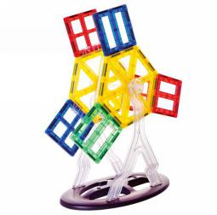 1 |  | Price FOB shanghai(USD) |  |  |  | Item No. | KBMB-29 | Brand | Mag-Wisdom
 |  | 1K-5K | 1K-10K | 10K-30K | Above30K | Box Size(cm) | 27*15.5*7 | Ctn Size(cm) | 47*27.5*38cm
 |  | $4.90 |  |  |  | Packaging | ColorBox | Qty/Ctn | 16
 |  |  |  |  |  | N.W.(kgs) | 18.24 | G.W.(kgs) | 19.5
 |  |  |  |  |  | Materials | plastic&magnet | Age | 3+
 |  |  |  |  |  | Lead Time | 20-30 days | MOQ | 100
 |  |  |  |  |  | Origin | Zhejiang China | OEM/ODM | Available
Accessories Included
 | 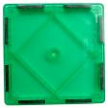 | 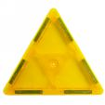 |  |  |  | 

3 | 0 | 0 |  | 2 |  | 3
 |  |  |  |  |  | 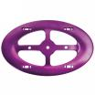

2 | 1 | 2 |  | 2 |  | 1 | 1 box
Magna Tiles Ferris Wheels 46pcs set
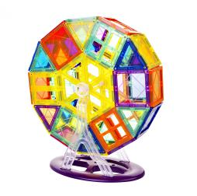 1 |  | Price FOB shanghai(USD) |  |  |  | Item No. | KBMB-46 | Brand | Mag-Wisdom
 |  | 1K-5K | 1K-10K | 10K-30K | Above30K | Box Size(cm) | 25.2*31.6*6.1 | Ctn Size(cm) | 52.5*33*39
 |  | $10.90 |  |  |  | Packaging | ColorBox | Qty/Ctn | 12
 |  |  |  |  |  | N.W.(kgs) | 16.8 | G.W.(kgs) | 18.8
 |  |  |  |  |  | Materials | plastic&magnet | Age | 3+
 |  |  |  |  |  | Lead Time | 20-30 days | MOQ | 100
 |  |  |  |  |  | Origin | Zhejiang China | OEM/ODM | Available
Accessories Included

6 | 12 | 12 |  | 2 |  | 6

2 | 1 | 2 |  | 2 |  | 1 | 1 box

OEM Service
1 |  | Price FOB shanghai(USD) |  |  |  | Item No. |  | Brand | Your Own Brand
 |  | 1K-5K | 1K-10K | 10K-30K | Above30K | Box Size(cm) |  | Ctn Size(cm)
 |  |  |  |  |  | Packaging | Customization | Qty/Ctn
 |  |  |  |  |  | N.W.(kgs) |  | G.W.(kgs)
 |  |  |  |  |  | Materials | plastic&magnet | Age | 3+
 |  |  |  |  |  | Lead Time | 30 Days | MOQ | 500sets
 |  |  |  |  |  | Origin | Zhejiang China | OEM/ODM | Available
Select the shapes below and input the number you want , we will quote you individually

6 | 12 | 12 |  | 2 |  | 6

2 | 1 | 2 |  | 2 |  | 1 | 1 box

